Business Reference Model
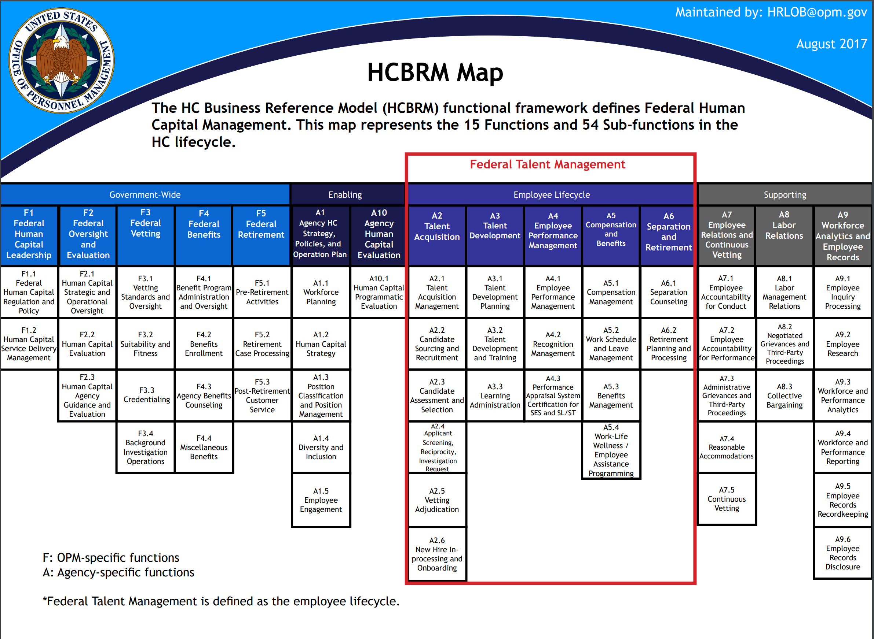
Office of Personnel Management Human Capital Federal Integrated Business Framework (FIBF) Standard Service Functions, Service Activities, and Business Capabilities
Updated: May 27, 2021
Human Capital Business Reference Model
The Human Capital Federal Integrated Business Framework (HC-FIBF) is built on and further expands the Human Capital Business Reference Model (HC-BRM). The BRM functional framework defines Federal Human Capital Management and is divided into the functions and subfunctions shown below.
You can find more information about the HC-BRM at the following URL:
https://www.opm.gov/services-for-agencies/hr-line-of-business/hc-business-reference-model/

