Cover
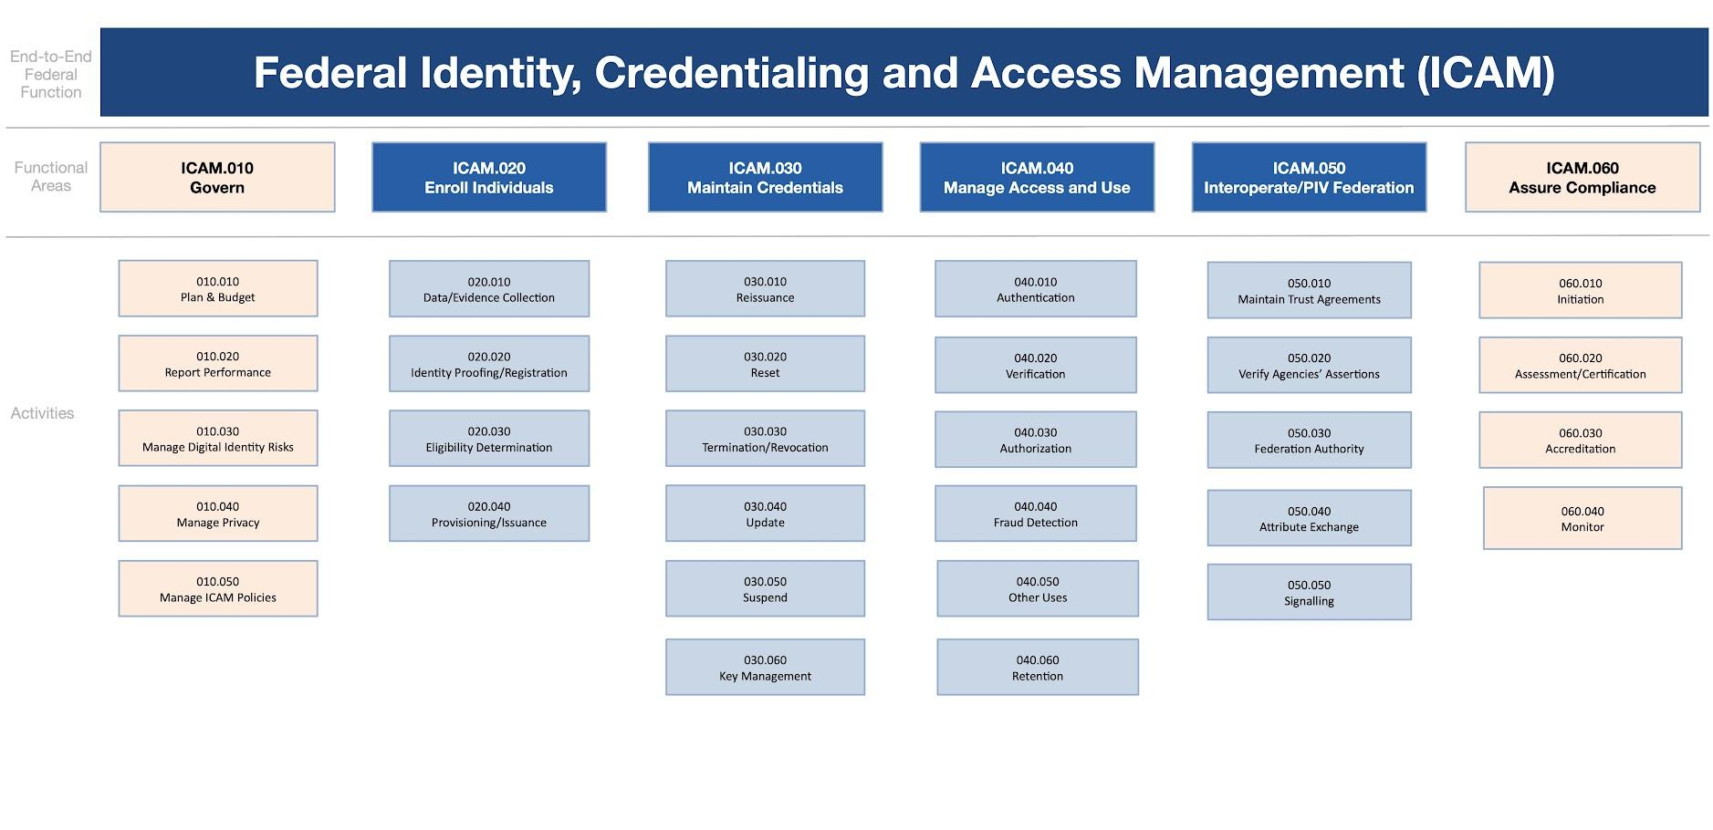
Federal Identity, Credential, and Access Management (FICAM)
Federal Integrated Business Framework (FICAM-FIBF)
Workforce Focus - Version 1.0
2023-08-07

Version | Release | Date | Comment | Audience
Draft | 1.0 | 2023-07-31 | Initial Draft | Cross-Agency

Swimlane #1
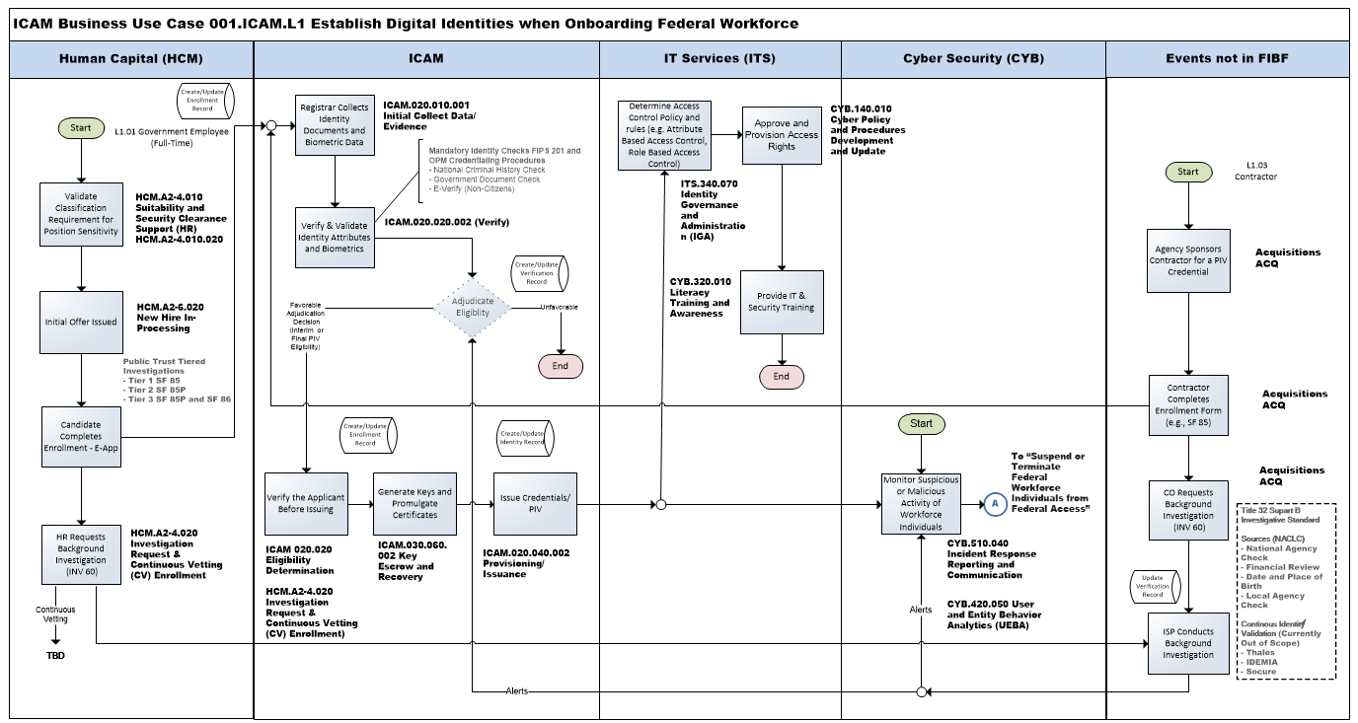

Back to Business Use Case #1

Swimlane #2
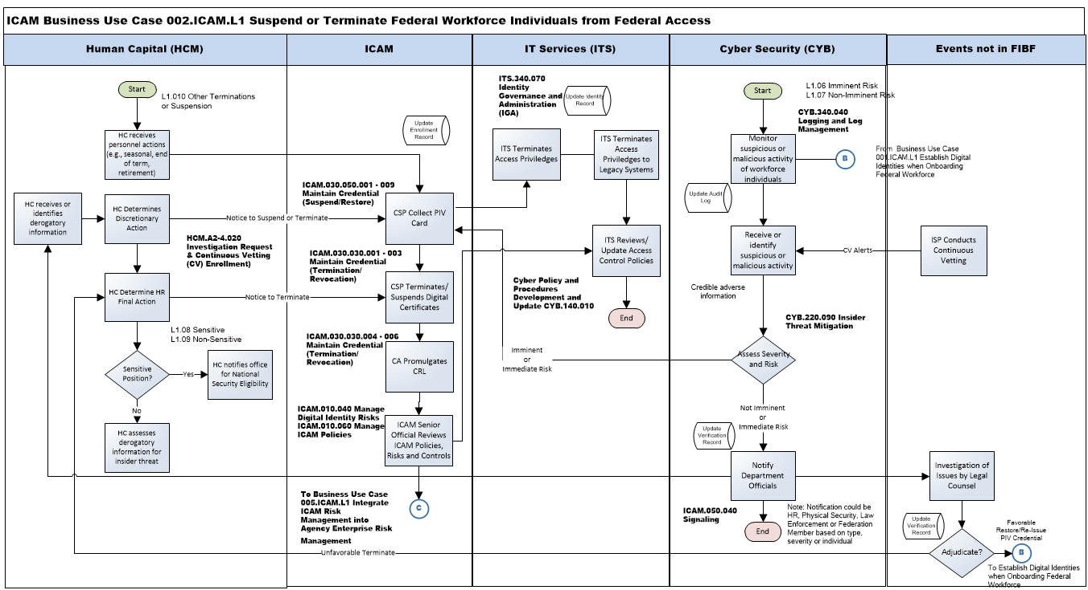

Back to Business Case #2

Swimlane #3
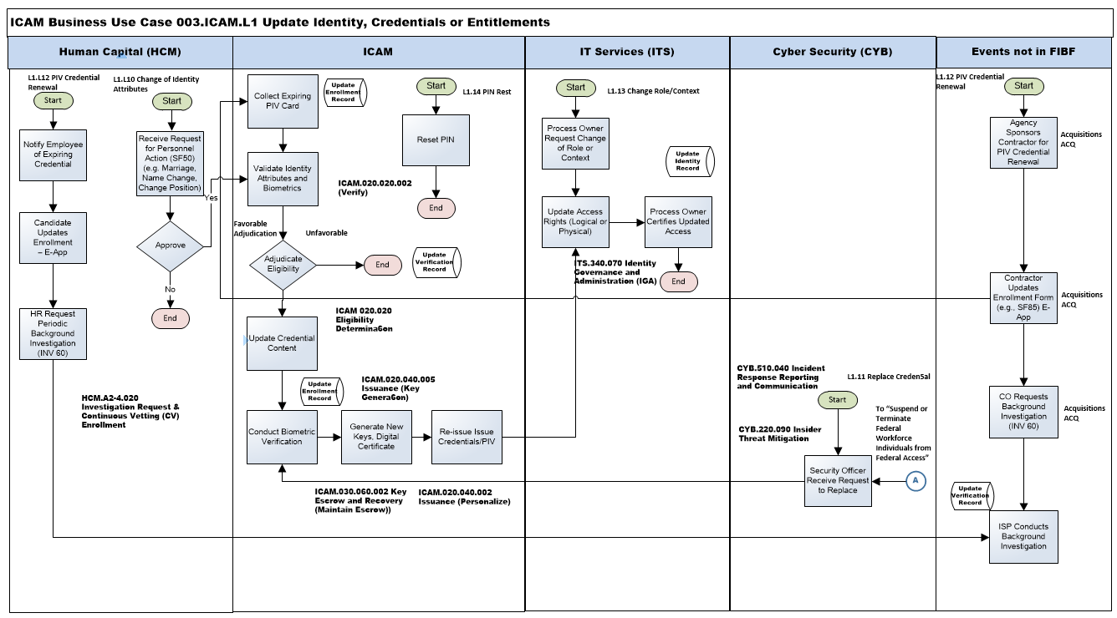

Back to Business Case #3

Swimlane #4
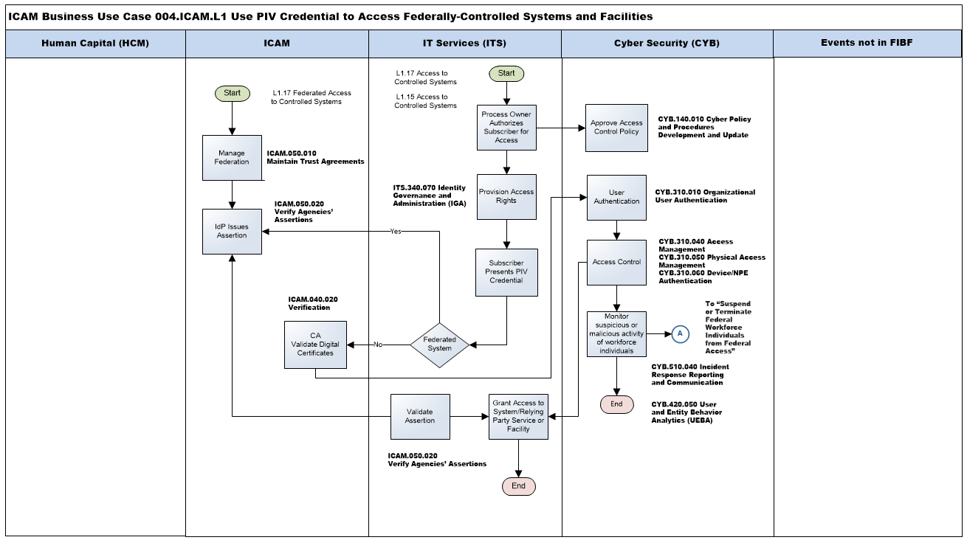

Back to Business Case #4

Swimlane #5
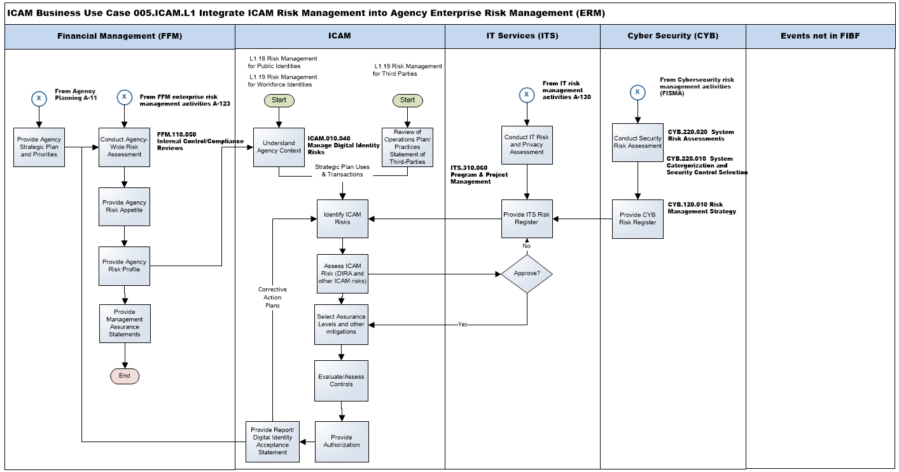

Back to Business Use Case #5

