Cover
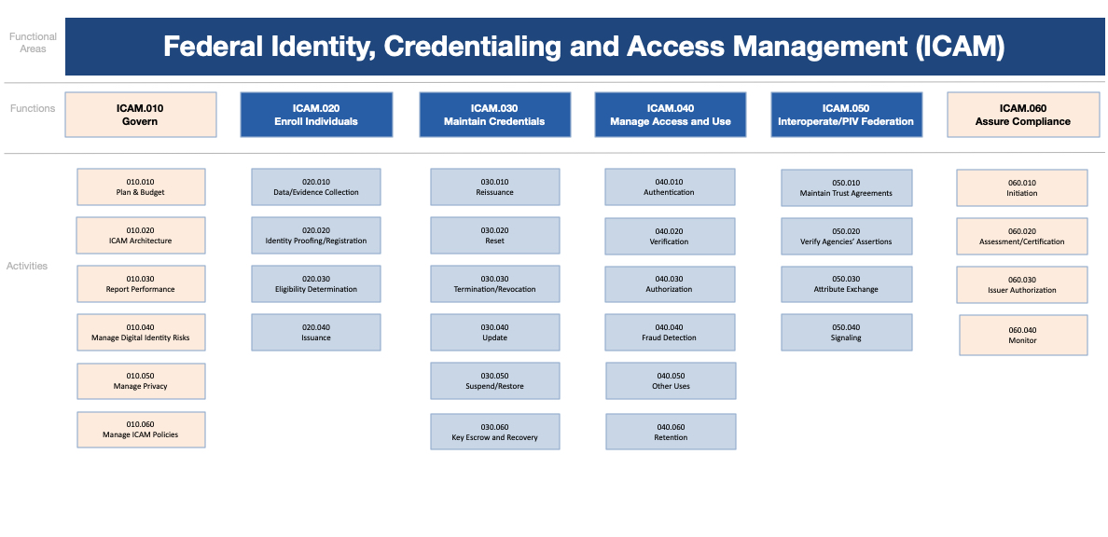
Federal Identity, Credential, and Access Management (FICAM)
Federal Integrated Business Framework (FICAM-FIBF)
Workforce Focus - Version 1.0
2024-06-14

Version | Release | Date | Comment | Audience
Draft | 1.0 | 2023-07-31 | Initial Draft | Cross-Agency
Draft | 1.2 | 2024-05-09 | Draft Update | Cross-Agency
Draft | 1.3 | 2024-06-14 | Draft Update | Cross-Agency

Swimlane #1
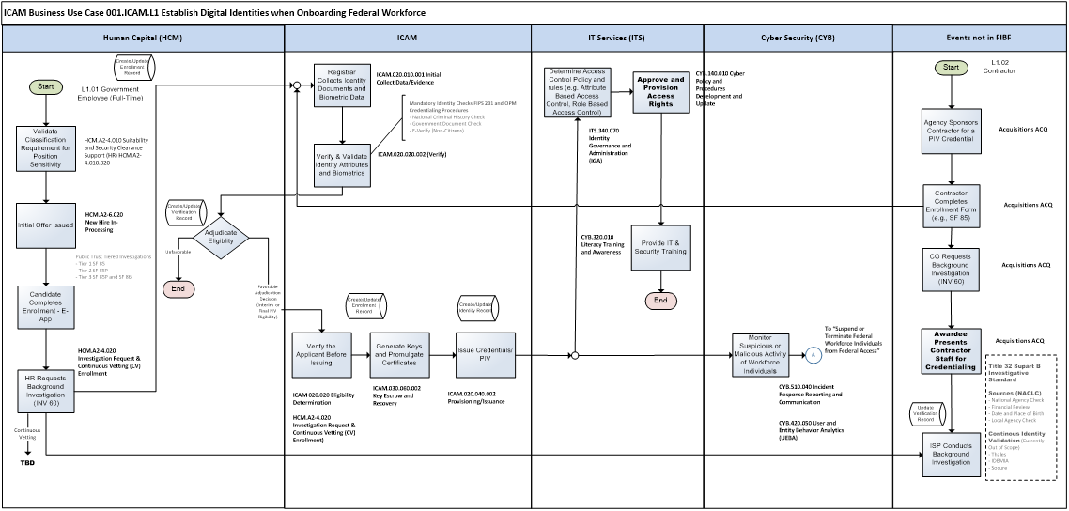

Back to Business Use Case #1

Swimlane #2
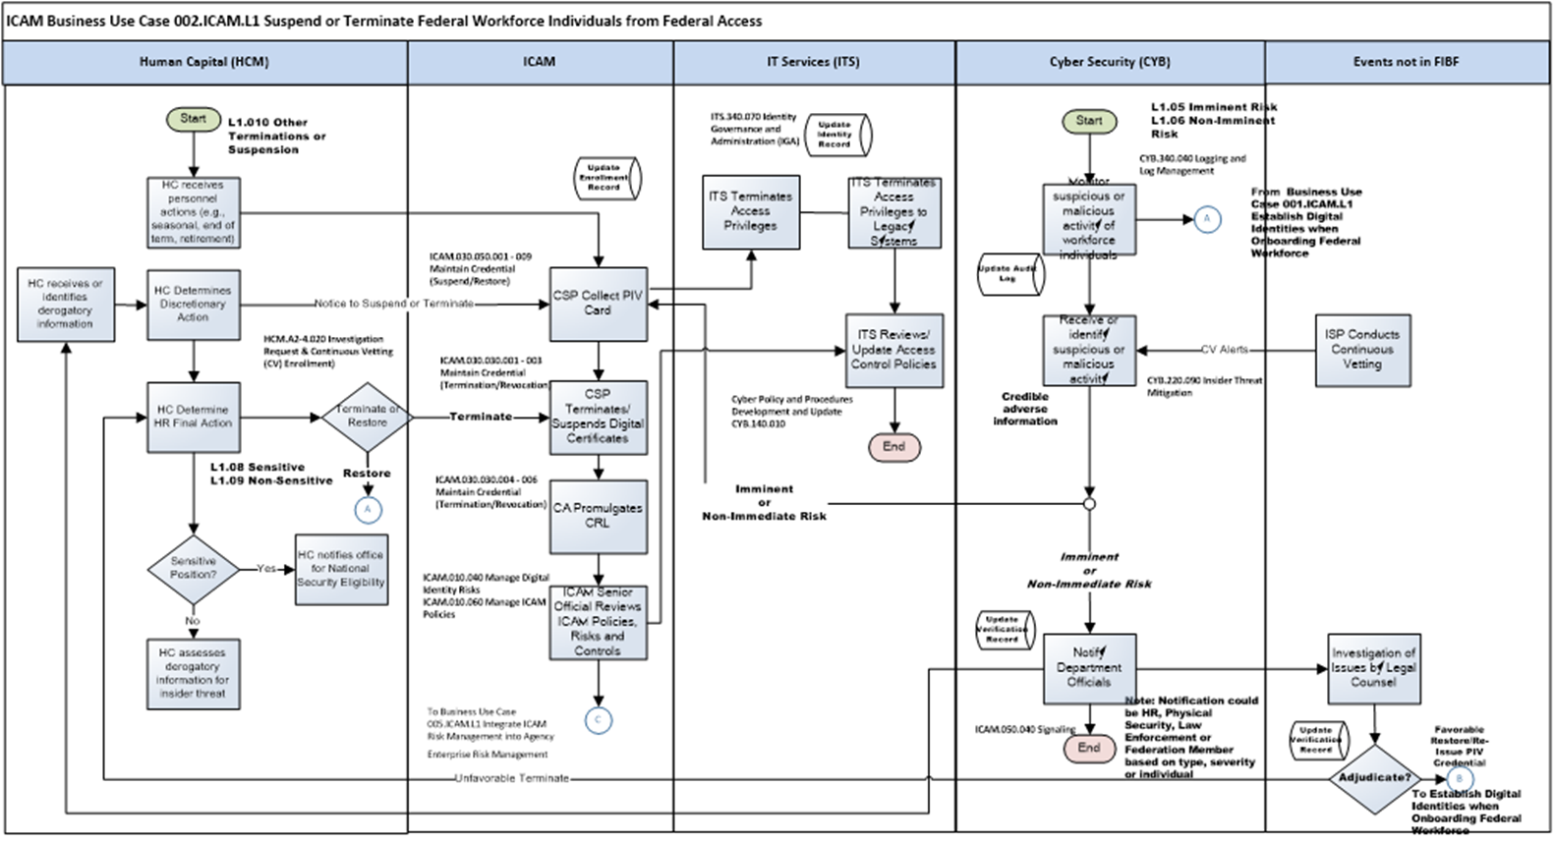

Back to Business Case #2

Swimlane #3
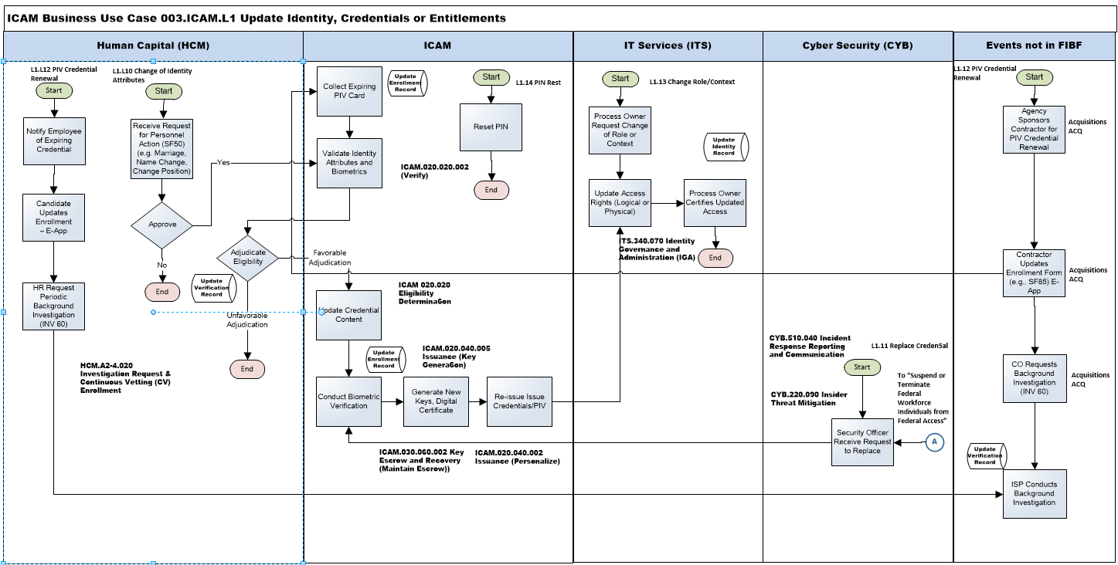

Back to Business Case #3

Swimlane #4
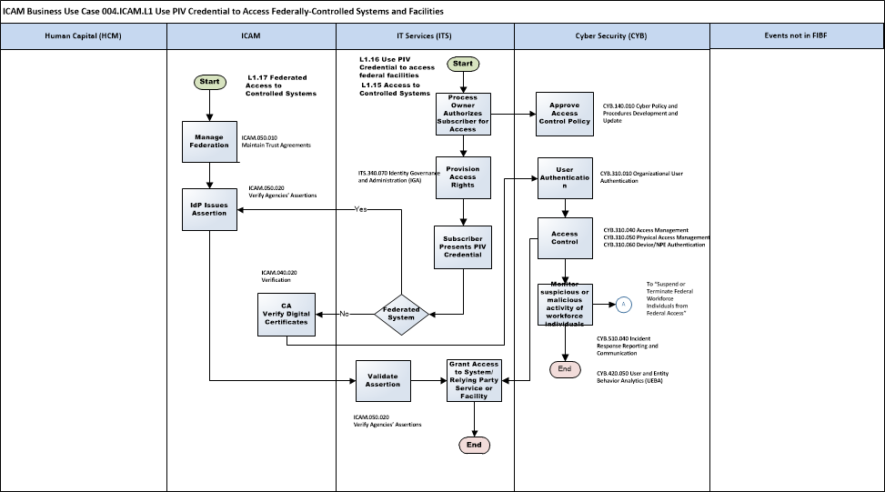

 | Change scenario L1.17 in ITS column to L1.16 Use PIV Credential to access federal facilities - Updated 6/13/24

Back to Business Case #4

Swimlane #5
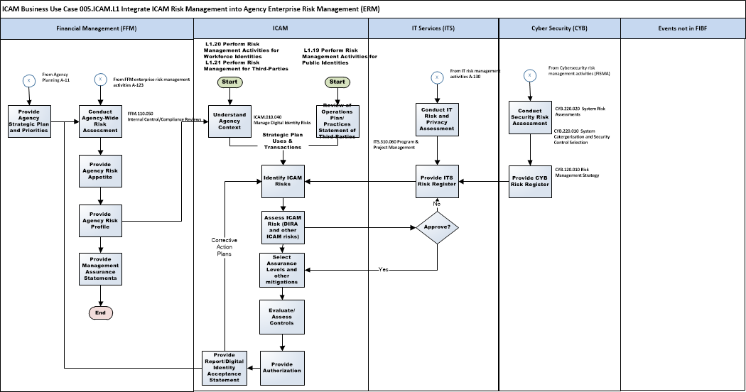

 | Scenario numbers have changed (See business case) - Updated 6/13/24
 | 19 | Public
 | 20 | Workforce
 | 21 | Third-parties

Back to Business Use Case #5

