Scope Review Output Form Sample
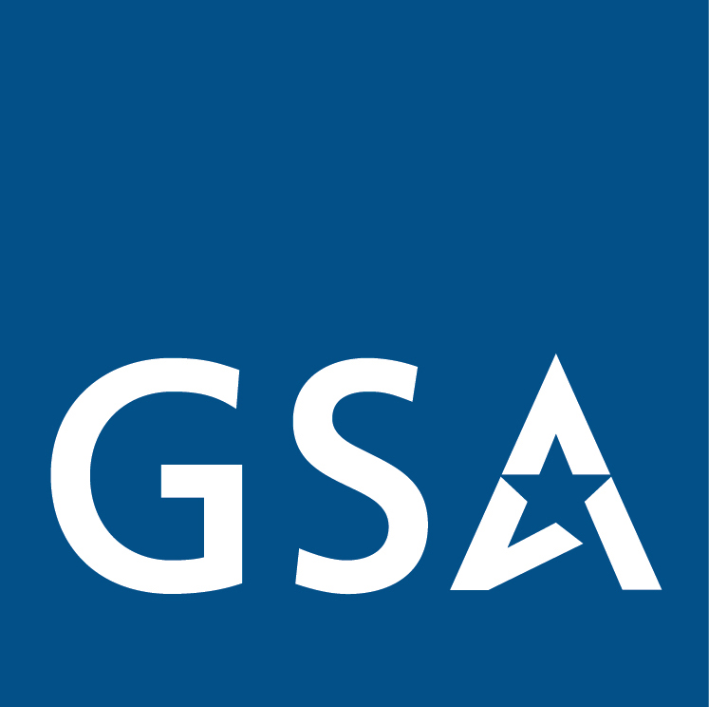 | US General Services Administration
 | Federal Acquistition Service
 | Market Research as a Service (MRAS)
 | Scope Review Market Research Report

Date of Review | [Bot Input] | Scope Review Unique ID Number | [Bot Input] | Agency Point of Contact | [Bot Input]
Requesting Agency | [Bot Input] | NAICS Searched | [Bot Input] | GSA Point of Contact | [Bot Input]
Keywords Searched | Words Searched | Words Searched | Words Searched | Words Searched | Words Searched | Words Searched
 | [Bot Input] | [Bot Input] | [Bot Input] | [Bot Input] | [Bot Input] | [Bot Input]
 | [Bot Input] | [Bot Input] | [Bot Input] | [Bot Input] | [Bot Input] | [Bot Input]
 | [Bot Input] | [Bot Input] | [Bot Input] | [Bot Input] | [Bot Input] | [Bot Input]
 | [Bot Input] | [Bot Input] | [Bot Input] | [Bot Input] | [Bot Input] | [Bot Input]
 | [Bot Input] | [Bot Input] | [Bot Input] | [Bot Input] | [Bot Input] | [Bot Input]
 | [Bot Input] | [Bot Input] | [Bot Input] | [Bot Input] | [Bot Input] | [Bot Input]
Categories Reviewed | Large Category | Subcategory | Contract/SIN Reviewed | Contract/SIN Reviewed | Contract/SIN Reviewed | Contract/SIN Reviewed
 | [Bot Input] | [Bot Input] | [Bot Input] | [Bot Input] | [Bot Input] | [Bot Input]
 | [Bot Input] | [Bot Input] | [Bot Input] | [Bot Input] | [Bot Input] | [Bot Input]
 | [Bot Input] | [Bot Input] | [Bot Input] | [Bot Input] | [Bot Input] | [Bot Input]
 | [Bot Input] | [Bot Input] | [Bot Input] | [Bot Input] | [Bot Input] | [Bot Input]
 | [Bot Input] | [Bot Input] | [Bot Input] | [Bot Input] | [Bot Input] | [Bot Input]
Scope Review Results | Contract | SIN/Zone/Constellation/Pool | Title | Description | Total Contractors | Contract Expiration
 | [Bot Input] | [Bot Input] | [Bot Input] | [Bot Input] | [Bot Input] | [Bot Input]
 | [Bot Input] | [Bot Input] | [Bot Input] | [Bot Input] | [Bot Input] | [Bot Input]
 | [Bot Input] | [Bot Input] | [Bot Input] | [Bot Input] | [Bot Input] | [Bot Input]
 | [Bot Input] | [Bot Input] | [Bot Input] | [Bot Input] | [Bot Input] | [Bot Input]
 | [Bot Input] | [Bot Input] | [Bot Input] | [Bot Input] | [Bot Input] | [Bot Input]
Summary of the Process and Underlying Market Research aspects of this Scope Review
This scope review has been completed by Robotic Process Automation (RPA). All reviews are based on a thorough review of keywords provided by the requesting agency in their market research request form and in the requirements document. The results of this scope review are considered part of Market Research as described in FAR Part 10. The U.S. General Services Administration (GSA) Market Research As a Service (MRAS) RPA tool is a scope targeting automation to assist Agencies in identifying the most compatible contracts based on NAICS, keywords, and underlying scope review rules. An example of a rule would be if an agency states the anticipated contract type is cost, then the Multiple Awards Schedule (MAS) is determined to be out of scope. This is only one of many underlying rules that GSA has carefully written to ensure regulatory compliance and more accurate market targeting and scope reviews. Based on this review, GSA believes the Agency can either 1) independently review the contract holders, their capabilities, and socio-economic characteristics to determine their acquisition plan, this may include sources sought, request for information, and the review of websites and other information related to the contracts; or 2) GSA will use the results to provide a request for information from industry related to their capabilities under the contracts, SINS, pools, zones, or constellations cited above. Under both strategies, secondary verification of whether the contracts and markets identified above will result in a competitive environment consisting of technically capable contractors are achieved through reviewing other data sources and/or collecting industry feedback based on market survey techniques. Again, this review is a market research technique designed to help Agencies better target the appropriate marketplace to fullfil their requirements in alignment with activities defined under FAR Part 10.

