Graphs
murder / illiteracy logarithmic trendline
 | murder
2.1 | 15.1
1.5 | 11.3
1.8 | 7.8
1.9 | 10.1
1.1 | 10.3
0.7 | 6.8
1.1 | 3.1
0.9 | 6.2
1.3 | 10.7
2 | 13.9
1.9 | 6.2
0.6 | 5.3
0.9 | 10.3
0.7 | 7.1
0.5 | 2.3
0.6 | 4.5
1.6 | 10.6
2.8 | 13.2
0.7 | 2.7
0.9 | 8.5
1.1 | 3.3
0.9 | 11.1
0.6 | 2.3
2.4 | 12.5
0.8 | 9.3
0.6 | 5
0.6 | 2.9
0.5 | 11.5
0.7 | 3.3
1.1 | 5.2
2.2 | 9.7
1.4 | 10.9
1.8 | 11.1
0.8 | 1.4
0.8 | 7.4
1.1 | 6.4
0.6 | 4.2
1 | 6.1
1.3 | 2.4
2.3 | 11.6
0.5 | 1.7
1.7 | 11
2.2 | 12.2
0.6 | 4.5
0.6 | 5.5
1.4 | 9.5
0.6 | 4.3
1.4 | 6.7
0.7 | 3
0.6 | 6.9
no match 0 < R2 < 1 perfect match
https://www.neighborhoodscout.com/nv/crime

murder / illiteracy exponential trendline
 | murder
2.1 | 15.1
1.5 | 11.3
1.8 | 7.8
1.9 | 10.1
1.1 | 10.3
0.7 | 6.8
1.1 | 3.1
0.9 | 6.2
1.3 | 10.7
2 | 13.9
1.9 | 6.2
0.6 | 5.3
0.9 | 10.3
0.7 | 7.1
0.5 | 2.3
0.6 | 4.5
1.6 | 10.6
2.8 | 13.2
0.7 | 2.7
0.9 | 8.5
1.1 | 3.3
0.9 | 11.1
0.6 | 2.3
2.4 | 12.5
0.8 | 9.3
0.6 | 5
0.6 | 2.9
0.5 | 11.5
0.7 | 3.3
1.1 | 5.2
2.2 | 9.7
1.4 | 10.9
1.8 | 11.1
0.8 | 1.4
0.8 | 7.4
1.1 | 6.4
0.6 | 4.2
1 | 6.1
1.3 | 2.4
2.3 | 11.6
0.5 | 1.7
1.7 | 11
2.2 | 12.2
0.6 | 4.5
0.6 | 5.5
1.4 | 9.5
0.6 | 4.3
1.4 | 6.7
0.7 | 3
0.6 | 6.9

murder / illiteracy polynomial trendline
 | murder
2.1 | 15.1
1.5 | 11.3
1.8 | 7.8
1.9 | 10.1
1.1 | 10.3
0.7 | 6.8
1.1 | 3.1
0.9 | 6.2
1.3 | 10.7
2 | 13.9
1.9 | 6.2
0.6 | 5.3
0.9 | 10.3
0.7 | 7.1
0.5 | 2.3
0.6 | 4.5
1.6 | 10.6
2.8 | 13.2
0.7 | 2.7
0.9 | 8.5
1.1 | 3.3
0.9 | 11.1
0.6 | 2.3
2.4 | 12.5
0.8 | 9.3
0.6 | 5
0.6 | 2.9
0.5 | 11.5
0.7 | 3.3
1.1 | 5.2
2.2 | 9.7
1.4 | 10.9
1.8 | 11.1
0.8 | 1.4
0.8 | 7.4
1.1 | 6.4
0.6 | 4.2
1 | 6.1
1.3 | 2.4
2.3 | 11.6
0.5 | 1.7
1.7 | 11
2.2 | 12.2
0.6 | 4.5
0.6 | 5.5
1.4 | 9.5
0.6 | 4.3
1.4 | 6.7
0.7 | 3
0.6 | 6.9

Regression
SUMMARY OUTPUT
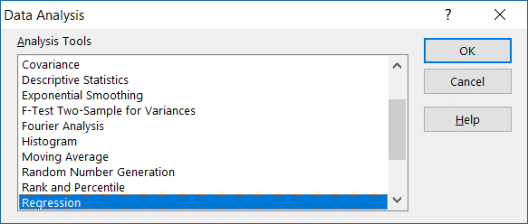
Regression Statistics
Multiple R | 0.70297519868
R Square | 0.49417412997
Adjusted R Square | 0.48363609101
Standard Error | 0.43800114069
Observations | 50

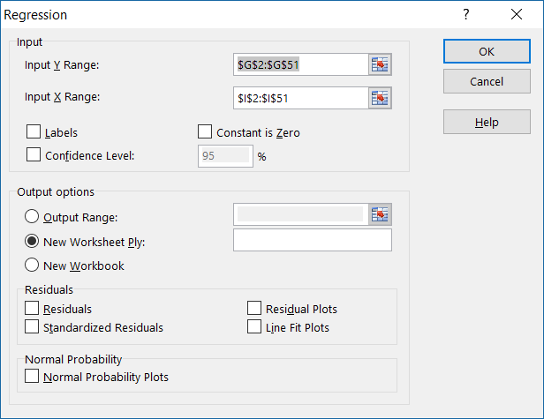
ANOVA
 | df | SS | MS | F | Significance F
Regression | 1 | 8.996440036 | 8.996440036 | 46.894316095 | 1.2579116393E-08
Residual | 48 | 9.208559964 | 0.19184499925
Total | 49 | 18.205

 | Coefficients | Standard Error | t Stat | P-value | Lower 95% | Upper 95% | Lower 95.0% | Upper 95.0%
Intercept | 0.31361625936 | 0.13955706758 | 2.2472259185 | 0.029258994703 | 0.03301796862 | 0.5942145501 | 0.03301796862 | 0.5942145501
X Variable 1 | 0.11607261326 | 0.016949998301 | 6.8479424716 | 1.2579116393E-08 | 0.081992357535 | 0.15015286899 | 0.081992357535 | 0.15015286899

Standardize
Illit | Illit.Avg | Illit.SD | Illit.Std-Formula | Illit.Std-Manually
0.6 | 1.17 | 0.57711928288 | -0.987664105 | -0.3
2.4 |  |  | 2.1312751739 | 0.64736842105
0.8 |  |  | -0.64111529623 | -0.19473684211
0.6 |  |  | -0.987664105 | -0.3
0.6 |  |  | -0.987664105 | -0.3
0.5 |  |  | -1.1609385094 | -0.35263157895
0.7 |  |  | -0.81438970061 | -0.24736842105
1.1 |  |  | -0.12129208307 | -0.036842105263
2.2 |  |  | 1.7847263652 | 0.54210526316
1.4 |  |  | 0.39853113009 | 0.12105263158
1.8 |  |  | 1.0916287476 | 0.33157894737
0.8 |  |  | -0.64111529623 | -0.19473684211
0.8 |  |  | -0.64111529623 | -0.19473684211
1.1 |  |  | -0.12129208307 | -0.036842105263
0.6 |  |  | -0.987664105 | -0.3
1 |  |  | -0.29456648746 | -0.089473684211
1.3 |  |  | 0.2252567257 | 0.068421052632
2.3 |  |  | 1.9580007696 | 0.59473684211
0.5 |  |  | -1.1609385094 | -0.35263157895
1.7 |  |  | 0.91835434325 | 0.27894736842
2.2 |  |  | 1.7847263652 | 0.54210526316
0.6 |  |  | -0.987664105 | -0.3
0.6 |  |  | -0.987664105 | -0.3
1.4 |  |  | 0.39853113009 | 0.12105263158
0.6 |  |  | -0.987664105 | -0.3
1.4 |  |  | 0.39853113009 | 0.12105263158
0.7 |  |  | -0.81438970061 | -0.24736842105
0.6 |  |  | -0.987664105 | -0.3

