使用说明
准备工作（首次使用需要）：

步骤1：
安装EXCEL 2007，本工具不支持EXCEL2003

步骤2：
打开《Case管理工具》，在Excel页面点击左上角按钮

步骤3：
进入“Excel选项”→“信任中心”→“信任中心设置”→“宏设置”→“启用所有宏”

步骤4：
重新打开《Case管理工具》

场景一、将TestLink上的Case导入Excel表格

步骤1：
打开TestLink导出xml格式的Case
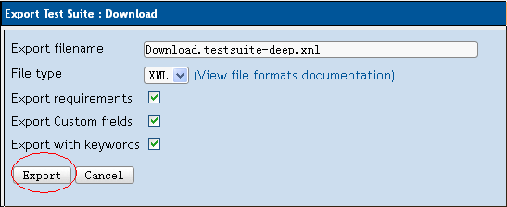

步骤2：
打开《Case管理工具》，进入Excel表格“加载项”→“Case处理工具箱”→“导入Xml格式Case”
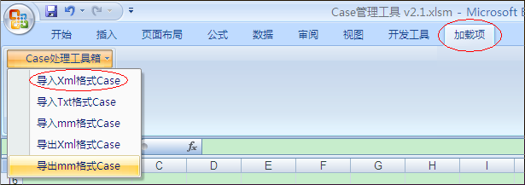

步骤3：
选择步骤1导出的Xml文件

场景二、将Excel表格上的Case导入Xmind

步骤1：
打开《Case管理工具》，进入Excel表格“加载项”→“Case处理工具箱”→“导出mm格式Case”
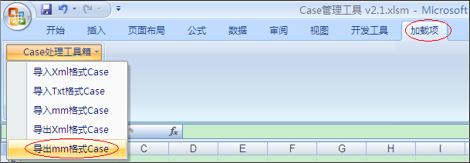

步骤2：
打开Xmind，进入“文件”→“导入”→“FreeMind 0.8/0.9”，点击“下一步”
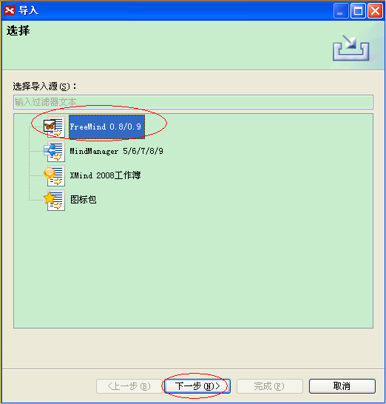

步骤3：
选择步骤1导出的mm格式文件

场景三、将Xmind上的Case导入Excel表格

步骤1：
打开Xmind，进入“文件”→“导出”→“FreeMind”，点击“下一步”，导出mm格式文件
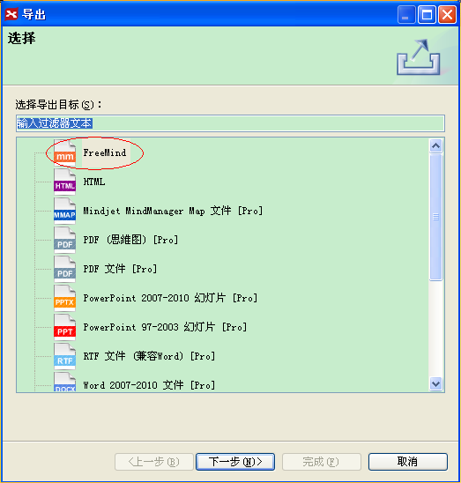

步骤2：
打开《Case管理工具》，进入Excel表格“加载项”→“Case处理工具箱”→“导入mm格式Case”
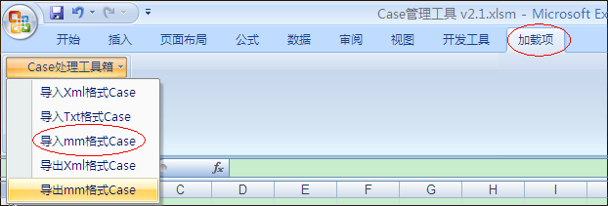

步骤3：
选择步骤1导出的mm格式文件

场景四、将Excel表格上的Case导入Testlink

步骤1：
打开《Case管理工具》，进入Excel表格“加载项”→“Case处理工具箱”→“导出Xml格式Case”
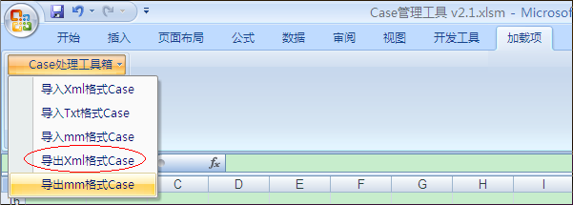

步骤2：
打开TestLink，进入“Test Specification”选择要导入Case的目录，点击“Import”按钮
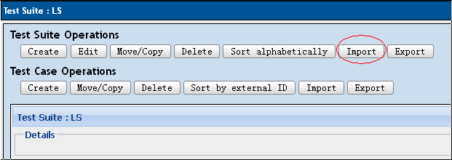

步骤3：
选择步骤1导出的Xml格式文件

