Cover
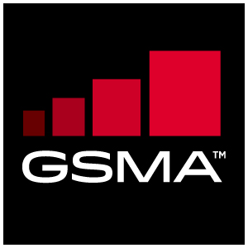

Battery Life Measurement and Current Consumption Technique Appendix B: Individual Test Scenarios and Settings
Version 10.0
12-Jun-17

This is a non-binding technical permanent reference document of the GSM Association.

Security Classification – NON-CONFIDENTIAL GSMA Material

Copyright Notice
Copyright © 2017 GSM Association.

Antitrust Notice
The information contain herein is in full compliance with the GSM Association's antitrust compliance policy.

