Exhibit 1
This file presents the data underlying the exhibits in CBO's June 2019 report Federal Investment, 1962 to 2018.
www.cbo.gov/publication/55375

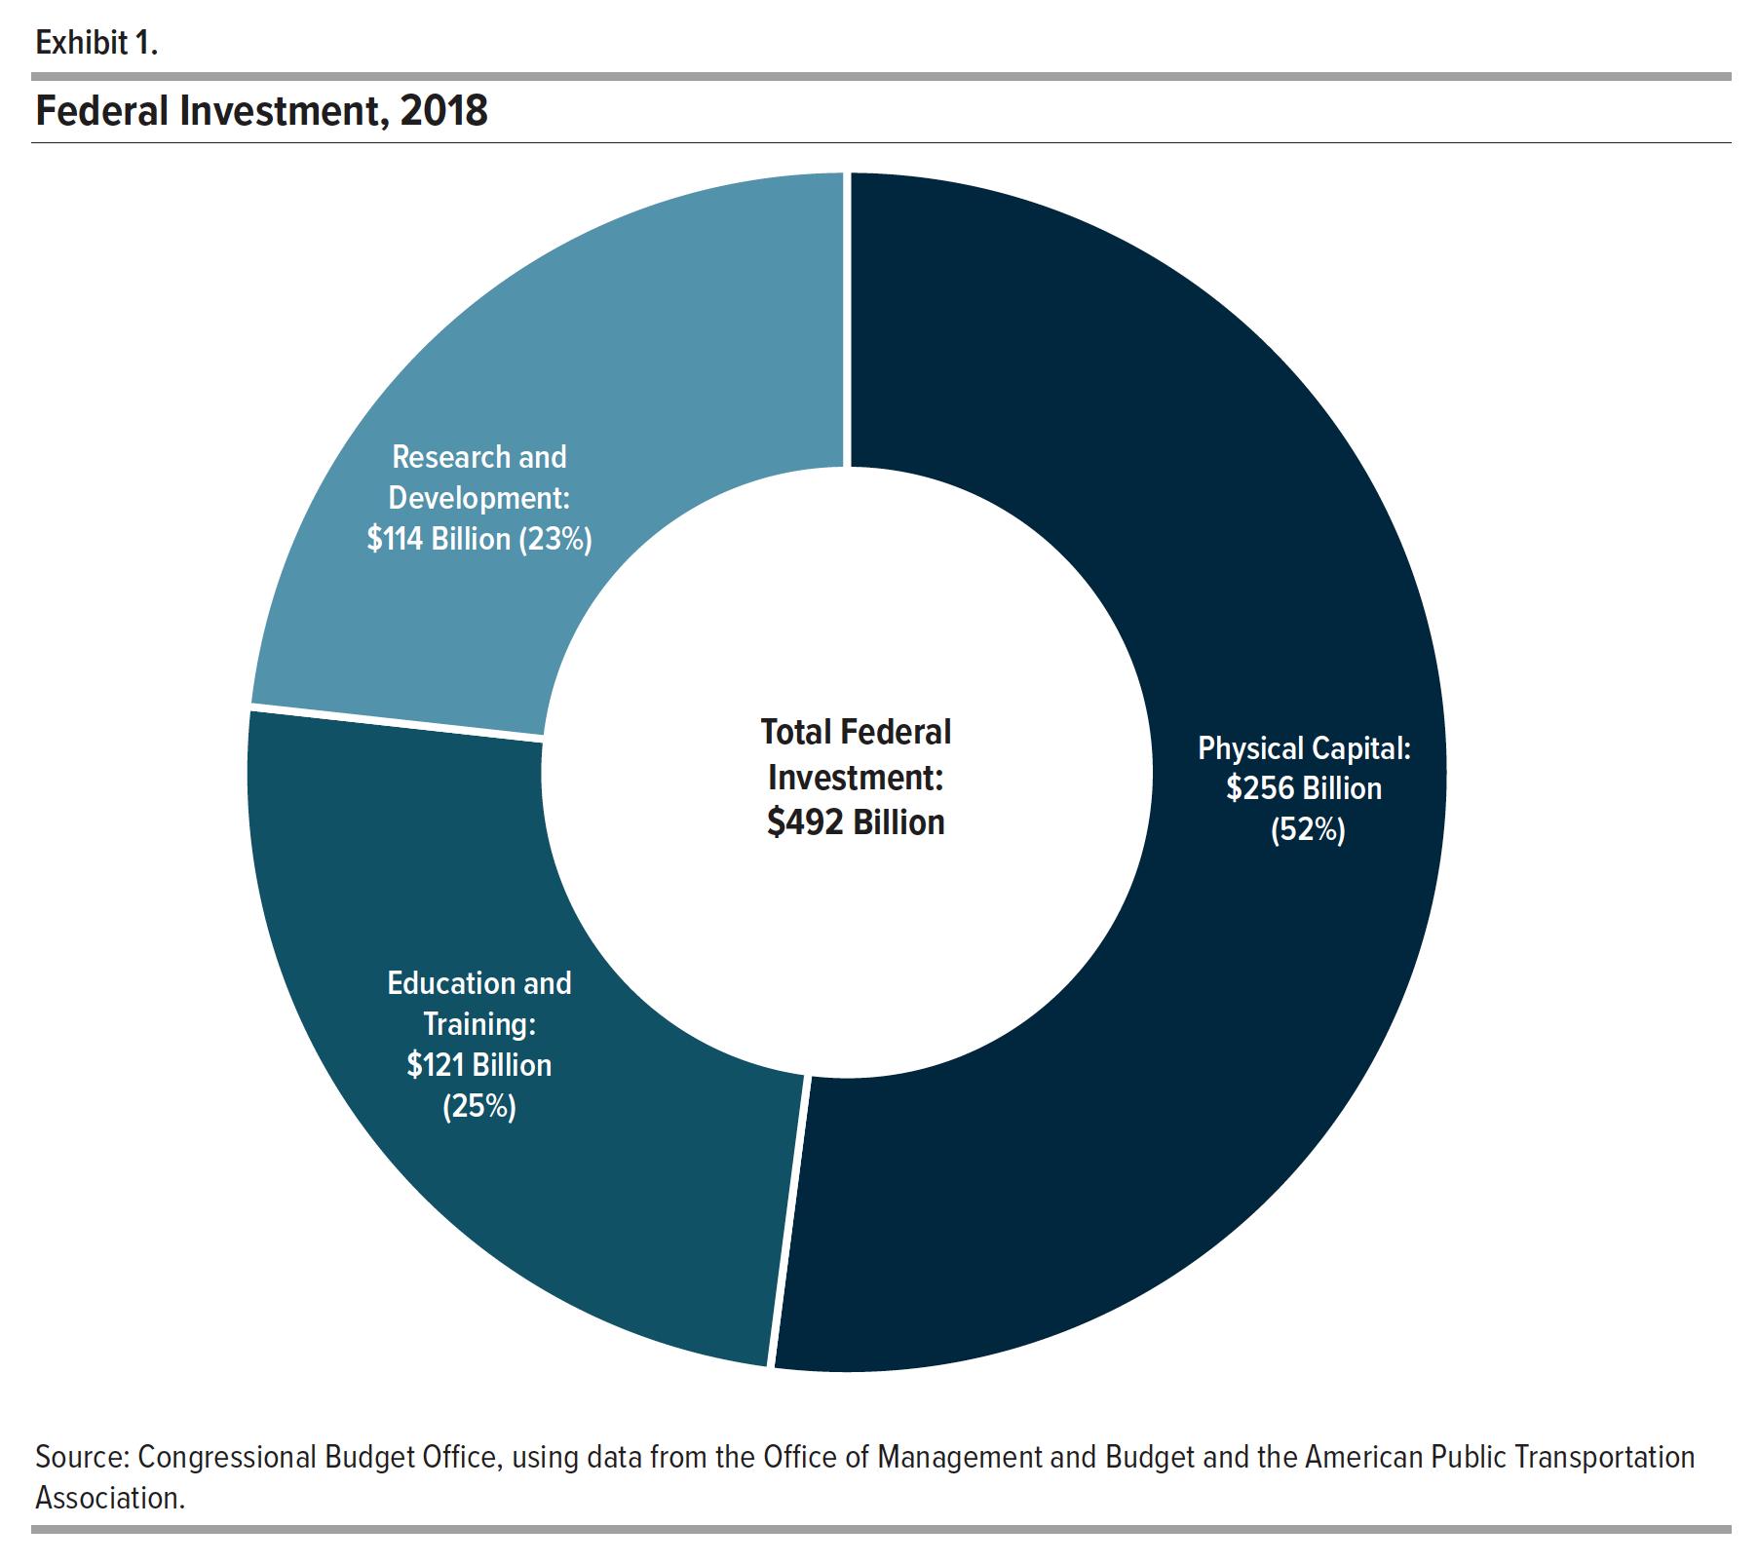
Exhibit 1. Federal Investment, 2018

 | Billions of Dollars | Share of Investment
Physical Capital | 255.864 | 52.038
Education and Training | 121.487 | 23.254
Research and Development | 114.339 | 24.708
Total | 491.690 | 100.000

Back to Table of Contents

Exhibit 2
This file presents the data underlying the exhibits in CBO's June 2019 report Federal Investment, 1962 to 2018.
www.cbo.gov/publication/55375

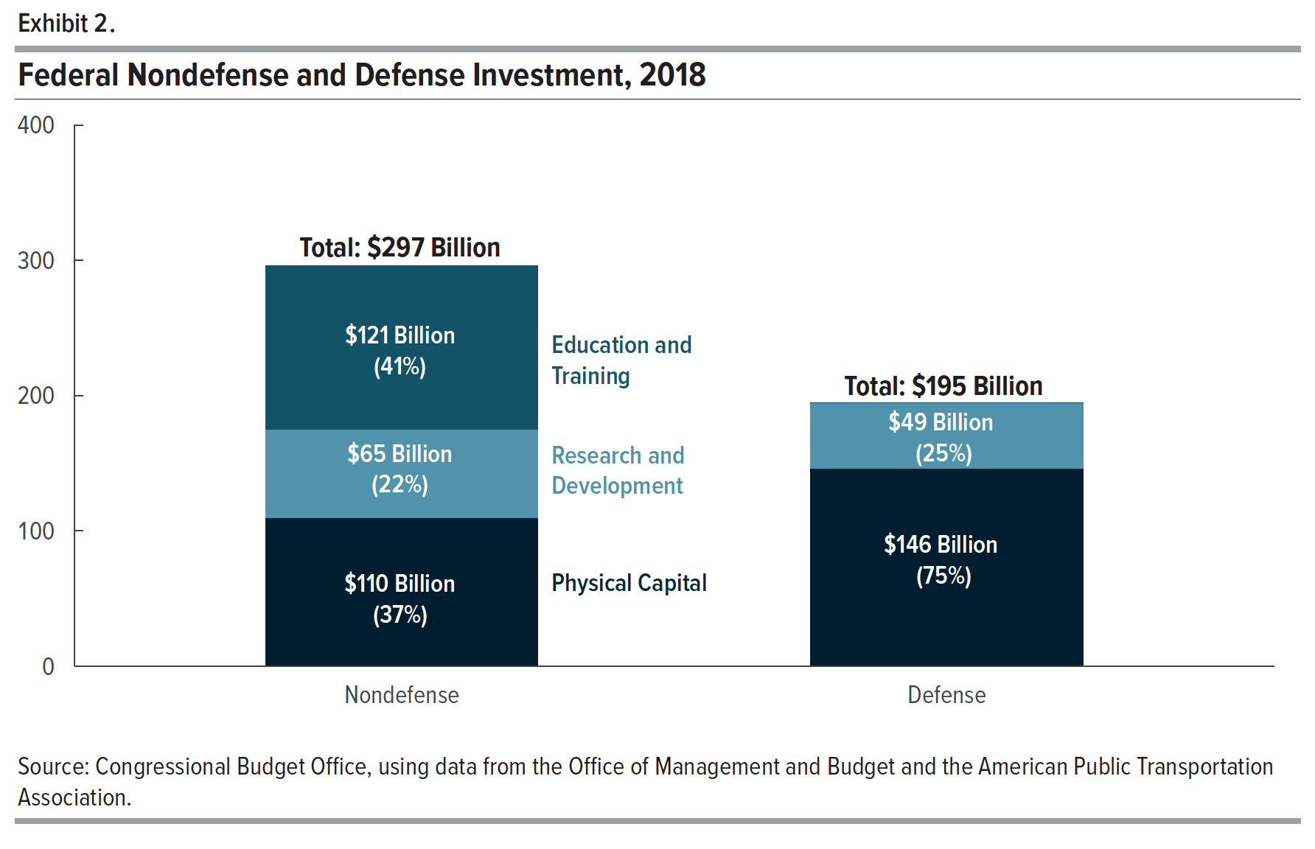
Exhibit 2. Federal Nondefense and Defense Investment, 2018

 | Nondefense Investment |  | Defense Investment
 | Billions of Dollars | Share of Investment | Billions of Dollars | Share of Investment
Physical Capital | 109.888 | 37.053 | 145.976 | 74.813
Research and Development | 65.195 | 21.983 | 49.144 | 25.187
Education and Training | 121.487 | 40.964 | 0.000 | 0.000
Total | 296.570 | 100.000 | 195.120 | 100.000

Back to Table of Contents

Exhibit 3
This file presents the data underlying the exhibits in CBO's June 2019 report Federal Investment, 1962 to 2018.
www.cbo.gov/publication/55375

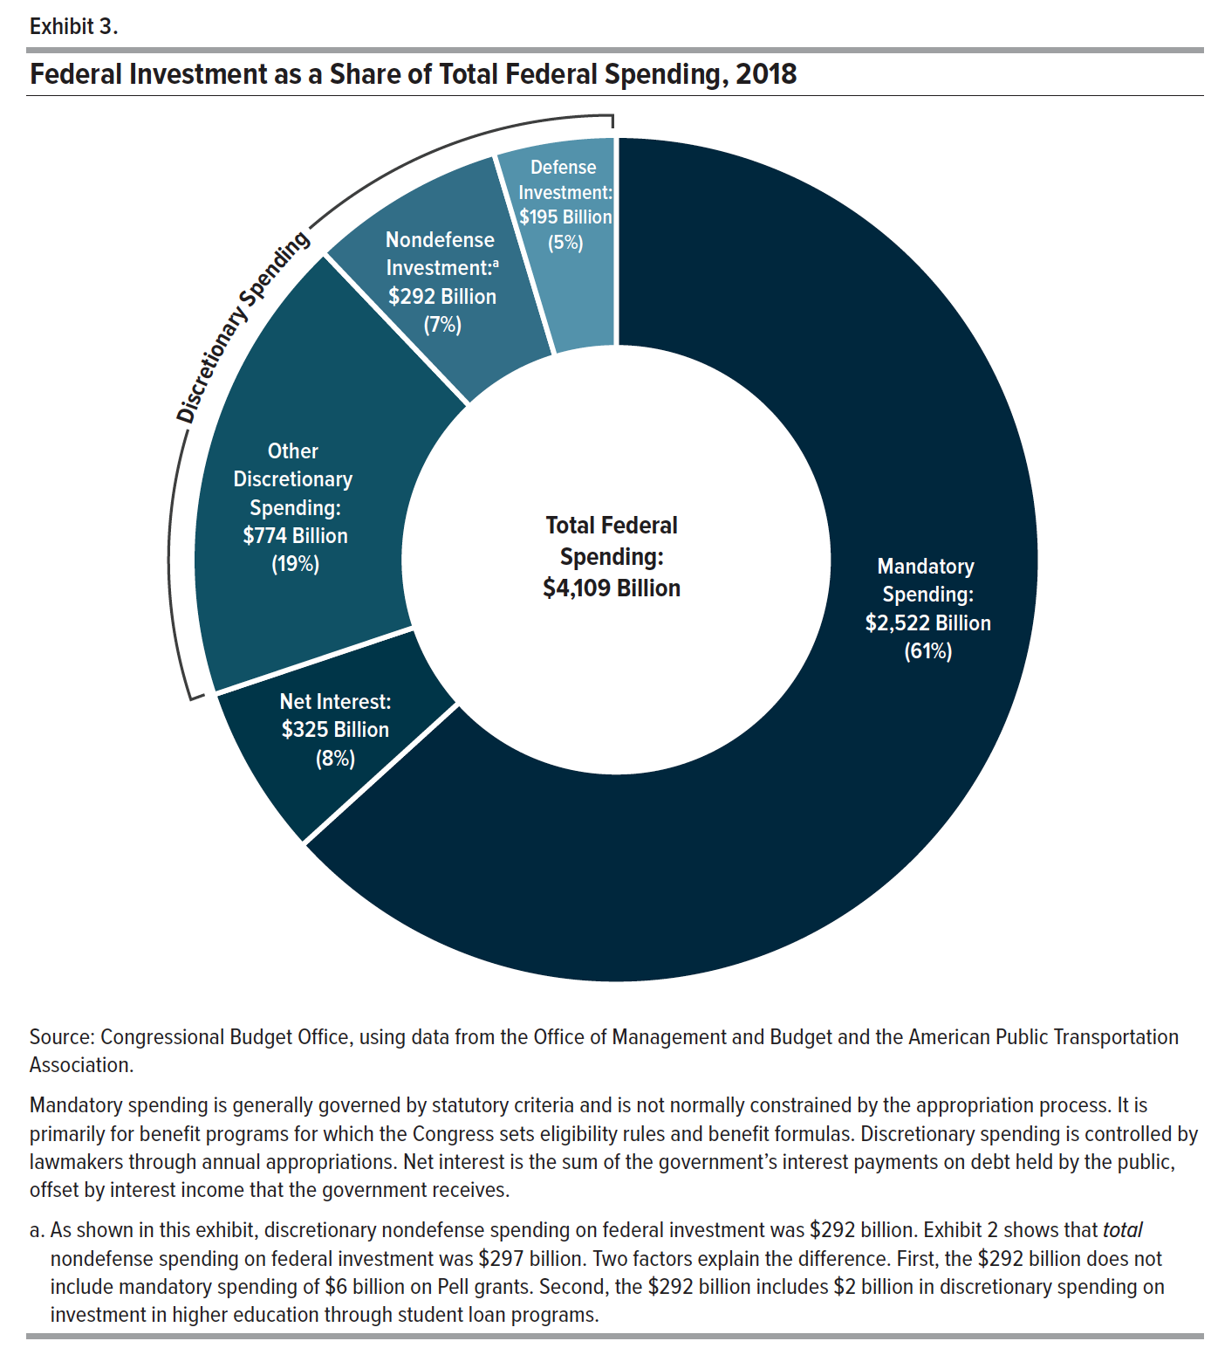
Exhibit 3. Federal Investment as a Share of Total Federal Spending, 2018

 | Billions of Dollars | Share of Total Federal Spending
Mandatory Spending | 2,522.458 | 61.388
Discretionary Spending
Defense Investment | 195.121 | 4.749
Nondefense Investment | 292.399 | 7.116
Other Discretionary Spending | 774.080 | 18.839
Net Interest | 324.975 | 7.909
Total | 4,109.033 | 100.000

Back to Table of Contents

Exhibit 4
This file presents the data underlying the exhibits in CBO's June 2019 report Federal Investment, 1962 to 2018.
www.cbo.gov/publication/55375

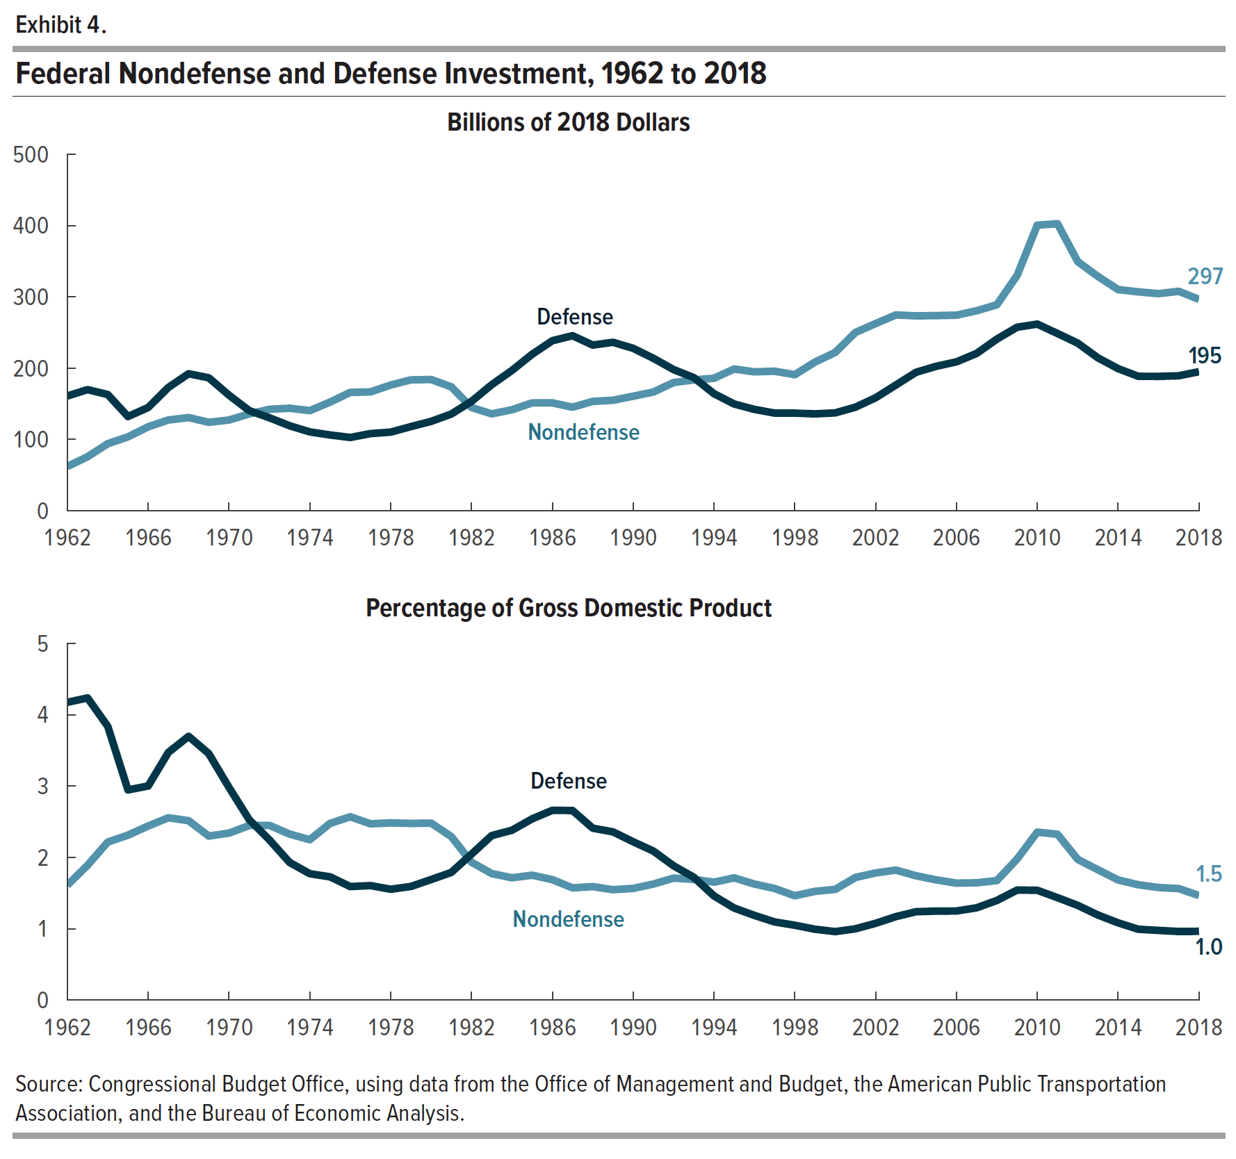
Exhibit 4. Federal Nondefense and Defense Investment, 1962 to 2018

 | Billions of 2018 Dollars |  | Percentage of Gross Domestic Product
 | Nondefense | Defense | Nondefense | Defense
1962 | 62.128 | 161.019 | 1.611 | 4.176
1963 | 75.830 | 169.975 | 1.890 | 4.237
1964 | 94.114 | 163.028 | 2.216 | 3.839
1965 | 103.724 | 132.186 | 2.313 | 2.947
1966 | 117.805 | 144.885 | 2.441 | 3.002
1967 | 127.349 | 173.020 | 2.557 | 3.474
1968 | 130.742 | 192.246 | 2.516 | 3.699
1969 | 124.131 | 186.542 | 2.300 | 3.456
1970 | 127.316 | 162.100 | 2.342 | 2.982
1971 | 135.964 | 140.513 | 2.448 | 2.530
1972 | 142.310 | 130.498 | 2.450 | 2.246
1973 | 143.868 | 119.267 | 2.328 | 1.930
1974 | 140.447 | 110.627 | 2.249 | 1.772
1975 | 152.461 | 106.373 | 2.477 | 1.728
1976 | 166.060 | 102.799 | 2.571 | 1.591
1977 | 166.775 | 108.308 | 2.472 | 1.605
1978 | 176.381 | 110.307 | 2.485 | 1.554
1979 | 183.657 | 118.085 | 2.478 | 1.593
1980 | 184.093 | 125.381 | 2.481 | 1.690
1981 | 173.867 | 135.708 | 2.293 | 1.790
1982 | 144.890 | 153.417 | 1.933 | 2.046
1983 | 135.976 | 176.825 | 1.774 | 2.307
1984 | 141.710 | 196.844 | 1.715 | 2.382
1985 | 151.292 | 219.529 | 1.751 | 2.541
1986 | 151.436 | 238.536 | 1.689 | 2.661
1987 | 145.303 | 245.567 | 1.573 | 2.659
1988 | 153.438 | 232.434 | 1.591 | 2.410
1989 | 155.058 | 236.355 | 1.548 | 2.359
1990 | 160.731 | 227.877 | 1.566 | 2.220
1991 | 166.570 | 213.907 | 1.627 | 2.090
1992 | 179.884 | 198.066 | 1.710 | 1.883
1993 | 183.594 | 186.796 | 1.692 | 1.721
1994 | 185.895 | 164.282 | 1.653 | 1.460
1995 | 198.852 | 149.764 | 1.714 | 1.291
1996 | 194.888 | 142.227 | 1.627 | 1.187
1997 | 195.738 | 137.039 | 1.565 | 1.096
1998 | 190.941 | 136.974 | 1.463 | 1.049
1999 | 208.643 | 135.916 | 1.525 | 0.993
2000 | 222.102 | 137.344 | 1.552 | 0.960
2001 | 250.121 | 145.341 | 1.720 | 0.999
2002 | 262.577 | 158.557 | 1.782 | 1.076
2003 | 274.697 | 176.344 | 1.823 | 1.170
2004 | 273.407 | 194.285 | 1.743 | 1.239
2005 | 273.776 | 202.670 | 1.685 | 1.248
2006 | 274.366 | 208.887 | 1.640 | 1.249
2007 | 280.584 | 220.766 | 1.644 | 1.294
2008 | 288.975 | 240.854 | 1.676 | 1.397
2009 | 330.072 | 257.472 | 1.978 | 1.543
2010 | 400.641 | 261.859 | 2.355 | 1.539
2011 | 402.608 | 248.678 | 2.325 | 1.436
2012 | 349.592 | 235.189 | 1.974 | 1.328
2013 | 328.695 | 214.499 | 1.828 | 1.193
2014 | 310.234 | 199.398 | 1.684 | 1.083
2015 | 307.066 | 188.598 | 1.617 | 0.993
2016 | 304.574 | 188.516 | 1.578 | 0.977
2017 | 307.844 | 189.364 | 1.563 | 0.962
2018 | 296.569 | 195.121 | 1.466 | 0.964

Back to Table of Contents

Exhibit 5
This file presents the data underlying the exhibits in CBO's June 2019 report Federal Investment, 1962 to 2018.
www.cbo.gov/publication/55375

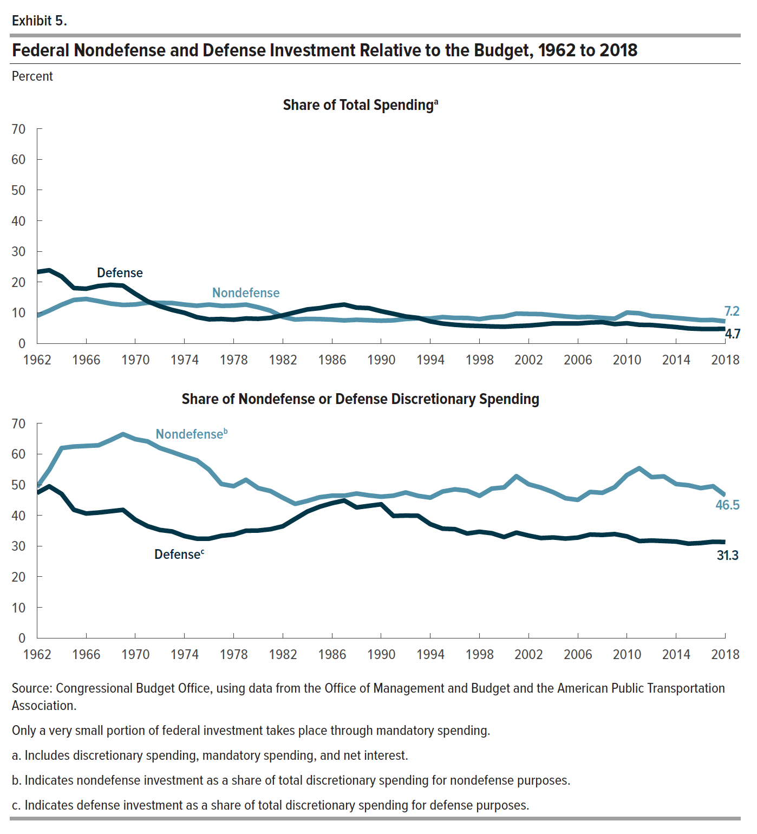
Exhibit 5. Federal Nondefense and Defense Investment Relative to the Budget, 1962 to 2018

 | Share of Total Spending |  | Share of Nondefense or Defense Discretionary Spending
 | Nondefense | Defense | Nondefense | Defense
1962 | 8.985 | 23.287 | 49.251 | 47.321
1963 | 10.650 | 23.865 | 54.880 | 49.480
1964 | 12.597 | 21.820 | 61.938 | 47.013
1965 | 14.159 | 18.045 | 62.444 | 41.818
1966 | 14.486 | 17.815 | 62.640 | 40.608
1967 | 13.768 | 18.705 | 62.841 | 40.910
1968 | 12.973 | 19.076 | 64.573 | 41.353
1969 | 12.528 | 18.826 | 66.476 | 41.796
1970 | 12.694 | 16.162 | 64.853 | 38.567
1971 | 13.273 | 13.717 | 64.115 | 36.485
1972 | 13.217 | 12.120 | 61.962 | 35.252
1973 | 13.154 | 10.905 | 60.639 | 34.752
1974 | 12.655 | 9.968 | 59.239 | 33.247
1975 | 12.266 | 8.558 | 57.944 | 32.407
1976 | 12.664 | 7.839 | 54.900 | 32.398
1977 | 12.237 | 7.947 | 50.243 | 33.332
1978 | 12.335 | 7.714 | 49.509 | 33.774
1979 | 12.648 | 8.132 | 51.600 | 34.995
1980 | 11.773 | 8.018 | 48.892 | 35.056
1981 | 10.659 | 8.320 | 47.930 | 35.493
1982 | 8.629 | 9.137 | 45.740 | 36.454
1983 | 7.785 | 10.123 | 43.741 | 38.860
1984 | 7.979 | 11.084 | 44.722 | 41.251
1985 | 7.923 | 11.497 | 45.913 | 42.827
1986 | 7.746 | 12.201 | 46.420 | 43.984
1987 | 7.489 | 12.656 | 46.410 | 44.851
1988 | 7.702 | 11.667 | 47.125 | 42.578
1989 | 7.542 | 11.496 | 46.517 | 43.103
1990 | 7.398 | 10.488 | 46.094 | 43.624
1991 | 7.514 | 9.649 | 46.416 | 39.825
1992 | 7.962 | 8.767 | 47.467 | 39.933
1993 | 8.165 | 8.308 | 46.355 | 39.876
1994 | 8.113 | 7.169 | 45.776 | 37.142
1995 | 8.582 | 6.464 | 47.776 | 35.666
1996 | 8.313 | 6.067 | 48.490 | 35.507
1997 | 8.280 | 5.797 | 48.019 | 34.089
1998 | 7.919 | 5.681 | 46.367 | 34.665
1999 | 8.496 | 5.534 | 48.735 | 34.179
2000 | 8.777 | 5.428 | 49.123 | 32.931
2001 | 9.706 | 5.640 | 52.778 | 34.377
2002 | 9.614 | 5.805 | 50.149 | 33.406
2003 | 9.551 | 6.132 | 49.049 | 32.612
2004 | 9.175 | 6.520 | 47.548 | 32.805
2005 | 8.800 | 6.515 | 45.591 | 32.441
2006 | 8.533 | 6.496 | 45.049 | 32.760
2007 | 8.633 | 6.793 | 47.642 | 33.748
2008 | 8.293 | 6.912 | 47.352 | 33.618
2009 | 8.046 | 6.277 | 49.208 | 33.904
2010 | 10.049 | 6.568 | 53.155 | 33.156
2011 | 9.815 | 6.062 | 55.377 | 31.632
2012 | 8.907 | 5.993 | 52.447 | 31.797
2013 | 8.680 | 5.664 | 52.717 | 31.643
2014 | 8.279 | 5.321 | 50.215 | 31.457
2015 | 7.950 | 4.883 | 49.813 | 30.779
2016 | 7.604 | 4.707 | 48.886 | 30.987
2017 | 7.638 | 4.698 | 49.509 | 31.400
2018 | 7.198 | 4.736 | 46.534 | 31.335

Back to Table of Contents

Exhibit 6
This file presents the data underlying the exhibits in CBO's June 2019 report Federal Investment, 1962 to 2018.
www.cbo.gov/publication/55375

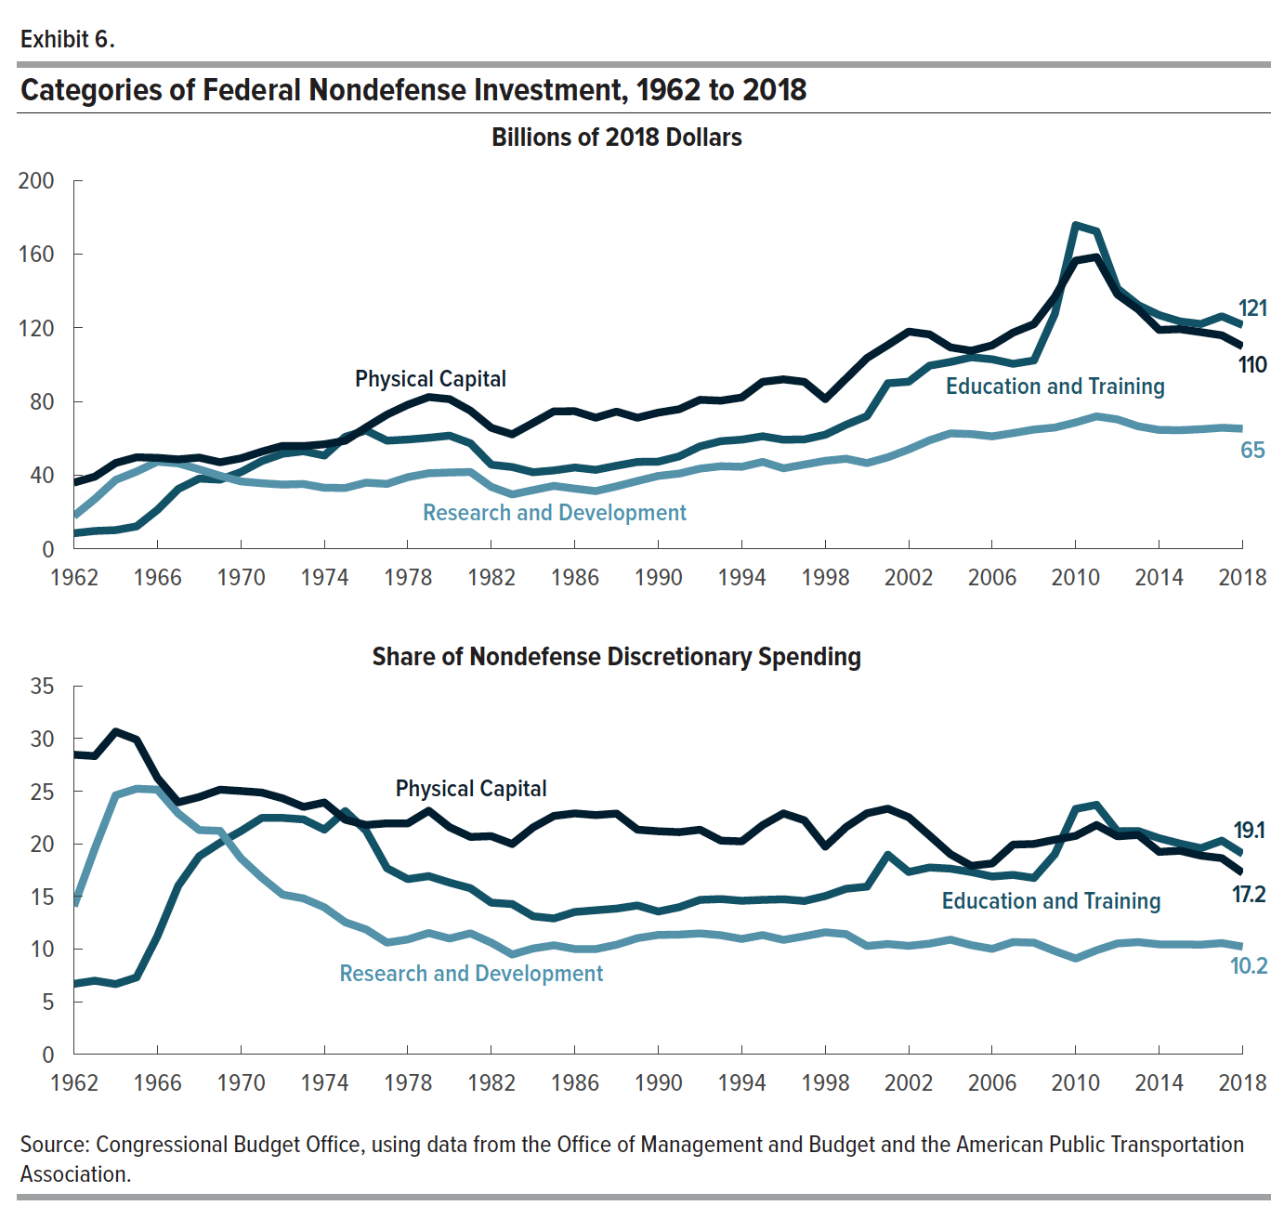
Exhibit 6. Categories of Federal Nondefense Investment, 1962 to 2018

 | Billions of 2018 Dollars |  |  | Share of Nondefense Discretionary Investment
 | Physical Capital | Education and Training | Research and Development | Physical Capital | Education and Training | Research and Development
1962 | 35.909 | 8.448 | 17.770 | 28.467 | 6.697 | 14.087
1963 | 39.156 | 9.666 | 27.002 | 28.338 | 6.995 | 19.542
1964 | 46.587 | 10.138 | 37.395 | 30.660 | 6.672 | 24.610
1965 | 49.665 | 12.142 | 41.917 | 29.899 | 7.310 | 25.235
1966 | 49.381 | 21.123 | 47.295 | 26.257 | 11.232 | 25.148
1967 | 48.520 | 32.460 | 46.370 | 23.942 | 16.017 | 22.881
1968 | 49.498 | 38.097 | 43.141 | 24.447 | 18.816 | 21.307
1969 | 46.958 | 37.523 | 39.645 | 25.147 | 20.095 | 21.231
1970 | 49.114 | 41.645 | 36.557 | 25.018 | 21.213 | 18.621
1971 | 52.743 | 47.629 | 35.593 | 24.871 | 22.460 | 16.784
1972 | 55.859 | 51.594 | 34.852 | 24.321 | 22.464 | 15.175
1973 | 55.765 | 52.960 | 35.147 | 23.505 | 22.322 | 14.814
1974 | 56.720 | 50.626 | 33.102 | 23.923 | 21.353 | 13.962
1975 | 58.645 | 60.805 | 33.015 | 22.289 | 23.109 | 12.548
1976 | 65.913 | 64.259 | 35.891 | 21.791 | 21.244 | 11.866
1977 | 72.849 | 58.700 | 35.223 | 21.947 | 17.684 | 10.611
1978 | 78.187 | 59.307 | 38.889 | 21.947 | 16.647 | 10.916
1979 | 82.377 | 60.265 | 41.012 | 23.144 | 16.932 | 11.523
1980 | 81.232 | 61.427 | 41.432 | 21.574 | 16.314 | 11.004
1981 | 74.943 | 57.245 | 41.698 | 20.660 | 15.781 | 11.495
1982 | 65.664 | 45.638 | 33.600 | 20.729 | 14.408 | 10.607
1983 | 62.119 | 44.379 | 29.487 | 19.983 | 14.276 | 9.485
1984 | 68.315 | 41.561 | 31.856 | 21.559 | 13.116 | 10.054
1985 | 74.642 | 42.544 | 34.138 | 22.652 | 12.911 | 10.360
1986 | 74.682 | 44.125 | 32.652 | 22.893 | 13.526 | 10.009
1987 | 71.168 | 42.859 | 31.307 | 22.731 | 13.689 | 9.999
1988 | 74.479 | 45.087 | 33.907 | 22.875 | 13.848 | 10.414
1989 | 71.150 | 47.141 | 36.786 | 21.345 | 14.142 | 11.036
1990 | 73.910 | 47.315 | 39.555 | 21.196 | 13.569 | 11.343
1991 | 75.753 | 50.167 | 40.819 | 21.109 | 13.979 | 11.375
1992 | 80.881 | 55.608 | 43.532 | 21.343 | 14.674 | 11.487
1993 | 80.414 | 58.430 | 44.814 | 20.304 | 14.753 | 11.315
1994 | 82.159 | 59.248 | 44.508 | 20.231 | 14.590 | 10.960
1995 | 90.620 | 61.084 | 47.167 | 21.772 | 14.676 | 11.332
1996 | 91.994 | 59.204 | 43.703 | 22.889 | 14.731 | 10.874
1997 | 90.630 | 59.388 | 45.730 | 22.234 | 14.569 | 11.219
1998 | 81.276 | 61.930 | 47.747 | 19.737 | 15.039 | 11.595
1999 | 92.433 | 67.345 | 48.875 | 21.590 | 15.730 | 11.416
2000 | 103.558 | 72.031 | 46.525 | 22.904 | 15.931 | 10.290
2001 | 110.617 | 89.855 | 49.660 | 23.341 | 18.960 | 10.479
2002 | 117.918 | 90.715 | 53.954 | 22.521 | 17.325 | 10.305
2003 | 116.375 | 99.423 | 58.911 | 20.780 | 17.753 | 10.519
2004 | 109.341 | 101.434 | 62.647 | 19.015 | 17.640 | 10.895
2005 | 107.530 | 103.990 | 62.270 | 17.907 | 17.317 | 10.370
2006 | 110.469 | 102.887 | 61.018 | 18.138 | 16.893 | 10.019
2007 | 117.360 | 100.411 | 62.815 | 19.927 | 17.049 | 10.666
2008 | 121.981 | 102.256 | 64.738 | 19.988 | 16.756 | 10.608
2009 | 136.746 | 127.536 | 65.812 | 20.386 | 19.013 | 9.811
2010 | 156.440 | 175.725 | 68.598 | 20.756 | 23.314 | 9.101
2011 | 158.390 | 172.336 | 71.883 | 21.786 | 23.704 | 9.887
2012 | 138.083 | 141.289 | 70.220 | 20.716 | 21.197 | 10.535
2013 | 129.964 | 132.259 | 66.472 | 20.844 | 21.212 | 10.661
2014 | 118.840 | 126.859 | 64.534 | 19.236 | 20.533 | 10.446
2015 | 119.245 | 123.429 | 64.393 | 19.344 | 20.023 | 10.446
2016 | 117.622 | 122.041 | 64.911 | 18.879 | 19.588 | 10.419
2017 | 115.917 | 126.223 | 65.705 | 18.642 | 20.300 | 10.567
2018 | 109.888 | 121.487 | 65.195 | 17.242 | 19.062 | 10.230

Back to Table of Contents

Exhibit 7
This file presents the data underlying the exhibits in CBO's June 2019 report Federal Investment, 1962 to 2018.
www.cbo.gov/publication/55375

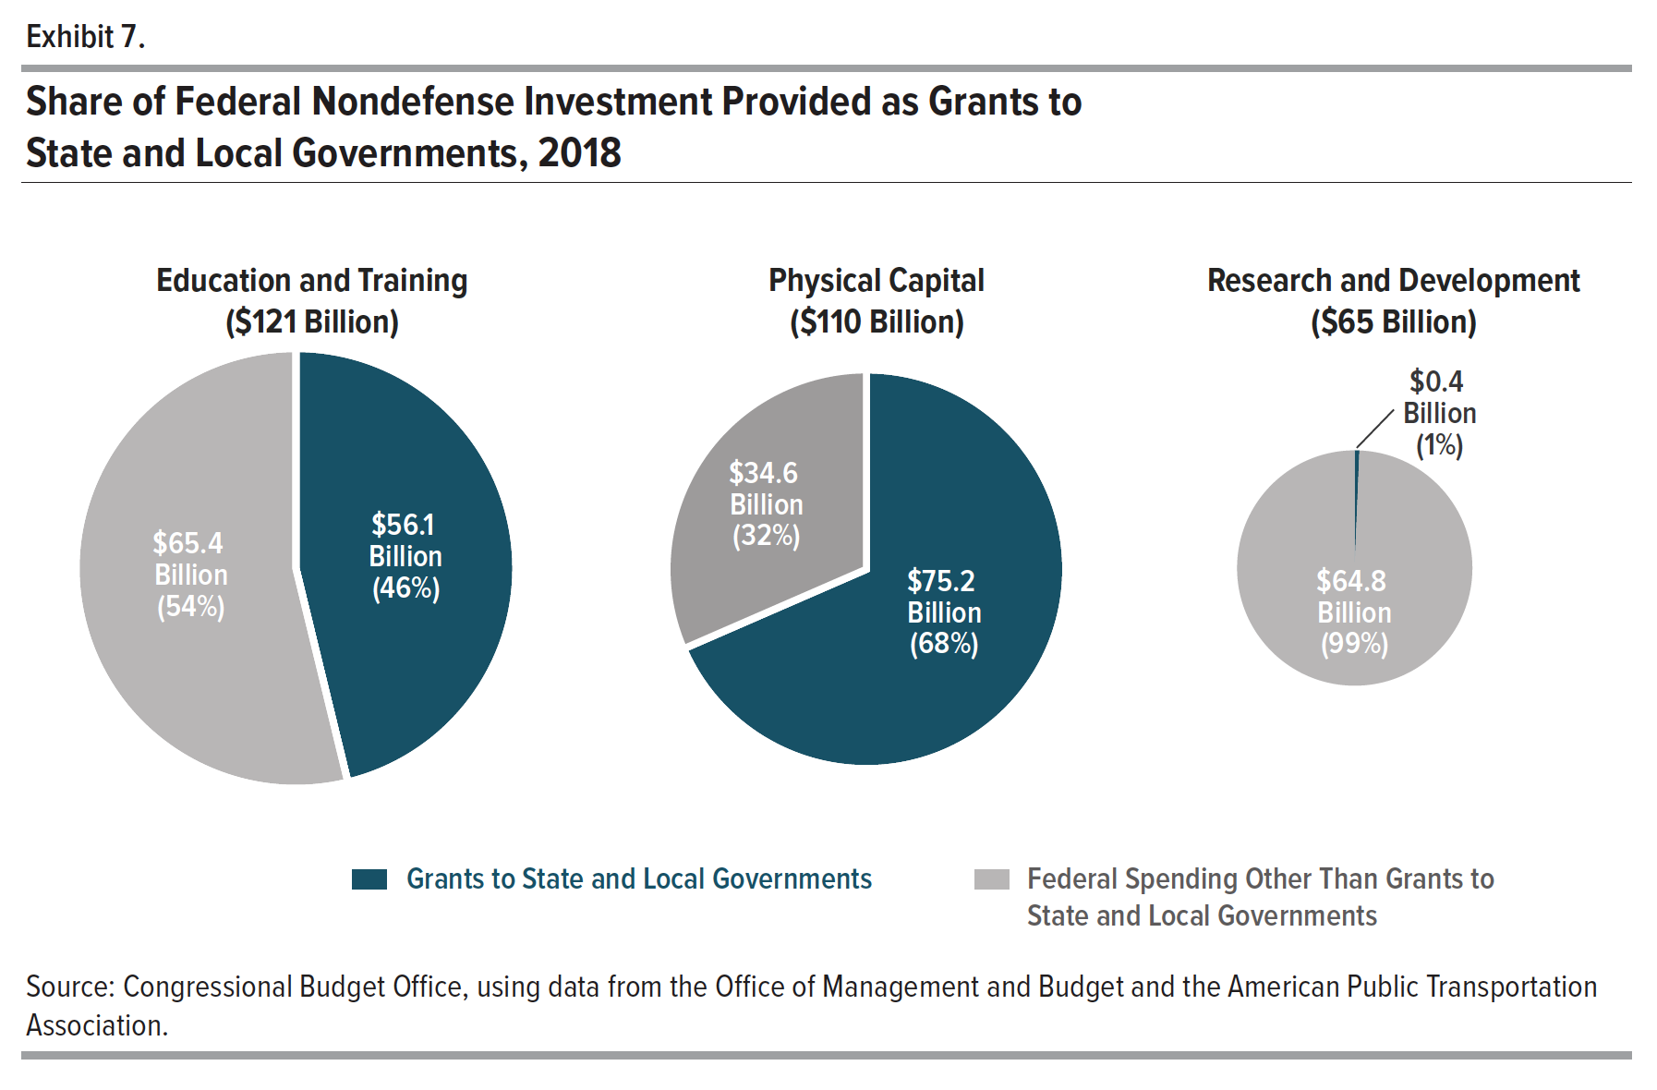
Exhibit 7. Share of Federal Nondefense Investment Provided as Grants to State and Local Governments, 2018

 | Education and Training |  | Physical Capital |  | Research and Development
 | Billions of Dollars | Share of Total Spending | Billions of Dollars | Share of Total Spending | Billions of Dollars | Share of Total Spending
Grants to State and Local Government | 56.134 | 46.206 | 75.241 | 68.470 | 0.423 | 0.649
Other Federal Spending | 65.353 | 53.794 | 34.647 | 31.530 | 64.772 | 99.351
Total | 121.487 | 100.000 | 109.888 | 100.000 | 65.195 | 100.000

Back to Table of Contents

Exhibit 8
This file presents the data underlying the exhibits in CBO's June 2019 report Federal Investment, 1962 to 2018.
www.cbo.gov/publication/55375

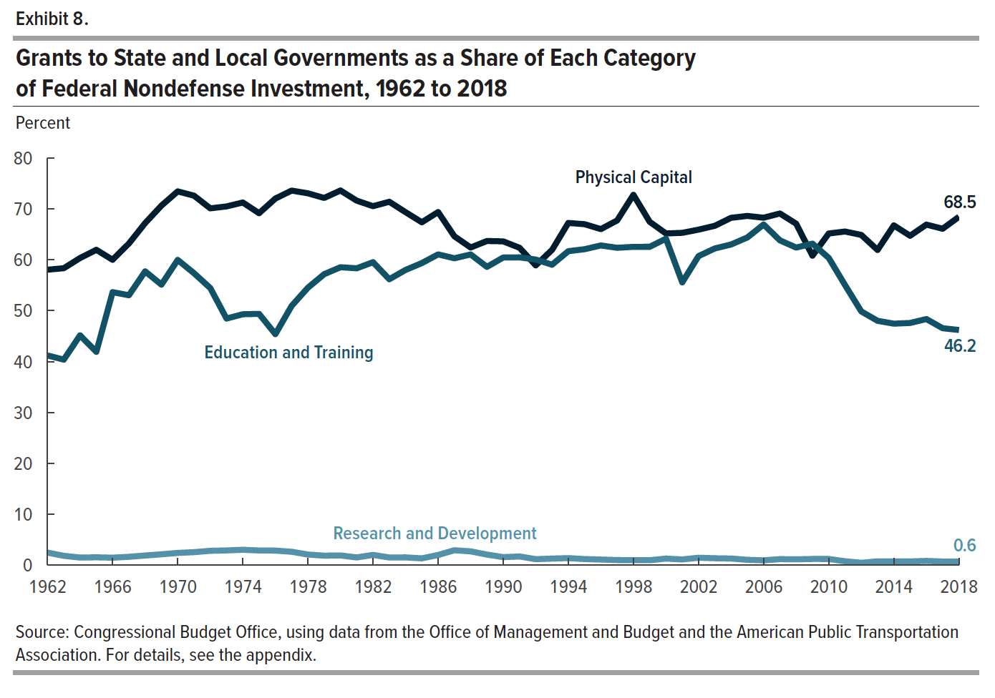
Exhibit 8. Grants to State and Local Governments as a Share of Each Category of Federal Nondefense Investment, 1962 to 2018
Percent

 | Physical Capital | Education and Training | Research and Development
1962 | 58.062 | 41.194 | 2.403
1963 | 58.356 | 40.371 | 1.777
1964 | 60.360 | 45.149 | 1.433
1965 | 61.974 | 41.909 | 1.479
1966 | 60.017 | 53.650 | 1.406
1967 | 63.208 | 53.040 | 1.583
1968 | 67.242 | 57.734 | 1.835
1969 | 70.670 | 55.130 | 2.069
1970 | 73.471 | 59.990 | 2.342
1971 | 72.631 | 57.380 | 2.493
1972 | 70.140 | 54.459 | 2.759
1973 | 70.514 | 48.455 | 2.837
1974 | 71.285 | 49.299 | 2.965
1975 | 69.181 | 49.372 | 2.823
1976 | 72.064 | 45.390 | 2.803
1977 | 73.631 | 50.944 | 2.574
1978 | 73.096 | 54.522 | 2.023
1979 | 72.182 | 57.186 | 1.803
1980 | 73.647 | 58.550 | 1.847
1981 | 71.649 | 58.342 | 1.457
1982 | 70.559 | 59.542 | 1.953
1983 | 71.429 | 56.190 | 1.448
1984 | 69.382 | 58.018 | 1.465
1985 | 67.394 | 59.363 | 1.276
1986 | 69.409 | 61.080 | 1.935
1987 | 64.629 | 60.316 | 2.871
1988 | 62.434 | 61.064 | 2.646
1989 | 63.709 | 58.627 | 2.020
1990 | 63.638 | 60.460 | 1.518
1991 | 62.381 | 60.492 | 1.650
1992 | 58.919 | 60.061 | 1.115
1993 | 61.959 | 59.048 | 1.229
1994 | 67.262 | 61.709 | 1.324
1995 | 67.019 | 62.096 | 1.132
1996 | 66.056 | 62.836 | 1.044
1997 | 67.751 | 62.374 | 0.939
1998 | 72.798 | 62.563 | 0.925
1999 | 67.480 | 62.564 | 0.910
2000 | 65.192 | 64.162 | 1.231
2001 | 65.320 | 55.571 | 1.063
2002 | 65.946 | 60.736 | 1.396
2003 | 66.701 | 62.244 | 1.292
2004 | 68.271 | 63.027 | 1.241
2005 | 68.643 | 64.402 | 0.988
2006 | 68.293 | 66.959 | 0.886
2007 | 69.124 | 63.841 | 1.127
2008 | 67.108 | 62.417 | 1.082
2009 | 60.818 | 63.194 | 1.156
2010 | 65.189 | 60.386 | 1.150
2011 | 65.578 | 55.054 | 0.708
2012 | 64.907 | 49.853 | 0.402
2013 | 61.943 | 48.012 | 0.689
2014 | 66.786 | 47.445 | 0.680
2015 | 64.740 | 47.584 | 0.670
2016 | 66.937 | 48.353 | 0.772
2017 | 66.120 | 46.551 | 0.647
2018 | 68.470 | 46.206 | 0.649

Back to Table of Contents

Exhibit 9
This file presents the data underlying the exhibits in CBO's June 2019 report Federal Investment, 1962 to 2018.
www.cbo.gov/publication/55375

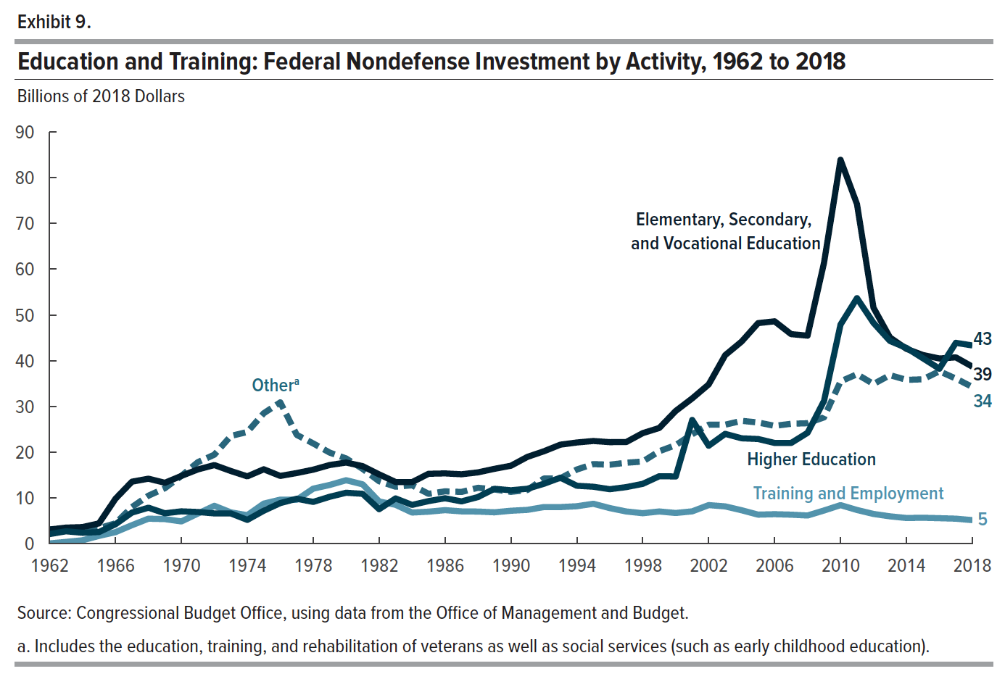
Exhibit 9. Education and Training: Federal Nondefense Investment by Activity, 1962 to 2018
Billions of 2018 Dollars

 | Elementary, Secondary, and Vocational Education | Higher Education | Training and Employment | Othera
1962 | 3.118 | 2.122 | 0.078 | 3.137
1963 | 3.531 | 2.725 | 0.409 | 2.994
1964 | 3.651 | 2.408 | 0.769 | 3.310
1965 | 4.456 | 2.560 | 1.723 | 3.409
1966 | 9.839 | 4.269 | 2.540 | 4.469
1967 | 13.569 | 6.814 | 4.059 | 8.018
1968 | 14.224 | 7.884 | 5.486 | 10.508
1969 | 13.330 | 6.664 | 5.391 | 12.143
1970 | 14.829 | 7.092 | 4.885 | 14.839
1971 | 16.248 | 6.942 | 6.601 | 17.833
1972 | 17.202 | 6.635 | 8.295 | 19.466
1973 | 15.904 | 6.636 | 6.859 | 23.560
1974 | 14.732 | 5.221 | 6.247 | 24.430
1975 | 16.277 | 7.223 | 8.777 | 28.527
1976 | 14.824 | 8.892 | 9.643 | 30.901
1977 | 15.457 | 9.839 | 9.608 | 23.795
1978 | 16.193 | 9.146 | 12.043 | 21.928
1979 | 17.213 | 10.268 | 12.856 | 19.925
1980 | 17.750 | 11.150 | 13.884 | 18.643
1981 | 16.969 | 10.922 | 12.990 | 16.366
1982 | 15.169 | 7.556 | 9.245 | 13.668
1983 | 13.493 | 9.904 | 8.515 | 12.469
1984 | 13.464 | 8.493 | 6.827 | 12.779
1985 | 15.295 | 9.323 | 7.014 | 10.916
1986 | 15.378 | 9.946 | 7.345 | 11.457
1987 | 15.186 | 9.262 | 7.083 | 11.330
1988 | 15.604 | 10.206 | 7.039 | 12.236
1989 | 16.378 | 12.020 | 6.878 | 11.863
1990 | 17.056 | 11.696 | 7.218 | 11.347
1991 | 18.987 | 12.028 | 7.407 | 11.747
1992 | 20.215 | 13.110 | 8.022 | 14.262
1993 | 21.657 | 14.441 | 8.017 | 14.314
1994 | 22.131 | 12.679 | 8.204 | 16.233
1995 | 22.461 | 12.465 | 8.746 | 17.412
1996 | 22.203 | 11.922 | 7.796 | 17.283
1997 | 22.239 | 12.383 | 7.059 | 17.708
1998 | 24.182 | 13.097 | 6.679 | 17.972
1999 | 25.303 | 14.758 | 7.058 | 20.225
2000 | 29.026 | 14.711 | 6.729 | 21.565
2001 | 31.768 | 27.056 | 7.087 | 23.944
2002 | 34.817 | 21.426 | 8.450 | 26.022
2003 | 41.216 | 24.019 | 8.169 | 26.019
2004 | 44.194 | 23.052 | 7.325 | 26.863
2005 | 48.220 | 22.893 | 6.366 | 26.510
2006 | 48.617 | 22.036 | 6.463 | 25.771
2007 | 45.812 | 22.017 | 6.358 | 26.224
2008 | 45.480 | 24.252 | 6.180 | 26.344
2009 | 61.416 | 31.223 | 7.273 | 27.624
2010 | 83.913 | 47.892 | 8.443 | 35.476
2011 | 74.221 | 53.678 | 7.385 | 37.053
2012 | 51.589 | 48.279 | 6.514 | 34.907
2013 | 45.085 | 44.323 | 5.998 | 36.852
2014 | 42.603 | 42.803 | 5.634 | 35.819
2015 | 41.254 | 40.540 | 5.691 | 35.944
2016 | 40.491 | 38.258 | 5.589 | 37.704
2017 | 40.733 | 43.908 | 5.485 | 36.097
2018 | 38.706 | 43.341 | 5.166 | 34.274

Back to Table of Contents

Exhibit 10
This file presents the data underlying the exhibits in CBO's June 2019 report Federal Investment, 1962 to 2018.
www.cbo.gov/publication/55375

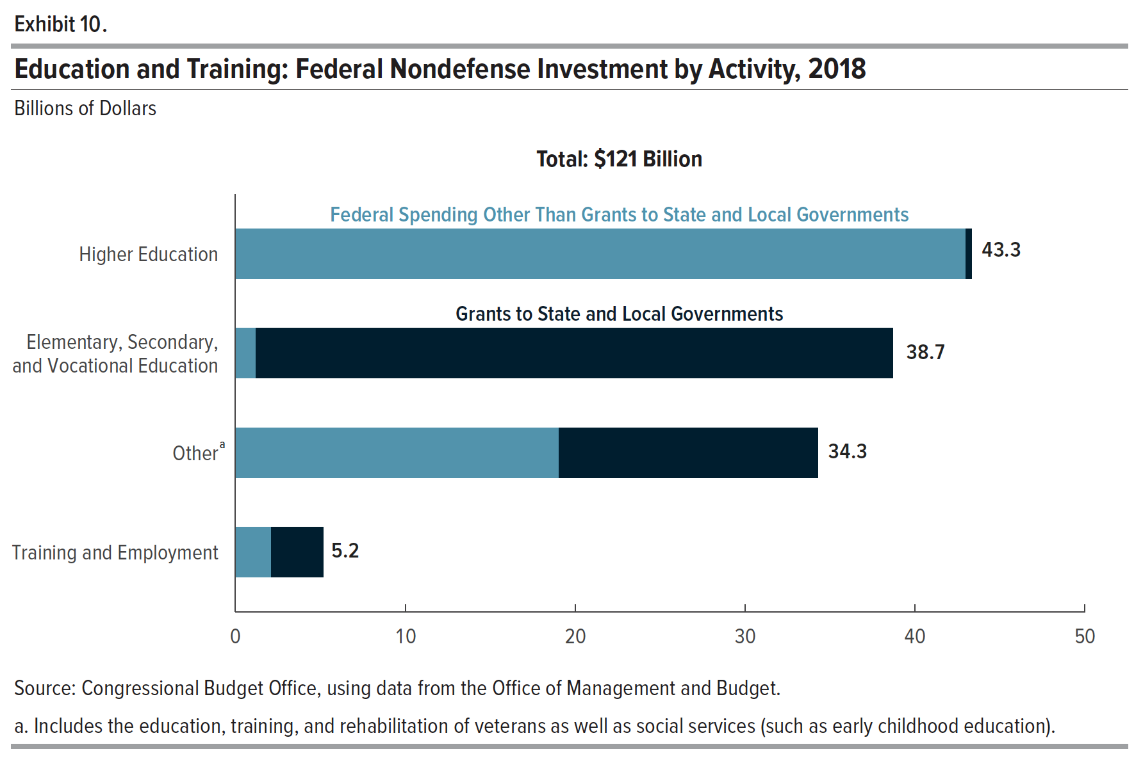
Exhibit 10. Education and Training: Federal Nondefense Investment by Activity, 2018
Billions of Dollars

 | Grants to State and Local Governments | Other Federal Spending | Total
Higher Education | 0.355 | 42.986 | 43.341
Elementary, Secondary, and Vocational Education | 37.506 | 1.200 | 38.706
Othera | 15.223 | 19.051 | 34.274
Training and Employment | 3.050 | 2.116 | 5.166

Back to Table of Contents

Exhibit 11
This file presents the data underlying the exhibits in CBO's June 2019 report Federal Investment, 1962 to 2018.
www.cbo.gov/publication/55375

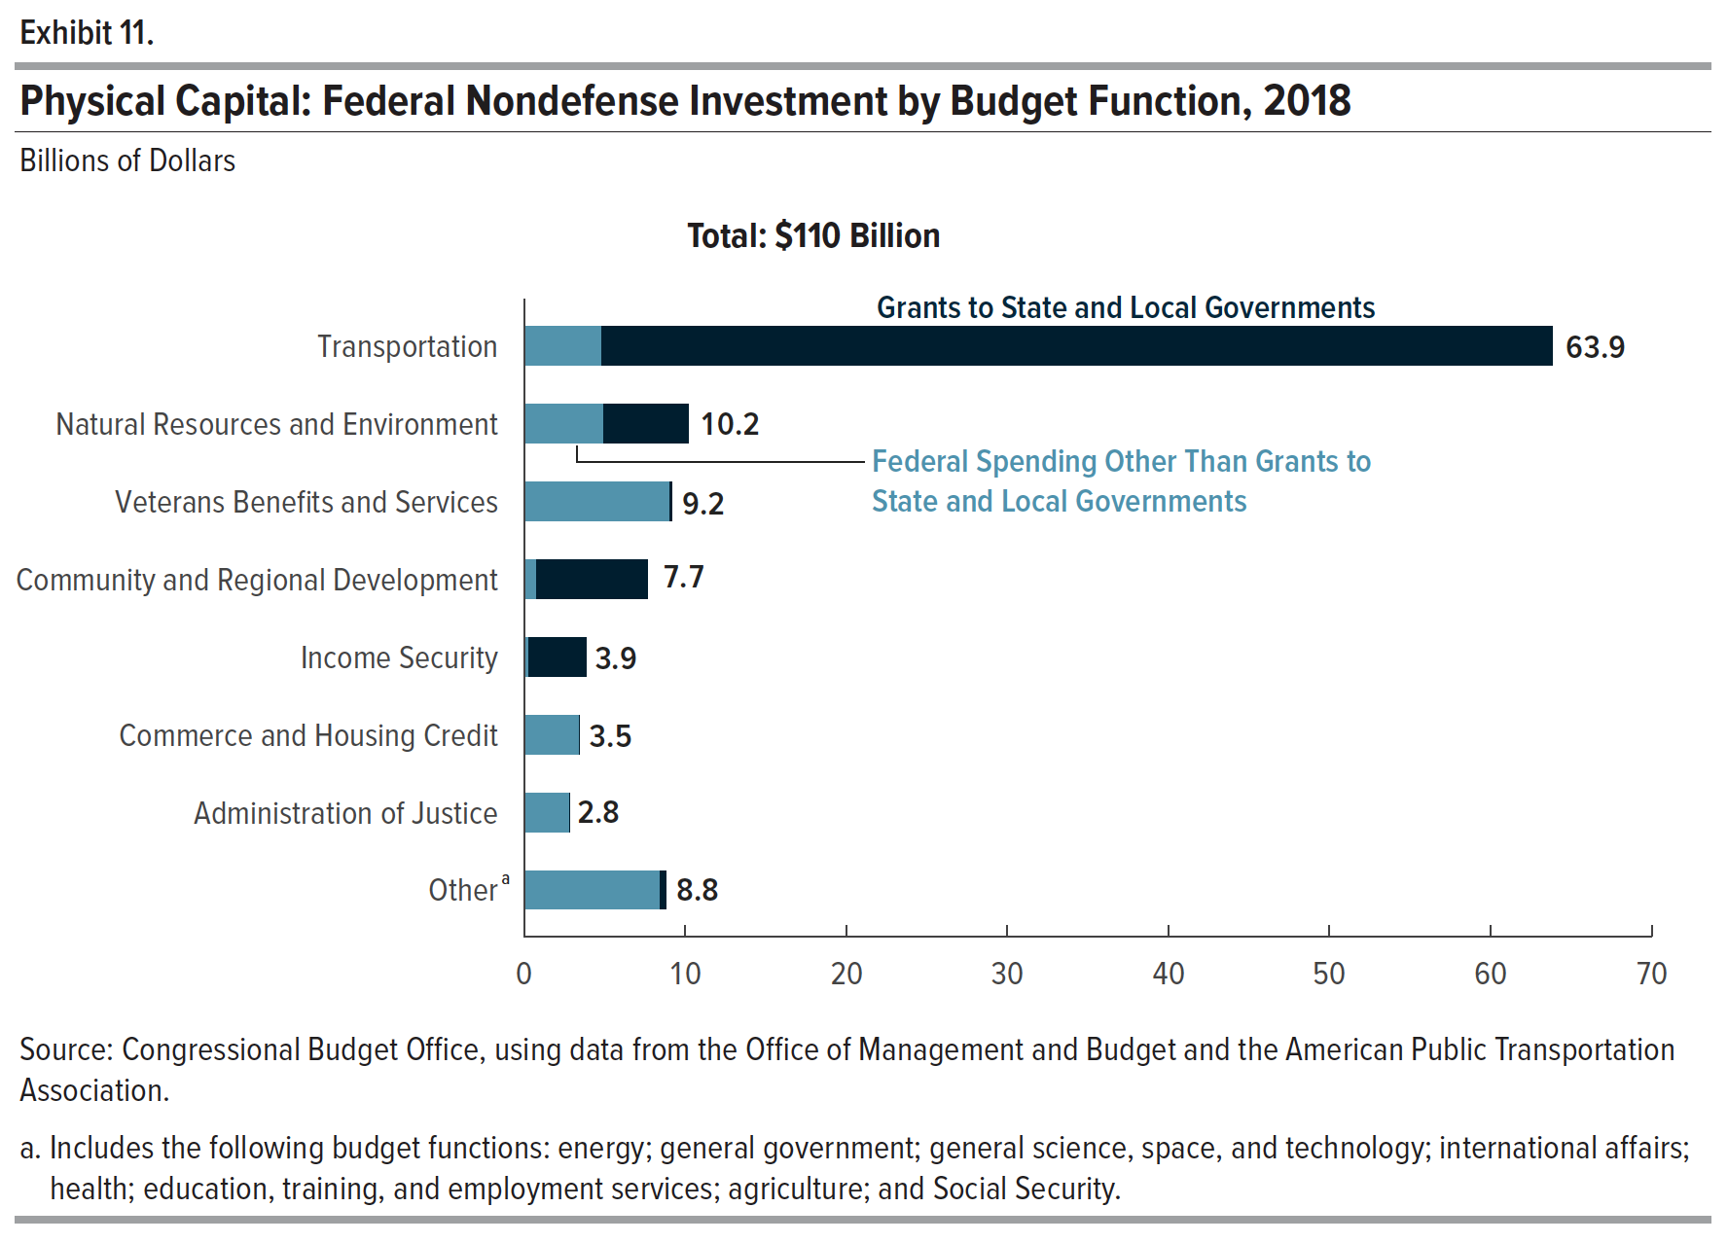
Exhibit 11. Physical Capital: Federal Nondefense Investment by Budget Function, 2018
Billions of Dollars

 | Grants to State and Local Governments | Other Federal Spending | Total
Transportation | 59.020 | 4.832 | 63.852
Natural Resources and Environment | 5.273 | 4.931 | 10.204
Veterans Benefits and Services | 0.149 | 9.050 | 9.199
Community and Regional Development | 6.870 | 0.794 | 7.664
Income Security | 3.556 | 0.305 | 3.861
Commerce and Housing Credit | 0.000 | 3.463 | 3.463
Administration of Justice | 0.000 | 2.845 | 2.845
Othera | 0.373 | 8.427 | 8.800

Back to Table of Contents

Exhibit 12
This file presents the data underlying the exhibits in CBO's June 2019 report Federal Investment, 1962 to 2018.
www.cbo.gov/publication/55375

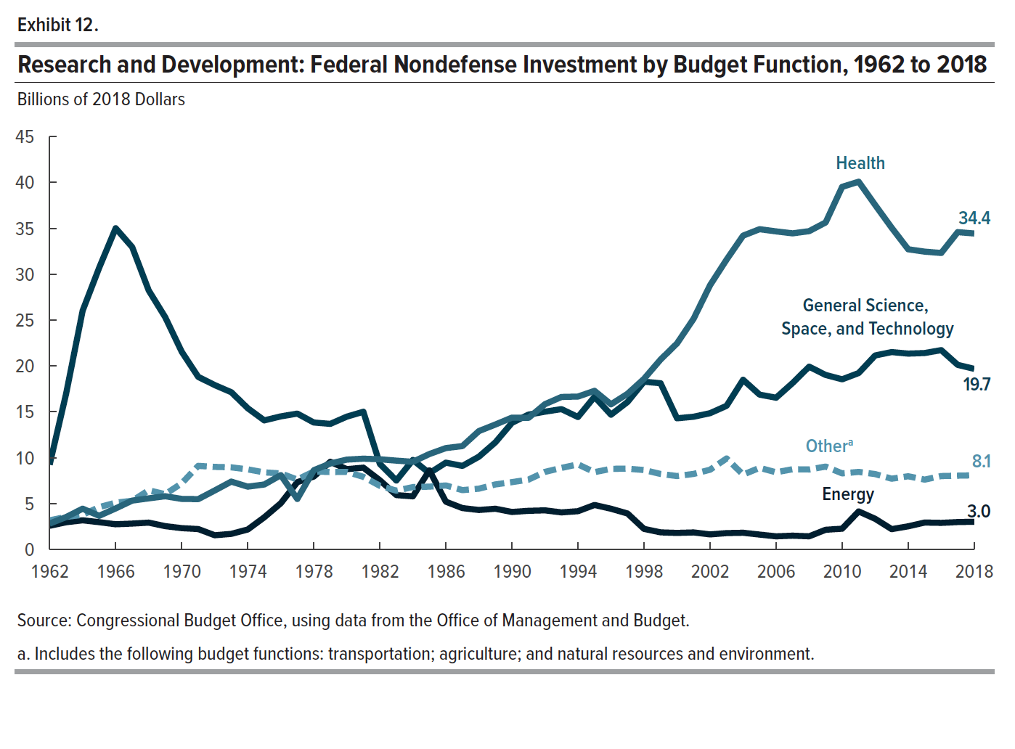
Exhibit 12. Research and Development: Federal Nondefense Investment by Budget Function, 1962 to 2018
Billions of 2018 Dollars

 | Health | General Science, Space, and Technology | Othera | Energy
1962 | 2.808 | 9.231 | 3.163 | 2.568
1963 | 3.525 | 16.984 | 3.538 | 2.955
1964 | 4.432 | 26.027 | 3.770 | 3.165
1965 | 3.657 | 30.699 | 4.599 | 2.963
1966 | 4.463 | 35.013 | 5.086 | 2.733
1967 | 5.316 | 32.953 | 5.293 | 2.808
1968 | 5.559 | 28.227 | 6.442 | 2.913
1969 | 5.791 | 25.311 | 6.012 | 2.531
1970 | 5.500 | 21.543 | 7.202 | 2.312
1971 | 5.475 | 18.803 | 9.102 | 2.213
1972 | 6.419 | 17.907 | 8.991 | 1.536
1973 | 7.385 | 17.133 | 8.943 | 1.687
1974 | 6.836 | 15.384 | 8.717 | 2.165
1975 | 7.070 | 14.062 | 8.391 | 3.492
1976 | 8.090 | 14.496 | 8.280 | 5.026
1977 | 5.496 | 14.800 | 7.605 | 7.322
1978 | 8.630 | 13.829 | 8.493 | 7.937
1979 | 9.360 | 13.679 | 8.427 | 9.545
1980 | 9.784 | 14.469 | 8.439 | 8.740
1981 | 9.883 | 15.001 | 7.906 | 8.908
1982 | 9.822 | 9.317 | 6.928 | 7.535
1983 | 9.671 | 7.503 | 6.399 | 5.914
1984 | 9.544 | 9.745 | 6.789 | 5.781
1985 | 10.392 | 8.308 | 6.835 | 8.605
1986 | 11.041 | 9.452 | 6.966 | 5.193
1987 | 11.258 | 9.096 | 6.456 | 4.497
1988 | 12.896 | 10.102 | 6.615 | 4.292
1989 | 13.611 | 11.670 | 7.078 | 4.426
1990 | 14.361 | 13.793 | 7.327 | 4.075
1991 | 14.328 | 14.686 | 7.602 | 4.202
1992 | 15.827 | 15.010 | 8.445 | 4.250
1993 | 16.614 | 15.288 | 8.880 | 4.031
1994 | 16.658 | 14.427 | 9.263 | 4.160
1995 | 17.281 | 16.632 | 8.416 | 4.837
1996 | 15.814 | 14.680 | 8.782 | 4.426
1997 | 16.959 | 16.067 | 8.795 | 3.909
1998 | 18.592 | 18.278 | 8.647 | 2.231
1999 | 20.689 | 18.111 | 8.220 | 1.855
2000 | 22.456 | 14.288 | 7.992 | 1.789
2001 | 25.134 | 14.458 | 8.222 | 1.846
2002 | 28.799 | 14.847 | 8.681 | 1.628
2003 | 31.587 | 15.648 | 9.907 | 1.770
2004 | 34.202 | 18.490 | 8.146 | 1.809
2005 | 34.907 | 16.867 | 8.886 | 1.610
2006 | 34.666 | 16.533 | 8.402 | 1.418
2007 | 34.451 | 18.137 | 8.735 | 1.491
2008 | 34.692 | 19.916 | 8.708 | 1.421
2009 | 35.639 | 19.015 | 9.023 | 2.135
2010 | 39.522 | 18.539 | 8.283 | 2.254
2011 | 40.083 | 19.221 | 8.443 | 4.135
2012 | 37.543 | 21.140 | 8.206 | 3.330
2013 | 35.060 | 21.507 | 7.703 | 2.202
2014 | 32.716 | 21.340 | 7.968 | 2.511
2015 | 32.459 | 21.406 | 7.604 | 2.924
2016 | 32.312 | 21.722 | 7.990 | 2.888
2017 | 34.584 | 20.112 | 8.034 | 2.975
2018 | 34.439 | 19.678 | 8.070 | 3.008

Back to Table of Contents

Exhibit 13
This file presents the data underlying the exhibits in CBO's June 2019 report Federal Investment, 1962 to 2018.
www.cbo.gov/publication/55375

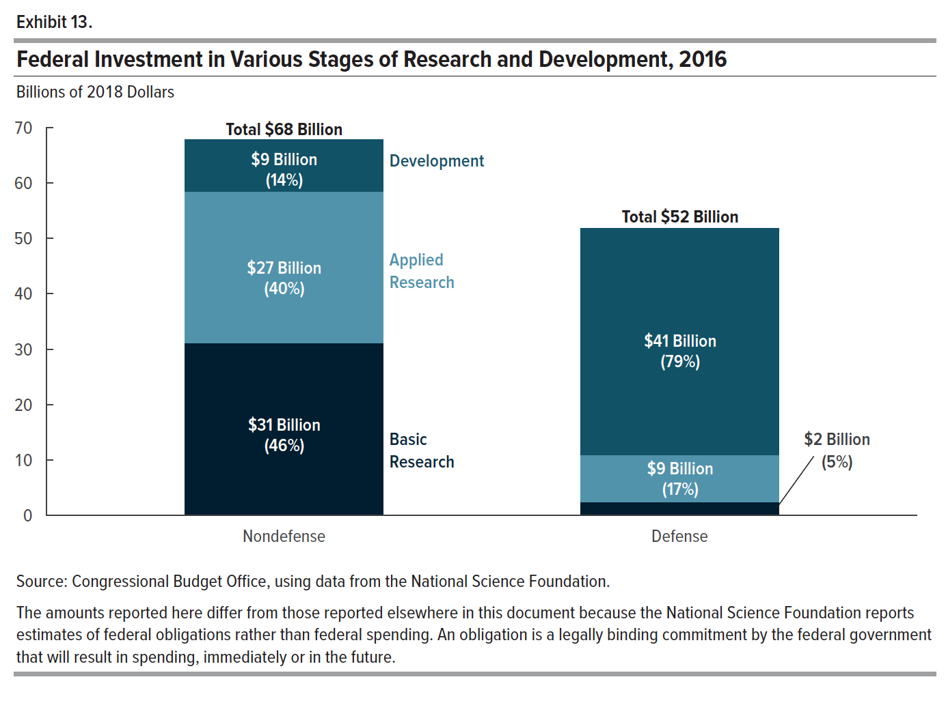
Exhibit 13. Federal Investment in Various Stages of Research and Development, 2016

 | Nondefense |  | Defense
 | Billions of 2018 Dollars | Share of Investment | Billions of 2018 Dollars | Share of Investment
Basic Research | 31.159 | 45.944 | 2.429 | 4.684
Applied Research | 27.265 | 40.202 | 8.559 | 16.505
Development | 9.396 | 13.854 | 40.870 | 78.811
Total | 67.819 | 100.000 | 51.858 | 100.000

Back to Table of Contents

Exhibit 14
This file presents the data underlying the exhibits in CBO's June 2019 report Federal Investment, 1962 to 2018.
www.cbo.gov/publication/55375

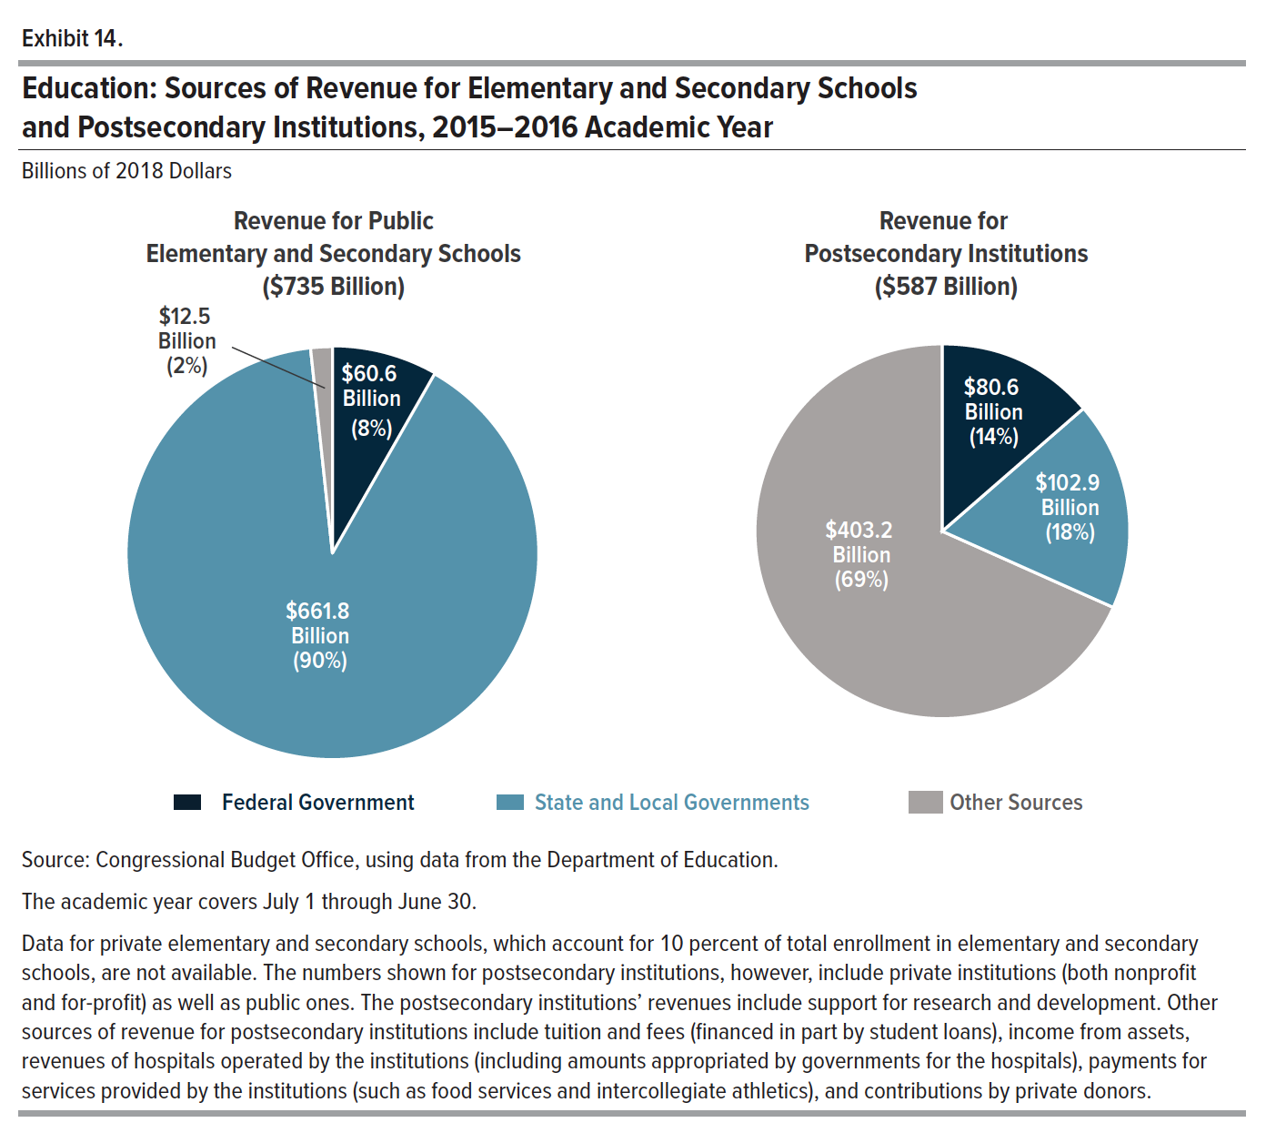
Exhibit 14. Education: Sources of Revenue for Elementary and Secondary Schools and Postsecondary Institutions, 2015-2016 Academic Year

 | Public Elementary and Secondary Schools |  | Postsecondary Institutions
 | Billions of 2018 Dollars | Share of Revenue Provided | Billions of 2018 Dollars | Share of Revenue Provided
Federal Government | 60.646 | 8.252 | 80.612 | 13.739
State and Local Governments | 661.771 | 90.049 | 102.945 | 17.545
Other Sources | 12.487 | 1.699 | 403.200 | 68.717
Total | 734.903 | 100.000 | 586.757 | 100.000

Back to Table of Contents

Exhibit 15
This file presents the data underlying the exhibits in CBO's June 2019 report Federal Investment, 1962 to 2018.
www.cbo.gov/publication/55375

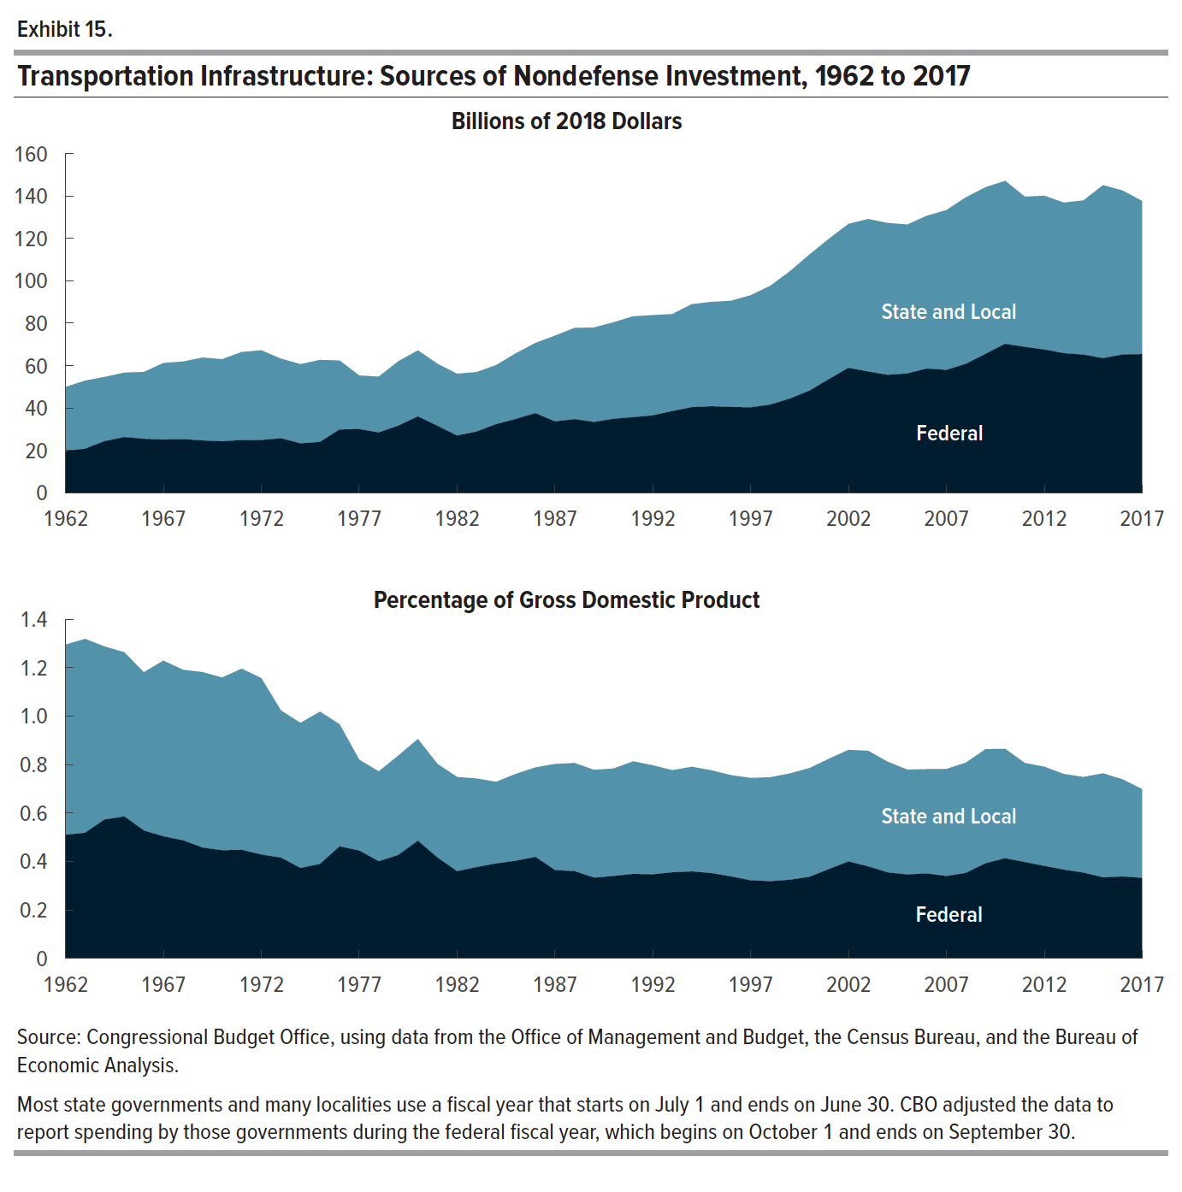
Exhibit 15. Transportation Infrastructure: Sources of Nondefense Investment, 1962 to 2017

 | Billions of 2018 Dollars |  | Percentage of Gross Domestic Product
 | Federal | State and Local | Federal | State and Local
1962 | 19.659 | 30.268 | 0.510 | 0.785
1963 | 20.784 | 32.100 | 0.518 | 0.800
1964 | 24.337 | 30.321 | 0.573 | 0.714
1965 | 26.261 | 30.408 | 0.586 | 0.678
1966 | 25.447 | 31.536 | 0.527 | 0.653
1967 | 25.082 | 36.125 | 0.504 | 0.725
1968 | 25.303 | 36.592 | 0.487 | 0.704
1969 | 24.669 | 39.095 | 0.457 | 0.724
1970 | 24.255 | 38.755 | 0.446 | 0.713
1971 | 24.872 | 41.535 | 0.448 | 0.748
1972 | 24.876 | 42.312 | 0.428 | 0.728
1973 | 25.688 | 37.569 | 0.416 | 0.608
1974 | 23.272 | 37.406 | 0.373 | 0.599
1975 | 23.976 | 38.693 | 0.390 | 0.629
1976 | 29.831 | 32.570 | 0.462 | 0.504
1977 | 30.031 | 25.298 | 0.445 | 0.375
1978 | 28.417 | 26.353 | 0.400 | 0.371
1979 | 31.623 | 30.410 | 0.427 | 0.410
1980 | 35.990 | 31.177 | 0.485 | 0.420
1981 | 31.513 | 29.318 | 0.416 | 0.387
1982 | 26.952 | 29.190 | 0.360 | 0.389
1983 | 28.862 | 28.045 | 0.377 | 0.366
1984 | 32.359 | 27.876 | 0.391 | 0.337
1985 | 34.792 | 30.965 | 0.403 | 0.358
1986 | 37.523 | 33.130 | 0.419 | 0.370
1987 | 33.643 | 40.448 | 0.364 | 0.438
1988 | 34.710 | 43.053 | 0.360 | 0.446
1989 | 33.359 | 44.599 | 0.333 | 0.445
1990 | 34.883 | 45.534 | 0.340 | 0.444
1991 | 35.663 | 47.578 | 0.348 | 0.465
1992 | 36.471 | 47.319 | 0.347 | 0.450
1993 | 38.525 | 45.762 | 0.355 | 0.422
1994 | 40.359 | 48.608 | 0.359 | 0.432
1995 | 40.807 | 49.211 | 0.352 | 0.424
1996 | 40.475 | 50.083 | 0.338 | 0.418
1997 | 40.268 | 52.884 | 0.322 | 0.423
1998 | 41.571 | 56.028 | 0.318 | 0.429
1999 | 44.381 | 60.048 | 0.324 | 0.439
2000 | 48.116 | 64.235 | 0.336 | 0.449
2001 | 53.592 | 66.220 | 0.368 | 0.455
2002 | 58.906 | 67.907 | 0.400 | 0.461
2003 | 57.174 | 71.938 | 0.379 | 0.477
2004 | 55.602 | 71.663 | 0.355 | 0.457
2005 | 56.244 | 70.270 | 0.346 | 0.433
2006 | 58.580 | 72.066 | 0.350 | 0.431
2007 | 57.934 | 75.397 | 0.340 | 0.442
2008 | 60.814 | 78.578 | 0.353 | 0.456
2009 | 65.492 | 78.614 | 0.392 | 0.471
2010 | 70.262 | 76.876 | 0.413 | 0.452
2011 | 68.784 | 70.880 | 0.397 | 0.409
2012 | 67.548 | 72.540 | 0.381 | 0.410
2013 | 65.824 | 71.033 | 0.366 | 0.395
2014 | 65.150 | 72.737 | 0.354 | 0.395
2015 | 63.461 | 81.600 | 0.334 | 0.430
2016 | 65.222 | 77.342 | 0.338 | 0.401
2017 | 65.382 | 72.180 | 0.332 | 0.367

Back to Table of Contents

Exhibit 16
This file presents the data underlying the exhibits in CBO's June 2019 report Federal Investment, 1962 to 2018.
www.cbo.gov/publication/55375

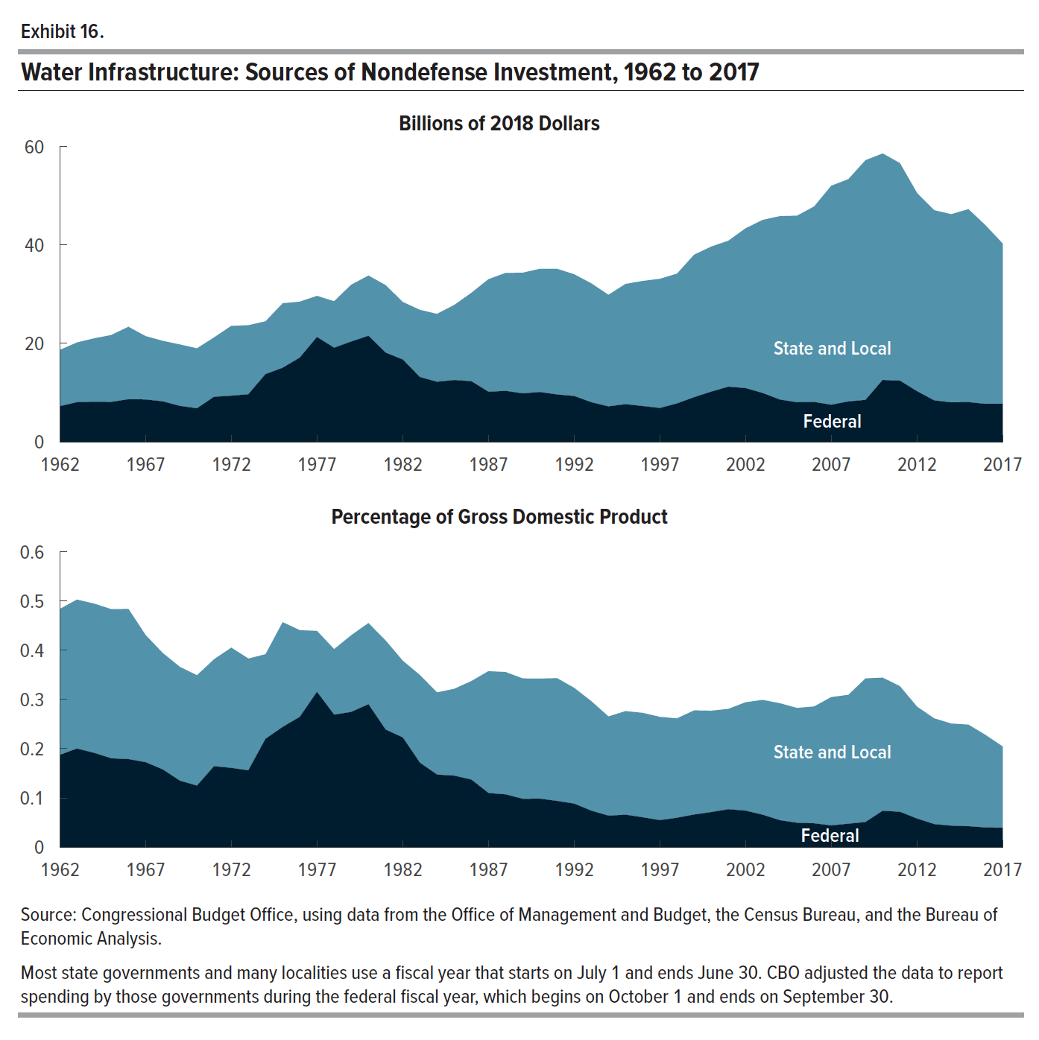
Exhibit 16. Water Infrastructure: Sources of Nondefense Investment, 1962 to 2017

 | Billions of 2018 Dollars |  | Percentage of Gross Domestic Product
 | Federal | State and Local | Federal | State and Local
1962 | 7.219 | 11.431 | 0.187 | 0.296
1963 | 8.028 | 12.142 | 0.200 | 0.303
1964 | 8.127 | 12.881 | 0.191 | 0.303
1965 | 8.088 | 13.592 | 0.180 | 0.303
1966 | 8.623 | 14.731 | 0.179 | 0.305
1967 | 8.588 | 12.876 | 0.172 | 0.259
1968 | 8.195 | 12.301 | 0.158 | 0.237
1969 | 7.280 | 12.483 | 0.135 | 0.231
1970 | 6.786 | 12.194 | 0.125 | 0.224
1971 | 9.126 | 12.071 | 0.164 | 0.217
1972 | 9.346 | 14.191 | 0.161 | 0.244
1973 | 9.637 | 14.039 | 0.156 | 0.227
1974 | 13.730 | 10.737 | 0.220 | 0.172
1975 | 15.020 | 13.103 | 0.244 | 0.213
1976 | 17.086 | 11.375 | 0.264 | 0.176
1977 | 21.262 | 8.368 | 0.315 | 0.124
1978 | 19.090 | 9.458 | 0.269 | 0.133
1979 | 20.353 | 11.547 | 0.275 | 0.156
1980 | 21.521 | 12.239 | 0.290 | 0.165
1981 | 18.101 | 13.724 | 0.239 | 0.181
1982 | 16.696 | 11.700 | 0.223 | 0.156
1983 | 13.135 | 13.662 | 0.171 | 0.178
1984 | 12.177 | 13.797 | 0.147 | 0.167
1985 | 12.530 | 15.240 | 0.145 | 0.176
1986 | 12.296 | 17.932 | 0.137 | 0.200
1987 | 10.140 | 22.871 | 0.110 | 0.248
1988 | 10.327 | 23.970 | 0.107 | 0.249
1989 | 9.825 | 24.512 | 0.098 | 0.245
1990 | 10.096 | 25.041 | 0.098 | 0.244
1991 | 9.597 | 25.541 | 0.094 | 0.249
1992 | 9.289 | 24.738 | 0.088 | 0.235
1993 | 8.017 | 24.157 | 0.074 | 0.223
1994 | 7.177 | 22.675 | 0.064 | 0.202
1995 | 7.628 | 24.428 | 0.066 | 0.211
1996 | 7.250 | 25.413 | 0.061 | 0.212
1997 | 6.848 | 26.250 | 0.055 | 0.210
1998 | 7.771 | 26.370 | 0.060 | 0.202
1999 | 9.040 | 28.960 | 0.066 | 0.212
2000 | 10.168 | 29.477 | 0.071 | 0.206
2001 | 11.183 | 29.659 | 0.077 | 0.204
2002 | 10.896 | 32.459 | 0.074 | 0.220
2003 | 9.888 | 35.178 | 0.066 | 0.233
2004 | 8.557 | 37.276 | 0.055 | 0.238
2005 | 8.020 | 37.904 | 0.049 | 0.233
2006 | 8.073 | 39.716 | 0.048 | 0.237
2007 | 7.508 | 44.495 | 0.044 | 0.261
2008 | 8.184 | 45.165 | 0.047 | 0.262
2009 | 8.501 | 48.699 | 0.051 | 0.292
2010 | 12.542 | 46.014 | 0.074 | 0.270
2011 | 12.408 | 44.206 | 0.072 | 0.255
2012 | 10.256 | 40.287 | 0.058 | 0.227
2013 | 8.394 | 38.650 | 0.047 | 0.215
2014 | 8.004 | 38.229 | 0.043 | 0.208
2015 | 8.047 | 39.199 | 0.042 | 0.206
2016 | 7.684 | 36.279 | 0.040 | 0.188
2017 | 7.727 | 32.530 | 0.039 | 0.165

Back to Table of Contents

Exhibit 17
This file presents the data underlying the exhibits in CBO's June 2019 report Federal Investment, 1962 to 2018.
www.cbo.gov/publication/55375

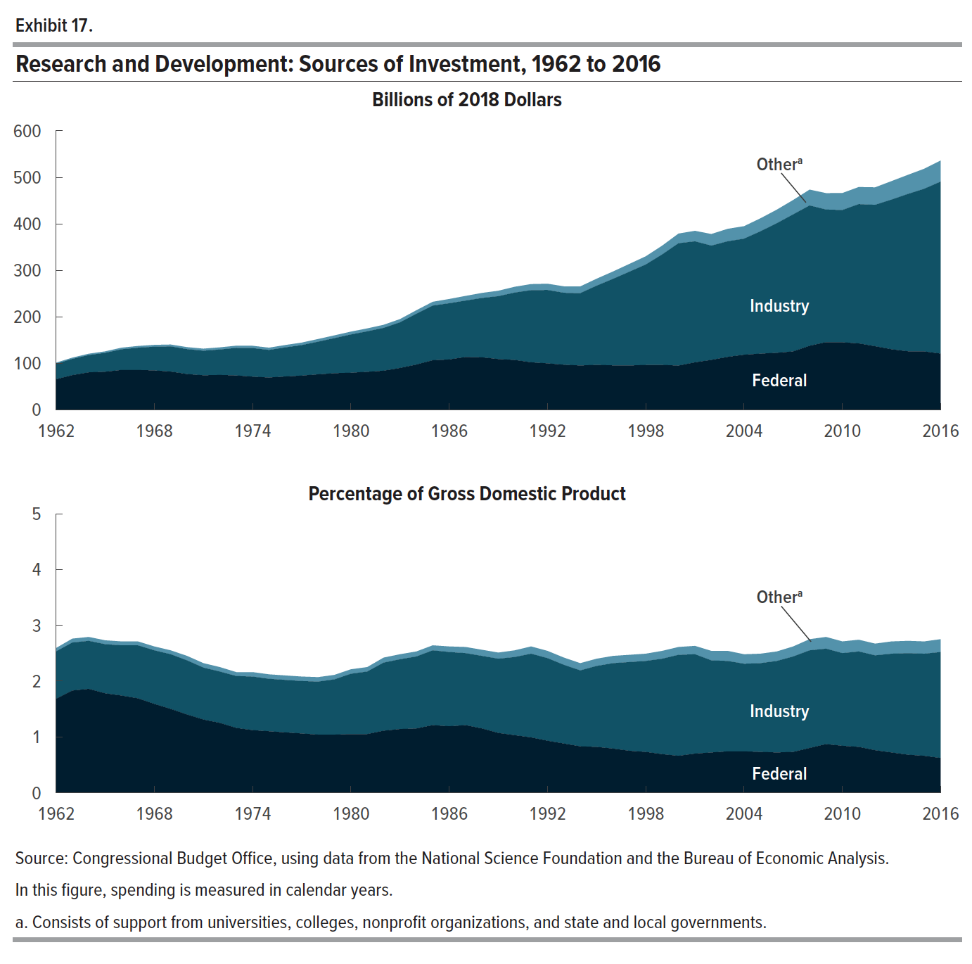
Exhibit 17. Research and Development: Sources of Investment, 1962 to 2016

 | Billions of 2018 Dollars |  |  | Percentage of Gross Domestic Product
 | Federal | Industry | Othera | Federal | Industry | Othera
1962 | 65.582 | 33.147 | 2.426 | 1.679 | 0.849 | 0.062
1963 | 74.500 | 34.902 | 2.674 | 1.827 | 0.856 | 0.066
1964 | 80.483 | 37.124 | 2.850 | 1.865 | 0.860 | 0.066
1965 | 81.777 | 40.591 | 3.167 | 1.778 | 0.882 | 0.069
1966 | 85.658 | 44.332 | 3.489 | 1.742 | 0.901 | 0.071
1967 | 85.549 | 47.850 | 3.754 | 1.694 | 0.947 | 0.074
1968 | 84.637 | 50.946 | 3.936 | 1.591 | 0.958 | 0.074
1969 | 82.183 | 54.028 | 4.085 | 1.496 | 0.984 | 0.074
1970 | 76.804 | 53.558 | 4.300 | 1.396 | 0.974 | 0.078
1971 | 74.149 | 52.767 | 4.475 | 1.306 | 0.929 | 0.079
1972 | 74.872 | 54.687 | 4.607 | 1.254 | 0.916 | 0.077
1973 | 73.833 | 59.197 | 4.745 | 1.164 | 0.933 | 0.075
1974 | 71.279 | 61.379 | 4.898 | 1.119 | 0.964 | 0.077
1975 | 69.365 | 59.225 | 4.918 | 1.100 | 0.939 | 0.078
1976 | 71.620 | 62.479 | 5.086 | 1.083 | 0.945 | 0.077
1977 | 73.555 | 65.460 | 5.416 | 1.060 | 0.944 | 0.078
1978 | 76.230 | 70.119 | 5.773 | 1.038 | 0.955 | 0.079
1979 | 78.653 | 75.394 | 5.946 | 1.036 | 0.993 | 0.078
1980 | 79.680 | 82.186 | 6.138 | 1.049 | 1.082 | 0.081
1981 | 81.647 | 86.992 | 6.306 | 1.052 | 1.121 | 0.081
1982 | 84.018 | 92.071 | 6.614 | 1.111 | 1.217 | 0.087
1983 | 89.859 | 98.125 | 7.013 | 1.141 | 1.246 | 0.089
1984 | 97.258 | 109.224 | 7.505 | 1.151 | 1.293 | 0.089
1985 | 106.613 | 117.390 | 8.239 | 1.213 | 1.336 | 0.094
1986 | 108.192 | 120.807 | 9.181 | 1.193 | 1.332 | 0.101
1987 | 113.551 | 121.236 | 10.028 | 1.207 | 1.289 | 0.107
1988 | 112.843 | 127.567 | 10.834 | 1.148 | 1.298 | 0.110
1989 | 109.066 | 135.222 | 11.651 | 1.072 | 1.329 | 0.114
1990 | 107.205 | 144.786 | 12.485 | 1.033 | 1.395 | 0.120
1991 | 102.121 | 155.072 | 13.093 | 0.987 | 1.499 | 0.127
1992 | 99.848 | 157.732 | 13.452 | 0.934 | 1.476 | 0.126
1993 | 96.937 | 154.626 | 13.860 | 0.883 | 1.408 | 0.126
1994 | 95.259 | 155.487 | 14.460 | 0.834 | 1.361 | 0.127
1995 | 96.640 | 170.157 | 15.019 | 0.824 | 1.451 | 0.128
1996 | 95.498 | 185.918 | 15.872 | 0.785 | 1.529 | 0.131
1997 | 95.263 | 201.603 | 16.762 | 0.750 | 1.588 | 0.132
1998 | 96.348 | 216.024 | 17.653 | 0.727 | 1.631 | 0.133
1999 | 96.446 | 237.509 | 18.893 | 0.694 | 1.709 | 0.136
2000 | 95.092 | 263.016 | 20.842 | 0.656 | 1.814 | 0.144
2001 | 101.957 | 260.316 | 22.572 | 0.697 | 1.780 | 0.154
2002 | 107.266 | 245.754 | 24.935 | 0.721 | 1.653 | 0.168
2003 | 113.694 | 248.630 | 26.793 | 0.743 | 1.625 | 0.175
2004 | 118.417 | 249.558 | 26.855 | 0.743 | 1.567 | 0.169
2005 | 120.760 | 262.971 | 27.972 | 0.732 | 1.594 | 0.170
2006 | 122.569 | 278.628 | 29.176 | 0.723 | 1.644 | 0.172
2007 | 125.517 | 294.683 | 30.979 | 0.727 | 1.708 | 0.180
2008 | 137.574 | 301.800 | 34.088 | 0.800 | 1.754 | 0.198
2009 | 145.435 | 285.180 | 35.335 | 0.870 | 1.707 | 0.211
2010 | 145.158 | 284.458 | 36.501 | 0.845 | 1.655 | 0.212
2011 | 142.770 | 299.469 | 36.784 | 0.817 | 1.714 | 0.211
2012 | 136.612 | 304.157 | 37.579 | 0.765 | 1.702 | 0.210
2013 | 130.128 | 321.899 | 39.719 | 0.716 | 1.770 | 0.218
2014 | 125.779 | 338.326 | 41.096 | 0.675 | 1.817 | 0.221
2015 | 125.462 | 349.847 | 43.033 | 0.656 | 1.829 | 0.225
2016 | 120.800 | 369.875 | 45.400 | 0.621 | 1.901 | 0.233

Back to Table of Contents

