Manage trainees
Test Case ID |  | SP2020-100 | Test Case Description | Trying to create a trainee with invalid data is not allowed
Created By |  | Andrei | Reviewed By |  |  | Version |  | 1.0

QA Tester’s Log |  | SP2020-95

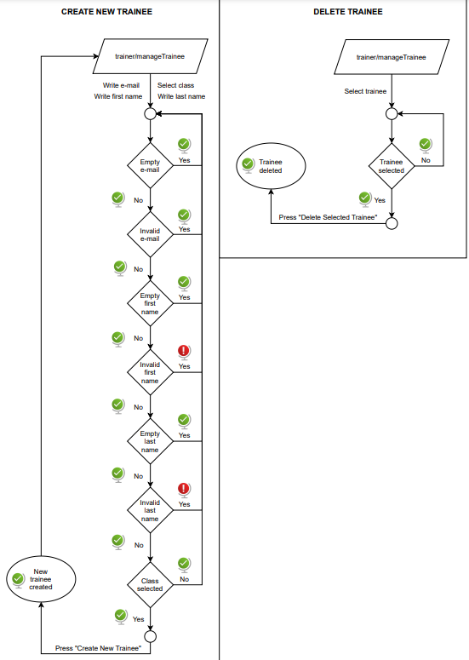
Tester's Name |  | Andrei | Date Tested | 2021-02-10 |  | Test Case (Pass/Fail/Not Executed) |  | Fail

S # | Prerequisites: |  |  | S # | Test Data
1 | Access to Chrome Browser |  |  | 1 | Url = "http://localhost:8080/trainer/manageTrainee"
2 | Access to web page |  |  | 2 | First Name = "@n3r3!", Last Name = "Pavel"
3 | Logged in as a trainer |  |  | 3 | Email = "good@yahoo.com", class: Engineering 76
4 | Class "Engineering 76" existing. |  |  | 4

Test Scenario | Creating a trainee with invalid first name.

Step # | Step Details |  | Expected Results | Actual Results |  |  | Pass / Fail / Not executed / Suspended

1 | Navigate to /trainer/manageTrainee. |  | Manage Trainee Page is displayed. | As Expected |  |  | Pass
2 | Input data in the fields. |  | First name, Last name and email are completed and class selected. | As Expected |  |  | Pass
3 | Click on "Create Trainee" button. |  | Validation message displayed, not allowing to proceed. | Creates trainee profile as normal. |  |  | Fail

Test Case ID |  | SP2020-101 | Test Case Description | Trying to create a trainee with invalid data is not allowed
Created By |  | Andrei | Reviewed By |  |  | Version |  | 1.0

QA Tester’s Log |  | SP2020-95

Tester's Name |  | Andrei | Date Tested | 2021-02-10 |  | Test Case (Pass/Fail/Not Executed) |  | Fail

S # | Prerequisites: |  |  | S # | Test Data
1 | Access to Chrome Browser |  |  | 1 | Url = "http://localhost:8080/trainer/manageTrainee"
2 | Access to web page |  |  | 2 | First Name = "Andrei", Last Name = "P@v3l"
3 | Logged in as a trainer |  |  | 3 | Email = "good@yahoo.com", class: Engineering 76
4 | Class "Engineering 76" existing. |  |  | 4

Test Scenario | Creating a trainee with invalid last name.

Step # | Step Details |  | Expected Results | Actual Results |  |  | Pass / Fail / Not executed / Suspended

1 | Navigate to /trainer/manageTrainee. |  | Manage Trainee Page is displayed. | As Expected |  |  | Pass
2 | Input data in the fields. |  | First name, Last name and email are completed and class selected. | As Expected |  |  | Pass
3 | Click on "Create Trainee" button. |  | Validation message displayed, not allowing to proceed. | Creates trainee profile as normal. |  |  | Fail

Test Case ID |  | SP2020-102 | Test Case Description | Trying to create a trainee with invalid data is not allowed
Created By |  | Andrei | Reviewed By |  |  | Version |  | 1.0

QA Tester’s Log |  | SP2020-95

Tester's Name |  | Andrei | Date Tested | 2021-02-10 |  | Test Case (Pass/Fail/Not Executed) |  | Fail

S # | Prerequisites: |  |  | S # | Test Data
1 | Access to Chrome Browser |  |  | 1 | Url = "http://localhost:8080/trainer/manageTrainee"
2 | Access to web page |  |  | 2 | First Name = "Andrei", Last Name = "Pavel"
3 | Logged in as a trainer |  |  | 3 | Email = "notgood@yahoo.", class: Engineering 76
4 | Class "Engineering 76" existing. |  |  | 4

Test Scenario | Creating a trainee with invalid email.

Step # | Step Details |  | Expected Results | Actual Results |  |  | Pass / Fail / Not executed / Suspended

1 | Navigate to /trainer/manageTrainee. |  | Manage Trainee Page is displayed. | As Expected |  |  | Pass
2 | Input data in the fields. |  | First name, Last name and email are completed and class selected. | As Expected |  |  | Pass
3 | Click on "Create Trainee" button. |  | Validation message displayed, not allowing to proceed. | As Expected |  |  | Pass

Test Case ID |  | SP2020-103 | Test Case Description | Trying to create a trainee with invalid data is not allowed
Created By |  | Andrei | Reviewed By |  |  | Version |  | 1.0

QA Tester’s Log |  | SP2020-95

Tester's Name |  | Andrei | Date Tested | 2021-02-10 |  | Test Case (Pass/Fail/Not Executed) |  | Fail

S # | Prerequisites: |  |  | S # | Test Data
1 | Access to Chrome Browser |  |  | 1 | Url = "http://localhost:8080/trainer/manageTrainee"
2 | Access to web page |  |  | 2 | First Name = "Andrei", Last Name = "Pavel"
3 | Logged in as a trainer |  |  | 3 | Email = "good@gmail.com", class: <NOT SELECTED>
4 | Class "Engineering 76" existing. |  |  | 4

Test Scenario | Creating a trainee without selecting the class.

Step # | Step Details |  | Expected Results | Actual Results |  |  | Pass / Fail / Not executed / Suspended

1 | Navigate to /trainer/manageTrainee. |  | Manage Trainee Page is displayed. | As Expected |  |  | Pass
2 | Input data in the fields. |  | First name, Last name and email are completed and class selected. | As Expected |  |  | Pass
3 | Click on "Create Trainee" button. |  | Validation message displayed, not allowing to proceed. | As Expected |  |  | Pass

Test Case ID |  | SP2020-104 | Test Case Description | Trying to create a trainee with valid data.
Created By |  | Andrei | Reviewed By |  |  | Version |  | 1.0

QA Tester’s Log |  | SP2020-95

Tester's Name |  | Andrei | Date Tested | 2021-02-10 |  | Test Case (Pass/Fail/Not Executed) |  | Fail

S # | Prerequisites: |  |  | S # | Test Data
1 | Access to Chrome Browser |  |  | 1 | Url = "http://localhost:8080/trainer/manageTrainee"
2 | Access to web page |  |  | 2 | First Name = "Andrei", Last Name = "Pavel"
3 | Logged in as a trainer |  |  | 3 | Email = "good@gmail.com", class:"Engineering 76"
4 | Class "Engineering 76" existing. |  |  | 4

Test Scenario | Creating a trainee with valid data.

Step # | Step Details |  | Expected Results | Actual Results |  |  | Pass / Fail / Not executed / Suspended

1 | Navigate to /trainer/manageTrainee. |  | Manage Trainee Page is displayed. | As Expected |  |  | Pass
2 | Input data in the fields. |  | First name, Last name and email are completed and class selected. | As Expected |  |  | Pass
3 | Click on "Create Trainee" button. |  | Creates trainee profile as normal. | As Expected |  |  | Pass

Test Case ID |  | SP2020-104 | Test Case Description | Trying to create a trainee with an email address already registered.
Created By |  | Andrei | Reviewed By |  |  | Version |  | 1.0

QA Tester’s Log |  | SP2020-95

Tester's Name |  | Andrei | Date Tested | 2021-02-10 |  | Test Case (Pass/Fail/Not Executed) |  | Fail

S # | Prerequisites: |  |  | S # | Test Data
1 | Access to Chrome Browser |  |  | 1 | Url = "http://localhost:8080/trainer/manageTrainee"
2 | Access to web page |  |  | 2 | First Name = "Andrei", Last Name = "Pavel"
3 | Logged in as a trainer |  |  | 3 | Email = "good@gmail.com", class:"Engineering 76"
4 | Class "Engineering 76" existing. |  |  | 4
5 | Trainee profile registered with email: "good@gmail.com".

Test Scenario | Creating a trainee with valid data but the email address is already registered.

Step # | Step Details |  | Expected Results | Actual Results |  |  | Pass / Fail / Not executed / Suspended

1 | Navigate to /trainer/manageTrainee. |  | Manage Trainee Page is displayed. | As Expected |  |  | Pass
2 | Input data in the fields. |  | First name, Last name and email are completed and class selected. | As Expected |  |  | Pass
3 | Click on "Create Trainee" button. |  | Error message displayed: "Email already registered." | As Expected |  |  | Pass

Test Case ID |  | SP2020-105 | Test Case Description | Trying to delete a trainee without selecting a trainee.
Created By |  | Andrei | Reviewed By |  |  | Version |  | 1.0

QA Tester’s Log |  | SP2020-94

Tester's Name |  | Andrei | Date Tested | 2021-02-10 |  | Test Case (Pass/Fail/Not Executed) |  | Fail

S # | Prerequisites: |  |  | S # | Test Data
1 | Access to Chrome Browser |  |  | 1 | Url = "http://localhost:8080/trainer/manageTrainee"
2 | Access to web page |  |  | 2
3 | Logged in as a trainer |  |  | 3
4 | Trainee "Andrei Pavel" existent. |  |  | 4

Test Scenario | Deleting to delete a trainee without selecting a trainee.

Step # | Step Details |  | Expected Results | Actual Results |  |  | Pass / Fail / Not executed / Suspended

1 | Navigate to /trainer/manageTrainee. |  | Manage Trainee Page is displayed. | As Expected |  |  | Pass
2 | Press click on Delete Trainee button. |  | Validation error Message shown. | As Expected |  |  | Pass

Test Case ID |  | SP2020-106 | Test Case Description | Trying to delete a trainee as normal.
Created By |  | Andrei | Reviewed By |  |  | Version |  | 1.0

QA Tester’s Log |  | SP2020-94

Tester's Name |  | Andrei | Date Tested | 2021-02-10 |  | Test Case (Pass/Fail/Not Executed) |  | Fail

S # | Prerequisites: |  |  | S # | Test Data
1 | Access to Chrome Browser |  |  | 1 | Url = "http://localhost:8080/trainer/manageTrainee"
2 | Access to web page |  |  | 2
3 | Logged in as a trainer |  |  | 3
4 | Trainee "Andrei Pavel" existent. |  |  | 4

Test Scenario | Deleting to delete a trainee as normal.

Step # | Step Details |  | Expected Results | Actual Results |  |  | Pass / Fail / Not executed / Suspended

1 | Navigate to /trainer/manageTrainee. |  | Manage Trainee Page is displayed. | As Expected |  |  | Pass
2 | Select "Andrei Pavel" from Trainees dropdown in Delete Trainee form. |  | "Andrei Pavel" is selected. | As Expected |  |  | Pass
2 | Press click on Delete Trainee button. |  | "Andrei Pavel" profile is deleted succesfully. | As Expected |  |  | Pass

