BiMr_Stress_500_sorted
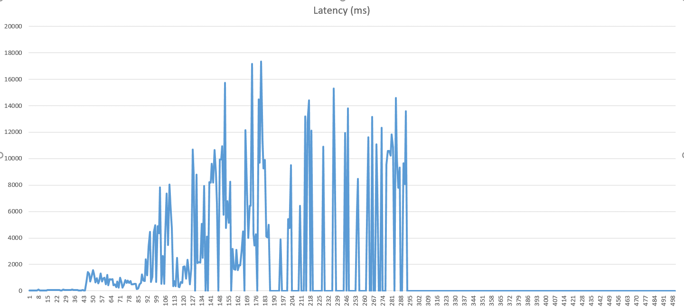
Thread Number | Latency
1 | 34
2 | 27
3 | 34
4 | 28
5 | 24
6 | 40
7 | 39
8 | 86
9 | 34
10 | 38
11 | 35
12 | 35
13 | 32
14 | 41
15 | 72
16 | 64
17 | 81
18 | 60
19 | 52
20 | 53
21 | 60
22 | 52
23 | 62
24 | 74
25 | 41
26 | 44
27 | 95
28 | 66
29 | 62
30 | 71
31 | 66
32 | 69
33 | 53
34 | 90
35 | 53
36 | 57
37 | 51
38 | 60
39 | 42
40 | 35
41 | 33
42 | 61
43 | 27
44 | 48
45 | 685
46 | 1426
47 | 1299
48 | 703
49 | 1103
50 | 1551
51 | 1288
52 | 621
53 | 945
54 | 583
55 | 758
56 | 1331
57 | 727
58 | 926
59 | 1012
60 | 487
61 | 1201
62 | 418
63 | 906
64 | 837
65 | 883
66 | 437
67 | 503
68 | 294
69 | 713
70 | 243
71 | 1001
72 | 649
73 | 251
74 | 452
75 | 801
76 | 601
77 | 767
78 | 618
79 | 738
80 | 494
81 | 488
82 | 547
83 | 520
84 | 144
85 | 189
86 | 495
87 | 616
88 | 1245
89 | 776
90 | 752
91 | 2409
92 | 1166
93 | 3367
94 | 4467
95 | 661
96 | 1066
97 | 4441
98 | 4954
99 | 677
100 | 4889
101 | 4359
102 | 7836
103 | 538
104 | 2639
105 | 536
106 | 4253
107 | 7379
108 | 3480
109 | 8038
110 | 6593
111 | 4723
112 | 336
113 | 736
114 | 354
115 | 2515
116 | 319
117 | 298
118 | 662
119 | 615
120 | 1811
121 | 1846
122 | 909
123 | 2364
124 | 1738
125 | 508
126 | 1707
127 | 10700
128 | 8825
129 | 0
130 | 8799
131 | 2100
132 | 2194
133 | 2158
134 | 5085
135 | 2483
136 | 7928
137 | 0
138 | 4126
139 | 0
140 | 8233
141 | 8185
142 | 9619
143 | 8172
144 | 10649
145 | 8820
146 | 6592
147 | 0
148 | 9957
149 | 9940
150 | 10929
151 | 5770
152 | 15750
153 | 4741
154 | 6808
155 | 5135
156 | 8266
157 | 0
158 | 3164
159 | 1647
160 | 1620
161 | 3106
162 | 1582
163 | 1949
164 | 1932
165 | 3026
166 | 4491
167 | 0
168 | 12153
169 | 8006
170 | 4007
171 | 6440
172 | 6419
173 | 17171
174 | 4289
175 | 3413
176 | 4293
177 | 0
178 | 14499
179 | 9678
180 | 17346
181 | 11422
182 | 9274
183 | 9898
184 | 4107
185 | 4053
186 | 5009
187 | 0
188 | 0
189 | 0
190 | 0
191 | 0
192 | 0
193 | 0
194 | 0
195 | 3886
196 | 0
197 | 0
198 | 0
199 | 0
200 | 0
201 | 5439
202 | 4739
203 | 9496
204 | 0
205 | 0
206 | 0
207 | 0
208 | 0
209 | 0
210 | 6449
211 | 0
212 | 0
213 | 0
214 | 13209
215 | 0
216 | 12846
217 | 14422
218 | 0
219 | 12105
220 | 0
221 | 0
222 | 0
223 | 0
224 | 0
225 | 0
226 | 0
227 | 0
228 | 10919
229 | 0
230 | 0
231 | 0
232 | 0
233 | 0
234 | 0
235 | 0
236 | 15306
237 | 10353
238 | 0
239 | 0
240 | 0
241 | 0
242 | 0
243 | 0
244 | 0
245 | 11942
246 | 0
247 | 13821
248 | 0
249 | 0
250 | 0
251 | 0
252 | 0
253 | 0
254 | 5921
255 | 8456
256 | 0
257 | 0
258 | 0
259 | 0
260 | 0
261 | 0
262 | 7662
263 | 11620
264 | 0
265 | 0
266 | 13160
267 | 0
268 | 0
269 | 11091
270 | 7485
271 | 0
272 | 0
273 | 12331
274 | 0
275 | 0
276 | 0
277 | 9538
278 | 10593
279 | 10573
280 | 10218
281 | 11845
282 | 10832
283 | 0
284 | 14597
285 | 10125
286 | 7809
287 | 9338
288 | 0
289 | 0
290 | 9664
291 | 8067
292 | 13585
293 | 0
294 | 0
295 | 0
296 | 0
297 | 0
298 | 0
299 | 0
300 | 0
301 | 0
302 | 0
303 | 0
304 | 0
305 | 0
306 | 0
307 | 0
308 | 0
309 | 0
310 | 0
311 | 0
312 | 0
313 | 0
314 | 0
315 | 0
316 | 0
317 | 0
318 | 0
319 | 0
320 | 0
321 | 0
322 | 0
323 | 0
324 | 0
325 | 0
326 | 0
327 | 0
328 | 0
329 | 0
330 | 0
331 | 0
332 | 0
333 | 0
334 | 0
335 | 0
336 | 0
337 | 0
338 | 0
339 | 0
340 | 0
341 | 0
342 | 0
343 | 0
344 | 0
345 | 0
346 | 0
347 | 0
348 | 0
349 | 0
350 | 0
351 | 0
352 | 0
353 | 0
354 | 0
355 | 0
356 | 0
357 | 0
358 | 0
359 | 0
360 | 0
361 | 0
362 | 0
363 | 0
364 | 0
365 | 0
366 | 0
367 | 0
368 | 0
369 | 0
370 | 0
371 | 0
372 | 0
373 | 0
374 | 0
375 | 0
376 | 0
377 | 0
378 | 0
379 | 0
380 | 0
381 | 0
382 | 0
383 | 0
384 | 0
385 | 0
386 | 0
387 | 0
388 | 0
389 | 0
390 | 0
391 | 0
392 | 0
393 | 0
394 | 0
395 | 0
396 | 0
397 | 0
398 | 0
399 | 0
400 | 0
401 | 0
402 | 0
403 | 0
404 | 0
405 | 0
406 | 0
407 | 0
408 | 0
409 | 0
410 | 0
411 | 0
412 | 0
413 | 0
414 | 0
415 | 0
416 | 0
417 | 0
418 | 0
419 | 0
420 | 0
421 | 0
422 | 0
423 | 0
424 | 0
425 | 0
426 | 0
427 | 0
428 | 0
429 | 0
430 | 0
431 | 0
432 | 0
433 | 0
434 | 0
435 | 0
436 | 0
437 | 0
438 | 0
439 | 0
440 | 0
441 | 0
442 | 0
443 | 0
444 | 0
445 | 0
446 | 0
447 | 0
448 | 0
449 | 0
450 | 0
451 | 0
452 | 0
453 | 0
454 | 0
455 | 0
456 | 0
457 | 0
458 | 0
459 | 0
460 | 0
461 | 0
462 | 0
463 | 0
464 | 0
465 | 0
466 | 0
467 | 0
468 | 0
469 | 0
470 | 0
471 | 0
472 | 0
473 | 0
474 | 0
475 | 0
476 | 0
477 | 0
478 | 0
479 | 0
480 | 0
481 | 0
482 | 0
483 | 0
484 | 0
485 | 0
486 | 0
487 | 0
488 | 0
489 | 0
490 | 0
491 | 0
492 | 0
493 | 0
494 | 0
495 | 0
496 | 0
497 | 0
498 | 0
499 | 0
500 | 0

