検証結果
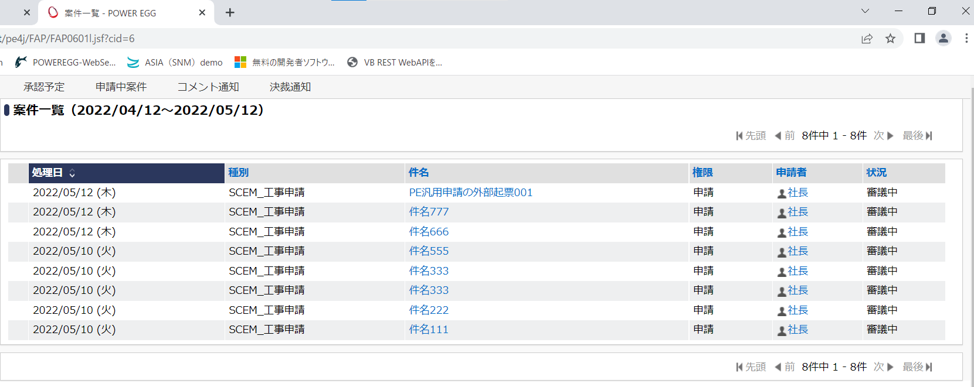
①外部から起票前の案件一覧

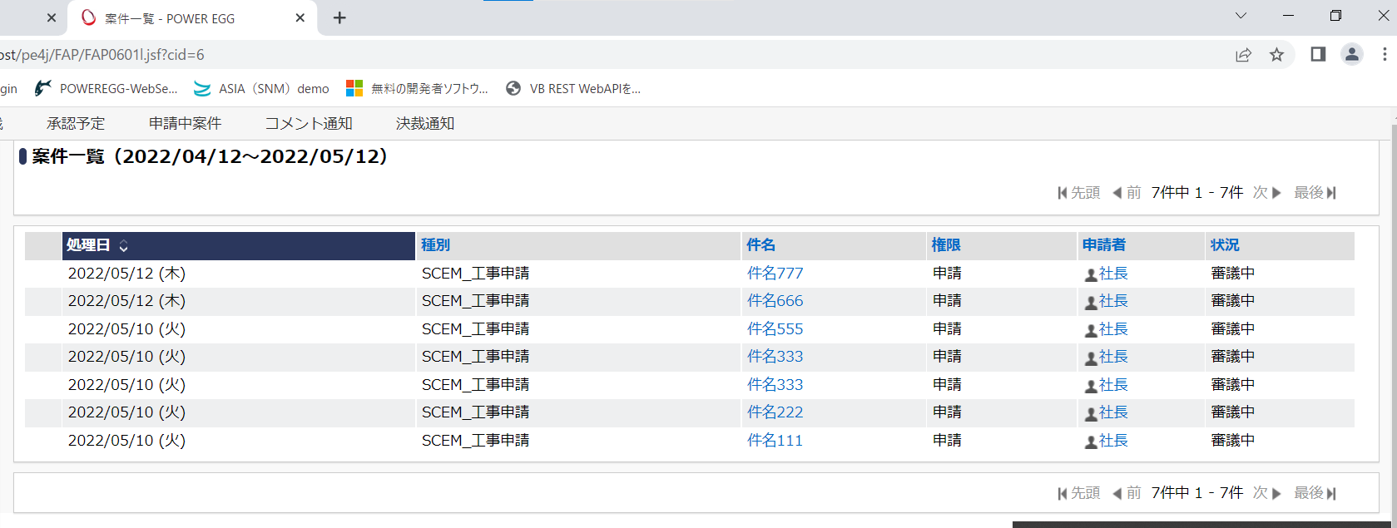

②外部から起票

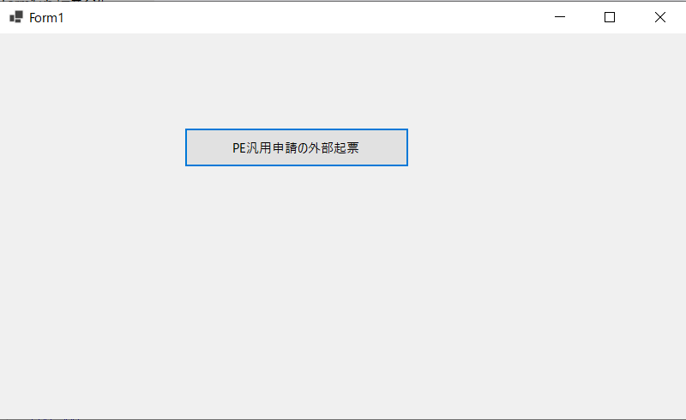
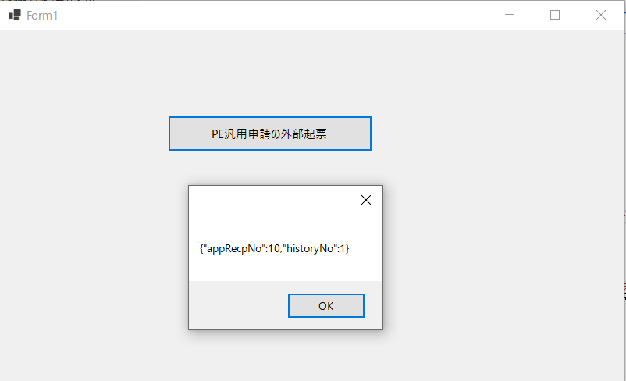

 | '' APIを呼び出すためのURL
 | Dim url As String = "http://localhost/pe4j/api/rest/v1/workflow/apply.json"

 | Using client As New Net.Http.HttpClient()

 | '' Request Body Json内容
 | Dim jsonText As String = "{""corpId"": ""MCF"",""deptCode"": ""AAA"",""empCode"": ""user01"",""appliedDate"": ""2022-05-12"",""baseForm"": ""m401"",""condition1"": ""999"",""title"": ""PE汎用申請の外部起票001"",""priority"": ""0001"",""contentXml"": ""<doc>申請内容 テスト</doc>"",""attachments"": null}"

 | '' X-API-Keyを設定
 | client.DefaultRequestHeaders.Add("X-API-Key", "0bdb69ae-0579-4a9c-96bd-3dbbba4bb16d")

 | Dim requestContent As New Net.Http.StringContent(jsonText, System.Text.Encoding.UTF8, "application/json")
 | Using response As Net.Http.HttpResponseMessage = client.PostAsync(url, requestContent).Result
 | Dim responseBody As String = response.Content.ReadAsStringAsync().Result
 | MessageBox.Show(responseBody)
 | End Using
 | End Using

③外部から起票後の案件一覧

外部から起票サンプル
①Webサービス認証キー発行
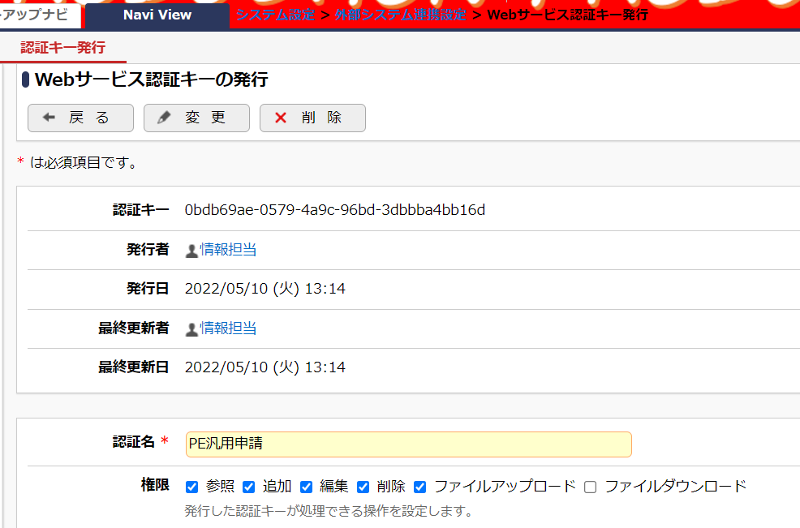

②REST ワークフローAPIの申請(POST)を実装する
 | ※PEの開発資料を参照。 /sdk/PE4J_V320CSDKAPI/documents/addon_guide/12_7_rest_workflow.html#post

 | VBサンプルコード（Visual Studio 2022）※WinFormsApp1.zip

 |  | Public Class Form1
 |  | Private Sub Button1_Click(sender As Object, e As EventArgs) Handles Button1.Click

 |  | '' APIを呼び出すためのURL
 |  | Dim url As String = "http://localhost/pe4j/api/rest/v1/workflow/apply.json"

 |  | Using client As New Net.Http.HttpClient()

 |  | '' Request Body Json内容
 |  | Dim jsonText As String = "{""corpId"": ""MCF"",""deptCode"": ""AAA"",""empCode"": ""user01"",""appliedDate"": ""2022-05-12"",""baseForm"": ""m401"",""condition1"": ""999"",""title"": ""PE汎用申請の外部起票001"",""priority"": ""0001"",""contentXml"": ""<doc>申請内容 テスト</doc>"",""attachments"": null}"

 |  | '' X-API-Keyを設定
 |  | client.DefaultRequestHeaders.Add("X-API-Key", "0bdb69ae-0579-4a9c-96bd-3dbbba4bb16d")

 |  | Dim requestContent As New Net.Http.StringContent(jsonText, System.Text.Encoding.UTF8, "application/json")
 |  | Using response As Net.Http.HttpResponseMessage = client.PostAsync(url, requestContent).Result
 |  | Dim responseBody As String = response.Content.ReadAsStringAsync().Result
 |  | MessageBox.Show(responseBody)
 |  | End Using
 |  | End Using

 |  | End Sub
 |  | End Class

