ICG
Mark
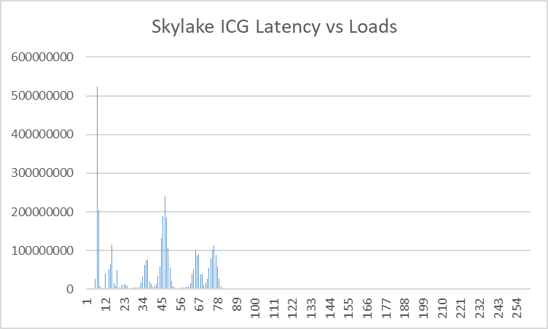

Mike
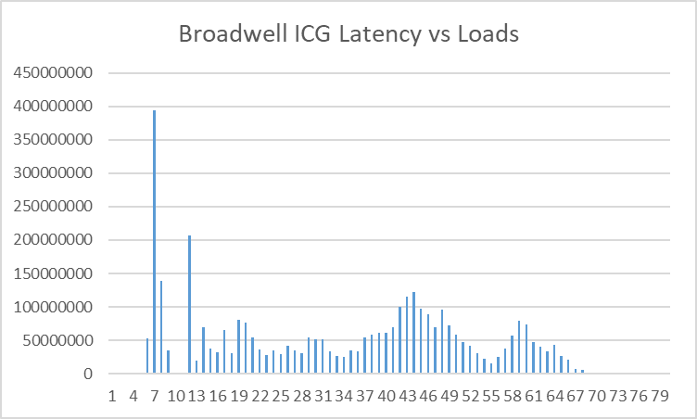

Catherine

Gifan

LCG
Mark
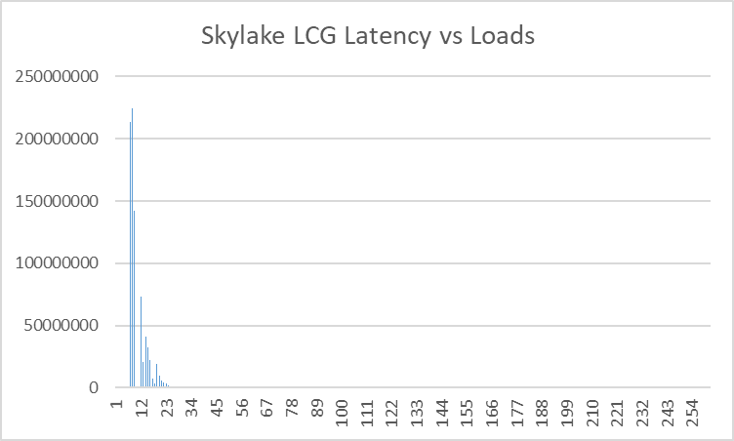

Mike
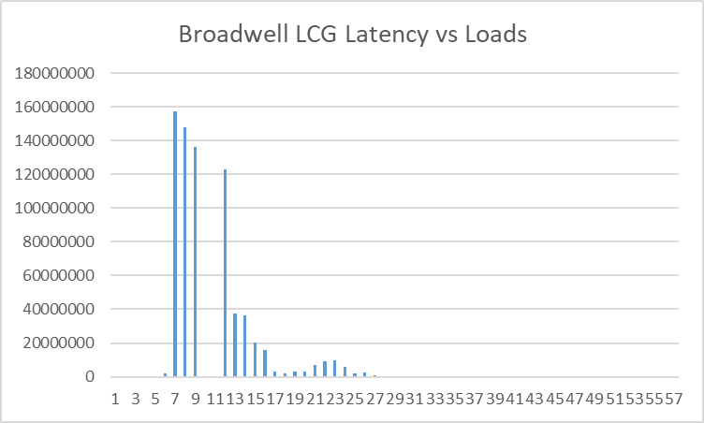

Catherine
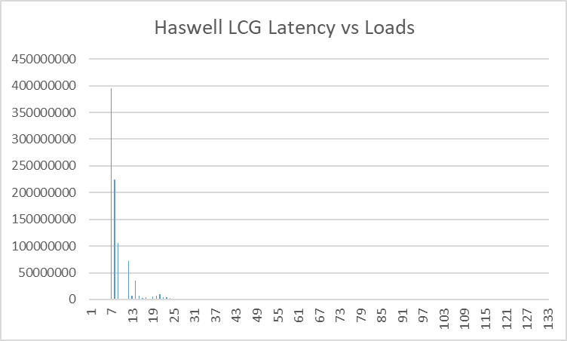

Gifan

LFG
Mark
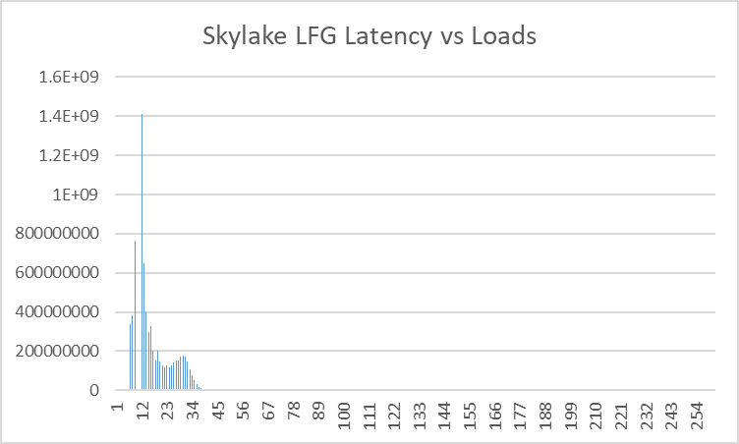

Mike
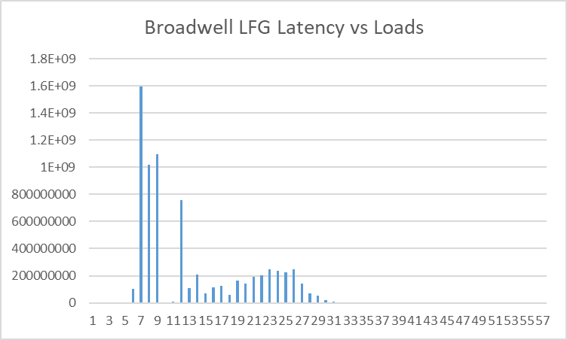

Catherine
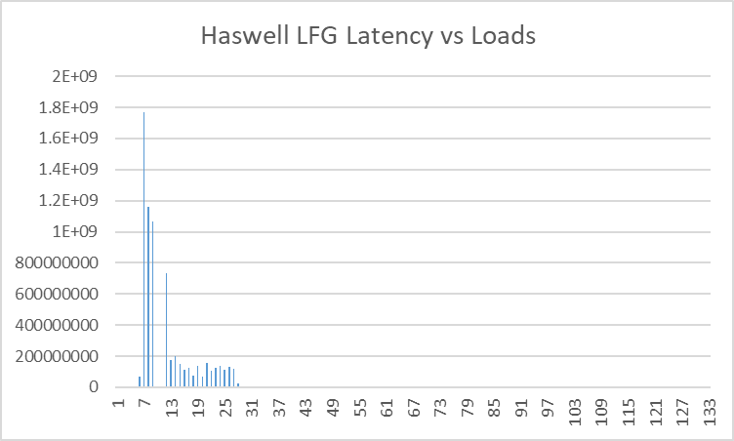

Gifan

TWISTER
Mark
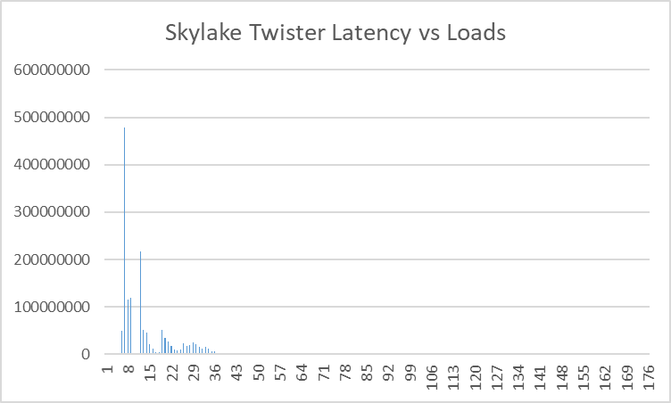

Mike
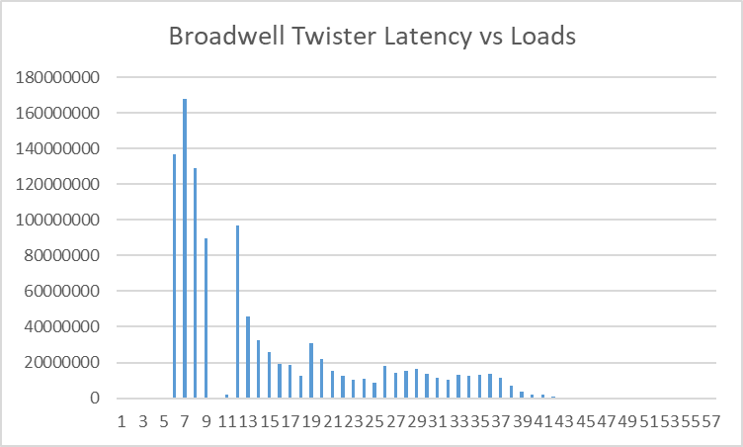

Catherine
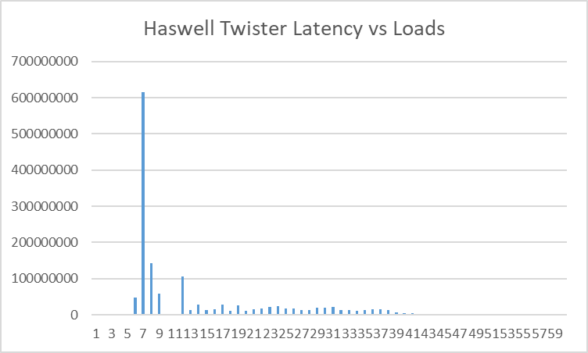

Gifan

XORSHIFT
Mark
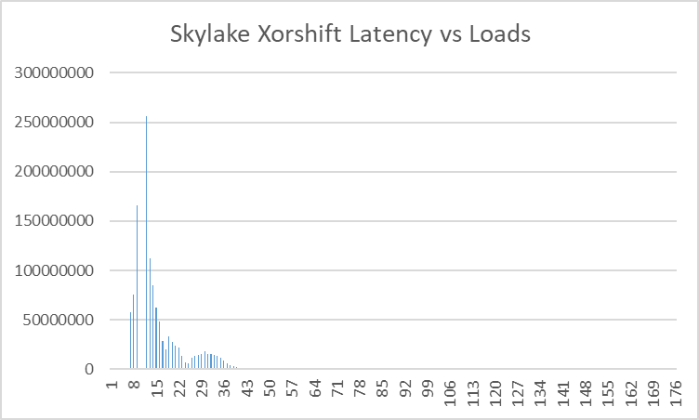

Mike
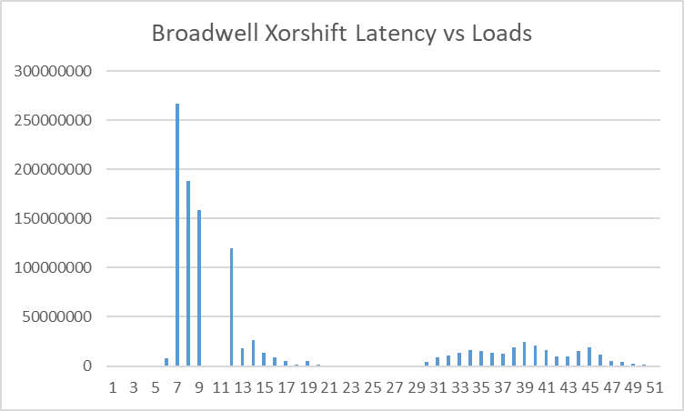

Catherine
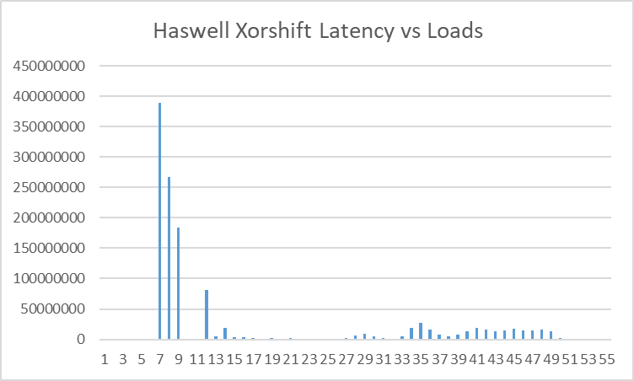

Gifan

Sheet7
 | 0 |  | 0 |  | 0 |  | 0
 | 0 |  | 0 |  | 0 |  | 0
 | 0 |  | 0 |  | 0 |  | 0
 | 0 |  | 0 |  | 0 |  | 0
 | 0 |  | 0 |  | 0 |  | 0
6 | 480144 | 6 | 47834346 | 6 | 67280178 | 6 | 720216
7 | 389456802 | 7 | 614464284 | 7 | 1766929920 | 7 | 395638656
8 | 267260154 | 8 | 142902858 | 8 | 1159067616 | 8 | 223807122
9 | 184495332 | 9 | 58457532 | 9 | 1067360112 | 9 | 105991788

Haswell LCG Latency vs Loads
 | 0
 | 0
 | 0
 | 0
 | 0
 | 720216
 | 395638656
 | 223807122
 | 105991788
 | 60018
 | 71421420
 | 6722016
 | 35830746
 | 7622286
 | 2760828
 | 4801440
 | 1140342
 | 5881764
 | 6782034
 | 9602880
 | 4081224
 | 4321296
 | 3120936
 | 360108
 | 1200360
 | 240072
 | 420126
 | 120036
...
11 | 180054 | 11 | 180054 | 11 | 1320396 | 11 | 60018
12 | 81384408 | 12 | 105451626 | 12 | 730899204 | 12 | 71421420
13 | 4741422 | 13 | 12603780 | 13 | 175732704 | 13 | 6722016
14 | 18725616 | 14 | 27428226 | 14 | 202020588 | 14 | 35830746
15 | 3481044 | 15 | 12183654 | 15 | 149684892 | 15 | 7622286
16 | 3781134 | 16 | 14404320 | 16 | 115174542 | 16 | 2760828
17 | 2160648 | 17 | 28568568 | 17 | 123697098 | 17 | 4801440
18 | 720216 | 18 | 11223366 | 18 | 77543256 | 18 | 1140342
19 | 2100630 | 19 | 27008100 | 19 | 135160536 | 19 | 5881764
20 | 780234 | 20 | 11103330 | 20 | 68960682 | 20 | 6782034
21 | 2100630 | 21 | 15064518 | 21 | 153586062 | 21 | 9602880
22 | 540162 | 22 | 17825346 | 22 | 105211554 | 22 | 4081224
23 | 120036 | 23 | 20946282 | 23 | 126998088 | 23 | 4321296
24 | 540162 | 24 | 22926876 | 24 | 139061706 | 24 | 3120936
25 | 1020306 | 25 | 17705310 | 25 | 110493138 | 25 | 360108
26 | 900270 | 26 | 16865058 | 26 | 131739510 | 26 | 1200360
27 | 2160648 | 27 | 13444032 | 27 | 116975082 | 27 | 240072
28 | 5881764 | 28 | 13744122 | 28 | 24187254 | 28 | 420126
29 | 9062718 | 29 | 19265778 | 29 | 2520756 | 29 | 120036
30 | 5041512 | 30 | 20046012 | 30 | 5701710
31 | 1980594 | 31 | 21426426 | 31 | 2640792
32 | 240072 | 32 | 12123636 | 32 | 60018
33 | 4261278 | 33 | 12423726
34 | 19385814 | 34 | 11703510
35 | 27368208 | 35 | 13564068 | 35 | 60018
36 | 15724716 | 36 | 15784734
37 | 8042412 | 37 | 14704410
38 | 5041512 | 38 | 13384014
39 | 7442232 | 39 | 7322196
40 | 13323996 | 40 | 4981494
41 | 18305490 | 41 | 4381314
42 | 15484644 | 42 | 1980594
43 | 12603780 | 43 | 1080324
44 | 14464338 | 44 | 900270
45 | 18005400 | 45 | 480144
46 | 14884464 | 46 | 180054 | 46 | 60018
47 | 14464338 | 47 | 60018
48 | 16624986 | 48 | 60018
49 | 12843852 | 49 | 60018
50 | 2520756
51 | 660198
52 | 1020306
53 | 660198 | 53 | 60018
54 | 60018 | 54 | 60018

 |  | 60 | 60018
 |  |  |  | 61 | 60018

 |  |  |  |  |  | 64 | 60018

 |  |  |  | 133 | 60018

