Sheet1
Velocity (m/s) vs Time (s)
push: Time = 2.1 s
going up ramp: Time = 2.6 to 3.2 s
going down ramp: Time = 3.2 to 3.8 s
caught: Time = 3.9 s
Cart |  |  |  |  |  |  |  | All trials used these heights
Run # | H150 (m) | H50 (m) | sin θ | aslope (m/s2) | amean (m/s2) |  |  | H150 (m) | H50 (m) | sin θ
1 | 0.178 | 0.076 | 0.102 | 1.02 | 1.03 |  |  | 0.217 | 0.075 | 0.142
2 | 0.25 | 0.076 | 0.174 | 1.74 | 1.74
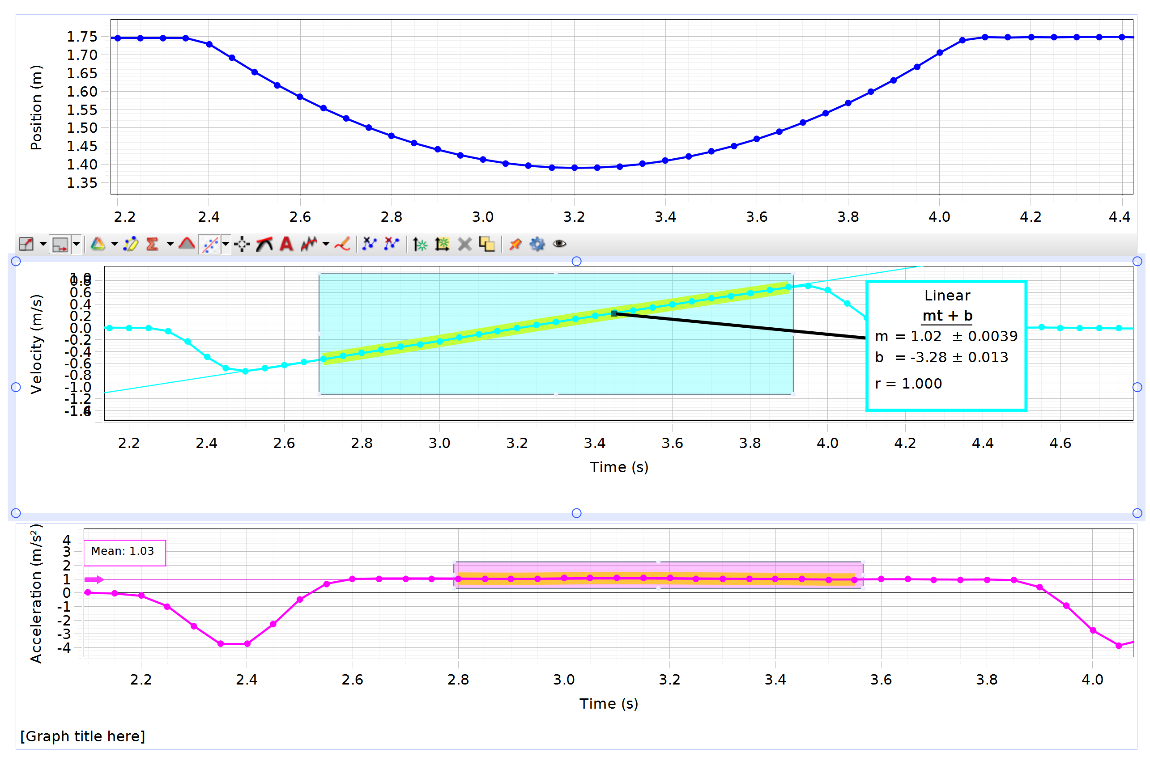
3 | 0.283 | 0.073 | 0.21 | 2.09 | 2.08 |  | PVC
4 | 0.163 | 0.077 | 0.086 | 0.88 | 0.89 |  |  | a1 (m/s2) | a2 (m/s2) | a3 (m/s2) | a4 (m/s2) | a5 (m/s2)
5 | 0.126 | 0.078 | 0.048 | 0.493 | 0.49 |  | going up | 3.89 | 4.24 | 4.09 | 4.88 | 4.99
 |  |  |  |  |  |  | going down | -1.37 | -1.18 | -1.34 | -1.3 | -1.19

Run # | H150 (m) | H50 (m) | aslope-up (m/s2) | sin θ | aslope-down (m/s2) | μeff |  | amean (m/s2) | σa (m/s2) | SE (m/s2) | δa (m/s2)
6 | 0.096 | 0.079 | 0.22 | 0.017 | 0.16 | 0.003 | going up | 4.418 | 0.48956102786 | 0.21893834749 | 0.42911916107
 |  |  |  |  |  |  | going down | -1.276 | 0.0867755726 | 0.038807215824 | 0.076062143015
 |  |  |  |  | slope | y int
 |  |  |  | mean | 9.7818181818 | 0.033054545455
 |  |  |  | SE | 0.09556270928 | 0.01313631016 | PVC mass (kg) | μk | Fk (N) | δμk
μ_{k}
Result: 0.29 +/- 0.02
Range: 0.27 to 0.31
Expected: 0.27 to 0.37
Agree: Yes
 |  |  |  | AE | 0.18730291019 | 0.025747167914 | 0.09 | 0.293 | 0.256 | 0.02
Slope (m/s²)
Result: 9.8 +/- 0.1
Range: 9.7 to 9.9
Expected: 9.81
Agree: Yes
Y-Intercept (m/s²)
Result: 0.03 +/- .01
Range: 0.02 to 0.04
Expected: 0.00
Agree: No
 |  |  |  |  |  |  |  | H150 (m) | H50 (m) | sin θ | μk
 |  |  |  |  |  |  | high | 0.45 | 0.103 | 0.347 | 0.37
 |  |  |  |  |  |  | low | 0.334 | 0.072 | 0.262 | 0.271

 |  |  |  |  |  |  |  |  |  |  |  |  | The velocity is equal to 0 m/s when Time = 3.2 sec
 |  |  |  |  |  |  |  |  |  |  |  |  | The acceleration is equal to 0 m/s when Time = 2.2 sec and 4.1 sec

amean (m/s2) vs sin θ

