工作表2
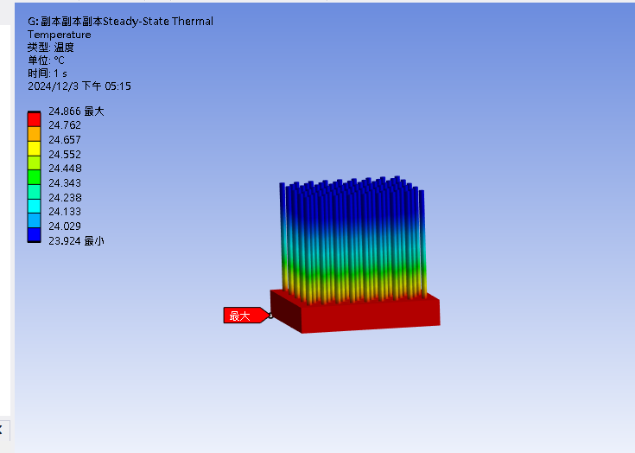
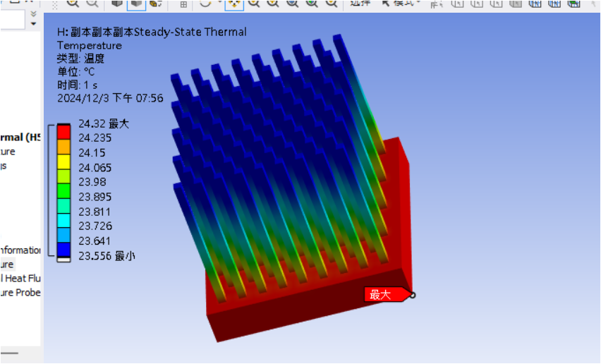
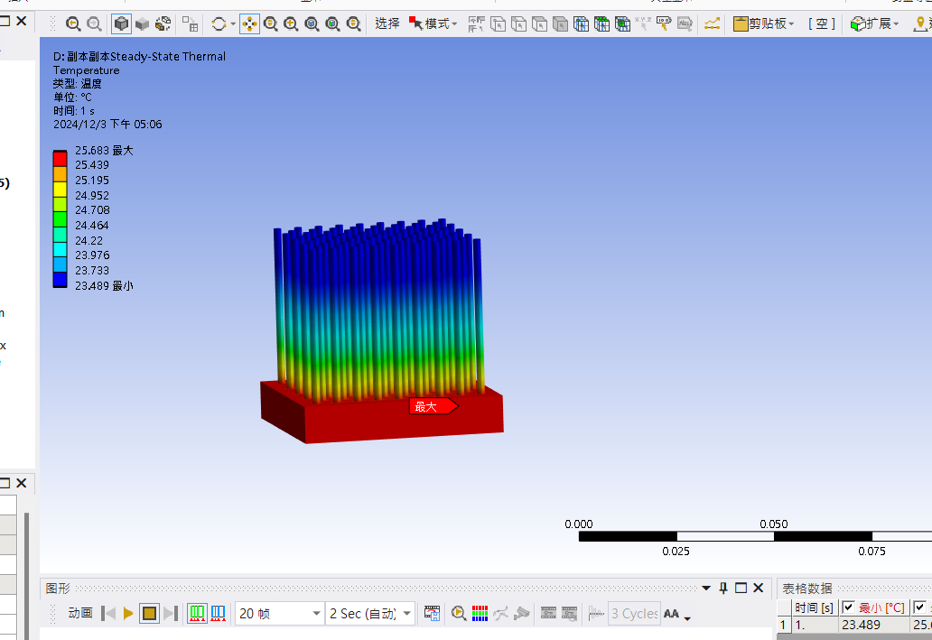
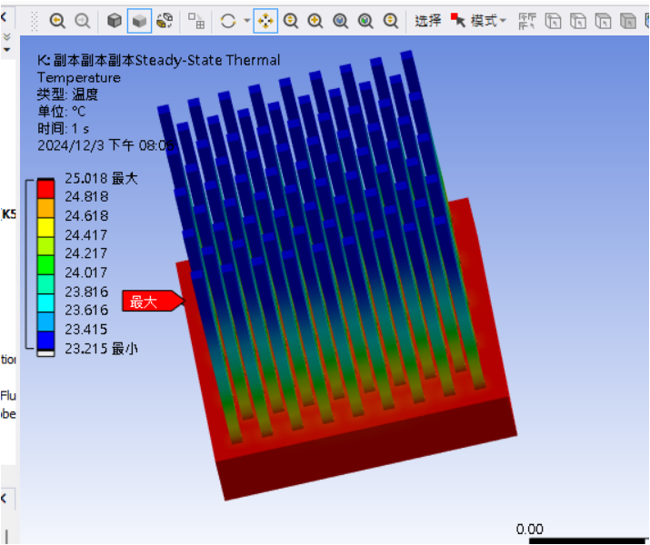
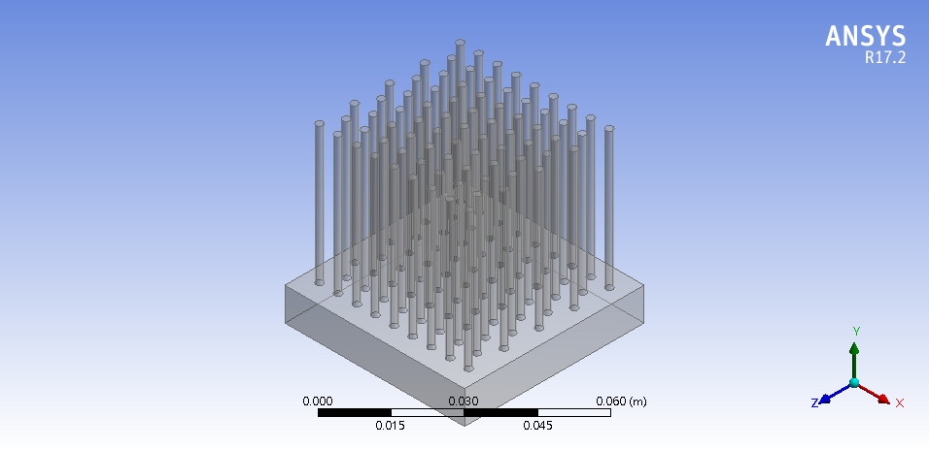
ANSYS TUTORIAL | Steady-State Thermal Analysis | Analysis of Heat Sink
https://youtu.be/eLb-dyrUlPI
STEDY STATE THERMAL analysis of a "HEAT SINK" in ANSYS WORKBENCH // TUTORIAL-27
https://youtu.be/ieVw-9OuFm4

 | Material | A16061/Al7075 |  |  | Base = 52x52x9.5mm
 |  | ADC12 |  |  | Height = 40mm
 |  | Cu

 | square/in-line |  |  |  |  | square/stagger
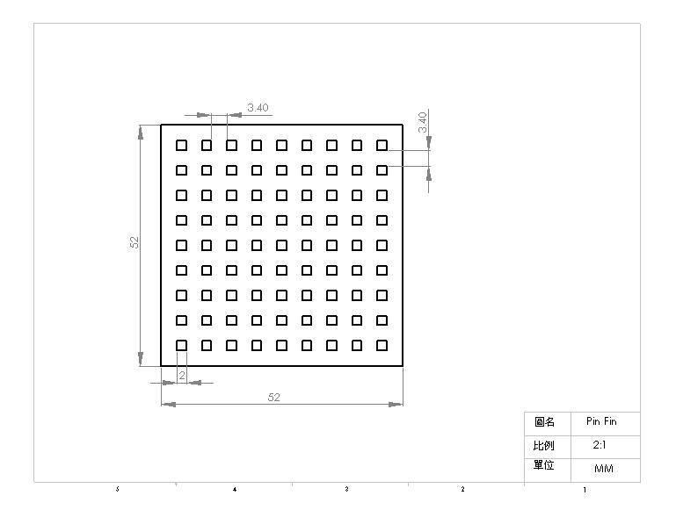
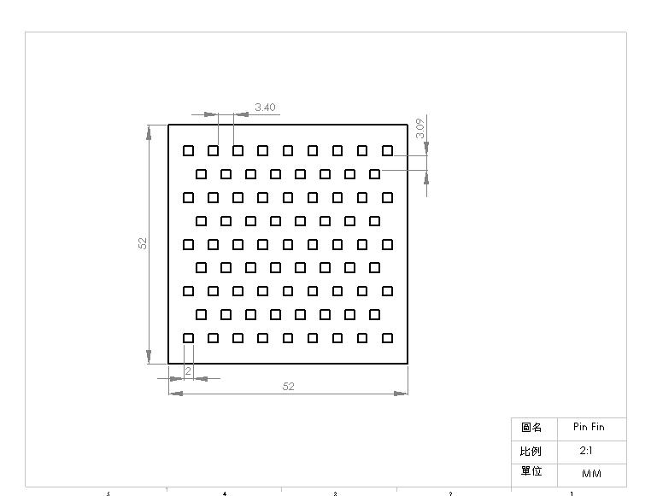

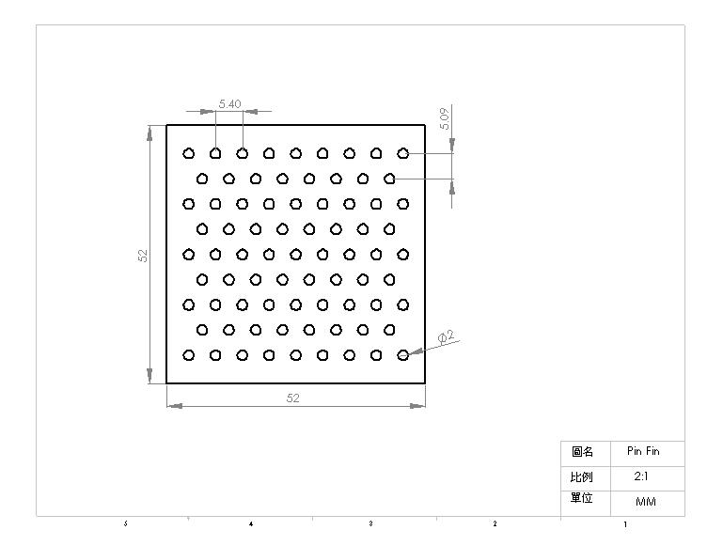
 |  |  |  |  |  | circular/stagger
 | circular/in-line
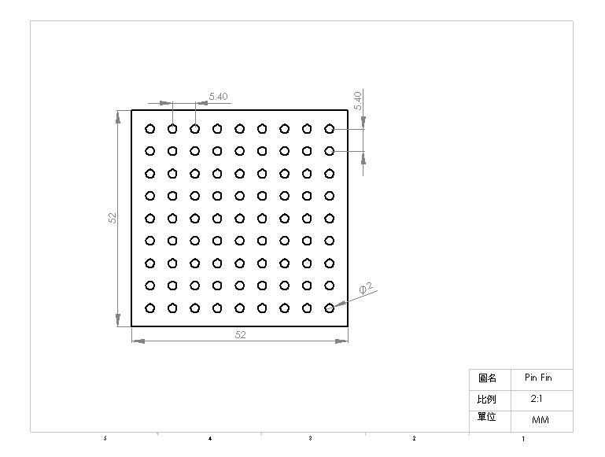

 |  |  |  | 頂部 | 中間 | 底部
Alignment | Material | Cross-section | Watt | Tip (℃) | Tm (℃) | Tb (℃) | Element type | Elements | Nodes
in-line | Cu | square | 1 | 22.298 | 22.379 | 22.444
 | ADC12 | square | 1 | 22.233 | 22.334 | 22.578
 | Cu | square | 3 | 22.893 | 23.136 | 23.331
 | ADC12 | square | 3 | 22.699 | 22.96 | 23.735
 | Cu | square | 5 | 23.488 | 23.894 | 24.219
 | ADC12 | square | 5 | 23.165 | 23.601 | 24.891
 | Cu | circular | 1 | 22.369 | 22.649 | 22.584
 | ADC12 | circular | 1 | 22.286 | 22.393 | 22.706
 | Cu | circular | 3 | 23.107 | 23.346 | 23.645
 | ADC12 | circular | 3 | 22.859 | 23.242 | 24.118
 | Cu | circular | 5 | 23.845 | 24.244 | 24.741
 | ADC12 | circular | 5 | 23.433 | 23.964 | 25.525
staggerred | Cu | square | 1 | 22.311 | 22.352 | 22.464
 | ADC12 | square | 1 | 22.243 | 22.349 | 22.604
 | Cu | square | 3 | 22.933 | 23.02 | 23.392
 | ADC12 | square | 3 | 22.729 | 23.048 | 23.811
 | Cu | square | 5 | 23.556 | 23.805 | 24.32
 | ADC12 | square | 5 | 23.215 | 23.84 | 25.018
 | Cu | circular | 1 | 22.385 | 22.429 | 22.573
 | ADC12 | circular | 1 | 22.297 | 22.43 | 22.738
 | Cu | circular | 3 | 23.154 | 23.309 | 23.72
 | ADC12 | circular | 3 | 22.892 | 23.479 | 24.213
 | Cu | circular | 5 | 23924 | 24.23 | 24.866
 | ADC12 | circular | 5 | 23.489 | 24.037 | 25.683

完成製作溫度分布之模擬動畫
將Fluent分析檔及動畫檔一併繳交

溫度分布圖

Cu in-line-1W |  | C |  |  |  |  | S |  | ADC12 in-line-1W | C |  | S

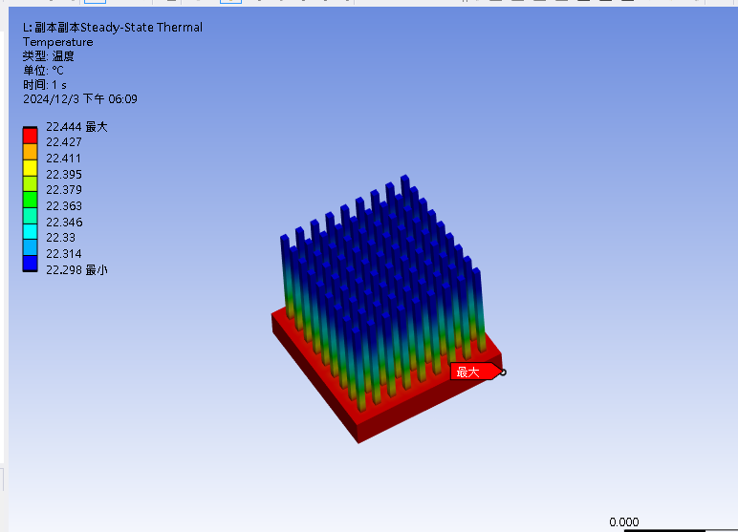
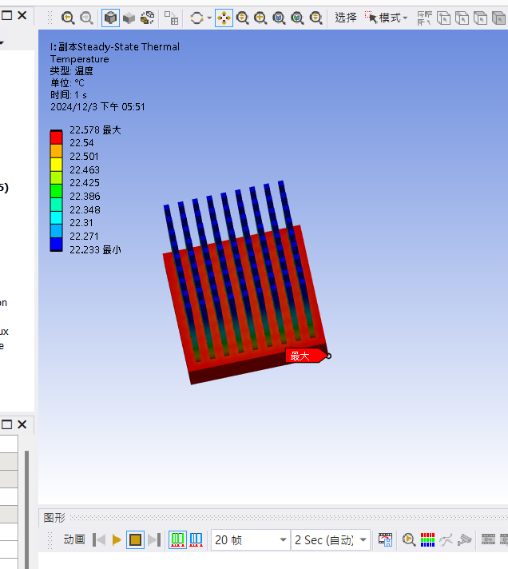
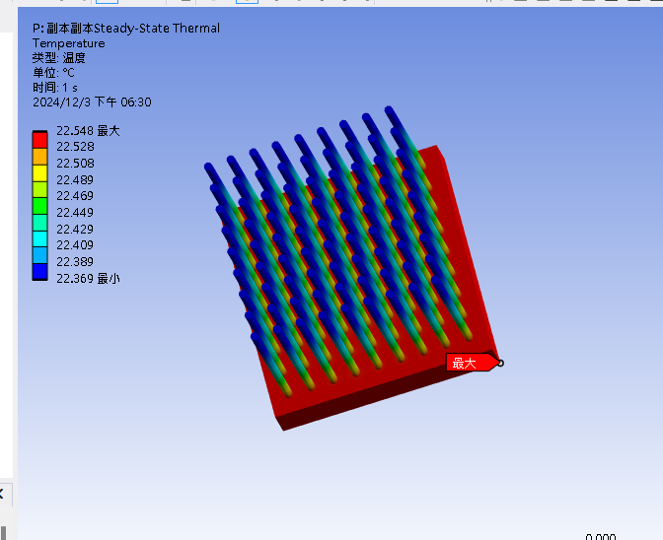
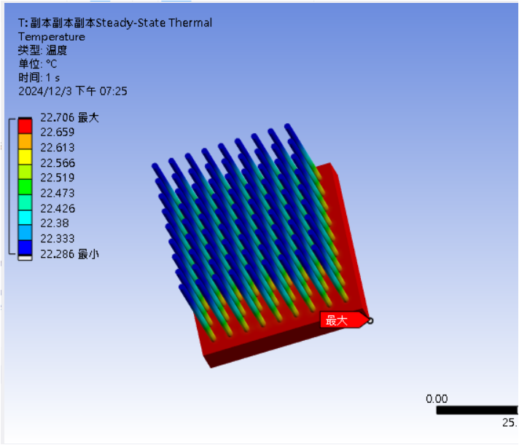

Cu in-line-3W |  |  |  |  |  |  |  |  | ADC12 in-line-3W
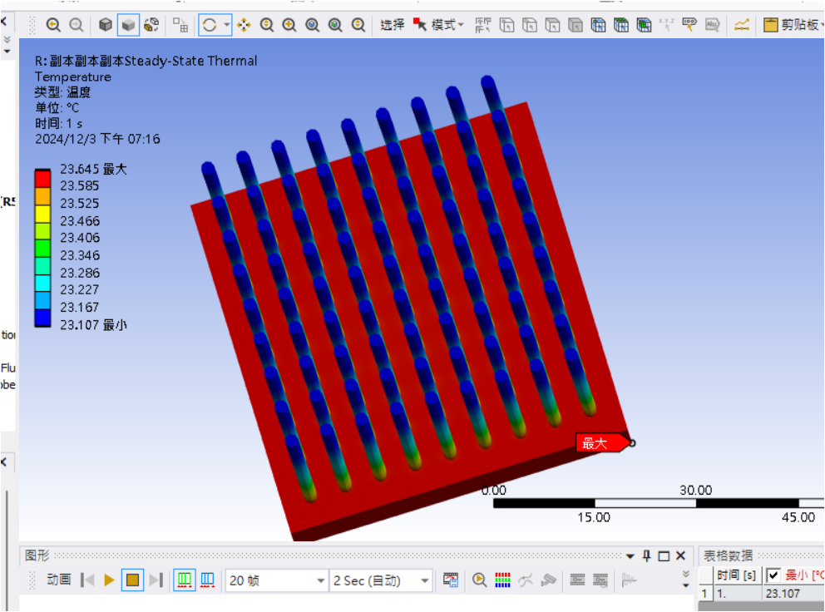
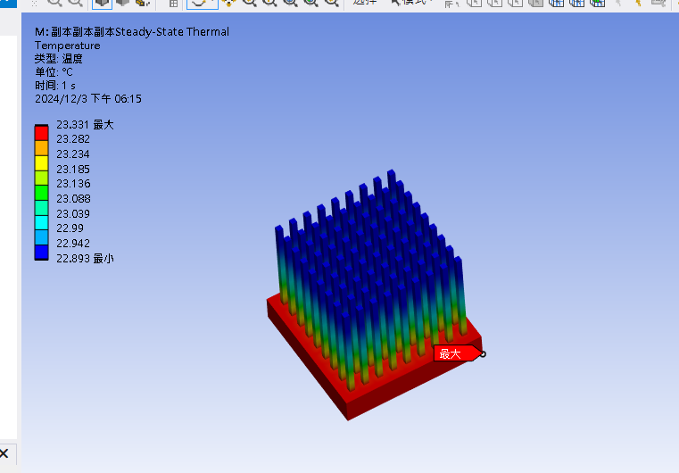
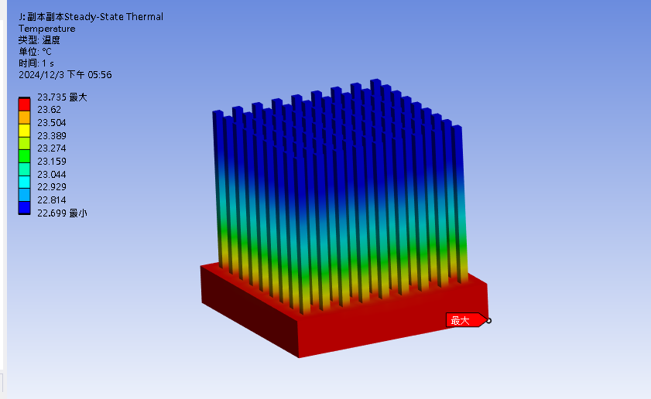
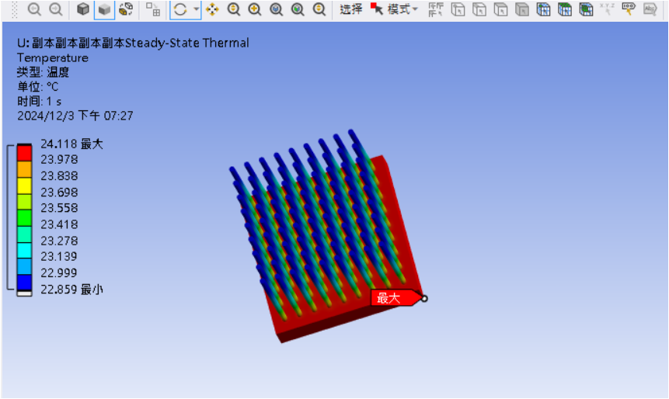

Cu in-line-5W |  |  |  |  |  |  |  |  | ADC12 in-line-5W

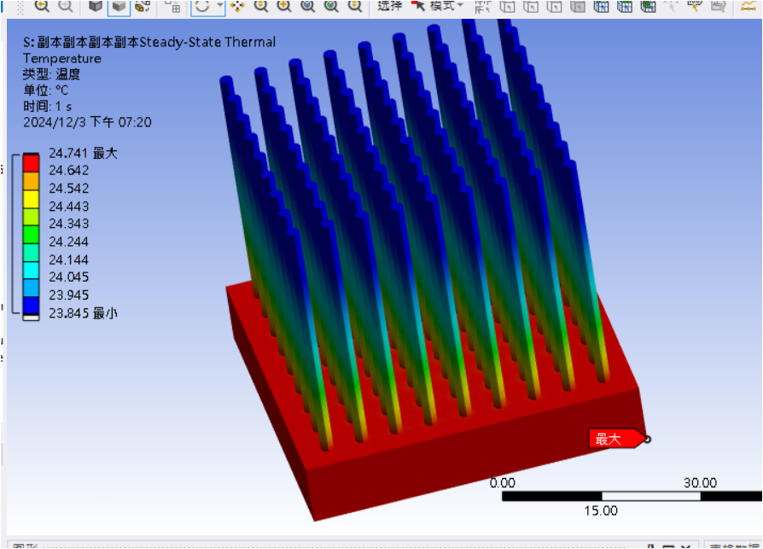
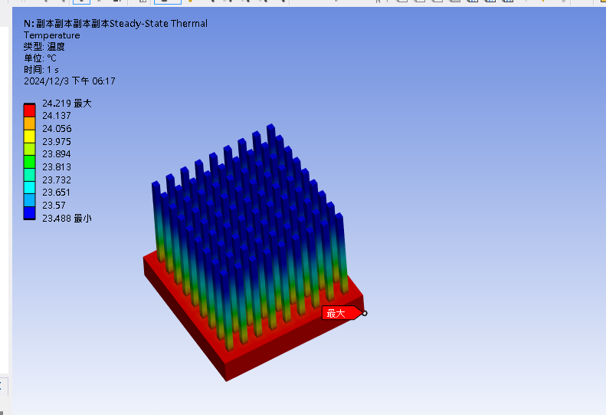
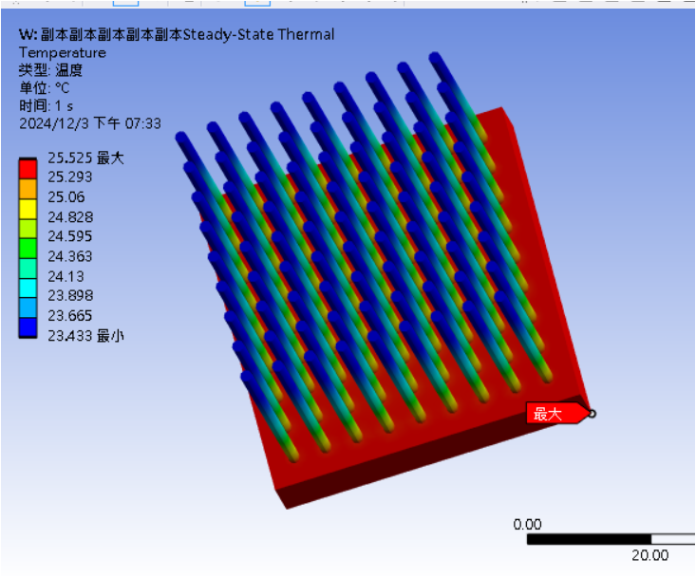
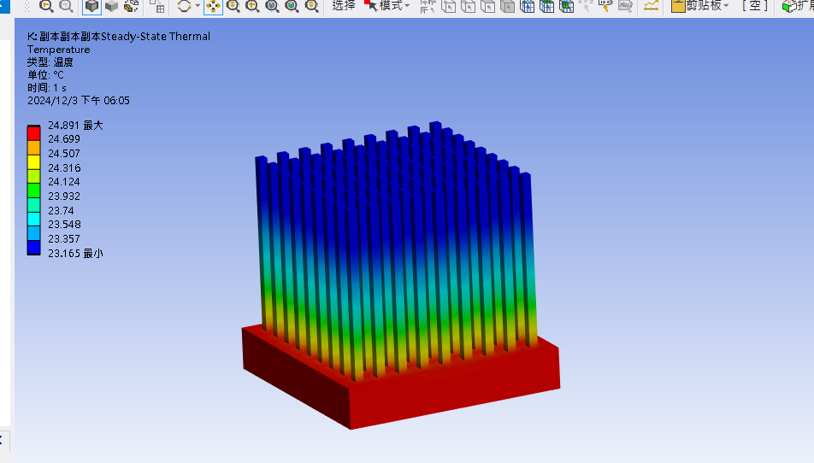

Cu staggerred-1W |  |  | C |  |  |  | S |  | ADC12 staggerred-1W |  | C |  | S
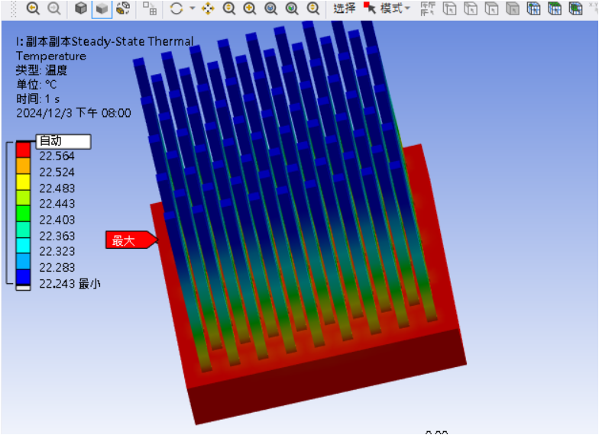
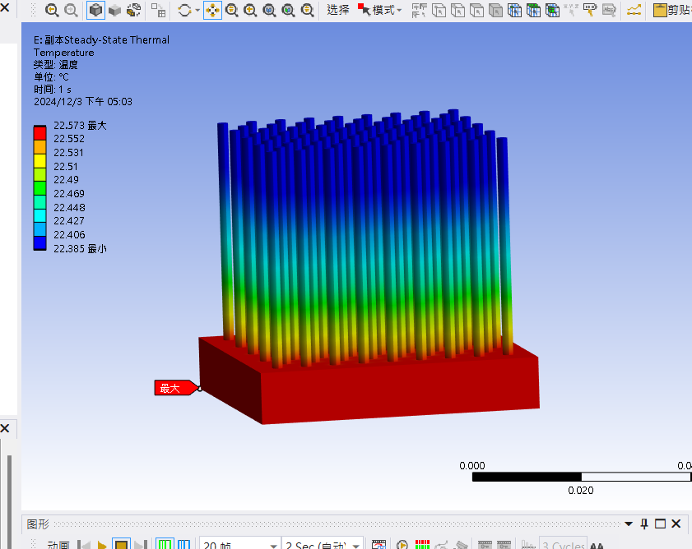
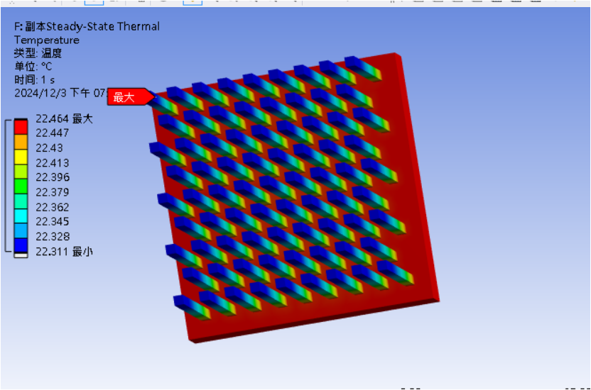
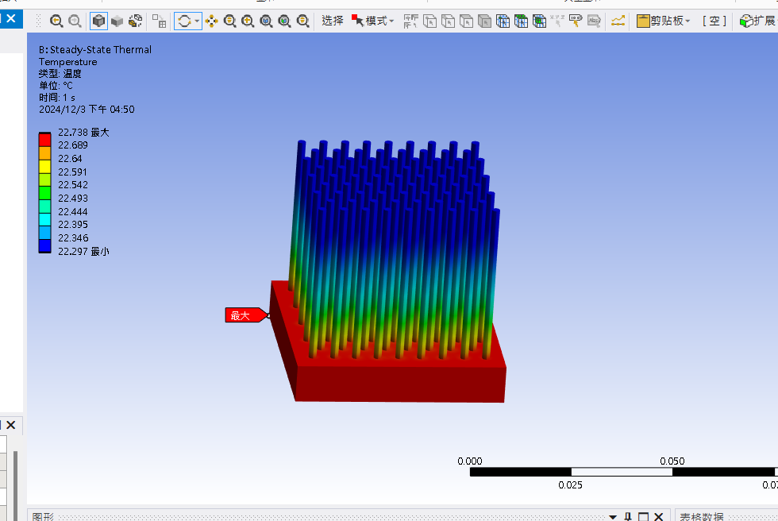

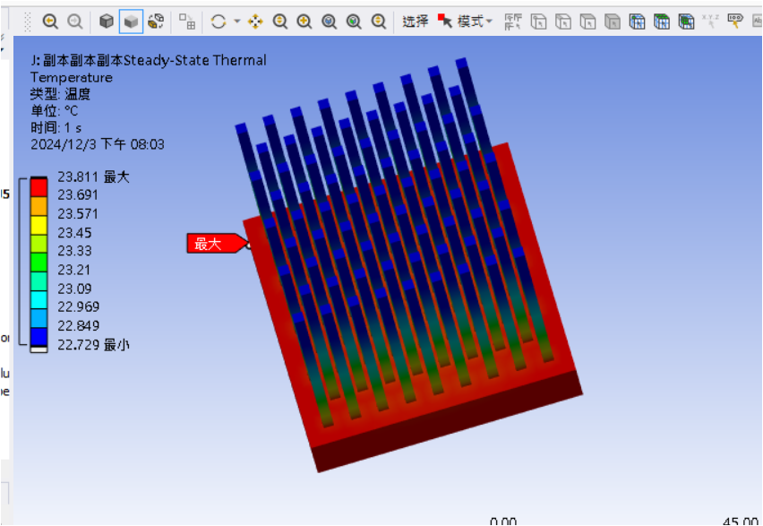
Cu staggerred-3W |  |  |  |  |  |  |  |  | ADC12 staggerred-3W

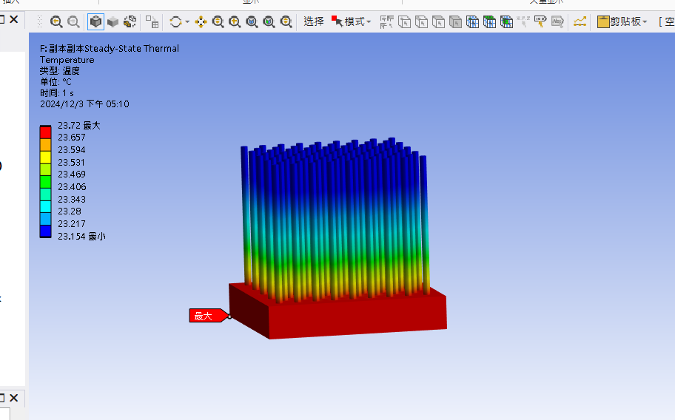
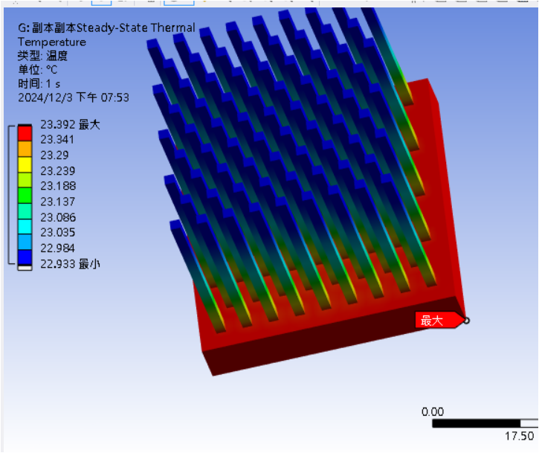
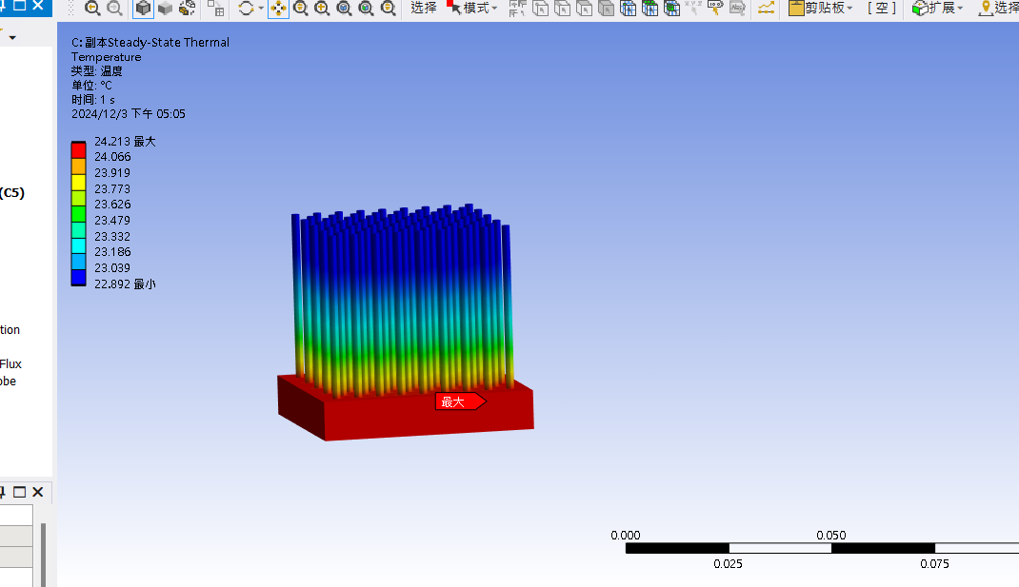

Cu staggerred-5W |  |  |  |  |  |  |  |  | ADC12 staggerred-5W

