Sheet1
Scenario | Details | Suitable? | Reason | Images
Open courtyard with no sharp objects | The courtyard is clean, free of sharp tools, and has soft ground or sand. | Yes | Ensures a safe outdoor play area for children, reducing injury risks. | 
Kitchen with open fire stove | The kitchen has an open fire stove without a barrier, with utensils and hot liquids within reach of children. | No | Open flames and accessible hot liquids pose a significant risk of burns and injuries to children. | 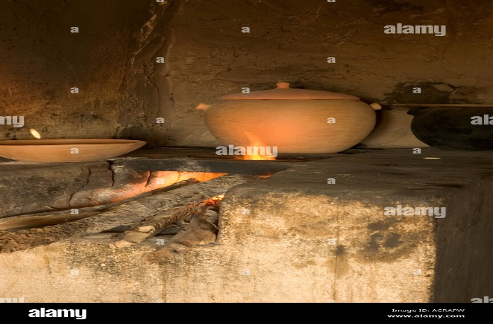
Mud house with hanging electrical wires | Exposed electrical wires hanging from the ceiling or walls in a mud house. | No | Dangling or exposed electrical wires are an electrocution hazard for children. | 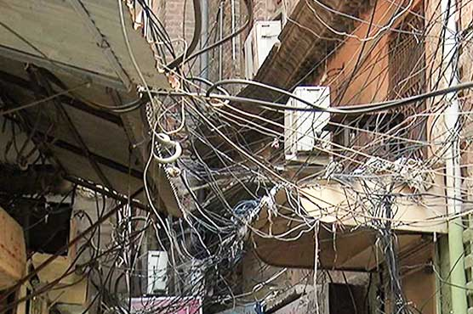
Playground with natural fencing | A simple playground with soft ground, natural fencing made of bamboo, and age-appropriate swings. | Yes | Natural materials are used to create a child-friendly play space, minimizing safety concerns. | 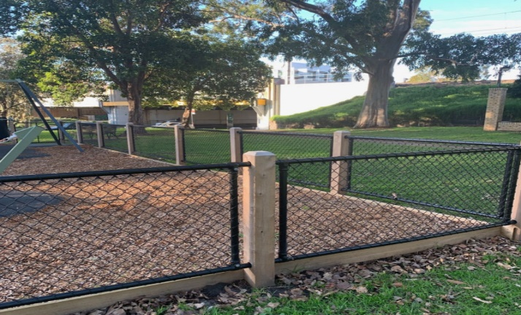
Open well with no cover | A well in the backyard or field is left uncovered, with no protective barrier. | No | Uncovered wells are a drowning hazard for unsupervised children. | 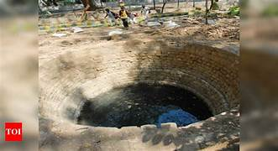
Clean and spacious veranda | A veranda with a clean floor, secured furniture, and shaded areas for children to play and rest. | Yes | 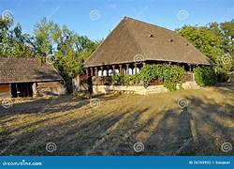 Provides a safe, shaded, and clutter-free area for children, common in rural homes.
Farm equipment stored in open spaces | Sharp tools like sickles and axes, along with pesticides, are left unattended in open spaces. | No | 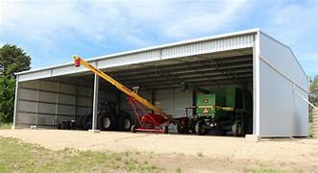 Unsecured tools and chemicals pose severe safety risks, including cuts and poisoning.
Community hall with child-friendly mats | The community hall is equipped with mats or carpets for children to sit and play on, with no dangerous items like broken furniture nearby. | Yes | Provides a safe communal area for children to play, often used in panchayat spaces. | 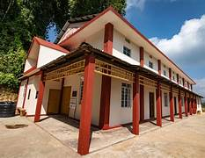
Cow shed adjacent to home | The cow shed is near the home but is cleaned regularly and has no sharp tools or hazardous substances within the children’s reach. | Yes | With proper cleaning and management, the area poses no immediate danger to children. | 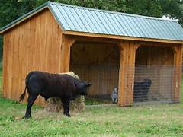
Fields with irrigation canals | Irrigation canals are left open with no barriers, and slippery mud paths are nearby. | No | Open canals and slippery paths present drowning and injury risks for children | 