Calcs
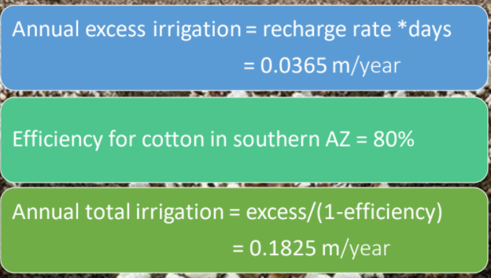
Wildcat Farm |  |  |  |  | Irrigation Needed per Day
30 | acres |  |  | Crop | [in/day] | [m/day] | Excess m/d | [m^3/day] | Efficiency | Wildcat_Q [m^3/d] | ACME_Q1 [m^3/d] | ACME_Q2 [m^3/d]
4047 | acre conversion factor |  |  | Cotton | 0.28 | 0.007 | 0.001 | 863 | 0.8 | 863
121410 | m^2 |  |  | Alfalfa | 0.4 | 0.0102 | 0.0015 | 20559 | 0.85 |  | 10279.400559 | 10279.400559
348.44 | length & width (m)
300 | approx. L&W (m) |  | 3 cells
39.37 | inch to meter factor |  |  |  |  |  |  |  | Trials | Wildcat_Q [m^3/d] | ACME_Q1 [m^3/d] | ACME_Q2 [m^3/d]
excess = irr/d * (1-eff) |  |  |  |  |  |  |  | Initial condition |  | 863 | 10279 | 10279
 |  |  |  |  |  |  |  |  | 1
ACME Farm |  |  |  |  |  |  |  |  | 2
500 | acres |  |  |  |  |  |  |  | 3
2023500 | m^2 |  |  |  |  |  |  |  | 4
2011.7 | length (m) | 20 | cells |  |  |  |  |  | 5
1005.9 | width (m) | 10 | cells |  |  |  |  |  | 6
2023500 | solver constraint |  |  |  |  |  |  |  | 7
2000 | approx length (m) |  |  |  |  |  |  |  | 8
1000 | approx width (m) |  |  |  |  |  |  |  | 9
 |  |  |  |  |  |  |  |  | 10

