Homogeneous conceptual modflow
 | constant head boundary 15 m |  |  |  |  |  |  |  |  |  |  |  |  |  |  |  |  |  |  |  |  |  |  |  | Constant head boundary 10m

 |  |  | ncolumns

 |  |  | 1 | 2 | 3 | 4 | 5 | 6 | 7 | 8 | 9 | 10 | 11 | 12 | 13 | 14 | 15 | 16 | 17 | 18 | 19 | 20 | 21 | 22 | 23 | 24 | 25
nrows |  | 1
 |  | 2
 |  | 3 |  |  |  |  |  |  |  |  |  |  |  |  |  |  |  |  |  |  |  |  |  |  |  |  |  | 0 | 15
 |  | 4 |  |  |  |  |  |  |  |  |  |  |  |  |  |  |  |  |  |  |  |  |  |  |  |  |  | 25 | 10
 |  | 5
 |  | 6
Cross Section of Head Gradient
 |  | 7
 |  | 8
 |  | 9
 |  | 10
Direction of flow
 |  | 11
 |  | 12
 |  | 13
 |  | 14
 |  | 15
 |  | 16
 |  | 17
 |  | 18
 |  | 19
 |  | 20
 |  | 21
 |  | 22
 |  | 23
 |  | 24
 |  | 25

 | =active cells, in the .bas file =1
 | =constant head boundary- inactive cells, in the .bas file =-1

 |  |  |  |  |  |  | NLAYER |  | 1
 |  |  |  |  |  |  | NROW |  | 25
 |  |  |  |  |  |  | NCOL |  | 25
 |  |  |  |  |  |  | NPER |  | 1
 |  |  |  |  |  |  | ITMUNI |  | days
 |  |  |  |  |  |  | LENUNI |  | meters

 |  |  |  |  |  |  | each cell is 1 meter x 1 meter
 |  |  |  |  |  |  | Domain is 25 meters, total thichkness is 25 meters

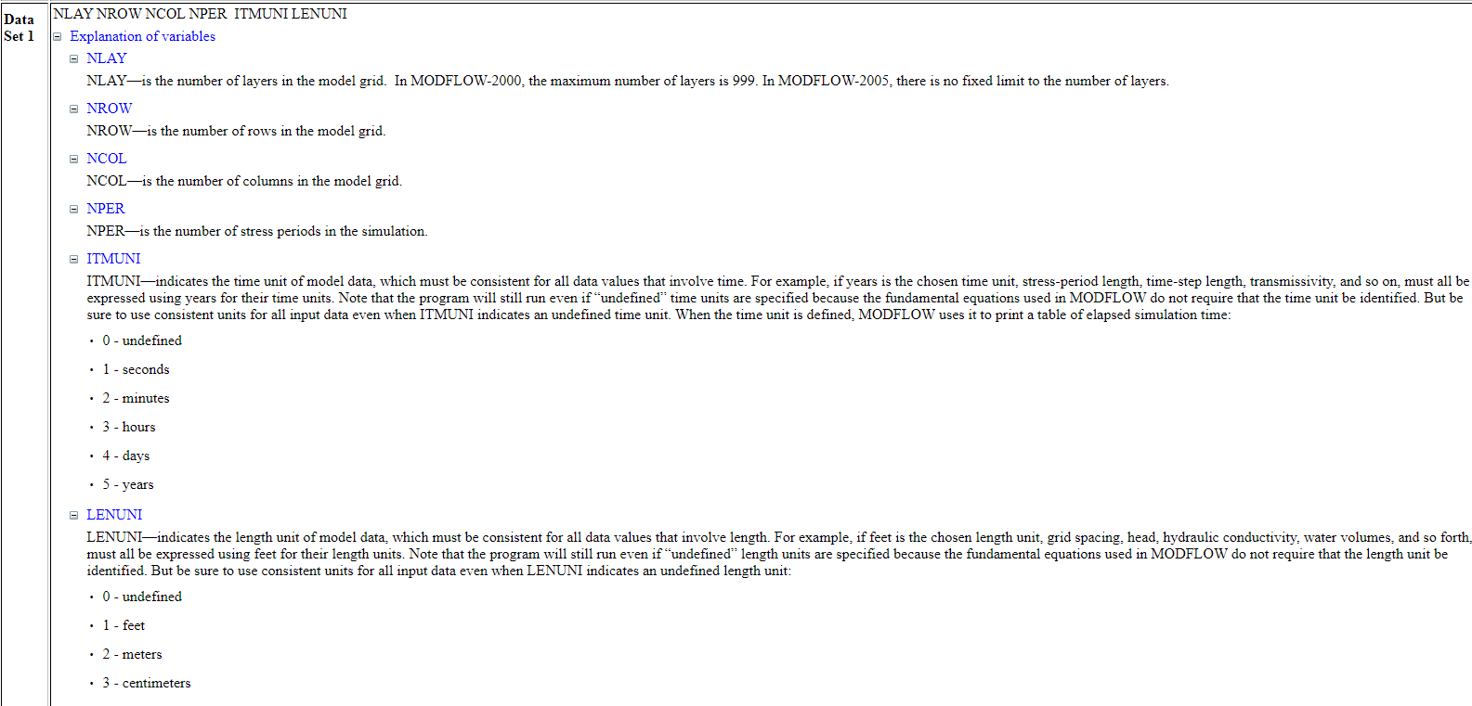
 |  |  |  |  |  |  | * This is a conceptual model for a Homogenous scenario in MODFLOW
 |  |  |  |  |  |  | * k value for all green cells are 1m/day

