AllModels
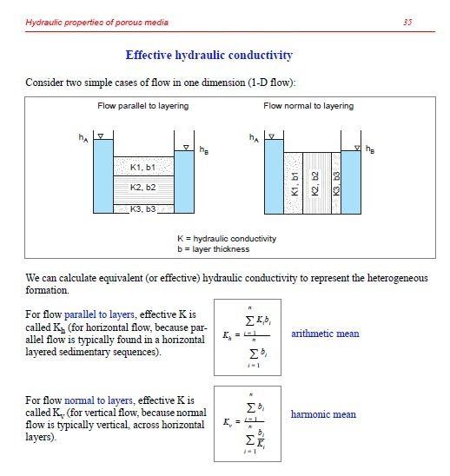
HW3 - Xenia De Gracia - Feb 08, 2022.
 |  |  |  |  |  |  |  |  | Information extracted from BoxModel_flopy.list
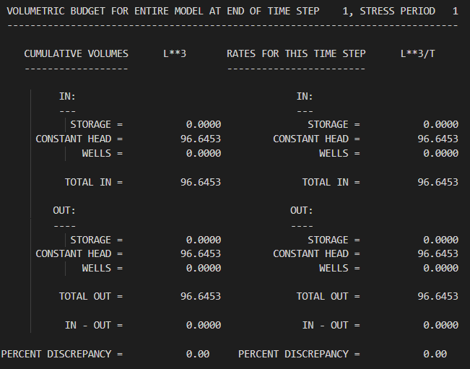
 |  | dh (m) | dl (m) |  | z axis | 10 | m
 | Left | 10 | 0 |  | y axis | 2500 | m
 | Right | 0 | 2500 |  | Cross section | 25000 | m2
 | Total | -10 | 2500
 | dh/dl = | -0.004 |  |  | # cells background | 600
 |  |  |  |  | K in background | 1
 |  |  |  |  | # cells inclusion | 25
 |  | ¯ Information extracted from BoxModel_flopy.list
 | K inclusion | Q flopy.list | Flux (q) | K effective | K harmonic | Q harmonic | K arithmetic | Q arithmetic
 | 0.01 | 94.871 | 0.004 | 0.949 | 0.202 | 20.161 | 0.960 | 96.040
 | 0.1 | 96.645 | 0.004 | 0.966 | 0.735 | 73.529 | 0.964 | 96.400
 | 1 | 104.167 | 0.004 | 1.042 | 1.000 | 100.000 | 1.000 | 100.000
 | 10 | 111.683 | 0.004 | 1.117 | 1.037 | 103.734 | 1.360 | 136.000
 | 100 | 113.382 | 0.005 | 1.134 | 1.041 | 104.123 | 4.960 | 496.000
Results comparison with different K inclusion

