Sheet1
Calculate D*
This software is provided as is, and no claim is made as to the accuracy or suitability of this software. The user takes full and exclusive responsibility for using this software.
Please report any errors to: support@thunderheadeng.com
Input
Qdot = | 3000 | kW
dens = | 1.204 | kg/m3
cp = | 1.005 | kJ/kg-K
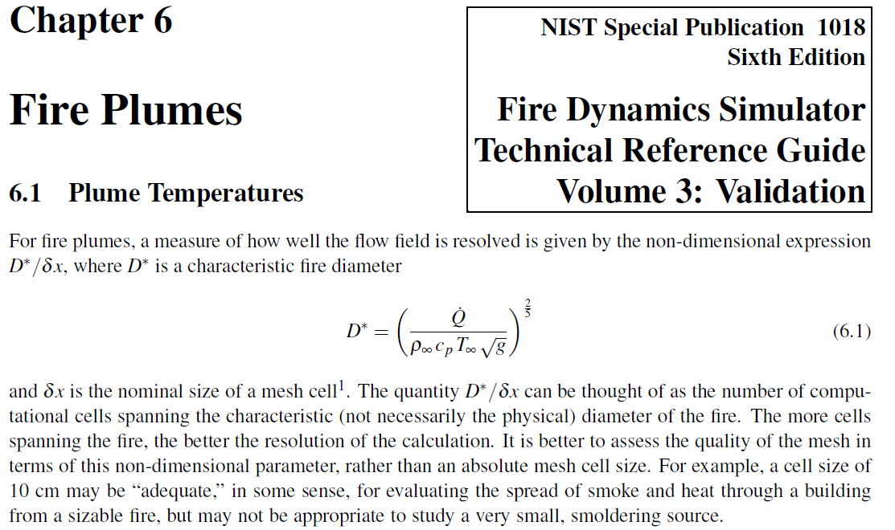
T = | 293 | K
g = | 9.81 | m/s2

Output
D* = | 1.4881634464 | m
Mesh D*/5 = | 0.29763268928 | m
Mesh D*/10 = | 0.14881634464 | m
Mesh D*/20 = | 0.074408172319 | m

 | X*Y*Z
① | 0.4*0.4*0.2
② | 0.4*0.2*0.2
③
④
⑤

