Full Model Fine Tuning
 | Model | Batch Size | Epochs | optimizer | lr | min_lr | warmup | training loss | validation accuracy | time taken
 | gpt2-small (124M) | 1 | 1 | adamw | 0.00005 |  |  | 0.6401 | 0.7758 | 3:15:30

lora | gpt2-small (124M) | 6 | 1 | adamw | 0.00005
batch size | gpt2-small (124M) | 6 | 1 | adamw | 0.00005
r, alpha | gpt2-medium (355M) |  |  | adamw | 0.00005
scheduler | gpt2-medium (355M) |  |  | adamw | 0.00005
epochs
optimizer

 |  |  |  | 0.1

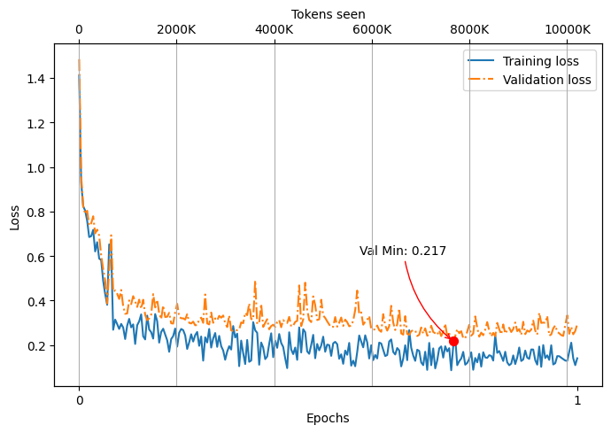

 | Model | Batch | Epoch | Optimizer | lr |  | training |  | tokens

 | gpt2-small (124M) | 32 | 1 | adamw | 0.00005 |  | 40k reviews |  | 256 token | Accuracy: 0.9176 | Train loss 0.141 | Val loss 0.295 | 57.87 minutes

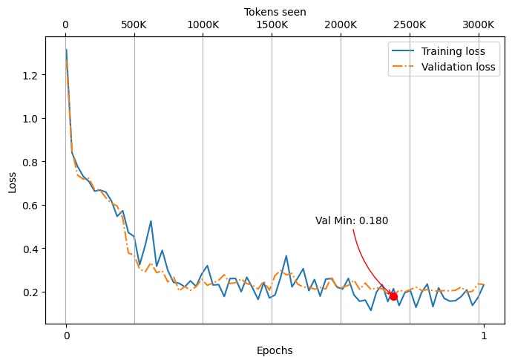

 | Decreased data

 | gpt2-small (124M) | 32 | 1 | adamw | 0.00005 |  | 12k reviews |  | 256 token | Accuracy: 0.905 | Train loss 0.231 | Val loss 0.233 | 17.02 minutes

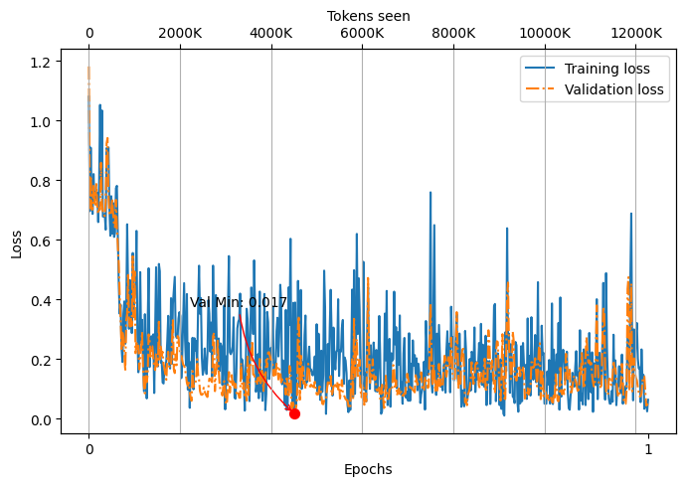

 | Decrease batch
 | Increased tokens

 | gpt2-small (124M) | 4 | 1 | adamw | 0.00005 |  | 12k reviews |  | 1024 token | Accuracy: 0.926 | Train loss 0.063 | Val loss 0.046 | 91.34 minutes

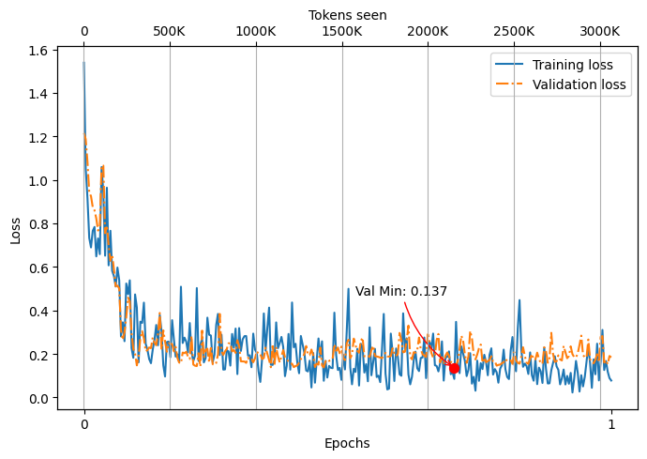

 | Medium Model
 | low tokens
 | high batch

 | gpt2-medium (355M) | 8 | 1 | adamw | 0.00005 |  | 12k reviews |  | 256 token | Accuracy: 0.932 | Train loss 0.078 | Val loss 0.184 | 59.91 minutes

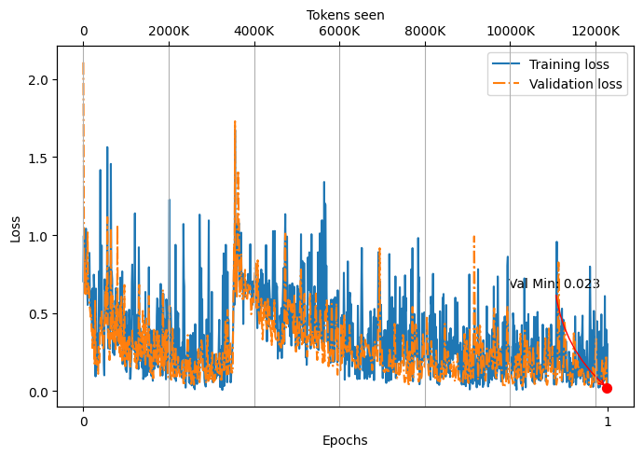

 | Medium Model
 | high tokens
 | low batch

 | gpt2-medium (355M) | 16 | 1 | adamw | 0.00005 |  | 12k reviews |  | 1024 token | Accuracy: 0.875 | Train loss 0.040 | Val loss 0.023 | 287.25 minutes

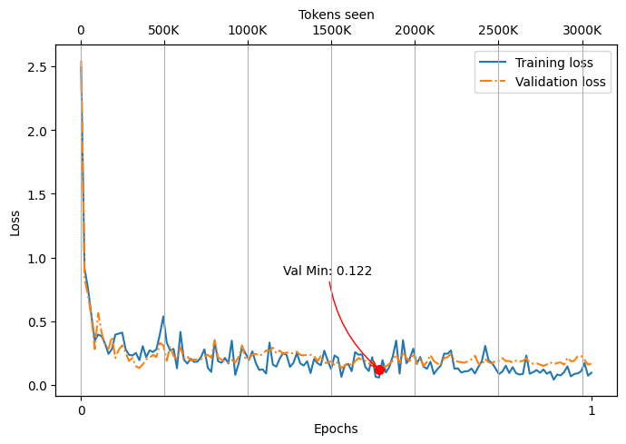

 | gpt2-large (774M) | 16 | 1 | adamw | 0.00005 |  | 12k reviews |  | 256 token | Accuracy: 0.934 | Train loss 0.096 | Val loss 0.168 | 26.38 minutes | A100 GPU

Last_n_transf-Lora Fine Tuning
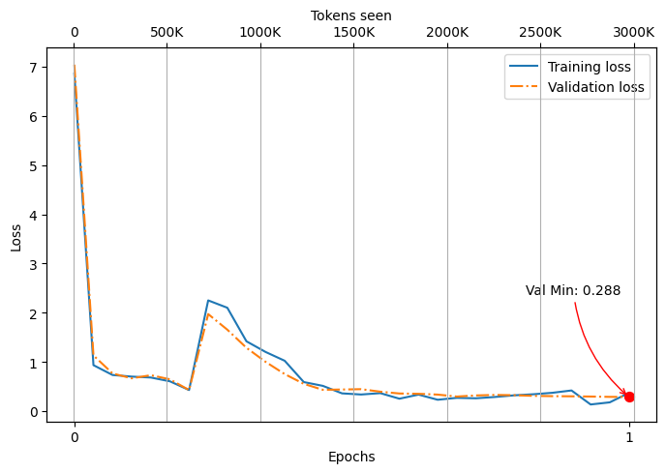
 |  |  |  |  |  |  |  |  |  | A100 GPU

alpha=16 | rank=16 | last_n_transformers
 |  | 18 | gpt2-medium (355M) | 16 | 1 | adamw | 0.00005 | 12k reviews | 256 token | Accuracy: 0.882 | Train loss 0.369 | Val loss 0.288 | 6.11 minutes

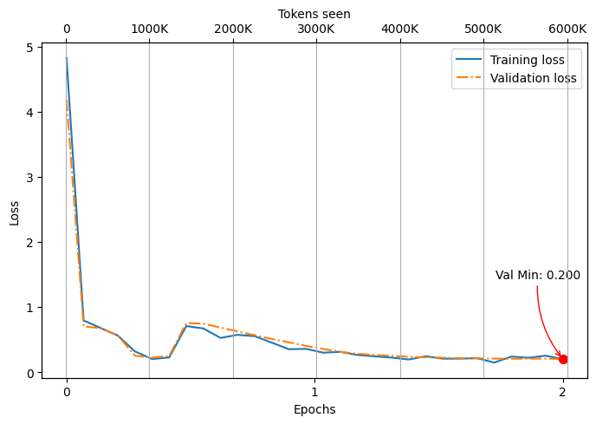

 |  | 18 | gpt2-medium (355M) | 32 | 2 | adamw | 0.00005 | 12k reviews | 256 token | Accuracy: 0.916 | Train loss 0.198 | Val loss 0.200 | 12.24 minutes

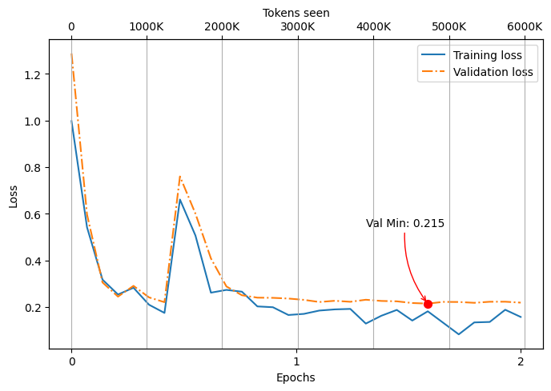

 |  | 20 | gpt2-medium (355M) | 32 | 2 | adamw | 0.00005 | 12k reviews | 256 token | Accuracy: 0.924 | Train loss 0.157 | Val loss 0.219 | 12.87 minutes

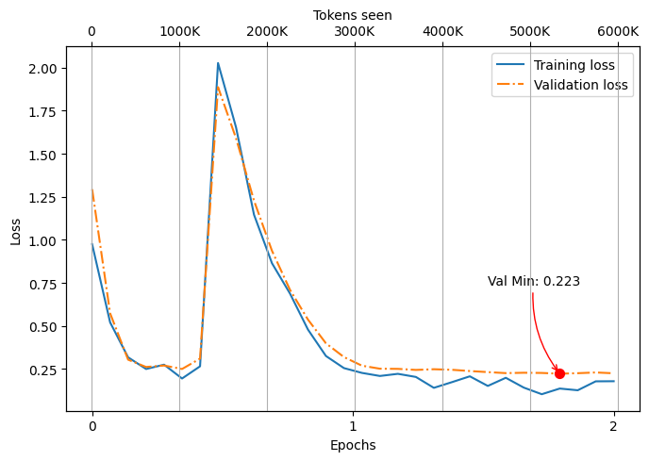

 |  | 22 | gpt2-medium (355M) | 32 | 2 | adamw | 0.00005 | 12k reviews | 256 token | Accuracy: 0.920 | Train loss 0.179 | Val loss 0.225 | 13.50 minutes

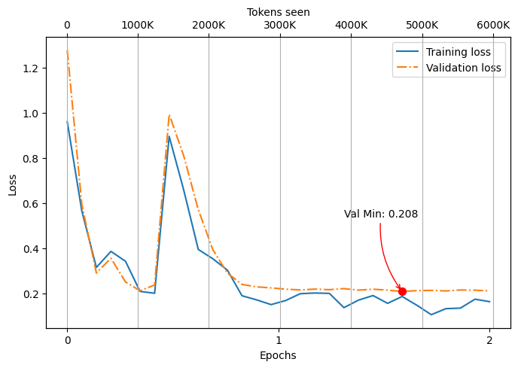

 |  | 24 | gpt2-medium (355M) | 32 | 2 | adamw | 0.00005 | 12k reviews | 256 token | Accuracy: 0.926 | Train loss 0.163 | Val loss 0.211 | 14.12 minutes

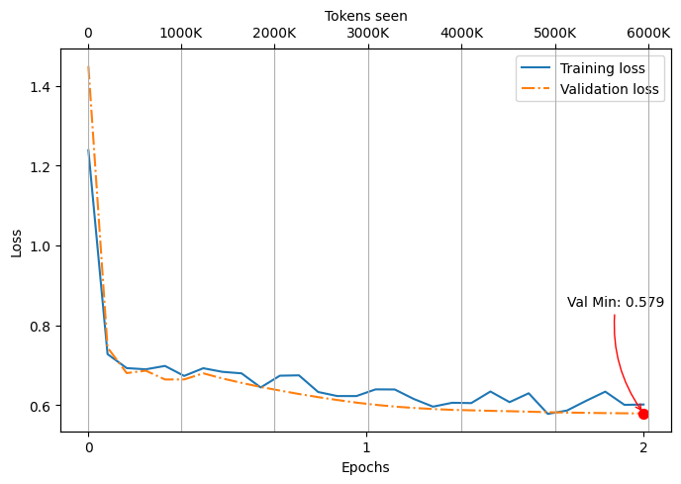

 |  | 1 | gpt2-medium (355M) | 32 | 2 | adamw | 0.00005 | 12k reviews | 256 token | Accuracy: 0.685 | Train loss 0.602 | Val loss 0.579 | 6.93 minutes

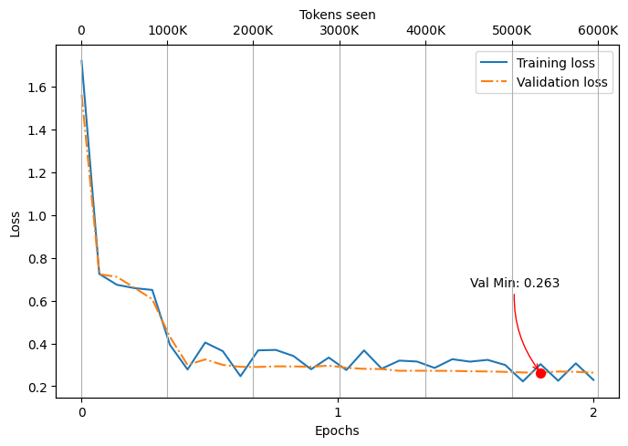

 |  | 4 | gpt2-medium (355M) | 32 | 2 | adamw | 0.00005 | 12k reviews | 256 token | Accuracy: 0.878 | Train loss 0.229 | Val loss 0.263 | 7.88 minutes

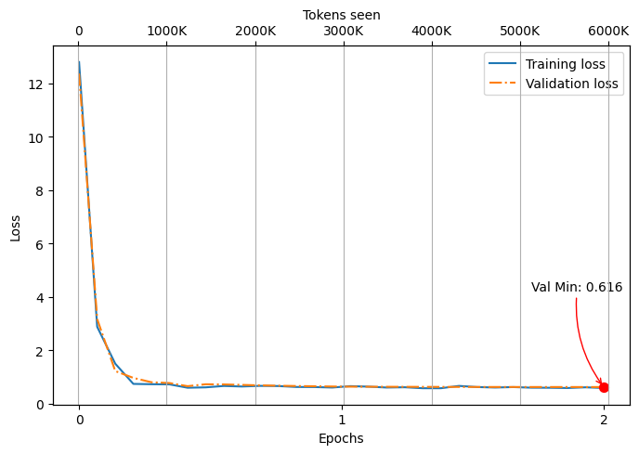

 |  | 8 | gpt2-medium (355M) | 32 | 2 | adamw | 0.00005 | 12k reviews | 256 token | Accuracy: 0.722 | Train loss 0.580 | Val loss 0.616 | 9.12 minutes

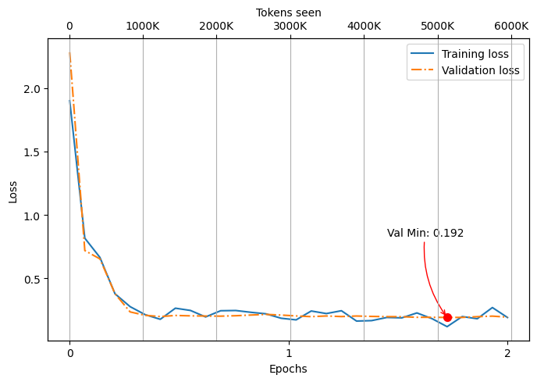

 |  | 12 | gpt2-medium (355M) | 32 | 2 | adamw | 0.00005 | 12k reviews | 256 token | Accuracy: 0.924 | Train loss 0.192 | Val loss 0.195 | 10.37 minutes

Rank-Lora Fine Tuning
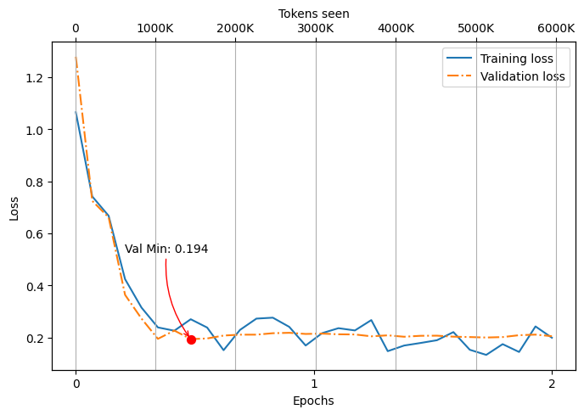

last_n_transf=24 | alpha=16 | rank
 |  | 2 | gpt2-medium (355M) | 32 | 2 | adamw | 0.00005 | 12k reviews | 256 token | Accuracy: 0.924 | Train loss 0.199 | Val loss 0.205 | 14.12 minutes

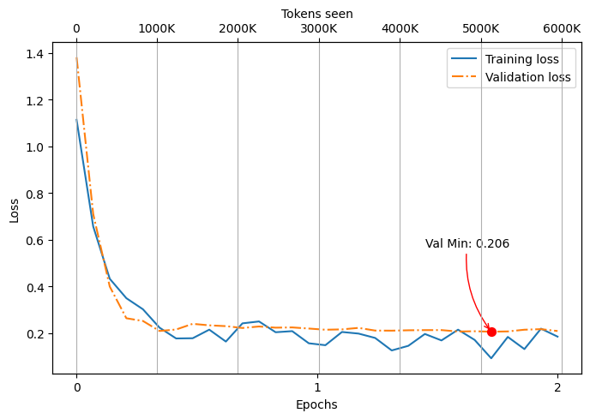

 |  | 4 | gpt2-medium (355M) | 32 | 2 | adamw | 0.00005 | 12k reviews | 256 token | Accuracy: 0.924 | Train loss 0.185 | Val loss 0.209 | 14.02 minutes

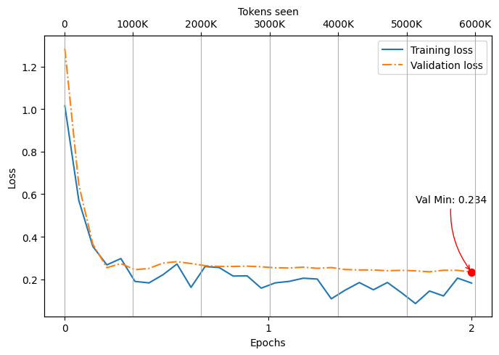

 |  | 8 | gpt2-medium (355M) | 32 | 2 | adamw | 0.00005 | 12k reviews | 256 token | Accuracy: 0.927 | Train loss 0.182 | Val loss 0.234 | 14.03 minutes

 |  | 16 | gpt2-medium (355M) | 32 | 2 | adamw | 0.00005 | 12k reviews | 256 token | Accuracy: 0.926 | Train loss 0.163 | Val loss 0.211 | 14.12 minutes

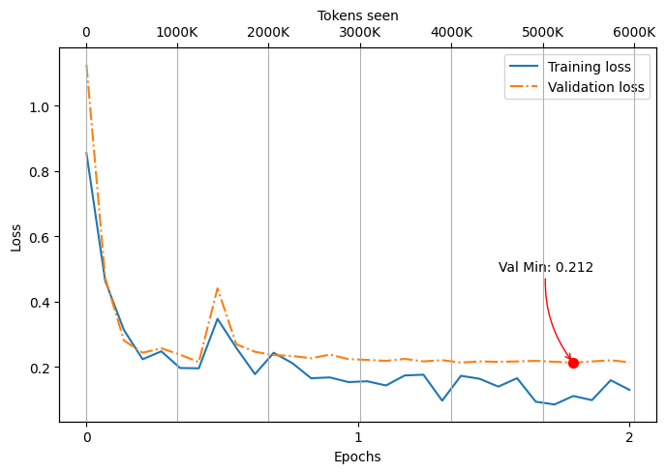

 |  | 32 | gpt2-medium (355M) | 32 | 2 | adamw | 0.00005 | 12k reviews | 256 token | Accuracy: 0.93 | Train loss 0.129 | Val loss 0.214 | 14.14

Model Sizes Lora Fine Tuning
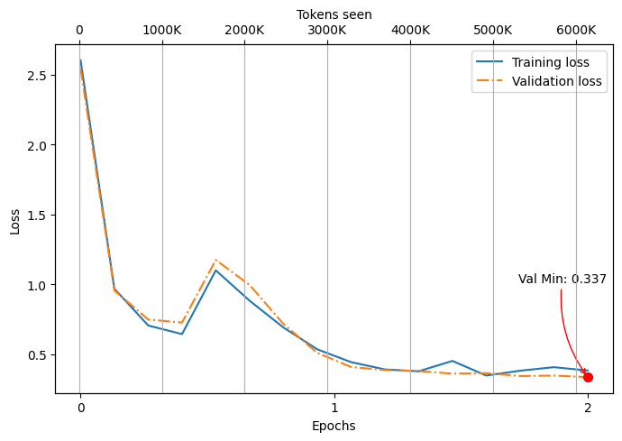

small | batch=64 |  | Accuracy: 0.836

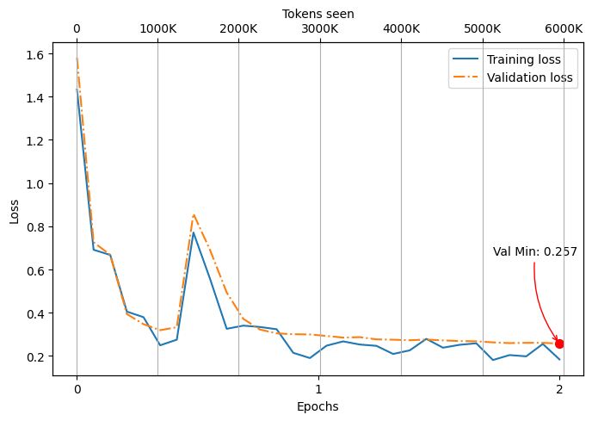

small | batch=32 |  | Accuracy: 0.899

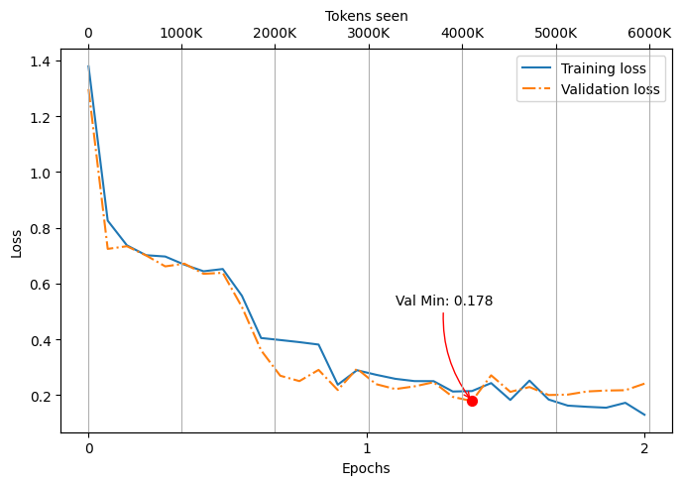

small | batch=32 | no warmup | Accuracy: 0.9046

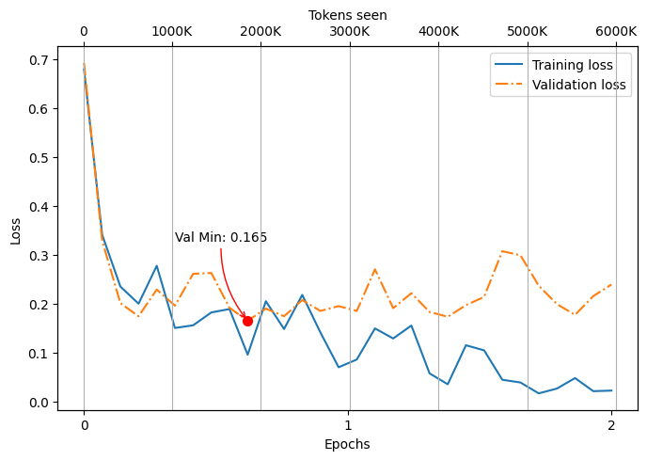

large | batch=32 | no warmup | Accuracy: 0.943

