Cluster 1
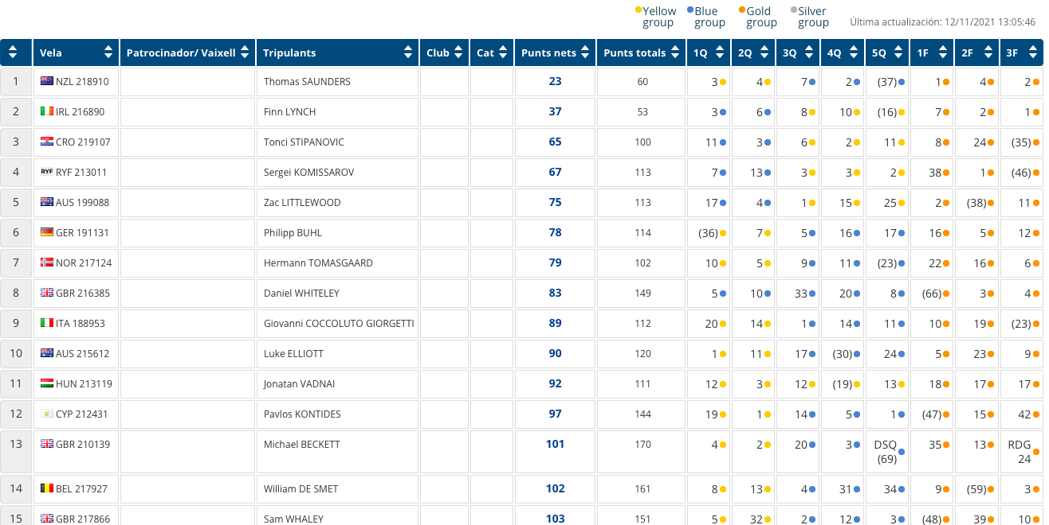
Classe | Campeonato | Ano | Link | Descrição | Competição
Ilca 7 | World Championship | 2021 | https://velacat.sailti.com/ca/default/races/resultsajax/id/5047/idsc2r/15119/allResults/1/handicap | html e pdf | World Championship 2021 | html (com opção de baixar pdf)
Ilca 7 | Trofeo S.A.R Princesa Sofia | 2023 | https://www.trofeoprincesasofia.org/en/default/races/resultsajax/id/6556/idsc2r/19758/allResults/1/handicap | html e pdf | Trofeo S.A.R Princesa Sofia 2023
Ilca 7 | Semaine Olympique Francaise De Voile | 2023 | https://sof.regatta.ffvoile.fr/en/default/races/resultsajax/id/6553/idsc2r/19736/allResults/1/handicap' | html e pdf | Semaine Olympique Francaise De Voile 2023
Ilca 6 | Trofeo S.A.R Princesa Sofia | 2023 | https://www.trofeoprincesasofia.org/en/default/races/resultsajax/id/6556/idsc2r/19757/allResults/1/handicap | html e pdf | Trofeo S.A.R Princesa Sofia 2023
Ilca 6 | Semaine Olympique Francaise De Voile | 2023 | https://sof.regatta.ffvoile.fr/en/default/races/resultsajax/id/6553/idsc2r/19735/allResults/1/handicap | html e pdf | Semaine Olympique Francaise De Voile 2023
IQFOIL Fem. | World Championship | 2022 | https://iqworlds2022brest.sailti.com/en/default/races/resultsajax/id/6367/idsc2r/19151/allResults/1/handicap | html e pdf | World Championship 2022
IQFOIL Masc. | World Championship | 2022 | https://iqworlds2022brest.sailti.com/en/default/races/resultsajax/id/6367/idsc2r/19150/allResults/1/handicap | html e pdf | World Championship 2022
IQFOIL Masc. | European Championship | 2022 | https://iqeuropeans2022.sailti.com/en/default/races/resultsajax/id/5975/idsc2r/17849/allResults/1/handicap | html e pdf | European Championship 2022
IQFOIL Fem. | European Championship | 2022 | https://iqeuropeans2022.sailti.com/en/default/races/race-resultsallhttps://iqeuropeans2022.sailti.com/en/default/races/resultsajax/id/5975/idsc2r/17850/allResults/1/handicap | html e pdf | European Championship 2022
IQFOIL Masc. | European Championship | 2023 | https://iqeuropeans2023greece.sailti.com/en/default/races/race-resultsall | html e pdf | European Championship 2023
IQFOIL Fem. | European Championship | 2023 | https://iqeuropeans2023greece.sailti.com/en/default/races/race-resultsall | html e pdf | European Championship 2023
IQFOIL Fem. | Trofeo S.A.R Princesa Sofia | 2023 | https://www.trofeoprincesasofia.org/en/default/races/race-resultsall | html e pdf | Trofeo S.A.R Princesa Sofia 2023
IQFOIL Masc. | Trofeo S.A.R Princesa Sofia | 2023 | https://www.trofeoprincesasofia.org/en/default/races/race-resultsall | html e pdf | Trofeo S.A.R Princesa Sofia 2023
IQFOIL Fem. | Semaine Olympique Francaise De Voile | 2022 | https://sof.ffvoile.roms.ar/2022/images/onbdocs/overall_IQFOIL_WOMEN.pdf | pdf | Semaine Olympique Francaise De Voile 2022
IQFOIL Masc. | Semaine Olympique Francaise De Voile | 2022 | https://sof.ffvoile.roms.ar/2022/images/onbdocs/overall_IQFOIL_MEN.pdf | pdf | Semaine Olympique Francaise De Voile 2022 | pdf
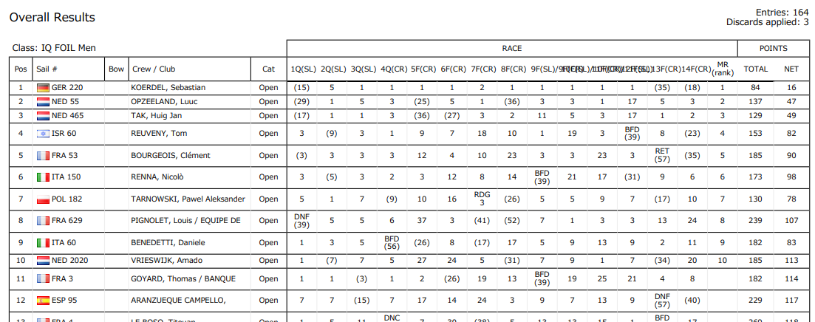
IQFOIL Fem. | Semaine Olympique Francaise De Voile | 2023 | https://sof.regatta.ffvoile.fr/en/default/races/resultsajax/id/6553/idsc2r/19731/allResults/1/handicap | html e pdf | Semaine Olympique Francaise De Voile 2023
IQFOIL Masc. | Semaine Olympique Francaise De Voile | 2023 | https://sof.regatta.ffvoile.fr/en/default/races/resultsajax/id/6553/idsc2r/19730/allResults/1/handicap | html e pdf | Semaine Olympique Francaise De Voile 2023
49er | Trofeo S.A.R Princesa Sofia | 2023 | https://www.trofeoprincesasofia.org/en/default/races/race-resultsall | html e pdf | Trofeo S.A.R Princesa Sofia 2023
49erFX | Trofeo S.A.R Princesa Sofia | 2023 | https://www.trofeoprincesasofia.org/en/default/races/race-resultsall | html e pdf | Trofeo S.A.R Princesa Sofia 2023
49er | Semaine Olympique Francaise De Voile | 2022 | https://sof.ffvoile.roms.ar/2022/images/onbdocs/overall_49er.pdf | pdf | Semaine Olympique Francaise De Voile 2022
49erFX | Semaine Olympique Francaise De Voile | 2022 | https://sof.ffvoile.roms.ar/2022/images/onbdocs/overall_49erFX_.pdf | pdf | Semaine Olympique Francaise De Voile 2022
49er | Semaine Olympique Francaise De Voile | 2023 | https://sof.regatta.ffvoile.fr/en/default/races/resultsajax/id/6553/idsc2r/19732/allResults/1/handicap | html e pdf | Semaine Olympique Francaise De Voile 2023
49erFX | Semaine Olympique Francaise De Voile | 2023 | https://sof.regatta.ffvoile.fr/en/default/races/resultsajax/id/6553/idsc2r/19733/allResults/1/handicap | html e pdf | Semaine Olympique Francaise De Voile 2023
470 | World Championship | 2022 | https://2022worlds.470.org/en/default/races/race-resultsall | html e pdf | World Championship 2022
470 | European Championship | 2022 | https://2022europeans.470.org/en/default/races/resultsajax/id/5737/idsc2r/17212/allResults/1/handicap' | html e pdf | European Championship 2022
470 | European Championship | 2023 | https://2023europeans.470.org//en/default/races/resultsajax/id/6691/idsc2r/20124/allResults/1/handicap | html e pdf | European Championship 2023
470 | Trofeo S.A.R Princesa Sofia | 2023 | https://www.trofeoprincesasofia.org/en/default/races/race-resultsall | html e pdf | Trofeo S.A.R Princesa Sofia 2023
Nacra 17 | Trofeo S.A.R Princesa Sofia | 2023 | https://www.trofeoprincesasofia.org/en/default/races/race-resultsall | html e pdf | Trofeo S.A.R Princesa Sofia 2023
470 | Semaine Olympique Francaise De Voile | 2023 | https://sof.regatta.ffvoile.fr/en/default/races/resultsajax/id/6553/idsc2r/19737/allResults/1/handicap | html e pdf | Semaine Olympique Francaise De Voile 2023
Nacra 17 | Semaine Olympique Francaise De Voile | 2023 | https://sof.regatta.ffvoile.fr/en/default/races/resultsajax/id/6553/idsc2r/19734/allResults/1/handicap | html e pdf | Semaine Olympique Francaise De Voile 2023
Formula Kite Fem. | Semaine Olympique Francaise De Voile | 2022 | https://sof.ffvoile.roms.ar/2022/images/onbdocs/overall_KITE_WOMEN.pdf | pdf | Semaine Olympique Francaise De Voile 2022
Formula Kite Fem. | Semaine Olympique Francaise De Voile | 2023 | https://sof.regatta.ffvoile.fr/en/default/races/resultsajax/id/6553/idsc2r/19739/allResults/1/handicap | html e pdf | Semaine Olympique Francaise De Voile 2023
Formula Kite Masc. | Trofeo S.A.R Princesa Sofia | 2023 | https://www.trofeoprincesasofia.org/en/default/races/race-resultsall | html e pdf | Trofeo S.A.R Princesa Sofia 2023
Formula Kite Masc. | Semaine Olympique Francaise De Voile | 2022 | https://sof.ffvoile.roms.ar/2022/images/onbdocs/overall_KITE_MEN.pdf | pdf | Semaine Olympique Francaise De Voile 2022
Formula Kite Masc. | Semaine Olympique Francaise De Voile | 2023 | https://sof.regatta.ffvoile.fr/en/default/races/resultsajax/id/6553/idsc2r/19738/allResults/1/handicap | html e pdf | Semaine Olympique Francaise De Voile 2023
Formula Kite Fem. | Trofeo S.A.R Princesa Sofia | 2023 | https://www.trofeoprincesasofia.org/en/default/races/race-resultsall | html e pdf | Trofeo S.A.R Princesa Sofia 2023

Cluster 2
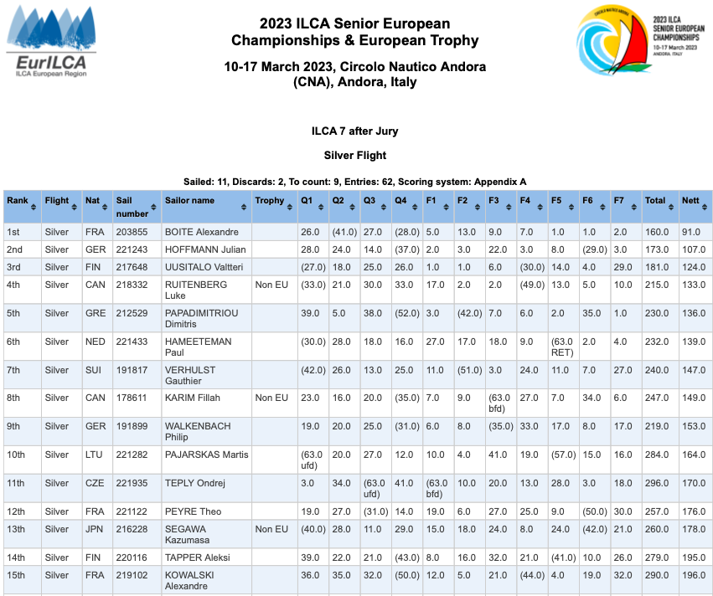
Classe | Campeonato | Ano | Link | Descrição
Ilca 7 | World Championship | 2022 | https://2022ilca7men.ilca-worlds.org/wp-content/uploads/sites/2/2022/06/ILCA7Men-FINAL.html | html | existem arquivos sailwave
Ilca 7 | European Championship (Gold) | 2023 | https://eurilca.eu/documents/273/results/ilca7g.htm | html
Ilca 7 | European Championship (Silver) | 2023 | https://eurilca.eu/documents/273/results/ilca7s.htm | html
Ilca 7 | European Championship (Bronze) | 2023 | https://eurilca.eu/documents/273/results/ilca7b.htm | html
Ilca 6 | World Championship | 2022 | https://2022ilca6.ilca-worlds.org/wp-content/uploads/sites/10/2022/10/Results-Women.html | html
Ilca 6 | European Championship (Gold) | 2023 | https://eurilca.eu/documents/273/results/ilca6g.htm | html
Ilca 6 | European Championship (SIlver) | 2023 | https://eurilca.eu/documents/273/results/ilca6s.htm | html
Ilca 7 | Central and South American Championship | 2021 | https://www.icrj.com.br/vela/images/resultados/2021/09_set/res_ilca_std_south_american_8reg_v2.pdf | pdf
Ilca 7 | Central and South American Championship | 2023 | https://brasilca.org.br/wp-content/uploads/2023/02/32o-Centro-Sul-Americano-ILCA-7-Buenos-Aires-2023-1-4.pdf | pdf
Ilca 6 | Central and South American Championship | 2021 | https://www.icrj.com.br/vela/images/resultados/2021/09_set/res_ilca6_southamerican_final.pdf | pdf
Ilca 6 | Central and South American Championship | 2022 | https://d282wvk2qi4wzk.cloudfront.net/vmfzw2Rqsk_results_1648146422761 | pdf
Ilca 6 | World Championship | 2021 | http://2021-radial.laser-worlds.com/wp-content/uploads/sites/19/2021/12/results-race-11-2021-ILCA-6-Womens-World-.pdf | pdf
IQFOIL Masc. | World Championship | 2021 | https://filedn.com/lp10qwAOmmwFb3gmBWF0wyf/iQFoil/2021-WC-Men.htm | html
IQFOIL Fem. | World Championship | 2021 | https://filedn.com/lp10qwAOmmwFb3gmBWF0wyf/iQFoil/2021-WC-Women.htm | html
IQFOIL Masc. | European Championship (Medal race) | 2021 | https://www.sailnet.hr/iqfoilec2021/men/iqfoilec2021menmedalrace.htm | html
IQFOIL Masc. | European Championship (silver) | 2021 | https://www.sailnet.hr/iqfoilec2021/men/iqfoilec2021men-silver.htm | html
IQFOIL Fem. | European Championship | 2021 | https://www.sailnet.hr/iqfoilec2021/women/iqfoilec2021womenmedalrace.htm | html
Formula Kite Masc. | World Championship | 2021 | https://www.formulakite.org/component/sppagebuilder/?view=page&id=10 | html
Formula Kite Fem. | World Championship | 2021 | https://www.formulakite.org/component/sppagebuilder/?view=page&id=10 | html

Cluster 3
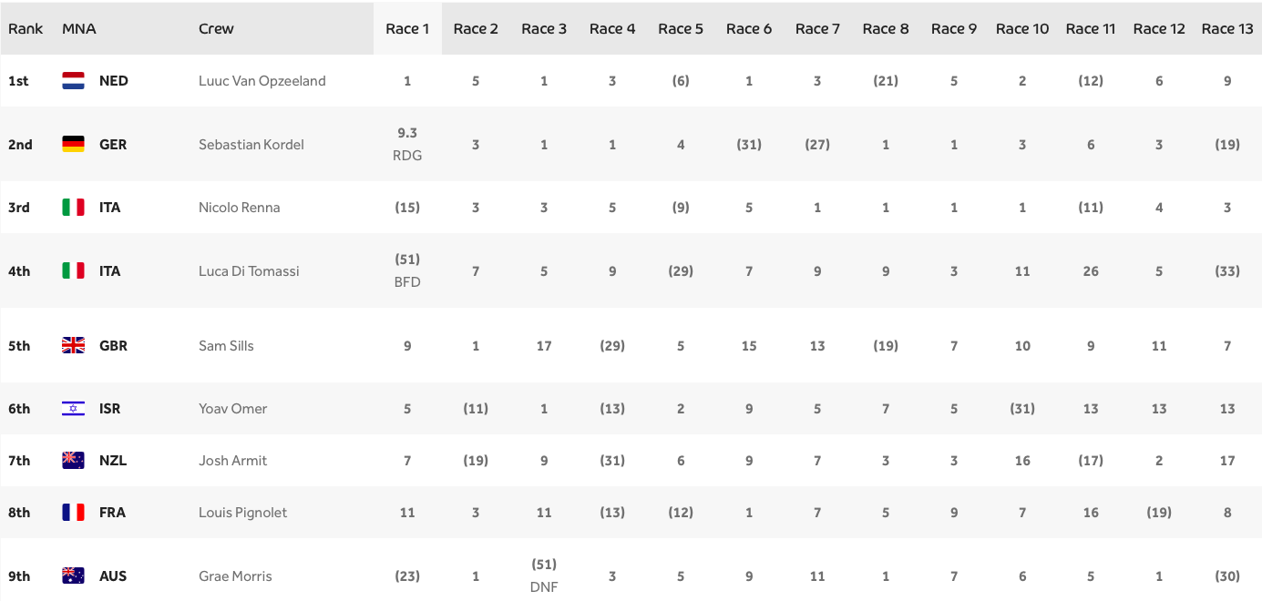
Classe | Campeonato | Ano | Link | Descrição | Competição | the hague
Ilca 7 | World Championship | 2023 | https://world-sailing-api.soticcloud.net/stats/api/event/1717a706-5422-406a-861a-e8d23c2f5ede?include=crews.country%2Ccrews.sailors.crewRole%2Craces.raceResults.crew.country%2Craces.raceResults.crew.sailors%2Craces.raceResults.crewCompetingStatus%2Craces.status%2Ccrews.carriedWins | html | World Championship 2023
Ilca 6 | World Championship | 2023 | https://world-sailing-api.soticcloud.net/stats/api/event/f28441e7-4b5a-4b28-aa66-0c6a90c99554?include=crews.country%2Ccrews.sailors.crewRole%2Craces.raceResults.crew.country%2Craces.raceResults.crew.sailors%2Craces.raceResults.crewCompetingStatus%2Craces.status%2Ccrews.carriedWins | html | World Championship 2023
IQFOIL Fem. | World Championship | 2023 | https://world-sailing-api.soticcloud.net/stats/api/event/e3a84d68-a53c-41a1-857a-8ffa30834afa?include=crews.country%2Ccrews.sailors.crewRole%2Craces.raceResults.crew.country%2Craces.raceResults.crew.sailors%2Craces.raceResults.crewCompetingStatus%2Craces.status%2Ccrews.carriedWins | html | World Championship 2023
IQFOIL Masc. | World Championship | 2023 | https://world-sailing-api.soticcloud.net/stats/api/event/3857831a-a7f8-4203-a0be-c1fa9675fa36?include=crews.country%2Ccrews.sailors.crewRole%2Craces.raceResults.crew.country%2Craces.raceResults.crew.sailors%2Craces.raceResults.crewCompetingStatus%2Craces.status%2Ccrews.carriedWins | html | World Championship 2023
49erFX | World Championship | 2023 | https://world-sailing-api.soticcloud.net/stats/api/event/1eed37b0-cdb7-4676-9489-599016df98ef?include=crews.country%2Ccrews.sailors.crewRole%2Craces.raceResults.crew.country%2Craces.raceResults.crew.sailors%2Craces.raceResults.crewCompetingStatus%2Craces.status%2Ccrews.carriedWins | html | World Championship 2023
49er | World Championship | 2023 | https://world-sailing-api.soticcloud.net/stats/api/event/0d045360-396f-47f8-98ab-baf443431020?include=crews.country%2Ccrews.sailors.crewRole%2Craces.raceResults.crew.country%2Craces.raceResults.crew.sailors%2Craces.raceResults.crewCompetingStatus%2Craces.status%2Ccrews.carriedWins | html | World Championship 2023
470 | World Championship | 2023 | https://world-sailing-api.soticcloud.net/stats/api/event/b04bd77a-378c-4737-85c6-3a740b95cdcb?include=crews.country%2Ccrews.sailors.crewRole%2Craces.raceResults.crew.country%2Craces.raceResults.crew.sailors%2Craces.raceResults.crewCompetingStatus%2Craces.status%2Ccrews.carriedWins | html | World Championship 2023
Nacra 17 | World Championship | 2023 | https://world-sailing-api.soticcloud.net/stats/api/event/264ee773-4617-402e-ab62-c666386ddf0b?include=crews.country%2Ccrews.sailors.crewRole%2Craces.raceResults.crew.country%2Craces.raceResults.crew.sailors%2Craces.raceResults.crewCompetingStatus%2Craces.status%2Ccrews.carriedWins | html | World Championship 2023
Formula Kite Masc. | World Championship | 2023 | https://world-sailing-api.soticcloud.net/stats/api/event/7498c006-6590-44fd-97b7-654df8e76cd9?include=crews.country%2Ccrews.sailors.crewRole%2Craces.raceResults.crew.country%2Craces.raceResults.crew.sailors%2Craces.raceResults.crewCompetingStatus%2Craces.status%2Ccrews.carriedWins | html | World Championship 2023
Formula Kite Fem. | World Championship | 2023 | https://world-sailing-api.soticcloud.net/stats/api/event/938dd1e3-0b3d-437d-9790-1081538fbcd4?include=crews.country%2Ccrews.sailors.crewRole%2Craces.raceResults.crew.country%2Craces.raceResults.crew.sailors%2Craces.raceResults.crewCompetingStatus%2Craces.status%2Ccrews.carriedWins | html | World Championship 2023

Cluster 4
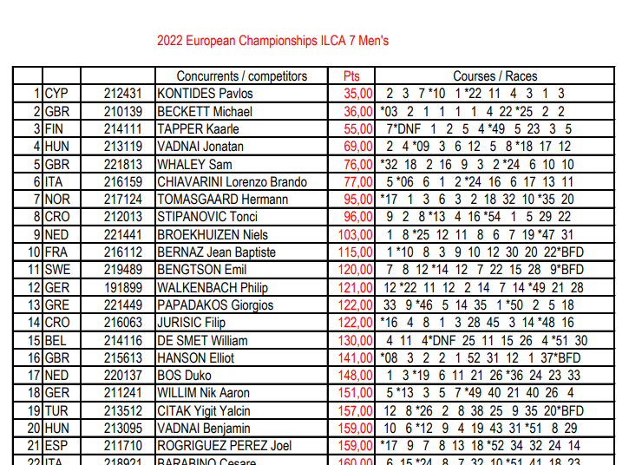
Classe | Campeonato | Ano | Link | Descrição
Ilca 7 | European Championship | 2022 | https://onb.eurilca.roms.ar/senioropeneuropeans2022/images/results/2022_ILCA_7_Europeans_ILCA_7_Men_s.pdf | pdf | pdf ruim (coluna unificada para várias colunas)
Ilca 6 | European Championship | 2022 | https://onb.eurilca.roms.ar/senioropeneuropeans2022/images/results/ILCA_6_WOMEN_EUROPEAN_CHAMPIONSHIP_After_10_races_After_Jury.pdf | pdf

Cluster 5
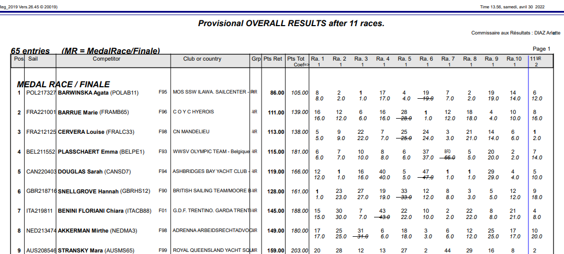
Classe | Campeonato | Ano | Link | Descrição
Ilca 6 | Semaine Olympique Francaise De Voile | 2022 | https://sof.ffvoile.roms.ar/2022/images/onbdocs/OVERALL_FINAL_ILCA_6.pdf | pdf | pdf muito ruim (sobreposição, "duas linhas dentro de uma linha", valores riscados)
Ilca 7 | Semaine Olympique Francaise De Voile | 2022 | https://sof.ffvoile.roms.ar/2022/images/onbdocs/Overall_final_resuts_ILCA_7.pdf | pdf
470 | Semaine Olympique Francaise De Voile | 2022 | https://sof.ffvoile.roms.ar/2022/images/onbdocs/OVERALL_FINAL___470.pdf | pdf
Nacra 17 | Semaine Olympique Francaise De Voile | 2022 | https://sof.ffvoile.roms.ar/2022/images/onbdocs/Overall_final_NACRA.pdf | pdf

Cluster 6
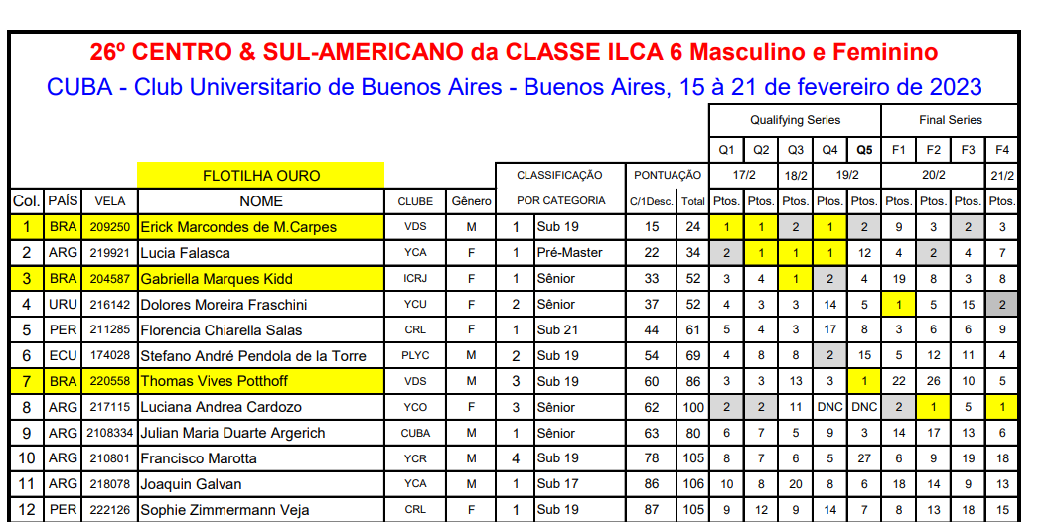
Classe | Campeonato | Ano | Link | Descrição
Ilca 6 | Central and South American Championship | 2023 | https://brasilca.org.br/wp-content/uploads/2023/02/26o-Centro-Sul-Americano-ILCA-6-Masc.-Fem.-Bueno-Aires-2023-1-4.pdf | pdf | pdf

Cluster 7
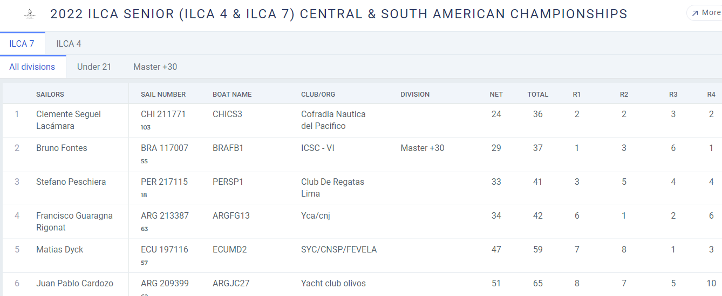
Classe | Campeonato | Ano | Link | Descrição
Ilca 7 | Central and South American Championship | 2022 | https://theclubspot.com/regatta/l9QBhozXZr/results | html | OK | html, não tem pdf, tem scroll

Cluster 8
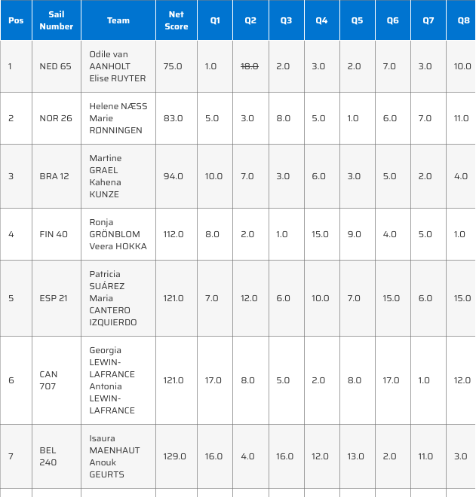
Classe | Campeonato | Ano | Link | Descrição
49erFX | World Championship | 2021 | https://49er.org/events/2021-world-championship/#result-49fx | html
49erFX | World Championship | 2022 | https://49er.org/events/2022-world-championship/#result-49fx | html
49er | World Championship | 2021 | https://49er.org/events/2021-world-championship/#result-49 | html
49er | World Championship | 2022 | https://49er.org/events/2022-world-championship/#result-49 | html

Cluster 9
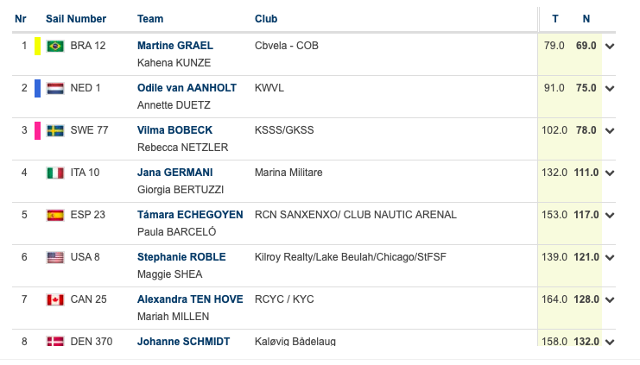
Classe | Campeonato | Ano | Link | Descrição
49erFX | European Championship | 2022 | https://www.sailing-aarhus.dk/2022-49er-49erFX-nacra-european-championship/ | html | OK
49er | European Championship | 2022 | https://www.sailing-aarhus.dk/2022-49er-49erFX-nacra-european-championship/ | html | OK
Nacra 17 | European Championship | 2022 | https://www.sailing-aarhus.dk/2022-49er-49erFX-nacra-european-championship/ | html | OK

Cluster 10
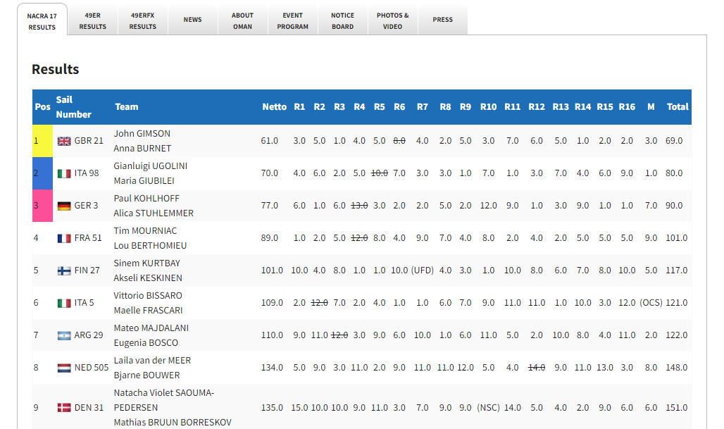
Classe | Campeonato | Ano | Link | Descrição
Nacra 17 | World Championship | 2021 | https://nacra17.org/event/2021-world-championship/#nacra17-results | html | OK | possivelmente reaproveitável do cluster 8
Nacra 17 | World Championship | 2022 | https://nacra17.org/event/2022-world-championship/#nacra17-results | html | OK

Cluster 11
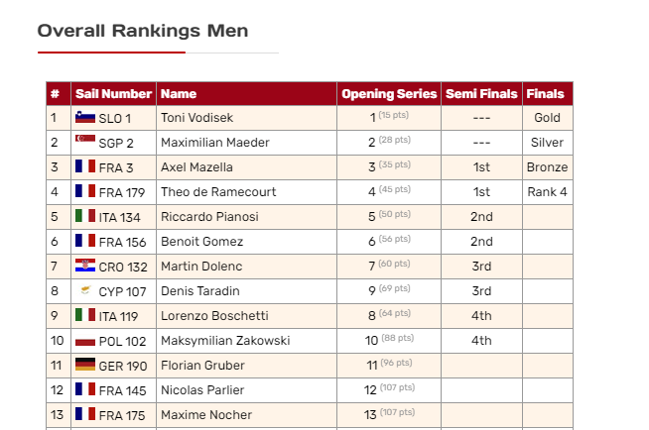
Classe | Campeonato | Ano | Link | Descrição
Formula Kite Fem. | World Championship | 2022 | https://www.formulakite.org/2022worlds | html | Não tem resultados por corrida
Formula Kite Masc. | World Championship | 2022 | https://www.formulakite.org/2022worlds | html

Cluster 12
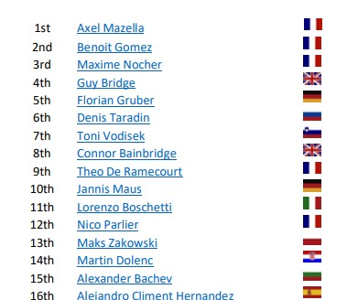
Classe | Campeonato | Ano | Link | Descrição
Formula Kite Masc. | European Championship | 2021 | https://www.formulakite.org/sailwave/results/2021FKEuropeansMen.pdf | pdf | OK | lista (possivelmente inutilizável)
Formula Kite Fem. | European Championship | 2021 | https://www.formulakite.org/sailwave/results/2021FKEuropeansWomen.pdf | pdf | OK
 |  |  |  |  | * pendente entender semi final e final

