Data for Fig. 2a
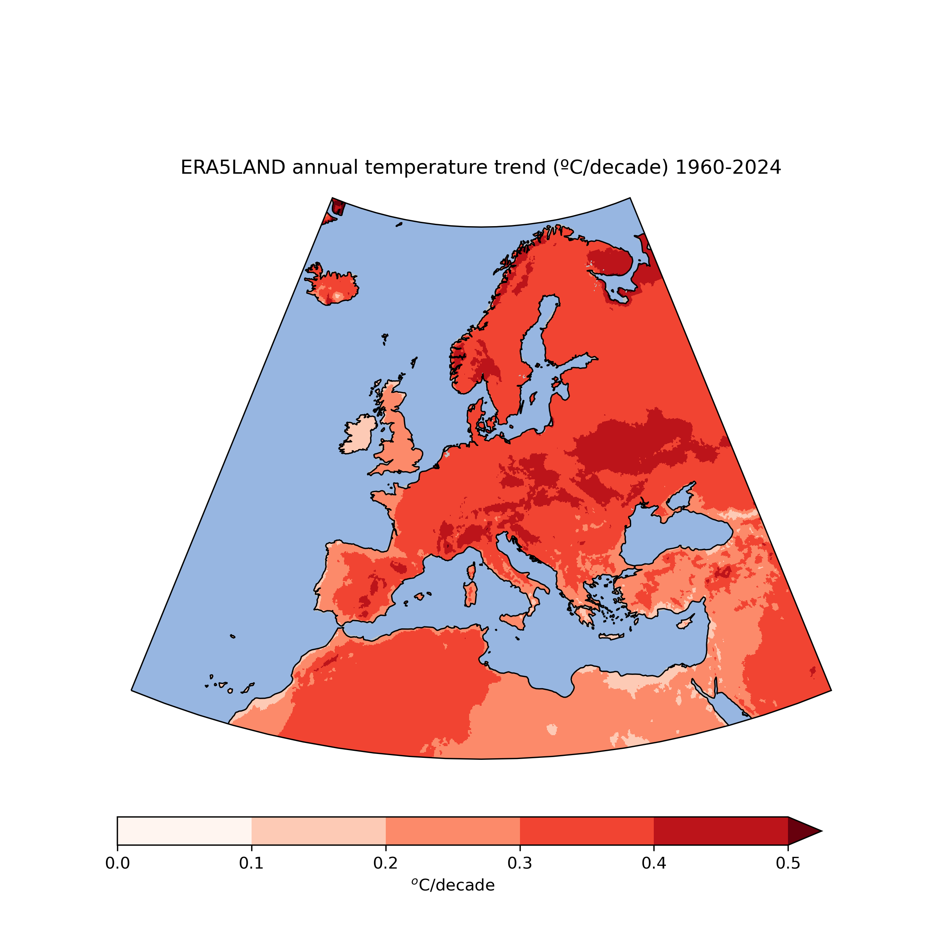
Draft map for Fig. 2a (temperature trend map) are stored in the netcdf file tas_trend_era5land_196001-202312.nc
The map should be shown together with crossed out non significant points found in the file tas_signif_era5land_196001-202312.nc (magnitudes in the .nc file: 0=significant, 1=non-significant)

Gridpoints over land with insuficient data from stations to consistently compute the trend are masked with FillValues = 9.96921e+36 in the .nc files.
In the plot they should be colored and labelled accordingly. Using ERA5Land, there are no missing or non-significant trend values, therefore it might not be needed to show a legend for missing and insignificant values.

Gridpoints over sea are also masked with FillValues=9.96921e+36, but they shouldn't be labelled as missing data.

Data is mapped for the region lat(25.0499, 71.4499), lon(-24.9501, 45.5499)

EXAMPLE PLOT: sea in blue. The region of the plot is bounded to lat(25.0499, 71.4499), lon(-24.9501, 45.5499)

Draft
