Hoja1
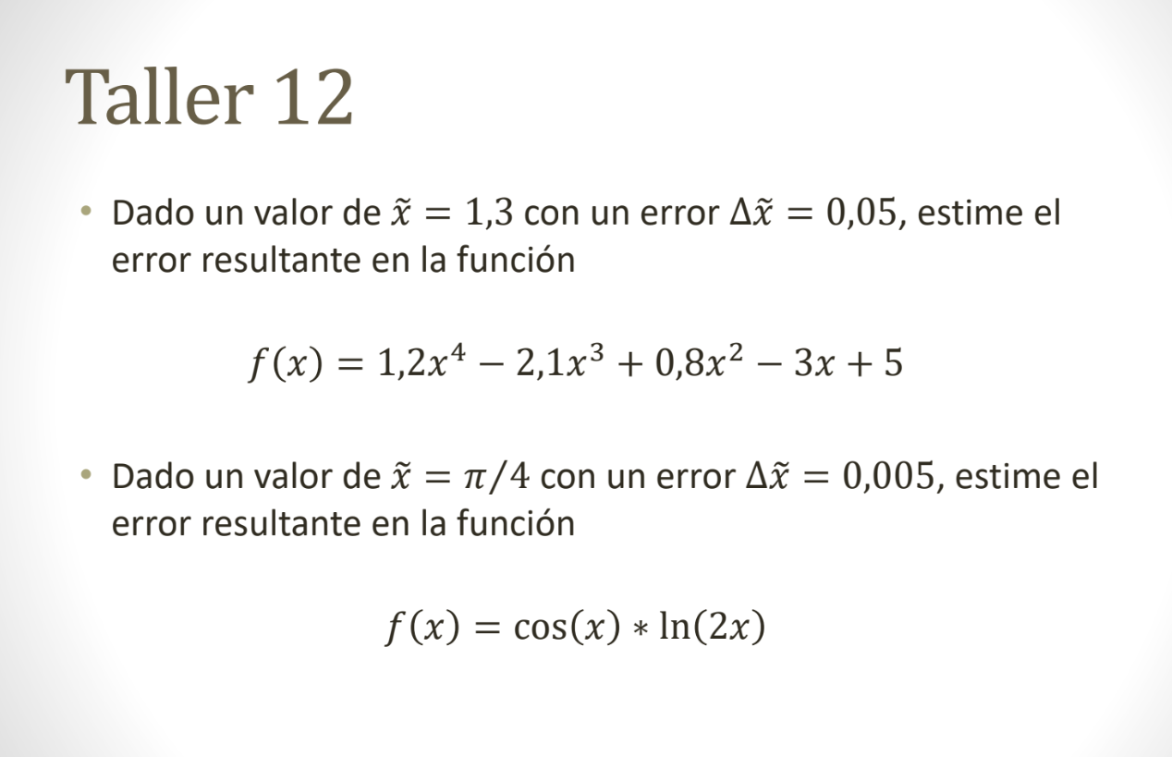

x~=1,3 | X∈[1,25 , 1,35] | Δf(x~)=|4,8(1,3)^3-6,3(1,3)^2+1,6(1,3)-3|*0,05 | Δf(x~)=0,05107
Δx~= 0,05 | f(x) = 1,2x^4-2,1x^3+0,8x^2-3x+5 | f(x) ∈[(1,2(1,3)^4-2,1(1,3)^3+0,8(1,3)^2-3(1,3)+5)]
Ea= 0,05 | f'(x)=4,8x^3-6,3x^2+1,6x-3 | 1.21455
ea= 5% |  | 1.31669
 |  | f(x) ∈ [1,21455 , 1,31669]

x~=π/4 | X∈[0,7804 , 0,7904] | Δf(x~)= |-sen(π/4)*1/π/4| * 0,005 | Δf(x~)=0,003183
Δx~= 0,005 | f(x) = cos(x)*ln(2x) | f(x) ∈[0,2667 , 0,2731]
Ea= 0,005 | f'(x)= - sen(x)* 1/x
ea=0, 5%
 | 0.7804
 | 0.7904

