Memory Mgmt
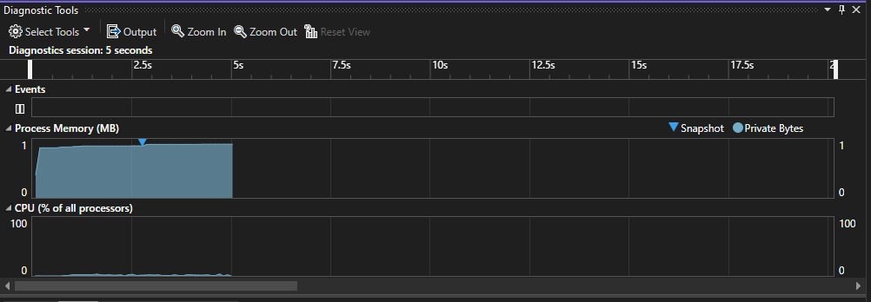
Source | Total Memory Used | Avg Memory in Use | Space Complexity of Algorithms | Memory Growth Rate | Bytes of Memory Used | Memory Management Calls | Average Time per Memory Management Call (S)
MemoryManagement-Server_2023-1-29-11-46-48 | 1 Mb | 0.5 Mb | TBD | TBD | 1 Mb | 3521 | 0.00003

Calculations
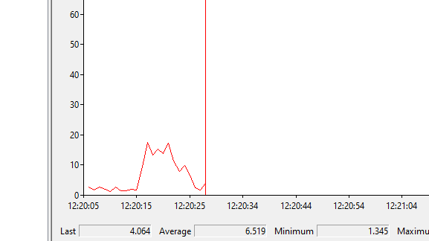
Source | Algorithmic Efficiency of CalcAvg | Number of Function Calls to UpdateData | Number of Function Calls to CalcAvg | Average execution time of UpdateData | Average execution time of CalcAvg | Number of CPUs Utilized | Max CPU utilization (%) | Avg CPU Utilization (%)
Calculation-Server_2023-1-29-12-6-11 | O(n^2) | 3521 | 3521 | 0.00003 | 0.00001 | 1 | 17 | 4

