Sheet1
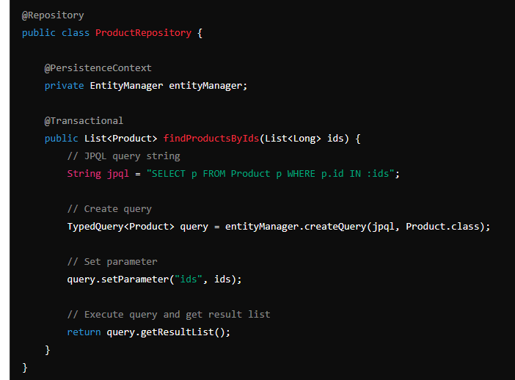
 |  |  |  |  |  |  | InspectionRecordGenerator(planId)
 |  |  |  |  |  |  | Map

SeqList |  |  |  | Inspection Plan |  |  |  | Set |  |  | Product
Insp_Plan_id | Insp_Temp_id | Seq_nr |  | id | Rev | Date Created | Created By | Insp Record | Status | Previous Rev | Id | Part Number | Name | Rev | inspection_plan_id
 |  |  |  | 1 |  |  |  |  | Superseeded |  | 1
select where insp id = ? |  |  |  | 2 |  |  |  |  | Valid |  | 2
 |  |  |  | 3 |  |  |  |  | Valid |  | 3

Inspection Template
Id | title | revison | Previous Rev | status | Insp Type | Spec Description | Value | Tolerance

Evaluation
id | Type | Result | Pass | Fail | Date Time | Inspector | Insp_Templ_id

 |  |  |  |  |  | SELECT new com.practise.qadma.entity.InspPlanDTO(e.InspTemplate, e.sequence)

