Comparativa Todos Enfoques
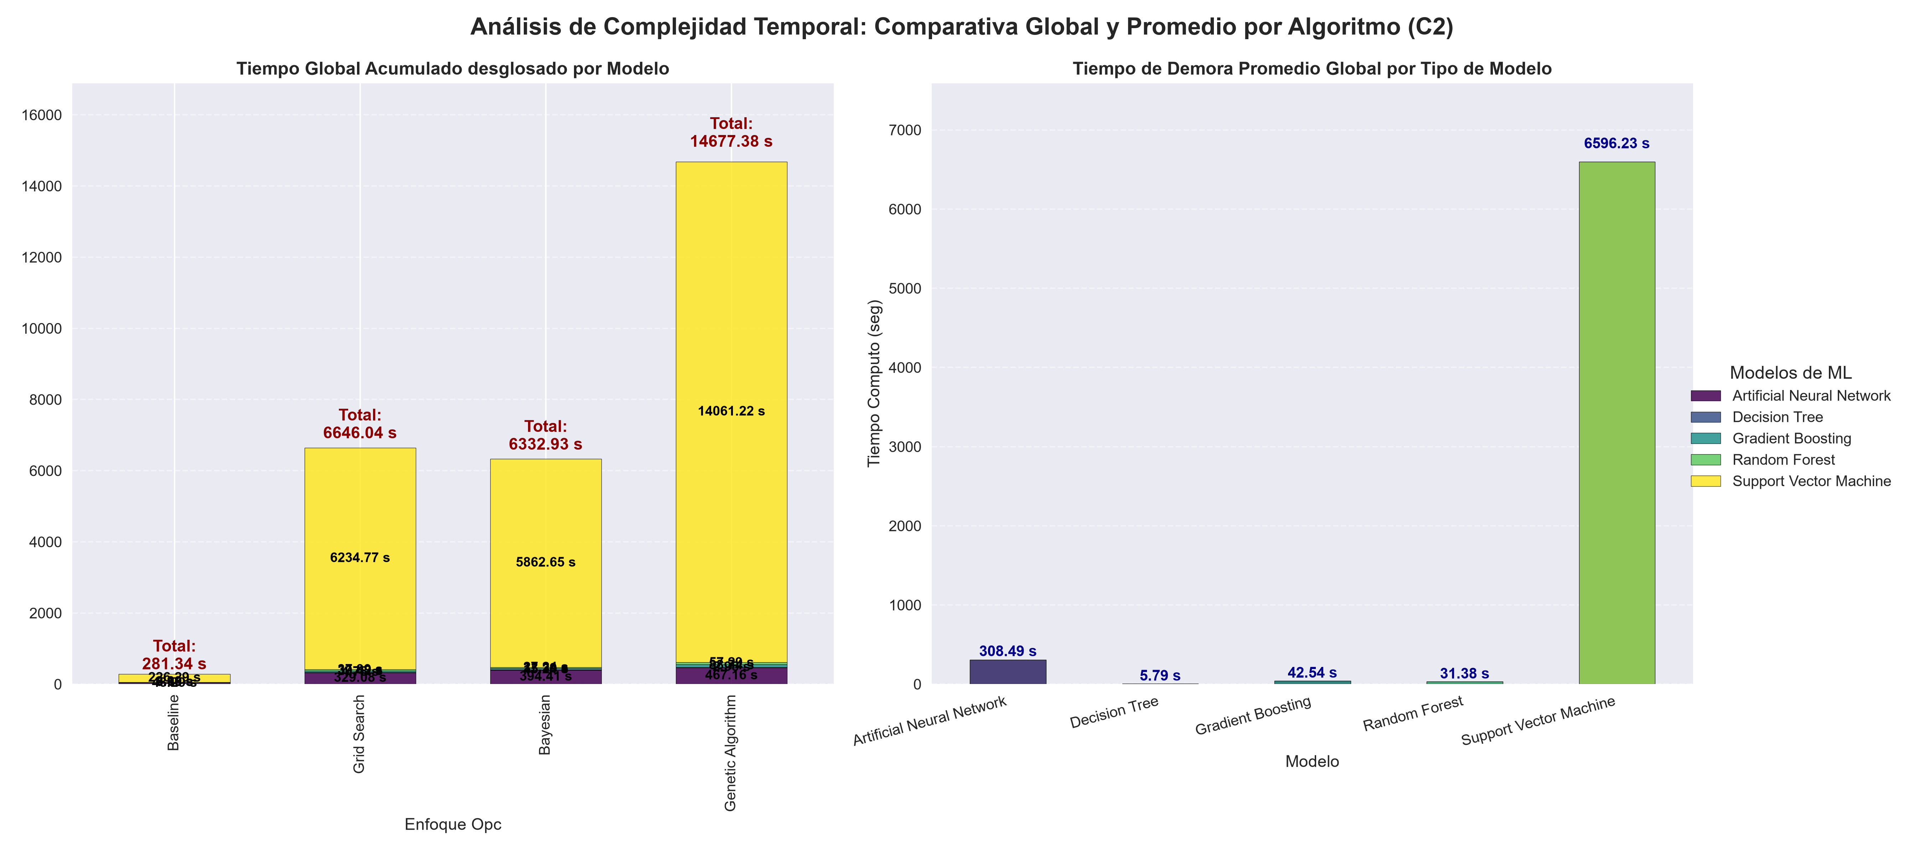
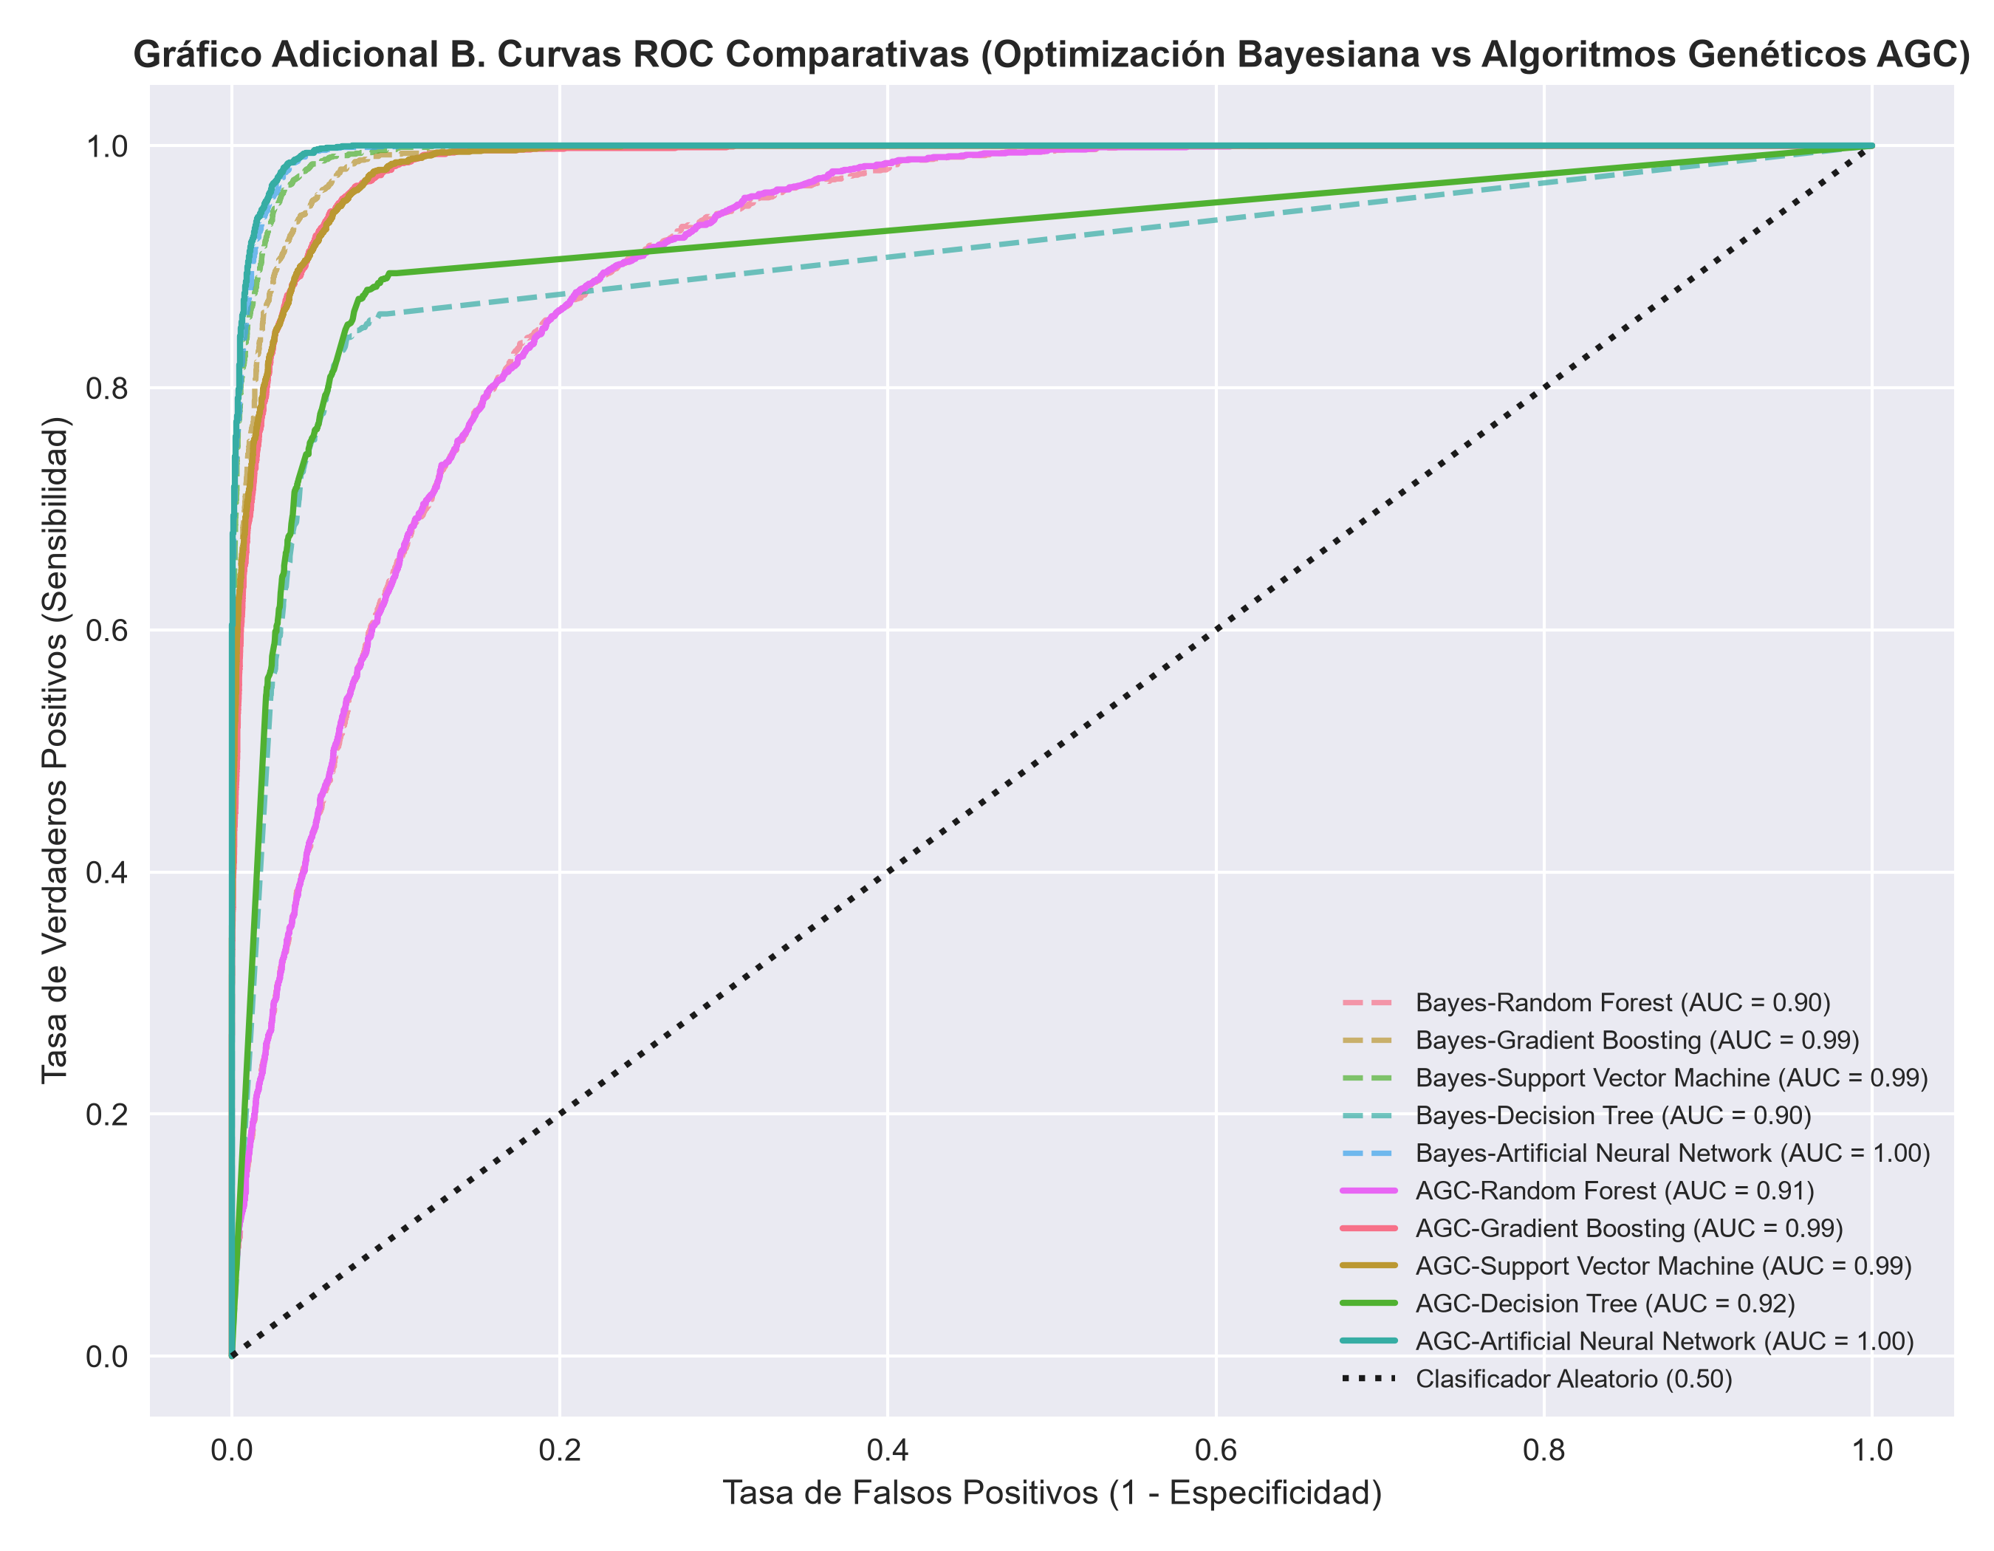
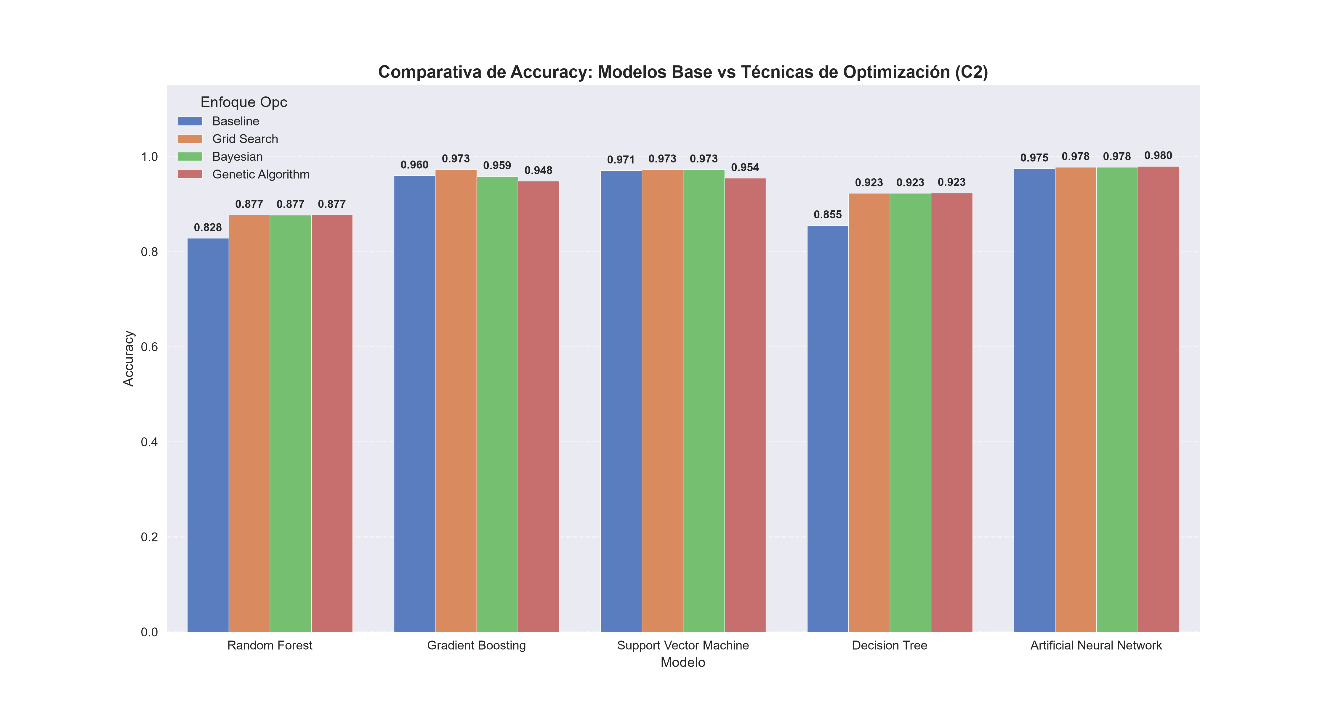
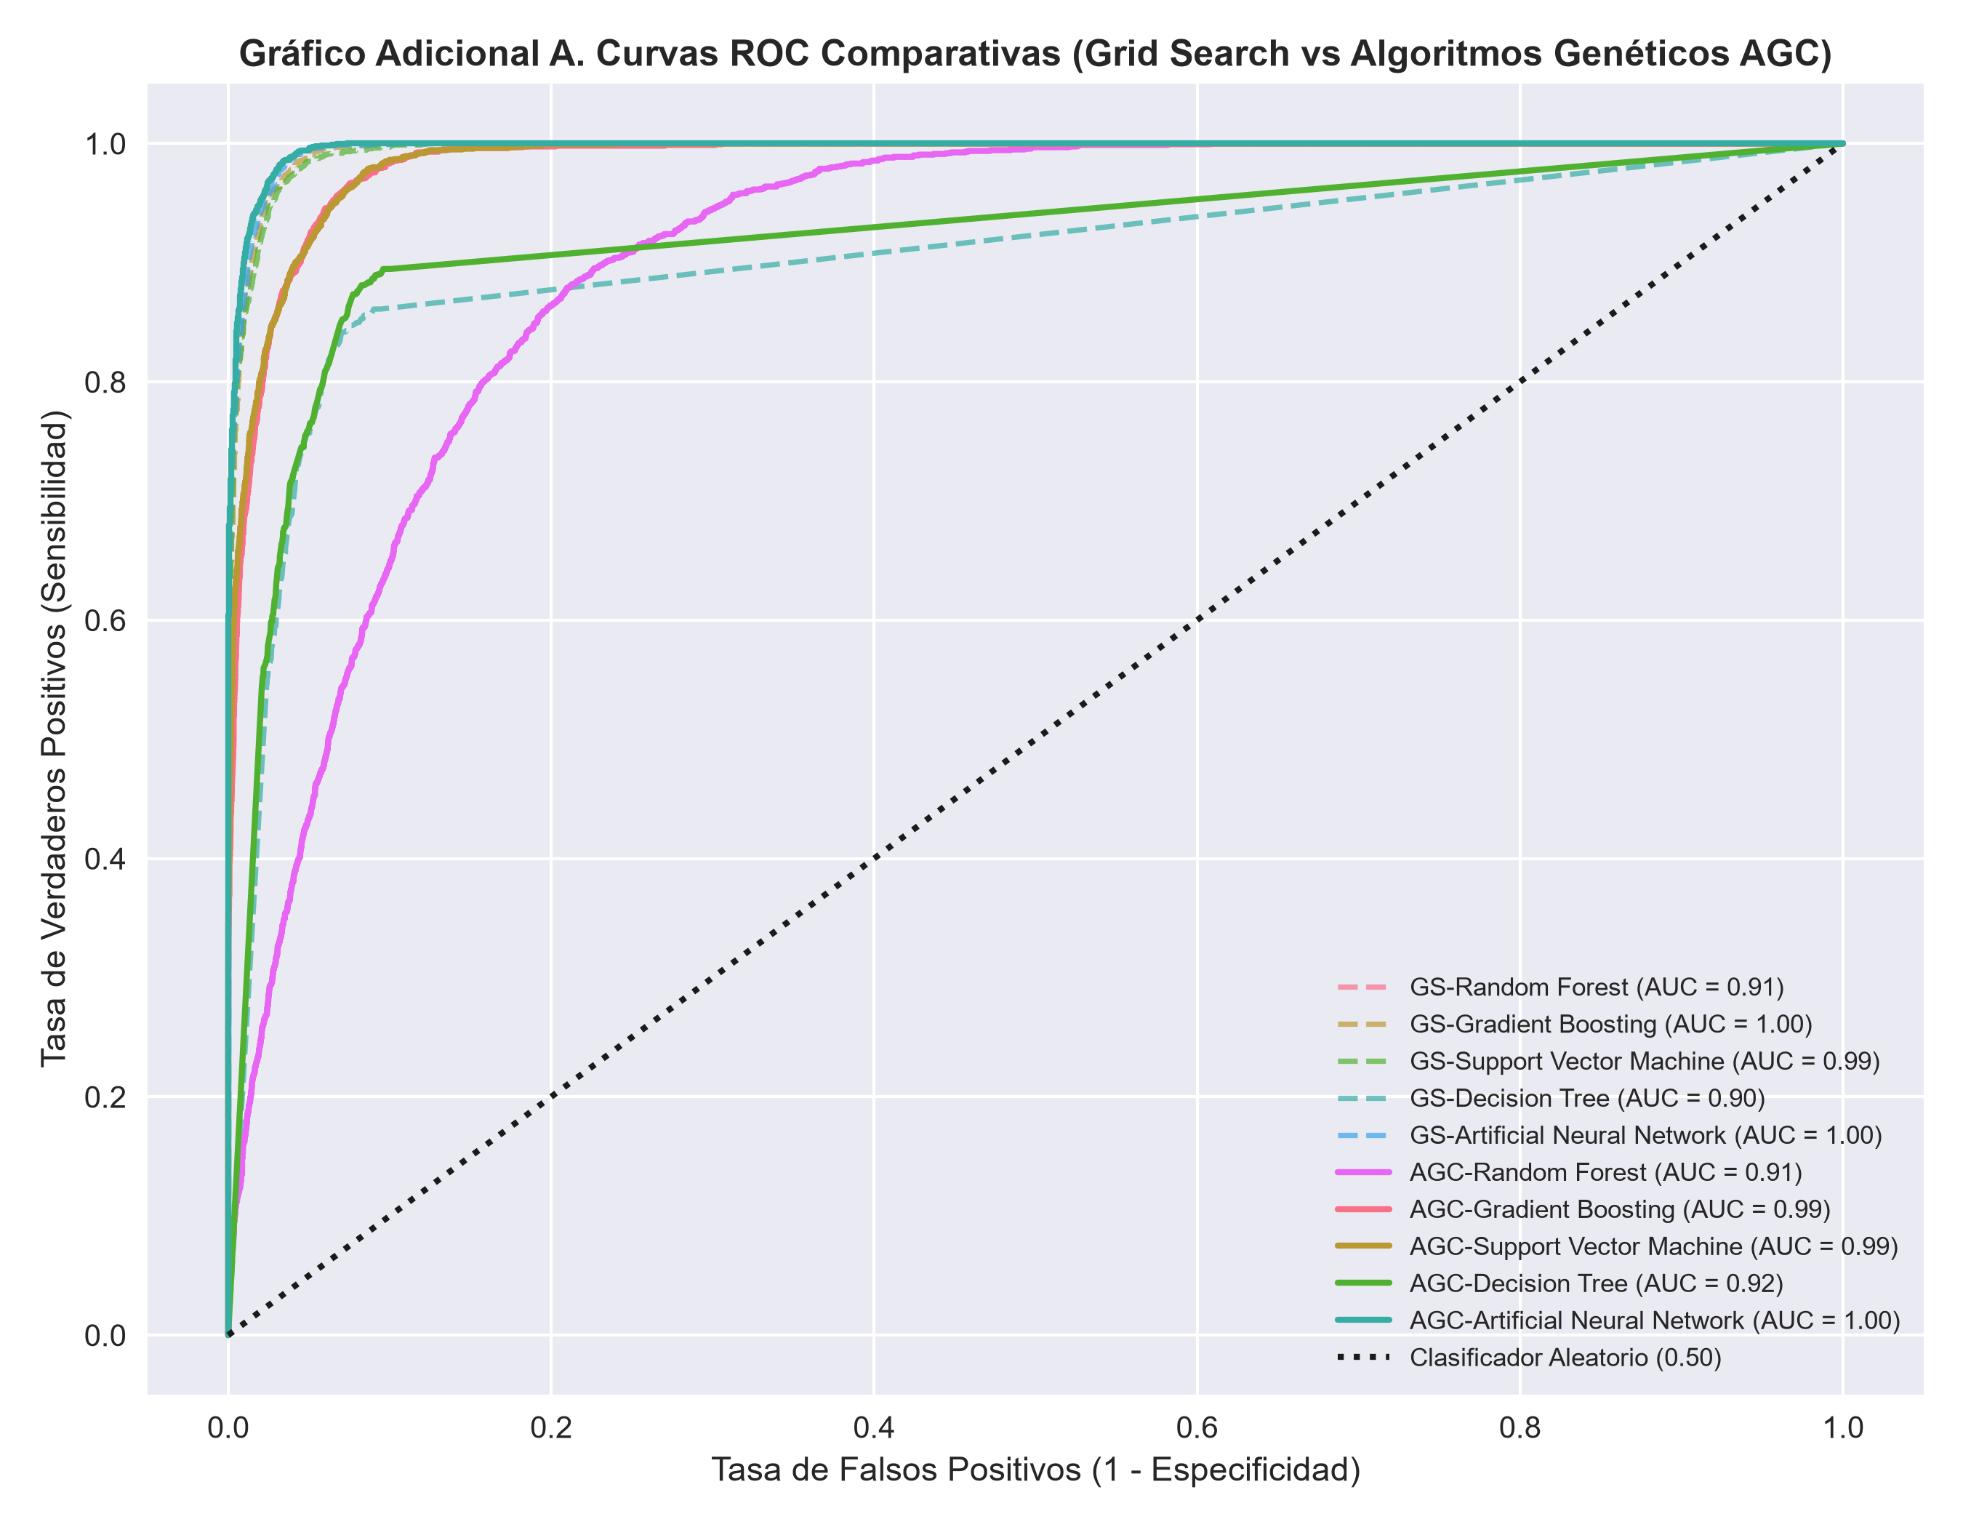
Enfoque Opc | Modelo | Accuracy | Precision | Recall | F1-Score | ROC-AUC | Tiempo Computo (seg) | Hiperparametros Optimos
Baseline | Random Forest | 0.82817471796 | 0.36246878345 | 0.63302180685 | 0.4609800363 | 0.85531291169 | 2.9861983 | {'bootstrap': True, 'ccp_alpha': 0.0, 'class_weight': None, 'criterion': 'gini', 'max_depth': 10, 'max_features': 'sqrt', 'max_leaf_nodes': None, 'max_samples': None, 'min_impurity_decrease': 0.0, 'min_samples_leaf': 2, 'min_samples_split': 5, 'min_weight_fraction_leaf': 0.0, 'monotonic_cst': None, 'n_estimators': 100, 'n_jobs': None, 'oob_score': False, 'random_state': 42, 'verbose': 0, 'warm_start': False}
Baseline | Gradient Boosting | 0.96008099508 | 0.77181208054 | 0.93146417445 | 0.84415584416 | 0.99066195363 | 8.5987985 | {'ccp_alpha': 0.0, 'criterion': 'deprecated', 'init': None, 'learning_rate': 0.1, 'loss': 'log_loss', 'max_depth': 5, 'max_features': None, 'max_leaf_nodes': None, 'min_impurity_decrease': 0.0, 'min_samples_leaf': 2, 'min_samples_split': 5, 'min_weight_fraction_leaf': 0.0, 'n_estimators': 100, 'n_iter_no_change': None, 'random_state': 42, 'subsample': 0.8, 'tol': 0.0001, 'validation_fraction': 0.1, 'verbose': 0, 'warm_start': False}
Baseline | Support Vector Machine | 0.97071159965 | 0.84129692833 | 0.9214953271 | 0.87957181088 | 0.99435419105 | 226.2865677 | {'C': 10, 'break_ties': False, 'cache_size': 200, 'class_weight': None, 'coef0': 0.0, 'decision_function_shape': 'ovr', 'degree': 3, 'gamma': 'scale', 'kernel': 'rbf', 'max_iter': -1, 'probability': True, 'random_state': 42, 'shrinking': True, 'tol': 0.001, 'verbose': False}
Baseline | Decision Tree | 0.85522129014 | 0.43236797274 | 0.79065420561 | 0.559030837 | 0.91085066889 | 0.1778707 | {'ccp_alpha': 0.0, 'class_weight': None, 'criterion': 'gini', 'max_depth': 10, 'max_features': None, 'max_leaf_nodes': None, 'min_impurity_decrease': 0.0, 'min_samples_leaf': 2, 'min_samples_split': 5, 'min_weight_fraction_leaf': 0.0, 'monotonic_cst': None, 'random_state': 42, 'splitter': 'best'}
Baseline | Artificial Neural Network | 0.97483367081 | 0.86690017513 | 0.92523364486 | 0.89511754069 | 0.99545858976 | 43.2875118 | {'activation': 'relu', 'alpha': 0.0001, 'batch_size': 32, 'beta_1': 0.9, 'beta_2': 0.999, 'early_stopping': True, 'epsilon': 1e-08, 'hidden_layer_sizes': (128, 64, 32, 16), 'learning_rate': 'adaptive', 'learning_rate_init': 0.001, 'max_fun': 15000, 'max_iter': 500, 'momentum': 0.9, 'n_iter_no_change': 10, 'nesterovs_momentum': True, 'power_t': 0.5, 'random_state': 42, 'shuffle': True, 'solver': 'adam', 'tol': 0.0001, 'validation_fraction': 0.1, 'verbose': False, 'warm_start': False}
Grid Search | Random Forest | 0.87727798669 | 0.47733990148 | 0.60373831776 | 0.53314993122 | 0.9051800357 | 37.9856927 | {'max_depth': 15, 'min_samples_leaf': 1, 'min_samples_split': 2, 'n_estimators': 150}
Grid Search | Gradient Boosting | 0.97295342783 | 0.8380010983 | 0.9507788162 | 0.89083479276 | 0.99537611413 | 39.4197511 | {'learning_rate': 0.2, 'max_depth': 5, 'n_estimators': 100, 'subsample': 1.0}
Grid Search | Support Vector Machine | 0.97273647671 | 0.85739231665 | 0.91775700935 | 0.88654829973 | 0.99486311364 | 6234.773645 | {'C': 50, 'gamma': 'auto', 'kernel': 'rbf'}
Grid Search | Decision Tree | 0.92262076945 | 0.62695775985 | 0.8230529595 | 0.71174568966 | 0.90348133326 | 4.7824635 | {'criterion': 'gini', 'max_depth': 15, 'min_samples_leaf': 1, 'min_samples_split': 2}
Grid Search | Artificial Neural Network | 0.97765403529 | 0.88848920863 | 0.92336448598 | 0.90559120073 | 0.99617492481 | 329.0814502 | {'activation': 'tanh', 'alpha': 0.001, 'hidden_layer_sizes': (64, 32), 'learning_rate_init': 0.001}
Bayesian | Random Forest | 0.87706103558 | 0.47697527872 | 0.61308411215 | 0.53653217012 | 0.90487337722 | 27.24117 | {'max_depth': 15, 'min_samples_leaf': 1, 'min_samples_split': 5, 'n_estimators': 150}
Bayesian | Gradient Boosting | 0.95863465432 | 0.76204972095 | 0.93582554517 | 0.84004474273 | 0.99041325238 | 33.3938544 | {'learning_rate': 0.2, 'max_depth': 5, 'n_estimators': 50, 'subsample': 1.0}
Bayesian | Support Vector Machine | 0.97273647671 | 0.85739231665 | 0.91775700935 | 0.88654829973 | 0.99486311364 | 5862.6501913 | {'C': 50, 'gamma': 'scale', 'kernel': 'rbf'}
Bayesian | Decision Tree | 0.92262076945 | 0.62695775985 | 0.8230529595 | 0.71174568966 | 0.90348133326 | 15.2397825 | {'criterion': 'gini', 'max_depth': 15, 'min_samples_leaf': 1, 'min_samples_split': 2}
Bayesian | Artificial Neural Network | 0.97765403529 | 0.88848920863 | 0.92336448598 | 0.90559120073 | 0.99617492481 | 394.4097755 | {'activation': 'tanh', 'alpha': 0.001, 'hidden_layer_sizes': (64, 32), 'learning_rate_init': 0.001}
Genetic Algorithm | Random Forest | 0.87727798669 | 0.47733990148 | 0.60373831776 | 0.53314993122 | 0.9051800357 | 57.2880138 | {'n_estimators': 150, 'max_depth': 15, 'min_samples_split': 2, 'min_samples_leaf': 1}
Genetic Algorithm | Gradient Boosting | 0.94822100087 | 0.71778539931 | 0.91277258567 | 0.80362040592 | 0.98631725135 | 88.7368877 | {'n_estimators': 100, 'learning_rate': 0.2, 'max_depth': 3, 'subsample': 0.8}
Genetic Algorithm | Support Vector Machine | 0.95444026613 | 0.76829939461 | 0.86978193146 | 0.81589713618 | 0.98723373508 | 14061.2206 | {'C': 1, 'kernel': 'rbf', 'gamma': 'auto', 'probability': True}
Genetic Algorithm | Decision Tree | 0.92348857391 | 0.63218946351 | 0.81495327103 | 0.71203048449 | 0.92034301301 | 2.9764076 | {'criterion': 'gini', 'max_depth': 15, 'min_samples_split': 2, 'min_samples_leaf': 2}
Genetic Algorithm | Artificial Neural Network | 0.97960659531 | 0.89634511684 | 0.93208722741 | 0.91386682957 | 0.9967589828 | 467.1628224 | {'hidden_layer_sizes': (64, 32), 'activation': 'relu', 'alpha': 0.0001, 'learning_rate_init': 0.001}

