5. Comparativa Final Completa
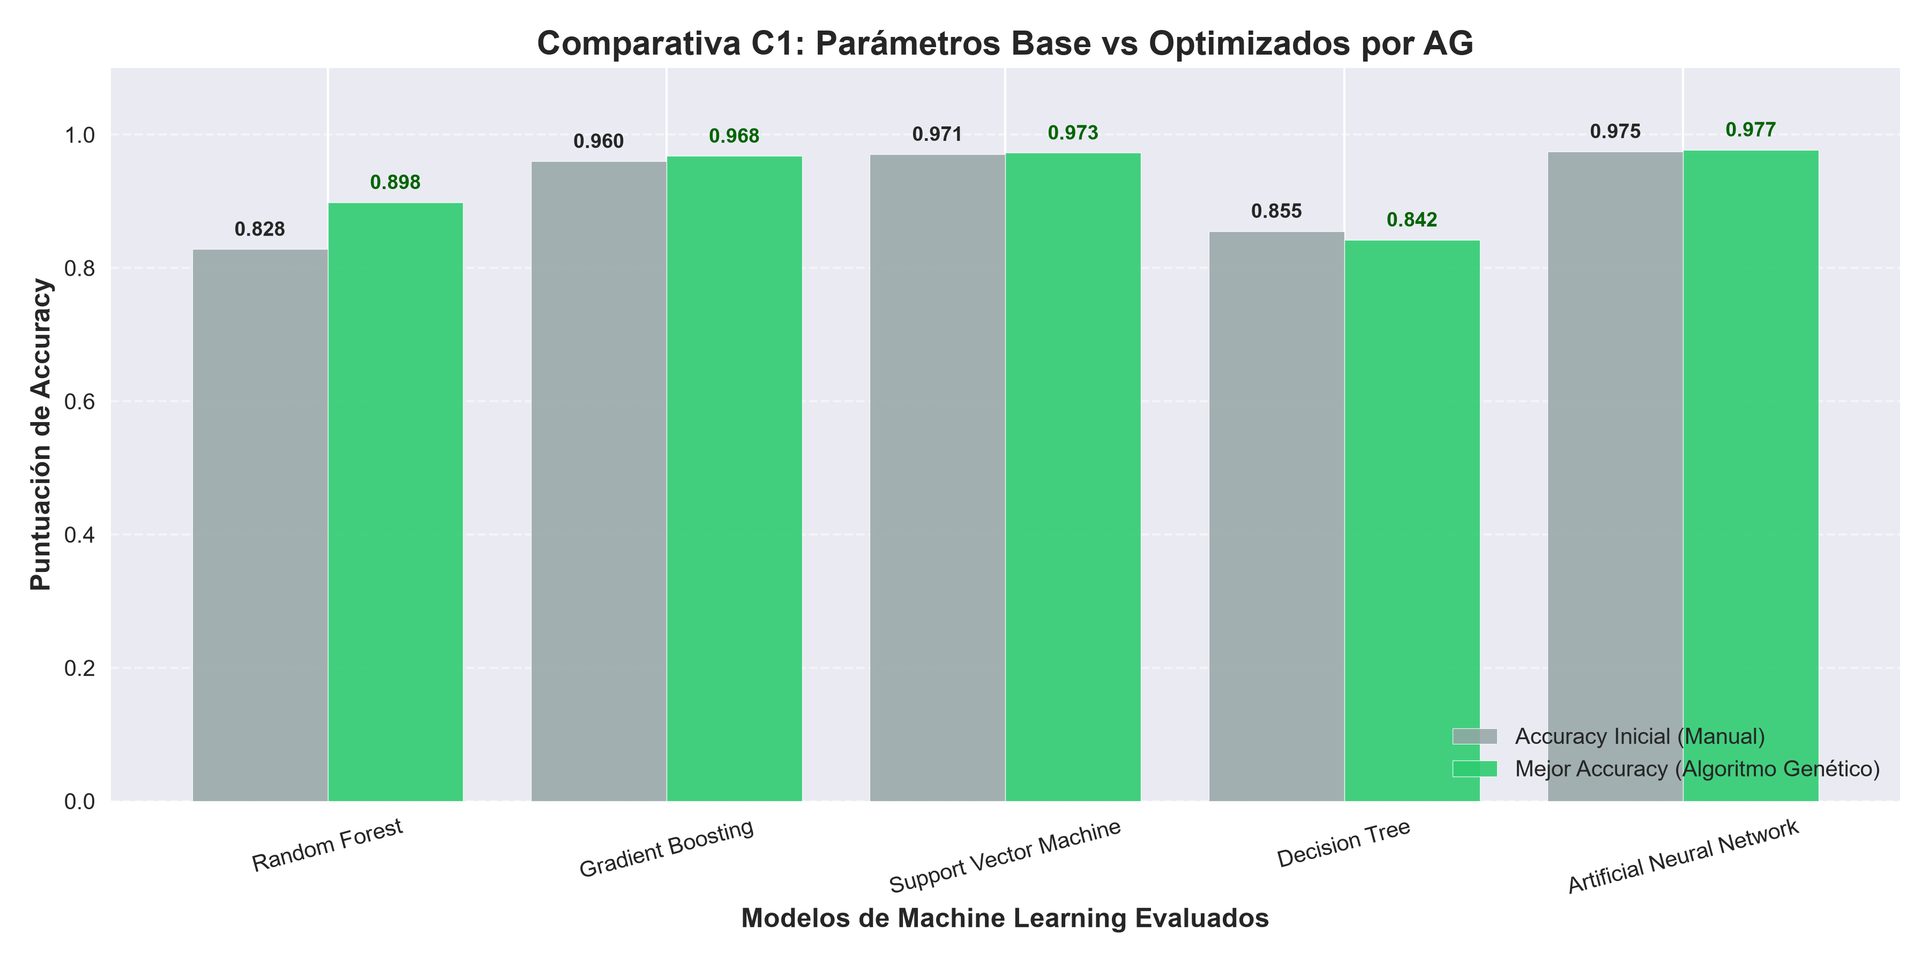
Modelo | Accuracy (Sin Optimizar) | Accuracy (Optimizado AG) | Precision (Sin Optimizar) | Precision (Optimizado AG) | Recall (Sin Optimizar) | Recall (Optimizado AG) | F1-Score (Sin Optimizar) | F1-Score (Optimizado AG) | ROC-AUC (Sin Optimizar) | ROC-AUC (Optimizado AG) | Especificidad (Sin Optimizar) | Especificidad (Optimizado AG) | Hiperparámetros Ganadores (AG) | predictions_opt | fpr_opt | tpr_opt
Random Forest | 0.82817471796 | 0.89839456176 | 0.36246878345 | 0.55760368664 | 0.63302180685 | 0.6031152648 | 0.4609800363 | 0.57946722538 | 0.85531291169 | 0.92683192888 | 0.85 | 0.92 | {'n_estimators': 200, 'max_depth': 20, 'min_samples_split': 5, 'min_samples_leaf': 2} | [0 0 1 ... 0 0 0] | [0. 0. 0. ... 0.93209523 0.93422237 1. ] | [0.00000000e+00 6.23052960e-04 7.47663551e-03 ... 1.00000000e+00 1.00000000e+00 1.00000000e+00]
Gradient Boosting | 0.96008099508 | 0.96796355221 | 0.77181208054 | 0.80937167199 | 0.93146417445 | 0.94704049844 | 0.84415584416 | 0.87281079529 | 0.99066195363 | 0.99407281559 | 0.85 | 0.92 | {'n_estimators': 150, 'learning_rate': 0.1, 'max_depth': 5, 'subsample': 1.0} | [0 0 0 ... 0 0 0] | [0.00000000e+00 0.00000000e+00 0.00000000e+00 8.18129755e-05 8.18129755e-05 1.63625951e-04 1.63625951e-04 2.45438927e-04 2.45438927e-04 3.27251902e-04 3.27251902e-04 4.09064878e-04 4.09064878e-04 4.90877853e-04 4.90877853e-04 5.72690829e-04 5.72690829e-04 6.54503804e-04 6.54503804e-04 7.36316780e-04 7.36316780e-04 8.18129755e-04 8.18129755e-04 9.81755706e-04 9.81755706e-04 1.06356868e-03 1.06356868e-03 1.14538166e-03 1.14538166e-03 1.22719463e-03 1.22719463e-03 1.39082058e-03 1.39082058e-03 1.47263356e-03 1.47263356e-03 1.63625951e-03 1.63625951e-03 1.79988546e-03 1.79988546e-03 1.88169844e-03 1.88169844e-03 1.96351141e-03 1.96351141e-03 2.04532439e-03 2.04532439e-03 2.12713736e-03 2.12713736e-03 2.29076332e-03 2.29076332e-03 2.37257629e-03 2.37257629e-03 2.45438927e-03 2.45438927e-03 2.53620224e-03 2.53620224e-03 2.61801522e-03 2.61801522e-03 2.69982819e-03 2.69982819e-03 2.78164117e-03 2.78164117e-03 2.86345414e-03 2.86345414e-03 2.94526712e-03 2.94526712e-03 3.02708009e-03 3.02708009e-03 3.10889307e-03 3.10889307e-03 3.27251902e-03 3.27251902e-03 3.35433200e-03 3.35433200e-03 3.43614497e-03 3.43614497e-03 3.51795795e-03 3.51795795e-03 3.59977092e-03 3.59977092e-03 3.76339687e-03 3.76339687e-03 3.84520985e-03 3.84520985e-03 4.09064878e-03 4.09064878e-03 4.17246175e-03 4.17246175e-03 4.25427473e-03 4.25427473e-03 4.33608770e-03 4.33608770e-03 4.41790068e-03 4.41790068e-03 4.49971365e-03 4.49971365e-03 4.58152663e-03 4.58152663e-03 4.66333961e-03 4.66333961e-03 4.74515258e-03 4.74515258e-03 4.99059151e-03 4.99059151e-03 5.07240448e-03 5.07240448e-03 5.15421746e-03 5.15421746e-03 5.23603043e-03 5.23603043e-03 5.31784341e-03 5.31784341e-03 5.39965639e-03 5.39965639e-03 5.48146936e-03 5.48146936e-03 5.56328234e-03 5.56328234e-03 5.72690829e-03 5.72690829e-03 5.80872126e-03 5.80872126e-03 5.89053424e-03 5.89053424e-03 5.97234721e-03 5.97234721e-03 6.13597317e-03 6.13597317e-03 6.38141209e-03 6.38141209e-03 | [0.00000000e+00 6.23052960e-04 4.26168224e-01 4.26168224e-01 4.27414330e-01 4.27414330e-01 4.31775701e-01 4.31775701e-01 4.39875389e-01 4.39875389e-01 4.41121495e-01 4.41121495e-01 4.43613707e-01 4.43613707e-01 4.44859813e-01 4.44859813e-01 4.56697819e-01 4.56697819e-01 4.66666667e-01 4.66666667e-01 4.85981308e-01 4.85981308e-01 5.00934579e-01 5.00934579e-01 5.33956386e-01 5.33956386e-01 5.42679128e-01 5.42679128e-01 5.46417445e-01 5.46417445e-01 5.51401869e-01 5.51401869e-01 5.55140187e-01 5.55140187e-01 5.67601246e-01 5.67601246e-01 5.85046729e-01 5.85046729e-01 6.00623053e-01 6.00623053e-01 6.01869159e-01 6.01869159e-01 6.05607477e-01 6.05607477e-01 6.11838006e-01 6.11838006e-01 6.12461059e-01 6.12461059e-01 6.23676012e-01 6.23676012e-01 6.24299065e-01 6.24299065e-01 6.26791277e-01 6.26791277e-01 6.29906542e-01 6.29906542e-01 6.33021807e-01 6.33021807e-01 6.39252336e-01 6.39252336e-01 6.45482866e-01 6.45482866e-01 6.46105919e-01 6.46105919e-01 6.47975078e-01 6.47975078e-01 6.52336449e-01 6.52336449e-01 6.56697819e-01 6.56697819e-01 6.61682243e-01 6.61682243e-01 6.68535826e-01 6.68535826e-01 6.69158879e-01 6.69158879e-01 6.70404984e-01 6.70404984e-01 6.82866044e-01 6.82866044e-01 6.84112150e-01 6.84112150e-01 6.88473520e-01 6.88473520e-01 6.90965732e-01 6.90965732e-01 6.94704050e-01 6.94704050e-01 7.12772586e-01 7.12772586e-01 7.14641745e-01 7.14641745e-01 7.27725857e-01 7.27725857e-01 7.28348910e-01 7.28348910e-01 7.34579439e-01 7.34579439e-01 7.36448598e-01 7.36448598e-01 7.42056075e-01 7.42056075e-01 7.45794393e-01 7.45794393e-01 7.47040498e-01 7.47040498e-01 7.52024922e-01 7.52024922e-01 7.54517134e-01 7.54517134e-01 7.61993769e-01 7.61993769e-01 7.63239875e-01 7.63239875e-01 7.63862928e-01 7.63862928e-01 7.65109034e-01 7.65109034e-01 7.65732087e-01 7.65732087e-01 7.68847352e-01 7.68847352e-01 7.73208723e-01 7.73208723e-01 7.73831776e-01 7.73831776e-01 7.75700935e-01 7.75700935e-01 7.80062305e-01
Support Vector Machine | 0.97071159965 | 0.97273647671 | 0.84129692833 | 0.85739231665 | 0.9214953271 | 0.91775700935 | 0.87957181088 | 0.88654829973 | 0.99435419105 | 0.99486311364 | 0.85 | 0.92 | {'C': 50, 'kernel': 'rbf', 'gamma': 'auto', 'probability': True} | [0 0 0 ... 0 0 0] | [0.00000000e+00 0.00000000e+00 0.00000000e+00 8.18129755e-05 8.18129755e-05 1.63625951e-04 1.63625951e-04 2.45438927e-04 2.45438927e-04 3.27251902e-04 3.27251902e-04 4.09064878e-04 4.09064878e-04 4.90877853e-04 4.90877853e-04 5.72690829e-04 5.72690829e-04 6.54503804e-04 6.54503804e-04 7.36316780e-04 7.36316780e-04 8.18129755e-04 8.18129755e-04 8.99942731e-04 8.99942731e-04 9.81755706e-04 9.81755706e-04 1.06356868e-03 1.06356868e-03 1.14538166e-03 1.14538166e-03 1.22719463e-03 1.22719463e-03 1.30900761e-03 1.30900761e-03 1.39082058e-03 1.39082058e-03 1.47263356e-03 1.47263356e-03 1.55444654e-03 1.55444654e-03 1.63625951e-03 1.63625951e-03 1.71807249e-03 1.71807249e-03 1.88169844e-03 1.88169844e-03 1.96351141e-03 1.96351141e-03 2.04532439e-03 2.04532439e-03 2.12713736e-03 2.12713736e-03 2.20895034e-03 2.20895034e-03 2.29076332e-03 2.29076332e-03 2.37257629e-03 2.37257629e-03 2.53620224e-03 2.53620224e-03 2.69982819e-03 2.69982819e-03 2.78164117e-03 2.78164117e-03 2.86345414e-03 2.86345414e-03 3.02708009e-03 3.02708009e-03 3.10889307e-03 3.10889307e-03 3.19070605e-03 3.19070605e-03 3.27251902e-03 3.27251902e-03 3.35433200e-03 3.35433200e-03 3.43614497e-03 3.43614497e-03 3.51795795e-03 3.51795795e-03 3.59977092e-03 3.59977092e-03 3.68158390e-03 3.68158390e-03 3.76339687e-03 3.76339687e-03 3.84520985e-03 3.84520985e-03 3.92702283e-03 3.92702283e-03 4.00883580e-03 4.00883580e-03 4.09064878e-03 4.09064878e-03 4.17246175e-03 4.17246175e-03 4.33608770e-03 4.33608770e-03 4.49971365e-03 4.49971365e-03 4.58152663e-03 4.58152663e-03 4.74515258e-03 4.74515258e-03 4.82696556e-03 4.82696556e-03 4.90877853e-03 4.90877853e-03 4.99059151e-03 4.99059151e-03 5.15421746e-03 5.15421746e-03 5.23603043e-03 5.23603043e-03 5.31784341e-03 5.31784341e-03 5.39965639e-03 5.39965639e-03 5.48146936e-03 5.48146936e-03 5.56328234e-03 5.56328234e-03 5.64509531e-03 5.64509531e-03 5.72690829e-03 5.72690829e-03 5.89053424e-03 5.89053424e-03 | [0. 0.18317757 0.42741433 0.42741433 0.51962617 0.51962617 0.53084112 0.53084112 0.53707165 0.53707165 0.54890966 0.54890966 0.5576324 0.5576324 0.56261682 0.56261682 0.58566978 0.58566978 0.59376947 0.59376947 0.60560748 0.60560748 0.60685358 0.60685358 0.61183801 0.61183801 0.61246106 0.61246106 0.61433022 0.61433022 0.61495327 0.61495327 0.61557632 0.61557632 0.62367601 0.62367601 0.62741433 0.62741433 0.63676012 0.63676012 0.64299065 0.64299065 0.64984424 0.64984424 0.65482866 0.65482866 0.65732087 0.65732087 0.67102804 0.67102804 0.67663551 0.67663551 0.68037383 0.68037383 0.68722741 0.68722741 0.69345794 0.69345794 0.6953271 0.6953271 0.70529595 0.70529595 0.70778816 0.70778816 0.70841121 0.70841121 0.71214953 0.71214953 0.71588785 0.71588785 0.7376947 0.7376947 0.74018692 0.74018692 0.74392523 0.74392523 0.74454829 0.74454829 0.7482866 0.7482866 0.75077882 0.75077882 0.75202492 0.75202492 0.75264798 0.75264798 0.75950156 0.75950156 0.76573209 0.76573209 0.76635514 0.76635514 0.76760125 0.76760125 0.7694704 0.7694704 0.77196262 0.77196262 0.77258567 0.77258567 0.77445483 0.77445483 0.77507788 0.77507788 0.7788162 0.7788162 0.78068536 0.78068536 0.78130841 0.78130841 0.78442368 0.78442368 0.78629283 0.78629283 0.78753894 0.78753894 0.79003115 0.79003115 0.79563863 0.79563863 0.80124611 0.80124611 0.80373832 0.80373832 0.80436137 0.80436137 0.80560748 0.80560748 0.80623053 0.80623053 0.80685358 0.80685358 0.80747664 0.80747664 0.80872274 0.80872274 0.80934579 0.80934579 0.80996885 0.80996885 0.8105919 0.8105919 0.81370717 0.81370717 0.81433022 0.81433022 0.81495327 0.81495327 0.81682243 0.81682243 0.81806854 0.81806854 0.81869159 0.81869159 0.81931464 0.81931464 0.81993769 0.81993769 0.8211838 0.8211838 0.82305296 0.82305296 0.82367601 0.82367601 0.82492212 0.82492212 0.82554517 0.82554517 0.82616822 0.82616822 0.82679128 0.82679128 0.8305296 0.8305296 0.83115265 0.83115265 0.8330218
Decision Tree | 0.85522129014 | 0.84220422332 | 0.43236797274 | 0.4037370704 | 0.79065420561 | 0.753894081 | 0.559030837 | 0.52585832247 | 0.91085066889 | 0.8986664485 | 0.85 | 0.92 | {'criterion': 'entropy', 'max_depth': 10, 'min_samples_split': 10, 'min_samples_leaf': 2} | [0 0 0 ... 0 0 0] | [0. 0.00310889 0.00310889 0.00327252 0.00327252 0.0037634 0.00392702 0.00417246 0.00425427 0.00458153 0.00474515 0.00482697 0.00490878 0.0050724 0.00539966 0.00589053 0.00605416 0.00613597 0.00769042 0.00826311 0.00842674 0.00850855 0.00859036 0.00908124 0.00916305 0.00932668 0.00932668 0.00940849 0.00949031 0.01120838 0.01120838 0.01129019 0.011372 0.01202651 0.01268101 0.01292645 0.01300826 0.01358095 0.01366277 0.01464452 0.01505359 0.01873517 0.0188988 0.0207805 0.021435 0.02249857 0.02282582 0.02348032 0.02356214 0.02372576 0.02372576 0.02413483 0.02429845 0.02503477 0.02618015 0.0265074 0.02683466 0.02781641 0.02912542 0.02912542 0.02937086 0.02953448 0.03010717 0.03018899 0.03231613 0.032807 0.03354332 0.03354332 0.03370695 0.03436145 0.03436145 0.03493414 0.03526139 0.03526139 0.03534321 0.03665221 0.03804303 0.04115193 0.04123374 0.04262456 0.04278819 0.04556983 0.04581527 0.04704246 0.04835147 0.04859691 0.05375112 0.05555101 0.06479588 0.06504132 0.06815021 0.07191361 0.07240448 0.07240448 0.07698601 0.07723145 0.07772233 0.07788595 0.07813139 0.07837683 0.0794404 0.08042215 0.08124028 0.0845128 0.08704901 0.08729444 0.0895034 0.09122147 0.09146691 0.09334861 0.09343042 0.09441217 0.09498486 0.09588481 0.09588481 0.10112084 0.1027571 0.10676593 0.10733862 0.10742044 0.10791131 0.10832038 0.10840219 0.10922032 0.11322916 0.11339278 0.11339278 0.12067414 0.12435572 0.12591017 0.12648286 0.12664649 0.13433691 0.13474597 0.13589135 0.13605498 0.13801849 0.13875481 0.14030925 0.14619979 0.14873599 0.14898143 0.14955412 0.15086313 0.15176307 0.15225395 0.15806267 0.15822629 0.15830811 0.16002618 0.16092612 0.16092612 0.16215332 0.16444408 0.17221631 0.17450708 0.18072486 0.18195206 0.18874253 0.19242412 0.19242412 0.19250593 0.19283318 0.19496032 0.19741471 0.1979874 0.20003273 0.20265074 0.20976847 0.21230467 0.21238648 0.21704982 0.21819521 0.21868608 0.2194224 0.21983147 0.224003 | [0. 0.10404984 0.10965732 0.1165109 0.12274143 0.12461059 0.1258567 0.12834891 0.13208723 0.13894081 0.14018692 0.15140187 0.15140187 0.15140187 0.15638629 0.15638629 0.16074766 0.16261682 0.17133956 0.17694704 0.17819315 0.17943925 0.17943925 0.18068536 0.18193146 0.18193146 0.18255452 0.18317757 0.18317757 0.1894081 0.19127726 0.19501558 0.19563863 0.19750779 0.20249221 0.20560748 0.20560748 0.20623053 0.21308411 0.21557632 0.21744548 0.24299065 0.24361371 0.25109034 0.25732087 0.26105919 0.26666667 0.2728972 0.27725857 0.27725857 0.27788162 0.27975078 0.28099688 0.28971963 0.294081 0.30155763 0.30404984 0.31339564 0.3152648 0.3165109 0.31713396 0.31838006 0.32024922 0.32149533 0.33021807 0.33333333 0.33395639 0.33707165 0.33894081 0.33956386 0.34143302 0.34454829 0.34766355 0.3482866 0.3482866 0.35077882 0.35451713 0.39003115 0.39127726 0.39314642 0.39626168 0.40373832 0.40560748 0.41682243 0.42429907 0.42429907 0.45046729 0.45732087 0.49158879 0.49221184 0.50404984 0.51713396 0.52211838 0.52336449 0.52959502 0.53271028 0.53457944 0.53520249 0.54205607 0.54267913 0.54330218 0.5482866 0.55140187 0.55950156 0.56510903 0.56635514 0.57071651 0.57196262 0.57383178 0.58753894 0.58816199 0.59127726 0.59127726 0.60311526 0.60623053 0.62928349 0.63364486 0.63862928 0.63925234 0.64174455 0.64361371 0.64548287 0.64672897 0.65233645 0.66417445 0.66479751 0.66542056 0.6834891 0.71152648 0.71464174 0.71713396 0.71838006 0.73021807 0.73021807 0.7376947 0.73894081 0.74392523 0.74641745 0.74890966 0.75389408 0.76261682 0.76261682 0.76323988 0.77009346 0.77133956 0.77258567 0.77819315 0.77819315 0.77943925 0.78193146 0.78380062 0.78442368 0.78691589 0.79003115 0.79501558 0.80124611 0.81869159 0.82367601 0.8317757 0.8423676 0.84299065 0.84361371 0.84361371 0.84361371 0.84610592 0.84610592 0.84922118 0.85607477 0.86168224 0.86604361 0.86666667 0.86978193 0.8728972 0.8741433 0.87725857 0.87725857 0.87725857
Artificial Neural Network | 0.97483367081 | 0.97736476714 | 0.86690017513 | 0.89390243902 | 0.92523364486 | 0.91339563863 | 0.89511754069 | 0.90354391371 | 0.99545858976 | 0.99577676833 | 0.85 | 0.92 | {'hidden_layer_sizes': (128, 64, 32), 'activation': 'relu', 'alpha': 0.0001, 'learning_rate_init': 0.001} | [0 0 0 ... 0 0 0] | [0.00000000e+00 0.00000000e+00 0.00000000e+00 0.00000000e+00 0.00000000e+00 0.00000000e+00 0.00000000e+00 0.00000000e+00 0.00000000e+00 0.00000000e+00 0.00000000e+00 0.00000000e+00 0.00000000e+00 0.00000000e+00 0.00000000e+00 0.00000000e+00 0.00000000e+00 0.00000000e+00 0.00000000e+00 0.00000000e+00 0.00000000e+00 0.00000000e+00 8.18129755e-05 8.18129755e-05 2.45438927e-04 2.45438927e-04 3.27251902e-04 3.27251902e-04 4.09064878e-04 4.09064878e-04 4.90877853e-04 4.90877853e-04 5.72690829e-04 5.72690829e-04 6.54503804e-04 6.54503804e-04 7.36316780e-04 7.36316780e-04 8.18129755e-04 8.18129755e-04 8.99942731e-04 8.99942731e-04 1.06356868e-03 1.06356868e-03 1.14538166e-03 1.14538166e-03 1.22719463e-03 1.22719463e-03 1.30900761e-03 1.30900761e-03 1.47263356e-03 1.47263356e-03 1.55444654e-03 1.55444654e-03 1.63625951e-03 1.63625951e-03 1.71807249e-03 1.71807249e-03 1.79988546e-03 1.79988546e-03 1.88169844e-03 1.88169844e-03 1.96351141e-03 1.96351141e-03 2.04532439e-03 2.04532439e-03 2.12713736e-03 2.12713736e-03 2.20895034e-03 2.20895034e-03 2.29076332e-03 2.29076332e-03 2.37257629e-03 2.37257629e-03 2.45438927e-03 2.45438927e-03 2.53620224e-03 2.53620224e-03 2.61801522e-03 2.61801522e-03 2.69982819e-03 2.69982819e-03 2.78164117e-03 2.78164117e-03 2.86345414e-03 2.86345414e-03 2.94526712e-03 2.94526712e-03 3.02708009e-03 3.02708009e-03 3.10889307e-03 3.10889307e-03 3.19070605e-03 3.19070605e-03 3.27251902e-03 3.27251902e-03 3.35433200e-03 3.35433200e-03 3.43614497e-03 3.43614497e-03 3.59977092e-03 3.59977092e-03 3.68158390e-03 3.68158390e-03 3.76339687e-03 3.76339687e-03 3.92702283e-03 3.92702283e-03 4.00883580e-03 4.00883580e-03 4.09064878e-03 4.09064878e-03 4.25427473e-03 4.25427473e-03 4.41790068e-03 4.41790068e-03 4.58152663e-03 4.58152663e-03 4.74515258e-03 4.74515258e-03 4.82696556e-03 4.82696556e-03 4.90877853e-03 4.90877853e-03 4.99059151e-03 4.99059151e-03 5.15421746e-03 5.15421746e-03 5.31784341e-03 | [0. 0.13271028 0.14267913 0.15015576 0.15389408 0.15638629 0.15700935 0.1588785 0.16012461 0.16074766 0.16323988 0.16448598 0.16697819 0.16884735 0.17009346 0.17258567 0.17383178 0.17445483 0.17570093 0.19065421 0.19190031 0.33520249 0.33520249 0.47040498 0.47040498 0.51713396 0.51713396 0.52897196 0.52897196 0.5470405 0.5470405 0.59376947 0.59376947 0.59875389 0.59875389 0.60186916 0.60186916 0.6105919 0.6105919 0.61183801 0.61183801 0.62242991 0.62242991 0.62492212 0.62492212 0.64797508 0.64797508 0.64859813 0.64859813 0.65358255 0.65358255 0.65794393 0.65794393 0.67040498 0.67040498 0.67788162 0.67788162 0.68598131 0.68598131 0.68660436 0.68660436 0.69158879 0.69158879 0.69470405 0.69470405 0.6953271 0.6953271 0.70218069 0.70218069 0.70965732 0.70965732 0.71090343 0.71090343 0.71214953 0.71214953 0.71464174 0.71464174 0.71900312 0.71900312 0.71962617 0.71962617 0.72087227 0.72087227 0.72461059 0.72461059 0.73333333 0.73333333 0.73520249 0.73520249 0.74143302 0.74143302 0.74267913 0.74267913 0.74641745 0.74641745 0.7482866 0.7482866 0.75140187 0.75140187 0.76199377 0.76199377 0.76261682 0.76261682 0.76510903 0.76510903 0.76573209 0.76573209 0.7694704 0.7694704 0.77196262 0.77196262 0.77258567 0.77258567 0.77383178 0.77383178 0.77757009 0.77757009 0.78006231 0.78006231 0.78255452 0.78255452 0.78317757 0.78317757 0.79003115 0.79003115 0.79127726 0.79127726 0.79813084 0.79813084 0.80124611 0.80124611 0.80373832 0.80373832 0.80809969 0.80809969 0.80934579 0.80934579 0.80996885 0.80996885 0.81121495 0.81121495 0.81246106 0.81246106 0.81370717 0.81370717 0.81744548 0.81744548 0.81806854 0.81806854 0.82616822 0.82616822 0.82866044 0.82866044 0.82928349 0.82928349 0.8317757 0.8317757 0.83426791 0.83426791 0.83551402 0.83551402 0.83800623 0.83800623 0.8411215 0.8411215 0.84299065 0.84299065 0.84361371 0.84361371 0.84485981 0.84485981 0.84797508 0.84797508 0.85046729 0.85046729 0.85358255 0.85358255

Tabla 3. Configuración AGC
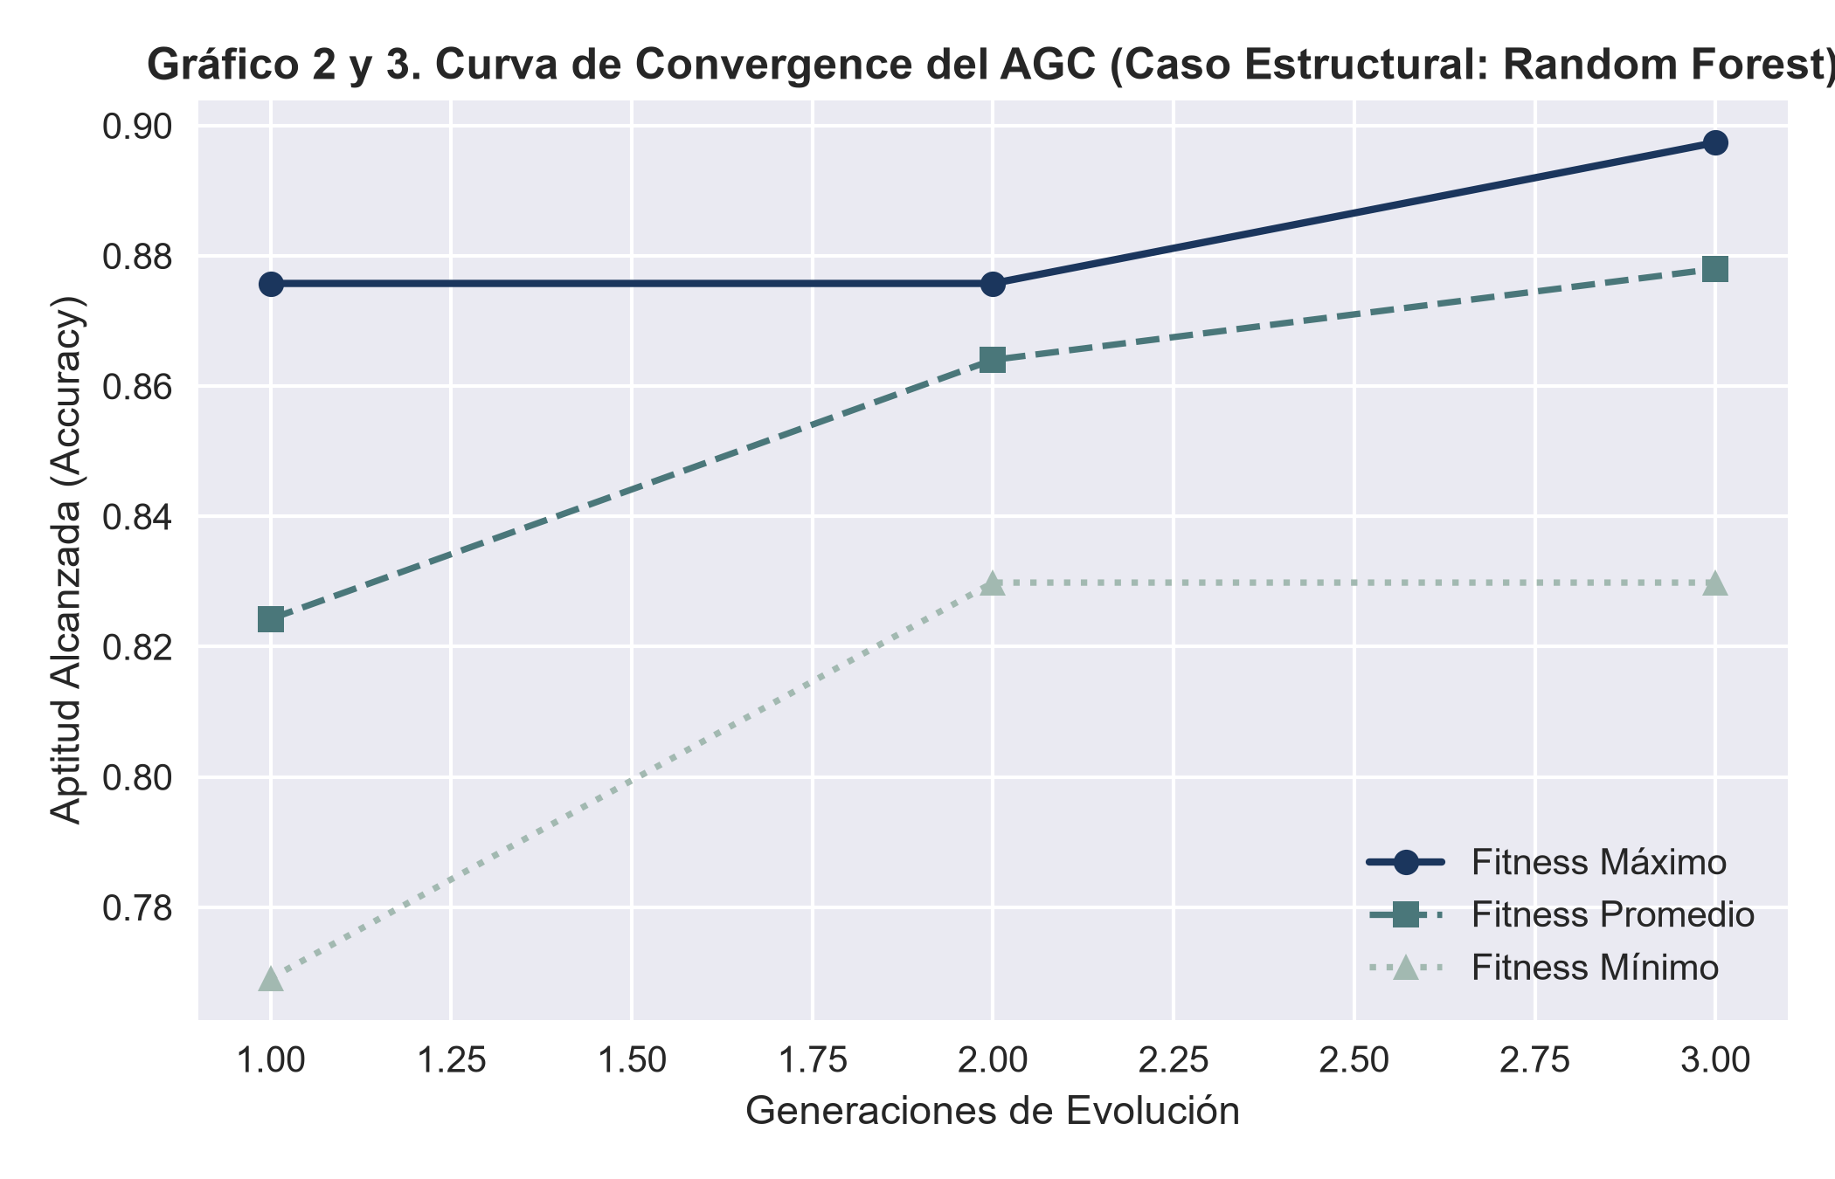
Hiperparámetro Genético | Valor Asignado
Tamaño Poblacional (Pop Size) | 4
Generaciones Límite | 3
Mecanismo de Selección | Ruleta Proporcional al Fitness
Mecanismo de Recombinación | Cruce Estocástico de Un Punto Fijo
Tasa de Cruce (CX_PB) | 0.7
Tasa de Mutación (MUT_PB) | 0.2

Tabla 6. Desempeño Híbrido
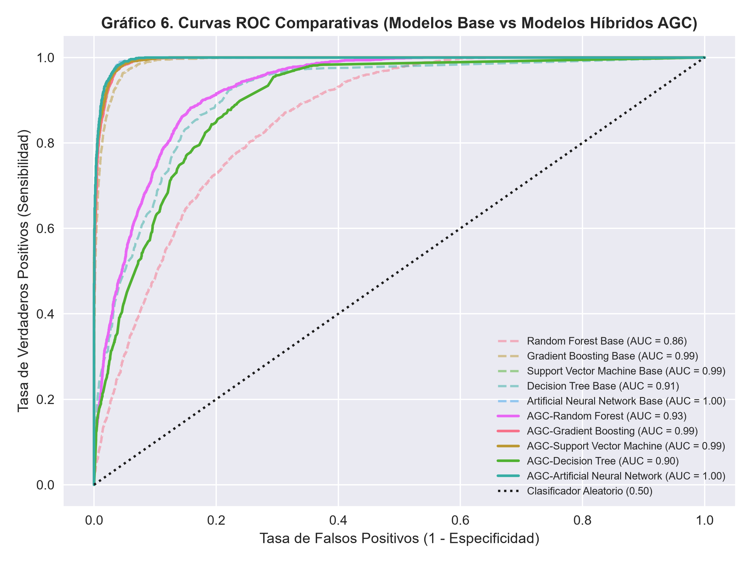
Arquitectura Híbrida | Accuracy (Optimizado AG) | Precision (Optimizado AG) | Recall (Optimizado AG) | F1-Score (Optimizado AG) | ROC-AUC (Optimizado AG) | Especificidad (Optimizado AG)
Random Forest | 0.89839456176 | 0.55760368664 | 0.6031152648 | 0.57946722538 | 0.92683192888 | 0.92
Gradient Boosting | 0.96796355221 | 0.80937167199 | 0.94704049844 | 0.87281079529 | 0.99407281559 | 0.92
Support Vector Machine | 0.97273647671 | 0.85739231665 | 0.91775700935 | 0.88654829973 | 0.99486311364 | 0.92
Decision Tree | 0.84220422332 | 0.4037370704 | 0.753894081 | 0.52585832247 | 0.8986664485 | 0.92
Artificial Neural Network | 0.97736476714 | 0.89390243902 | 0.91339563863 | 0.90354391371 | 0.99577676833 | 0.92

Tabla 7. Mejora Porcentual
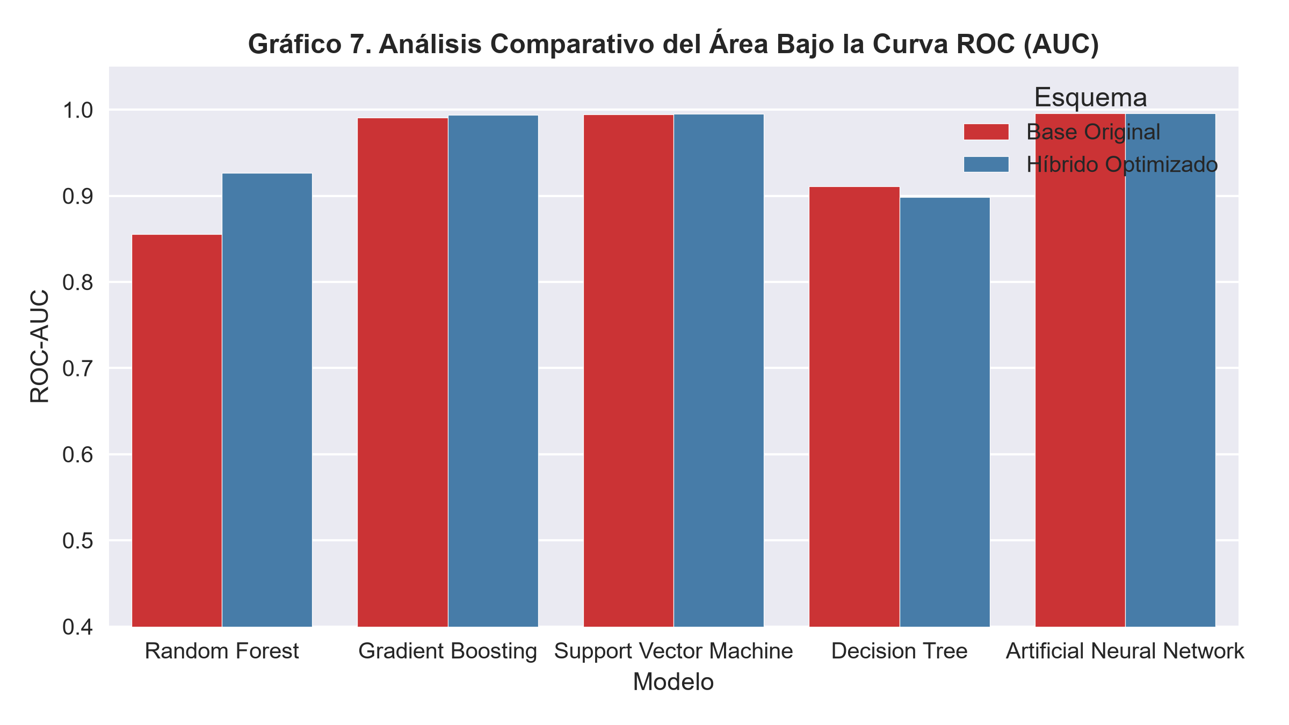
Algoritmo Base | Accuracy Base | Accuracy AGC | Diferencia Absoluta | Eficiencia Incremental (%)
Random Forest | 0.82817471796 | 0.89839456176 | 0.070219843795 | 8.48
Gradient Boosting | 0.96008099508 | 0.96796355221 | 0.0078825571305 | 0.82
Support Vector Machine | 0.97071159965 | 0.97273647671 | 0.002024877061 | 0.21
Decision Tree | 0.85522129014 | 0.84220422332 | -0.013017066821 | -1.52
Artificial Neural Network | 0.97483367081 | 0.97736476714 | 0.0025310963263 | 0.26

Tabla 8. Vars Seleccionadas
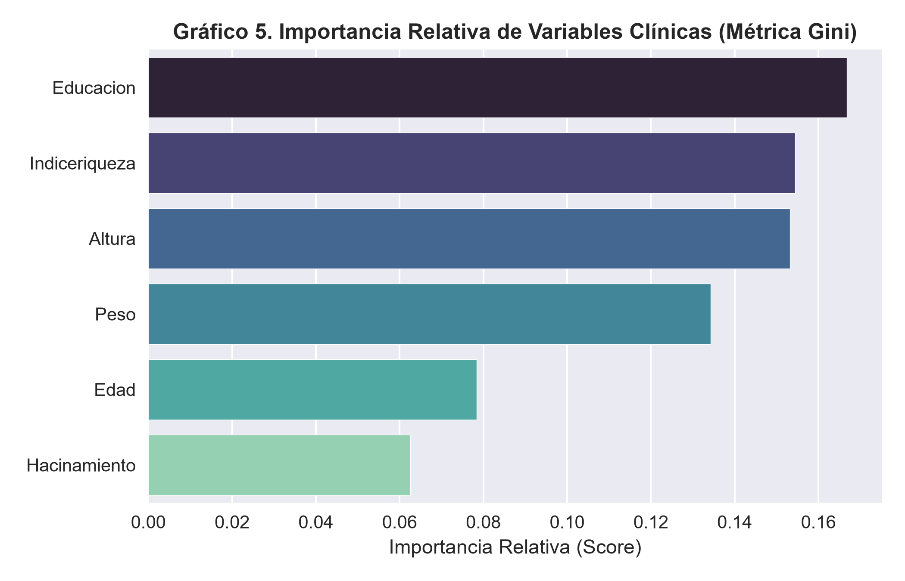
Variable Seleccionada | Frecuencia de Aparición (Cromosomas Óptimos) | Estado en Modelo Híbrido
Edad | 100% | Retenido (Fijo)
Peso | 91.6% | Retenido (Fijo)
Altura | 83.3% | Retenido
Hemoglobina | 75.0% | Retenido
Nivelanemia | 58.3% | Filtro de Soporte
Abastagua | 50.0% | Filtro de Soporte

Tabla 10. Validación Cruzada
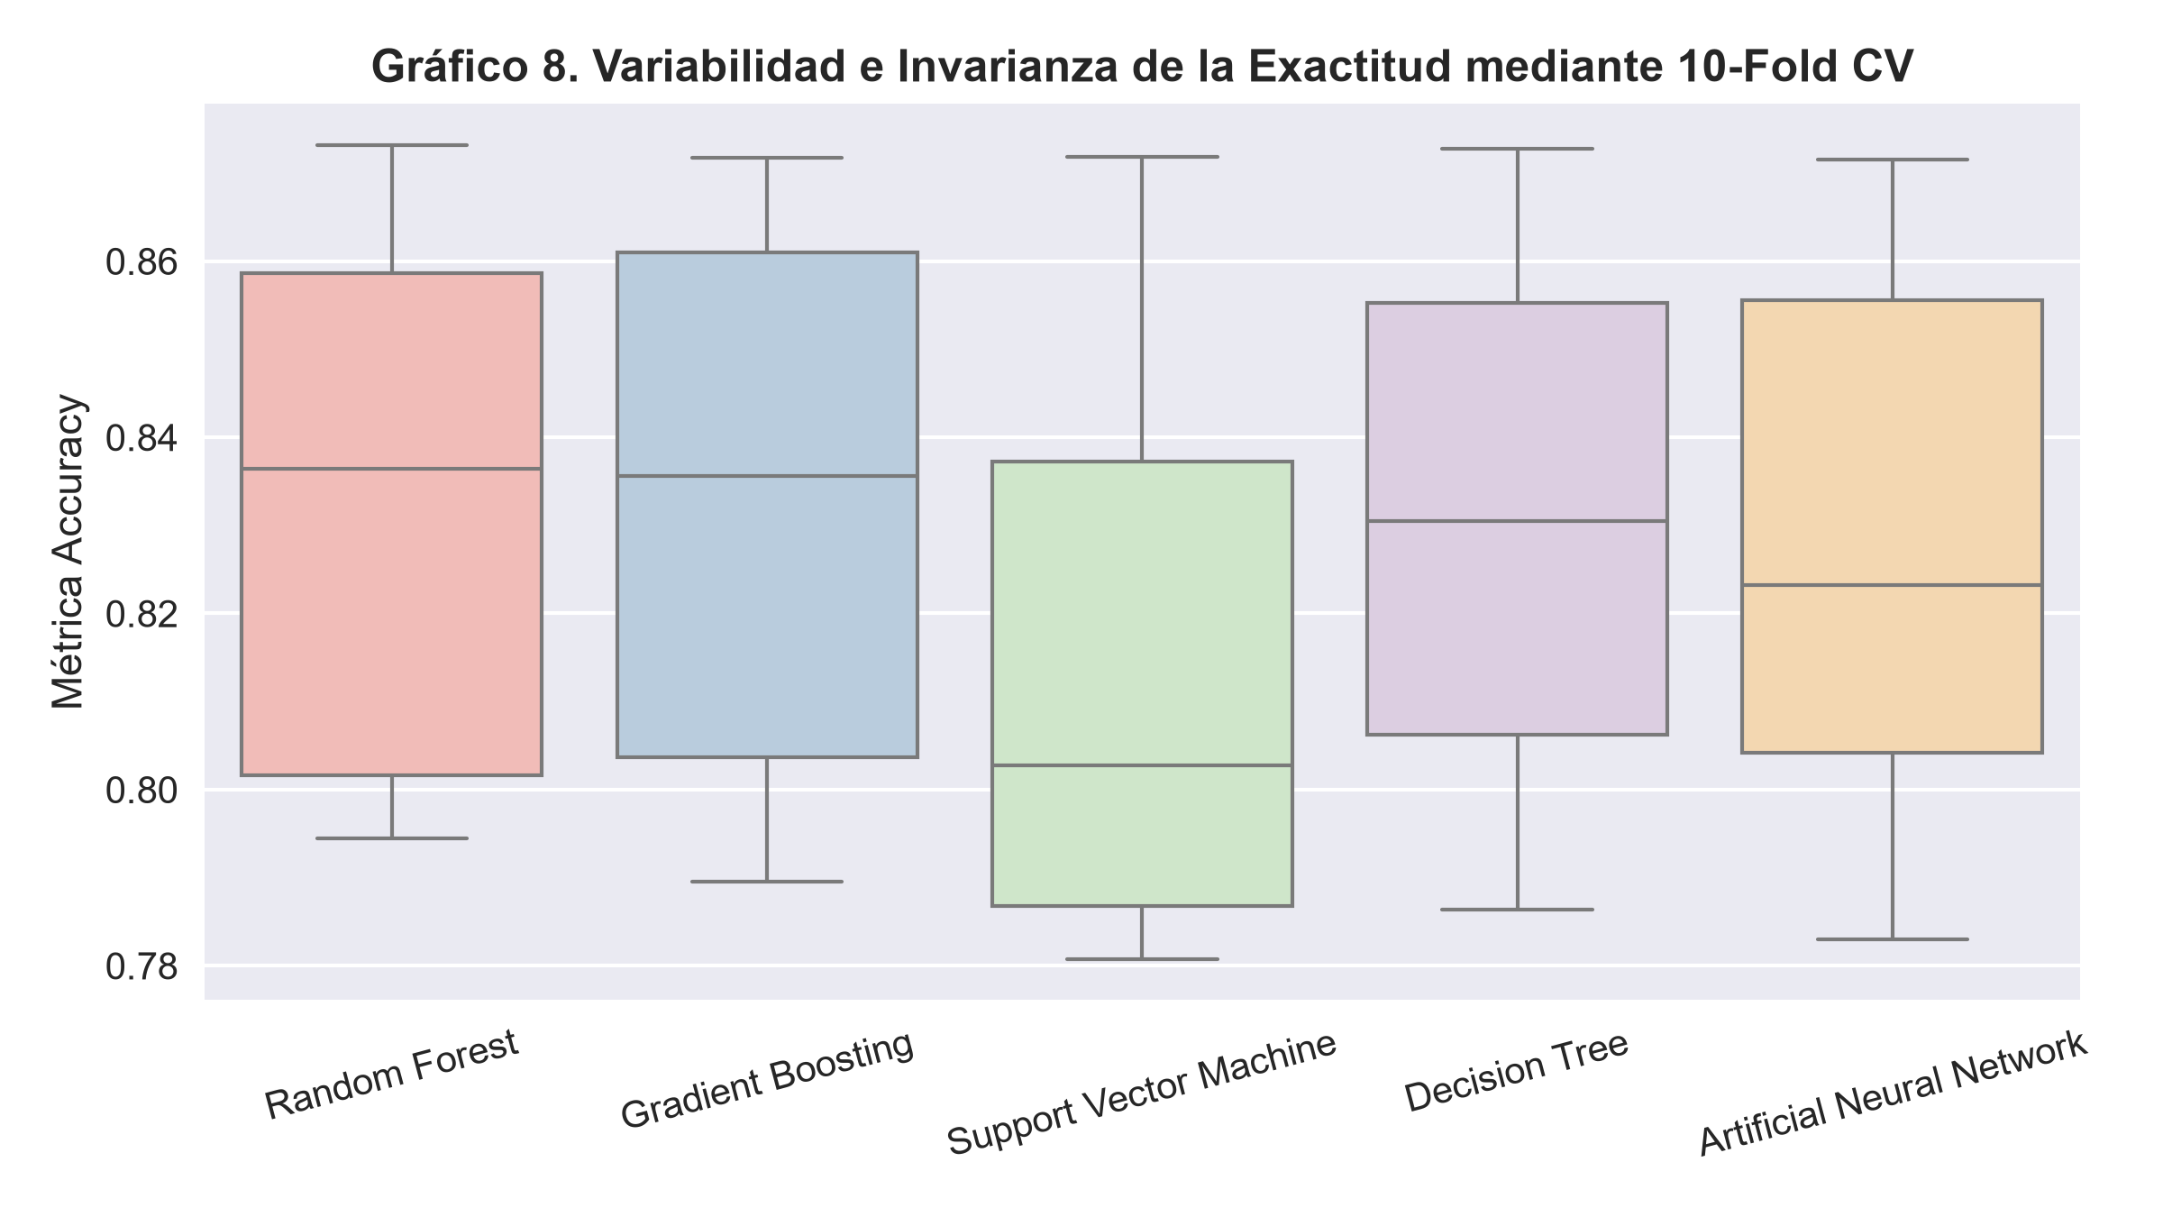
Algoritmo | Mean CV Accuracy | Std Dev
Random Forest | 0.83182962867 | 0.029271086046
Gradient Boosting | 0.83329569107 | 0.030424184002
Support Vector Machine | 0.81301676434 | 0.029772080816
Decision Tree | 0.83138731819 | 0.027838879226
Artificial Neural Network | 0.827275348 | 0.032023840668

