dashboard
GamingSales
 | Total
Nintendo | 28.19%
Electronic Arts | 18.04%
Activision | 11.67%
Sony Computer Entertainment | 9.77%
Ubisoft | 7.59%
Take-Two Interactive | 6.31%
THQ | 5.49%
Konami Digital Entertainment | 4.53%
Sega | 4.28%
Microsoft Game Studios | 4.13%

Income per gender
 | Total
Strategy | 16,046
Puzzle | 20,320
Adventure | 22,306
Simulation | 35,420
Fighting | 41,060
Racing | 68,299
Misc | 73,928
Platform | 75,346
Role-Playing | 85,310
Shooter | 95,575
Sports | 123,136
Action | 158,978

Income per consoles
 | Total
PCFX | 3
GG | 4
3DO | 10
TG16 | 16
SCD | 87
NG | 108
WS | 142
DC | 1,424
GEN | 2,583
SAT | 2,945
PSV | 5,654
WiiU | 7,495
2600 | 8,789
XOne | 12,967
SNES | 18,060
GC | 18,444
N64 | 19,348
GB | 19,957
3DS | 23,459
NES | 23,638
XB | 24,127
PC | 24,368
PS4 | 25,350
PSP | 26,859
GBA | 28,572
PS | 66,550
DS | 74,964
Wii | 85,153
PS3 | 87,932
X360 | 89,725
PS2 | 116,991
Total income
$ 815.724

Total operations
16.598

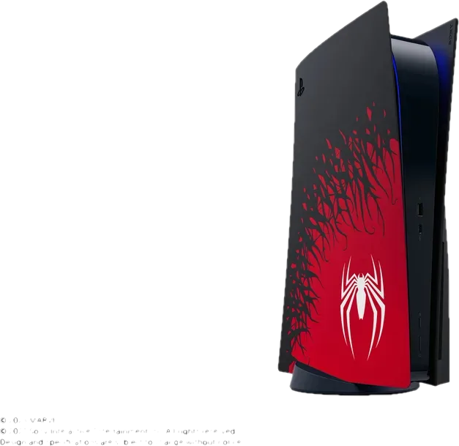

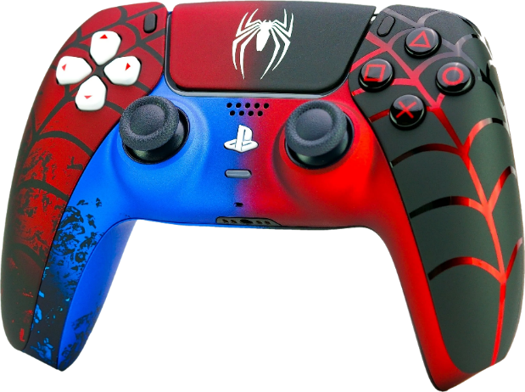
Regional income by gender
 | NA Revenue | EU Revenue | JP Revenue | Other's Renueve
Action | 78,477 | 48,135 | 15,104 | 17,262
Sports | 63,160 | 34,697 | 12,286 | 12,993
Shooter | 53,994 | 28,483 | 3,342 | 9,756
Racing | 33,701 | 21,895 | 5,363 | 7,340
Misc | 38,171 | 18,979 | 9,750 | 7,028
Platform | 41,708 | 18,624 | 10,494 | 4,520
Role-Playing | 30,487 | 17,141 | 32,171 | 5,511
Simulation | 16,873 | 9,529 | 6,073 | 2,945
Fighting | 20,757 | 9,205 | 7,673 | 3,425
Adventure | 9,887 | 5,882 | 4,991 | 1,546
Puzzle | 9,516 | 4,826 | 4,768 | 1,210
Strategy | 6,222 | 4,408 | 4,316 | 1,100

Top 10 Games sales
 | Total
Call of Duty: Ghosts | 2,737
Duck Hunt | 2,831
Call of Duty: Modern Warfare 3 | 3,030
Pokemon Red/Pokemon Blue | 3,039
Call of Duty: Black Ops | 3,104
Wii Sports Resort | 3,300
Mario Kart Wii | 3,583
Super Mario Bros. | 4,108
Grand Theft Auto V | 5,250
Wii Sports | 8,274

