Schema
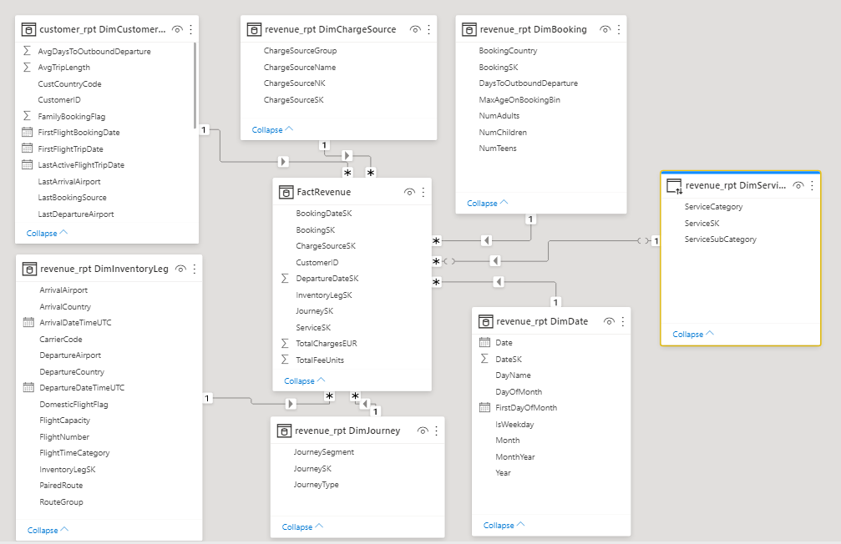

Schema - FactRevenue
Important:
The grain of this is 1 row per product per leg, thus a return flight for 3 people, sharing share one bag will have 4 rows in this table:
1 row for the outbound flight with 3 units (for the 3 passengers)
1 row for the outbound bag (1 unit only)
1 row for the return flight with 3 units (for the 3 passengers)
1 row for the return bag (1 unit only)
see example of this at end of this sheet
FactCustomerRevenue: table of all flights and ancillaries sold
Column | Description | links to
BookingDateSK | Date booking was made (integer in format yyyymmdd) | dateSK on dimDate table
DepartureDateSK | Date flight departs (integer in format yyyymmdd) | dateSK on dimDate table
InventoryLegSK | unique identifier for flight | inventoryLegSK on dimInventoryLeg
ChargeSourceSK | Channel purchase was made on | chargeSourceSK on dimChargeSource
ServiceSK | One row per leg per service | ServiceSK on dimService
JourneySK | Whether the flight is the outbound or return leg of a booking (one-way bookings only have an outbound leg) | JourneySK on dimJourney
BookingSK | Unique booking ID | BookingSK on dimBooking
CustomerID | Unique customer ID (one customer can have multiple bookings) | CustomerID on dimCustomer
TotalFeeUnits | Units sold | n/a
TotalChargesEUR | Revenue | n/a
NumberOfDaySK | Days between booking and departure | n/a

random selection of data
BookingDateSK | DepartureDateSK | InventoryLegSK | ChargeSourceSK | ServiceSK | JourneySK | BookingSK | CustomerID | TotalFeeUnits | TotalChargesEUR | NumberOfDaySK
20180328 | 20180506 | 5440798 | 8 | 78 | 1 | 247552715 | 168909196 | 1 | 1.06 | 39
20171004 | 20200901 | 6961531 | 8 | 78 | 1 | 232635580 | 153441363 | 1 | 1.408 | 366
20180301 | 20180306 | 5075836 | 8 | 78 | 1 | 103965059 | 157818525 | 1 | 0.69 | 5
20180127 | 20180208 | 5023076 | 8 | 78 | 1 | 136622875 | 143984736 | 1 | 0.85 | 12
20170425 | 20170426 | 3995504 | 8 | 78 | 1 | 176088287 | 132677560 | 1 | 0.8497 | 1
20170411 | 20170627 | 4603180 | 8 | 78 | 1 | 268430637 | 178497419 | 1 | 3.047 | 77
20180120 | 20180626 | 5281812 | 8 | 78 | 1 | 141366725 | 126706227 | 1 | 0.6187 | 157
20170613 | 20170813 | 3523893 | 8 | 78 | 1 | 245802002 | 172540256 | 1 | 1.2 | 61
20180214 | 20180222 | 4954909 | 8 | 78 | 1 | 253079684 | 198859532 | 1 | 1.17 | 8
20180328 | 20180626 | 5619368 | 8 | 78 | 1 | 174162177 | 153021302 | 1 | 2.41 | 90
20180316 | 20180717 | 5467942 | 8 | 78 | 1 | 280411688 | 172942055 | 1 | 0.89 | 123
20170801 | 20170914 | 4654396 | 8 | 78 | 1 | 233680187 | 151255053 | 1 | 1.64 | 44
20170604 | 20170610 | 4194032 | 8 | 78 | 1 | 149733033 | 177529324 | 1 | 0.7 | 6

Data from one journey - a return trip for a group of 3 going on a return flight, sharing one 20kg bag

BookingDateSK | DepartureDateSK | InventoryLegSK | ChargeSourceSK | ServiceSK | JourneySK | BookingSK | CustomerID | TotalFeeUnits | TotalChargesEUR | NumberOfDaySK | note
20180101 | 20180601 | 5513386 | 8 | 44 | 7 | 223189041 | 86108979 | 1 | 25 | 151 | 1x 20kg bag on outbound trip
20180101 | 20180604 | 5511981 | 8 | 44 | 8 | 223189041 | 86108979 | 1 | 25 | 154 | 1x 20kg bag on inbound trip
20180101 | 20180601 | 5513386 | 8 | 555 | 7 | 223189041 | 86108979 | 3 | 215.97 | 151 | flight fare (for 3 passengers) on outbound leg
20180101 | 20180604 | 5511981 | 8 | 555 | 8 | 223189041 | 86108979 | 3 | 173.97 | 154 | flight fare (for 3 passengers) on inbound leg

