Discrete Models
Binomial Distribution
Characteristics:
1- Two mutually exclusive categories (usually sucess or failure)
2 - The random variable results from counting
3 - The probability of success remains the same
4 - The trials are independent
Hypergeometric Distribution
Characteristics:
1 - There are only two possible outcomes
2 - It results from counting
3 - The probability of success IS NOT the same in each trial

Poisson Distribution
Characteristics:
1 - The random variable is the number of times some event occur during
a defined interval
2 - The probability of the event is proportional to the size of the interval
3 - The intervals do not overlap and are independent

N: is the population size
S: number of success in the population
x: is the number of success in the sample
n: is the sample size
u: is the mean of successes in a particular interval of time
x: is the number of successes
e IS NOT A VARIABLE, it is a constant as PI.
n: number of trials
x: number of observed success
p: probability of success in each trial

OBS: Only change the numbers on the coloured cells |  | OBS: Only change the numbers on the coloured cells |  | OBS: Only change the numbers on the coloured cells
n | 10 | N | 100 | u | 4
x | 5 | S | 50 | x | 4
p | 0.5 | x | 2 | P(4) | 19.54%
P(5) | 24.61% | n | 10 | P(x<=4) | 62.88%
P(x<=5) | 62.30% | P(2) | 3.80% | P(x<4) | 43.35%
P(x<5) | 37.69% | P(x<=2) | 4.58% | P(x>4) | 37.12%
P(x>5) | 37.70% | P(x<2) | 0.78% | P(x>=4) | 56.65%
P(x>=5) | 62.31% | P(x>2) | 95.42%
 |  | P(x>=2) | 99.22%

37
Methodology for problem-solving
1) Look at the information, do you think that we are going to use probability concepts,
or a discrete distribution?
2) What probability distribution we are going to use? Binominal, hypergeometric or Poisson?
3) Giving the right inputs.

u | 6 | u | 6 | u | 6 | u | 6 | u | 6
x | 0 | x | 1 | x | 2 | x | 3 | x | 4
P(0) | 0.0024787521767 | P(1) | 0.01487251306 | P(2) | 0.04461753918 | P(3) | 0.08923507836 | P(4) | 0.13385261754

1 - P(x <= 5) = |  | 71.49%

47
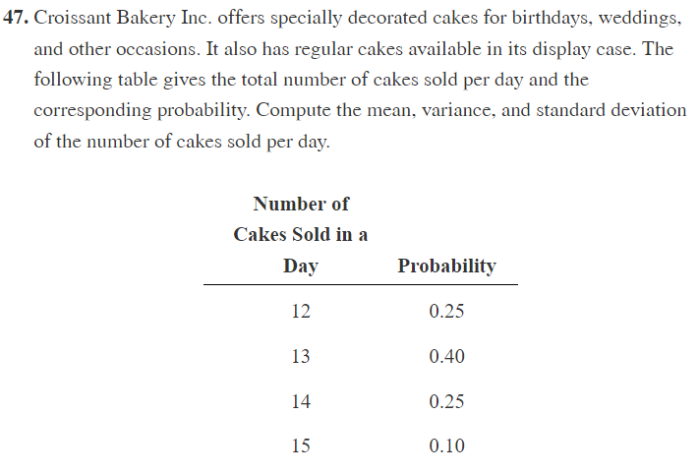

Day | Probability | x*P(x) | x^2*P(x)
12 | 0.25 | 3 | 36
13 | 0.4 | 5.2 | 67.6
14 | 0.25 | 3.5 | 49
15 | 0.1 | 1.5 | 22.5

Mean | 13.2000
Variance | 0.8600
SD | 0.9274

61
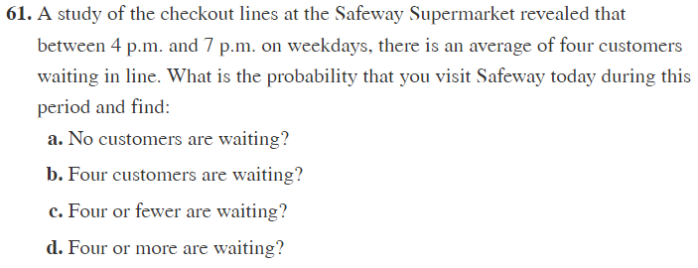

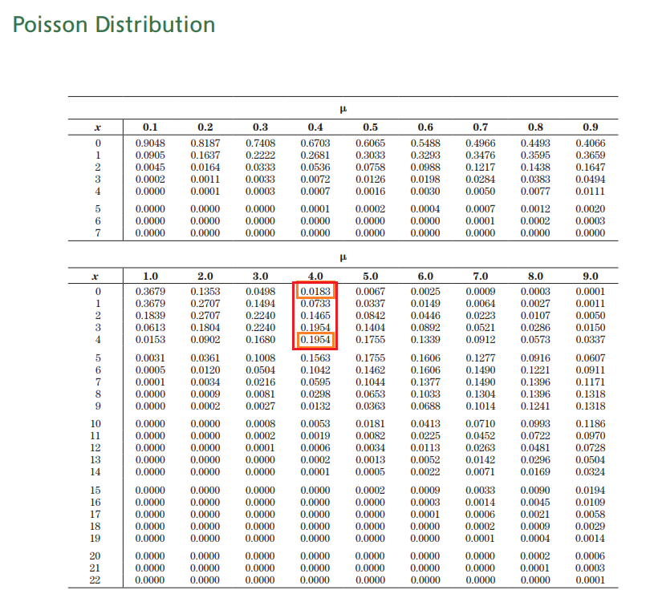

a) | 0.0183
b) | 0.1954
c) | 0.6289
d) | 0.3711

51
a) | We always guess for the mean
 | mean = n*p
 | mean = | 15*40%
 |  | 6
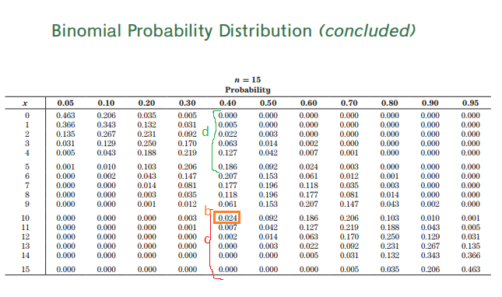

We know
n = 15 |  | b | 0.024
p = 0.4 |  | c | = 0,024 + 0,007 + 0,002
 |  |  | 0.033
 |  | d | =0,005 + 0,022 + 0,063 + 0,127 + 0,186
 |  |  | 0.403

