17
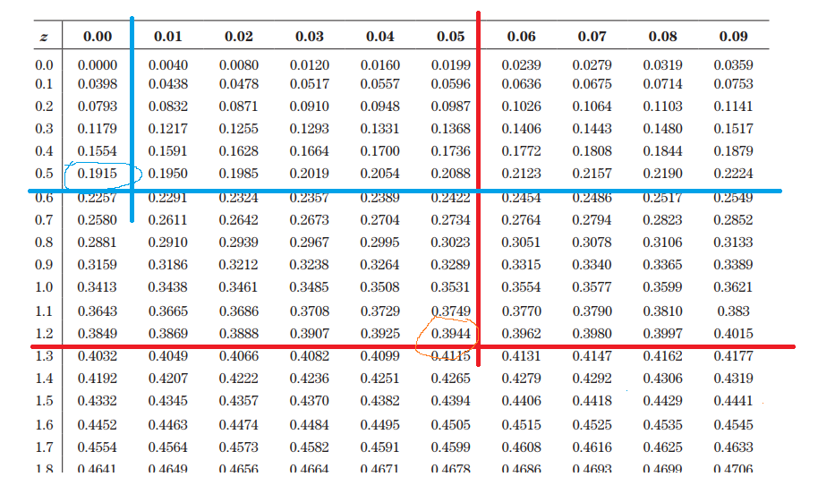
 | Grade | 25
 | Mean | 20
 | Sd | 4
a) | z | 1.25

b) | Proportion | 39.44% | (From table)

c) | Grade | 18
 | Mean | 20
 | Sd | 4
 | z | -0.5

 | For z = 0.5 | 19.15%
 | For z = -0.5 | =0.5-0.19.25 | 30.85%

