Mapa
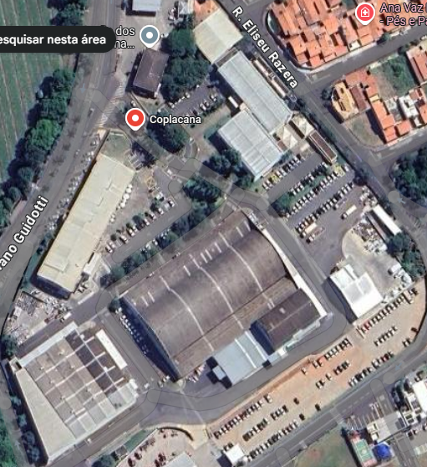
LEGENDA | 1 | Predio Adminstrativo | Impressora nos setores
 | 2 | Loja, Subloja, Comercial e Adubo e Suprimentos | Setor | Desc | Modelo | Laser/Térmica | Série Fabricante | IP | Nome
 | 3 | Almoxarifado Defensivos | 2 | SUBSOLO-LOJA | ZD230 | Térmica | D5N231901472 | 192.168.50.101 | GONDOLA
 | 4 | Implementos | 2 | SUBSOLO-LOJA | ZD230 | Térmica | D5N220300724 | 192.168.50.101 | PRODUTO
 | 5 | Sindir | 2 | SUBSOLO-LOJA | HP Color LaserJet Pro MFP 4303 | Laser | BRBSS440D2 | 192.168.50.41
1
 | 6 | Facilities | 2 | SUBSOLO-LOJA | SL-M4070FR | Laser | ZDEJB07M2253VHB | 192.168.50.70
 | 7 | Logistica | 11 |  | SL-M4070FR | Laser | ZDDPB07M616B5LH | 192.168.50.58
 | 8 | Médico/TST | 11 |  | SL-M4020FR | Laser | ZDEJB07M545T2XY | 192.168.50.92
 | 9 | Afocapi | 11 |  | SL-M4070FR | Laser | ZDDPB07M716CRWV | 192.168.50.73
 | 10 | Fabrica de Ração | 3 | SALA-RODRIGO | SL-M4070FR | Laser | ZDDPB07K7137EMY | 192.168.50.60
 | 11 | Almoxarifado Diversos | 3 | SALA-RODRIGO | ZD230 | Térmica | D5N220300498 | 192.168.50.68
 | 12 | Balança | 2 | LOJA-COMERCIAL 1°andar | HP LaserJet MFP E42540 | Laser | BRBSP4613F | 192.168.50.89
2
 |  |  | 6 | FACILITIES | SL-M4070FR | Laser | ZDDPB07M616B6EW | 10.18.0.100
4
 |  |  | 2 | PLANEJAMENTO COMERCIAL | SL-M4070FR | Laser | ZDDPB07M716CZDT | 192.168.50.49 | 001COMPRAS
3
 |  |  | 5 | HELP | SL-M4070FR | Laser | ZDEJB07M54T35D | 192.165.42.51
6
5
 |  |  | 5 | HELP | SL-M4070FR | Laser | ZDDPB07M616BCKM | 192.165.42.52
 |  |  | 5 | HELP | SL-M4070FR | Laser | ZDDPB07M616B4YE | 192.165.42.20

7
10
8
9

11

12

Ranking Filiais
TOTAL GASTO POR IMPRESORA NA FILIAL
Rótulos de Linha | Soma de JANEIRO | Soma de FEVEREIRO | Soma de MARÇO | Soma de ABRIL
ARAÇATUBA | 5667 | 7153 | 3451 | 0
Total Geral | 5667 | 7153 | 3451 | 0

Total Gasto por Mês na filial
 | CERQUILHO - Soma de JANEIRO | CERQUILHO - Soma de FEVEREIRO | CERQUILHO - Soma de MARÇO | CERQUILHO - Soma de ABRIL | CERQUILHO - Contagem de MAIO
Total | 17650 | 11467 | 9041 |  | 6
Rótulos de Coluna
CERQUILHO |  |  |  |  | Total Soma de JANEIRO | Total Soma de FEVEREIRO | Total Soma de MARÇO | Total Soma de ABRIL | Total Contagem de MAIO
Soma de JANEIRO | Soma de FEVEREIRO | Soma de MARÇO | Soma de ABRIL | Contagem de MAIO
17650 | 11467 | 9041 |  | 6 | 17650 | 11467 | 9041 |  | 6

 | Total
ARAÇATUBA | 24887.00
ARARAQUARA | 25877.00
ARARAS | 19221.00
ASSIS | 22080.00
AVARE | 16144.00
BANDEIRANTES | 7880.00
BARRA BONITA | 19555.00
CATANDUVA | 16162.00
CERQUILHO | 64218.00
CHARQUEADA | 27015.00
CHAVANTES | 19068.00
COSMOPOLIS | 28639.00
COSTA RICA | 22943.00
DOURADOS | 13309.00
GOIATUBA | 7471.00
IGARAPAVA | 26823.00
IRACEMAPOLIS | 16334.00
ITAPETININGA | 18391.00
ITAPEVA | 2128.00
JATAI | 18961.00
MASSEY AVARÉ | 8787.00
MASSEY ITAPEVA | 9973.00
MASSEY JAÚ | 6879.00
MASSEY PIRACICABA | 12416.00
MATRIZ | 453957.00
MATRIZ UNI. DE GRÃOS | 30585.00
NOVA ODESSA | 22019.00
PENAPOLIS | 44624.00
PIEDADE MASSEY | 4539.00
PIRAJUBA | 11911.00
QUIRINOPOLIS | 32816.00
RIBEIRAO PRETO | 152.00
RIO CLARO | 29133.00
SANTA CRUZ | 17981.00
SJ RIO PRETO | 14782.00
TAQUARITUBA | 29417.00
TAQUARITUBA GRÃOS | 33050.00
TAQUARITUBA KHUN | 10492.00
TIETE | 12248.00
TUPACIGUARA | 12868.00
UBERABA | 19789.00
UDG UBERABA | 4704.00
Rótulos de Linha | Soma de Total Gasto

