Sheet1
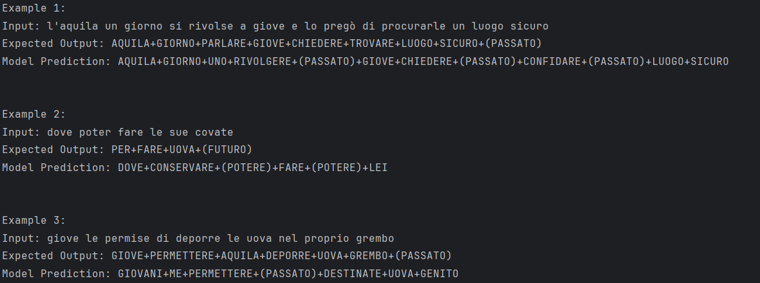
Dataset | Batch Size | Epochs | Model | Eval Loss | Rouge1 | Rouge2 | RougeL | Bleu | Runtime | Samples per Second | Steps per Second | Dataset Division
4o | / | 5 | BartIT | 1.1053619385 | 0.43744537291 | 0.16697296916 | 0.40040251126 | 0.13669185514 | 145.2361 | 3.305 | 1.652 | 80%-10%-10%
4o | 4 | 10 | BartIT | 0.79781216383 | 0.40805173128 | 0.15831502896 | 0.37612053209 | 0.084766809499 | 23.1693 | 20.717 | 5.179 | 80%-10%-10%
4o2 | 16 | 20 | BartIT | 0.80558407307 | 0.40323347885 | 0.13830088233 | 0.36777830649 | 0.083885344873 | 4.3804 | 57.072 | 3.653 | 90%-5%-5%
4o3 | 64 | 20 | BartIT | 0.6838092804 | 0.37503870375 | 0.12855482532 | 0.34449763738 | 0.070713290411 | 141 | 43 | 0.711 | 75%-12,5%-12,5% | MaxSizeIn/out = 75
4o | 16 | 50 | BartIT | 1.0268496275 | 0.40803262592 | 0.16505120835 | 0.37475385909 | 0.087582769848 | 8.562 | 56.061 | 3.504 | 80%-10%-10%
4t | 16 | 20 | BartIT | 1.0076546669 | 0.3546182578 | 0.11135009817 | 0.32461235551 | 0.060205312836 | 6.6161 | 59.552 | 3.779 | 80%-10%-10%
4o | 64 | 20 | BartIT | 0.67811304331 | 0.39468421545 | 0.15127451851 | 0.3624268358 | 0.075147085641 | 10.7916 | 47 | 0.741 | 80%-10%-10% | MaxSizeIn/out = 72 | *
4o2 | 16 | 20 | BartIT | 0.72813528776 | 0.40480684214 | 0.14067405362 | 0.3690617974 | 0.084811234838 | 5 | 51 | 3 | 90%-5%-5% | MaxSizeIn/out = 75 | ***

4o | / | 5 | IT5 | 4.0589356422 | 0.24971431466 | 0.044780158554 | 0.23802227903 | 0.071831299142 | 46.7363 | 10.27 | 2.568 | 80%-10%-10%
4o | 16 | 35 | IT5 | 0.89288288355 | 0.30266800796 | 0.065235029322 | 0.28127957059 | 0.078678960662 | 11.0108 | 43.593 | 2.725 | 80%-10%-10%
4o | 64 | 20 | IT5 | 5 | 0.22792138882 | 0.038473576392 | 0.21131196614 | 0.060324760269 | 8 | 63.72 | 1 | 80%-10%-10% | MaxSizeIn/out = 72 | **

 | * |  |  |  |  |  |  |  |  | **

 |  |  |  |  |  |  |  |  |  | ***

