Newsvendor_Model
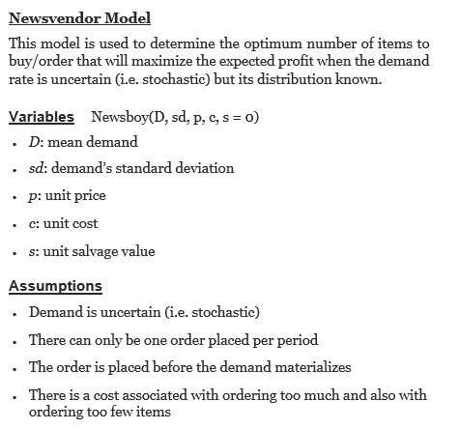
Newsvendor Model | Newsvendor Model | Newsvendor_D | Newsvendor_sd | Newsvendor_p | Newsvendor_c | Newsvendor_s
 |  | 40000 | 10250 | 15 | 4 | 0

EOQ_Model
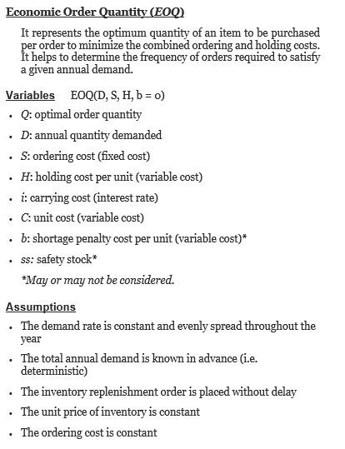
ECONOMIC ORDER QUANTITY | EOQ_D | EOQ_S | EOQ_H | EOQ_b | EOQ_ss | EOQ_C | EOQ_i
 | 2400 | 10 | 0.3 | 0 | 0

EPQ_Model
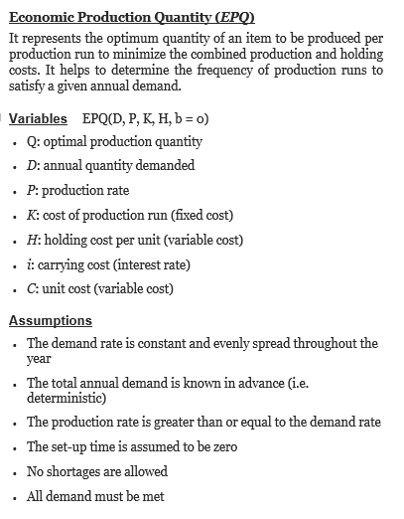
ECONOMIC PRODUCTION QUANTITY | EPQ_D | EPQ_P | EPQ_K | EPQ_H | EPQ_C | EPQ_i
 | 200 | 1000 | 100 | 5

SS_RoP_Model
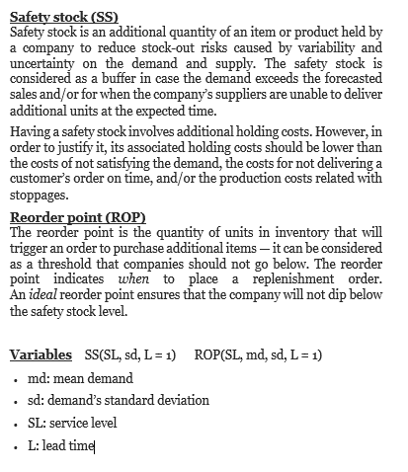
SAFETY STOCK AND REORDER POINT | SS_RoP_md | SS_RoP_sd | SS_RoP_SL | SS_RoP_L | SS_RoP_init
 | 10 | 2 | 0.95 | 5

