Sheet1
Table | Field | Type | Length Varchar | Dimension (Bytes) | Expected Records | Expected total dimension of tables | Notes
User |  |  |  | 158 | 100 | 15800 | we expect a starting beta with 100 users
 | id | bigint |  | 8
 | nickname | varchar | 50 | 50
 | password | varchar | 50 | 50
 | mail | varchar | 50 | 50
Chat message |  |  |  | 532
 | id | bigint |  | 8
 | body | varchar | 500 | 500
 | tripid | bigint |  | 8
 | sender | bigint |  | 8
 | date | datetime |  | 8
Attachment |  |  |  | 349 | 14000 | 4886000 | each user on avg upload 7 attachments per trip
 | id | bigint |  | 8
 | fileName | varchar | 50 | 50
 | fileType | varchar | 50 | 50
 | fileSize | bigint |  | 8
 | fileData | bytea |  | 1
 | createdBy | bigint |  | 8
 | creationDate | datetime |  | 8
 | description | varchar | 200 | 200
 | attachedTo | bigint |  | 8
 | attachedToTrip | bigint |  | 8
Participation |  |  |  | 16 | 2000 | 32000 | eachtrip has on avg 4 participants
 | tripid | bigint |  | 8
 | userid | bigint |  | 8
Invitations |  |  |  | 16 | 100 | 1600 | each user is invited in 1 trip at time (avg)
 | tripid | bigint |  | 8
 | userid | bigint |  | 8
Expense |  |  |  | 82 | 7500 | 615000 | each trip has on avg 15 expenses
 | id | bigint |  | 8
 | title | varchar | 50 | 50
 | date | datetime |  | 8
 | payedBy | bigint |  | 8
 | tripid | bigint |  | 8
Amount User |  |  |  | 32 | 30000 | 960000 | each expense is divided on the avg 4 participants
 | id | bigint |  | 8
 | userid | bigint |  | 8
 | amount | bigint |  | 8
 | expenseId | bigint |  | 8
Trip |  |  |  | 90 | 500 | 45000 | each user creates an avg of 5 trips
 | id | bigint |  | 8
 | title | varchar | 50 | 50
 | creationDate | datetime |  | 8
 | startDate | datetime |  | 8
 | EndDate | datetime |  | 8
 | createdBy | bigint |  | 8
Destinations |  |  |  | 16 | 1000 | 16000 | each trip has an avg of 2 destinations
 | tripId | bigint |  | 8
 | CityId | bigint |  | 8
City |  |  |  | 224 | 50000 | 11200000
 | id | bigint |  | 8
 | name | varchar | 50 | 50
 | country | varchar | 50 | 50
 | latitude | bigint |  | 8
 | longitude | bigint |  | 8
 | image | varchar | 100 | 100
Activity |  |  |  | 448 | 3500 | 1568000 | each trip has an avg of 7 activities
 | id | bigint |  | 8
 | date | datetime |  | 8
 | address | varchar | 150 | 150
 | placeId | bigint |  | 8
 | tripId | bigint |  | 8
 | name | varchar | 50 | 50
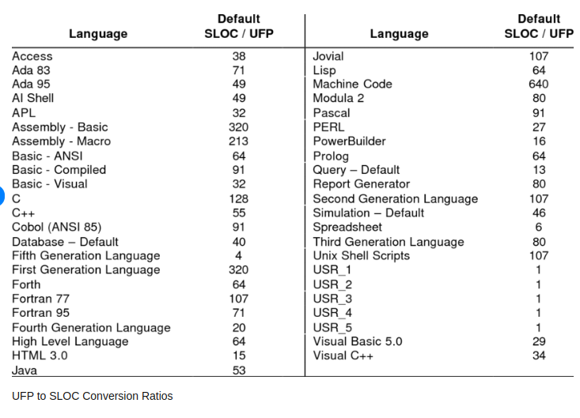
 | startTime | bigint |  | 8
 | endTime | bigint |  | 8
 | info | varchar | 200 | 200
Night |  |  |  | 190 | 1500 | 285000 | each trip has an avg of 3 nights
 | id | bigint |  | 8
 | date | datetime |  | 8
 | address | varchar | 150 | 150
 | placeId | bigint |  | 8
 | tripId | bigint |  | 8
 | overnightStayID | bigint |  | 8
Travel |  |  |  | 206 | 1500 | 309000 | each trip has an avg of 3 travells
 | id | bigint |  | 8
 | date | datetime |  | 8
 | address | varchar | 150 | 150
 | placeId | bigint |  | 8
 | tripId | bigint |  | 8
 | departure time | datetime |  | 8
 | arrival time | datetime |  | 8
 | destination | bigint |  | 8
Overnight stay |  |  |  | 456 | 1000 | 456000 | each trip has on avg 2 overnightStay
 | id | bigint |  | 8
 | startDate | datetime |  | 8
 | endDate | datetime |  | 8
 | startCheckin | datetime |  | 8
 | endCheckin | datetime |  | 8
 | startCheckout | datetime |  | 8
 | endCheckout | datetime |  | 8
 | address | varchar | 150 | 150
 | contact | varchar | 200 | 200
 | name | varchar | 50 | 50
 |  |  |  |  | TOT DIM DB | 20389400
 |  |  |  |  | function points | 232
 |  |  |  |  | conversion FP to SLOC Java | 53
 |  |  |  |  | DATA | 1658.2140534

