Sheet1
Table | Field | Type | Length Varchar | Dimension (Bytes) | Expected Records | Expected total dimension of tables | Notes
User |  |  |  | 88 | 20 | 1760 | we expect a starting test with 20 users
 | id | bigint |  | 8
 | nickname | varchar | 20 | 20
 | password | varchar | 20 | 20
 | mail | varchar | 40 | 40
Chat message |  |  |  | 532
 | id | bigint |  | 8
 | body | varchar | 500 | 500
 | tripid | bigint |  | 8
 | sender | bigint |  | 8
 | date | datetime |  | 8
Attachment |  |  |  | 62 | 1600 | 99200 | each user on avg upload 5 attachments per trip
 | id | bigint |  | 8
 | fileName | varchar | 30 | 30
 | fileType | varchar | 20 | 20
 | fileSize | int |  | 4
 | fileData | bytea |  | 182
 | createdBy | bigint |  | 8
 | creationDate | datetime |  | 8
 | description | varchar | 150 | 150
 | attachedTo | bigint |  | 8
 | attachedToTrip | bigint |  | 8
Participation |  |  |  | 16 | 320 | 5120 | eachtrip has on avg 4 participants
 | tripid | bigint |  | 8
 | userid | bigint |  | 8
Invitations |  |  |  | 16 | 20 | 320 | each user is invited in 1 trip at time (avg)
 | tripid | bigint |  | 8
 | userid | bigint |  | 8
Expense |  |  |  | 62 | 480 | 29760 | each trip has on avg 6 expenses
 | id | bigint |  | 8
 | title | varchar | 30 | 30
 | date | datetime |  | 8
 | payedBy | bigint |  | 8
 | tripid | bigint |  | 8
Amount User |  |  |  | 28 | 1920 | 53760 | each expense is divided on the avg 4 participants
 | id | bigint |  | 8
 | userid | bigint |  | 8
 | amount | int |  | 4
 | expenseId | bigint |  | 8
Trip |  |  |  | 60 | 80 | 4800 | each user creates an avg of 4 trips
 | id | bigint |  | 8
 | title | varchar | 20 | 20
 | creationDate | datetime |  | 8
 | startDate | datetime |  | 8
 | EndDate | datetime |  | 8
 | createdBy | bigint |  | 8
Destinations |  |  |  | 16 | 160 | 2560 | each trip has an avg of 2 destinations
 | tripId | bigint |  | 8
 | CityId | bigint |  | 8
City |  |  |  | 176 | 100 | 17600
 | id | bigint |  | 8
 | name | varchar | 30 | 30
 | country | varchar | 30 | 30
 | latitude | int |  | 4
 | longitude | int |  | 4
 | image | varchar | 100 | 100
Activity |  |  |  | 438 | 400 | 175200 | each trip has an avg of 5 activities
 | id | bigint |  | 8
 | date | datetime |  | 8
 | address | varchar | 150 | 150
 | placeId | bigint |  | 8
 | tripId | bigint |  | 8
 | name | varchar | 40 | 40
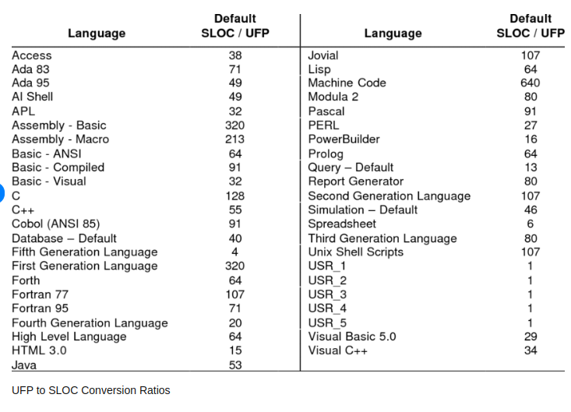
 | startTime | datetime |  | 8
 | endTime | datetime |  | 8
 | info | varchar | 200 | 200
Night |  |  |  | 190 | 240 | 45600 | each trip has an avg of 3 nights
 | id | bigint |  | 8
 | date | datetime |  | 8
 | address | varchar | 150 | 150
 | placeId | bigint |  | 8
 | tripId | bigint |  | 8
 | overnightStayID | bigint |  | 8
Travel |  |  |  | 206 | 160 | 32960 | each trip has an avg of 2 travels
 | id | bigint |  | 8
 | date | datetime |  | 8
 | address | varchar | 150 | 150
 | placeId | bigint |  | 8
 | tripId | bigint |  | 8
 | departure time | datetime |  | 8
 | arrival time | datetime |  | 8
 | destination | bigint |  | 8
Overnight stay |  |  |  | 386 | 160 | 61760 | each trip has on avg 2 overnightStay
 | id | bigint |  | 8
 | startDate | datetime |  | 8
 | endDate | datetime |  | 8
 | startCheckin | datetime |  | 8
 | endCheckin | datetime |  | 8
 | startCheckout | datetime |  | 8
 | endCheckout | datetime |  | 8
 | address | varchar | 150 | 150
 | contact | varchar | 150 | 150
 | name | varchar | 30 | 30
 |  |  |  |  | TOT DIM DB | 530400
 |  |  |  |  | function points | 232
 |  |  |  |  | conversion FP to SLOC Java | 53
 |  |  |  |  | DATA | 43.13597918

