工作表2
频道名称 | 内容1 | 内容2 | 内容3 | 内容4 | 内容5 | 内容6 | 内容7 | 内容8 | 内容9 | 内容10 | 内容11 | 内容12 | 内容13 | 内容14 | 内容15 | 内容16 | 内容17 | 内容18 | 内容19 | 内容20 | 内容21
👑-welcome-👑
🛡alliance-rules | **:star2: Welcome to Our Community! :star2:** We are super excited to have players from **all countries** join us! :gem: Whether you are a **paid** or **free** player, everyone is welcome. Fun fact: free players often turn out to be the smartest :wink: :no_entry_sign: **No verbal abuse** :no_entry_sign: **No racism** Play fair, be kind, and enjoy your time here! If you understand and agree, please mark yourself with a **√** in the status below Let’s make this a **friendly, fun, and epic place** for all our alliance adventures! :boom:
🕌move-castle🕌 | **:european_castle: :european_castle: Please follow the instructions in the diagram to move your migrating castle to the latest coordinates of our hive Make sure to check the picture carefully** If you have any questions, contact the R6 or R5 administrators Ask the R6 and R5 administrators if you have questions!
💬 Alliance-Chat
💡new-player-guide | --- :bangbang: **New players must know** :white_check_mark: **Infinity Kingdom** is a strategy MMO where you build and develop your kingdom, train troops, summon Immortals, and battle other players or enemy forces. Our ultimate goal is to **capture the center of the map, obtain the Heart of the World, and dominate the world!** **New Player Guide:** **1 Complete Chapter Quests** At the start, follow the **chapter quests** via the tower icon in the bottom right corner. This helps you learn the game mechanics and rewards you with **resources, Philosopher's Stones, and speed-up items**. * **Chapter 7** unlocks the **Earth Dragon** * **Chapter 10** unlocks the **Thunder Dragon** **Priority:** Focus on cultivating the **Earth Dragon** first |  | **2. Upgrade Castle Level** On the first day, use the gift code to boost your castle to Level 10 or above! This unlocks T2 Troops, greatly enhancing your army’s strength |  | **3.Recruit and Train Troops** Consistently train troops to strengthen your overall combat power. Don't forget to upgrade the hospital to increase its healing capacity and ensure timely recovery of your troops after battles |  | **4.Upgrade Buildings and Research Technology** Focus on upgrading your castle to Level 10 or above to unlock more functions. Keep research ongoing in the Academy. Prioritize troop-related skills in the Troops section. |  | **5.Summon and Develop Immortals** Use Philosopher's Stones to summon Immortals. You can earn Philosopher's Stones by completing daily quests. Upgrade your Immortals’levels and equipment to boost their combat power and the troop capacity they can lead. |  | **6.Participate in the “Well of Time” Dungeon** This is the PvE mode of the game. Completing these stages can reward you with gems, experience scrolls, and upgrade materials. Use these resources to improve your Immortals’combat power. |  | **7.Manage Lord Talents** Once you reach Level 5, you will receive talent points. New players are advised to prioritize the Development Talent Tree to increase building speed and resource production, accelerating castle development. |  | **8.Maintain Multi-tasking** Make sure your buildings, troop training, technology research, and resource gathering are always running simultaneously. This ensures maximum efficiency and faster progress in the game. |  | **9.Participate in Daily Activities and Quests** Complete daily tasks and events to earn experience, resources, and other rewards, helping you grow faster. |  | **By following these recommendations, you’ll be able to develop your kingdom effectively, increase your power, and enjoy the fun of the game!**
💲top-up-offer | # :video_game: **INFINITY KINGDOM RECHARGE GUIDE** ## :fire: **5% LIFETIME DISCOUNT** Get **5% lifetime discount** on vouchers purchased from the official website! **Pro Tip**: If you are in a country with high tax rates, you can use a Hong Kong VPN to potentially lower them. --- ## :shopping_cart: **OFFICIAL DISCOUNT VOUCHERS** [**click me to buy discount vouchers**](https://topup.gtarcade.com/chooseCharacter?game_id=408&op_id=2758&gameName=Infinity%20Kingdom&gameType=1&isShop=1) :point_left::point_left: --- ## :trophy: **GTARCADE REWARDS SYSTEM** Recharge points can be earned through official Gtarcade recharges and can be exchanged for rare rewards at the **Gtarcade Mall**! *(You can quickly access the Gtarcade mall via the in-game event page!)* --- ## :credit_card: **GAME RECHARGE** [**Direct Recharge Link**](https://topup.gtarcade.com/chooseCharacter?game_id=408&op_id=2758&gameName=Infinity%20Kingdom&gameType=1&isShop=1) |  |  | **If you want to play Infinity Kingdom on PC** you can download the GTarcade client via the game's official website! Get beautiful castle nickname decorations and avatar frames :point_right::point_right:[Official Website](https://infinitykingdom.gtarcade.com/)👈👈
⚡-top-hero-lightning | **Ultimate Core Heroes of the Lightning Lineup** The **ultimate core heroes** for the Lightning lineup are: :zap: **Genghis Khan** :zap: **Louis IX** :zap: **Li Chenggui** :zap: **Tokugawa Ieyasu** :zap: **Lightning Dragon** This team combination is incredibly powerful in PVP battles, offering unmatched synergy and strength! **Pro Tip:** If you're struggling in battles or being overpowered by enemies, consider assembling this **unbeatable lineup** to turn the tide and dominate the battlefield! It’s highly recommended to acquire them early in the game. This allows you to refresh their fragments daily in the market and continuously upgrade their abilities. By building a powerful hero lineup, you can quickly gain an edge over other players, climb the leaderboards, and easily plunder more resources to dominate the game! **How to Obtain Lightning Heroes** | 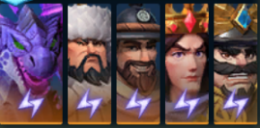 | `1-`**Key Hero: Genghis Khan**:zap: :bow_and_arrow: Genghis Khan is one of the most essential heroes in your lineup, boasting an incredibly powerful skill: **AoE Physical Damage:** Deals damage to all enemies. **Severe Injury Effect:** Prevents enemies from being healed for 10 seconds! This skill is exceptionally strong, effectively restricting enemy healing and quickly dismantling their lineup. **How to Obtain** You can acquire **Genghis Khan** by purchasing the Grand Promotion in the Cultivate Immortals event. This will grant you a chest where you can choose Genghis Khan fragments! Level him up to become the cornerstone of your victory! | 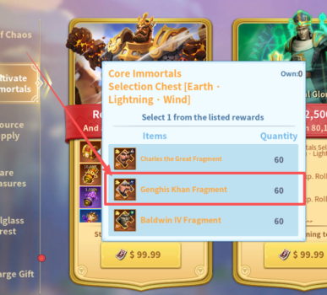 | `2-`**Key Hero: Tokugawa Ieyasu**:zap: :shield: Tokugawa Ieyasu is a crucial front-line hero with exceptional tanking capabilities. **Skill Effects:** **Shield Buff: **Grants a shield to all allies, absorbing physical damage. **Debuff Trigger: **Each time he takes a basic attack, he applies a random debuff to a random enemy for 6 seconds. **Bonus Tip:** If you've already purchased **Genghis Khan**, you can claim **Tokugawa Ieyasu** for free through the** Recharge Gift event!** With these two heroes, your team will gain unmatched strength and balance! | 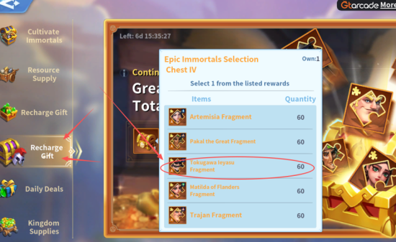 | `3-`**Key Hero: Li Chenggui**:zap: :bow_and_arrow: Li Chenggui is a vital backline hero with explosive damage potential. **Skill Effects:** **Attribute Transfer: **Transfers 20% of the attack and defense from 2 random enemy squads to himself for 10 seconds. **Explosive Damage: **Deals devastating damage to the affected squads after the transfer. **Bonus Tip:** After purchasing **Genghis Khan**, you'll receive a significant number of **Sakura City Dice**. Use them in the **Sakura City** event to unlock chests and obtain **Li Chenggui** for free! Build him into your team to unleash devastating power! | 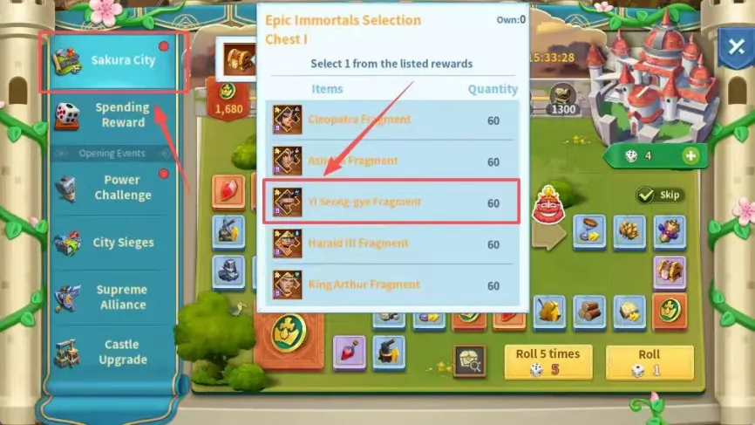 | `4-`**Core Hero: Louis IX**:zap: :dagger: Louis IX is the most important front-line hero, rivaling even **Genghis Khan** in significance! **Skill Effects:** **Passive Buff: **Increases attack speed by 20%. **Attack Conversion:** Converts his physical attacks into magical attacks for 9 seconds. Each attack has a 55% chance to summon a lightning strike, dealing magic damage to enemies. **How to Obtain:** Purchase the special bundle in the **Cultivate Immortals** event to unlock this powerful hero and strengthen your team! | 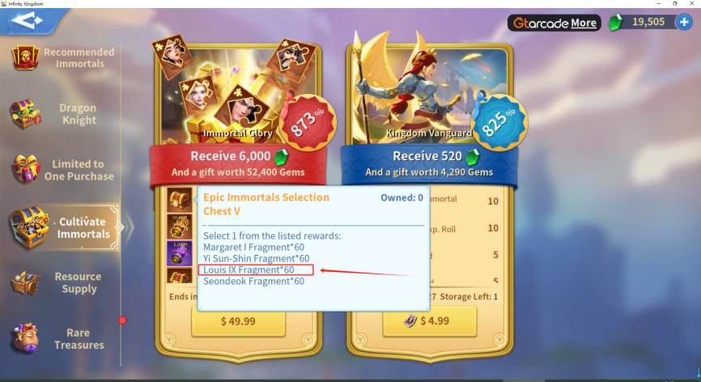 | **Many experienced players choose to purchase this bundle immediately after starting the game to quickly build a powerful team.** **Early Advantage: **The sooner you buy, the earlier you can refresh fragments in the market to strengthen your heroes. **Stay Ahead:** Assemble a strong lineup early to gain an edge over other players quickly. **Long-Term Power:** This powerful team not only provides an advantage in the early game but also remains highly effective in the late game. Invest in this bundle to secure your path to victory!
💪hero-growth-guide | 1-Immortal Boost,Complete the Well of Time to get the materials! |  | 2-Immortals can carry more skills by upgrading their stars! |  | 3-Immortal can carry an additional 100 soldiers per level. |  | 4-Use Stardust and Gold to upgrade Immortals for extra attributes. |  | 1、Counter Relationship:(Light:Only→Shadow)→Earth→Water→Fire→Wind→Lightning→Earth 2、5 of the same element gives a bonus to all attributes! More powerful! 3、Shieldmen→Spearmen→Cavalry→Shieldmen
『📢』-mission
🎁gift-code | :gift: Gift Code： The following are instructions for using the gift code: Click on your [avatar] in the upper right corner of the game. Click on the [Settings] option in the interface. Select the [Redeem]option. Enter the following code to receive your reward! If you find a new gift code, please send it here ~ let more members use it! ---------------------------------------------- Fictions POMael POGoatie PO4Z1Z Able MagicMage compote Dande Persephone YY2222 YY3333 ---------------------------------------------- :video_game:Have fun with your game! :video_game:
🧩ruins-puzzle | Level 1 Ruins Coordinates: . Tips:Completing the Ruins Puzzle rewards you with plenty of resources and rewards . Here are the game coordinates —focus on exploring the ones closest to you first (you can copy the coordinates into the game chat box and click on them to travel directly) |  | https://infinity-kingdom.fandom.com/wiki/Ruins Infinity Kingdom Wiki Ruins Ruins are locations on the map that can be explored by a player's scouts for rewards as well as lore about the game world. A second scout is unlocked from the 10,000 Insights reward. Once all... |  |  | open a web browser search for ruins then scroll down youll find the spot to copy the coordinates

