SHEET
Images | Publication numbers | Publication kind codes | Publication dates | Original document | Earliest priority date | Title | Abstract | Inventors | Latest standardized assignees - inventors removed
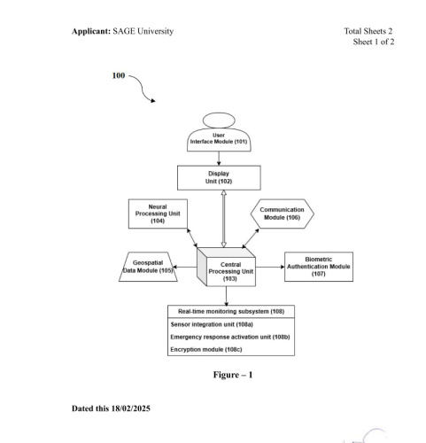 Open | IN202521013842 | A | 2025-03-07 | Open | 2025-02-18 | (IN202521013842) A system and method for ai-powered travel safety, real-time risk analysis, and optimal route prediction | (IN202521013842) The present invention discloses a system and method for AIpowered travel safety and optimal route prediction, integrating geospatial intelligence, neural processing, and biometric authentication to enhance user security during travel. The system collects real-time location data from a geospatial data module, processes travel safety parameters using a neural processing unit, and generates an optimized travel route based on dynamic risk assessments and traffic conditions. A display unit presents safety alerts, emergency contacts, and location-based risk evaluations, while a biometric authentication module ensures secure user access. In case of emergencies, the system activates an emergency response and securely transmits encrypted user data and location information. The invention provides a proactive safety mechanism by integrating AI-driven risk analysis, real-time monitoring, and automated emergency assistance. This ensures secure, efficient, and intelligent travel planning, mitigating risks associated with unsafe routes and unpredictable environmental conditions. | Jain Prashant Jain Dinesh Sharma Mangla Upadhyay Varnika Kothari Abhay | SAGE UNIVERSITY
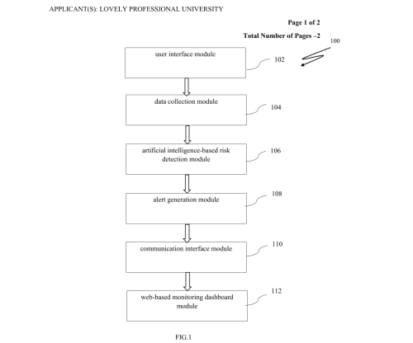 Open | IN202611002441 | A | 2026-02-20 | Open | 2026-01-09 | (IN202611002441) Smart tourist safety monitoring & incident response system using artificial intelligence | (IN202611002441) The present invention discloses a Smart Tourist Safety Monitoring & Incident Response System (100) that integrates AI-based risk detection, real-time monitoring, and automated alerts to ensure tourist safety. The system (100) collects GPS, IoT, and environmental data through a data collection module (104) and analyzes it using an AI-based risk detection module (106) to predict potential hazards. An alert generation module (108) notifies tourists and authorities of unsafe conditions, while a communication interface module (110) provides realtime multilingual translation for seamless interaction. A web-based dashboard module (112) offers live monitoring, risk heatmaps, and incident analytics, and a predictive analytics module (114) improves future safety planning. The system (100) ensures proactive risk management, faster response, and enhanced travel experience. | Geetika Kumar Yunesh Dhodaria Girjesh | LPU - LOVELY PROFESSIONAL UNIVERSITY
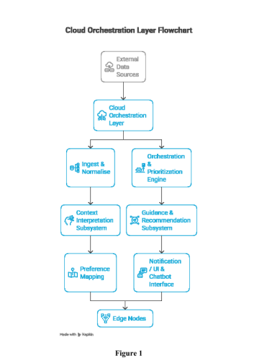 Open | IN202511128965 | A | 2026-01-23 | Open | 2025-12-19 | (IN202511128965) A system for real-time context-aware ai orchestration for pilgrimage safety and assistance | (IN202511128965) The present invention pertains to a real-time context-aware system that enhances pilgrimage safety by integrating multiple sensor interfaces for acquiring environmental and user-specific data, a data collection and ingestion module for normalization, and a context interpretation module for fusing heterogeneous inputs into a coherent situational picture. A guidance and recommendation module generates personalized instructions while an emergency awareness and assistance subsystem detects risks via threshold and time-series analysis, triggering emergency alert payloads. An edge support module maintains critical functionality during connectivity loss, and an external integration interface ensures secure communication with third-party service providers. A centralized processing engine, coupled with a machine learning module, orchestrates data fusion and predictive analytics within an edge-cloud framework to deliver adaptive, real-time safety and assistance solutions. | Singh Kamal Preet Goel Saloni Rajbhar Harsh Narayan Panwar Shobhit Sharma Shivam Rawat Gautam | SWAMI RAMA HIMALAYAN UNIVERSITY
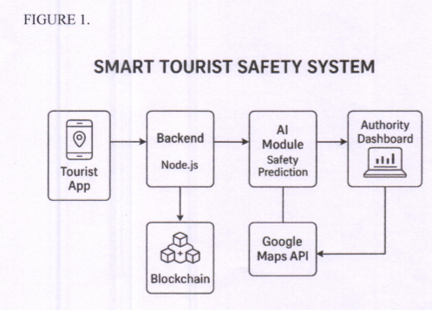 Open | IN202541126927 | A | 2026-01-02 | Open | 2025-12-15 | (IN202541126927) Smart tourist safety system using ai, blockchain, geo-fencing and real-time monitoring for predictive risk prevention | (IN202541126927) The present invention relates to a Smart Tourist Safety System (100) that integrates artificial intelligence, blockchain security, real-time tracking, and geo-fencing technologies to provide proactive safety support for tourists. The system comprises a tourist mobile application (101), a backend server (102), an Al-based safety prediction module (103), an authority dashboard (104), and a blockchain identity layer (105), collectively enabling predictive risk detection and secure data management. The mobile application offers blockchain-based registration, SOS activation, color-coded safety maps, and automated geo-fencing alerts, while continuously transmitting location data to the backend. The AI module computes dynamic safety scores and forecasts unsafe conditions using machine learning models. The authority dashboard visualizes tourist positions, predictive alerts, and incident heatmaps for rapid emergency response. Integrated with mapping services (106), the system suggests safe routes and provides alerts even in low-connectivity regions via offline/SMS modules. The invention enables a scalable, data-driven, and proactive tourist safety solution. | Kowsalyadevi K Abirami Sri A Soundarya S Srinidhi P Vigneshsaravanan M S Yokeshwaraan K J | SONA COLLEGE OF TECHNOLOGY
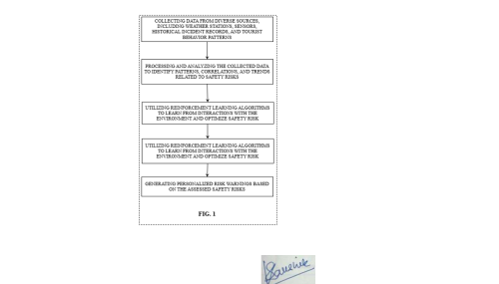 Open | IN202331046115 | A | 2023-10-06 | Open | 2023-07-10 | (IN202331046115) Highland tourism safety risk warning method based on reinforcement learning | (IN202331046115) The present invention relates to the field of tourism safety, particularly in highland regions. More specifically, it relates to a method for providing real-time safety risk warnings to tourists in highland areas based on reinforcement learning techniques. The method for highland tourism safety risk warning based on reinforcement learning, includes collecting data from diverse sources, including weather stations, sensors, historical incident records, and tourist behavior patterns, processing and analyzing the collected data to identify patterns, correlations, and trends related to safety risks in highland regions, utilizing reinforcement learning algorithms to learn from interactions with the environment and optimize safety risk assessments, generating personalized risk warnings based on the assessed safety risks and individual tourist characteristics, and delivering the personalized risk warnings to tourists through a communication channel, such as a mobile application or wearable device. | Sharma Viveka Nand Poddar Nitin Rai Sidhanshu Singh Warshi Kumar Nitin Arya Aishwarya Tripathi Saurabh Kumar Ankit | (IN202331046115) Sharma Viveka Nand Poddar Nitin Rai Sidhanshu Singh Warshi Kumar Nitin Arya Aishwarya Tripathi Saurabh Kumar Ankit
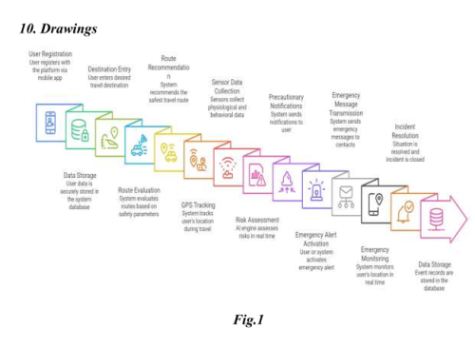 Open | IN202641075596 | A | 2026-06-26 | Open | 2026-06-18 | (IN202641075596) Safeher: an intelligent women’s safety system with real-time emergency alert and secure route navigation | (IN202641075596) Women frequently face safety challenges during travel, particularly at night and in unfamiliar locations, where delayed emergency response and the absence of proactive safety measures can increase the risk of harm. Existing safety applications primarily focus on emergency reporting and often lack predictive risk analysis, secure route guidance, integrated transportation support, and continuous monitoring capabilities. To address these limitations, the present invention proposes an Intelligent Women's Safety System with Real-Time Emergency Alert and Secure Route Navigation. The system analyzes user location, travel routes, time, and reported unsafe areas to identify potential risks and generate proactive safety alerts. A dedicated Night Safety Mode provides continuous monitoring, live location sharing, and periodic safety checks during night-time travel. In emergency situations, an integrated SOS mechanism automatically transmits alert notifications, real-time location information, and audio recordings to predefined emergency contacts for rapid assistance. The system further recommends secure travel routes based on risk assessment and incorporates a She Shuttle locator to identify nearby women-focused transportation services for safer mobility. Additionally, an AI-powered chatbot provides instant access to nearby police stations, hospitals, and emergency support services. By combining intelligent risk prediction, emergency communication, secure navigation, and women-centric transportation assistance within a unified platform, the invention enhances personal security, reduces emergency response time, and promotes safer travel experiences for women. | Veena Ch Rajyalaxmi Y Tanmayi Akkamsetty Lakshmi Vadde Rishita Priya Meghana Polemoni Charmi Naga P Priyanka Choudhary Khushi Manaswini N | (IN202641075596) Veena Ch Rajyalaxmi Y Tanmayi Akkamsetty Lakshmi Vadde Rishita Priya Meghana Polemoni Charmi Naga P Priyanka Choudhary Khushi Manaswini N
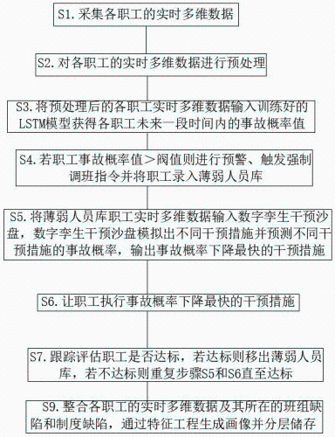 Open | CN120952511 | A | 2025-11-14 | Open | 2025-07-21 | (CN120952511) Rail transit personnel risk real-time early warning method | (CN120952511) The invention discloses a rail transit personnel risk real-time early warning method. The method comprises the following steps: S1, collecting real-time multi-dimensional data of each staff; s2, preprocessing the real-time multi-dimensional data of each staff; s3, constructing and training an LSTM model, and inputting the preprocessed real-time multi-dimensional data of each employee into the trained LSTM model to obtain an accident probability value of each employee in a future period of time; s4, if the staff accident probability value is larger than the threshold value, early warning is carried out, and staff are input into a weak staff library; s5, performing synchronous linkage on the digital twinborn model and the physical sand table to obtain a digital twinborn intervention sand table, inputting real-time multi-dimensional data of the weak personnel library staff into the digital twinborn intervention sand table, simulating different intervention measures by the digital twinborn intervention sand table, predicting accident probabilities of the different intervention measures, and outputting the intervention measure with the fastest accident probability reduction; s6, enabling the employees to execute intervention measures with the fastest accident probability reduction; and S7, tracking and evaluating whether the employees reach the standard or not, if yes, moving out of the weak person library, and if not, repeating the steps S5 and S6 until the employees reach the standard. | LI HUANGRUIBO LI LONGHUI YANG HAORAN GONG ZHENPENG LAN MAOTONG SUN ZHENHAI | GUIYANG VOCATIONAL & TECHNICAL COLLEGE
Open | CN121707779 | A | 2026-03-20 | Open | 2025-11-26 | (CN121707779) Travel safety early warning system and method based on artificial intelligence | (CN121707779) The invention relates to the technical field of tourism safety management, and discloses a tourism safety early warning system and method based on artificial intelligence. According to the system, accurate early warning is realized through cooperation of multiple modules. The data acquisition module uses a multi-source heterogeneous data fusion algorithm to integrate multiple types of data such as tourist positioning, meteorology, terrain and the like in a target area; the risk assessment module extracts multi-dimensional risk features and outputs a safety risk probability value by means of a space-time attention mechanism deep learning model; the dynamic adjustment module optimizes an early warning trigger threshold and a response strategy by using a reinforcement learning algorithm; the early warning generation module is combined with a fuzzy logic algorithm to generate multi-stage early warning signals and is associated with emergency resources; and the user interaction module converts early warning into multi-language prompts through a natural language processing technology and pushes the multi-language prompts to tourists and a management platform. Wherein the risk assessment module outputs a probability value through specific input and model training. According to the system, intelligent monitoring and early warning of tourism safety risks can be realized, and the tourism safety management level is improved. | WANG YUE LUO CHAO WANG FANG HUANG WENQIN LIU TAO | XINJIANG INSTITUTE OF SCIENCE & TECHNOLOGY
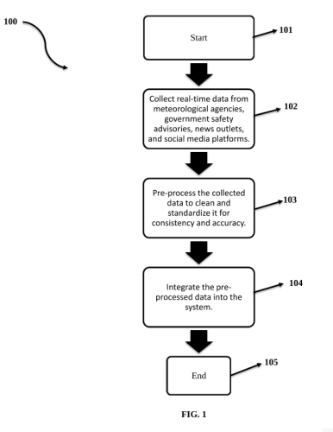 Open | IN202411021470 | A | 2024-04-26 | Open | 2024-03-19 | (IN202411021470) Travel risk management system | (IN202411021470) The present invention includes systems, and methods for travel risk management. The invention incorporates advanced AI algorithms, such as natural language processing, and pattern recognition to analyse real-time data from meteorological agencies, government advisories, and news outlets. This data integration facilitates personalized risk assessments, considering traveller profiles, and preferences. The system then generates alternative route recommendations using geographic information systems, and route optimization algorithms, prioritizing safety, and convenience. Real-time alerts are delivered through various channels such as mobile applications, and email. The alerts keep travellers informed of the potential risks, and provide timely guidance. Through continuous learning, and adaptation, the system ensures accuracy, and effectiveness, enhancing travel safety in an ever-changing environment. The interconnected components - AI data analysis engine, real-time data integration, personalized risk assessment, alternative route recommendations, and real-time alerts and notifications - collectively provide a robust system for proactive travel risk management. | Verma Akash Singla Chandan | CHANDIGARH UNIVERSITY
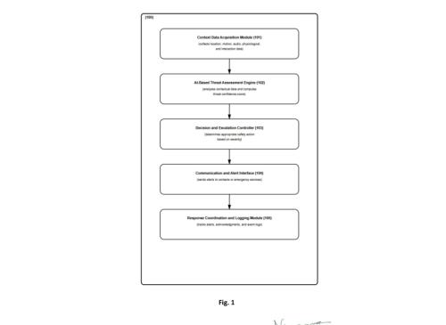 Open | IN202641022792 | A | 2026-03-06 | Open | 2026-02-26 | (IN202641022792) Safeai: an intelligent personal safety companion | (IN202641022792) The invention discloses SAFEAI, an intelligent personal safety companion system. The system includes a context data acquisition module, an AI-based threat assessment engine, a decision and escalation controller, a communication interface, and a response coordination module. The method includes monitoring contextual data, detecting potential threats, evaluating risk severity, initiating adaptive safety actions, and coordinating emergency responses. The invention provides proactive, reliable, and context-aware personal safety assistance. | Yashaswini K L Shetty Rakshith Parmeshwar Shetty Thrisha Santhosh Gaonkar Ravish Sharad Gatty Yashwin M Ranganatha K Gadiyar Manoj H T Pradeep M Aishwarya K Yathish K | CANARA ENGINEERING COLLEGE
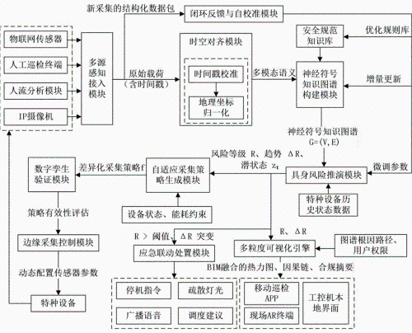 Open | CN122174697 | A | 2026-06-09 | Open | 2026-05-12 | (CN122174697) Special equipment risk prediction and self-adaptive collection method and system for travel scene | (CN122174697) The invention discloses a special equipment risk prediction and self-adaptive collection method and system for a travel scene. The method comprises the steps of carrying out space-time alignment on multisource perception data, constructing a neurosymbol knowledge graph fused with safety standard logic, carrying out risk evolution deduction through a body intelligent agent in a digital twin environment based on the graph to generate a risk track, dynamically generating and verifying a self-adaptive data acquisition strategy according to track characteristics, executing the strategy and utilizing new data to calibrate a deduction model on line, generating a multi-granularity risk visualization view based on a calibration result, and finally triggering emergency linkage cooperated with BIM when the risk is over-limit. The invention realizes the closed loop of risk perception, prediction, decision and treatment, solves the problems of stiff data acquisition, unexplained model and lack of self-adaptive capacity of the system in the prior art, and remarkably improves the intelligent level and emergency response efficiency of the safety monitoring of special equipment for traveling. | CHEN ZENAN ZHANG DONGPING YU JIABIN DENG ZHIJI SUN LONG LI SHANGGE REN JINGJUN | CHINA JILIANG UNIVERSITY
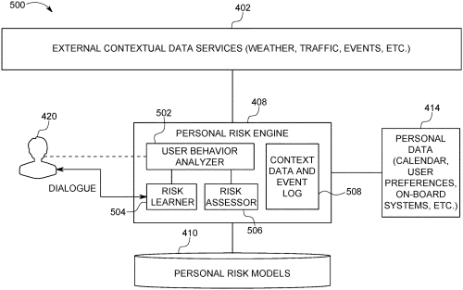 Open | US10768002 US20190128686 | B2 A1 | 2020-09-08 2019-05-02 | Open | 2017-10-26 | (US10768002) Assessing personalized risk for a user on a journey | (US10768002) A system and method for learning and predicting personalized risk associated with a journey for a user are presented. Contextual data may be gathered and analyzed from a plurality of data sources relating to a journey of a user. A risk associated with the journey may be learned for the user according to the contextual data. One or more risk models may be generated according to the learned risks. One or more potential risks associated with a subsequent journey may be predicted using the one or more risk models. | EPPERLEIN JONATHAN LASSOUED YASSINE MEVISSEN MARTIN MONTEIL JULIEN RUSSO GIOVANNI SHORTEN ROBERT | IBM
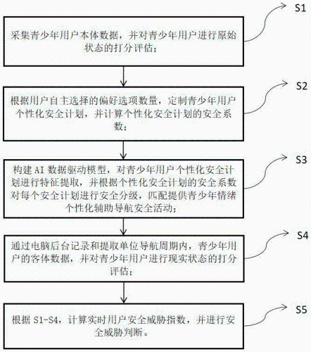 Open | CN117524419 | A | 2024-02-06 | Open | 2023-11-08 | (CN117524419) AI data driving-based adolescent emotion personalized aided navigation method | (CN117524419) The invention relates to the technical field of data processing and analysis, in particular to a juvenile emotion personalized aided navigation method based on AI data driving, and the method specifically comprises the following steps: scoring and evaluating the original state of a juvenile user; customizing a personalized safety plan of the teenager user, and calculating a safety coefficient of the personalized safety plan; an AI data driving model is constructed, and adolescent emotion personalized aided navigation safety activities are provided in a matching manner; extracting object data of the teenager user in a unit navigation period, and performing scoring evaluation on a real state of the teenager user; and calculating a real-time user security threat index, and performing security threat judgment. According to the invention, the blank of the intervention method of teenager self-injury thought and behavior and the intervention test of digital therapy using App as a carrier in China at present is filled. | HOU CAILAN JIA FUJUN LIU YIHUI LIANG JIARONG | (CN117524419) HOU CAILAN JIA FUJUN LIU YIHUI LIANG JIARONG
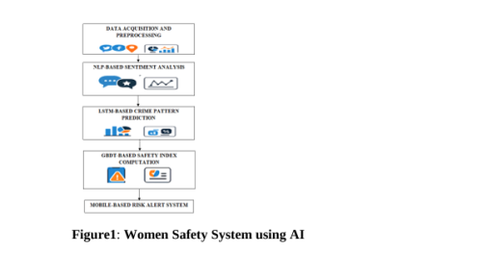 Open | IN202541080538 | A | 2025-09-05 | Open | 2025-08-25 | (IN202541080538) Hybrid ai framework for women's safety in tourism using lstm, gbdt, and nlp for real-time risk detection | (IN202541080538) The present invention discloses a hybrid artificial intelligence framework for enhancing women's safety in tourism and urban environments through real-time risk detection and predictive analytics. The system integrates three complementary AI models, namely a Long Short-Term Memory (LSTM) network, a Gradient Boosted Decision Tree (GBDT) classifier, and a Natural Language Processing (NLP) sentiment analysis engine, to generate a multi-dimensional safety index. The LSTM module is employed to analyze temporal patterns in crime data, enabling accurate prediction of recurring or emerging safety risks. The GBDT module evaluates structured features such as geospatial crime density, demographic data, environmental conditions, and law enforcement presence to compute contextual safety scores. In parallel, the NLP module processes unstructured user-generated content including social media posts, reviews, and feedback, extracting sentiment-driven insights and identifying safety-related entities through named entity recognition. The outputs of these modules are fused to produce a Composite Dynamic Safety Index (CDSI), which dynamically updates based on both model predictions and user feedback. A mobile application continuously monitors the user's location through GPS and triggers real-time alerts if the CDSI falls below a defined threshold, while also providing safe route recommendations, emergency SOS functions, and a feedback interface for continuous model refinement. The invention provides a proactive, adaptive, and scalable safety framework that combines predictive modeling with real-time user engagement, thereby improving the safety and confidence of women travelers. | Jayaprakashmayilsamy Gayathri K C Vanathi J Kavitha M R Savitha N Kousalyadevi S | (IN202541080538) Jayaprakashmayilsamy Gayathri K C Vanathi J Kavitha M R Savitha N Kousalyadevi S
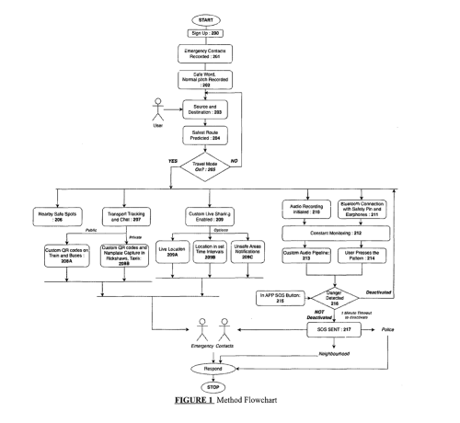 Open | IN202421032333 | A | 2024-06-14 | Open | 2024-04-24 | (IN202421032333) Safestride-an ai powered women safety application | (IN202421032333) With the advent of time, crimes against women like harassment, molestation and rape have increased. Most of these cases happen in public spaces and while traveling. The prevalent system always displays the most optimized shortest route irrespective of the safety concerns. In a lot of cases, a route that is safer would be more favorable than a shorter one. Another concern is the lack of emergency detection, response and safeguard. These safety concerns of females in public spaces and while traveling can be addressed by building an application which works on the principle of prevent, protect, detect and respond in real time using past knowledge and real time input by user. It involves predicting safety of different routes available from the start of the journey to destination in order to prevent any crime along. The application can be instrumental in sharing live updates like the route of the bus, train number and expected time of arrival, taxi number, etc of the user's journey to user's emergency contacts making tracking easy. It aims to protect users by guiding them to nearby safe spots. To aid in early detection and timely response, the app aims to enable multiple triggers for a SOS like app button, audio recognition, earphones tap patterns and incorporate a tiny hardware agent for extreme cases. The SOS is sent to neighborhood users, to ensure immediate action. The application can be an umbrella solution to help women in tackling such situations at all levels starting from avoiding them in the first place to getting rescued out of them timely. | Raul Nataasha Tarachandani Komal Rao Siddhant Gadkari Sanika | (IN202421032333) Raul Nataasha Tarachandani Komal Rao Siddhant Gadkari Sanika
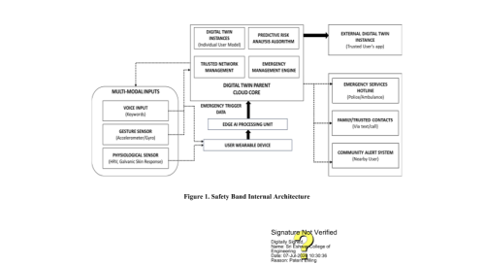 Open | IN202641085373 | A | 2026-07-17 | Open | 2026-07-11 | (IN202641085373) Digital twin-enabled smart safety band for predictive threat detection and emergency management | (IN202641085373) The present invention relates to a Digital Twin-enabled smart safety band designed to provide continuous personal safety monitoring, predictive threat detection, and intelligent emergency management. The proposed system integrates a wearable smart band with multiple sensing modules, including physiological, motion, voice, and location sensors, to continuously collect information representing the users physical condition, behavioural activities, and surrounding context. The collected information is processed through an edge computing unit and synchronized with a Digital Twin, which maintains a dynamic virtual representation of the user by continuously learning normal behavioural patterns and updating them in real time. The Digital Twin compares incoming sensor information with the established behavioural profile to identify abnormal deviations that may indicate a potential safety threat. A predictive risk assessment module evaluates multiple parameters collectively rather than relying on individual sensor readings, thereby improving the reliability of threat detection and minimizing false emergency alerts. When a potential threat is identified, the system automatically activates an emergency management engine that communicates with trusted contacts, emergency response services, and authorized users by transmitting live location information and other relevant safety data. Unlike conventional wearable safety devices that primarily depend on manual activation or isolated event detection, the proposed invention continuously adapts to the users routine behavior and performs proactive risk assessment through real-time synchronization between the physical user and the Digital Twin. The integrated architecture provides an intelligent, adaptive, and automated personal safety framework capable of supporting timely emergency intervention with minimal user interaction. The invention is applicable to women safety, elderly care, child protection, lone-worker monit | Balakrishnan Minu Anandakumar H Lincy Babitha R Aravind S | SRI ESHWAR COLLEGE OF ENGINEERING
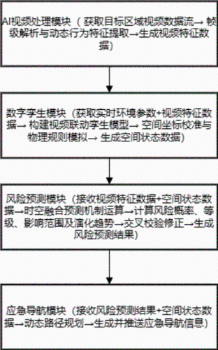 Open | CN121638903 | A | 2026-03-10 | Open | 2025-12-03 | (CN121638903) Risk prediction and emergency navigation system based on digital twin and AI video linkage | (CN121638903) The invention relates to a risk prediction and emergency navigation system based on digital twin and AI video linkage, and belongs to the technical field of public safety and emergency management. The system comprises an AI video processing module, a digital twin module, a risk prediction module and an emergency navigation module, analyzing the target area video data stream, and extracting target dynamic behavior features to generate video feature data; the digital twinborn module fuses the real-time environment parameters and the video feature data, constructs and updates a video linkage twinborn model, and outputs spatial state data; the risk prediction module is combined with a space-time fusion prediction mechanism and a historical risk case library to calculate a risk occurrence probability, a risk level, an influence range and an evolution trend; and the emergency navigation module dynamically plans a path and generates navigation information adaptive to different users and terminals based on the risk prediction result and the spatial state data. According to the method, deep fusion of multi-source data is realized, the risk prediction accuracy and navigation dynamic adaptability are improved, and the method is suitable for various scenes. | LIU YI | SHANGHAI WANGYI INFORMATION TECHNOLOGY
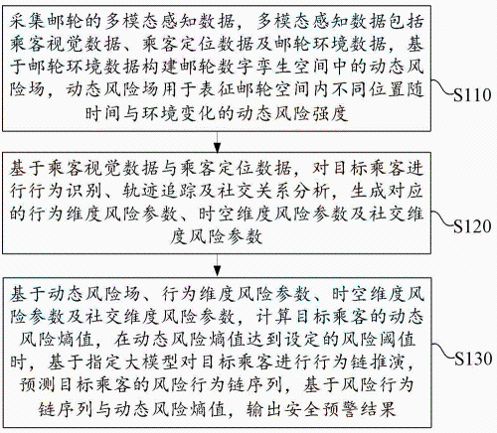 Open | CN121600595 | A | 2026-03-03 | Open | 2025-12-01 | (CN121600595) Intelligent cruise ship passenger safety early warning system and method based on fusion of large model and visual identification | (CN121600595) The embodiment of the invention discloses a cruise ship passenger safety intelligent early warning system and method based on fusion of a large model and visual identification. According to the technical scheme provided by the embodiment of the invention, the dynamic risk field fused with environmental factors is introduced, fusion analysis of passenger behaviors, time-space and social multi-dimensional risk parameters is combined, and behavior chain deduction based on a large model is carried out, so that a safety early warning system identifies passenger risk context information, quantifies passenger risk entropies, and improves passenger risk performance. And a risk evolution path is predicted, and conversion from passive response to isolated events to active prediction and intervention of composite risks is realized. Compared with an existing early warning scheme which depends on a fixed rule and has data unrelated, the method improves the timeliness and accuracy of safety early warning, remarkably reduces the false alarm rate, and meets the requirements of timely early warning for passengers in a complex and closed scene of a cruise ship. | FENG RISHENG TONG MEIJING | GUANGZHOU COSCO SHIPPING TELECOMMUNICATION TECHNOLOGY
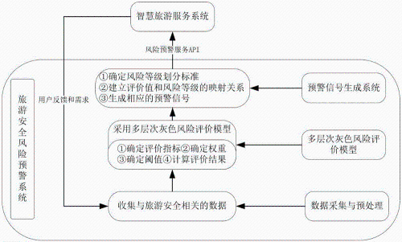 Open | CN120146588 | A | 2025-06-13 | Open | 2025-05-14 | (CN120146588) Grey dynamic tourism safety early warning method and system based on multi-source data fusion | (CN120146588) The invention provides a gray dynamic tourism safety early warning method and system based on multi-source data fusion, and belongs to the technical field of tourism safety risk early warning, and the method comprises the steps: collecting data related to tourism safety from a plurality of channels, and carrying out the preprocessing of the data to guarantee the quality and consistency of the data; based on the preprocessed data and the determined evaluation index, weight and risk early warning threshold, calculating a comprehensive evaluation result of the tourism safety risk through a grey system theory; and based on the comprehensive evaluation result of the tourism safety risk, determining a risk level, and generating a corresponding early warning signal. The invention aims to provide timely and accurate safety risk early warning information for tourists through the multi-level grey risk evaluation model and the early warning signal generation system, and the safety guarantee capability of the smart tourism service system is enhanced. | YANG SHENGYING WANG KE LI FEI LI XIN HUANG SHUANGQING YAN SHUAI GUO YUJUN | CHENGDU JINCHENG UNIVERSITY
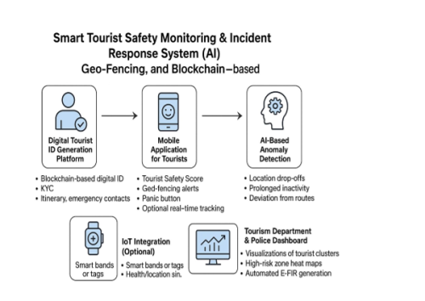 Open | IN202541103080 | A | 2025-11-28 | Open | 2025-10-26 | (IN202541103080) Smart tourist safety and incident response system using ai, blockchain & geo-fencing | (IN202541103080) The development of a Smart Tourist Safety Monitoring & Incident Response System integrates AI, Geo-Fencing, and Blockchain technologies to enhance tourist safety, particularly in highrisk and remote areas such as India's Northeast. The system introduces a blockchain-based Digital Tourist ID platform for secure identity management, issued at entry points and valid for the duration of a tourist's visit. A companion mobile application provides real-time safety features including geo-fencing alerts, a panic button with live location sharing, and an optional tracking system for families and authorities. AI-driven anomaly detection monitors tourist behaviour to identify potential risks such as sudden location drop-offs or deviation from itineraries. A centralized dashboard for police and tourism departments enables real-time monitoring, heatmaps of risk zones, and automated generation of e-FIRs in case of missing persons. Optional IoT-based wearables can further support safety in vulnerable zones like forests or caves. With multilingual support and strong data privacy via blockchain and encryption, the system aims to provide a secure, responsive, and user-friendly safety net for tourists, while enabling authorities to act swiftly during emergencies. | Saravanan G Gomathi P Sithick Abupakkar A Anbarasu M Dharaneesh N Krishna Ajay M | (IN202541103080) Saravanan G Gomathi P Sithick Abupakkar A Anbarasu M Dharaneesh N Krishna Ajay M
 | IN202641054425 | A | 2026-06-26 | Open | 2026-04-29 | (IN202641054425) An ai-driven safety aware navigation web application with real-time risk prediction and intelligent | (IN202641054425) The present invention relates to an Al -Driven Safety-Aware Navigation Web Application comprising a user access interface (100), a user authentication system (110), a user profile manager (120), a location input interface (200), a GPS tracking engine (210), an artificial intelligence analysis layer (300), a high-risk zone identification engine (330), a routing layer (400), and a user interaction interface (500). Location data capturing user travel information is entered through the user interface and processed through a real-time tracking and geospatial analysis pipeline. A geospatial analysis module (310) identifies and analyses spatial regions based on historical crime data, while a risk prediction engine (320) evaluates location-based risk using machine learning techniques. A risk assessment module (322) determines safety levels across route segments, while a safety scoring module (324) generates numerical representations of route safety. Outputs from the safety analysis modules are synthesized by a high-risk zone identification engine (330) to identify unsafe areas along the route. A routing layer (400) comprising a safe route generator (410) and a path optimization engine (420) generates optimized safer navigation routes based on risk-weighted calculations. The generated routes and safety insights are presented through a user interaction interface (500), which provides real-time navigation guidance and safety alerts, and stored within a system history database (600) to support continuous monitoring and system improvement. | Sudha M Sangeetha K Vinodhini B Sumithra A Shobana M Janani S R Indhuja A Kalyan Ramesh G Lavanya M Priya Ragavi S Anushree R Santhosh Jai R Kanmani V HariShankar S | SNS COLLEGE OF TECHNOLOGY
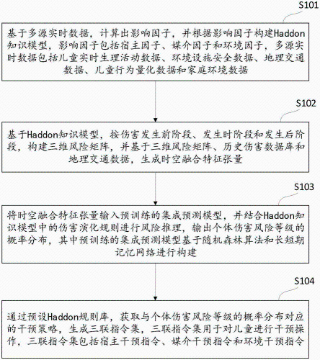 Open | CN120911951 | A | 2025-11-07 | Open | 2025-07-23 | (CN120911951) Harmful prediction method and system based on risk model | (CN120911951) The invention relates to an injury prediction method and system based on a risk model. The method comprises the following steps: calculating influence factors such as a host factor, a medium factor and an environment factor based on multi-source real-time data, and constructing a Haddon knowledge model; constructing a three-dimensional risk matrix based on a Haddon knowledge model, and generating a space-time fusion feature tensor in combination with a historical damage database and geographic traffic data; inputting the tensor into a pre-trained integrated prediction model, performing risk reasoning in combination with a damage evolution rule in a Haddon knowledge model, and outputting probability distribution of individual damage risk levels; a corresponding intervention strategy is obtained through a preset Haddon rule base, and a triple instruction set is generated and comprises a host intervention instruction, a medium intervention instruction and an environment intervention instruction. According to the method, through the technologies of multi-source data fusion, Haddon knowledge model construction, risk prediction and the like, the whole process from child accidental injury risk assessment to accurate intervention is realized, and the timeliness and pertinence of child accidental injury prevention can be improved. | JI LING LENG YANJIN SHI RUNJIA YAN TONGTONG GUO YANPING WANG HUI WU YUE CHEN QIAN ZHOU YANYAN WANG NINGNING WANG RENYUAN WANG SIYU ZHU CHUNYAN | SECOND MEDICAL COLLEGE OF XINJIANG
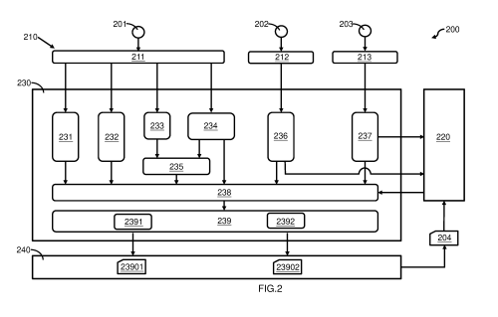 Open | WO2025/201335 | A1 | 2025-10-02 | Open | 2024-03-26 | (WO2025/201335) Risk assessment of target person and recommendation systems and methods thereof | (WO2025/201335) Provided are systems and methods for a target person risk assessment and recommendation. The system includes a plurality of data collecting modules, a big-data database module, a data analysis module, and a user interface module, wherein the plurality of data collecting modules, the big-data database module, the data analysis module and the user interface module are operatively connected with each other. The systems and methods provide intelligent and efficient risk assessment of the target person and recommendation for applications such as rescue, management, outdoor activities and safeguarding. | LEE CHI MAN MOHAMMED SWALIKH | RISKSIS TECHNOLOGY HONG KONG POLICE FORCE
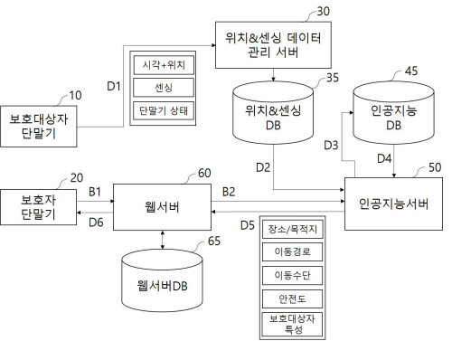 Open | KR10-2020-0119928 | A | 2020-10-21 | Open | 2019-03-26 | (KR10-2020-0119928) Location And Sensing Data Based Real-time Risk Alarming System Using Artificial Intelligence | (KR10-2020-0119928) The present invention relates to a location and sensing data-based real-time risk alarm system using artificial intelligence (AI) to increase correctness of the AI through interaction with a guardian. According to the present invention, the real-time risk alarm system comprises: a protected person terminal periodically transmitting data including location and sensing data; a location and sensing data management server receiving the data transmitted from the protected person terminal through a network and storing the received data in a location and sensing database; an AI server learning AI training data including the location and sensing data extracted from the location and sensing database to extract moving direction and distance information corresponding to each data acquisition cycle, using the moving direction and distance information and existing training data received from the AI database to calculate an expected destination, an expected moving path, an expected moving means, and a safety level of a current point of time; and a web server providing the information extracted by the AI server to the protected person terminal through network access and providing an alarm to the protected person terminal in real-time when the safety level becomes lower than a predetermined reference. The sensing data includes an acceleration value measured by an acceleration sensor of the protected person terminal and the AI server provides moving means information through learning of the sensing data. | YUN JAE KYUN YANG SOO CHANG KIM EUN HO LIM JIN SEOK | SOFTWIZ
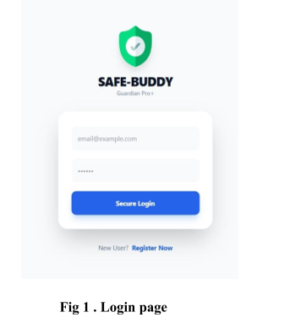 Open | IN202641031165 | A | 2026-03-27 | Open | 2026-03-16 | (IN202641031165) An intelligent personal safety dashboard system with automated emergency response, disaster intelligence, and evidence preservation | (IN202641031165) Personal safety has become a big issue due to increasing rates of crime, medical emergencies, injuries caused by accidents and climate disasters. Although there are numerous mobile safety applications, the majority of them are based on manualities of SOS activation, limited automation, and disaster awareness and evidence preservation. In this paper, the author proposes SafeBuddy, a smart dashboard personal safety device that can protect children and adults, as well as older users, without requiring any user intervention. SafeBuddy is built on a single emergency response structure incorporating the three age-adjustable dashboards, which include Child, Adult and Elder. The system makes use of smartphone sensor analytics, live GPS tracking, automatic SOS escalation, fall and inactivity detection, women safety features, conversational support, disaster intelligence, and secure evidence storage. In contrast to the conventional safety applications, SafeBuddy allows automatic activation of emergency in case of panic or physical inability. Child Dashboard focuses on passive protection with the use of guardian synchronization and automatic evidence capture. Adult Dashboard consists of the women safety functions, the route surveillance, the environmental risks knowledge, and the electronic police complaint support. The Elder Dashboard is a gadget that concentrates on independence through adaptive fall detection, inactivity, and voice assurance. SafeBuddy also offers real time disaster and weather forecasts like earthquakes, floods, cyclones and air quality forecasts. Included is the inbuilt assistant, MyBuddy which will provide emotional support and some basic medical advice in both voice and local language interfaces. The experimental outcomes have shown that SafeBuddy is a scalable and comprehensive personal safety solution because it will reduce the response time, increase the level of detection, and preserve evidence with great reliability. | Maya P Shreeyaswini P Beaula Hepsi M J Juhisha J | CHENNAI INSTITUTE OF TECHNOLOGY
Open | IN202541113280 | A | 2025-12-05 | Open | 2025-11-18 | (IN202541113280) Empower her: enhancing womens mobility with iot | (IN202541113280) The invention presents an IoT-enabled smart mobility system designed to enhance the safety, autonomy, and confidence of women during travel. The system integrates IoT sensors, GPS tracking, and a secure mobile application to provide continuous real-time monitoring of a user's journey. Intelligent analytics evaluate sensor data to detect anomalies such as route deviations, unusual motion patterns, or distress indicators, and automatically trigger alerts to trusted contacts, nearby authorities, and emergency response units. A cloud-based dashboard offers live tracking, incident visualization, and risk-zone analysis to support rapid intervention and informed decision-making by safety agencies. By combining proactive threat detection, automated emergency communication, and data-driven insights, the proposed system creates a comprehensive smart mobility framework that empowers women with safer and more reliable travel experiences. | Nagashree N Aaditya Sreenath I Akash Pushpalatha K N Bhavana A | SAI VIDYA INSTITUTE OF TECHNOLOGY
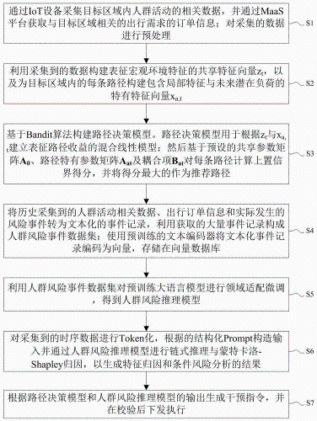 Open | CN122334970 | A | 2026-07-03 | Open | 2026-04-03 | (CN122334970) MaaS-IoT fused crowd risk perception and intervention method and system thereof | (CN122334970) The invention belongs to the field of intelligent transportation, and particularly relates to a MaaS-IoT fused crowd risk perception and intervention method and a MaaS-IoT fused crowd risk perception and intervention system. The method comprises the steps of collecting environment data and travel orders of a target area through internet of things equipment and an online platform, constructing a path decision model based on a bandwidth algorithm, and realizing path recommendation by combining a shared feature vector and a specific feature vector. And then constructing a crowd risk event data set according to the historical data, generating a vector database convenient to search, and carrying out fine adjustment on the LLM to obtain a crowd risk reasoning model. Then Token processing time series data, chain type reasoning and Monte Carlo-Shapley attribution generating corresponding result by crowd risk reasoning model, finally generating intervention instruction according to the output of the two models, and issuing and executing after checking. The invention solves the problem that the prior method is difficult to realize timely risk perception and high-efficiency intervention in public places where people are gathered. | ZHANG JUN QIU PENGFEI HUANG CAN SONG WEIGUO | UNIVERSITY OF SCIENCE & TECHNOLOGY OF CHINA
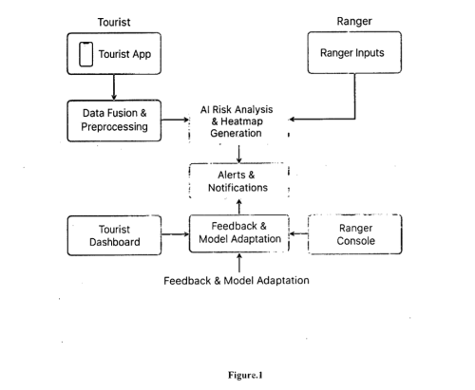 Open | IN202541114879 | A | 2026-01-16 | Open | 2025-11-21 | (IN202541114879) Blockchain and ai-powered tourist safety system for real-time risk management | (IN202541114879) Tourism serves as a cornerstone of cultural exchange and economic growth. However, persistent safety challenges and unreliable information continue to undermine traveler confidence, particularly in developing regions such as India. TrustTrip introduces an integrated AI-Blockchain framework for real-time tourist safety management, combining data transparency, security and intelligent assistance. The blockchain layer, secured with AES encryption and JVVS tokens, ensures tamper-proof data integrity and trustworthy communication between users and authorities. Complementing this, an AI-driven chatbot delivers contextual safety insights, personalized recommendations and emergency support. A multimodal alert module dispatches verified notifications to first responders and emergency contacts through SMS and push channels, embedding geolocation and severity metadata for timely intervention. In parallel, a digital twin-based visualization layer generates dynamic safety heatmaps and crowd-density overlays, empowering authorities with proactive situational awareness. By fusing blockchain transparency with AI adaptability, TrustTrip establishes a secure, intelligent and scalable paradigm for enhancing tourist safety, trust, and gov ernance in emerging smart destinations. | Mirudhula Devi N Rajeswaran Architha Thirumaran Avighnaa Nikil M Geetha R | SRI SAI RAM ENGINEERING COLLEGE
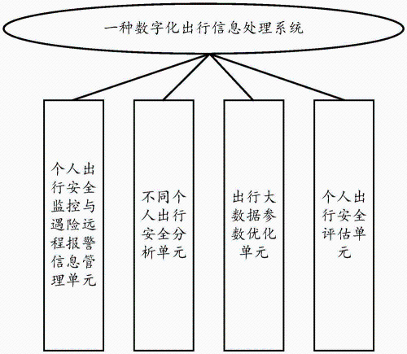 Open | CN119479191 | A | 2025-02-18 | Open | 2024-09-27 | (CN119479191) Digital travel information processing method and system | (CN119479191) The invention discloses a digital travel information processing method and system, relates to the field of personal travel safety monitoring, and utilizes a travel distress remote alarm analysis model monitoring and distress remote alarm information transmission technology. Personal travel safety operation monitoring and distress remote alarm information, personal travel on-vehicle communication sound information and vehicle positioning information which are acquired by a personal travel safety monitoring and distress remote alarm information management unit are transmitted to a cloud server; travel driving distance information and driver and passenger behavior information are transmitted to the travel big data parameter optimization unit through the travel distress remote alarm analysis model, and are sent to the personal travel safety evaluation unit through the travel distress remote alarm analysis model, so that the timeliness and reliability of personal travel safety monitoring are effectively improved; and the personal travel safety monitoring level is improved. | HU PENGFEI | ANHUI INSTITUTE OF INFORMATION TECHNOLOGY
 | KR10-2019-0063489 | A | 2019-06-10 | Open | 2017-11-29 | (KR10-2019-0063489) System for forecasting danger using deep learning and method for forecasting the same | (KR10-2019-0063489) According to an embodiment of the present invention, provided is a method allowing a danger prediction server capable of deep learning to predict a personalized danger based on location information through deep learning comprising: a user location information collection step of collecting location information of a user for each preset period; a user movement pattern calculation step of calculating a user movement pattern by using collected location information of a user; an artificial neural network model generation step of generating a user-customized artificial neural network model by inputting a calculated user movement pattern into learning data of deep learning; a user movement path prediction step of predicting a user movement path by using the user-customized artificial neural network model; a user danger monitoring step of monitoring whether a user is in danger by using a predicted user movement path; and a danger monitoring result notification step of notifying a user terminal and a guardian terminal of a monitoring result. | KIM YONG JIN LEE HYUNGJIN KIM SIWOO PARK JINHEE | MODA
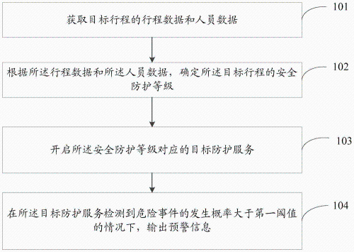 Open | CN113037688 CN113037688 | B A | 2022-12-02 2021-06-25 | Open | 2019-12-24 | (CN113037688) Travel safety protection method and device and TSPaaS system | (CN113037688) The embodiment of the invention provides a travel safety protection method and device and a travel safety protection as a service (TSPaAS) system, and the method comprises the steps: obtaining travel data and personnel data of a target travel; determining a safety protection level of the target travel according to the travel data and the personnel data; starting a target protection service corresponding to the safety protection level; when the target protection service detects that the occurrence probability of the dangerous event is greater than a first threshold value, outputting early warning information. The embodiment of the invention can improve the pertinence of the target protection service. | CUI TIEHU CHEN HUIQUAN YANG PEIZHI LIU ZIJUN | CHINA MOBILE XIONGAN INFORMATION COMMUNICATION TECHNOLOGY CHINA MOBILE INFORMATION SYSTEM INTEGRATION
 | IN201641002999 | A | 2017-09-22 | Open | 2016-01-28 | (IN201641002999) Individual safety and wellbeing through facts based preventive and predictive methodology | (IN201641002999) The nature of the invention and technology domain is written in the summary of the invention.It also includes main points of the detailed description of the methodology of the invention.The advantages of the invention are discussed in the summary too.The summary represents the concept of the invention in a summarized form.The problems which exist and are identified in the background of the invention are pointed out in the summary with their solutions. | BAGHEL UPENRA SINGH | (IN201641002999) BAGHEL UPENRA SINGH
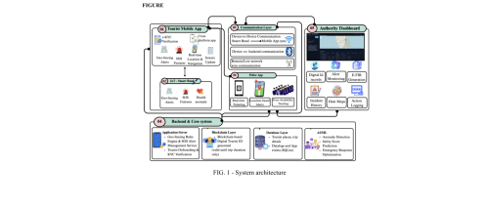 Open | IN202641052772 | A | 2026-05-08 | Open | 2026-04-25 | (IN202641052772) System and method for smart tourist safety monitoring with e-kyc authentication, blockchain-based digital identity verification, geolocation tracking, and emergency incident response | (IN202641052772) This is a smart safety project that aims at securing tourists through the application of artificial intelligence, GPS tracking, IoT devices, and blockchain. The system consists of a mobile application, a smart wearable band, an authority dashboard and a police response application, all of which are integrated into a single network of interconnected safety. All of the tourists will be given a digital ID that will be verified by blockchain and has a QR code that will enable fast verification of the identity in cases of emergencies. The real-time GPS tracking and geo-fencing provide automatic notification when tourists venture into danger or restricted zones, which allow the prevention of the risk proactively and the immediate intervention before the situation gets out of control. The intelligent wearable bracelet constantly tracks location and health information, identifies suspicious behaviour and enables tourists to send out an SOS signal when the network is weak. In the back-end, AI models are used to predict safety risks and identify anomalies, whereas blockchain technology keeps all records of incidents safe, transparent, and unalterable. Authorities can have access to live dashboards with heat maps, automated FIR generation, action logging and real-time presence of the police, which allows swifter and more effective coordination during emergencies. All these characteristics contribute greatly to the shortening of the response time, enhancing crime prevention, and increasing the confidence of tourists, and eventually, result in a safer, smarter, and more sustainable understanding of the tourism experiences of travellers in various destinations around the globe. | Jayesh D Varshaan Sabharish S Venkatahardik Thatamsetty Saraswathi E | SRM INSTITUTE OF SCIENCE & TECHNOLOGY RAMAPURAM CAMPUS EASWARI ENGINEERING COLLEGE
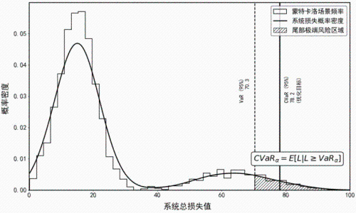 Open | CN121545744 | A | 2026-02-17 | Open | 2025-11-24 | (CN121545744) Health risk early warning and cooperative rescue scheduling method for middle-aged and elderly people during travel | (CN121545744) The invention discloses a middle-aged and elderly people health risk early warning and collaborative rescue scheduling method during travel, and relates to the technical field of data processing, and the method comprises the steps: 1, continuously collecting vital sign data, motion data and geographic position data of middle-aged and elderly people in a wearable terminal and a mobile terminal, generating a minute-level sample sequence of the travel health state of the middle-aged and elderly people and performing basic risk level division; 2, constructing an individual Gaussian process time sequence health risk time curve model in the server based on the middle-aged and elderly travel health state minute-level sample sequence, calculating a system condition value-at-risk index, and executing collaborative rescue scheduling decision vector search; 3, health risk early warning and cooperative rescue scheduling on the middle-aged and elderly people during travel are realized; according to the method, the accuracy of risk prediction, the sensitivity of space identification and the systematicness of a scheduling strategy can be improved at the same time, so that early warning is advanced, rescue is timely, and resource allocation is more reasonable. | DENG LEPING ZHENG DANDAN WU HONGSHAN CHEN XIAOFENG | SHENZHEN NUANXIN INTERNATIONAL TRAVEL SERVICE
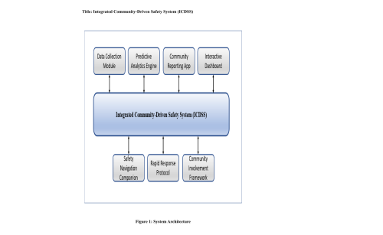 Open | IN202341088957 | A | 2024-01-12 | Open | 2023-12-27 | (IN202341088957) Integrated community-driven safety system (icdss) for educational campuses | (IN202341088957) The Integrated Community-Driven Safety System (ICDSS) for Educational Campuses is a sophisticated safety management system designed to enhance campus security, with a special focus on womens safety. This system integrates advanced data analytics, real- time reporting, and community engagement to provide a comprehensive approach to campus safety. It employs predictive analytics to proactively identify potential safety risks, while a community reporting app facilitates incident reporting and community participation in safety initiatives. An interactive dashboard allows campus authorities to monitor real-time data and make informed decisions. Additionally, a Safety Navigation Companion within the app guides users through safer routes. The systems architecture fosters a synergistic blend of technology and community involvement, aiming to create a proactive, responsive, and inclusive safety culture in educational institutions. | Nagarani P Vikranth B Lakshmi H N Rambabu Bandi | CVR COLLEGE OF ENGINEERING
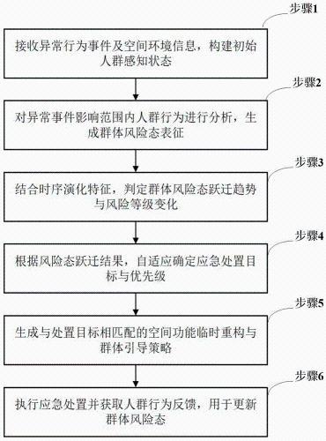 Open | CN121921158 CN121921158 | B A | 2026-06-12 2026-04-24 | Open | 2026-03-26 | (CN121921158) Comprehensive transportation junction personnel abnormal behavior emergency treatment method and system based on group risk state transition and self-learning decision | (CN121921158) The invention relates to a group risk state transition and self-learning decision-making-based emergency disposal method and system for abnormal behaviors of people in a comprehensive transportation hub, and the system comprises a group perception and interaction modeling module, a risk state transition prediction module, a self-learning decision-making module, and a space execution and feedback module. The group perception and interaction modeling module is used for receiving internal real-time data and external event and environment information of the comprehensive transportation hub and constructing group risk state characterization; the risk state transition prediction module is used for establishing a time sequence prediction model and predicting and evaluating the evolution trend and the risk level change of the group risk state; the self-learning decision module is used for generating an emergency disposal target and a constraint condition according to the risk prediction result, and generating and evaluating a candidate disposal strategy; and the space execution and feedback module is used for executing the emergency disposal strategy. The method has the beneficial effects that more efficient and robust emergency disposal support with self-adaptive capability can be provided, and the method has a remarkable technical progress effect and practical application value. | SU DONG GONG HAOFENG CHEN XIANGSHENG CENG SHIQI LI QIANG YANG LEI MO ZEXIN LI RONGKANG | SHENZHEN UNIVERSITY
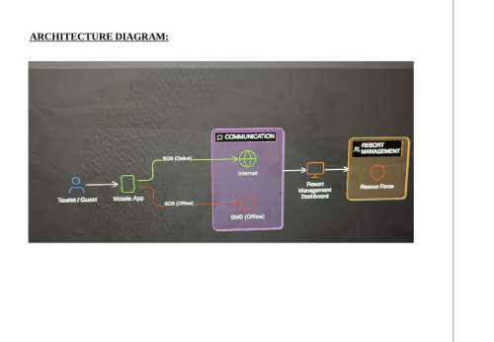 Open | IN202641051162 | A | 2026-05-29 | Open | 2026-04-22 | (IN202641051162) Ai-powered tourist safety and sos response system | (IN202641051162) The present invention relates to an AI-powered tourist safety and SOS response system designed to enhance the safety of individuals in unfamiliar environments. The system is implemented as a mobile application that enables users to trigger emergency alerts through a one-touch SOS mechanism. Upon activation, alerts are transmitted to registered contacts and relevant authorities using a dual-mode communication framework that operates via internet connectivity or automatically switches to SMS in offline conditions. The system incorporates Long Short-Term Memory (LSTM) networks to analyze user behavior patterns and detect potential risk situations. Additionally, a Behavioral Threshold Generation (BTG) algorithm dynamically identifies abnormal activity based on user-specific data. These intelligent mechanisms enable proactive safety monitoring and early detection of emergencies. The proposed solution operates without continuous tracking or external hardware, ensuring improved privacy, reduced power consumption, and high accessibility, while providing a reliable and efficient emergency response system. | Jennifer D Lakshmi Santhana S T Lakshmi Priya A Keerthana J Sangeetha M Devi Prasanna S M Dhivya M Yogashree G S Sumithra S | (IN202641051162) Jennifer D Lakshmi Santhana S T Lakshmi Priya A Keerthana J Sangeetha M
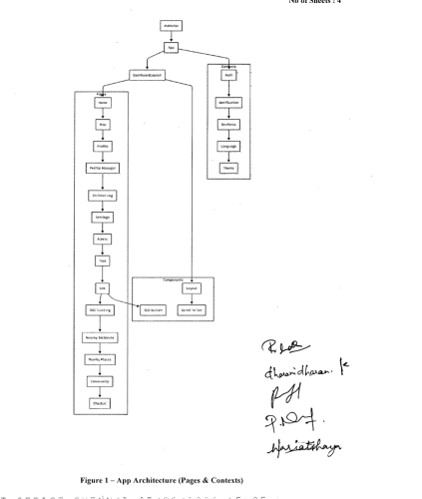 Open | IN202641052497 | A | 2026-06-19 | Open | 2026-04-24 | (IN202641052497) Smart tourist safety monitoring and incident response system | (IN202641052497) This innovation offers an AI-powered Smart Tourist Safety Monitoring and Incident Response System that integrates GPS tracking, mobile applications, IoT-enabied safety devices, and cloud-based monitoring to comprehensively enhance tourist safety and security across tourist destinations. The system includes intelligent real-time location tracking that continuously monitors tourist movements, an emergency SOS alert feature that instantly notifies the central monitoring system and nearby emergency services upon activation, location-based safety notifications that proactively alert tourists when entering high-risk areas, route guidance to assist tourists in navigating safely, and a centralized monitoring dashboard that provides authorized tourism authorities with a real-time view of tourist locations, active alerts, and incident status. Tourists interact with the system through a dedicated mobile application that enables registration, GPS-based location sharing, access to nearby safety resources such as hospitals and police stations, and direct communication with the emergency response center. IoT-enabled devices such as smart cameras, panic buttons, and environmental sensors installed at tourist locations further enhance monitoring capabilities and provide additional layers of real-time safety awareness beyond individual tourist tracking. The system also includes a data analytics module that collects and processes tourist activity data, incident logs, and safety alert patterns to identify high-risk areas, predict potential threats, and generate reports that help authorities improve safety measures and optimize emergency response strategies. The cloud-based and scalable architecture of the system ensures reliable and concurrent operation across multiple tourist destinations, supporting a large number of tourists, authorities, and IoT monitoring devices simultaneously. By combining real-time tracking, instant emergency communication, proactive safety not | Amudha R Dharanidharan K Pradeepkumar G Nandhini P Hari Atshaya A | HINDUSTHAN COLLEGE OF ENGINEERING & TECHNOLOGY
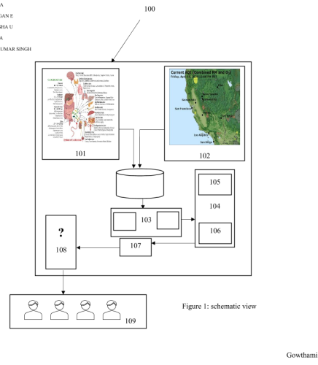 Open | IN202641047448 | A | 2026-05-15 | Open | 2026-04-14 | (IN202641047448) Integrated ai system for public safety forecasting using social vulnerability and environmental risk factors | (IN202641047448) Integrated AI System for Public Safety Forecasting Using Social Vulnerability and Environmental Risk Factors is the proposed invention. The proposed invention focuses on an integrated artificial intelligence system for forecasting public safety risks by jointly analyzing social vulnerability and environmental risk factors. The system combines data from diverse sources, including demographic records, environmental monitoring systems, and real-time sensing platforms, to develop a unified and comprehensive risk assessment framework. Advanced machine learning and deep learning techniques are employed to identify complex patterns and relationships between socio-economic conditions and environmental hazards, enabling accurate prediction of potential threats. The proposed system incorporates spatial analysis and adaptive learning mechanisms to continuously refine its predictive capabilities and generate location-specific risk insights. By producing dynamic risk scores and early warning alerts, it supports proactive decision-making for authorities and emergency response teams. | Kolluri Siva Prasad Srivastava Vijay Prakash Urvashi Sreekala C K Sathya V Mane Swapnil Chandrakant Mane Snehal C Priya Jaya A Balamurugan E Nisha Nilabar U Agslya G Singh Nitish Kumar | (IN202641047448) Kolluri Siva Prasad Srivastava Vijay Prakash Urvashi Sreekala C K Sathya V Mane Swapnil Chandrakant Mane Snehal C Priya Jaya A Balamurugan E Nisha Nilabar U Agslya G Singh Nitish Kumar
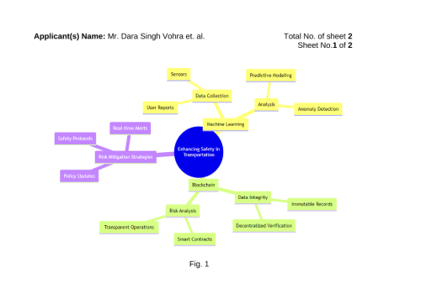 Open | IN202411022744 | A | 2024-04-26 | Open | 2024-03-23 | (IN202411022744) Development of enhancing safety in transportation systems through machine learning and blockchain-based risk analysis | (IN202411022744) The present invention by combining the power of blockchain technology with machine learning algorithms provides a novel system and method that aim to dramatically improve the safety and reliability of transport networks. The system is intended to reduce accidents proactively and has been Integrating blockchain technology provides the system's backbone, guaranteeing that all processed traffic information is authentic, safe, and unchangeable despite advancements in enterprise security protocols. This two-tier strategy does more than just improve transportation safety standards by employing proactive risk management. Additionally, it is especially beneficial for development. | Vohra Dara Singh Jha Nishikant Fernandes Reekita Nibrad Gulab M Sood Prince | (IN202411022744) Vohra Dara Singh Jha Nishikant Fernandes Reekita Nibrad Gulab M Sood Prince
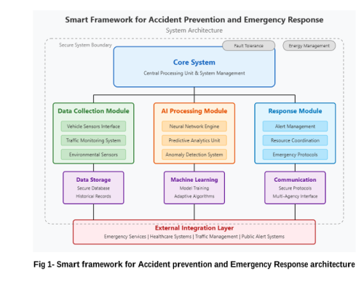 Open | IN202521048600 | A | 2025-06-13 | Open | 2025-05-20 | (IN202521048600) Smart framework for accident prevention and emergency response | (IN202521048600) [505] The smart accident prevention system presents an innovative technological framework for enhancing road safety that integrates advanced sensor networks with predictive analytics algorithms, facilitating comprehensive risk assessment, real-time threat detection, and automated emergency response while maintaining operational reliability and communication integrity for improved accident prevention and intervention outcomes. [510] The multifaceted detection architecture employs specialized hazard identification methodologies and adaptive response algorithms, utilizing hierarchical data processing and energy-efficient monitoring systems to ensure robust threat recognition, enhanced warning delivery, and optimized intervention performance while maintaining statistically significant prevention capabilities between conventional safety systems and integrated smart frameworks. [515] The integrated emergency methodology combines multivariate risk analysis with decision support systems, leveraging temporal accident prediction patterns and multidimensional safety indicators to optimize prevention procedures and response workflows for maximum intervention accuracy and minimal response delays during critical incident prevention windows. [520] The novel responsive intervention architecture features engineered resilience components with specialized communication protocols, enabling complex multi-stage emergency verification while ensuring system consistency and performance optimization across various environmental conditions without compromising operational reliability. [525] The innovative prevention design incorporates strategic notification mechanisms for enhanced situational awareness and intervention effectiveness, utilizing optimized machine learning algorithms and adaptive communication technology to ensure legitimate threat identification while maintaining functionality across diverse transportation environments and varied weather conditions. [530] Impl | Nahta Ravi Prasad Mada Kadurka Raja Shekar Jyothi Katla Aruna Kanneboina Rakshitha Bala Bhoomeshwar | (IN202521048600) Nahta Ravi Prasad Mada Kadurka Raja Shekar Jyothi Katla Aruna Kanneboina Rakshitha Bala Bhoomeshwar
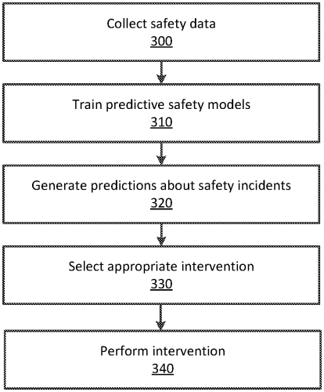 Open | EP3529753 CA3040032 AU2017344422 US10720050 EP3529753 EP3529753 BR112019007602 AU2017344422 BR112019007602 WO2018/073662 CA3040032 WO2018/073662 US20180107935 | B1 C B2 B2 A4 A2 A2 A1 A0 A3 A1 A2 A1 | 2025-12-10 2022-08-30 2020-10-22 2020-07-21 2020-06-24 2019-08-28 2019-07-02 2019-05-30 2019-04-24 2018-10-04 2018-04-26 2018-04-26 2018-04-19 | Open | 2016-10-18 | (US10720050) Predicting safety incidents using machine learning | (US10720050) A safety system associated with a travel coordination system collects safety data describing safety incidents by providers and generates a plurality of safety incident prediction models using the safety data. The safety incident prediction models predict likelihoods that providers in the computerized travel coordination system will be involved in safety incidents. Two types of safety incidents predicted by the safety system include dangerous driving incidents and interpersonal conflict incidents. The safety system uses the plurality of safety incident prediction models to generate a set of predictions indicating probabilities that a given provider in the travel coordination system will be involved in a safety incident in the future. The safety system selects a safety intervention for the given provider responsive to the set of predictions and performs the selected safety intervention on the given provider. | JEON SANGICK | UBER TECHNOLOGIES
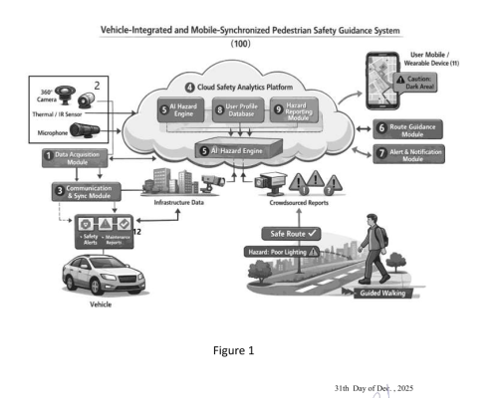 Open | IN202521134312 | A | 2026-02-13 | Open | 2025-12-31 | (IN202521134312) Vehicle-integrated and mobile-synchronized pedestrian safety guidance system with ai-based hazard detection | (IN202521134312) The present invention relates to a vehicle-integrated and mobile-synchronized pedestrian safety guidance system (100) configured to extend safety intelligence from a vehicle travel phase to a post-vehicle pedestrian phase. The system (100) comprises a data acquisition module (1) with a sensor suite (2) mounted on a vehicle to capture multi-modal environmental and vehicle-operational data. A communication and synchronization module (3) transmits the collected data to a cloud safety analytics platform (4) comprising an AI-based hazard detection and risk modeling engine (5). The engine (5) performs multi-modal data fusion to detect environmental hazards and compute safety index values for pedestrian routes. A route recommendation and guidance module (6) selects safety-optimized pedestrian routes, while an alert and notification module (7) provides predictive pre-exit alerts and real-time pedestrian alerts. Personalization is enabled through a user profile database (8), and crowd-sourced hazard updates are supported via a hazard reporting and feedback module (9). An authority interface module (10) enables reporting to external systems. Safety guidance is synchronized with a user mobile or wearable device (11) to ensure continuous pedestrian protection | Rajak Anjali Tripathi Rakesh Majumder Saikat Rajak Prince Manikanta R | NATIONAL INSTITUTE OF TECHNOLOGY RAIPUR
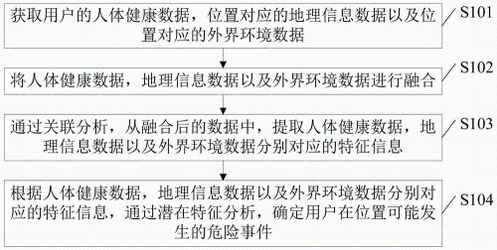 Open | CN110033198 CN110033198 | B A | 2021-10-01 2019-07-19 | Open | 2019-04-19 | (CN110033198) Danger prediction method and device | (CN110033198) The embodiment of the invention provides a danger prediction method and device. The method comprises the following steps: obtaining human body health data of a user, geographic information data corresponding to a position and external environment data corresponding to the position; fusing the human health data, the geographic information data and the external environment data; extracting feature information corresponding to the human body health data, the geographic information data and the external environment data from the fused data through correlation analysis; and according to the featureinformation corresponding to the human health data, the geographic information data and the external environment data, determining a dangerous event which may occur at the position of the user through potential feature analysis. Thus, the accuracy of danger prediction can be improved. | ZHAO HAIYING | BEIJING UNIVERSITY OF POSTS & TELECOMMUNICATIONS
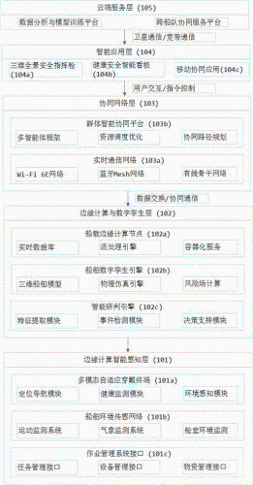 Open | CN122198396 | A | 2026-06-12 | Open | 2026-01-26 | (CN122198396) Digital twin and group intelligence-based ocean scientific investigation ship personnel safety and health collaborative management system and method | (CN122198396) The invention discloses a digital twin and group intelligent based ocean scientific investigation ship personnel safety and health collaborative management system and method, which collect multi-source data through a multi-mode self-adaptive wearing terminal, a ship environment sensing network and an operation management system, the self-adaptive dynamic risk field of the ship digital twin driving is built on the edge calculation layer, the accurate research and judgment of the composite event are realized by adopting multi-mode context sensing, a decentralised cooperative response network is built on the basis of group intelligence, and the continuous optimization of the system is realized through closed-loop deep reinforcement learning. The system comprises an intelligent perception layer, an edge computing and digital twin layer, a cooperative network layer, an intelligent application layer and a cloud service layer, and a complete 'end-side-cloud' cooperative framework is formed. The invention obviously improves the safety and health management level of ocean scientific investigation operation, has the advantages of low false alarm rate, quick response, strong self-adaption, learning optimization and the like, and is suitable for various ocean vessels and ocean engineering platforms. | YING RUIGONG LUAN ZHENDONG LÜ YAJUN JIANG JINGUANG ZHOU WENZAO | INSTITUTE OF OCEANOLOGY - CHINESE ACADEMY OF SCIENCES
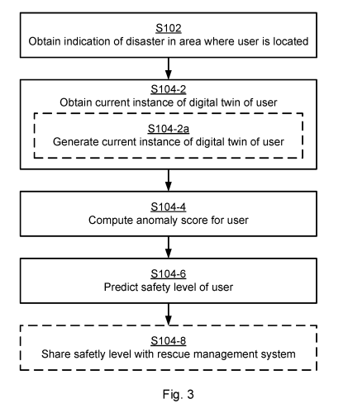 Open | WO2024/232841 | A1 | 2024-11-14 | Open | 2023-05-11 | (WO2024/232841) Safety level prediction of users after occurrence of a disaster | (WO2024/232841) There is provided techniques for predicting safety level of a user after occurrence of a disaster. A method is performed by a controller. The method comprises obtaining an indication of a disaster in an area where the user is located. The method comprises, in response thereto, obtaining a current instance of a digital twin of the user from information received over a wireless network from a user equipment associated with the user. The method comprises computing an anomaly score for the user by comparing the current instance of the digital twin to at least one previous instance of the digital twin as defined by sensor data of the user obtained prior to the indication of the disaster. The method comprises predicting the safety level of the user after the disaster has occurred based on the anomaly score for the user. | GÜLEN UTKU TOMUR EMRAH KARAÇAY LEYLI FULADI RAMIN | ERICSSON
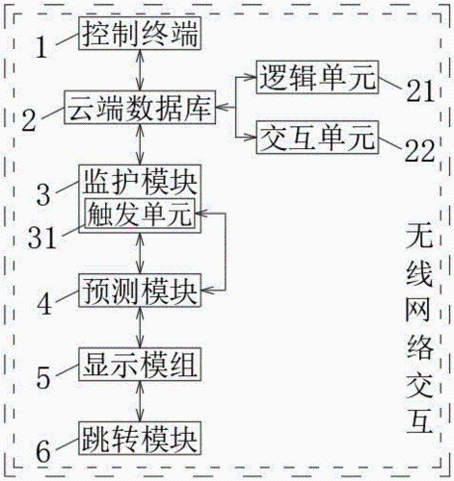 Open | CN118095759 CN118095759 | B A | 2024-10-29 2024-05-28 | Open | 2024-03-14 | (CN118095759) Emergency resource interaction system based on big data | (CN118095759) The invention relates to the technical field of emergency resource scheduling, in particular to an emergency resource interaction system based on big data, and the system comprises a control terminal which is a main control terminal of the system and is used for transmitting an execution command; the cloud database is used for storing personal information parameters of the user; the monitoring module is used for monitoring the real-time state safety of the user; the prediction module is used for acquiring the user with the unsafe real-time state monitored in the monitoring module, calling the personal information parameters of the corresponding user from the cloud database based on the acquired user, and predicting the user safety risk and the user safety risk tendency by applying the personal information parameters of the user; according to the invention, data of a user group, a medical institution and a mobile device can be combined for operation of the system, so that the system can serve a user to realize active alarm more quickly and control emergency resources to be dispatched more quickly and efficiently when the user encounters an emergency situation, daily dispatching management of the emergency resources is more reliable, and user experience is improved. And a better and safer maintenance effect is brought to a service user. | XUE XUEFU LIN ZHEN YAN ZHI WU LING HUANG JING | HUBEI THREE GORGES CLOUD COMPUTING CENTER
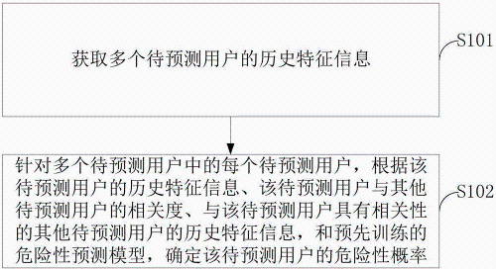 Open | CN111275227 | A | 2020-06-12 | Open | 2018-12-04 | (CN111275227) Danger prediction method and device, electronic equipment and computer readable storage medium | (CN111275227) The embodiment of the invention provides a danger prediction method and device, electronic equipment and a computer readable storage medium, and the method comprises the steps: obtaining the historical feature information of a plurality of to-be-predicted users; aiming at each to-be-predicted user in the plurality of to-be-predicted users, predicting the to-be-predicted users, and determining therisk probability of the to-be-predicted user according to the historical feature information of the to-be-predicted user, the relevancy between the to-be-predicted user and other to-be-predicted users, the historical feature information of other to-be-predicted users having relevancy with the to-be-predicted user, and a pre-trained risk prediction model. According to the embodiment of the invention, the risk probability of the to-be-predicted user is determined in advance, so that the safety of the riding environment is improved. | LIU GANGGANG LI ZHUANG ZHUO CHENGXIANG | BEIJING DIDI INFINITY TECHNOLOGY & DEVELOPMENT
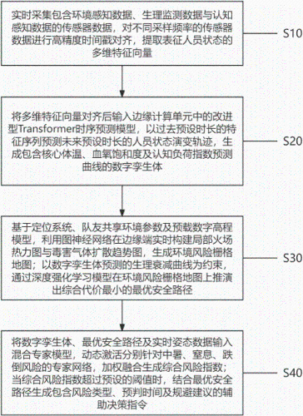 Open | CN121904908 CN121904908 | B A | 2026-06-23 2026-04-21 | Open | 2026-03-25 | (CN121904908) Forest firefighter intelligent wearable environment and physiological risk sensing method and system | (CN121904908) The invention relates to an intelligent wearable environment and physiological risk perception method and system for forest firemen, and the method comprises the steps: collecting environment, physiological and cognitive perception data in real time, carrying out the timestamp alignment, and extracting a multi-dimensional feature vector; inputting an improved Transform model to predict the state of a future person, and generating a digital twinborn body comprising a core body temperature, oxyhemoglobin saturation and cognitive load index prediction curve; based on positioning, teammate sharing parameters and a digital elevation model, utilizing a graph neural network to construct a dynamic environment risk grid map; deducing an optimal safety path through deep reinforcement learning by taking physiological attenuation of digital twinborn prediction as a constraint; and inputting the digital twinborn body, the optimal path and the attitude data into a hybrid expert model, dynamically activating a heatstroke, suffocation and fall risk expert network, carrying out weighted fusion to generate a comprehensive risk index, and when a threshold value is exceeded, generating an auxiliary decision instruction containing a risk type, pre-judgment time and avoidance suggestions in combination with the path. | FU YAOXIAN YAN XIN LONG HONGYU | SHANGHAI GUOFAN TECHNOLOGY
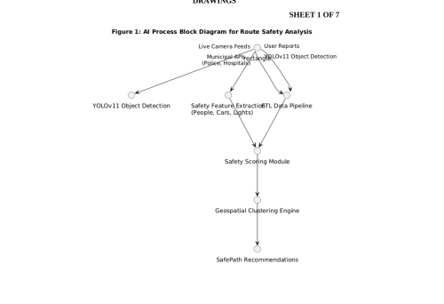 Open | IN202541044624 | A | 2025-05-30 | Open | 2025-05-08 | (IN202541044624) Safepath: ai-driven route safety assessment for enhanced personal safety | (IN202541044624) The invention relates to a mobile application and backend system for real-time route safety assessment. The system comprises modules for image-based object detection, geospatial clustering, and safety score computation. The present invention ensures enhanced travel safety by recommending the safest paths, factoring in environmental conditions and proximity to emergency services. The application also includes an SOS feature for emergency communication, making it an innovative and life-saving urban navigation tool. | Vasudevan Vani Sarangi Akruti Kashyap Akanksha Yadav Himanshi Lovia E B | NITTE MEENAKSHI INSTITUTE OF TECHNOLOGY

