Sheet1
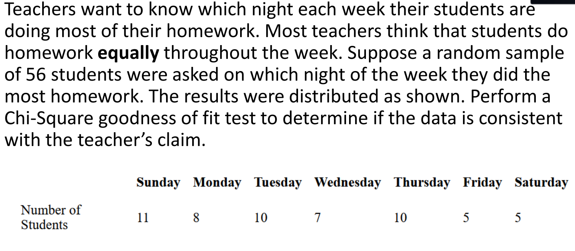
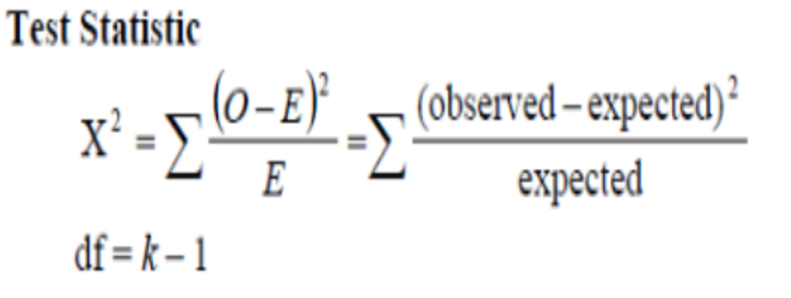
Day | Observed | Expected | O-E | (O-E)^2 | /E
Sunday | 11 | 8 | 3 | 9 | 1.125
Monday | 8 | 8 | 0 | 0 | 0
Tuesday | 10 | 8 | 2 | 4 | 0.5
Wednesday | 7 | 8 | -1 | 1 | 0.125
Thursday | 10 | 8 | 2 | 4 | 0.5
Friday | 5 | 8 | -3 | 9 | 1.125
Saturday | 5 | 8 | -3 | 9 | 1.125
 |  |  |  | X^2 | 4.5

Sheet2
 | OBSERVED
 | got in trouble | did not get in trouble | total
boys | 35 | 55 | 90
girls | 27 | 67 | 94
total | 62 | 122 | 184

 | EXPECTED
 | got in trouble | did not get in trouble | total
boys | 30.326086957 | 59.673913043 | 90
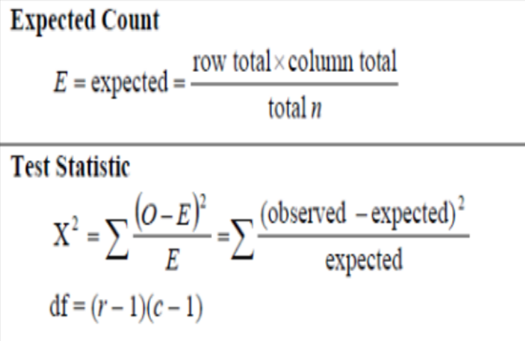
girls | 31.673913043 | 62.326086957 | 94
 | 62 | 122 | 184

 | O-E | (O-E)^2 | /E
Boys who got in trouble | 4.6739130435 | 21.845463138 | 0.7203521895
Boys who did not get in trouble | -4.6739130435 | 21.845463138 | 0.36608062089
Girls who got in trouble | -4.6739130435 | 21.845463138 | 0.68969890484
Girls who did not get in trouble | 4.6739130435 | 21.845463138 | 0.35050272213
 |  | X^2 | 2.1266344374

 |  | df | 1

