Sheet1
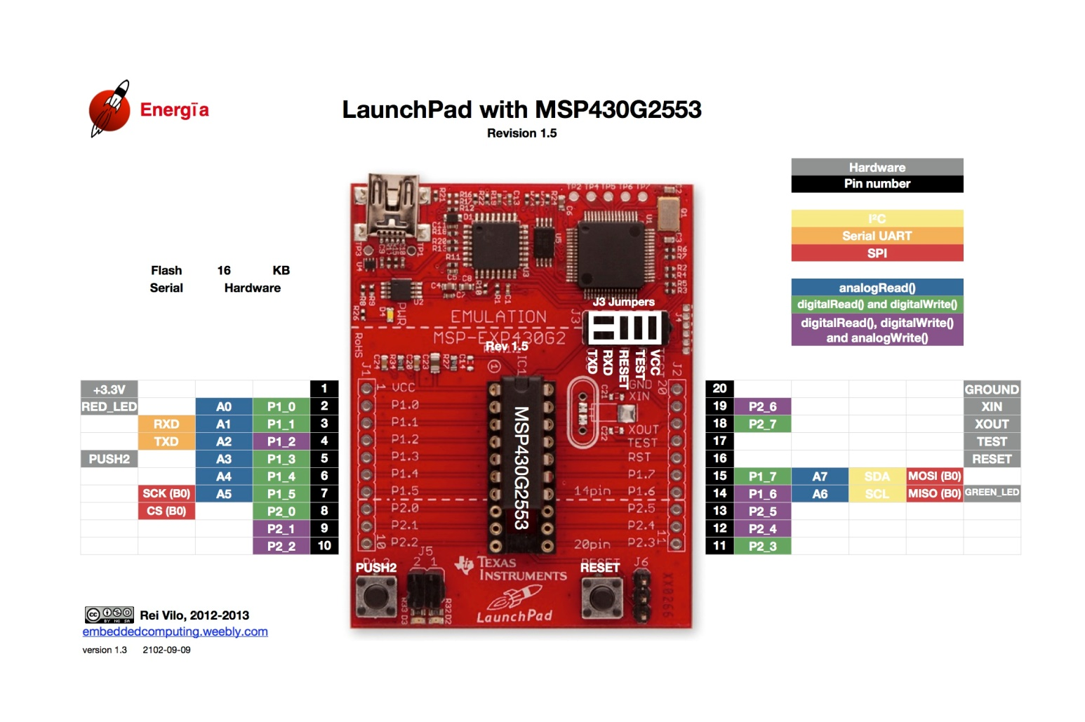
MSP-EXP430G2 Pin | BOOSTXL-PGA460 Pin | BOOSTXL-PGA460 Label
1 | 1 | 3V3
2 | -
3 | -
4 | -
5 | -
6 | -
7 | 34 | SCLK
8 | -
9 | -
10 | 17 | COM_S
11 | -
12 | -
13 | -
14 | 9 | MISO
15 | 10 | MOSI
16 | -
17 | -
18 | -
19 | -
20 | 20 | GND

Note: MSP-EXP430G2 does not stack with BOOSTXL-PGA460. Jump wire as listed.

