Log
Step No. | Step description | Generated document number | Actual result included print screens | Execution Status | Last Defect number(s) | Execution date | Comment | By | Changed on | Change type | 173
1 | Daily closing for previous day done before starting DAY 1 sales |  |  | Passed |  | 3/16/23 |  | Lupu Marius (MOL Romania) | 3/16/23 | Status change
2 | DAY 1 - POS - Sales at POS with „old“ selling price (different products, different MoPs) - (6) LPG / CASH without LOY card |  | 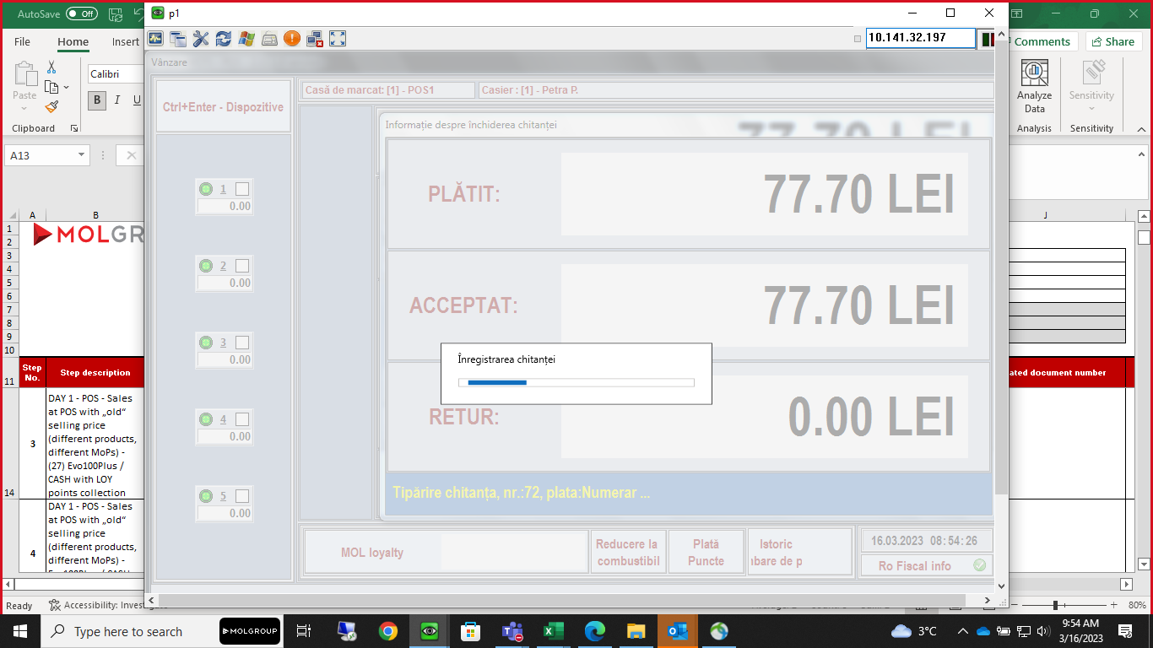 | Passed |  | 3/16/23 |  | Lupu Marius (MOL Romania) | 3/16/23 | Status change
9 | DAY 1 - POS - Sales at POS with „old“ selling price (different products, different MoPs) - Evo95 / Bank card without LOY card |  | 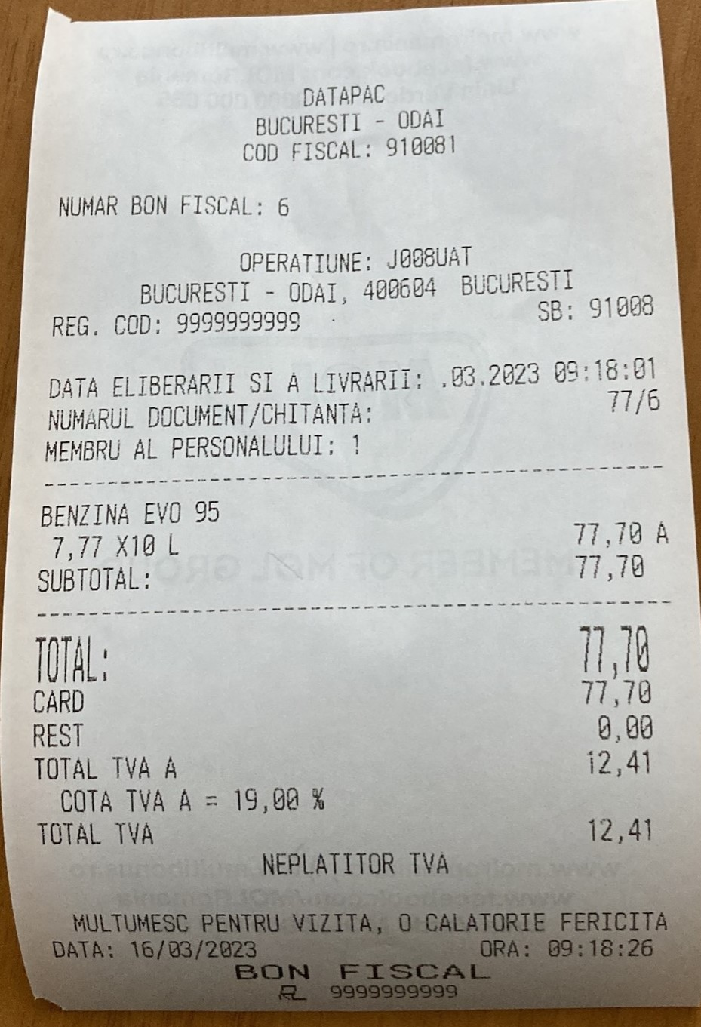 | Passed |  | 3/16/23 |  | Lupu Marius (MOL Romania) | 3/16/23 | Status change
3 | DAY 1 - POS - Sales at POS with „old“ selling price (different products, different MoPs) - (27) Evo100Plus / CASH with LOY points collection |  |  | Failed |  | 3/16/23 |  | Lupu Marius (MOL Romania) | 3/16/23 | Status change
4 | DAY 1 - POS - Sales at POS with „old“ selling price (different products, different MoPs) - Evo100Plus / CASH with LOY points redemption (discount) |  |  | Failed |  | 3/16/23 |  | Lupu Marius (MOL Romania) | 3/16/23 | Status change
12 | DAY 1 - POS - Sales at POS with „old“ selling price (different products, different MoPs) - Evo95 / Bank card + MOL Yellow RO |  |  | Failed |  | 3/16/23 |  | Lupu Marius (MOL Romania) | 3/16/23 | Status change
11 | DAY 1 - POS - Sales at POS with „old“ selling price (different products, different MoPs) - Evo95 / Bank card with LOY points redemption (discount) |  |  | Failed |  | 3/16/23 |  | Lupu Marius (MOL Romania) | 3/16/23 | Status change
10 | DAY 1 - POS - Sales at POS with „old“ selling price (different products, different MoPs) - Evo95 / Bank card with LOY points collection |  |  | Failed |  | 3/16/23 |  | Lupu Marius (MOL Romania) | 3/16/23 | Status change
8 | DAY 1 - POS - Sales at POS with „old“ selling price (different products, different MoPs) - (24) Evo95 / MOL fleet Green RO |  |  | Failed |  | 3/16/23 |  | Lupu Marius (MOL Romania) | 3/16/23 | Status change
7 | DAY 1 - POS - Sales at POS with „old“ selling price (different products, different MoPs) - AdBlue / MOL fleet Gift RO |  |  | Failed |  | 3/16/23 |  | Lupu Marius (MOL Romania) | 3/16/23 | Status change
6 | DAY 1 - POS - Sales at POS with „old“ selling price (different products, different MoPs) - (59) AdBlue / MOL fleet Silver RO |  |  | Failed |  | 3/16/23 |  | Lupu Marius (MOL Romania) | 3/16/23 | Status change
5 | DAY 1 - POS - Sales at POS with „old“ selling price (different products, different MoPs) - LPG / MOL fleet Gold RO |  |  | Failed |  | 3/16/23 |  | Lupu Marius (MOL Romania) | 3/16/23 | Status change
13 | DAY 1 - POS - Sales at POS with „old“ selling price (different products, different MoPs) - Evo95 / MOL fleet Gold AU |  |  | Failed |  | 3/16/23 |  | Lupu Marius (MOL Romania) | 3/16/23 | Status change
14 | DAY 1 - POS - Sales at POS with „old“ selling price (different products, different MoPs) - Evo100Plus / MOL fleet Gold CZ |  |  | Failed |  | 3/16/23 |  | Lupu Marius (MOL Romania) | 3/16/23 | Status change
15 | DAY 1 - POS - Sales at POS with „old“ selling price (different products, different MoPs) - Evo100Plus / MOL fleet Gold HU |  |  | Failed |  | 3/16/23 |  | Lupu Marius (MOL Romania) | 3/16/23 | Status change
16 | DAY 1 - POS - Sales at POS with „old“ selling price (different products, different MoPs) - (28) EvoDieselPlus / MOL fleet Gold SK |  |  | Failed |  | 3/16/23 |  | Lupu Marius (MOL Romania) | 3/16/23 | Status change
17 | DAY 1 - POS - Sales at POS with „old“ selling price (different products, different MoPs) - (22) EvoDiesel / DKV fleet |  |  | Failed |  | 3/16/23 |  | Lupu Marius (MOL Romania) | 3/16/23 | Status change
18 | DAY 1 - POS - Sales at POS with „old“ selling price (different products, different MoPs) - EvoDiesel / UTA fleet |  |  | Failed |  | 3/16/23 |  | Lupu Marius (MOL Romania) | 3/16/23 | Status change
19 | DAY 1 - POS - Sales at POS with „old“ selling price (different products, different MoPs) - EvoDiesel / INA fleet |  |  | Failed |  | 3/16/23 |  | Lupu Marius (MOL Romania) | 3/16/23 | Status change
20 | DAY 1 - POS - Sales at POS with „old“ selling price (different products, different MoPs) - EvoDiesel / EUROSHELL fleet |  |  | Failed |  | 3/16/23 |  | Lupu Marius (MOL Romania) | 3/16/23 | Status change
21 | DAY 1 - POS - Sales at POS with „old“ selling price (different products, different MoPs) - EvoDiesel / E100 fleet |  |  | Failed |  | 3/16/23 |  | Lupu Marius (MOL Romania) | 3/16/23 | Status change
22 | DAY 1 - POS - Sales at POS with „old“ selling price (different products, different MoPs) - EvoDiesel / MORGAN fleet |  |  | Failed |  | 3/16/23 |  | Lupu Marius (MOL Romania) | 3/16/23 | Status change
23 | DAY 1 - POS - Sales at POS with „old“ selling price (different products, different MoPs) - EvoDiesel / TOTAL fleet |  |  | Failed |  | 3/16/23 |  | Lupu Marius (MOL Romania) | 3/16/23 | Status change
29 | DAY 1 - KAL - New prices defined in Kalibrate - EvoDieselPlus |  |  | Passed |  | 3/16/23 |  | Lupu Marius (MOL Romania) | 3/16/23 | Status change
28 | DAY 1 - KAL - New prices defined in Kalibrate - EvoDiesel |  |  | Passed |  | 3/16/23 |  | Lupu Marius (MOL Romania) | 3/16/23 | Status change
27 | DAY 1 - KAL - New prices defined in Kalibrate - Evo100Plus |  |  | Passed |  | 3/16/23 |  | Lupu Marius (MOL Romania) | 3/16/23 | Status change
26 | DAY 1 - KAL - New prices defined in Kalibrate - Evo95 |  |  | Passed |  | 3/16/23 |  | Lupu Marius (MOL Romania) | 3/16/23 | Status change
25 | DAY 1 - KAL - New prices defined in Kalibrate - AdBlue |  |  | Passed |  | 3/16/23 |  | Lupu Marius (MOL Romania) | 3/16/23 | Status change
24 | DAY 1 - KAL - New prices defined in Kalibrate - LPG |  |  | Passed |  | 3/16/23 |  | Lupu Marius (MOL Romania) | 3/16/23 | Status change
30 | DAY 1 - KAL - New prices defined in Kalibrate - Racing 102Plus |  |  | Failed |  | 3/16/23 |  | Lupu Marius (MOL Romania) | 3/16/23 | Status change
31 | DAY 1 - KAL - New prices exported from KAL |  |  | Passed |  | 3/16/23 |  | Lupu Marius (MOL Romania) | 3/16/23 | Status change
33 | DAY 1 - POS - New price change acceptance at POS |  | 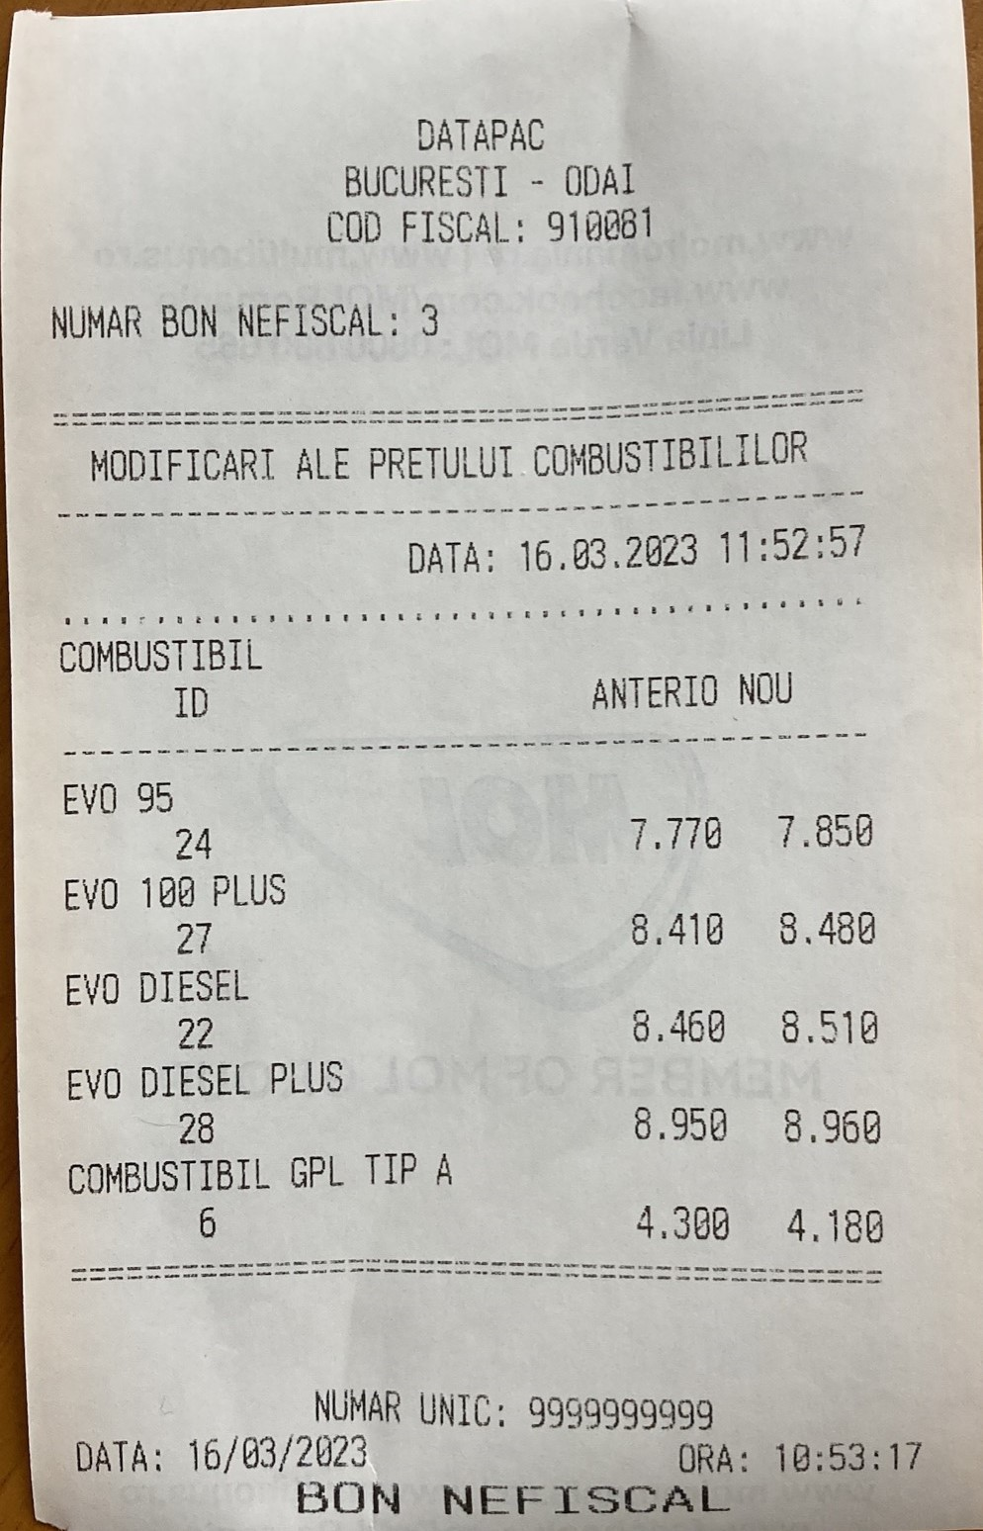 | Passed |  | 3/16/23 |  | Lupu Marius (MOL Romania) | 3/16/23 | Status change
35 | DAY 1 - POS - Sales at POS with new selling price (different products, different MoPs) - LPG/ Cash without LOY card |  | 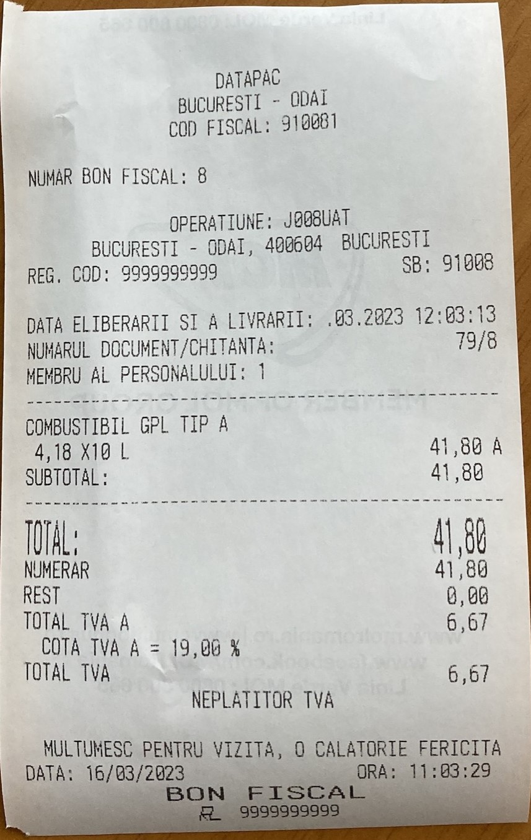 | Passed |  | 3/16/23 |  | Lupu Marius (MOL Romania) | 3/16/23 | Status change
39 | DAY 1 - POS - Sales at POS with new selling price (different products, different MoPs) - Evo95/ Bank without LOY card |  | 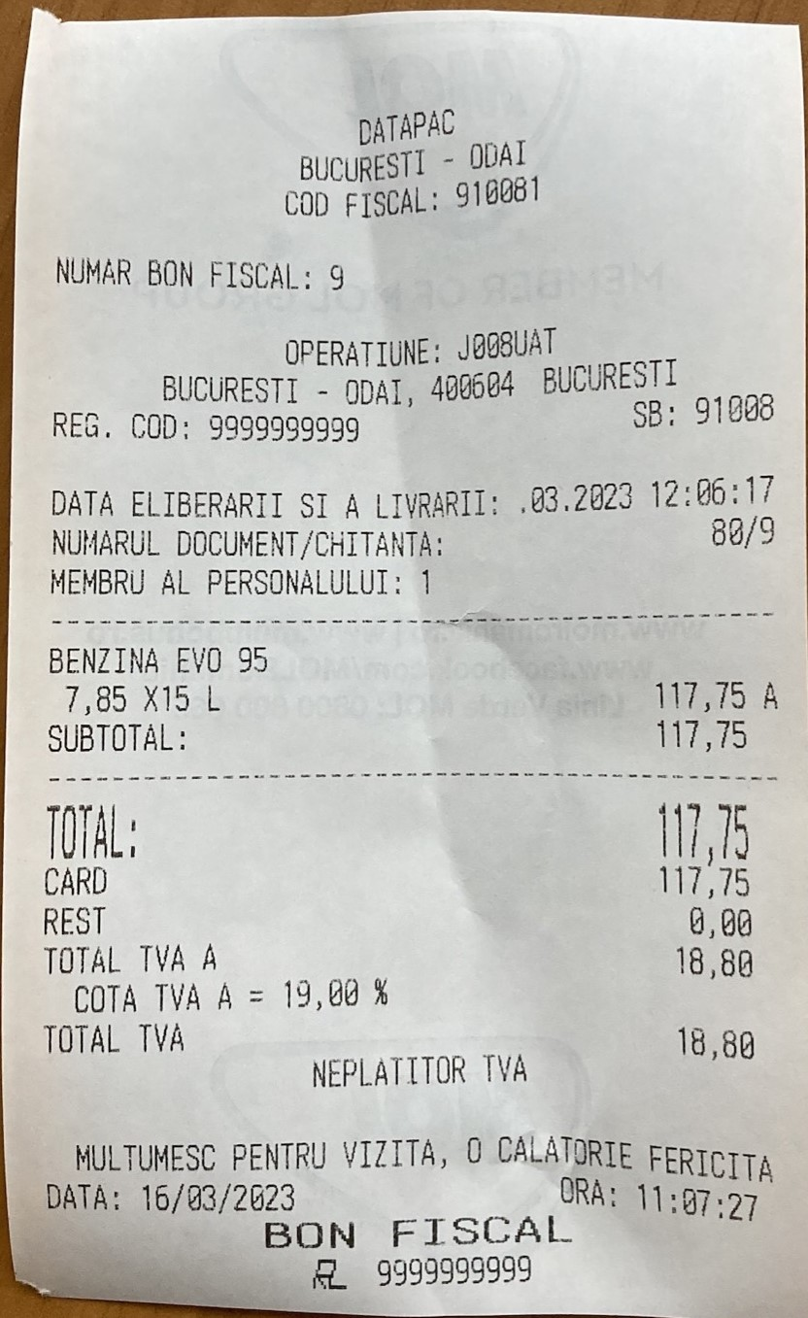 | Passed |  | 3/16/23 |  | Lupu Marius (MOL Romania) | 3/16/23 | Status change
38 | DAY 1 - POS - Sales at POS with new selling price (different products, different MoPs) - AdBlue/ MOL Gift RO |  |  | Failed |  | 3/16/23 |  | Lupu Marius (MOL Romania) | 3/16/23 | Status change
41 | DAY 1 - POS - Sales at POS with new selling price (different products, different MoPs) - Evo95/ Bank card with LOY points redemption (discount) |  | 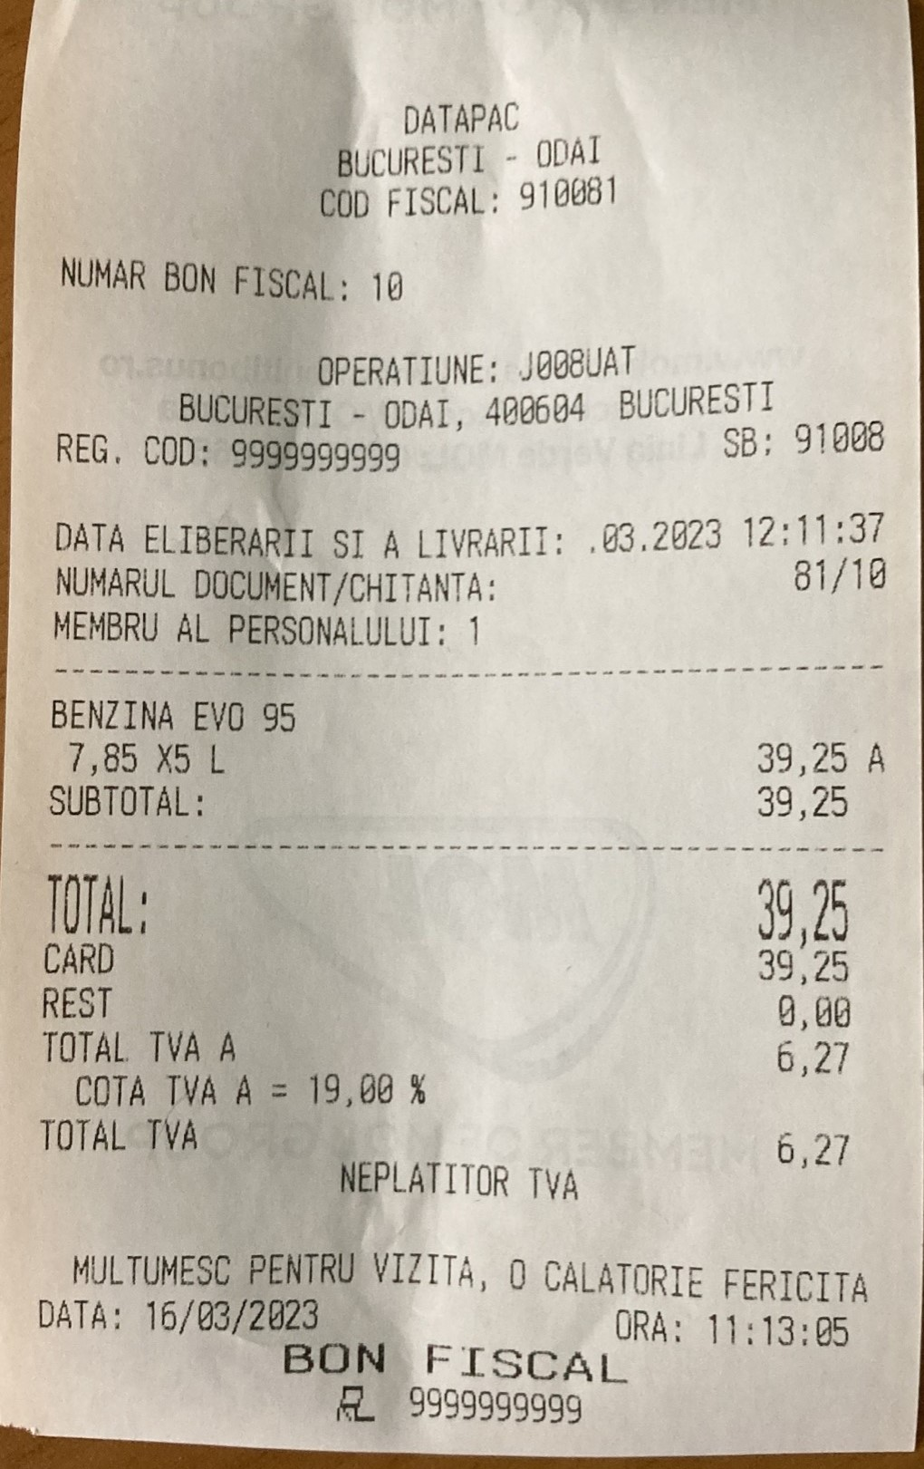 | Failed |  | 3/16/23 |  | Lupu Marius (MOL Romania) | 3/16/23 | Status change
42 | DAY 1 - POS - Sales at POS with new selling price (different products, different MoPs) - Evo95/ MOL Gold AU |  |  | Failed |  | 3/16/23 |  | Lupu Marius (MOL Romania) | 3/16/23 | Status change
45 | DAY 1 - POS - Sales at POS with new selling price (different products, different MoPs) - Evo100Plus/ MOL Gold CZ | no card functioning |  | Failed |  | 3/16/23 |  | Lupu Marius (MOL Romania) | 3/16/23 | Status change
46 | DAY 1 - POS - Sales at POS with new selling price (different products, different MoPs) - Evo100Plus/ MOL Gold HU | no card functioning |  | Failed |  | 3/16/23 |  | Lupu Marius (MOL Romania) | 3/16/23 | Status change
47 | DAY 1 - POS - Sales at POS with new selling price (different products, different MoPs) - EvoDieselPlus/ MOL Gold SK | nolus/ carGold functioning |  | Failed |  | 3/16/23 |  | Lupu Marius (MOL Romania) | 3/16/23 | Status change
48 | DAY 1 - POS - Sales at POS with new selling price (different products, different MoPs) - EvoDiesel/ UTA | no card functioning |  | Failed |  | 3/16/23 |  | Lupu Marius (MOL Romania) | 3/16/23 | Status change
49 | DAY 1 - POS - Sales at POS with new selling price (different products, different MoPs) - EvoDiesel/ EuroShell | no card functioning |  | Failed |  | 3/16/23 |  | Lupu Marius (MOL Romania) | 3/16/23 | Status change
52 | DAY 1 - POS - Sales at POS with new selling price (different products, different MoPs) - EvoDiesel/ TOTAL | no card functioning |  | Failed |  | 3/16/23 |  | Lupu Marius (MOL Romania) | 3/16/23 | Status change
53 | DAY 1 - POS - Sales at POS with new selling price (different products, different MoPs) - EvoDiesel/ INA | no card functioning |  | Failed |  | 3/16/23 |  | Lupu Marius (MOL Romania) | 3/16/23 | Status change
50 | DAY 1 - POS - Sales at POS with new selling price (different products, different MoPs) - EvoDiesel/ E100 | no card functioning |  | Failed |  | 3/16/23 |  | Lupu Marius (MOL Romania) | 3/16/23 | Status change
51 | DAY 1 - POS - Sales at POS with new selling price (different products, different MoPs) - EvoDiesel/ MORGAN | no card functioning |  | Failed |  | 3/16/23 |  | Lupu Marius (MOL Romania) | 3/16/23 | Status change
54 | DAY 1 - POS - Sales at POS with new selling price (different products, different MoPs) - EvoDiesel/ DKV | no card functioning |  | Failed |  | 3/16/23 |  | Lupu Marius (MOL Romania) | 3/16/23 | Status change
55 | DAY 1 - POS - Daily closing |  | 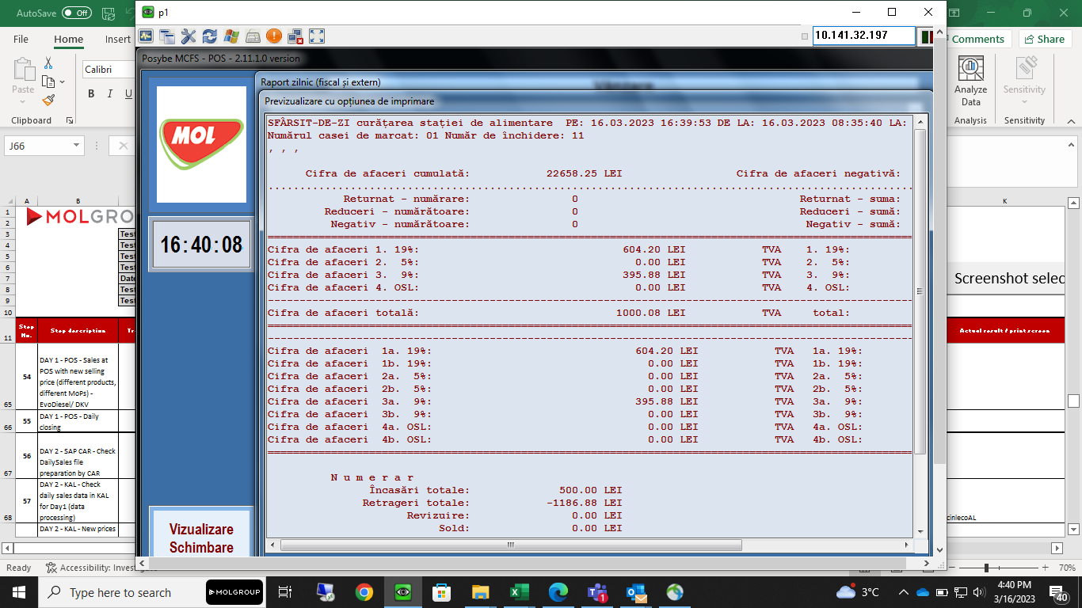 | Passed |  | 3/16/23 |  | Lupu Marius (MOL Romania) | 3/16/23 | Status change
36 | DAY 1 - POS - Sales at POS with new selling price (different products, different MoPs) - LPG/ MOL Gold RO |  |  | Failed |  | 3/17/23 |  | Lupu Marius (MOL Romania) | 3/17/23 | Status change
57 | DAY 2 - KAL - Check daily sales data in KAL for Day1 (data processing) | DAY 2 - KAL - Check daily sales dfuoin(processed cinlecoAL |  | Failed |  | 3/17/23 |  | Lupu Marius (MOL Romania) | 3/17/23 | Status change
63 | DAY 2 - KAL - New prices defined in Kalibrate - EvoDieselPlus | vofu Plepriceewi-e rate - EvoDieselPlus | 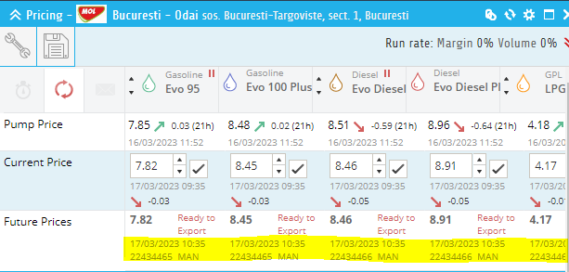 | Passed |  | 3/17/23 |  | Lupu Marius (MOL Romania) | 3/17/23 | Status change
62 | DAY 2 - KAL - New prices defined in Kalibrate - EvoDiesel | vofu eseprice -iKe rate - EvoDiesel |  | Passed |  | 3/17/23 |  | Lupu Marius (MOL Romania) | 3/17/23 | Status change
61 | DAY 2 - KAL - New prices defined in Kalibrate - Evo100Plus | vo100fu Pl0price- iAe rate - Evo |  | Passed |  | 3/17/23 |  | Lupu Marius (MOL Romania) | 3/17/23 | Status change
60 | DAY 2 - KAL - New prices defined in Kalibrate - Evo95 |  |  | Passed |  | 3/17/23 |  | Lupu Marius (MOL Romania) | 3/17/23 | Status change
66 | DAY 2 - POS - New price change acceptance at POS |  | 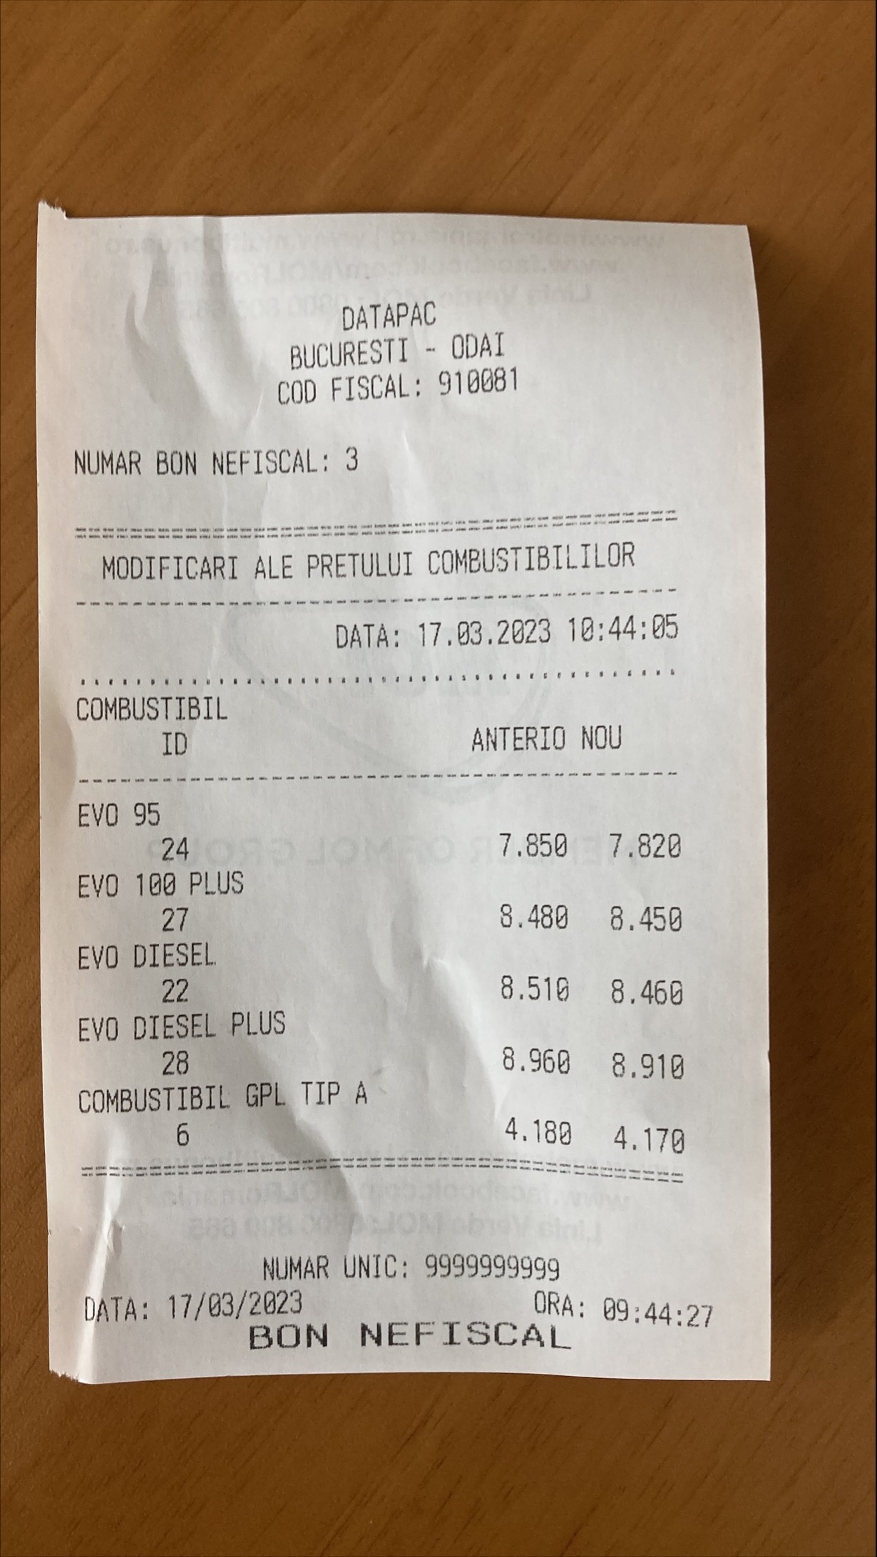 | Passed |  | 3/17/23 |  | Lupu Marius (MOL Romania) | 3/17/23 | Status change
67 | DAY 2 - KAL - Check price change confirmation in KAL |  |  | Passed |  | 3/17/23 |  | Lupu Marius (MOL Romania) | 3/17/23 | Status change
68 | DAY 2 - POS - Sales at POS with new selling price (different products, different MoPs) - LPG/ Cash without LOY card | nocarOY functioning | 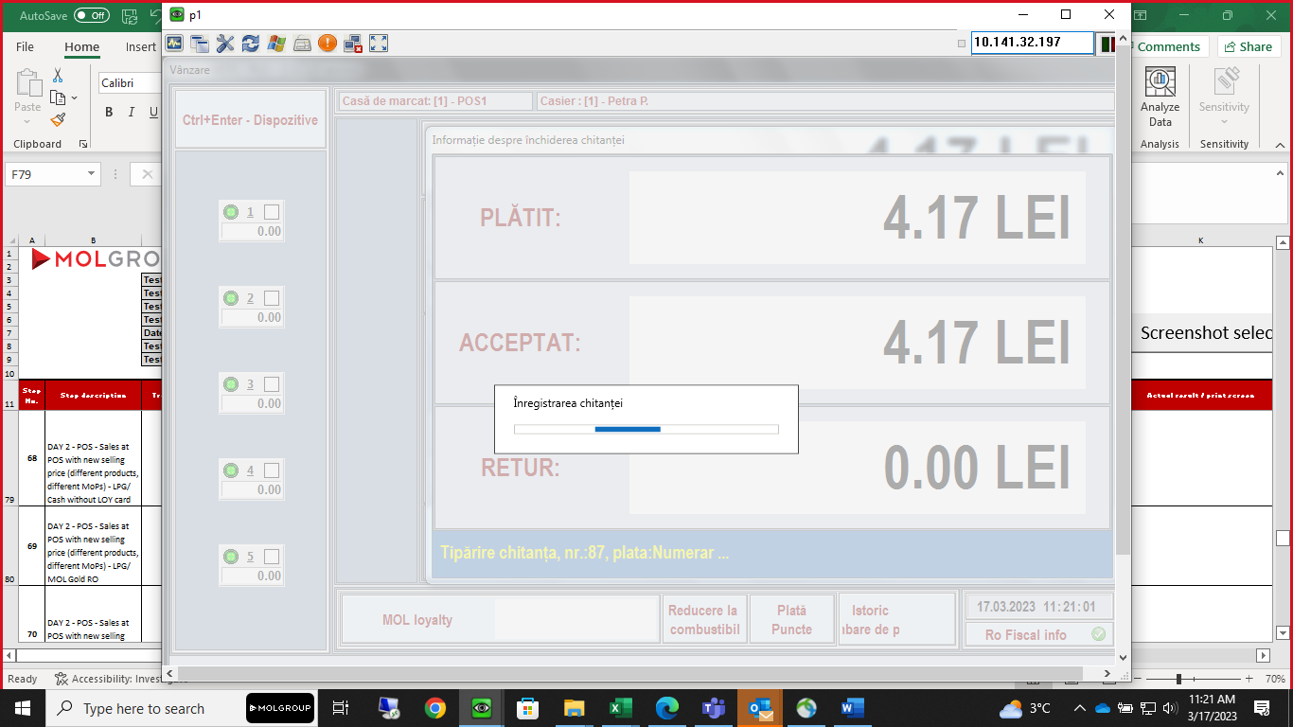 | Passed |  | 3/17/23 |  | Lupu Marius (MOL Romania) | 3/17/23 | Status change
69 | DAY 2 - POS - Sales at POS with new selling price (different products, different MoPs) - LPG/ MOL Gold RO | no card functioning |  | Failed |  | 3/17/23 |  | Lupu Marius (MOL Romania) | 3/17/23 | Status change
70 | DAY 2 - POS - Sales at POS with new selling price (different products, different MoPs) - AdBlue/ MOL Silver RO | no carfunctioning |  | Failed |  | 3/17/23 |  | Lupu Marius (MOL Romania) | 3/17/23 | Status change
71 | DAY 2 - POS - Sales at POS with new selling price (different products, different MoPs) - AdBlue/ MOL Gift RO | no cart functioning |  | Failed |  | 3/17/23 |  | Lupu Marius (MOL Romania) | 3/17/23 | Status change
75 | DAY 2 - POS - Sales at POS with new selling price (different products, different MoPs) - Evo95/ MOL Gold AU | noold card functioning |  | Failed |  | 3/17/23 |  | Lupu Marius (MOL Romania) | 3/17/23 | Status change
72 | DAY 2 - POS - Sales at POS with new selling price (different products, different MoPs) - Evo95/ Bank without LOY card | nocar LOY functioning | 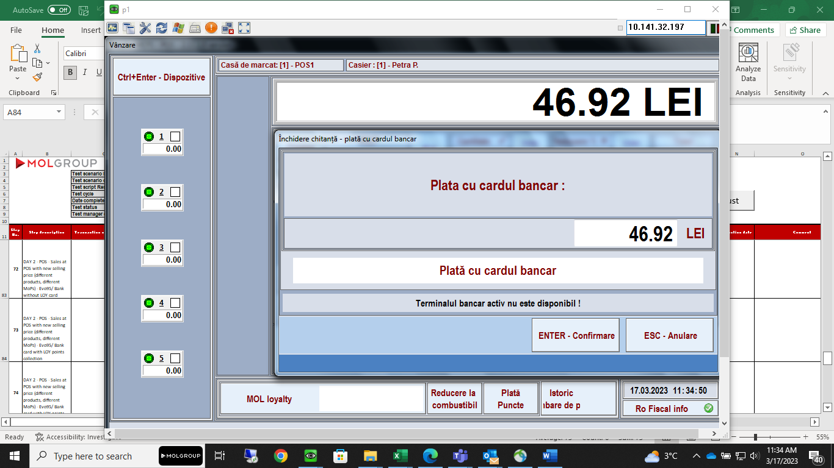 | Passed |  | 3/17/23 |  | Lupu Marius (MOL Romania) | 3/17/23 | Status change
73 | DAY 2 - POS - Sales at POS with new selling price (different products, different MoPs) - Evo95/ Bank card with LOY points collection | nocarth LOY points freceipt crctioreng | 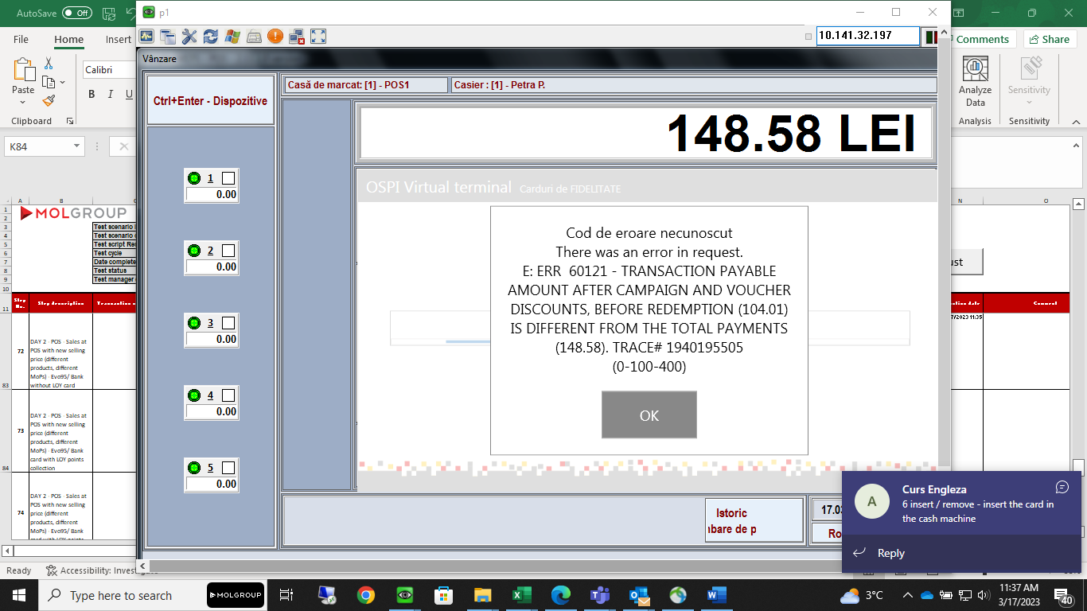 | Failed |  | 3/17/23 |  | Lupu Marius (MOL Romania) | 3/17/23 | Status change
74 | DAY 2 - POS - Sales at POS with new selling price (different products, different MoPs) - Evo95/ Bank card with LOY points redemption (discount) | nocarth LOY points redemption freceipt crctioreng |  | Failed |  | 3/17/23 |  | Lupu Marius (MOL Romania) | 3/17/23 | Status change
76 | DAY 2 - POS - Sales at POS with new selling price (different products, different MoPs) - Evo100Plus/ CASH with LOY points collection | no with carth LOY points freceipt crctioreng |  | Failed |  | 3/17/23 |  | Lupu Marius (MOL Romania) | 3/17/23 | Status change
77 | DAY 2 - POS - Sales at POS with new selling price (different products, different MoPs) - Evo100Plus/ CASH with LOY points redemption (discount) | no with carth LOY points redemption freceipt crctioreng |  | Failed |  | 3/17/23 |  | Lupu Marius (MOL Romania) | 3/17/23 | Status change
86 | DAY 2 - POS - Sales at POS with new selling price (different products, different MoPs) - EvoDiesel/ INA | nocar freceipt crctioreng |  | Failed |  | 3/17/23 |  | Lupu Marius (MOL Romania) | 3/17/23 | Status change
85 | DAY 2 - POS - Sales at POS with new selling price (different products, different MoPs) - EvoDiesel/ TOTAL | nocarOTfreceipt crctioreng |  | Failed |  | 3/17/23 |  | Lupu Marius (MOL Romania) | 3/17/23 | Status change
87 | DAY 2 - POS - Sales at POS with new selling price (different products, different MoPs) - EvoDiesel/ DKV | nocar functioning |  | Failed |  | 3/17/23 |  | Lupu Marius (MOL Romania) | 3/17/23 | Status change
84 | DAY 2 - POS - Sales at POS with new selling price (different products, different MoPs) - EvoDiesel/ MORGAN | nocarRGfreceipt crctioreng |  | Failed |  | 3/17/23 |  | Lupu Marius (MOL Romania) | 3/17/23 | Status change
82 | DAY 2 - POS - Sales at POS with new selling price (different products, different MoPs) - EvoDiesel/ EuroShell | nourocarhefreceipt crctioreng |  | Failed |  | 3/17/23 |  | Lupu Marius (MOL Romania) | 3/17/23 | Status change
81 | DAY 2 - POS - Sales at POS with new selling price (different products, different MoPs) - EvoDiesel/ UTA | nocar freceipt crctioreng |  | Failed |  | 3/17/23 |  | Lupu Marius (MOL Romania) | 3/29/23 | Status change
3 | DAY 1 - POS - Sales at POS with „old“ selling price (different products, different MoPs) - (27) Evo100Plus / CASH with LOY points collection |  | 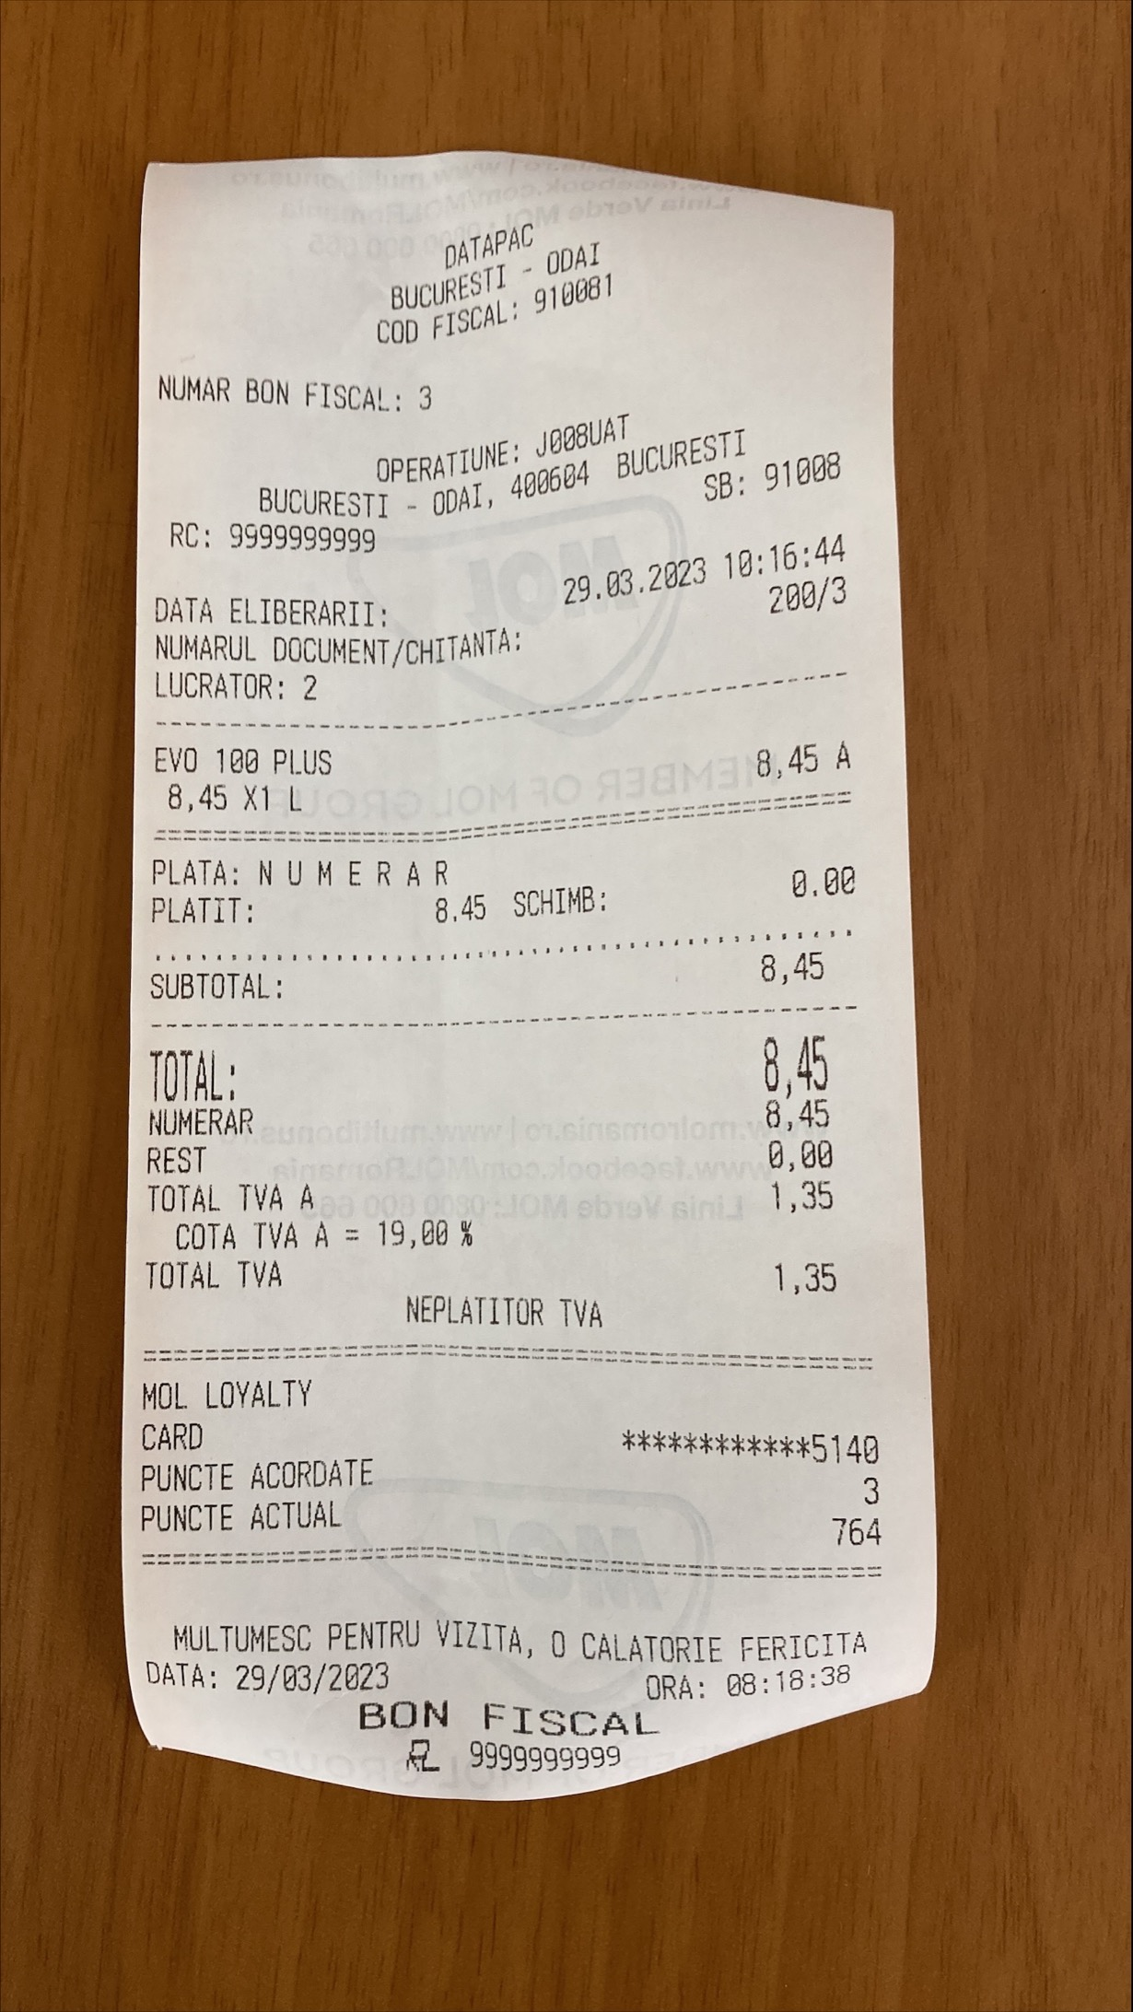 | Passed |  | 3/29/23 |  | Lupu Marius (MOL Romania) | 3/29/23 | Status change
4 | DAY 1 - POS - Sales at POS with „old“ selling price (different products, different MoPs) - Evo100Plus / CASH with LOY points redemption (discount) |  | 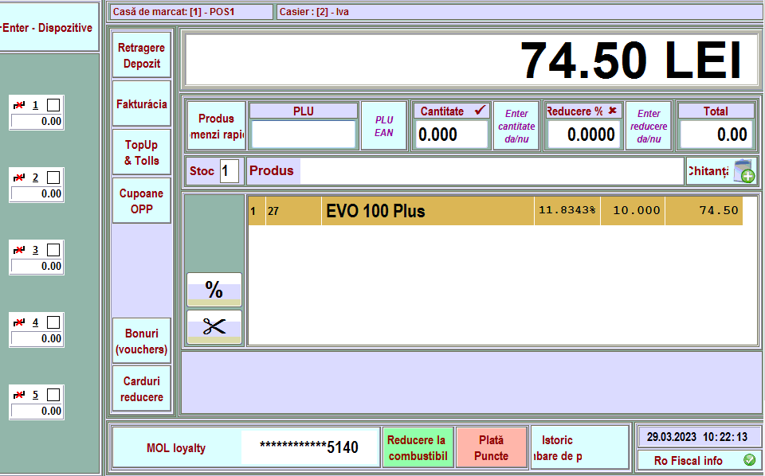 | Passed |  | 3/29/23 |  | Lupu Marius (MOL Romania) | 3/29/23 | Status change
5 | DAY 1 - POS - Sales at POS with „old“ selling price (different products, different MoPs) - LPG / MOL fleet Gold RO |  | 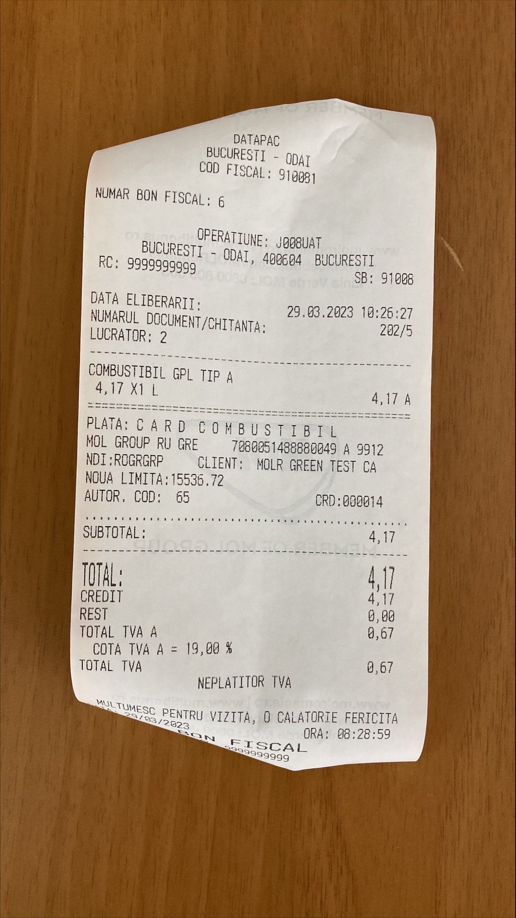 | Passed |  | 3/29/23 |  | Lupu Marius (MOL Romania) | 3/29/23 | Status change
7 | DAY 1 - POS - Sales at POS with „old“ selling price (different products, different MoPs) - AdBlue / MOL fleet Gift RO |  | 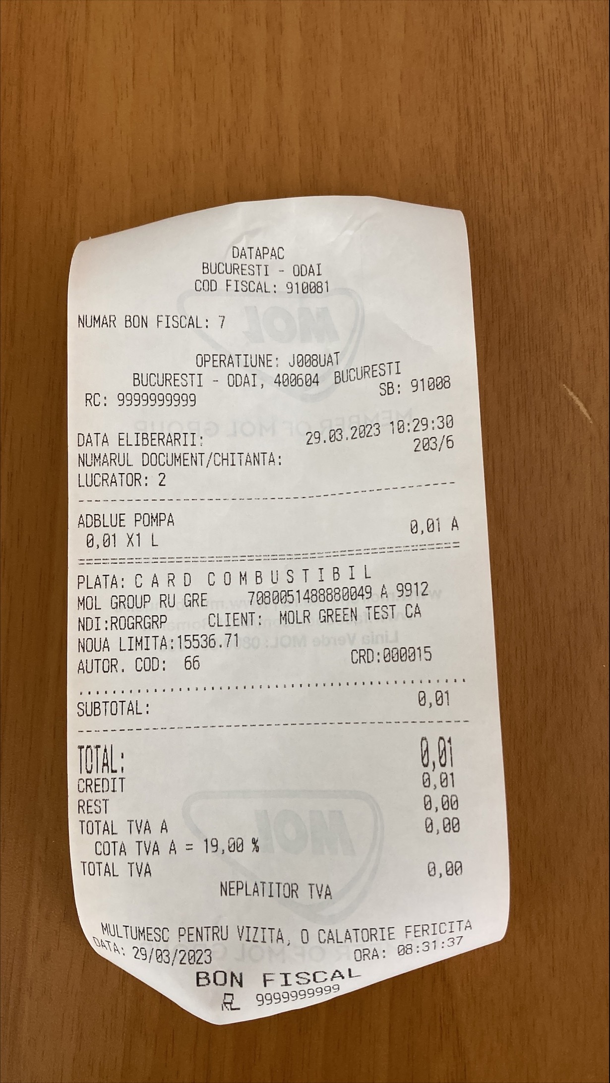 | Passed |  | 3/29/23 |  | Lupu Marius (MOL Romania) | 3/29/23 | Status change
8 | DAY 1 - POS - Sales at POS with „old“ selling price (different products, different MoPs) - (24) Evo95 / MOL fleet Green RO |  | 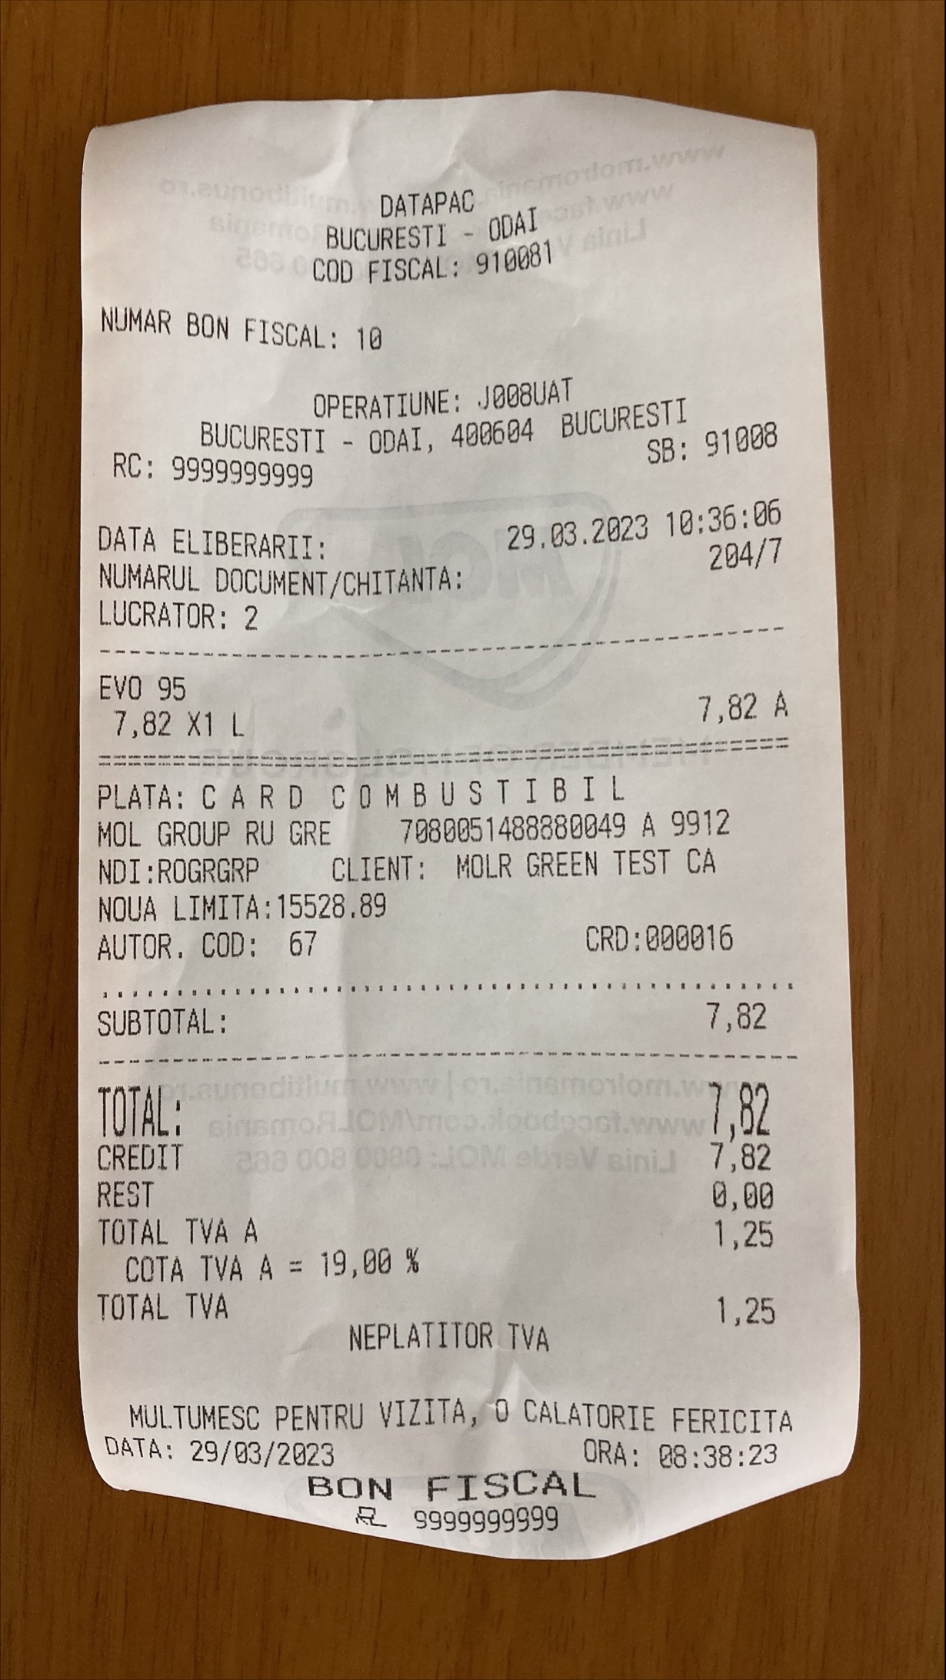 | Passed |  | 3/29/23 |  | Lupu Marius (MOL Romania) | 3/29/23 | Status change
17 | DAY 1 - POS - Sales at POS with „old“ selling price (different products, different MoPs) - (22) EvoDiesel / DKV fleet |  | 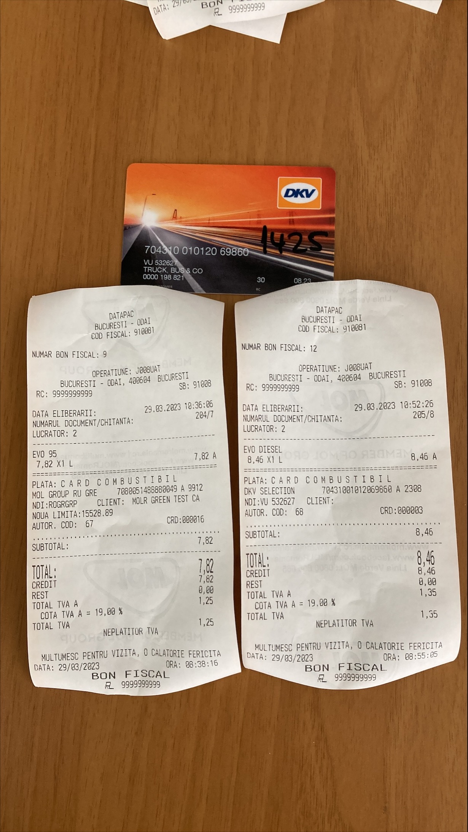 | Passed |  | 3/29/23 |  | Lupu Marius (MOL Romania) | 3/29/23 | Status change
10 | DAY 1 - POS - Sales at POS with „old“ selling price (different products, different MoPs) - Evo95 / Bank card with LOY points collection |  | 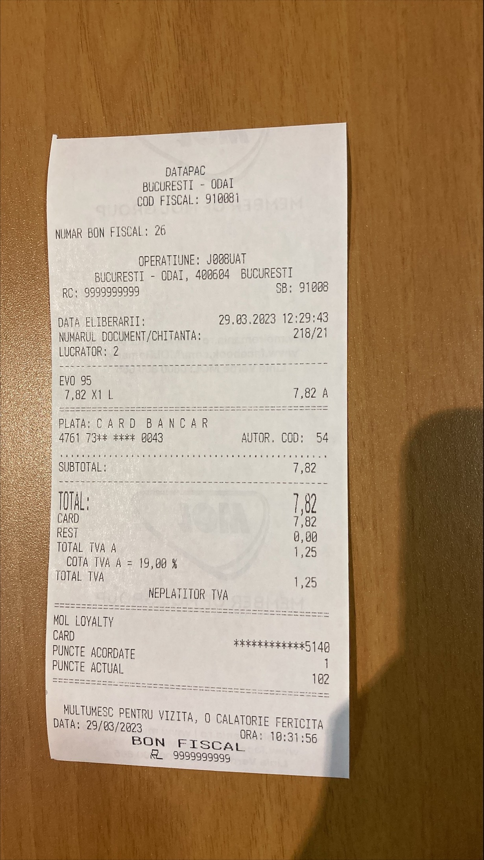 | Passed |  | 3/29/23 |  | Lupu Marius (MOL Romania) | 3/29/23 | Status change
22 | DAY 1 - POS - Sales at POS with „old“ selling price (different products, different MoPs) - EvoDiesel / MORGAN fleet |  | 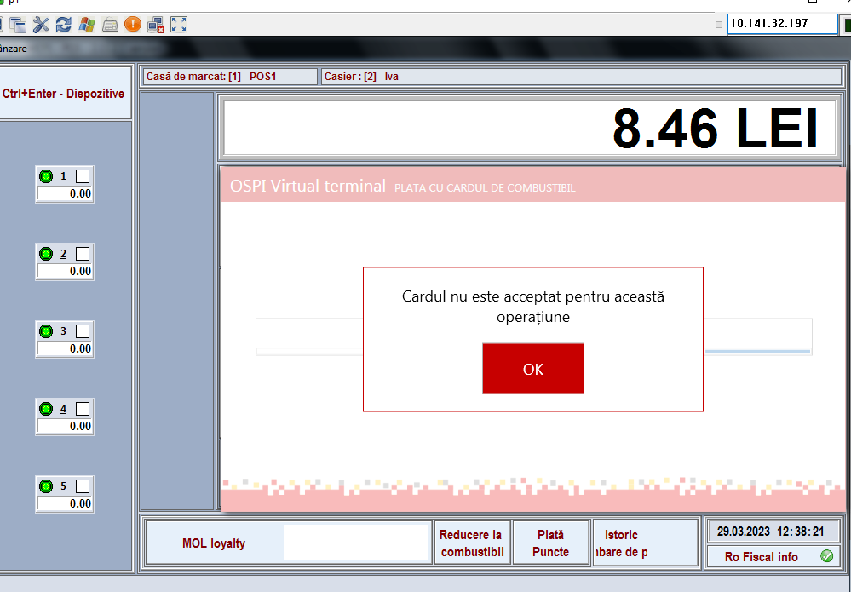 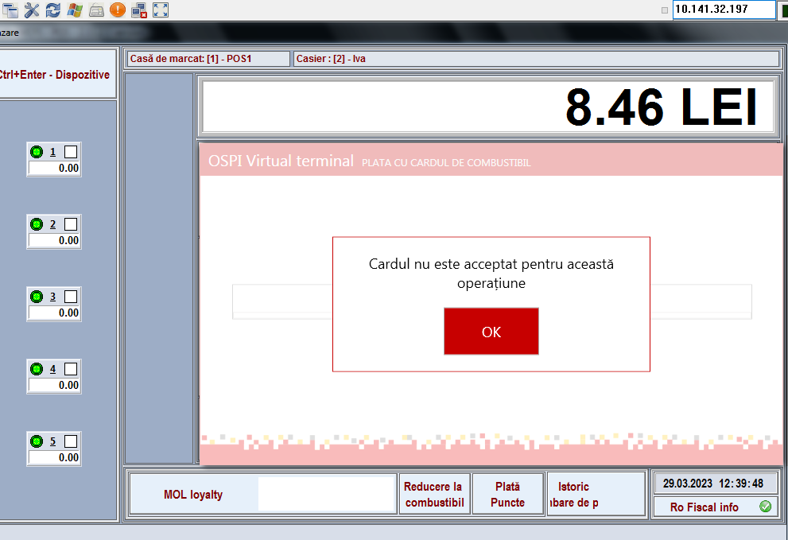 | Failed |  | 3/29/23 |  | Lupu Marius (MOL Romania) | 4/4/23 | Status change
1 | Daily closing for previous day done before starting DAY 1 sales |  | 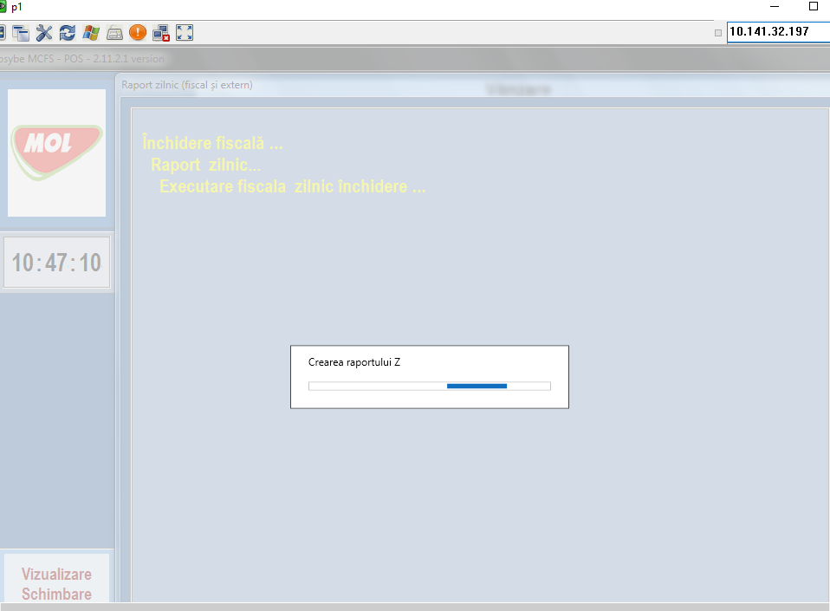 | Passed |  | 4/4/23 |  | Lupu Marius (MOL Romania) | 4/4/23 | Status change
11 | DAY 1 - POS - Sales at POS with „old“ selling price (different products, different MoPs) - Evo95 / Bank card with LOY points redemption (discount) |  | 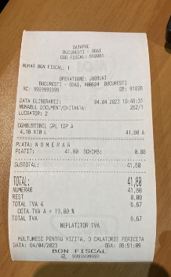 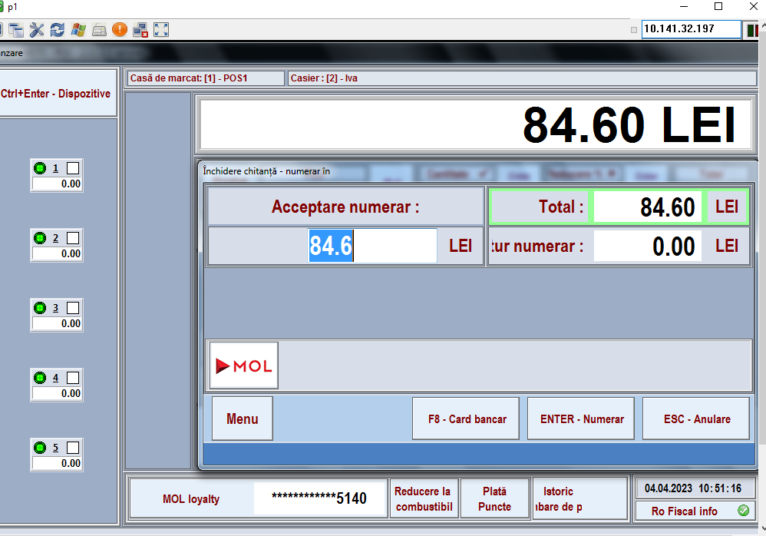 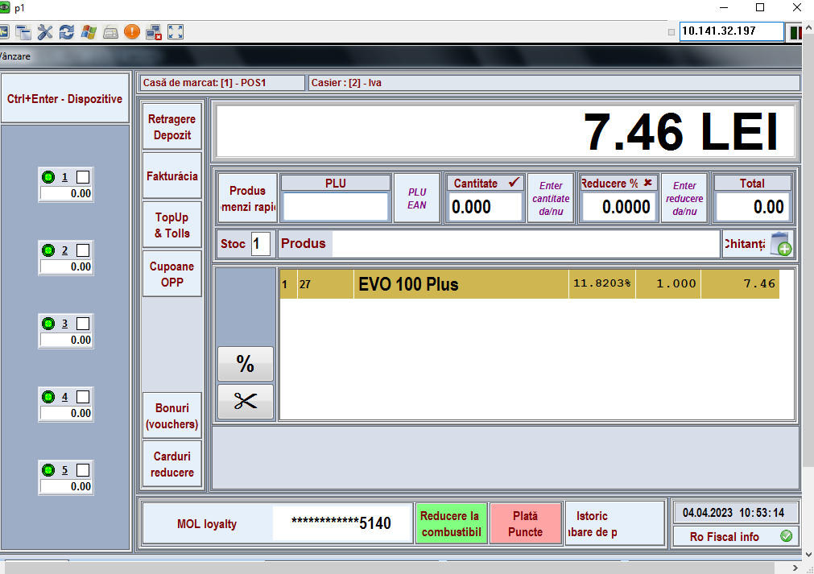 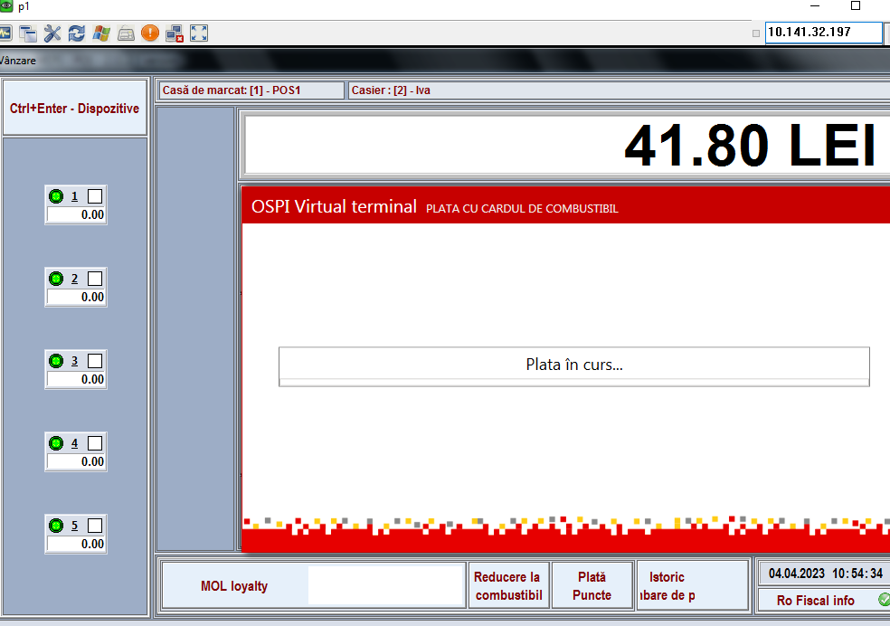 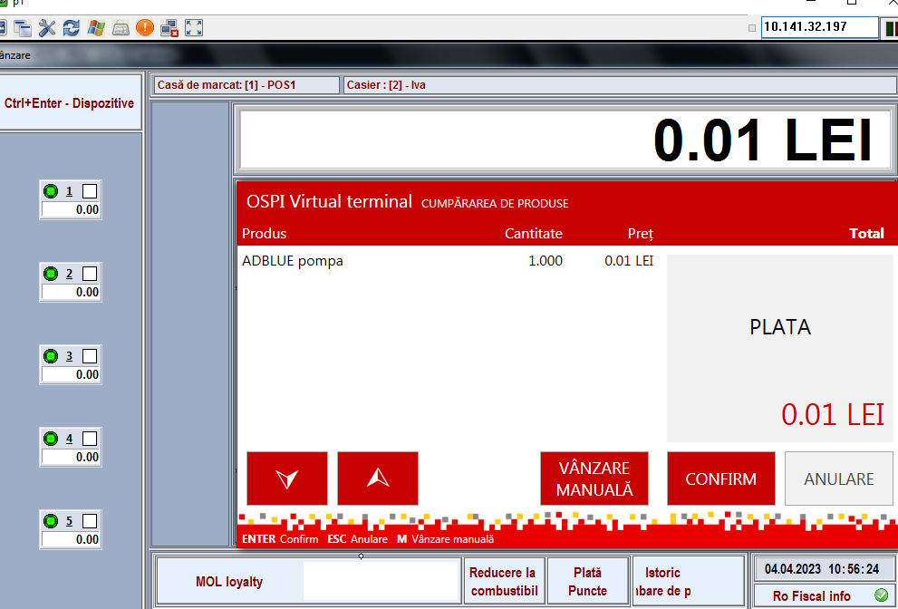 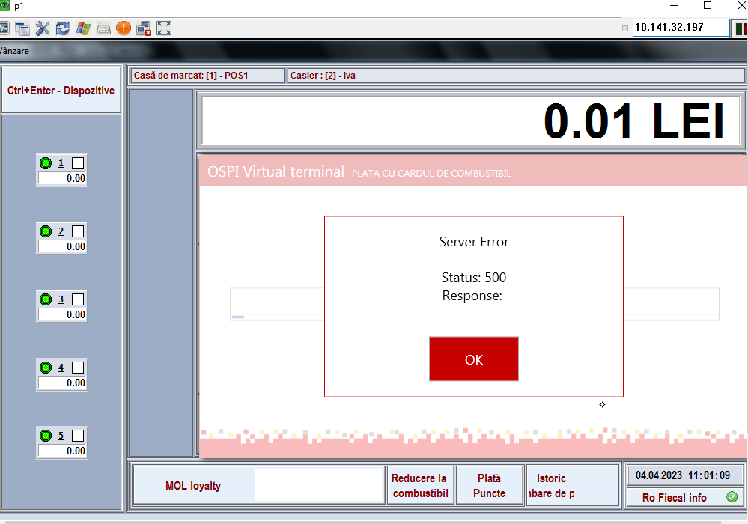 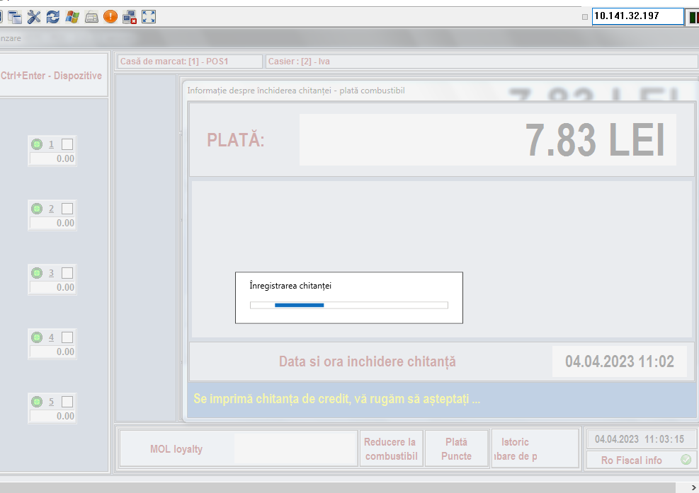 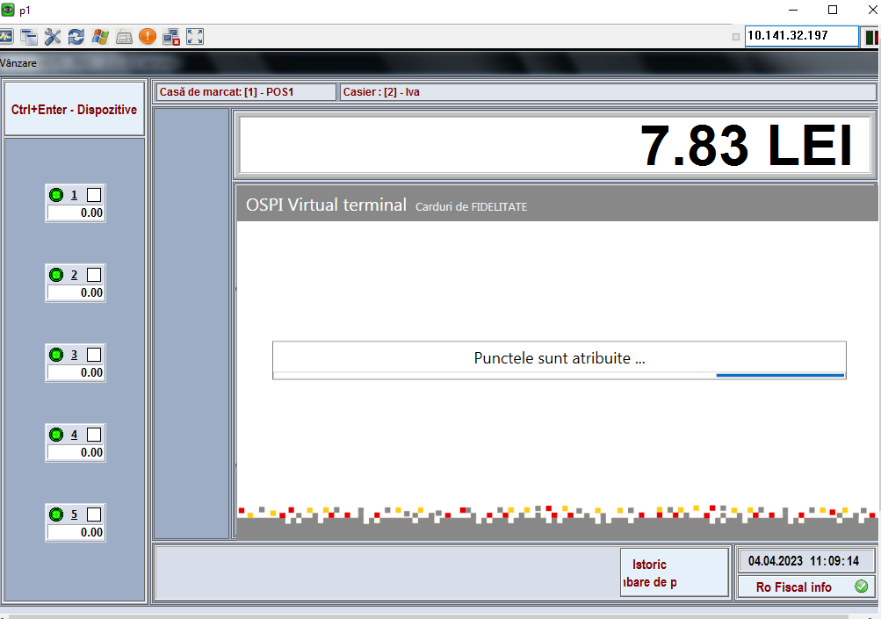 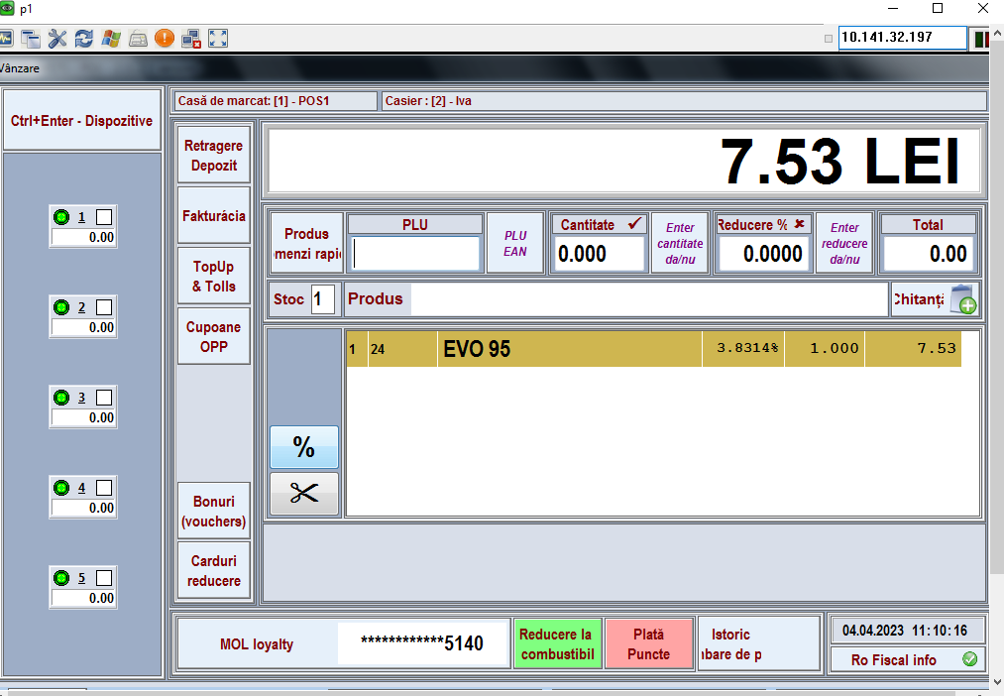 | Passed |  | 4/4/23 |  | Lupu Marius (MOL Romania) | 4/4/23 | Status change
17 | DAY 1 - POS - Sales at POS with „old“ selling price (different products, different MoPs) - (22) EvoDiesel / DKV fleet |  | 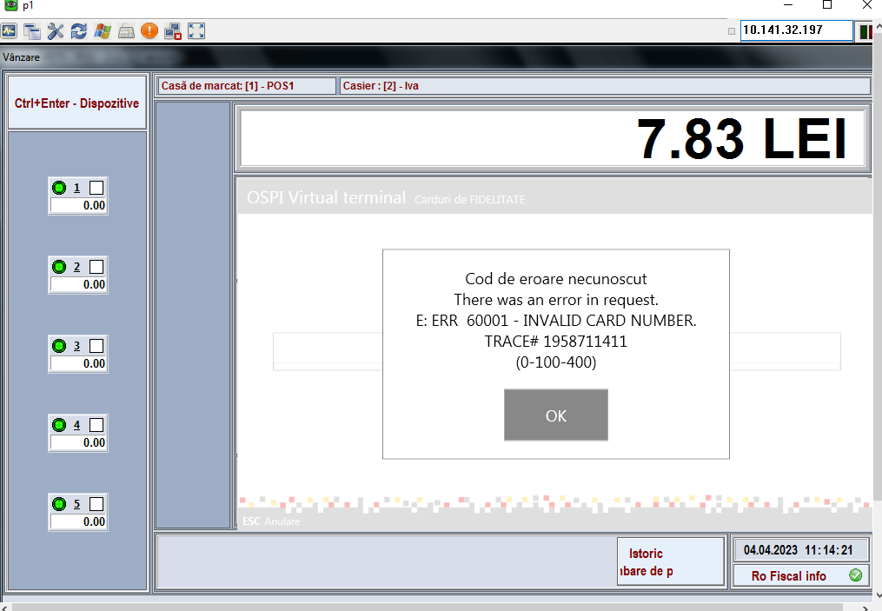 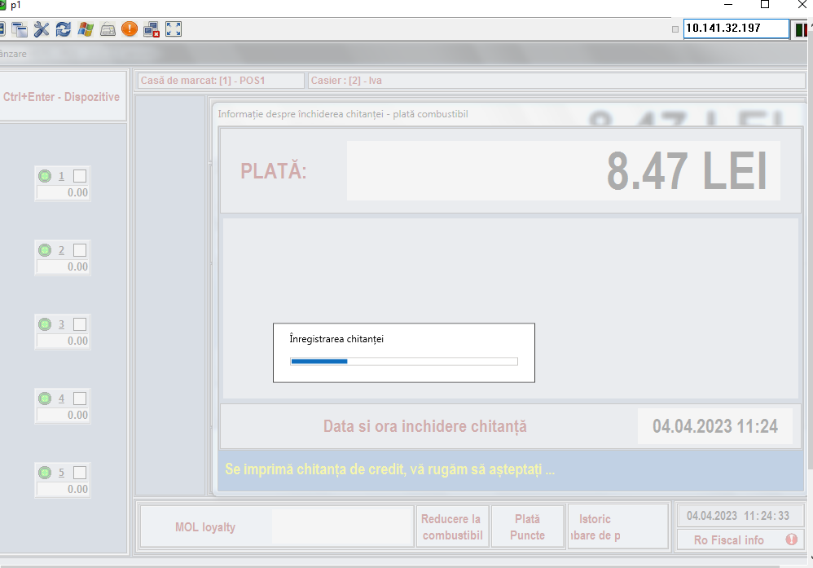 | Passed |  | 4/4/23 |  | Lupu Marius (MOL Romania) | 4/4/23 | Status change
22 | DAY 1 - POS - Sales at POS with „old“ selling price (different products, different MoPs) - EvoDiesel / MORGAN fleet |  | 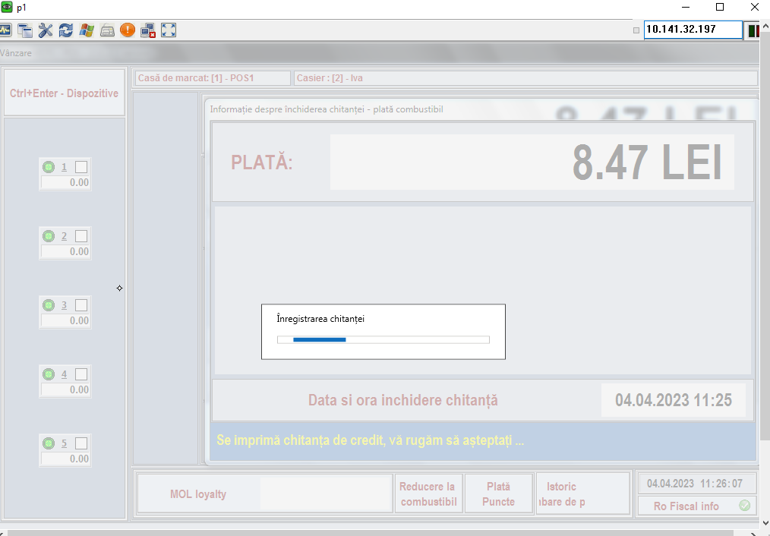 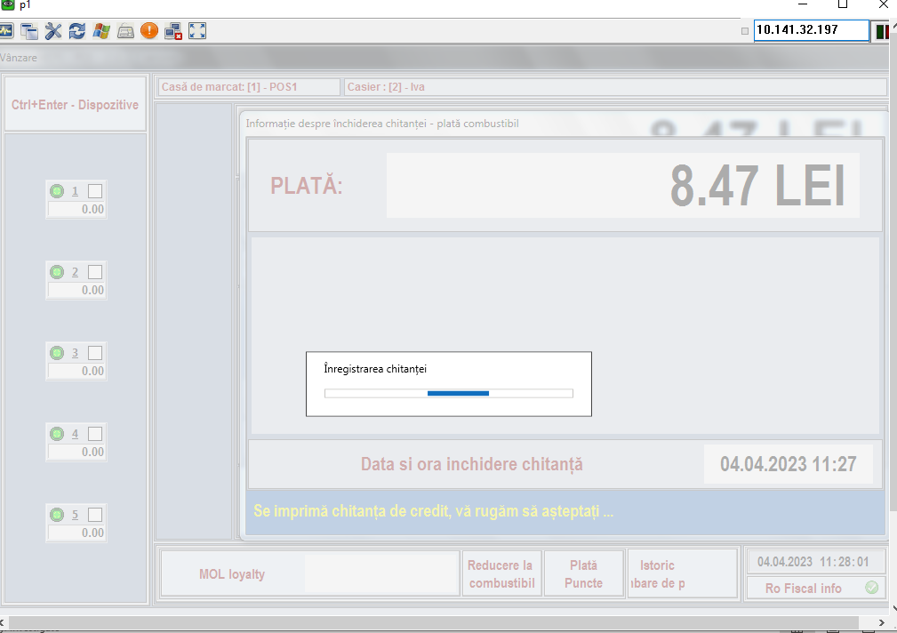 | Passed |  | 4/4/23 |  | Lupu Marius (MOL Romania) | 4/4/23 | Status change
24 | DAY 1 - KAL - New prices defined in Kalibrate - LPG |  |  | Passed |  | 4/4/23 |  | Lupu Marius (MOL Romania) | 4/4/23 | Status change
32 | DAY 1 - KAL - Check xml file preparation by Kalibrate |  | 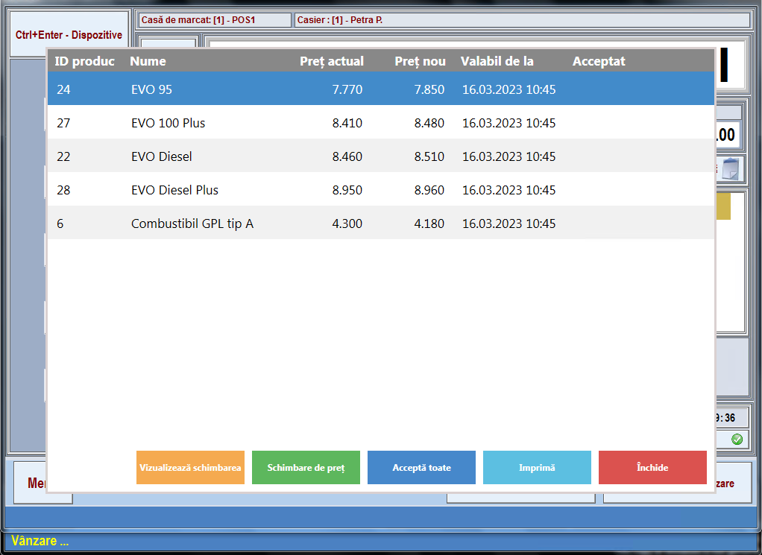 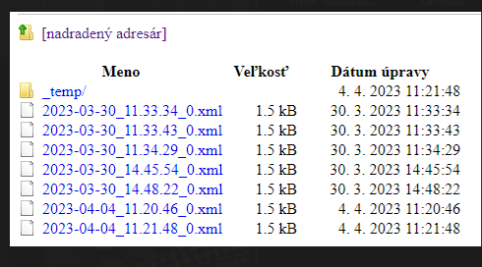 | Passed |  | 4/4/23 |  | Lupu Marius (MOL Romania) | 4/4/23 | Status change
37 | DAY 1 - POS - Sales at POS with new selling price (different products, different MoPs) - AdBlue/ MOL Silver RO |  | 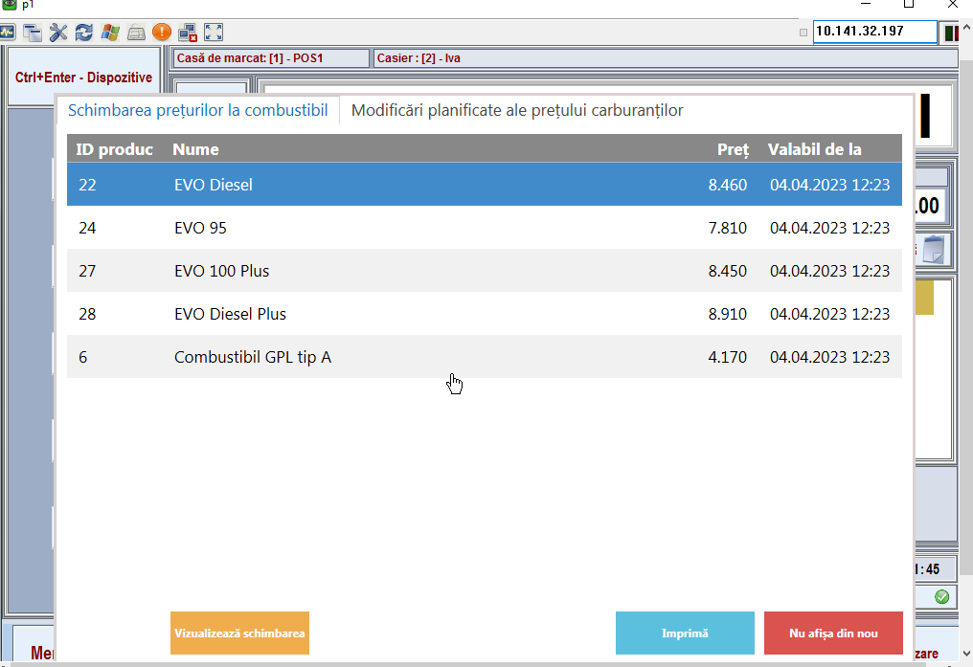 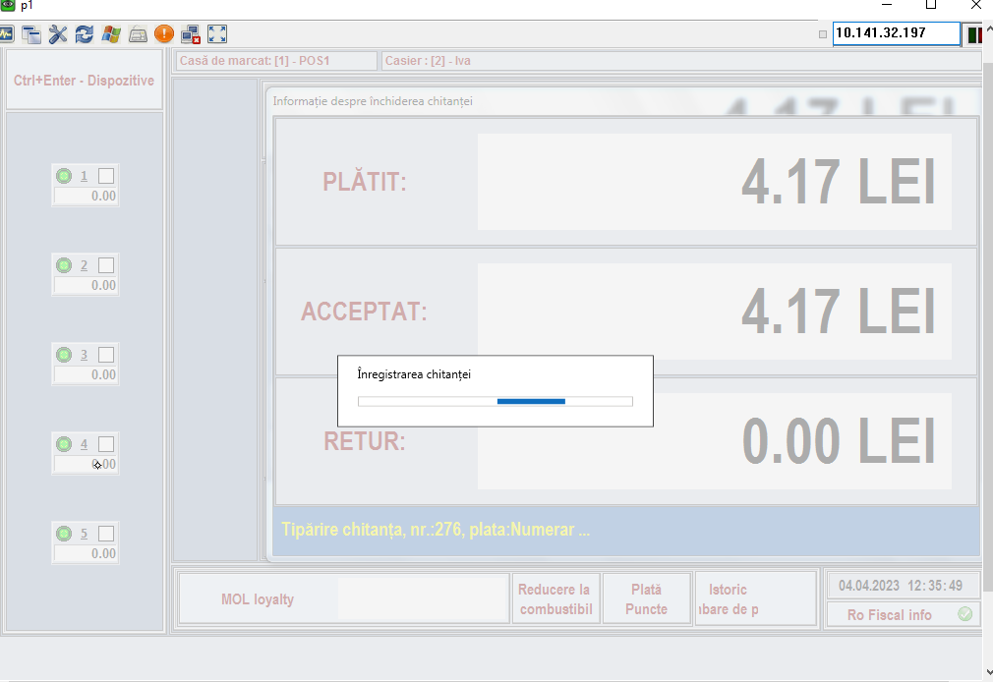 | Passed |  | 4/4/23 |  | Lupu Marius (MOL Romania) | 4/4/23 | Status change
41 | DAY 1 - POS - Sales at POS with new selling price (different products, different MoPs) - Evo95/ Bank card with LOY points redemption (discount) |  | 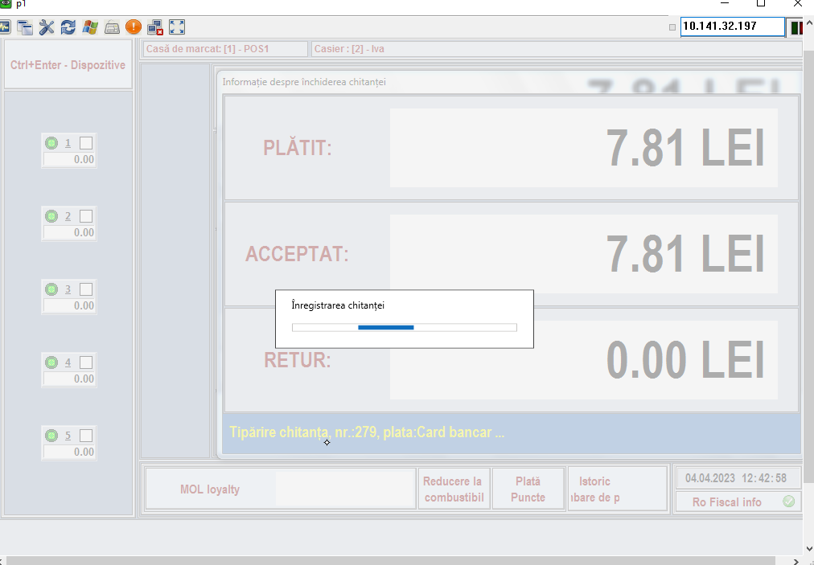 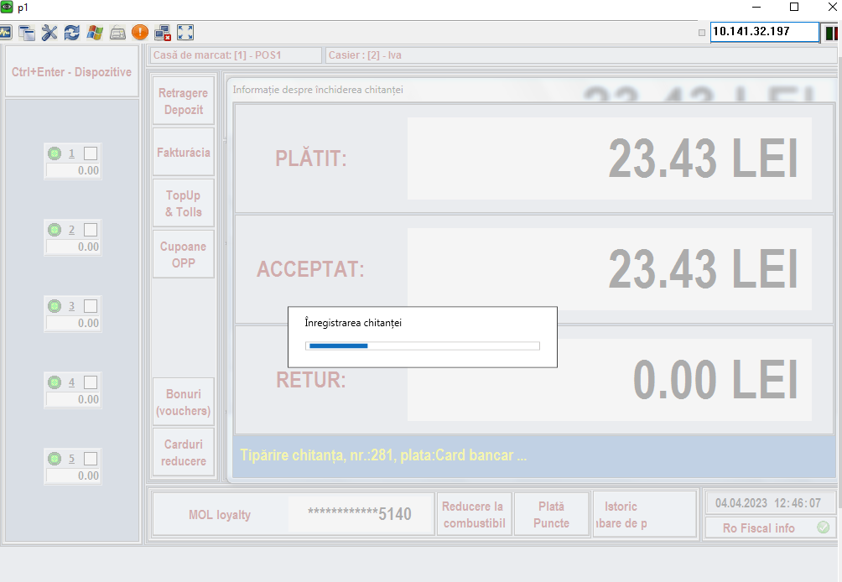 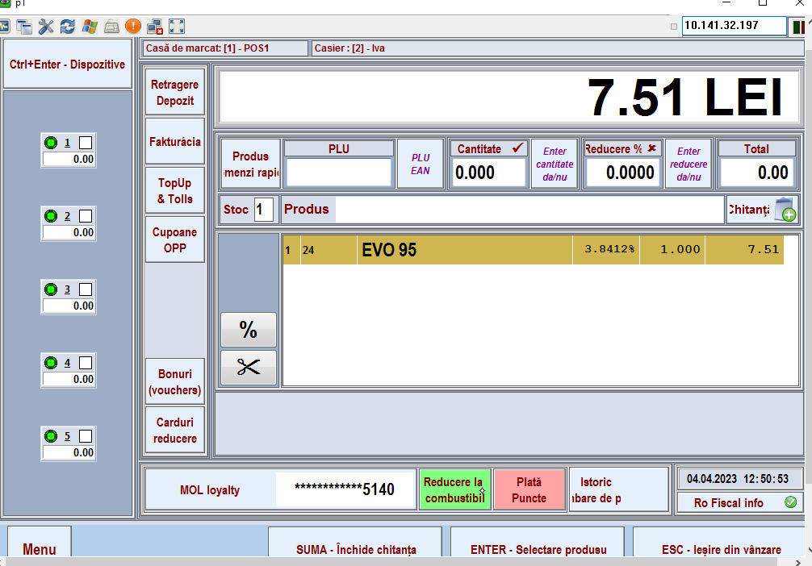 | Passed |  | 4/4/23 |  | Lupu Marius (MOL Romania) | 4/4/23 | Status change
54 | DAY 1 - POS - Sales at POS with new selling price (different products, different MoPs) - EvoDiesel/ DKV | no card functioning | 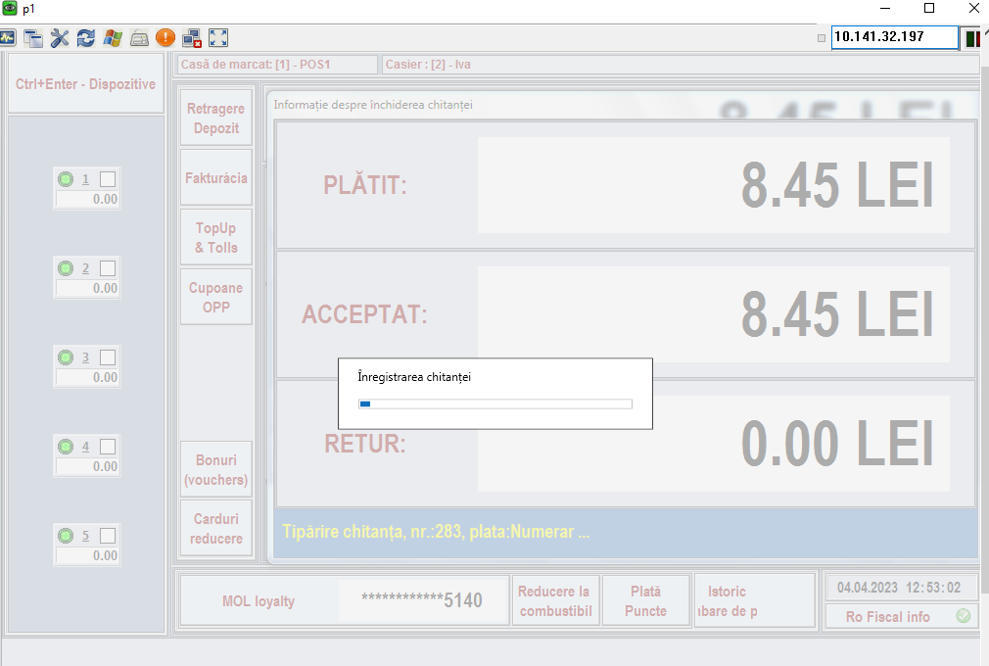 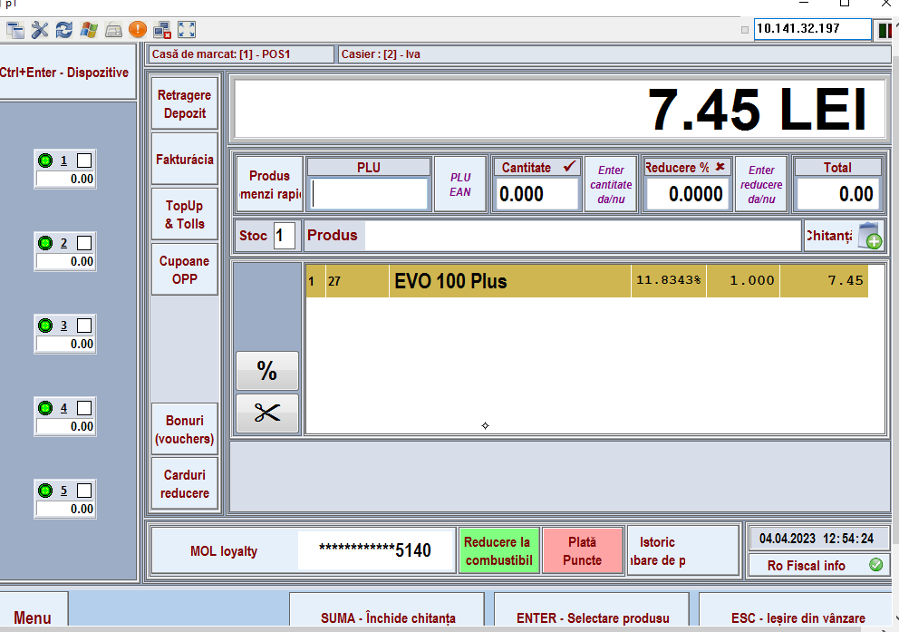 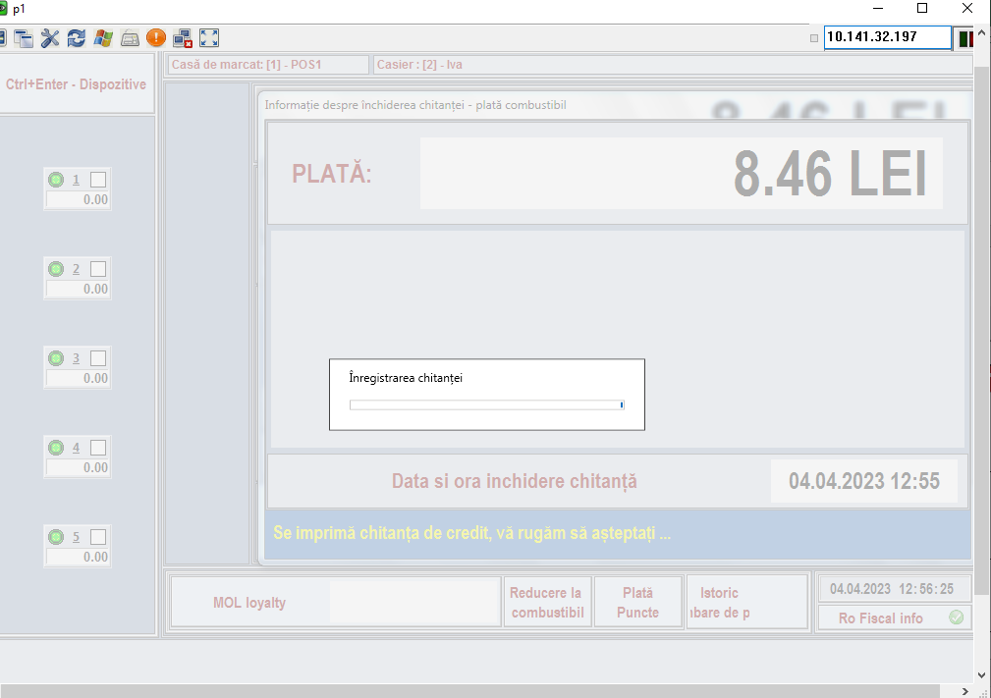 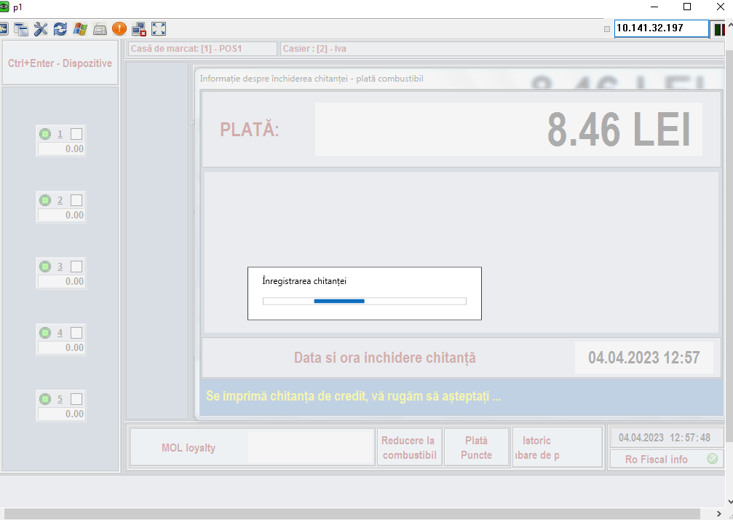 | Passed |  | 4/4/23 |  | Lupu Marius (MOL Romania) | 4/4/23 | Status change
72 | DAY 2 - POS - Sales at POS with new selling price (different products, different MoPs) - Evo95/ Bank without LOY card |  | 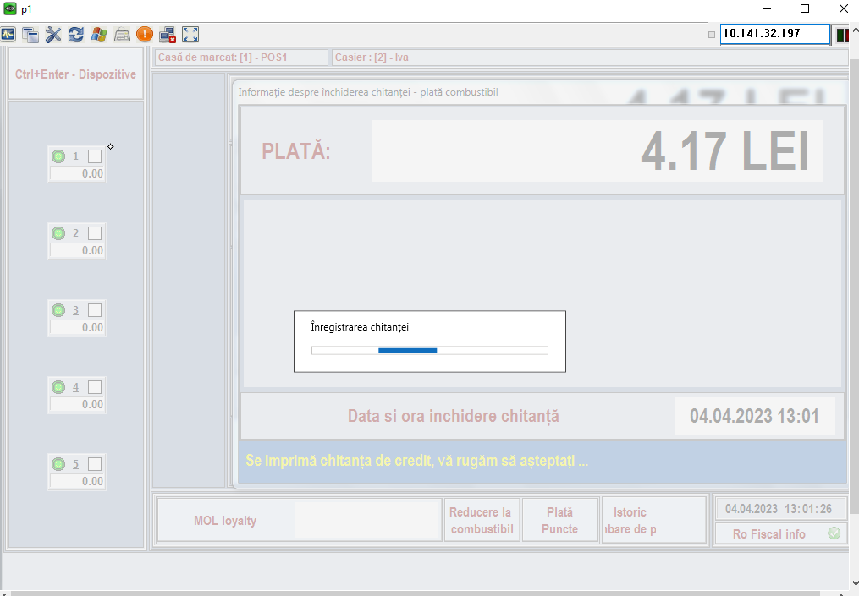 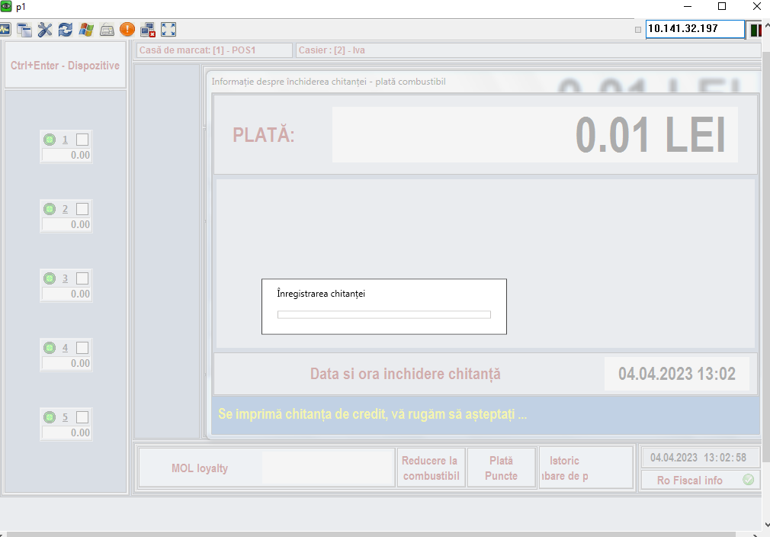 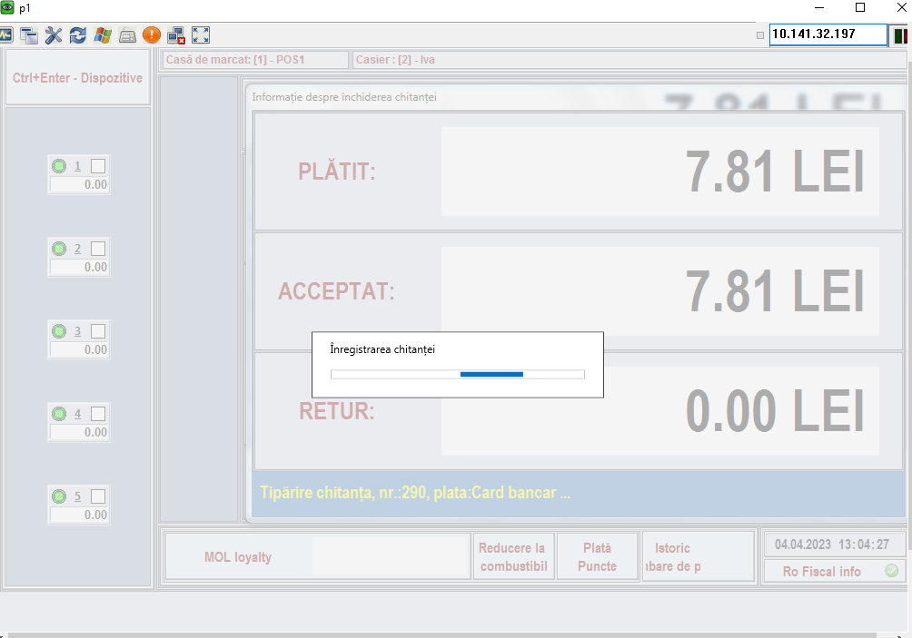 | Passed |  | 4/4/23 |  | Lupu Marius (MOL Romania) | 4/4/23 | Status change
73 | DAY 2 - POS - Sales at POS with new selling price (different products, different MoPs) - Evo95/ Bank card with LOY points collection |  | 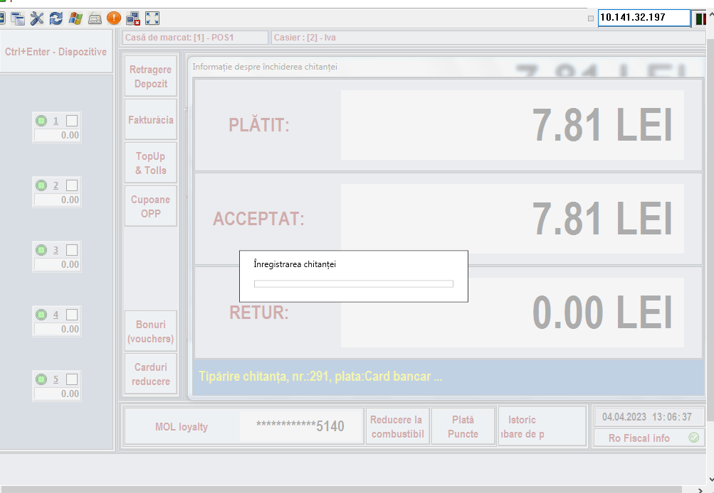 | Passed |  | 4/4/23 |  | Lupu Marius (MOL Romania) | 4/4/23 | Status change
76 | DAY 2 - POS - Sales at POS with new selling price (different products, different MoPs) - Evo100Plus/ CASH with LOY points collection |  |   | Passed |  | 4/4/23 |  | Lupu Marius (MOL Romania) | 4/4/23 | Status change
78 | DAY 2 - POS - Sales at POS with new selling price (different products, different MoPs) - Evo100Plus/ MOL Gold RO |  |   | Passed |  | 4/4/23 |  | Lupu Marius (MOL Romania) | 4/4/23 | Status change
13 | DAY 1 - POS - Sales at POS with „old“ selling price (different products, different MoPs) - Evo95 / MOL fleet Gold AU |  |  |  |  | 3/16/23 |  | Lupu Marius (MOL Romania) | 4/4/23 | Status change
87 | DAY 2 - POS - Sales at POS with new selling price (different products, different MoPs) - EvoDiesel/ DKV |  |  | Passed |  | 4/4/23 |  | Lupu Marius (MOL Romania) | 4/4/23 | Status change
102 | DAY 3 - POS - Sales at POS - old fueling started before price change - Evo95/ Cash with LOY card |  |  | Passed |  | 4/4/23 |  | Lupu Marius (MOL Romania) | 4/6/23 | Status change
12 | DAY 1 - POS - Sales at POS with „old“ selling price (different products, different MoPs) - Evo95 / Bank card + MOL Yellow RO |  |  | Failed |  | 4/6/23 |  | Lupu Marius (MOL Romania) | 4/6/23 | Status change
9 | DAY 1 - POS - Sales at POS with „old“ selling price (different products, different MoPs) - Evo95 / Bank card without LOY card |  |         | Passed |  | 4/6/23 |  | Lupu Marius (MOL Romania) | 4/6/23 | Status change
10 | DAY 1 - POS - Sales at POS with „old“ selling price (different products, different MoPs) - Evo95 / Bank card with LOY points collection |  |  | Passed |  | 4/6/23 |  | Lupu Marius (MOL Romania) | 4/6/23 | Status change
23 | DAY 1 - POS - Sales at POS with „old“ selling price (different products, different MoPs) - EvoDiesel / TOTAL fleet |  |      | Passed |  | 4/6/23 |  | Lupu Marius (MOL Romania) | 4/6/23 | Status change
30 | DAY 1 - KAL - New prices defined in Kalibrate - Racing 102Plus |  |  | Passed |  | 4/6/23 |  | Lupu Marius (MOL Romania) | 4/6/23 | Status change
35 | DAY 1 - POS - Sales at POS with new selling price (different products, different MoPs) - LPG/ Cash without LOY card |  |     | Passed |  | 4/6/23 |  | Lupu Marius (MOL Romania) | 4/6/23 | Status change
34 | DAY 1 - KAL - Check price change confirmation in KAL |  |  | Passed |  | 4/6/23 |  | Lupu Marius (MOL Romania) | 4/6/23 | Status change
37 | DAY 1 - POS - Sales at POS with new selling price (different products, different MoPs) - AdBlue/ MOL Silver RO |  |  | Passed |  | 4/6/23 |  | Lupu Marius (MOL Romania) | 4/6/23 | Status change
40 | DAY 1 - POS - Sales at POS with new selling price (different products, different MoPs) - Evo95/ Bank card with LOY points collection |  |   | Passed |  | 4/6/23 |  | Lupu Marius (MOL Romania) | 4/6/23 | Status change
55 | DAY 1 - POS - Daily closing |  |         | Passed |  | 4/6/23
57 | DAY 2 - KAL - Check daily sales data in KAL for Day1 (data processing) |  DAY 2 - KAL - double sales in KAL |  | Passed |  | 4/11/23 |  | Lupu Marius (MOL Romania) | 4/11/23 | Status change
58 | DAY 2 - KAL - New prices defined in Kalibrate - LPG |  |  | Passed |  | 4/11/23 |  | Lupu Marius (MOL Romania) | 4/11/23 | Status change
64 | DAY 2 - KAL - New prices exported from KAL |  |  | Passed |  | 4/11/23 |  | Lupu Marius (MOL Romania) | 4/11/23 | Status change
65 | DAY 2 - KAL - Check xml file preparation by Kalibrate |  |  | Passed |  | 4/11/23 |  | Lupu Marius (MOL Romania) | 4/11/23 | Status change
67 | DAY 2 - KAL - Check price change confirmation in KAL |  |  | Passed |  | 4/11/23 |  | Lupu Marius (MOL Romania) | 4/11/23 | Status change
68 | DAY 2 - POS - Sales at POS with new selling price (different products, different MoPs) - LPG/ Cash without LOY card |  |  | Passed |  | 4/11/23 |  | Lupu Marius (MOL Romania) | 4/11/23 | Status change
69 | DAY 2 - POS - Sales at POS with new selling price (different products, different MoPs) - LPG/ MOL Gold RO |  |  | Passed |  | 4/11/23 |  | Lupu Marius (MOL Romania) | 4/11/23 | Status change
70 | DAY 2 - POS - Sales at POS with new selling price (different products, different MoPs) - AdBlue/ MOL Silver RO | no carfunctioning |  | Passed |  | 4/11/23 |  | Lupu Marius (MOL Romania) | 4/11/23 | Status change
71 | DAY 2 - POS - Sales at POS with new selling price (different products, different MoPs) - AdBlue/ MOL Gift RO | no gift card functioning |  | Failed |  | 4/11/23 |  | Lupu Marius (MOL Romania) | 4/11/23 | Status change
72 | DAY 2 - POS - Sales at POS with new selling price (different products, different MoPs) - Evo95/ Bank without LOY card |  |  | Passed |  | 4/11/23 |  | Lupu Marius (MOL Romania) | 4/11/23 | Status change
73 | DAY 2 - POS - Sales at POS with new selling price (different products, different MoPs) - Evo95/ Bank card with LOY points collection |  |  | Passed |  | 4/11/23 |  | Lupu Marius (MOL Romania) | 4/11/23 | Status change
74 | DAY 2 - POS - Sales at POS with new selling price (different products, different MoPs) - Evo95/ Bank card with LOY points redemption (discount) |  |  | Passed |  | 4/11/23 |  | Lupu Marius (MOL Romania) | 4/11/23 | Status change
76 | DAY 2 - POS - Sales at POS with new selling price (different products, different MoPs) - Evo100Plus/ CASH with LOY points collection |  |  | Passed |  | 4/11/23 |  | Lupu Marius (MOL Romania) | 4/11/23 | Status change
77 | DAY 2 - POS - Sales at POS with new selling price (different products, different MoPs) - Evo100Plus/ CASH with LOY points redemption (discount) |  |  | Passed |  | 4/11/23 |  | Lupu Marius (MOL Romania) | 4/11/23 | Status change
78 | DAY 2 - POS - Sales at POS with new selling price (different products, different MoPs) - Evo100Plus/ MOL Gold RO |  |  | Passed |  | 4/11/23 |  | Lupu Marius (MOL Romania) | 4/11/23 | Status change
82 | DAY 2 - POS - Sales at POS with new selling price (different products, different MoPs) - EvoDiesel/ EuroShell |  |  | Passed |  | 4/11/23 |  | Lupu Marius (MOL Romania) | 4/11/23 | Status change
84 | DAY 2 - POS - Sales at POS with new selling price (different products, different MoPs) - EvoDiesel/ MORGAN |  |  | Passed |  | 4/11/23 |  | Lupu Marius (MOL Romania) | 4/11/23 | Status change
85 | DAY 2 - POS - Sales at POS with new selling price (different products, different MoPs) - EvoDiesel/ TOTAL | nocarOTfreceipt crctioreng |  | Passed |  | 4/11/23 |  | Lupu Marius (MOL Romania) | 4/11/23 | Status change
87 | DAY 2 - POS - Sales at POS with new selling price (different products, different MoPs) - EvoDiesel/ DKV |  |  | Passed |  | 4/11/23 |  | Lupu Marius (MOL Romania) | 4/11/23 | Status change
88 | DAY 2 - POS - Daily closing |  |  | Passed |  | 4/11/23 |  | Lupu Marius (MOL Romania) | 4/11/23 | Status change
91 | DAY 3 - Start fueling of (22) EvoDiesel at one of dispensers (without payment in POS) |  |  | Passed |  | 4/13/23 |  | Lupu Marius (MOL Romania) | 4/13/23 | Status change
92 | DAY 3 - Start fueling of (24) Evo95 at one of dispensers (without payment in POS) |  |  | Passed |  | 4/13/23 |  | Lupu Marius (MOL Romania) | 4/13/23 | Status change
90 | DAY 3 - KAL - Check daily sales data in KAL for Day2 (data processing) | DAY 3 - KAL - Check daily sales dfuoin(for EvoDiinleBUAL |  | Passed |  | 4/13/23 |  | Lupu Marius (MOL Romania) | 4/13/23 | Status change
93 | DAY 3 - KAL - New prices defined in Kalibrate - Evo95 |  |  | Passed |  | 4/13/23 |  | Lupu Marius (MOL Romania) | 4/13/23 | Status change
94 | DAY 3 - KAL - New prices defined in Kalibrate - Evo100Plus |  |  | Passed |  | 4/13/23 |  | Lupu Marius (MOL Romania) | 4/13/23 | Status change
95 | DAY 3 - KAL - New prices defined in Kalibrate - EvoDiesel |  |  | Passed |  | 4/13/23 |  | Lupu Marius (MOL Romania) | 4/13/23 | Status change
96 | DAY 3 - KAL - New prices defined in Kalibrate - EvoDieselPlus |  |  | Passed |  | 4/13/23 |  | Lupu Marius (MOL Romania) | 4/13/23 | Status change
97 | DAY 3 - KAL - New prices exported from KAL |  |  | Passed |  | 4/13/23 |  | Lupu Marius (MOL Romania) | 4/13/23 | Status change
99 | DAY 3 - POS - New price change executed automatically by POS, related notification displayed in POS, the time of change the same as defined in KAL |  |  | Passed |  | 4/13/23 |  | Lupu Marius (MOL Romania) | 4/13/23 | Status change
98 | DAY 3 - KAL - Check xml file preparation by Kalibrate |  |  | Passed |  | 4/13/23 |  | Lupu Marius (MOL Romania) | 4/13/23 | Status change
100 | DAY 3 - KAL - Check price change confirmation in KAL |  |  | Passed |  | 4/13/23 |  | Lupu Marius (MOL Romania) | 4/13/23 | Status change
101 | DAY 3 - POS - Sales at POS - new fueling started after price change - Evo100Plus/ Cash with LOY card |  |  | Passed |  | 4/13/23 |  | Lupu Marius (MOL Romania) | 4/13/23 | Status change
91 | DAY 3 - Start fueling of (22) EvoDiesel at one of dispensers (without payment in POS) |  |  | Passed |  | 4/13/23 |  | Lupu Marius (MOL Romania) | 4/13/23 | Status change
92 | DAY 3 - Start fueling of (24) Evo95 at one of dispensers (without payment in POS) |  |  | Passed |  | 4/13/23 |  | Lupu Marius (MOL Romania) | 4/13/23 | Status change
99 | DAY 3 - POS - New price change executed automatically by POS, related notification displayed in POS, the time of change the same as defined in KAL |  |  | Passed |  | 4/13/23 |  | Lupu Marius (MOL Romania) | 4/13/23 | Status change
99 | DAY 3 - POS - New price change executed automatically by POS, related notification displayed in POS, the time of change the same as defined in KAL |  |  | Passed |  | 4/13/23 |  | Lupu Marius (MOL Romania) | 4/13/23 | Status change
97 | DAY 3 - KAL - New prices exported from KAL |  |  | Passed |  | 4/13/23 |  | Lupu Marius (MOL Romania) | 4/13/23 | Status change
96 | DAY 3 - KAL - New prices defined in Kalibrate - EvoDieselPlus |  |  | Passed |  | 4/13/23 |  | Lupu Marius (MOL Romania) | 4/13/23 | Status change
95 | DAY 3 - KAL - New prices defined in Kalibrate - EvoDiesel |  |  | Passed |  | 4/13/23 |  | Lupu Marius (MOL Romania) | 4/13/23 | Status change
94 | DAY 3 - KAL - New prices defined in Kalibrate - Evo100Plus |  |  | Passed |  | 4/13/23 |  | Lupu Marius (MOL Romania) | 4/13/23 | Status change
93 | DAY 3 - KAL - New prices defined in Kalibrate - Evo95 |  |  | Passed |  | 4/13/23 |  | Lupu Marius (MOL Romania) | 4/13/23 | Status change
100 | DAY 3 - KAL - Check price change confirmation in KAL |  |  | Passed |  | 4/13/23 |  | Lupu Marius (MOL Romania) | 4/13/23 | Status change
101 | DAY 3 - POS - Sales at POS - new fueling started after price change - Evo100Plus/ Cash with LOY card |  |  | Passed |  | 4/13/23 |  | Lupu Marius (MOL Romania) | 4/13/23 | Status change
102 | DAY 3 - POS - Sales at POS - old fueling started before price change - Evo95/ Cash with LOY card |  |  | Passed |  | 4/13/23 |  | Lupu Marius (MOL Romania) | 4/13/23 | Status change
103 | DAY 3 - POS - Sales at POS - old fueling started before price change - EvoDiesel/ Bank with LOY card |  |  | Passed |  | 4/13/23 |  | Lupu Marius (MOL Romania) | 4/13/23 | Status change
104 | DAY 3 - POS - Sales at POS - CANCEL Receipt from line 102 (old price before price change, the same vollume) - Evo95/ Cash with LOY card |  |   | Failed |  | 4/13/23 |  | Lupu Marius (MOL Romania) | 4/13/23 | Status change
105 | DAY 3 - POS - Sales at POS - SALES Receipt from line 104 (old price before price change, the same volume) - MOP change - Evo95/ BANK with LOY card |  |  | Failed |  | 4/13/23 |  | Lupu Marius (MOL Romania) | 5/15/23 | Status change
80 | DAY 2 - POS - Sales at POS with new selling price (different products, different MoPs) - EvoDieselPlus/ NO SALES | nolus/ carALffor EvoDictiodong |  | Passed |  | 5/15/23
41 | DAY 1 - POS - Sales at POS with new selling price (different products, different MoPs) - Evo95/ Bank card with LOY points redemption (discount) |  |  | Failed |  | 5/17/23 |  | Lupu Marius (MOL Romania) | 5/17/23 | Status change
41 | DAY 1 - POS - Sales at POS with new selling price (different products, different MoPs) - Evo95/ Bank card with LOY points redemption (discount) |  |  | Failed | 71 | 5/17/23 |  | SAKÁLOŠOVÁ Zuzana (SLOVNAFT a.s.) | 5/19/23 | Defect number change
12 | DAY 1 - POS - Sales at POS with „old“ selling price (different products, different MoPs) - Evo95 / Bank card + MOL Yellow RO |  |  | Failed | 116 | 4/6/23 |  | SAKÁLOŠOVÁ Zuzana (SLOVNAFT a.s.) | 5/19/23 | Defect number change
104 | DAY 3 - POS - Sales at POS - CANCEL Receipt from line 102 (old price before price change, the same volume) - Evo95/ Cash with LOY card |  |  | Failed | 69 | 4/13/23 |  | SAKÁLOŠOVÁ Zuzana (SLOVNAFT a.s.) | 5/19/23 | Defect number change
105 | DAY 3 - POS - Sales at POS - SALES Receipt from line 104 (old price before price change, the same volume) - MOP change - Evo95/ BANK with LOY card |  |  | Failed | 69 | 4/13/23 |  | Stanescu Constantin-Ovidiu (MOL Romania) | 6/6/23 | Status change
41 | DAY 1 - POS - Sales at POS with new selling price (different products, different MoPs) - Evo95/ Bank card with LOY points redemption (discount) |  |  | Passed | 71 | 6/6/23 |  | Stanescu Constantin-Ovidiu (MOL Romania) | 6/6/23 | Status change
12 | DAY 1 - POS - Sales at POS with „old“ selling price (different products, different MoPs) - Evo95 / Bank card + MOL Yellow RO |  |  | Passed | 116 | 6/6/23
5 | Import price change to SAP RETAIL (change for the actual day) |  |  | Passed |  | 8/19/25 |  | KRÚTIL Stanislav (SLOVNAFT a.s.) | 8/19/25 | Status change
6 | Immediate fuel price change to be sent from SAP RETAIL |  |  | Passed |  | 8/19/25 |  | KRÚTIL Stanislav (SLOVNAFT a.s.) | 8/19/25 | Status change
14 | Schedule fuel price change to the nearest midnight (valid since next day) and send from SAP RETAIL |  |  | Passed |  | 9/25/25 |  | KRÚTIL Stanislav (SLOVNAFT a.s.) | 9/25/25 | Status change
18 | Notification about upcoming price change is displayed in POS. New price value is replaced by * (stars) and only products and validity displayed |  |  | Failed |  | 9/26/25 |  | KUDLEJ Viliam (SLOVNAFT a.s.) | 9/26/25 | Status change
19 | Perform POS closure |  |  | Passed |  | 9/26/25 |  | KUDLEJ Viliam (SLOVNAFT a.s.) | 9/26/25 | Status change
21 | Check in POS if price changes applied. Price change is executed in POS and only within those dispensers without ongoing fueling |  |  | Passed |  | 9/26/25 |  | KUDLEJ Viliam (SLOVNAFT a.s.) | 9/26/25 | Status change
21 | Check in POS if price changes applied. Price change is executed in POS and only within those dispensers without ongoing fueling |  |  | Failed |  | 9/26/25 |  | KUDLEJ Viliam (SLOVNAFT a.s.) | 9/26/25 | Status change
21 | Check in POS if price changes applied. Price change is executed in POS and only within those dispensers without ongoing fueling |  |  | Failed |  | 9/26/25 |  | KUDLEJ Viliam (SLOVNAFT a.s.) | 9/26/25 | Defect number change
20 | Check if system performed Automatic Fuel device Closure |  |  | Failed |  | 9/30/25 |  | KUDLEJ Viliam (SLOVNAFT a.s.) | 9/30/25 | Status change
20 | Check if system performed Automatic Fuel device Closure |  |  | Failed |  | 9/30/25 |  | KUDLEJ Viliam (SLOVNAFT a.s.) | 9/30/25 | Defect number change

