New_Wheels_Tables
 | New Wheels Data | Bethany Gerlach

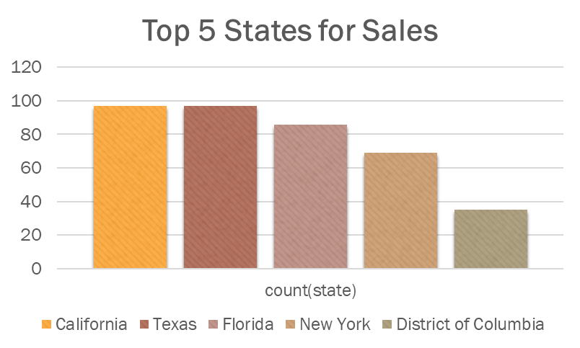
Q1 | /*Q1. Find the distribution of customers across the United States:*/
 | state | count(state) | total_pct
 | Alabama | 29 | 2.9175
 | Alaska | 10 | 1.006
 | Arizona | 26 | 2.6157
 | Arkansas | 6 | 0.6036
 | California | 97 | 9.7586
 | Colorado | 33 | 3.3199
 | Connecticut | 22 | 2.2133
 | Delaware | 6 | 0.6036
 | District of Columbia | 35 | 3.5211
 | Florida | 86 | 8.6519
 | Georgia | 18 | 1.8109
 | Hawaii | 6 | 0.6036
 | Idaho | 7 | 0.7042
 | Illinois | 25 | 2.5151
 | Indiana | 21 | 2.1127
 | Iowa | 11 | 1.1066
 | Kansas | 13 | 1.3078
 | Kentucky | 8 | 0.8048
 | Louisiana | 20 | 2.0121
 | Maine | 1 | 0.1006
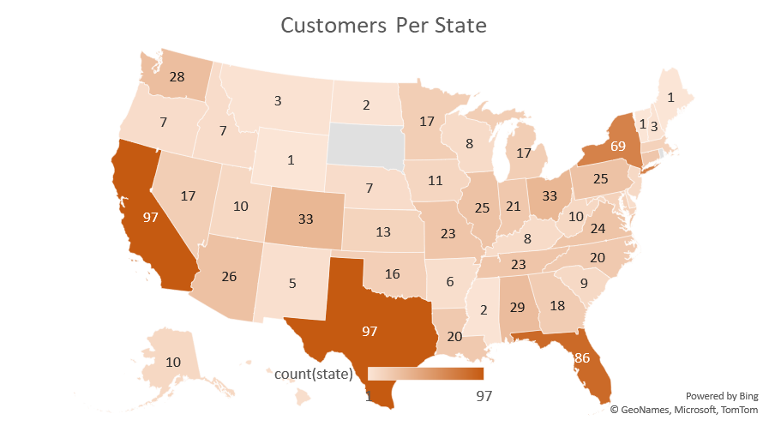
 | Maryland | 14 | 1.4085
 | Massachusetts | 14 | 1.4085
 | Michigan | 17 | 1.7103
 | Minnesota | 17 | 1.7103
 | Mississippi | 2 | 0.2012
 | Missouri | 23 | 2.3139
 | Montana | 3 | 0.3018
 | Nebraska | 7 | 0.7042
 | Nevada | 17 | 1.7103
 | New Hampshire | 3 | 0.3018
 | New Jersey | 9 | 0.9054
 | New Mexico | 5 | 0.503
 | New York | 69 | 6.9416
 | North Carolina | 20 | 2.0121
 | North Dakota | 2 | 0.2012
 | Ohio | 33 | 3.3199
 | Oklahoma | 16 | 1.6097
 | Oregon | 7 | 0.7042
 | Pennsylvania | 25 | 2.5151
 | South Carolina | 9 | 0.9054
 | Tennessee | 23 | 2.3139
 | Texas | 97 | 9.7586
 | Utah | 10 | 1.006
 | Vermont | 1 | 0.1006
 | Virginia | 24 | 2.4145
 | Washington | 28 | 2.8169
 | West Virginia | 10 | 1.006
 | Wisconsin | 8 | 0.8048
 | Wyoming | 1 | 0.1006

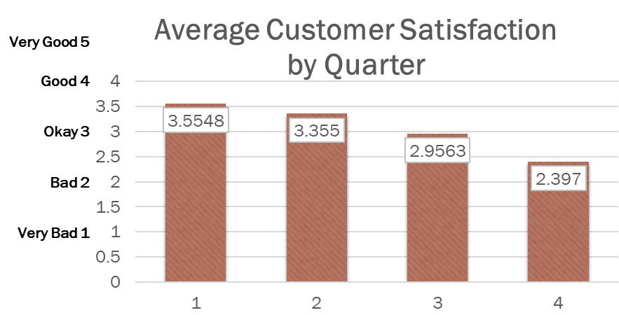

Q2 | /*Q2. Average rating in each quarter:*/

 | quarter_number | avg(rating_no) over (partition by quarter_number)
 | 1 | 3.5548
 | 2 | 3.355
 | 3 | 2.9563
 | 4 | 2.397
 | Year Average | 3.065775

Q3 | /*Q3. How does customer satisfaction change over time?*/
 | (these are the pivot tables made from the 1000 line chart I pulled from SQL.)
 | Sum of Satisfaction Ratio | Column Labels
 |  | 1 Very Bad | 2 Bad | 3 Okay | 4 Good | 5 Very Good | Grand Total
 | 1 | 6.596 | 6.72 | 17.228 | 36.846 | 38.316 | 105.706
 | 2 | 8.697 | 7.511 | 13.886 | 15.66 | 24.9 | 70.654
 | 3 | 9.594 | 14.872 | 12.4 | 10.704 | 6.384 | 53.954
 | 4 | 21.289 | 18.502 | 7.92 | 1.86 | 1.76 | 51.331
 | Grand Total | 46.176 | 47.605 | 51.434 | 65.07 | 71.36 | 281.645
 |  |  |  |  |  | 0.4844
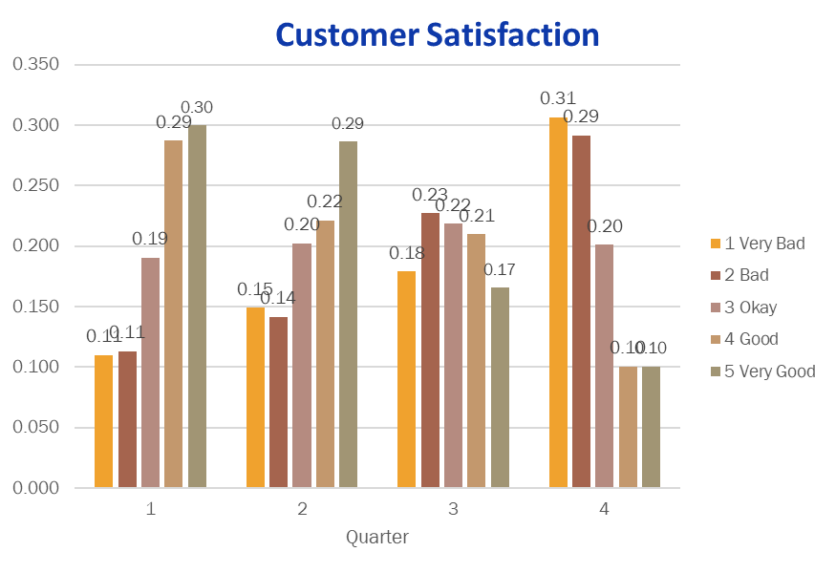

 | Sum of sat_ct | Column Labels
 | Row Labels | 1 | 2 | 3 | 4 | Grand Total
 | 1 Very Bad | 34 | 39 | 41 | 61 | 175
 | 2 Bad | 35 | 37 | 52 | 58 | 182
 | 3 Okay | 59 | 53 | 50 | 40 | 202
 | 4 Good | 89 | 58 | 48 | 20 | 215
 | 5 Very Good | 93 | 75 | 38 | 20 | 226
 | Grand Total | 310 | 262 | 229 | 199 | 1000
 |  | 3.5548387097 | 3.3549618321 | 2.9563318777 | 2.3969849246 | 3.135

Q4 | /*Q4. Which are the top 5 vehicle makers preferred by customers?*/
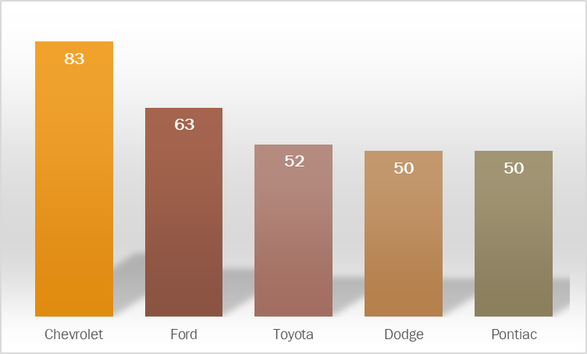
 | vehicle_maker | maker_ct
 | Chevrolet | 83
 | Ford | 63
 | Toyota | 52
 | Dodge | 50
 | Pontiac | 50

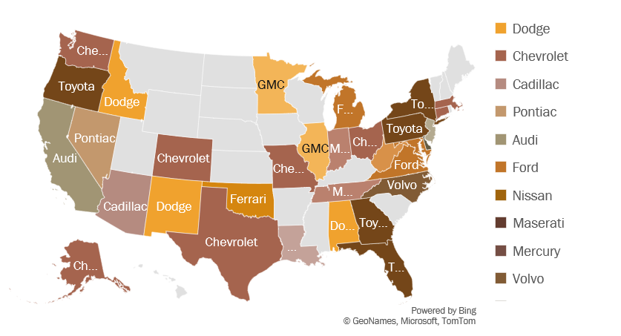
Q5 | /*Q5. What is the preferred vehicle make in each state?*/
 | state_brand_ct | state_cust | state_rank | state | vehicle_maker
 | 5 | 30 | 1 | Alabama | Dodge
 | 2 | 10 | 1 | Alaska | Chevrolet
 | 3 | 26 | 1 | Arizona | Cadillac
 | 3 | 26 | 1 | Arizona | Pontiac
 | 6 | 97 | 1 | California | Audi
 | 6 | 97 | 1 | California | Chevrolet
 | 6 | 97 | 1 | California | Dodge
 | 6 | 97 | 1 | California | Ford
 | 6 | 97 | 1 | California | Nissan
 | 5 | 33 | 1 | Colorado | Chevrolet
 | 2 | 22 | 1 | Connecticut | Chevrolet
 | 2 | 22 | 1 | Connecticut | Maserati
 | 2 | 22 | 1 | Connecticut | Mercury
 | 2 | 22 | 1 | Connecticut | Volvo
 | 2 | 6 | 1 | Delaware | Mitsubishi
 | 4 | 35 | 1 | District of Columbia | Chevrolet
 | 7 | 86 | 1 | Florida | Toyota |  |  | state | vehicle_maker | Column1 | Column2
 | 3 | 19 | 1 | Georgia | Toyota |  |  | Arkansas | Chevrolet | *** | ***
 | 2 | 7 | 1 | Idaho | Dodge |  |  | California | Chevrolet | *** | ***
 | 3 | 25 | 1 | Illinois | GMC |  |  | Delaware | Chevrolet | *** | ***
 | 3 | 25 | 1 | Illinois | Chevrolet |  |  | Hawaii | Ford | *** | ***
 | 3 | 25 | 1 | Illinois | Ford |  |  | Illinois | Chevrolet | *** | ***
 | 4 | 23 | 1 | Indiana | Mazda |  |  | Iowa | Chevrolet | *** | ***
 | 2 | 20 | 1 | Louisiana | BMW |  |  | Louisiana | Ford | *** | ***
 | 2 | 20 | 1 | Louisiana | Ford |  |  | Massachusetts | Chevrolet | *** | ***
 | 2 | 20 | 1 | Louisiana | Kia |  |  | Minnesota | Dodge | *** | ***
 | 2 | 20 | 1 | Louisiana | Nissan |  |  | Mississippi | Dodge | *** | ***
 | 2 | 20 | 1 | Louisiana | Pontiac |  |  | Montana | Chevrolet | *** | ***
 | 5 | 15 | 1 | Maryland | Ford |  |  | Nebraska | Chevrolet | *** | ***
 | 2 | 14 | 1 | Massachusetts | Chevrolet |  |  | New Jersey | Dodge | *** | ***
 | 2 | 14 | 1 | Massachusetts | Dodge |  |  | New York | Pontiac | *** | ***
 | 3 | 17 | 1 | Michigan | Ford |  |  | Utah | Chevrolet | *** | ***
 | 3 | 17 | 1 | Minnesota | GMC |  |  | Alaska | Chevrolet |  | Chevrolet
 | 4 | 23 | 1 | Missouri | Chevrolet |  |  | Colorado | Chevrolet |  | Chevrolet
 | 3 | 17 | 1 | Nevada | Pontiac |  |  | Connecticut | Chevrolet |  | Chevrolet
 | 2 | 9 | 1 | New Jersey | Hyundai |  |  | District of Columbia | Chevrolet |  | Chevrolet
 | 2 | 9 | 1 | New Jersey | Mercedes-Benz |  |  | Missouri | Chevrolet |  | Chevrolet
 | 2 | 5 | 1 | New Mexico | Dodge |  |  | Ohio | Chevrolet |  | Chevrolet
 | 5 | 69 | 1 | New York | Toyota |  |  | Tennessee | Chevrolet |  | Chevrolet
 | 5 | 69 | 1 | New York | Pontiac |  |  | Texas | Chevrolet |  | Chevrolet
 | 3 | 20 | 1 | North Carolina | Volvo |  |  | Washington | Chevrolet |  | Chevrolet
 | 6 | 33 | 1 | Ohio | Chevrolet |  |  | Wisconsin | Chevrolet |  | Chevrolet
 | 2 | 16 | 1 | Oklahoma | Ferrari |  |  | Alabama | Dodge |  | Dodge
 | 2 | 16 | 1 | Oklahoma | Mazda |  |  | Idaho | Dodge |  | Dodge
 | 2 | 16 | 1 | Oklahoma | Toyota |  |  | Kansas | Dodge |  | Dodge
 | 2 | 7 | 1 | Oregon | Toyota |  |  | New Mexico | Dodge |  | Dodge
 | 3 | 25 | 1 | Pennsylvania | Toyota |  |  | South Carolina | Dodge |  | Dodge
 | 3 | 23 | 1 | Tennessee | Mazda |  |  | Maryland | Ford |  | Ford
 | 9 | 98 | 1 | Texas | Chevrolet |  |  | Michigan | Ford |  | Ford
 | 5 | 24 | 1 | Virginia | Ford |  |  | North Dakota | Ford |  | Ford
 | 5 | 28 | 1 | Washington | Chevrolet |  |  | Virginia | Ford |  | Ford
 | 2 | 10 | 1 | West Virginia | Mercedes-Benz |  |  | Arizona | Pontiac |  | Pontiac
 |  |  |  |  |  |  |  | Kentucky | Pontiac |  | Pontiac
 |  |  |  |  |  |  |  | Nevada | Pontiac |  | Pontiac
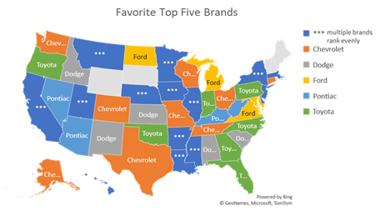
 |  |  |  |  |  |  |  | West Virginia | Pontiac |  | Pontiac
 |  |  |  |  |  |  |  | Florida | Toyota |  | Toyota
 |  |  |  |  |  |  |  | Georgia | Toyota |  | Toyota
 |  |  |  |  |  |  |  | Indiana | Toyota |  | Toyota
 |  |  |  |  |  |  |  | North Carolina | Toyota |  | Toyota
 |  |  |  |  |  |  |  | Oklahoma | Toyota |  | Toyota
 |  |  |  |  |  |  |  | Oregon | Toyota |  | Toyota
 |  |  |  |  |  |  |  | Pennsylvania | Toyota |  | Toyota

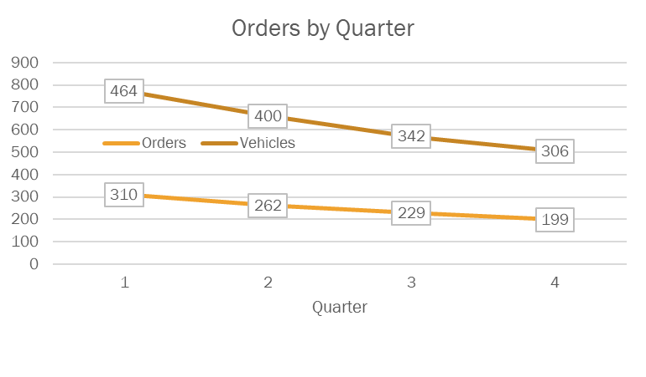
Q6 | /*Q6. What is the trend of number of orders by quarters?*/
 | Q6_Orders_by_Quarter |  | Vehicles_Sold
 | quarter_number | count(order_id) over (partition by quarter_number) | quarter_number | total_order
 | 1 | 310 | 1 | 464
 | 2 | 262 | 2 | 400
 | 3 | 229 | 3 | 342
 | 4 | 199 | 4 | 306
 | total orders | 1000 | Total Vehicles | 1512

 | Merged Tables
 | quarter | Orders | Vehicles | %Multiple Cars Bought
 | 1 | 310 | 464 | 1.50
 | 2 | 262 | 400 | 1.53
 | 3 | 229 | 342 | 1.49
 | 4 | 199 | 306 | 1.54

 | quarter_number | tot_orders | current_qtr | prev_qtr | pct_chg
 | 1 | 1000 | 310 | NULL | NULL
 | 2 | 1000 | 262 | 310 | -0.15
 | 3 | 1000 | 229 | 262 | -0.13
 | 4 | 1000 | 199 | 229 | -0.13

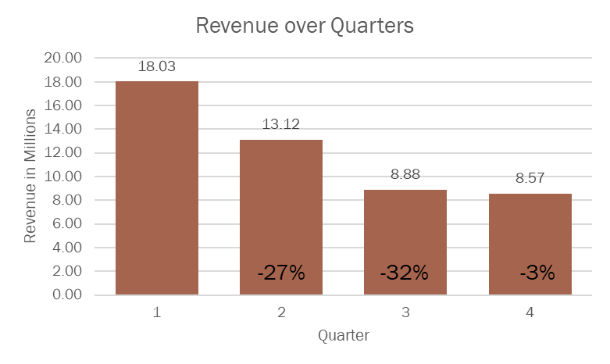
Q7 | /*Q7. What is the quarter over quarter % change in revenue?*/
 | quarter_number | tot_price_in_Mill | prev_price_in_Mill | chg_pct
 | 1 | 18.0325499 | NULL | NULL
 | 2 | 13.12299576 | 18.0325499 | -27
 | 3 | 8.88229884 | 13.12299576 | -32
 | 4 | 8.57314928 | 8.88229884 | -3

 | Total Yearly Revenue | 48.61099378 | chg over yr | -1.1033752372

Q8 | /*Q8. What is the trend of revenue and orders by quarters?*/
 | quarter_number | qtr_orders | prev_orders | order_chg_pct | qtr_revenue | Rev in 100K | prev_rev | revenue_chg_pct
 | 1 | 310 | NULL | NULL | 18032549.9 | 180.325499 | NULL | NULL
 | 2 | 262 | 310 | -15 | 13122995.76 | 131.2299576 | 18032549.9 | -27
 | 3 | 229 | 262 | -13 | 8882298.84 | 88.8229884 | 13122995.76 | -32
 | 4 | 199 | 229 | -13 | 8573149.28 | 85.7314928 | 8882298.84 | -3

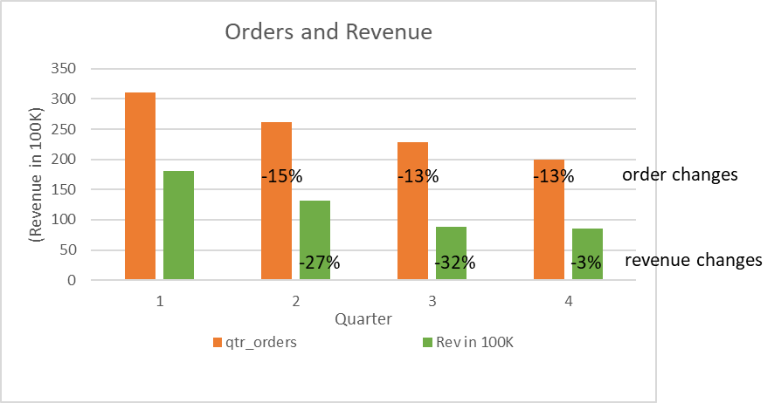

Q9 | /*Q9. What is the average discount offered for different types of credit cards?*/
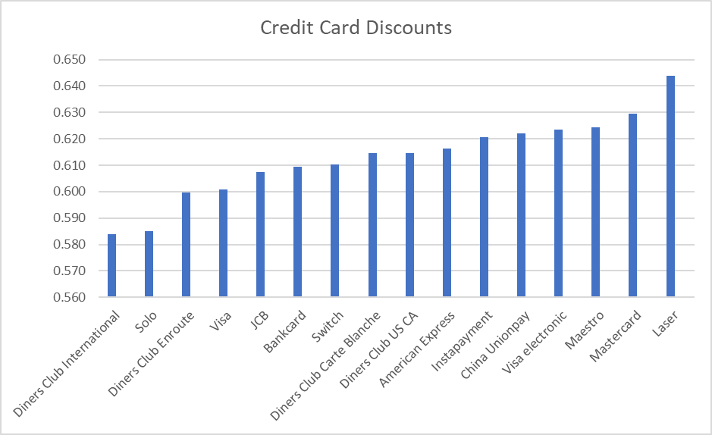
 | credit_card_type | avg_disc | Column1
 | Diners Club International | 0.584 | Under 6% is low
 | Solo | 0.585 | Under 6% is low
 | Diners Club Enroute | 0.599792 | Under 6% is low
 | Visa | 0.600833 | Under 6% is low
 | JCB | 0.607382 | Between 6 & 6.2% is average
 | Bankcard | 0.609545 | Between 6 & 6.2% is average
 | Switch | 0.610233 | Between 6 & 6.2% is average
 | Diners Club Carte Blanche | 0.61449 | Between 6 & 6.2% is average
 | Diners Club US CA | 0.614615 | Between 6 & 6.2% is average
 | American Express | 0.616327 | Between 6 & 6.2% is average
 | Instapayment | 0.620625 | Above 6.2% is high
 | China Unionpay | 0.622174 | Above 6.2% is high
 | Visa electronic | 0.623469 | Above 6.2% is high
 | Maestro | 0.624219 | Above 6.2% is high
 | Mastercard | 0.6295 | Above 6.2% is high
 | Laser | 0.643846 | Above 6.2% is high

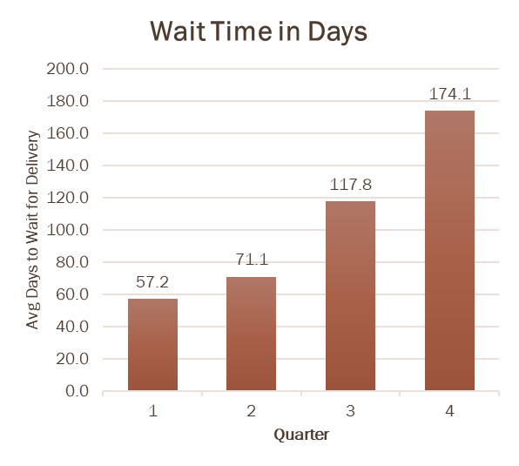
Q10 | /*Q10. What is the average time taken to ship the placed orders for each quarters?*/
 |  | Avg No of Days Until Delivery
 | 1 | 57.2
 | 2 | 71.1
 | 3 | 117.8
 | 4 | 174.1
 | Avg | 105.0

