First node
Snowstorm | Holiday | Weekend | Closed
T | F | F | F
T | F | F | T
F | F | F | F
T | F | F | F
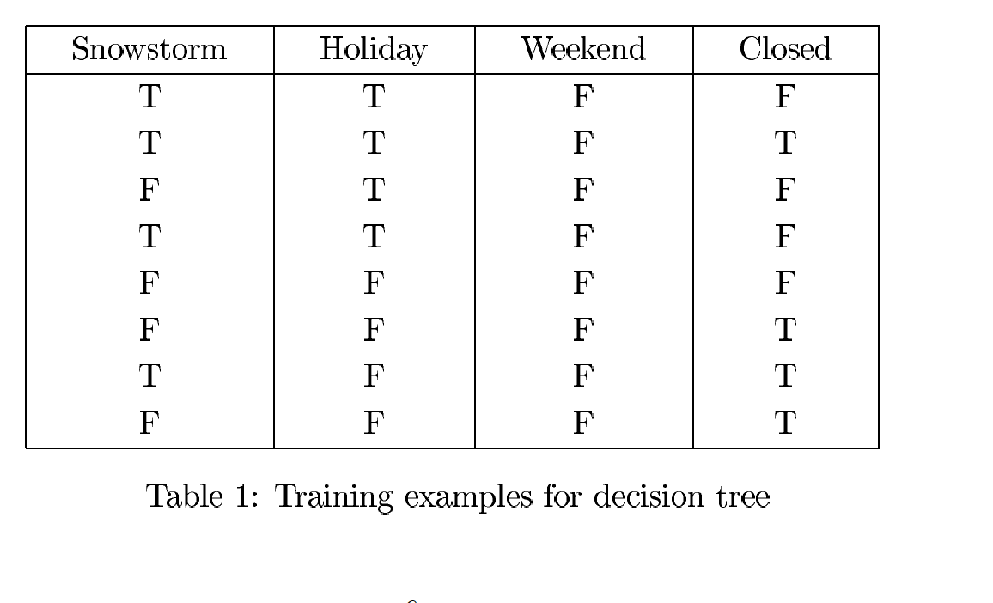
F | T | F | F
F | T | F | T
T | T | F | T
F | T | F | T

F
T

 | Closed
Snowstorm | F | T |  |  | IMPURITY | WEIGHTED SIZE | weighted impurity
F | 2 | 2 | 4 | LEAF 1 | 0.5 | 0.5 | 0.25
T | 2 | 2 | 4 | LEAF 2 | 0.5 | 0.5 | 0.25
Total | 4 | 4 | 8 |  |  | Total impurity | 0.5

 | Closed
HOLIDAY | F | T |  |  | IMPURITY | WEIGHTED SIZE | weighted impurity
F | 3 | 1 | 4 | LEAF 1 | 0.375 | 0.5 | 0.1875
T | 1 | 3 | 4 | LEAF 2 | 0.375 | 0.5 | 0.1875
Total | 4 | 4 | 8 |  |  | Total impurity | 0.375

 | Closed
WEEKEND | F | T |  |  | IMPURITY | WEIGHTED SIZE | weighted impurity
F | 4 | 4 | 8 | LEAF 1 | 0.5 | 1 | 0.5
T | 0 | 0 | 0 | LEAF 2 | 0 | 0 | 0
Total | 4 | 4 | 8 |  |  | Total impurity | 0.5

