10-12岁组-六宫堡垒数独
题目 | 题目配图 | 题目音频 | *类目 | *分数 | *数独底图 | *水平长度 | *垂直长度 | *正确答案
将数字 1-6 填入空格内，使每行、每列及每宫内数字均不重复。灰色格内数字大于相邻白色格内数字。 |  |  | 六宫堡垒数独 | 5 | 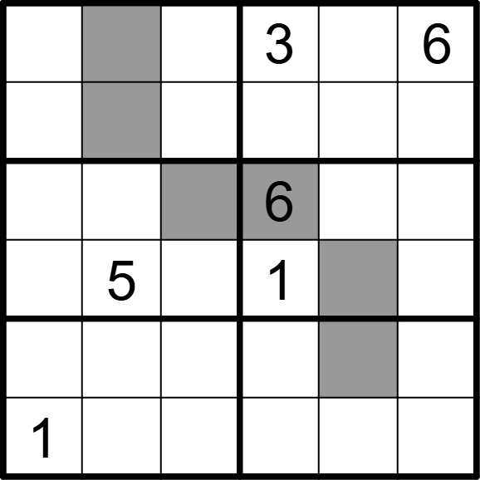 | 6 | 6 | [2,4,1,,5,], [5,6,3,4,1,2], [3,1,4,,2,5], [6,,2,,4,3], [4,3,5,2,6,1], [,2,6,5,3,4]
将数字 1-6 填入空格内，使每行、每列及每宫内数字均不重复。灰色格内数字大于相邻白色格内数字。 |  |  | 六宫堡垒数独 | 5 | 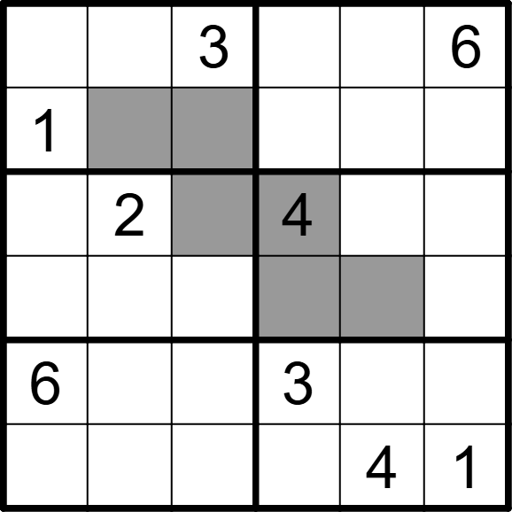 | 6 | 6 | [2,4,,1,5,], [,6,5,2,3,4], [5,,6,,1,3], [4,3,1,5,6,2], [,1,4,,2,5], [3,5,2,6,,]
将数字 1-6 填入空格内，使每行、每列及每宫内数字均不重复。灰色格内数字大于相邻白色格内数字。 |  |  | 六宫堡垒数独 | 5 | 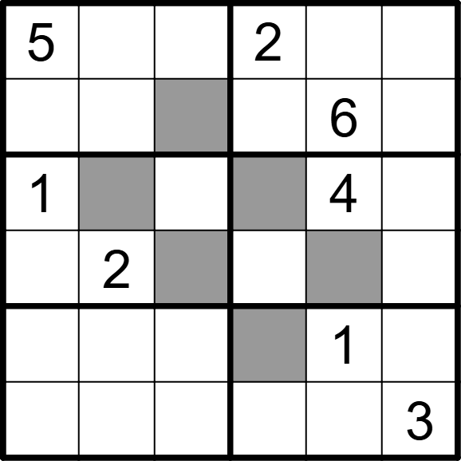 | 6 | 6 | [,6,1,,3,4], [2,3,4,1,,5], [,5,3,6,,2], [4,,6,3,5,1], [3,4,2,5,,6], [6,1,5,4,2,]
将数字 1-6 填入空格内，使每行、每列及每宫内数字均不重复。灰色格内数字大于相邻白色格内数字。 |  |  | 六宫堡垒数独 | 5 | 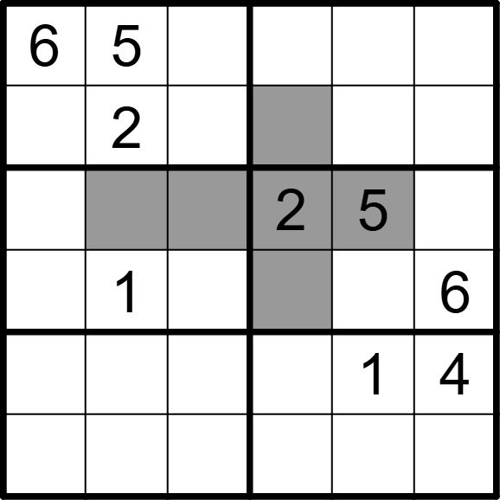 | 6 | 6 | [,,4,1,2,3], [1,,3,6,4,5], [3,4,6,,,1], [5,,2,4,3,], [2,6,5,3,,], [4,3,1,5,6,2]
将数字 1-6 填入空格内，使每行、每列及每宫内数字均不重复。灰色格内数字大于相邻白色格内数字。 |  |  | 六宫堡垒数独 | 5 | 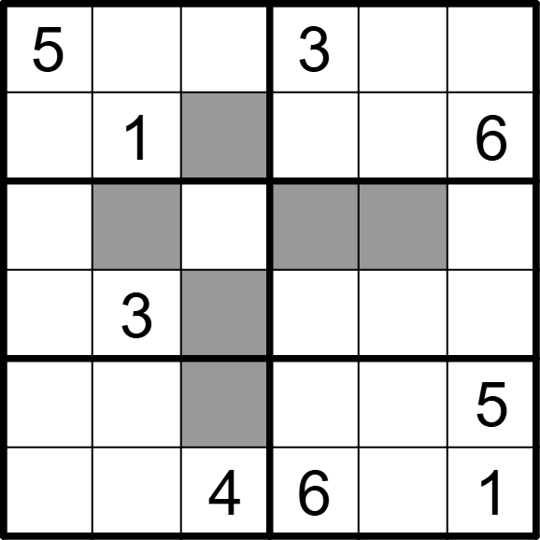 | 6 | 6 | [,6,2,,1,4], [4,,3,2,5,], [2,4,1,5,6,3], [6,,5,1,4,2], [1,2,6,4,3,], [3,5,,,2,]
将数字 1-6 填入空格内，使每行、每列及每宫内数字均不重复。灰色格内数字大于相邻白色格内数字。 |  |  | 六宫堡垒数独 | 5 | 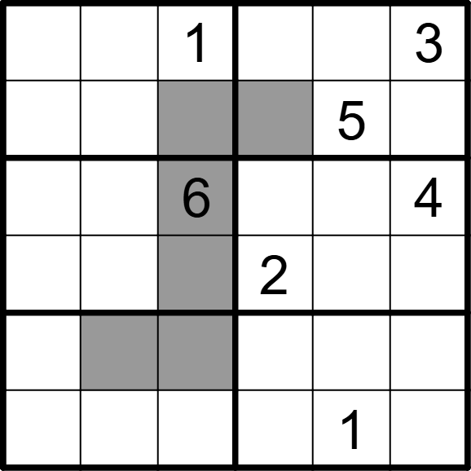 | 6 | 6 | [6,5,,4,2,], [2,3,4,6,,1], [5,2,,1,3,], [4,1,3,,6,5], [1,6,5,3,4,2], [3,4,2,5,,6]
将数字 1-6 填入空格内，使每行、每列及每宫内数字均不重复。灰色格内数字大于相邻白色格内数字。 |  |  | 六宫堡垒数独 | 5 | 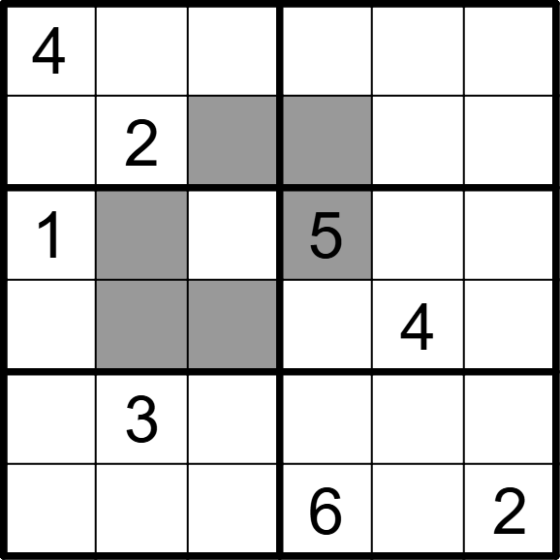 | 6 | 6 | [,5,1,2,6,3], [3,,6,4,1,5], [,4,3,,2,6], [2,6,5,3,,1], [6,,2,1,5,4], [5,1,4,,3,]
将数字 1-6 填入空格内，使每行、每列及每宫内数字均不重复。灰色格内数字大于相邻白色格内数字。 |  |  | 六宫堡垒数独 | 5 | 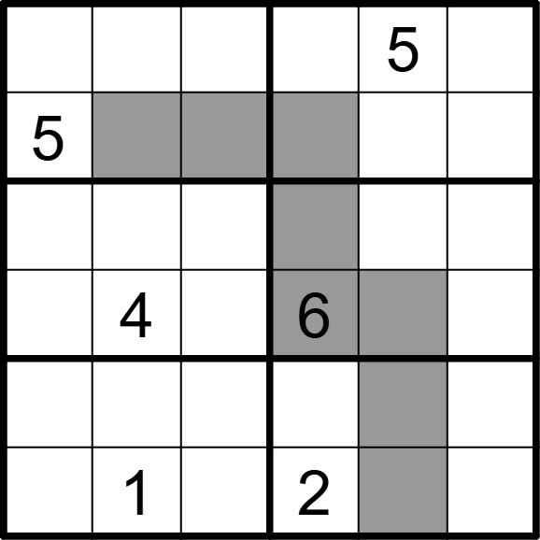 | 6 | 6 | [4,2,1,3,,6], [,6,3,4,2,1], [6,3,2,5,1,4], [1,,5,,3,2], [2,5,6,1,4,3], [3,,4,,6,5]
将数字 1-6 填入空格内，使每行、每列及每宫内数字均不重复。灰色格内数字大于相邻白色格内数字。 |  |  | 六宫堡垒数独 | 5 | 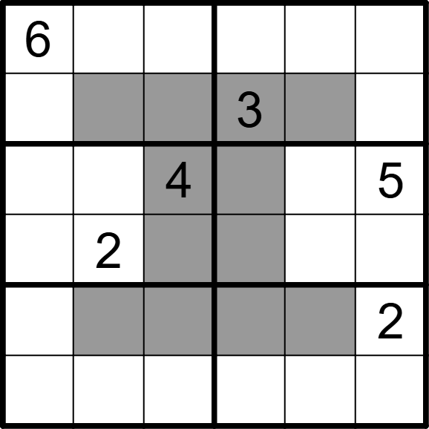 | 6 | 6 | [,3,1,2,5,4], [2,4,5,,6,1], [3,1,,6,2,], [5,,6,4,1,3], [1,6,3,5,4,], [4,5,2,1,3,6]
将数字 1-6 填入空格内，使每行、每列及每宫内数字均不重复。灰色格内数字大于相邻白色格内数字。 |  |  | 六宫堡垒数独 | 5 | 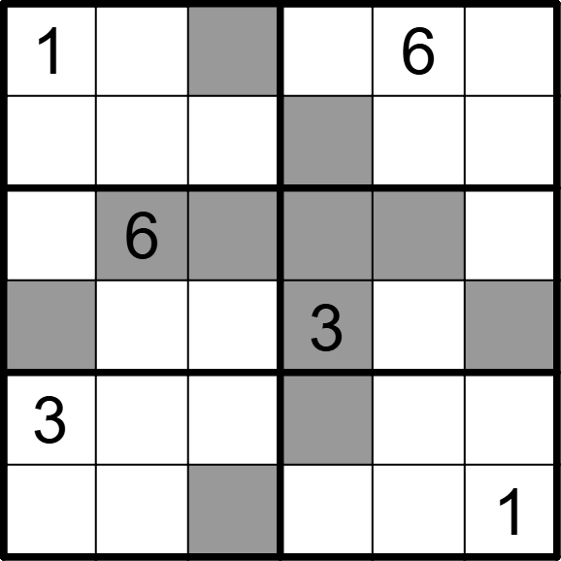 | 6 | 6 | [,3,4,2,,5], [6,5,2,4,1,3], [2,,3,1,5,4], [5,4,1,,2,6], [,1,5,6,4,2], [4,2,6,5,3,]
将数字 1-6 填入空格内，使每行、每列及每宫内数字均不重复。灰色格内数字大于相邻白色格内数字。 |  |  | 六宫堡垒数独 | 5 | 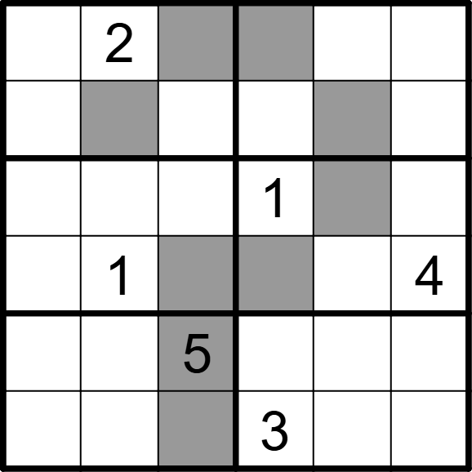 | 6 | 6 | [5,,4,6,3,1], [3,6,1,4,5,2], [4,5,2,,6,3], [6,,3,5,2,], [1,3,,2,4,6], [2,4,6,,1,5]
将数字 1-6 填入空格内，使每行、每列及每宫内数字均不重复。灰色格内数字大于相邻白色格内数字。 |  |  | 六宫堡垒数独 | 5 | 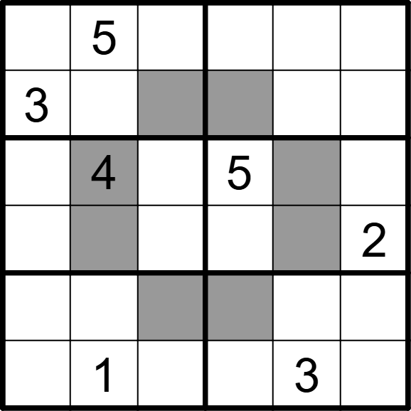 | 6 | 6 | [6,,1,3,2,4], [,2,4,6,5,1], [1,,2,,6,3], [5,6,3,1,4,], [2,3,6,4,1,5], [4,,5,2,,6]
将数字 1-6 填入空格内，使每行、每列及每宫内数字均不重复。灰色格内数字大于相邻白色格内数字。 |  |  | 六宫堡垒数独 | 5 | 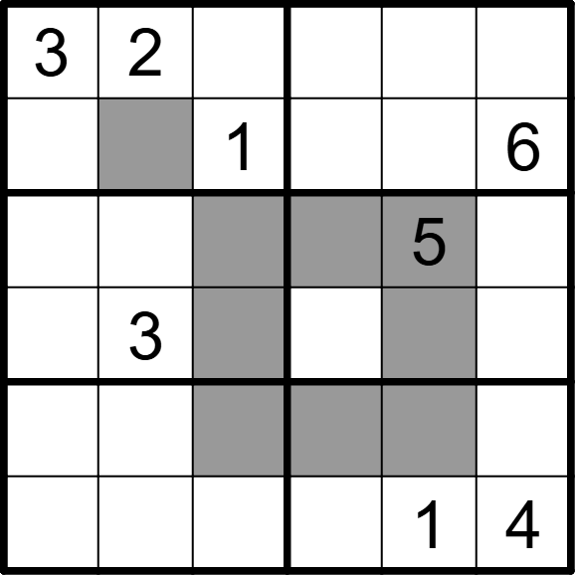 | 6 | 6 | [,,6,1,4,5], [4,5,,3,2,], [6,1,2,4,,3], [5,,4,2,6,1], [1,4,5,6,3,2], [2,6,3,5,,]
将数字 1-6 填入空格内，使每行、每列及每宫内数字均不重复。灰色格内数字大于相邻白色格内数字。 |  |  | 六宫堡垒数独 | 5 | 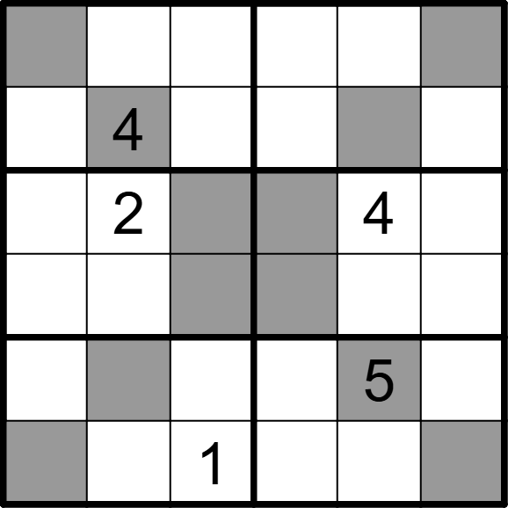 | 6 | 6 | [6,1,5,2,3,4], [3,,2,5,6,1], [1,,3,6,,5], [4,5,6,3,1,2], [2,6,4,1,,3], [5,3,,4,2,6]
将数字 1-6 填入空格内，使每行、每列及每宫内数字均不重复。灰色格内数字大于相邻白色格内数字。 |  |  | 六宫堡垒数独 | 5 | 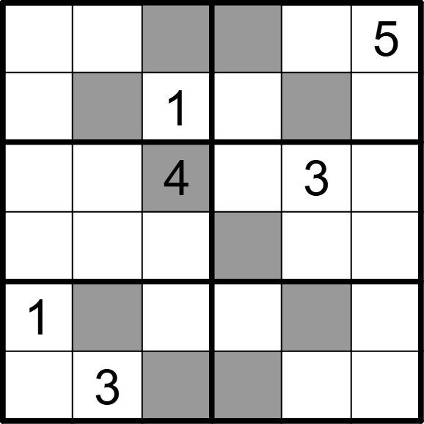 | 6 | 6 | [2,4,6,3,1,], [3,5,,2,6,4], [5,2,,1,,6], [6,1,3,5,4,2], [,6,2,4,5,3], [4,,5,6,2,1]
将数字 1-6 填入空格内，使每行、每列及每宫内数字均不重复。灰色格内数字大于相邻白色格内数字。 |  |  | 六宫堡垒数独 | 5 | 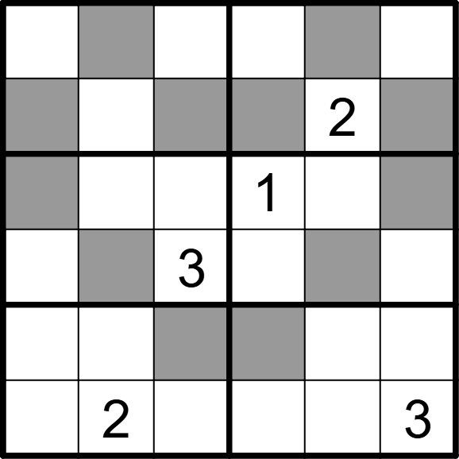 | 6 | 6 | [2,5,4,3,6,1], [3,1,6,4,,5], [5,4,2,,3,6], [1,6,,2,5,4], [4,3,5,6,1,2], [6,,1,5,4,]
将数字 1-6 填入空格内，使每行、每列及每宫内数字均不重复。灰色格内数字大于相邻白色格内数字。 |  |  | 六宫堡垒数独 | 5 | 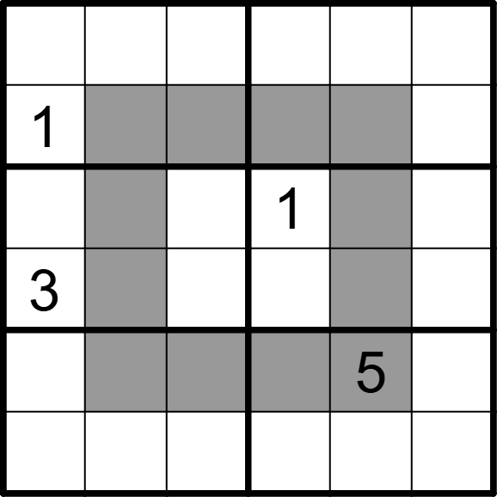 | 6 | 6 | [6,2,3,5,1,4], [,5,4,6,3,2], [5,6,2,,4,3], [,4,1,2,6,5], [2,3,6,4,,1], [4,1,5,3,2,6]
将数字 1-6 填入空格内，使每行、每列及每宫内数字均不重复。灰色格内数字大于相邻白色格内数字。 |  |  | 六宫堡垒数独 | 5 | 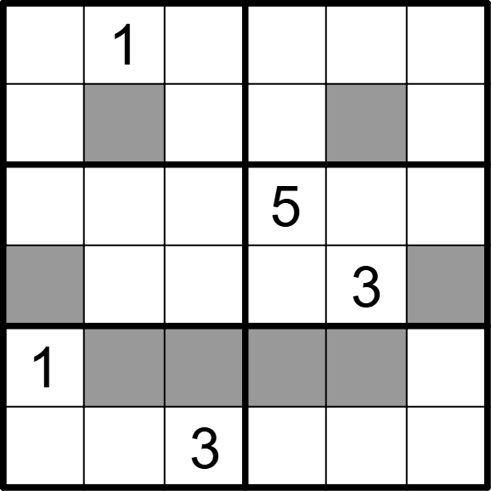 | 6 | 6 | [4,,5,6,2,3], [3,6,2,4,5,1], [2,3,6,,1,4], [5,4,1,2,,6], [,5,4,3,6,2], [6,2,,1,4,5]
将数字 1-6 填入空格内，使每行、每列及每宫内数字均不重复。灰色格内数字大于相邻白色格内数字。 |  |  | 六宫堡垒数独 | 5 | 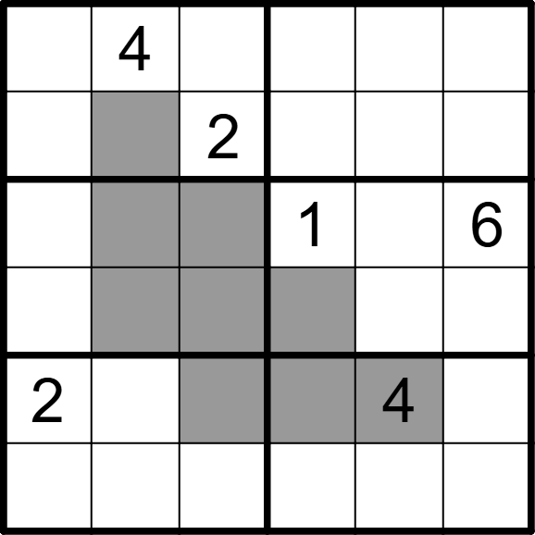 | 6 | 6 | [5,,1,3,6,2], [3,6,,4,5,1], [4,5,3,,2,], [1,2,6,5,3,4], [,1,5,6,,3], [6,3,4,2,1,5]
将数字 1-6 填入空格内，使每行、每列及每宫内数字均不重复。灰色格内数字大于相邻白色格内数字。 |  |  | 六宫堡垒数独 | 5 | 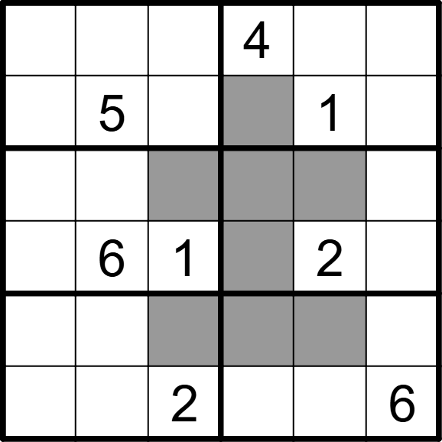 | 6 | 6 | [1,2,6,,3,5], [4,,3,6,,2], [2,4,5,3,6,1], [3,,,5,,4], [6,1,4,2,5,3], [5,3,,1,4,]
将数字 1-6 填入空格内，使每行、每列及每宫内数字均不重复。灰色格内数字大于相邻白色格内数字。 |  |  | 六宫堡垒数独 | 5 | 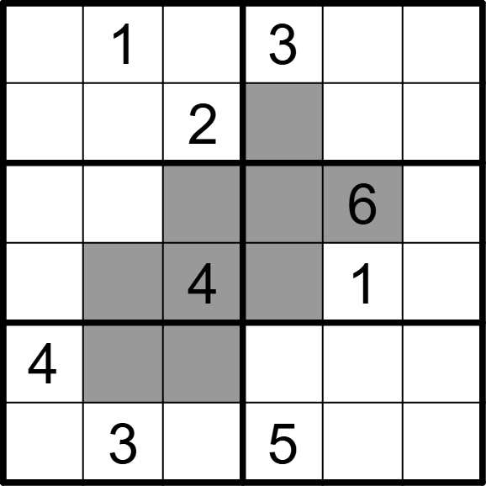 | 6 | 6 | [6,,5,,2,4], [3,4,,6,5,1], [1,2,3,4,,5], [5,6,,2,,3], [,5,6,1,3,2], [2,,1,,4,6]
将数字 1-6 填入空格内，使每行、每列及每宫内数字均不重复。灰色格内数字大于相邻白色格内数字。 |  |  | 六宫堡垒数独 | 5 | 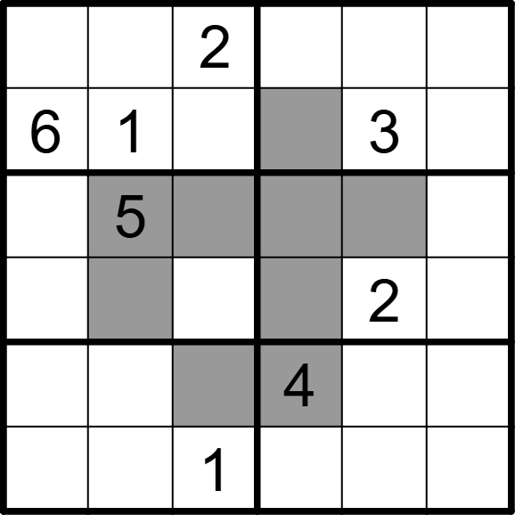 | 6 | 6 | [5,3,,1,6,4], [,,4,5,,2], [2,,6,3,4,1], [1,4,3,6,,5], [3,2,5,,1,6], [4,6,,2,5,3]
将数字 1-6 填入空格内，使每行、每列及每宫内数字均不重复。灰色格内数字大于相邻白色格内数字。 |  |  | 六宫堡垒数独 | 5 | 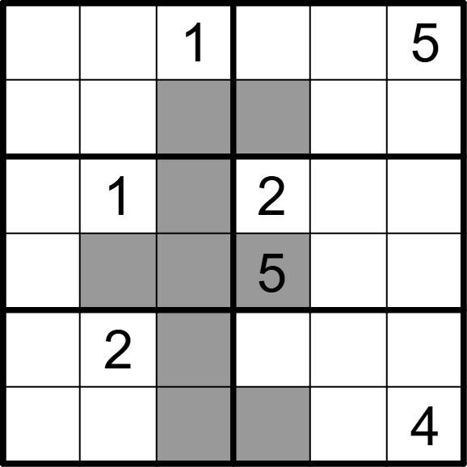 | 6 | 6 | [2,4,,3,6,], [3,5,6,4,1,2], [5,,3,,4,6], [4,6,2,,3,1], [6,,4,1,5,3], [1,3,5,6,2,]
将数字 1-6 填入空格内，使每行、每列及每宫内数字均不重复。灰色格内数字大于相邻白色格内数字。 |  |  | 六宫堡垒数独 | 5 | 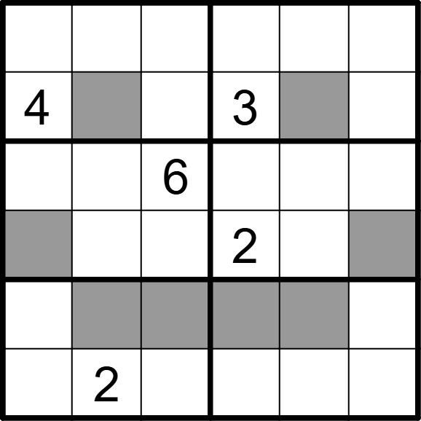 | 6 | 6 | [3,5,1,6,2,4], [,6,2,,5,1], [2,4,,5,1,3], [5,1,3,,4,6], [1,3,5,4,6,2], [6,,4,1,3,5]
将数字 1-6 填入空格内，使每行、每列及每宫内数字均不重复。灰色格内数字大于相邻白色格内数字。 |  |  | 六宫堡垒数独 | 5 | 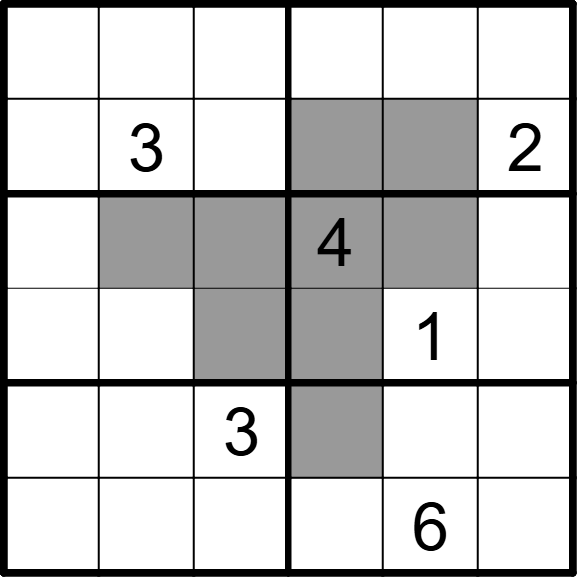 | 6 | 6 | [4,2,6,1,3,5], [5,,1,6,4,], [1,6,2,,5,3], [3,4,5,2,,6], [6,1,,5,2,4], [2,5,4,3,,1]
将数字 1-6 填入空格内，使每行、每列及每宫内数字均不重复。灰色格内数字大于相邻白色格内数字。 |  |  | 六宫堡垒数独 | 5 | 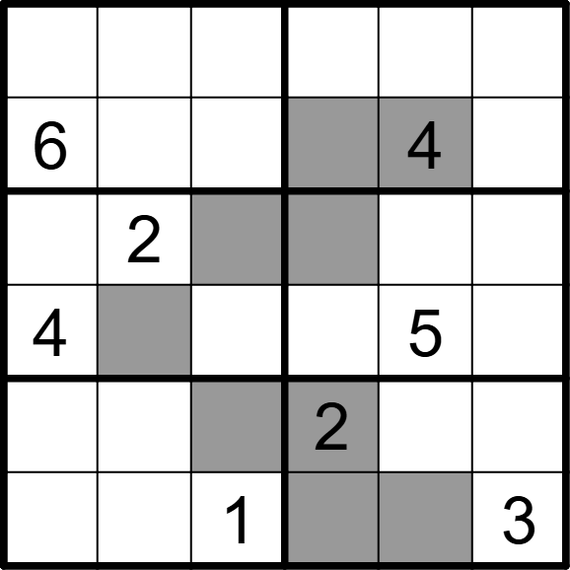 | 6 | 6 | [5,1,4,3,2,6], [,3,2,5,,1], [1,,5,6,3,4], [,6,3,1,,2], [3,4,6,,1,5], [2,5,,4,6,]
将数字 1-6 填入空格内，使每行、每列及每宫内数字均不重复。灰色格内数字大于相邻白色格内数字。 |  |  | 六宫堡垒数独 | 5 | 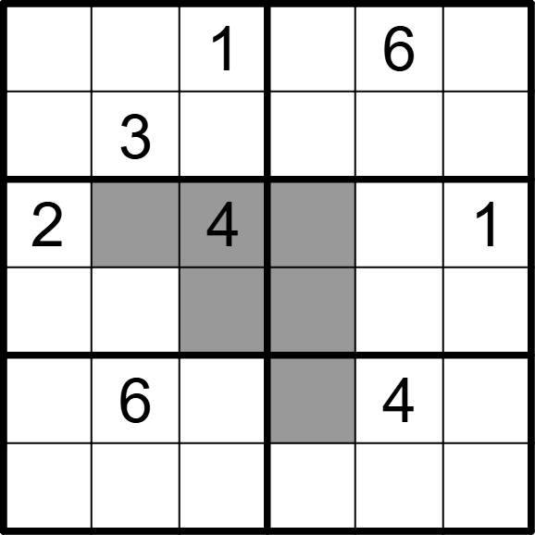 | 6 | 6 | [5,4,,2,,3], [6,,2,1,5,4], [,5,,6,3,], [3,1,6,4,2,5], [1,,3,5,,2], [4,2,5,3,1,6]
将数字 1-6 填入空格内，使每行、每列及每宫内数字均不重复。灰色格内数字大于相邻白色格内数字。 |  |  | 六宫堡垒数独 | 5 | 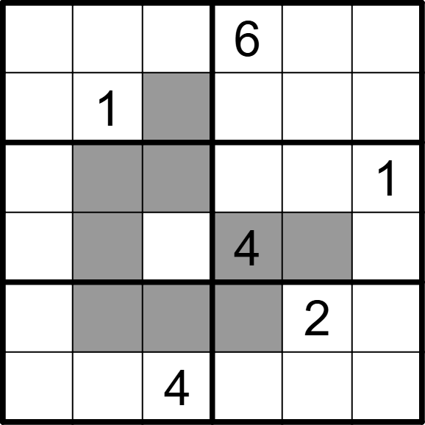 | 6 | 6 | [3,4,2,,1,5], [6,,5,3,4,2], [4,6,3,2,5,], [2,5,1,,6,3], [1,3,6,5,,4], [5,2,,1,3,6]
将数字 1-6 填入空格内，使每行、每列及每宫内数字均不重复。灰色格内数字大于相邻白色格内数字。 |  |  | 六宫堡垒数独 | 5 | 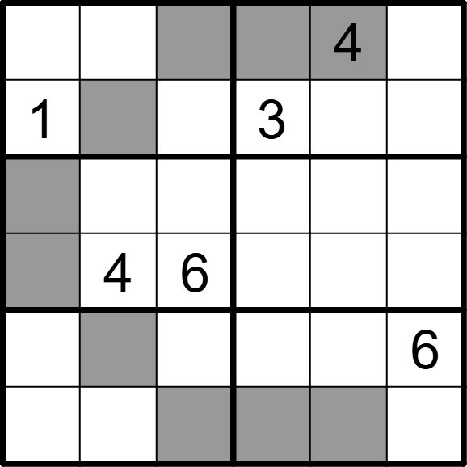 | 6 | 6 | [2,3,5,6,,1], [,6,4,,2,5], [3,2,1,5,6,4], [5,,,2,1,3], [4,5,2,1,3,], [6,1,3,4,5,2]
将数字 1-6 填入空格内，使每行、每列及每宫内数字均不重复。灰色格内数字大于相邻白色格内数字。 |  |  | 六宫堡垒数独 | 5 | 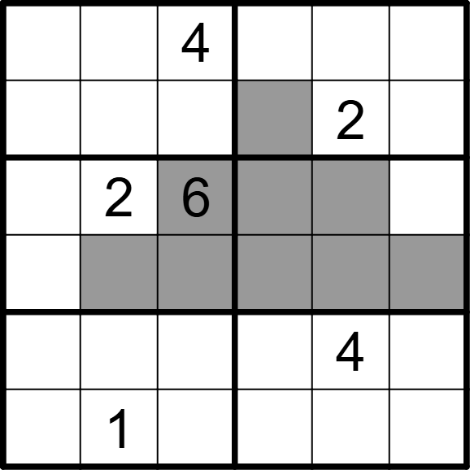 | 6 | 6 | [2,6,,5,1,3], [3,5,1,6,,4], [5,,,4,3,1], [1,4,3,2,5,6], [6,3,2,1,,5], [4,,5,3,6,2]

