试题
题目 | 题目配图 | 题目音频 | *类目 | *分数 | *数独底图 | *水平长度 | *垂直长度 | *正确答案
将数字 1-6 填入空格内，使每行、每列及每宫内数字均不重复。 |  |  | 六宫标准数独 | 5 | 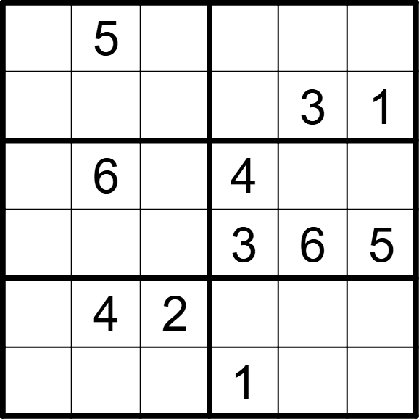 | 6 | 6 | [3,,1,2,4,6], [4,2,6,5,,], [5,,3,,1,2], [2,1,4,,,], [1,,,6,5,3], [6,3,5,,2,4]
将数字 1-6 填入空格内，使每行、每列及每宫内数字均不重复。 |  |  | 六宫标准数独 | 5 | 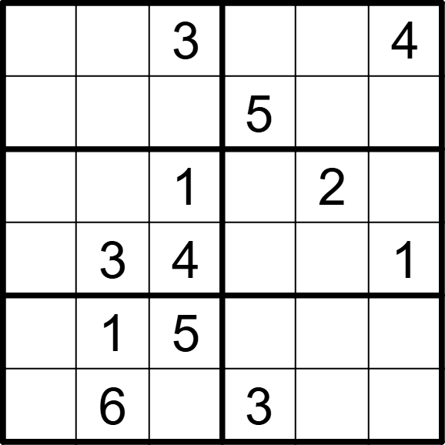 | 6 | 6 | [5,2,,1,6,], [1,4,6,,3,2], [6,5,,4,,3], [2,,,6,5,], [3,,,2,4,6], [4,,2,,1,5]
将数字 1-6 填入空格内，使每行、每列及每宫内数字均不重复。 |  |  | 六宫标准数独 | 5 | 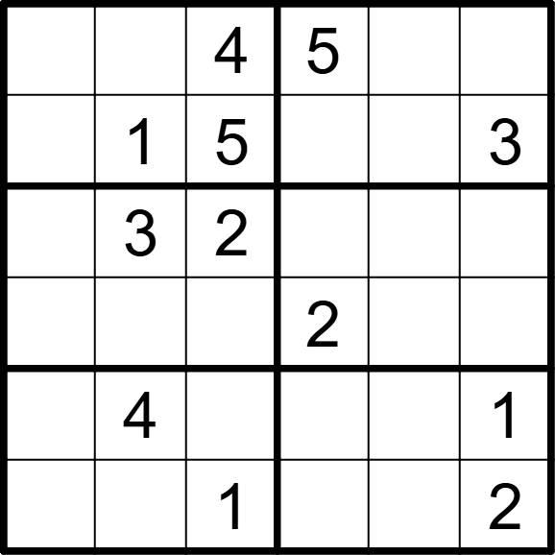 | 6 | 6 | [3,2,,,1,6], [6,,,4,2,], [4,,,1,6,5], [1,5,6,,3,4], [2,,3,6,5,], [5,6,,3,4,]
将数字 1-6 填入空格内，使每行、每列及每宫内数字均不重复。 |  |  | 六宫标准数独 | 5 | 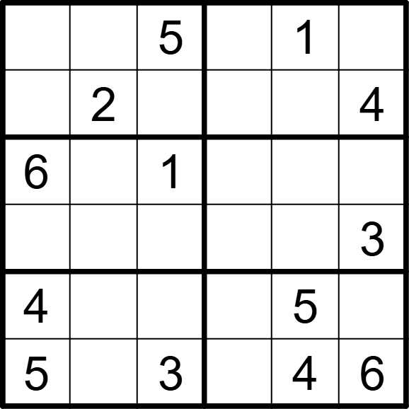 | 6 | 6 | [3,4,,6,,2], [1,,6,5,3,], [,3,,4,2,5], [2,5,4,1,6,], [,6,2,3,,1], [,1,,2,,]
将数字 1-6 填入空格内，使每行、每列及每宫内数字均不重复。 |  |  | 六宫标准数独 | 5 | 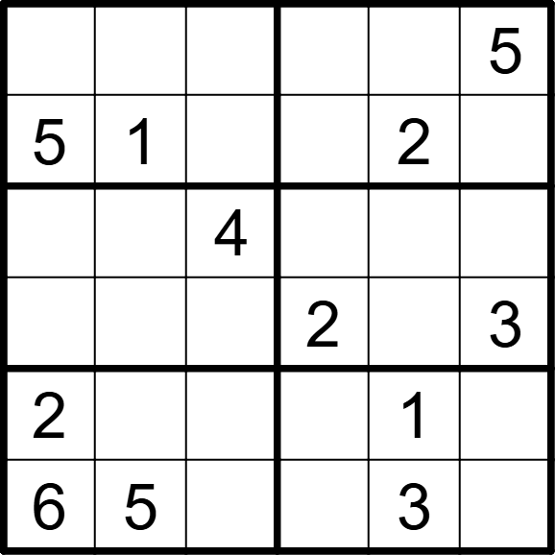 | 6 | 6 | [4,3,2,1,6,], [,,6,3,,4], [3,2,,6,5,1], [1,6,5,,4,], [,4,3,5,,6], [,,1,4,,2]
将数字 1-6 填入空格内，使每行、每列及每宫内数字均不重复。 |  |  | 六宫标准数独 | 5 | 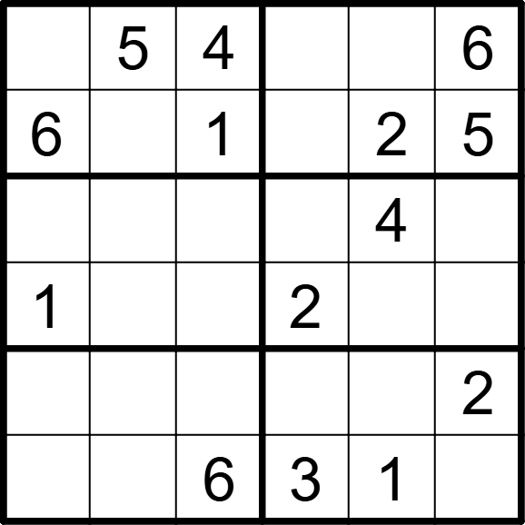 | 6 | 6 | [2,,,1,3,], [,3,,4,,], [3,6,2,5,,1], [,4,5,,6,3], [4,1,3,6,5,], [5,2,,,,4]
将数字 1-6 填入空格内，使每行、每列及每宫内数字均不重复。 |  |  | 六宫标准数独 | 5 | 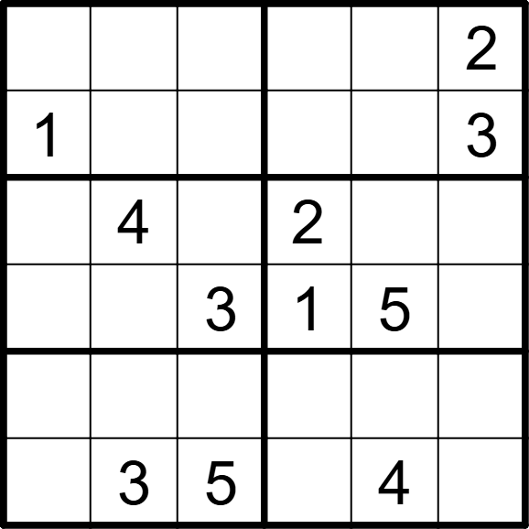 | 6 | 6 | [3,6,4,5,1,], [,5,2,4,6,], [5,,1,,3,6], [6,2,,,,4], [4,1,6,3,2,5], [2,,,6,,1]
将数字 1-6 填入空格内，使每行、每列及每宫内数字均不重复。 |  |  | 六宫标准数独 | 5 | 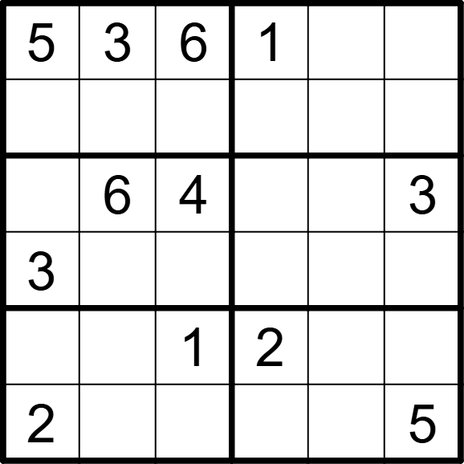 | 6 | 6 | [,,,,4,2], [4,1,2,3,5,6], [1,,,5,2,], [,2,5,4,6,1], [6,5,,,3,4], [,4,3,6,1,]
将数字 1-6 填入空格内，使每行、每列及每宫内数字均不重复。 |  |  | 六宫标准数独 | 5 | 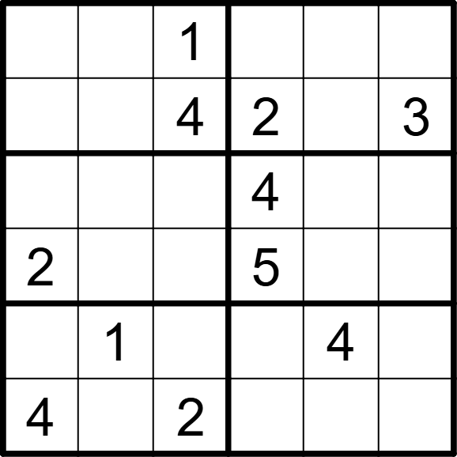 | 6 | 6 | [3,2,,6,5,4], [5,6,,,1,], [1,5,3,,2,6], [,4,6,,3,1], [6,,5,3,,2], [,3,,1,6,5]
将数字 1-6 填入空格内，使每行、每列及每宫内数字均不重复。 |  |  | 六宫标准数独 | 5 | 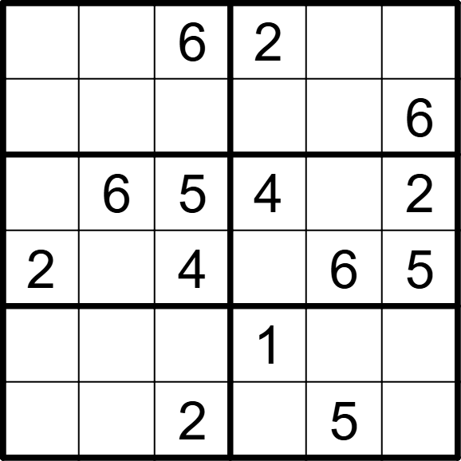 | 6 | 6 | [5,3,,,4,1], [4,2,1,5,3,], [3,,,,1,], [,1,,3,,], [6,5,3,,2,4], [1,4,,6,,3]
将数字 1-6 填入空格内，使每行、每列及每宫内数字均不重复。 |  |  | 六宫标准数独 | 5 | 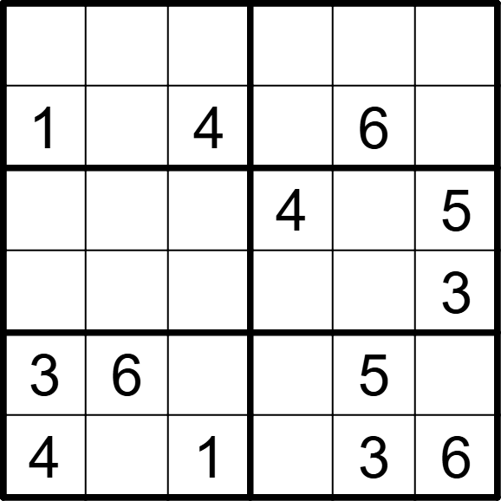 | 6 | 6 | [5,2,6,3,4,1], [,3,,5,,2], [6,1,3,,2,], [2,4,5,6,1,], [,,2,1,,4], [,5,,2,,]
将数字 1-6 填入空格内，使每行、每列及每宫内数字均不重复。 |  |  | 六宫标准数独 | 5 | 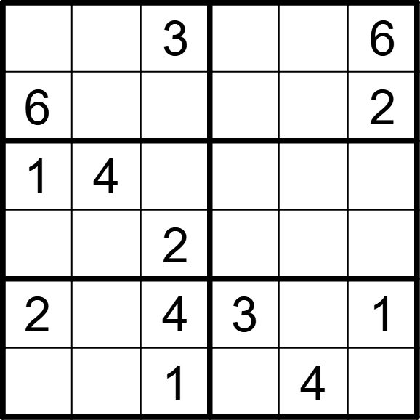 | 6 | 6 | [4,2,,1,5,], [,1,5,4,3,], [,,6,5,2,3], [5,3,,6,1,4], [,5,,,6,], [3,6,,2,,5]
将数字 1-6 填入空格内，使每行、每列及每宫内数字均不重复。 |  |  | 六宫标准数独 | 5 | 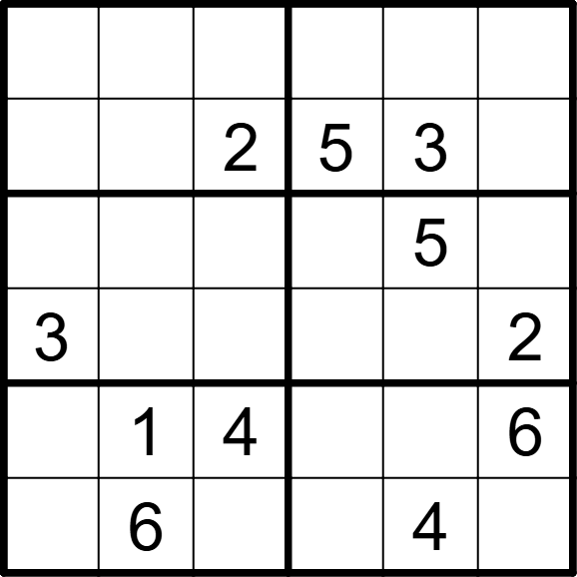 | 6 | 6 | [1,3,5,2,6,4], [6,4,,,,1], [4,2,1,6,,3], [,5,6,4,1,], [5,,,3,2,], [2,,3,1,,5]
将数字 1-6 填入空格内，使每行、每列及每宫内数字均不重复。 |  |  | 六宫标准数独 | 5 | 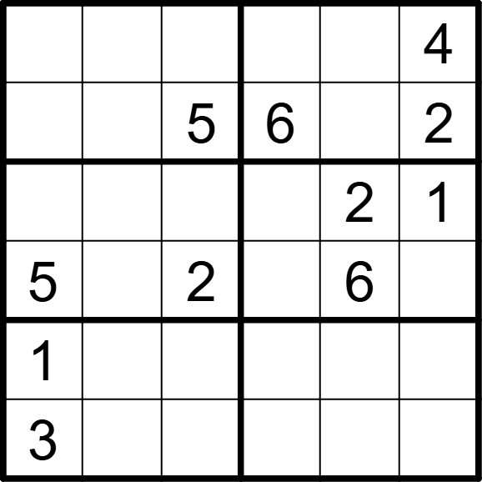 | 6 | 6 | [2,6,1,3,5,], [4,3,,,1,], [6,4,3,5,,], [,1,,4,,3], [,5,4,2,3,6], [,2,6,1,4,5]
将数字 1-6 填入空格内，使每行、每列及每宫内数字均不重复。 |  |  | 六宫标准数独 | 5 | 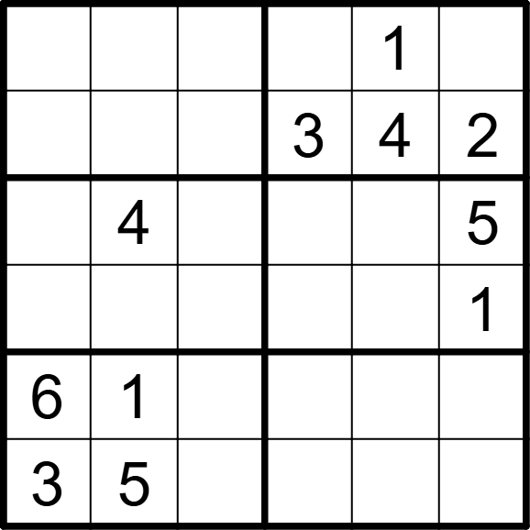 | 6 | 6 | [4,2,3,5,,6], [1,6,5,,,], [2,,1,6,3,], [5,3,6,4,2,], [,,4,2,5,3], [,,2,1,6,4]
将数字 1-6 填入空格内，使每行、每列及每宫内数字均不重复。 |  |  | 六宫标准数独 | 5 | 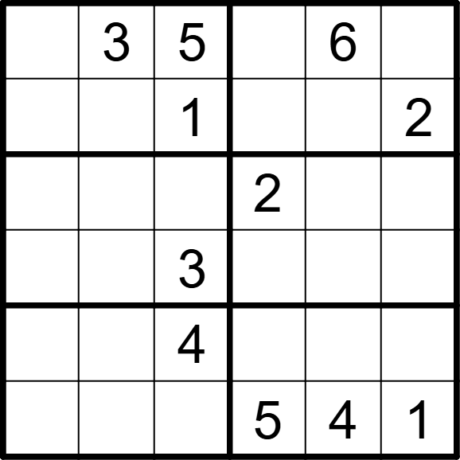 | 6 | 6 | [2,,,1,,4], [6,4,,3,5,], [4,1,6,,3,5], [5,2,,4,1,6], [1,5,,6,2,3], [3,6,2,,,]
将数字 1-6 填入空格内，使每行、每列及每宫内数字均不重复。 |  |  | 六宫标准数独 | 5 | 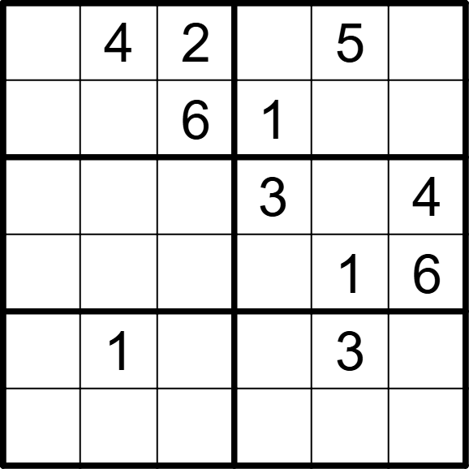 | 6 | 6 | [1,,,6,,3], [3,5,,,4,2], [5,6,1,,2,], [4,2,3,5,,], [6,,4,2,,5], [2,3,5,4,6,1]
将数字 1-6 填入空格内，使每行、每列及每宫内数字均不重复。 |  |  | 六宫标准数独 | 5 | 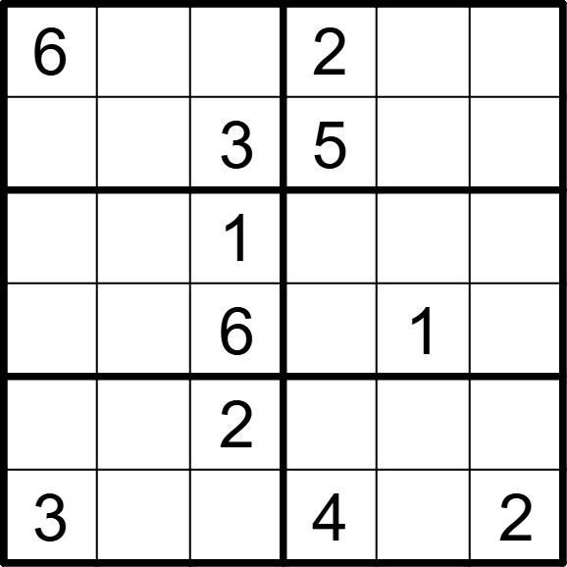 | 6 | 6 | [,5,4,,3,1], [1,2,,,4,6], [5,3,,6,2,4], [2,4,,3,,5], [4,6,,1,5,3], [,1,5,,6,]
将数字 1-6 填入空格内，使每行、每列及每宫内数字均不重复。 |  |  | 六宫标准数独 | 5 | 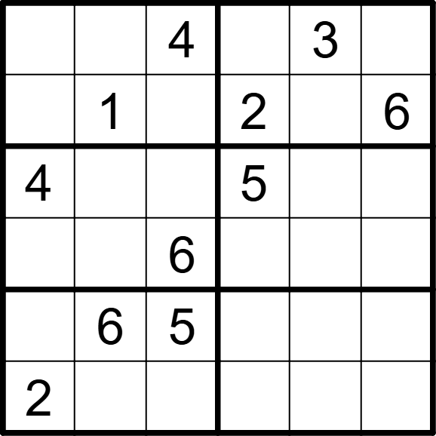 | 6 | 6 | [6,2,,1,,5], [5,,3,,4,], [,3,2,,6,1], [1,5,,3,2,4], [3,,,4,1,2], [,4,1,6,5,3]
将数字 1-6 填入空格内，使每行、每列及每宫内数字均不重复。 |  |  | 六宫标准数独 | 5 | 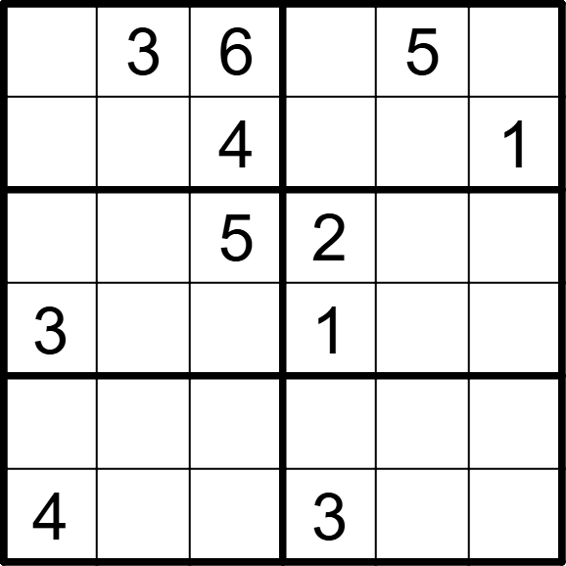 | 6 | 6 | [1,,,4,,2], [5,2,,6,3,], [6,1,,,4,3], [,4,2,,6,5], [2,6,3,5,1,4], [,5,1,,2,6]
将数字 1-6 填入空格内，使每行、每列及每宫内数字均不重复。 |  |  | 六宫标准数独 | 5 | 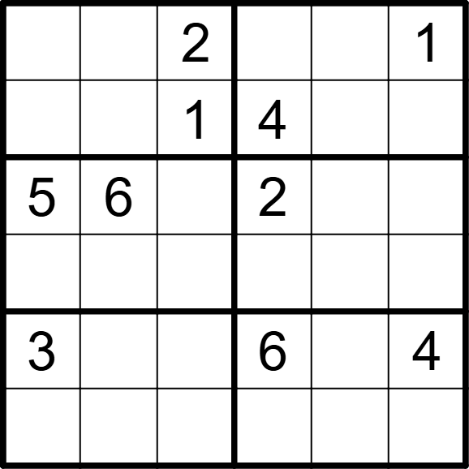 | 6 | 6 | [4,5,,3,6,], [6,3,,,5,2], [,,4,,1,3], [1,2,3,5,4,6], [,1,5,,2,], [2,4,6,1,3,5]
将数字 1-6 填入空格内，使每行、每列及每宫内数字均不重复。 |  |  | 六宫标准数独 | 5 | 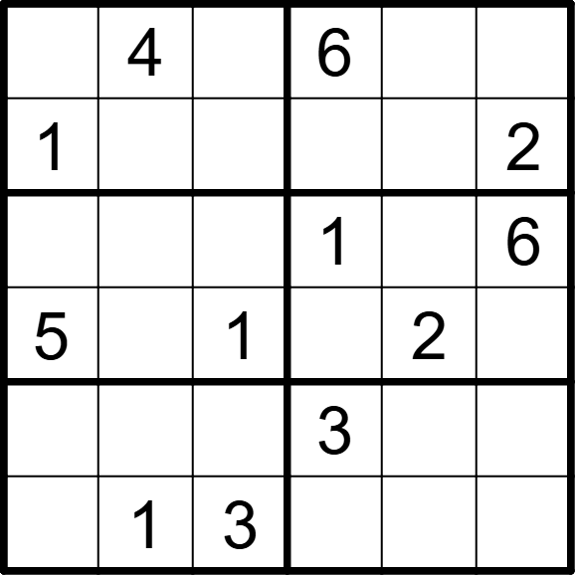 | 6 | 6 | [2,,5,,3,1], [,3,6,5,4,], [3,2,4,,5,], [,6,,4,,3], [6,5,2,,1,4], [4,,,2,6,5]
将数字 1-6 填入空格内，使每行、每列及每宫内数字均不重复。 |  |  | 六宫标准数独 | 5 | 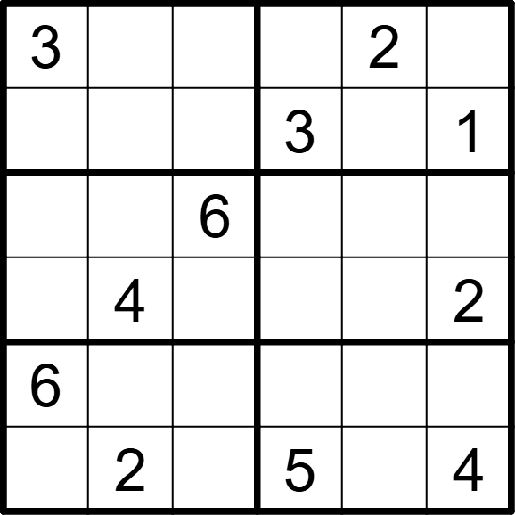 | 6 | 6 | [,1,5,4,,6], [4,6,2,,5,], [2,3,,1,4,5], [5,,1,6,3,], [,5,4,2,1,3], [1,,3,,6,]
将数字 1-6 填入空格内，使每行、每列及每宫内数字均不重复。 |  |  | 六宫标准数独 | 5 | 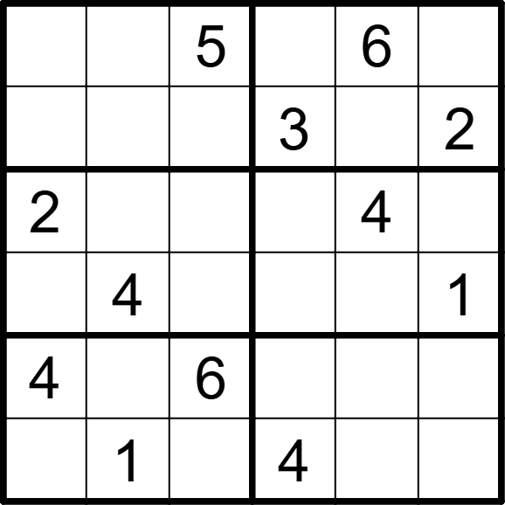 | 6 | 6 | [3,2,,1,,4], [1,6,4,,5,], [,5,1,6,,3], [6,,3,5,2,], [,3,,2,1,5], [5,,2,,3,6]
将数字 1-6 填入空格内，使每行、每列及每宫内数字均不重复。 |  |  | 六宫标准数独 | 5 | 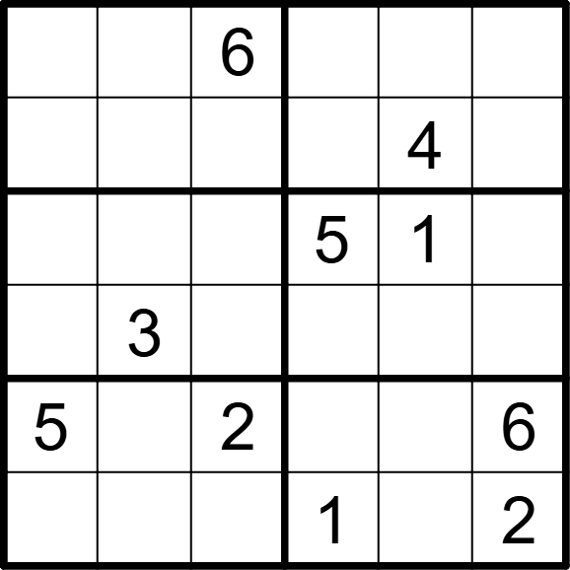 | 6 | 6 | [4,5,,3,2,1], [3,2,1,6,,5], [2,6,4,,,3], [1,,5,2,6,4], [,1,,4,3,], [6,4,3,,5,]
将数字 1-6 填入空格内，使每行、每列及每宫内数字均不重复。 |  |  | 六宫标准数独 | 5 | 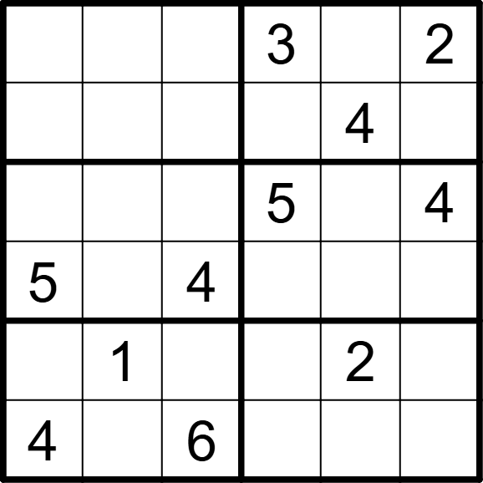 | 6 | 6 | [6,4,1,,5,], [2,5,3,6,,1], [1,3,2,,6,], [,6,,2,1,3], [3,,5,4,,6], [,2,,1,3,5]
将数字 1-6 填入空格内，使每行、每列及每宫内数字均不重复。 |  |  | 六宫标准数独 | 5 | 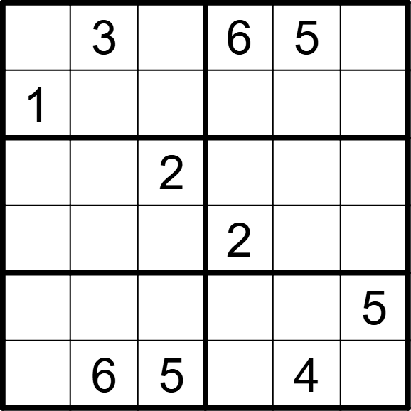 | 6 | 6 | [2,,4,,,1], [,5,6,4,2,3], [6,1,,5,3,4], [5,4,3,,1,6], [4,2,1,3,6,], [3,,,1,,2]
将数字 1-6 填入空格内，使每行、每列及每宫内数字均不重复。 |  |  | 六宫标准数独 | 5 | 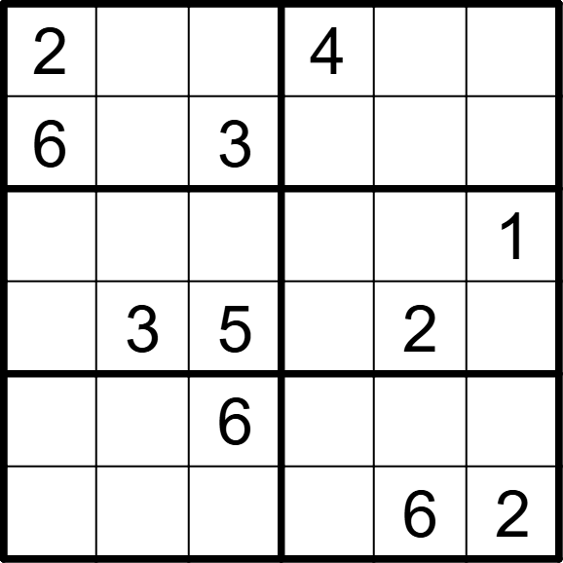 | 6 | 6 | [,5,1,,3,6], [,4,,2,1,5], [4,6,2,3,5,], [1,,,6,,4], [5,2,,1,4,3], [3,1,4,5,,]
将数字 1-6 填入空格内，使每行、每列及每宫内数字均不重复。 |  |  | 六宫标准数独 | 5 | 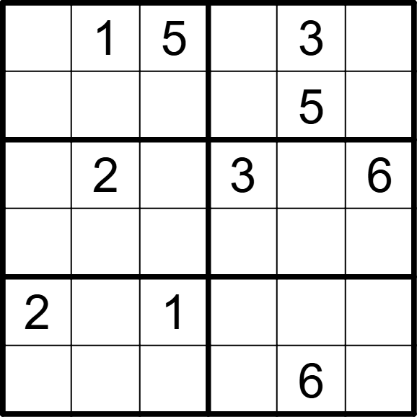 | 6 | 6 | [6,,,2,,4], [3,4,2,6,,1], [5,,4,,1,], [1,3,6,4,2,5], [,6,,5,4,3], [4,5,3,1,,2]
将数字 1-6 填入空格内，使每行、每列及每宫内数字均不重复。 |  |  | 六宫标准数独 | 5 | 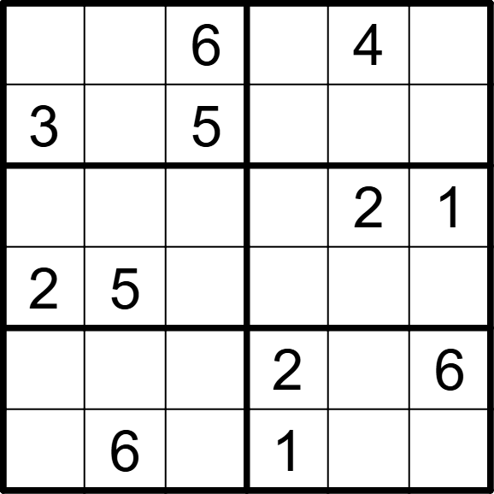 | 6 | 6 | [1,2,,3,,5], [,4,,6,1,2], [6,3,4,5,,], [,,1,4,6,3], [4,1,3,,5,], [5,,2,,3,4]
将数字 1-6 填入空格内，使每行、每列及每宫内数字均不重复。 |  |  | 六宫标准数独 | 5 | 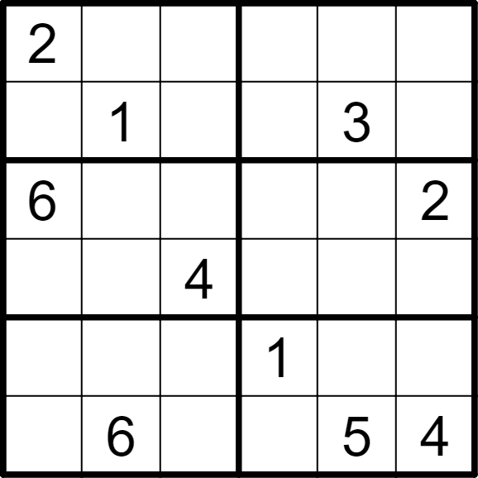 | 6 | 6 | [,5,3,4,6,1], [4,,6,2,,5], [,3,1,5,4,], [5,2,,6,1,3], [3,4,5,,2,6], [1,,2,3,,]
将数字 1-6 填入空格内，使每行、每列及每宫内数字均不重复。 |  |  | 六宫标准数独 | 5 | 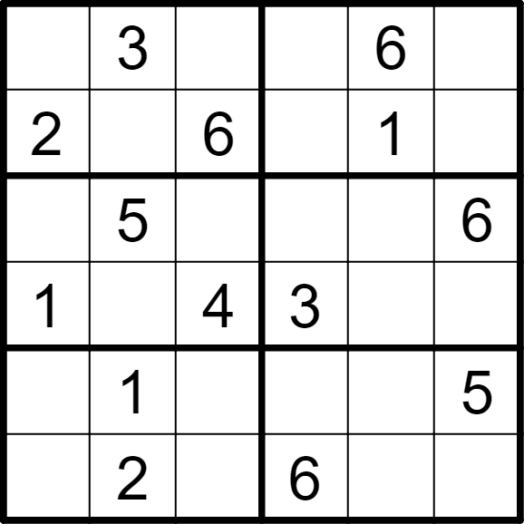 | 6 | 6 | [5,,1,2,,4], [,4,,5,,3], [3,,2,1,4,], [,6,,,5,2], [6,,3,4,2,], [4,,5,,3,1]
将数字 1-6 填入空格内，使每行、每列及每宫内数字均不重复。 |  |  | 六宫标准数独 | 5 | 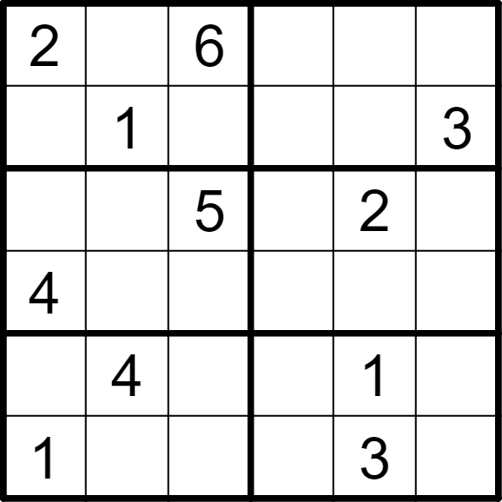 | 6 | 6 | [,3,,1,4,5], [5,,4,2,6,], [3,6,,4,,1], [,2,1,3,5,6], [6,,3,5,,2], [,5,2,6,,4]
将数字 1-6 填入空格内，使每行、每列及每宫内数字均不重复。 |  |  | 六宫标准数独 | 5 | 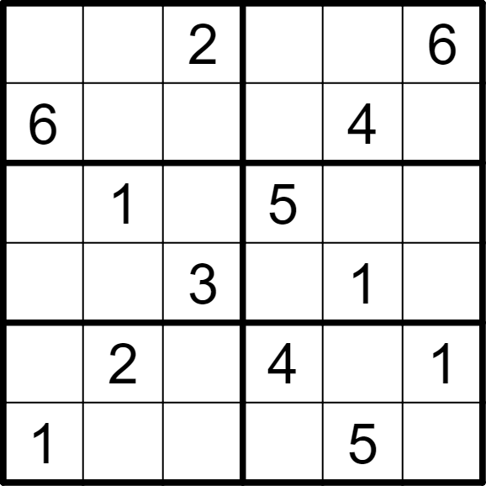 | 6 | 6 | [5,4,,1,3,], [,3,1,2,,5], [4,,6,,2,3], [2,5,,6,,4], [3,,5,,6,], [,6,4,3,,2]
将数字 1-6 填入空格内，使每行、每列及每宫内数字均不重复。 |  |  | 六宫标准数独 | 5 | 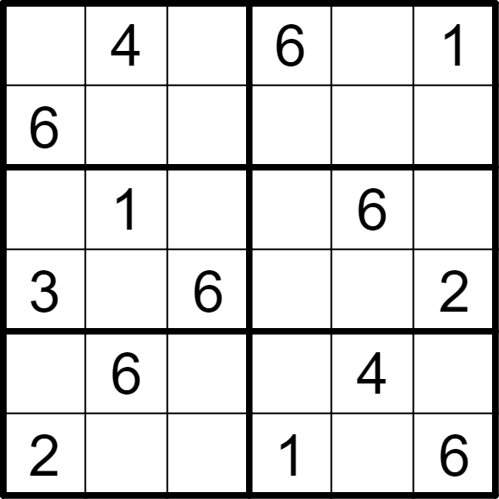 | 6 | 6 | [5,,3,,2,], [,2,1,5,3,4], [4,,2,3,,5], [,5,,4,1,], [1,,5,2,,3], [,3,4,,5,]
将数字 1-6 填入空格内，使每行、每列及每宫内数字均不重复。 |  |  | 六宫标准数独 | 5 | 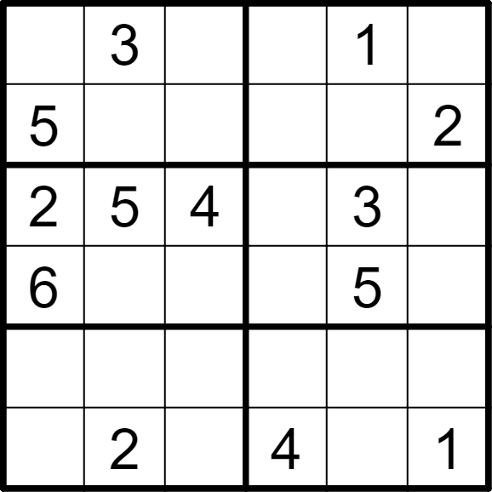 | 6 | 6 | [4,,2,6,,5], [,6,1,3,4,], [,,,1,,6], [,1,3,2,,4], [1,4,6,5,2,3], [3,,5,,6,]
将数字 1-6 填入空格内，使每行、每列及每宫内数字均不重复。 |  |  | 六宫标准数独 | 5 | 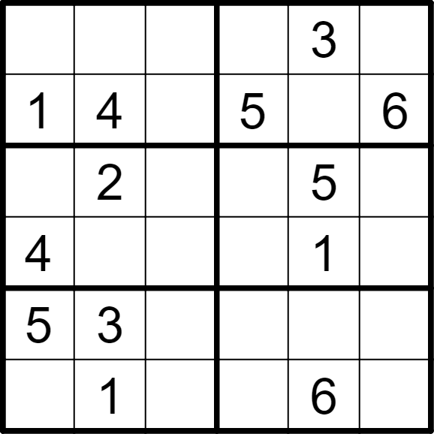 | 6 | 6 | [6,5,2,4,,1], [,,3,,2,], [3,,1,6,,4], [,6,5,2,,3], [,,6,1,4,2], [2,,4,3,,5]
将数字 1-6 填入空格内，使每行、每列及每宫内数字均不重复。 |  |  | 六宫标准数独 | 5 | 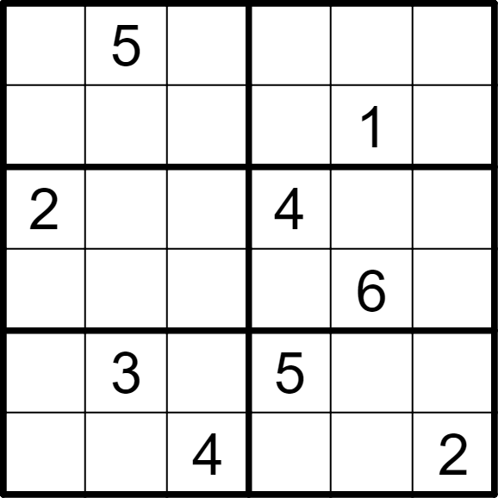 | 6 | 6 | [6,,1,3,2,4], [4,2,3,6,,5], [,1,6,,5,3], [3,4,5,2,,1], [1,,2,,4,6], [5,6,,1,3,]
将数字 1-6 填入空格内，使每行、每列及每宫内数字均不重复。 |  |  | 六宫标准数独 | 5 | 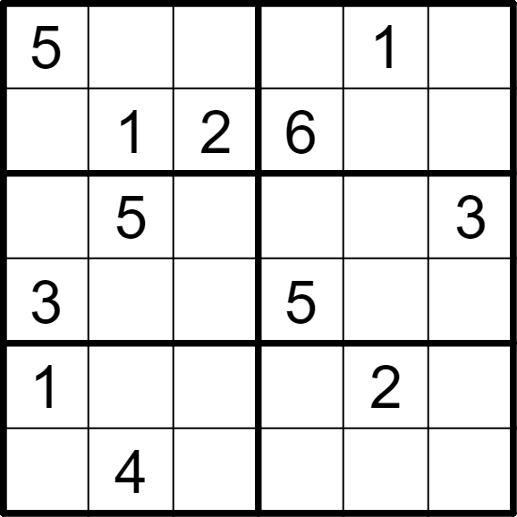 | 6 | 6 | [,3,6,4,,2], [4,,,,3,5], [6,,1,2,4,], [,2,4,,6,1], [,6,5,3,,4], [2,,3,1,5,6]
将数字 1-6 填入空格内，使每行、每列及每宫内数字均不重复。 |  |  | 六宫标准数独 | 5 | 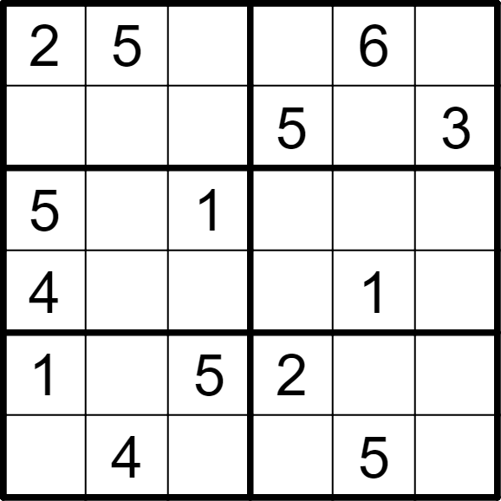 | 6 | 6 | [,,3,4,,1], [6,1,4,,2,], [,3,,6,4,2], [,2,6,3,,5], [,6,,,3,4], [3,,2,1,,6]
将数字 1-6 填入空格内，使每行、每列及每宫内数字均不重复。 |  |  | 六宫标准数独 | 5 | 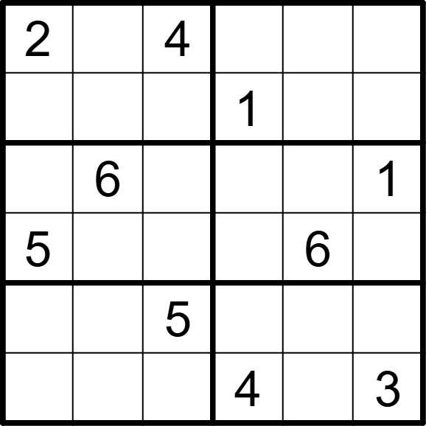 | 6 | 6 | [,1,,6,3,5], [6,5,3,,2,4], [3,,2,5,4,], [,4,1,3,,2], [4,3,,2,1,6], [1,2,6,,5,]
将数字 1-6 填入空格内，使每行、每列及每宫内数字均不重复。 |  |  | 六宫标准数独 | 5 | 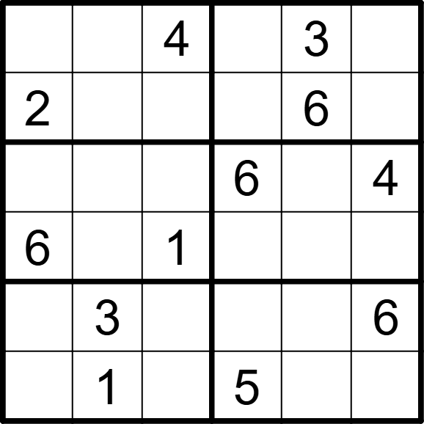 | 6 | 6 | [1,6,,2,,5], [,5,3,4,,1], [3,2,5,,1,], [,4,,3,5,2], [5,,2,1,4,], [4,,6,,2,3]
将数字 1-6 填入空格内，使每行、每列及每宫内数字均不重复。 |  |  | 六宫标准数独 | 5 | 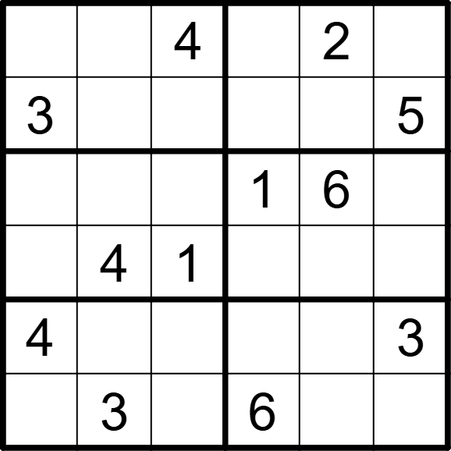 | 6 | 6 | [1,5,,3,,6], [,6,2,4,1,], [5,2,3,,,4], [6,,,5,3,2], [,1,6,2,5,], [2,,5,,4,1]
将数字 1-6 填入空格内，使每行、每列及每宫内数字均不重复。 |  |  | 六宫标准数独 | 5 | 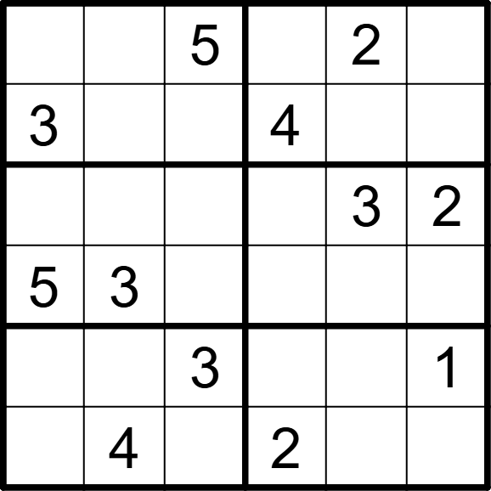 | 6 | 6 | [4,1,,3,,6], [,2,6,,1,5], [1,6,4,5,,], [,,2,1,6,4], [2,5,,6,4,], [6,,1,,5,3]
将数字 1-6 填入空格内，使每行、每列及每宫内数字均不重复。 |  |  | 六宫标准数独 | 5 | 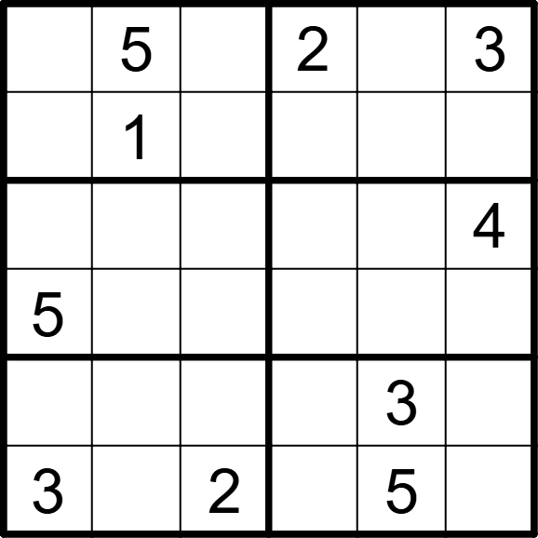 | 6 | 6 | [4,,6,,1,], [2,,3,6,4,5], [6,3,1,5,2,], [,2,4,3,6,1], [1,6,5,4,,2], [,4,,1,,6]
将数字 1-6 填入空格内，使每行、每列及每宫内数字均不重复。 |  |  | 六宫标准数独 | 5 | 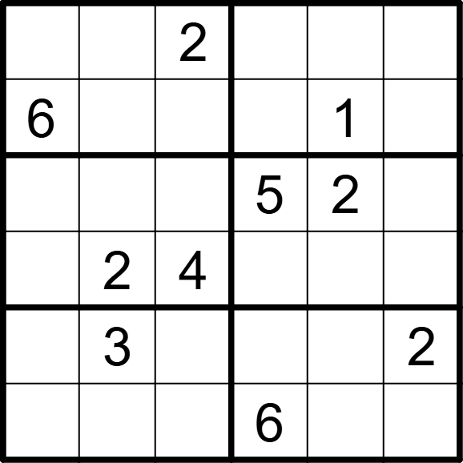 | 6 | 6 | [1,5,,4,3,6], [,4,3,2,,5], [3,6,1,,,4], [5,,,3,6,1], [4,,6,1,5,], [2,1,5,,4,3]
将数字 1-6 填入空格内，使每行、每列及每宫内数字均不重复。 |  |  | 六宫标准数独 | 5 | 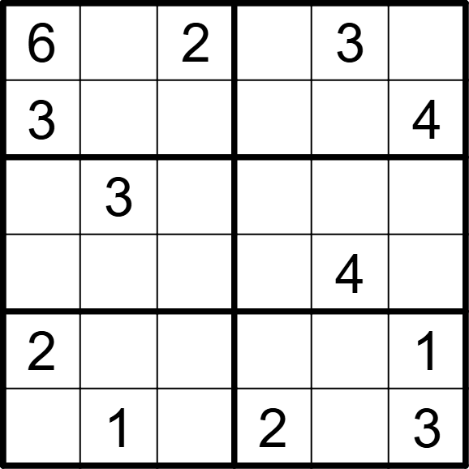 | 6 | 6 | [,4,,1,,5], [,5,1,6,2,], [4,,6,5,1,2], [1,2,5,3,,6], [,6,3,4,5,], [5,,4,,6,]
将数字 1-6 填入空格内，使每行、每列及每宫内数字均不重复。 |  |  | 六宫标准数独 | 5 | 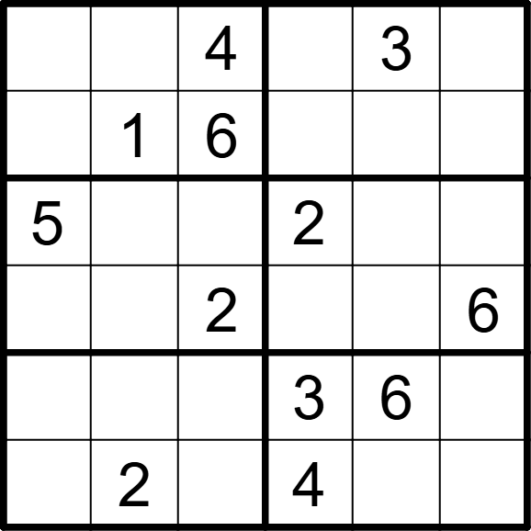 | 6 | 6 | [2,5,,6,,1], [3,,,5,2,4], [,6,1,,4,3], [4,3,,1,5,], [1,4,5,,,2], [6,,3,,1,5]
将数字 1-6 填入空格内，使每行、每列及每宫内数字均不重复。 |  |  | 六宫标准数独 | 5 | 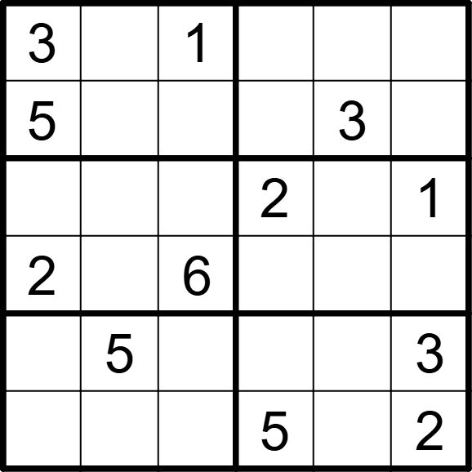 | 6 | 6 | [,6,,4,2,5], [,2,4,1,,6], [4,3,5,,6,], [,1,,3,5,4], [1,,2,6,4,], [6,4,3,,1,]
将数字 1-6 填入空格内，使每行、每列及每宫内数字均不重复。 |  |  | 六宫标准数独 | 5 | 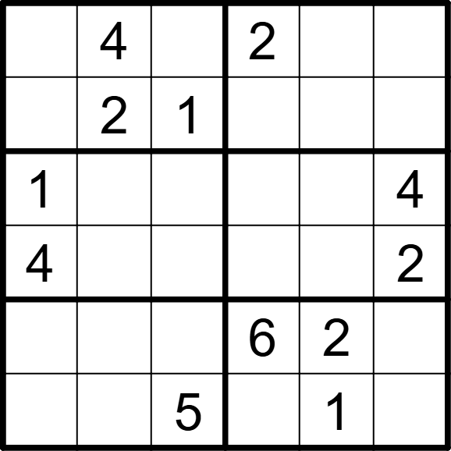 | 6 | 6 | [6,,3,,5,1], [5,,,3,4,6], [,3,2,5,6,], [,5,6,1,3,], [3,1,4,,,5], [2,6,,4,,3]
将数字 1-6 填入空格内，使每行、每列及每宫内数字均不重复。 |  |  | 六宫标准数独 | 5 |  | 6 | 6 | [,,6,5,4,1], [4,1,5,,,6], [,2,,4,6,3], [6,4,3,,5,], [3,,,2,1,5], [1,5,2,6,,]
将数字 1-6 填入空格内，使每行、每列及每宫内数字均不重复。 |  |  | 六宫标准数独 | 5 |  | 6 | 6 | [5,,3,1,4,6], [4,1,6,,,2], [,6,,2,1,], [,4,2,,5,], [2,,,3,6,1], [6,3,1,4,,5]
将数字 1-6 填入空格内，使每行、每列及每宫内数字均不重复。 |  |  | 六宫标准数独 | 5 |  | 6 | 6 | [6,5,1,,,3], [,,4,5,6,1], [4,3,5,,2,], [,1,,4,3,5], [1,6,2,3,,], [5,,,6,1,2]
将数字 1-6 填入空格内，使每行、每列及每宫内数字均不重复。 |  |  | 六宫标准数独 | 5 |  | 6 | 6 | [,,3,,6,4], [4,2,6,5,,1], [,4,,3,5,2], [2,3,5,,1,], [5,,4,6,2,3], [3,6,,1,,]
将数字 1-6 填入空格内，使每行、每列及每宫内数字均不重复。 |  |  | 六宫标准数独 | 5 |  | 6 | 6 | [3,,,6,5,1], [6,1,5,,3,], [,,6,5,4,3], [4,5,3,1,,], [,3,,2,6,4], [2,6,4,,,5]
将数字 1-6 填入空格内，使每行、每列及每宫内数字均不重复。 |  |  | 六宫标准数独 | 5 |  | 6 | 6 | [2,,4,,1,], [5,3,,2,6,4], [,4,5,,2,1], [1,2,,4,5,], [4,5,6,,3,2], [,1,,6,,5]
将数字 1-6 填入空格内，使每行、每列及每宫内数字均不重复。 |  |  | 六宫标准数独 | 5 |  | 6 | 6 | [5,4,2,,6,1], [3,,,5,2,], [,6,,2,1,5], [1,2,5,,4,], [,3,4,,,6], [6,5,,4,3,2]
将数字 1-6 填入空格内，使每行、每列及每宫内数字均不重复。 |  |  | 六宫标准数独 | 5 |  | 6 | 6 | [1,,,4,2,6], [6,4,2,,1,3], [3,6,,1,5,], [,1,5,,3,4], [4,2,,3,6,5], [5,3,6,,,1]
将数字 1-6 填入空格内，使每行、每列及每宫内数字均不重复。 |  |  | 六宫标准数独 | 5 |  | 6 | 6 | [5,,3,,1,4], [1,,2,3,6,5], [2,5,4,,3,], [,3,,5,4,2], [3,2,6,4,,1], [4,1,,6,,3]
将数字 1-6 填入空格内，使每行、每列及每宫内数字均不重复。 |  |  | 六宫标准数独 | 5 |  | 6 | 6 | [1,,4,5,2,], [,5,,6,4,1], [6,2,3,,,4], [5,,,3,6,2], [4,3,5,,1,], [,1,6,4,,5]
将数字 1-6 填入空格内，使每行、每列及每宫内数字均不重复。 |  |  | 六宫标准数独 | 5 |  | 6 | 6 | [,5,,1,3,4], [3,1,4,2,,6], [5,2,6,,1,], [,3,,6,2,5], [2,,3,5,4,1], [1,4,5,,6,]
将数字 1-6 填入空格内，使每行、每列及每宫内数字均不重复。 |  |  | 六宫标准数独 | 5 |  | 6 | 6 | [1,,4,5,3,6], [6,5,3,,,2], [3,1,,4,6,], [,4,6,,2,1], [2,,,6,5,4], [4,6,5,2,,3]
将数字 1-6 填入空格内，使每行、每列及每宫内数字均不重复。 |  |  | 六宫标准数独 | 5 |  | 6 | 6 | [,2,,5,3,6], [,5,3,4,2,1], [2,,1,6,,4], [5,,6,2,,3], [3,6,5,1,4,], [4,1,2,,6,]
将数字 1-6 填入空格内，使每行、每列及每宫内数字均不重复。 |  |  | 六宫标准数独 | 5 |  | 6 | 6 | [4,5,3,,6,2], [2,6,1,,3,], [,,6,5,,4], [5,,2,3,,], [,3,,2,5,1], [1,2,,6,4,3]
将数字 1-6 填入空格内，使每行、每列及每宫内数字均不重复。 |  |  | 六宫标准数独 | 5 |  | 6 | 6 | [5,6,3,,4,], [,1,,6,3,5], [,,6,1,2,4], [1,2,4,5,,], [6,3,1,,5,], [,4,,3,1,6]
将数字 1-6 填入空格内，使每行、每列及每宫内数字均不重复。 |  |  | 六宫标准数独 | 5 |  | 6 | 6 | [,1,,6,3,5], [6,5,3,,2,4], [3,,2,5,4,], [,4,1,3,,2], [4,3,,2,1,6], [1,2,6,,5,]
将数字 1-6 填入空格内，使每行、每列及每宫内数字均不重复。 |  |  | 六宫标准数独 | 5 |  | 6 | 6 | [1,6,,2,,5], [,5,3,4,,1], [3,2,5,,1,], [,4,,3,5,2], [5,,2,1,4,], [4,,6,,2,3]
将数字 1-6 填入空格内，使每行、每列及每宫内数字均不重复。 |  |  | 六宫标准数独 | 5 |  | 6 | 6 | [1,5,,3,,6], [,6,2,4,1,], [5,2,3,,,4], [6,,,5,3,2], [,1,6,2,5,], [2,,5,,4,1]
将数字 1-6 填入空格内，使每行、每列及每宫内数字均不重复。 |  |  | 六宫标准数独 | 5 |  | 6 | 6 | [4,1,,3,,6], [,2,6,,1,5], [1,6,4,5,,], [,,2,1,6,4], [2,5,,6,4,], [6,,1,,5,3]
将数字 1-6 填入空格内，使每行、每列及每宫内数字均不重复。 |  |  | 六宫标准数独 | 5 |  | 6 | 6 | [4,,6,,1,], [2,,3,6,4,5], [6,3,1,5,2,], [,2,4,3,6,1], [1,6,5,4,,2], [,4,,1,,6]
将数字 1-6 填入空格内，使每行、每列及每宫内数字均不重复。 |  |  | 六宫标准数独 | 5 |  | 6 | 6 | [1,5,,4,3,6], [,4,3,2,,5], [3,6,1,,,4], [5,,,3,6,1], [4,,6,1,5,], [2,1,5,,4,3]
将数字 1-6 填入空格内，使每行、每列及每宫内数字均不重复。 |  |  | 六宫标准数独 | 5 |  | 6 | 6 | [,4,,1,,5], [,5,1,6,2,], [4,,6,5,1,2], [1,2,5,3,,6], [,6,3,4,5,], [5,,4,,6,]
将数字 1-6 填入空格内，使每行、每列及每宫内数字均不重复。 |  |  | 六宫标准数独 | 5 |  | 6 | 6 | [2,5,,6,,1], [3,,,5,2,4], [,6,1,,4,3], [4,3,,1,5,], [1,4,5,,,2], [6,,3,,1,5]
将数字 1-6 填入空格内，使每行、每列及每宫内数字均不重复。 |  |  | 六宫标准数独 | 5 |  | 6 | 6 | [,6,,4,2,5], [,2,4,1,,6], [4,3,5,,6,], [,1,,3,5,4], [1,,2,6,4,], [6,4,3,,1,]
将数字 1-6 填入空格内，使每行、每列及每宫内数字均不重复。 |  |  | 六宫标准数独 | 5 |  | 6 | 6 | [6,,3,,5,1], [5,,,3,4,6], [,3,2,5,6,], [,5,6,1,3,], [3,1,4,,,5], [2,6,,4,,3]
将数字 1-6 填入空格内，使每行、每列及每宫内数字均不重复。 |  |  | 六宫标准数独 | 5 |  | 6 | 6 | [,,6,5,4,1], [4,1,5,,,6], [,2,,4,6,3], [6,4,3,,5,], [3,,,2,1,5], [1,5,2,6,,]
将数字 1-6 填入空格内，使每行、每列及每宫内数字均不重复。 |  |  | 六宫标准数独 | 5 |  | 6 | 6 | [5,,3,1,4,6], [4,1,6,,,2], [,6,,2,1,], [,4,2,,5,], [2,,,3,6,1], [6,3,1,4,,5]
将数字 1-6 填入空格内，使每行、每列及每宫内数字均不重复。 |  |  | 六宫标准数独 | 5 |  | 6 | 6 | [6,5,1,,,3], [,,4,5,6,1], [4,3,5,,2,], [,1,,4,3,5], [1,6,2,3,,], [5,,,6,1,2]
将数字 1-6 填入空格内，使每行、每列及每宫内数字均不重复。 |  |  | 六宫标准数独 | 5 |  | 6 | 6 | [,,3,,6,4], [4,2,6,5,,1], [,4,,3,5,2], [2,3,5,,1,], [5,,4,6,2,3], [3,6,,1,,]
将数字 1-6 填入空格内，使每行、每列及每宫内数字均不重复。 |  |  | 六宫标准数独 | 5 |  | 6 | 6 | [3,,,6,5,1], [6,1,5,,3,], [,,6,5,4,3], [4,5,3,1,,], [,3,,2,6,4], [2,6,4,,,5]

