3-6六宫标准
题目 | 题目配图 | 题目音频 | *类目 | *分数 | *数独底图 | *水平长度 | *垂直长度 | *正确答案
将数字 1-6 填入空格内，使每行、每列及每宫内数字均不重复。 |  |  | 六宫标准数独 | 5 | 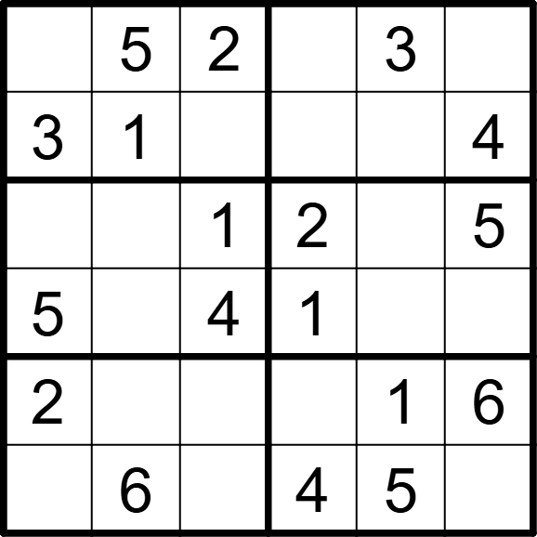 | 6 | 6 | [4,,,6,,1], [,,6,5,2,], [6,3,,,4,], [,2,,,6,3], [,4,5,3,,], [1,,3,,,2]
将数字 1-6 填入空格内，使每行、每列及每宫内数字均不重复。 |  |  | 六宫标准数独 | 5 | 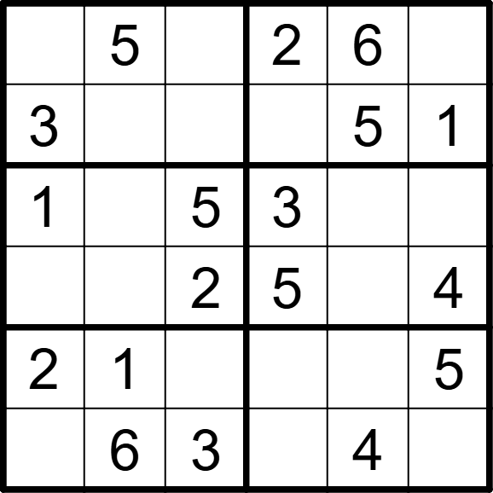 | 6 | 6 | [4,,1,,,3], [,2,6,4,,], [,4,,,2,6], [6,3,,,1,], [,,4,6,3,], [5,,,1,,2]
将数字 1-6 填入空格内，使每行、每列及每宫内数字均不重复。 |  |  | 六宫标准数独 | 5 | 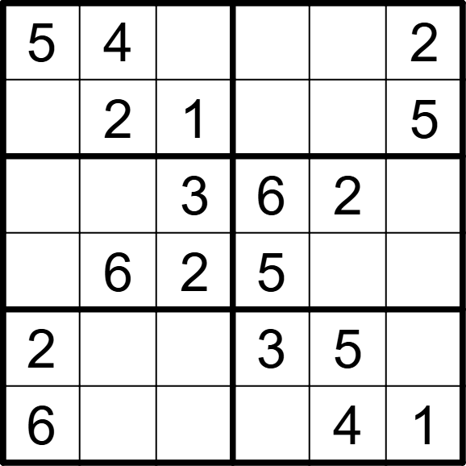 | 6 | 6 | [,,6,1,3,], [3,,,4,6,], [1,5,,,,4], [4,,,,1,3], [,1,4,,,6], [,3,5,2,,]
将数字 1-6 填入空格内，使每行、每列及每宫内数字均不重复。 |  |  | 六宫标准数独 | 5 | 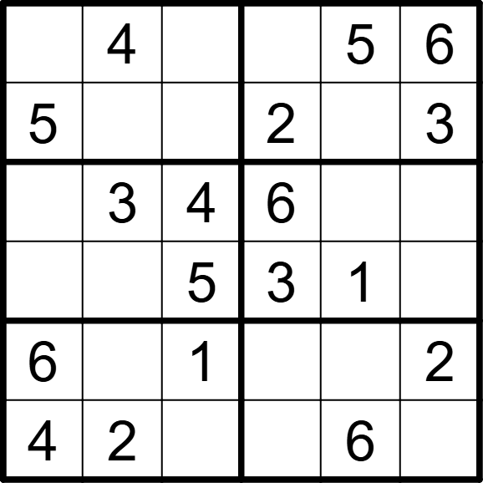 | 6 | 6 | [3,,2,1,,], [,1,6,,4,], [1,,,,2,5], [2,6,,,,4], [,5,,4,3,], [,,3,5,,1]
将数字 1-6 填入空格内，使每行、每列及每宫内数字均不重复。 |  |  | 六宫标准数独 | 5 | 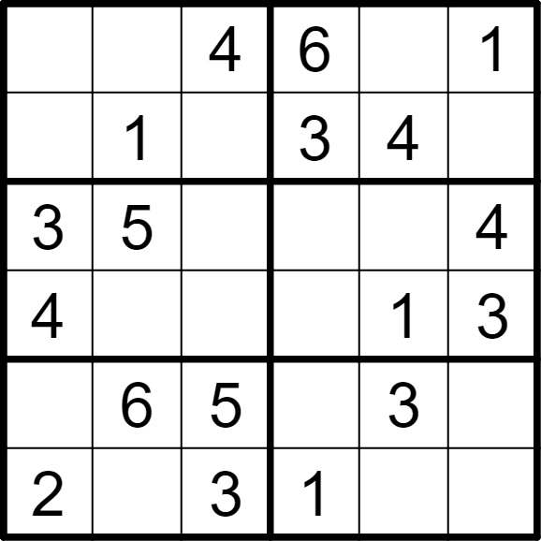 | 6 | 6 | [5,3,,,2,], [6,,2,,,5], [,,1,2,6,], [,2,6,5,,], [1,,,4,,2], [,4,,,5,6]
将数字 1-6 填入空格内，使每行、每列及每宫内数字均不重复。 |  |  | 六宫标准数独 | 5 | 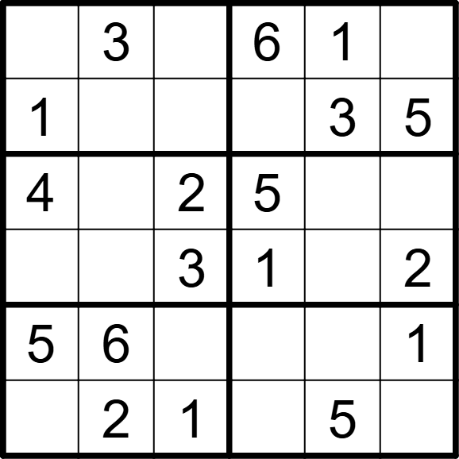 | 6 | 6 | [2,,5,,,4], [,4,6,2,,], [,1,,,6,3], [6,5,,,4,], [,,4,3,2,], [3,,,4,,6]
将数字 1-6 填入空格内，使每行、每列及每宫内数字均不重复。 |  |  | 六宫标准数独 | 5 | 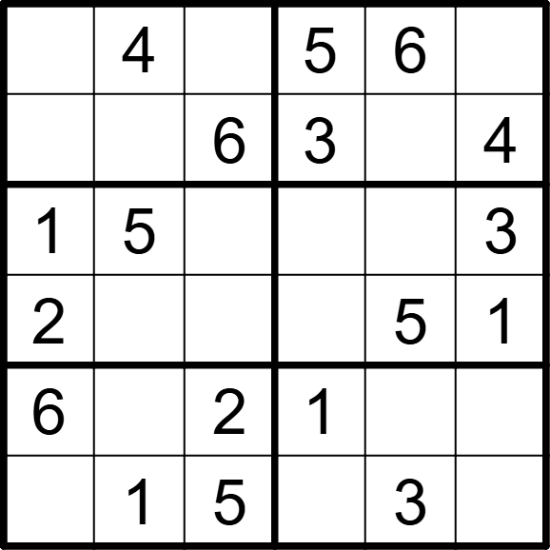 | 6 | 6 | [3,,1,,,2], [5,2,,,1,], [,,4,6,2,], [,6,3,4,,], [,3,,,4,5], [4,,,2,,6]
将数字 1-6 填入空格内，使每行、每列及每宫内数字均不重复。 |  |  | 六宫标准数独 | 5 | 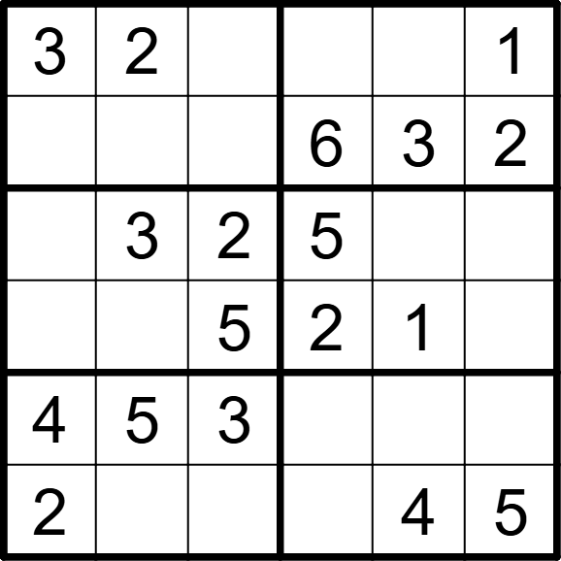 | 6 | 6 | [,,6,4,5,], [5,1,4,,,], [1,,,,6,4], [6,4,,,,3], [,,,1,2,6], [,6,1,3,,]
将数字 1-6 填入空格内，使每行、每列及每宫内数字均不重复。 |  |  | 六宫标准数独 | 5 | 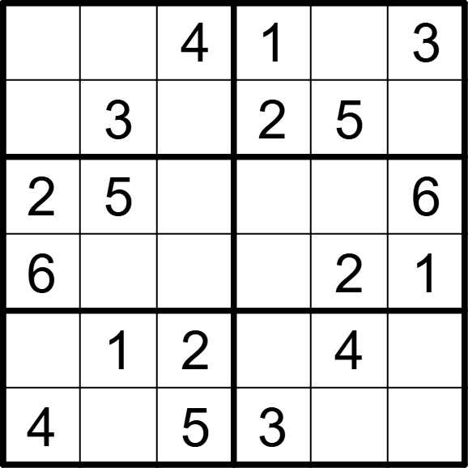 | 6 | 6 | [5,2,,,6,]， [1,,6,,,4], [,,1,4,3,], [,4,3,5,,], [3,,,6,,5], [,6,,,1,2]
将数字 1-6 填入空格内，使每行、每列及每宫内数字均不重复。 |  |  | 六宫标准数独 | 5 | 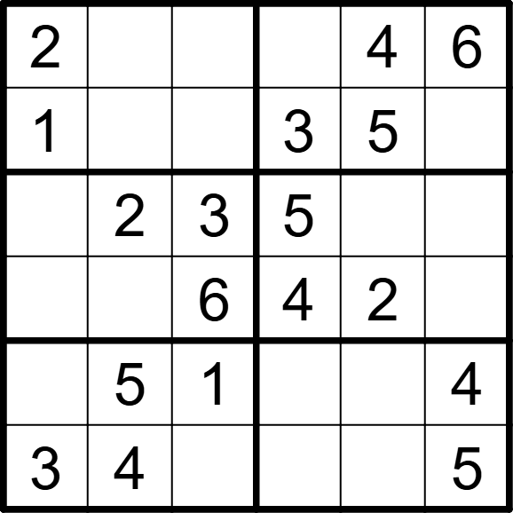 | 6 | 6 | [,3,5,1,,], [,6,4,,,2], [4,,,,6,1], [5,1,,,,3], [6,,,2,3,], [,,2,6,1,]
将数字 1-6 填入空格内，使每行、每列及每宫内数字均不重复。 |  |  | 六宫标准数独 | 5 | 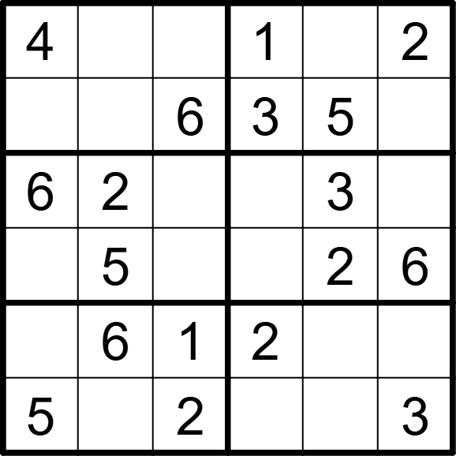 | 6 | 6 | [,3,5,,6,], [2,1,,,,4], [,,4,5,,1], [1,,3,4,,], [3,,,,4,5], [,4,,6,1,]
将数字 1-6 填入空格内，使每行、每列及每宫内数字均不重复。 |  |  | 六宫标准数独 | 5 | 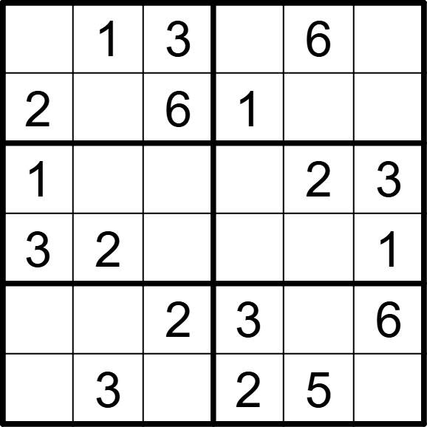 | 6 | 6 | [5,,,4,,2], [,4,,,3,5], [,6,4,5,,]， [,,5,6,4,], [4,5,,,1,], [6,,1,,,4]
将数字 1-6 填入空格内，使每行、每列及每宫内数字均不重复。 |  |  | 六宫标准数独 | 5 | 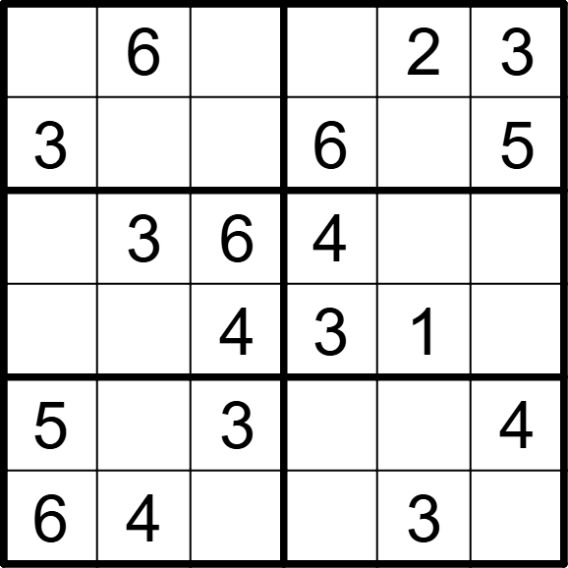 | 6 | 6 | [4,,5,1,,], [,2,1,,4,], [1,,,,5,2], [2,5,,,,6], [,1,,2,6,], [,,2,5,,1]
将数字 1-6 填入空格内，使每行、每列及每宫内数字均不重复。 |  |  | 六宫标准数独 | 5 | 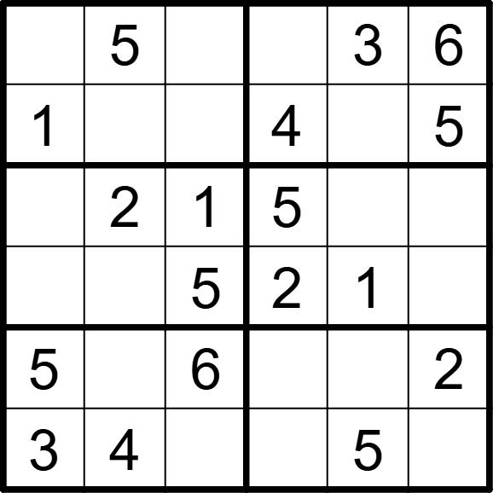 | 6 | 6 | [2,,4,1,,], [,6,3,,2,], [4,,,,6,3], [6,3,,,,4], [,1,,3,4,], [,,2,6,,1]
将数字 1-6 填入空格内，使每行、每列及每宫内数字均不重复。 |  |  | 六宫标准数独 | 5 | 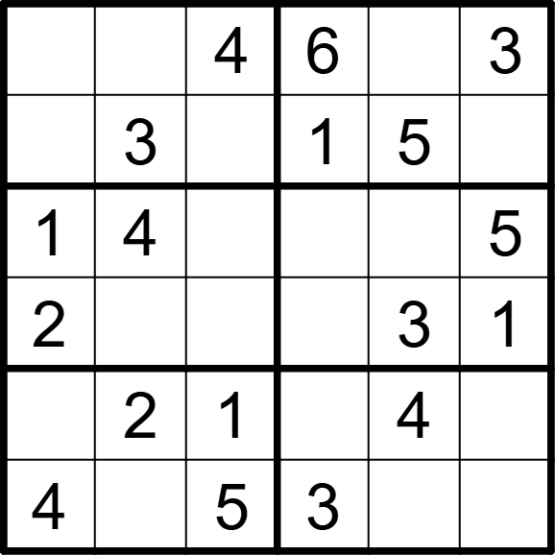 | 6 | 6 | [5,1,,,2,], [6,,2,,,4], [,,3,2,6,], [,5,6,4,,], [3,,,5,,6], [,6,,,1,2]
将数字 1-6 填入空格内，使每行、每列及每宫内数字均不重复。 |  |  | 六宫标准数独 | 5 | 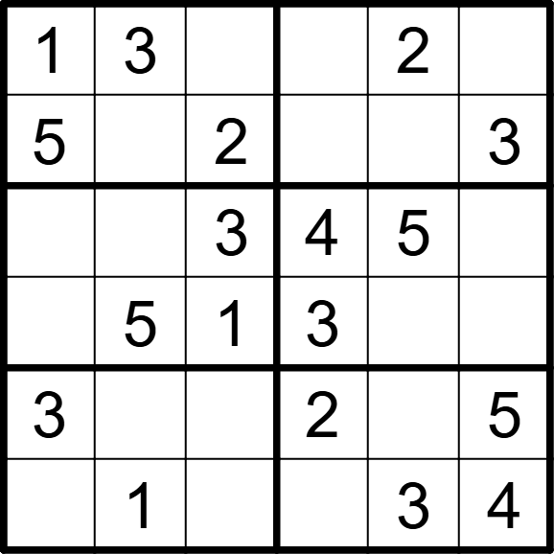 | 6 | 6 | [,,4,5,,6], [,6,,1,4,], [6,2,,,,1], [4,,,,6,2], [,4,6,,1,], [2,,5,6,,]
将数字 1-6 填入空格内，使每行、每列及每宫内数字均不重复。 |  |  | 六宫标准数独 | 5 | 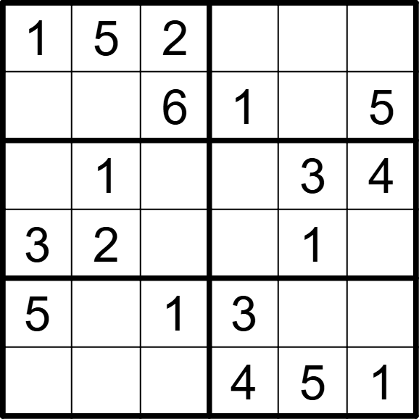 | 6 | 6 | [,,,6,4,3], [4,3,,,2,], [6,,5,2,,], [,,4,5,,6], [,4,,,6,2], [2,6,3,,,]
将数字 1-6 填入空格内，使每行、每列及每宫内数字均不重复。 |  |  | 六宫标准数独 | 5 | 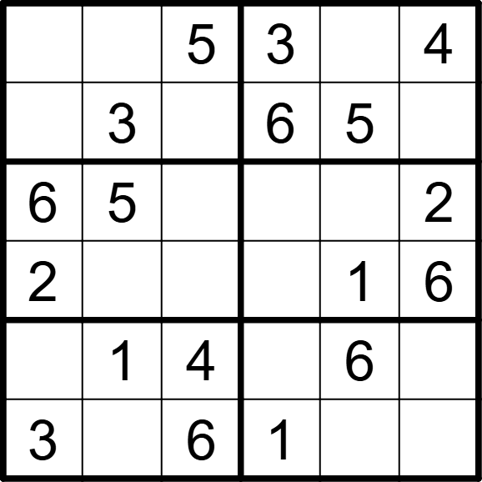 | 6 | 6 | [1,6,,,2,], [4,,2,,,1], [,,1,4,3,], [,4,3,5,,], [5,,,2,,3], [,2,,,4,5]
将数字 1-6 填入空格内，使每行、每列及每宫内数字均不重复。 |  |  | 六宫标准数独 | 5 | 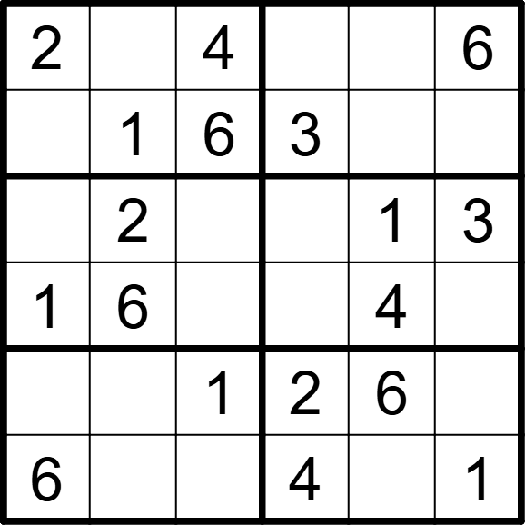 | 6 | 6 | [,3,,1,5,], [5,,,,2,4], [4,,5,6,,], [,,3,5,,2], [3,4,,,,5], [,5,2,,3,]
将数字 1-6 填入空格内，使每行、每列及每宫内数字均不重复。 |  |  | 六宫标准数独 | 5 | 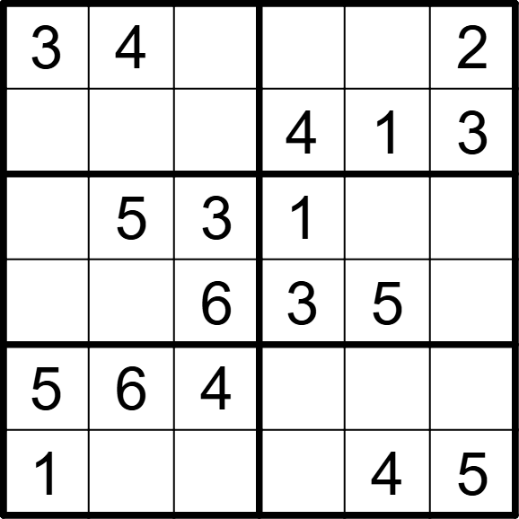 | 6 | 6 | [,,1,5,6,], [6,2,5,,,], [4,,,,2,6], [2,1,,,,4], [,,,2,3,1], [,3,2,6,,]
将数字 1-6 填入空格内，使每行、每列及每宫内数字均不重复。 |  |  | 六宫标准数独 | 5 | 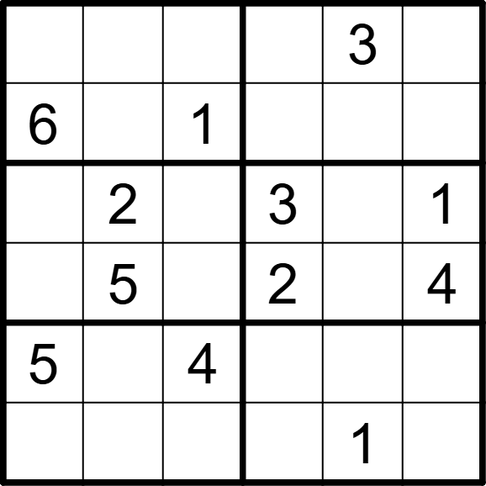 | 6 | 6 | [2,4,5,1,,6], [,3,,5,4,2], [4,,6,,5,], [1,,3,,6,], [,1,,6,2,3], [3,6,2,4,,5]
将数字 1-6 填入空格内，使每行、每列及每宫内数字均不重复。 |  |  | 六宫标准数独 | 5 | 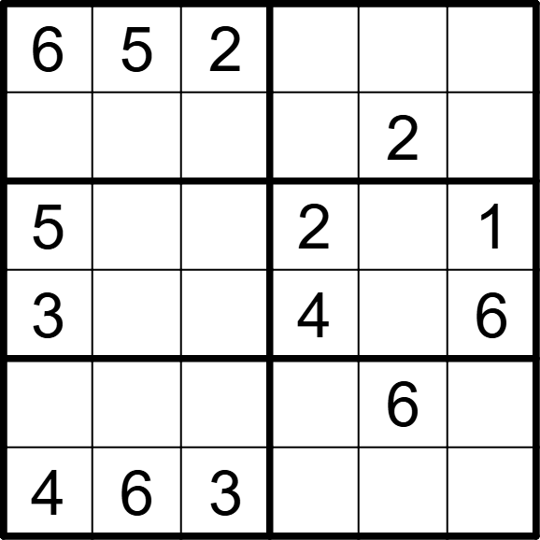 | 6 | 6 | [,,,1,4,3], [1,3,4,6,,5], [,4,6,,3,], [,2,1,,5,], [2,1,5,3,,4], [,,,5,1,2]
将数字 1-6 填入空格内，使每行、每列及每宫内数字均不重复。 |  |  | 六宫标准数独 | 5 | 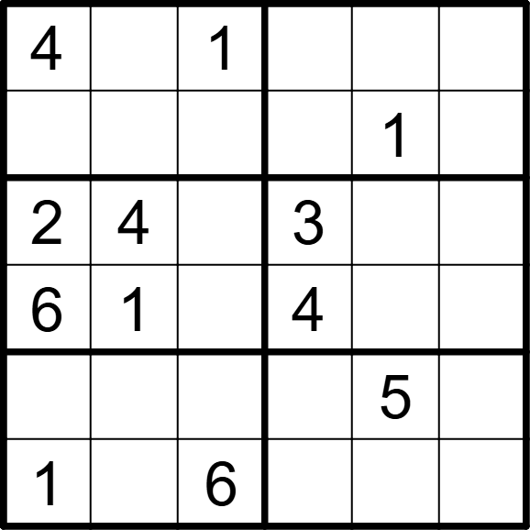 | 6 | 6 | [,6,,5,3,2], [5,3,2,6,,4], [,,5,,6,1], [,,3,,2,5], [3,2,4,1,,6], [,5,,2,4,3]
将数字 1-6 填入空格内，使每行、每列及每宫内数字均不重复。 |  |  | 六宫标准数独 | 5 | 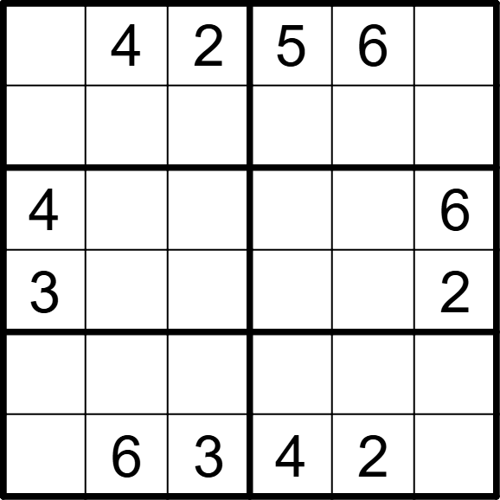 | 6 | 6 | [1,,,,,3], [6,3,5,2,1,4], [,2,1,3,5,], [,5,6,1,4,], [2,1,4,6,3,5], [5,,,,,1]
将数字 1-6 填入空格内，使每行、每列及每宫内数字均不重复。 |  |  | 六宫标准数独 | 5 | 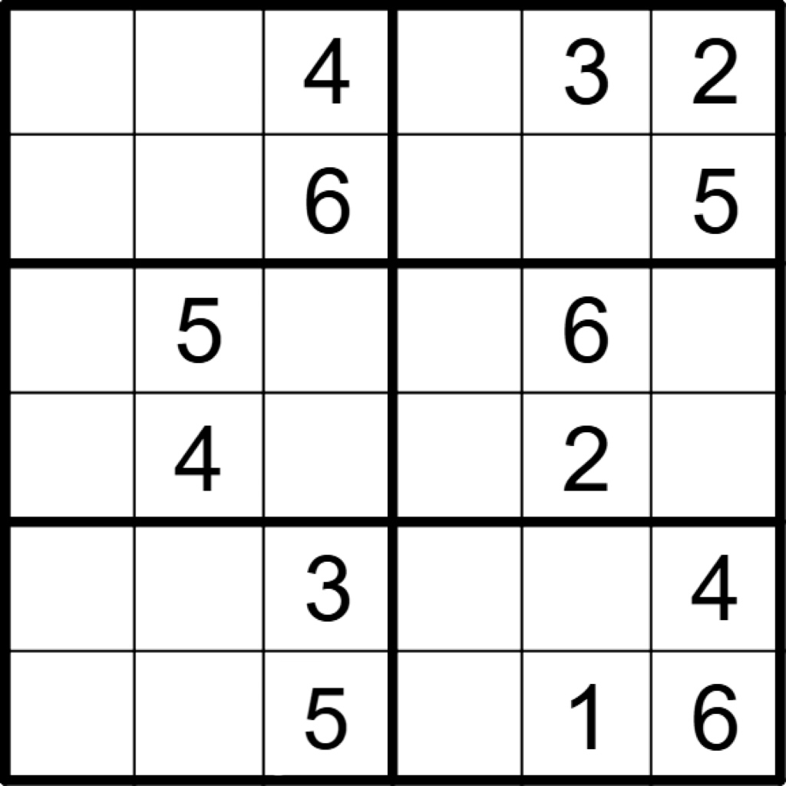 | 6 | 6 | [5,1,,6,,], [2,3,,1,4,], [3,,2,4,,1], [6,,1,5,,3], [1,6,,2,5,], [4,2,,3,,]
将数字 1-6 填入空格内，使每行、每列及每宫内数字均不重复。 |  |  | 六宫标准数独 | 5 | 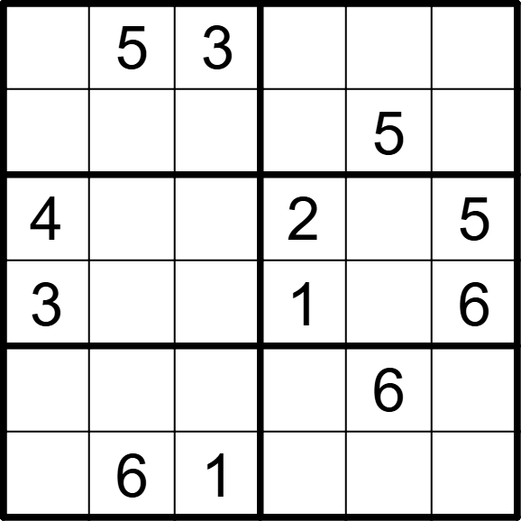 | 6 | 6 | [6,,,4,1,2], [1,4,2,6,,3], [,1,6,,3,], [,2,5,,4,], [2,3,4,5,,1], [5,,,3,2,4]
将数字 1-6 填入空格内，使每行、每列及每宫内数字均不重复。 |  |  | 六宫标准数独 | 5 | 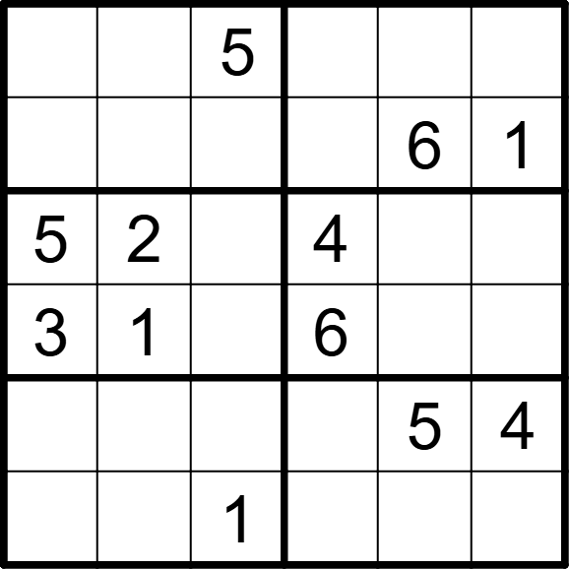 | 6 | 6 | [1,6,,3,4,2], [2,4,3,5,,], [,,6,,1,3], [,,4,,2,5], [6,3,2,1,,], [4,5,,2,3,6]
将数字 1-6 填入空格内，使每行、每列及每宫内数字均不重复。 |  |  | 六宫标准数独 | 5 | 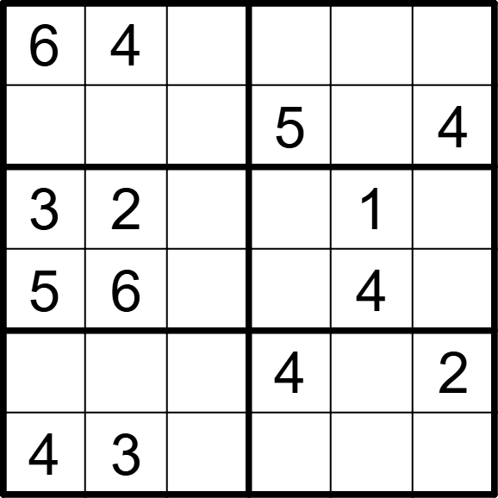 | 6 | 6 | [,,5,3,2,1], [2,1,3,,6,], [,,4,6,,5], [,,1,2,,3], [1,5,6,,3,], [,,2,1,5,6]
将数字 1-6 填入空格内，使每行、每列及每宫内数字均不重复。 |  |  | 六宫标准数独 | 5 | 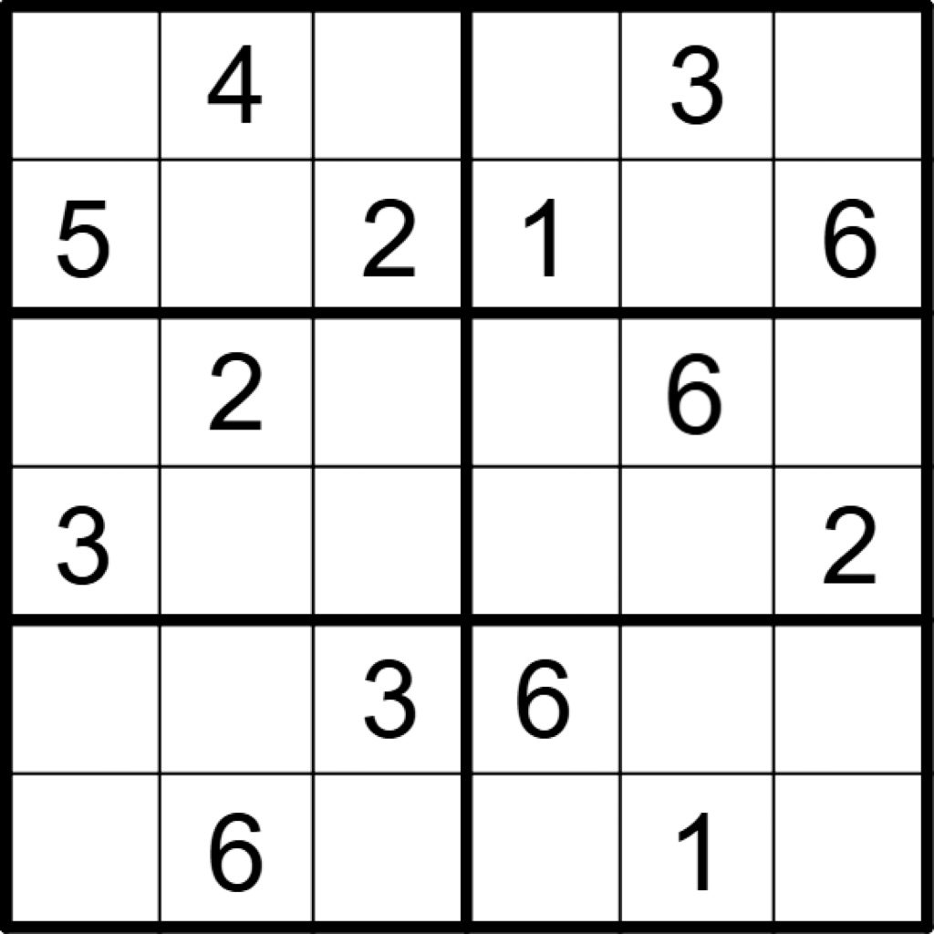 | 6 | 6 | [6,,1,2,,5], [,3,,,4,], [4,,5,3,,1], [,1,6,4,5,], [1,5,,,2,4], [2,,4,5,,3]
将数字 1-6 填入空格内，使每行、每列及每宫内数字均不重复。 |  |  | 六宫标准数独 | 5 | 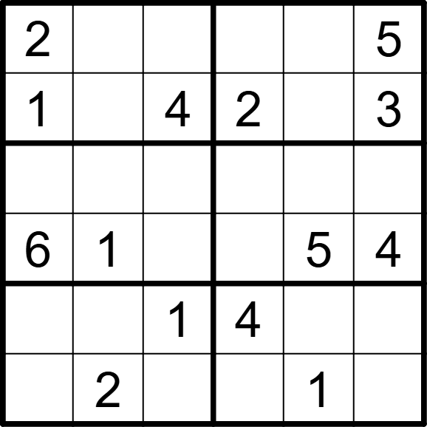 | 6 | 6 | [,3,6,1,4,], [,5,,,6,], [3,4,5,6,2,1], [,,2,3,,], [5,6,,,3,2], [4,,3,5,,6]
将数字 1-6 填入空格内，使每行、每列及每宫内数字均不重复。 |  |  | 六宫标准数独 | 5 | 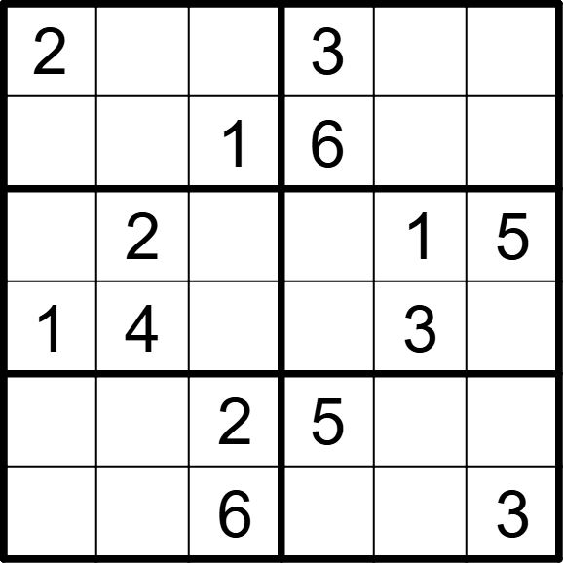 | 6 | 6 | [,6,4,,5,1], [5,3,,,4,2], [6,,3,4,,], [,,5,2,,6], [3,1,,,6,4], [4,5,,1,2,]
将数字 1-6 填入空格内，使每行、每列及每宫内数字均不重复。 |  |  | 六宫标准数独 | 5 | 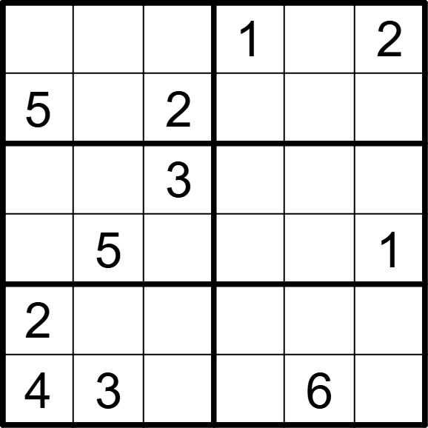 | 6 | 6 | [3,4,6,,5,], [,1,,6,3,4], [1,2,,5,4,6], [6,,4,3,2,], [,6,5,4,1,3], [,,1,2,,5]
将数字 1-6 填入空格内，使每行、每列及每宫内数字均不重复。 |  |  | 六宫标准数独 | 5 | 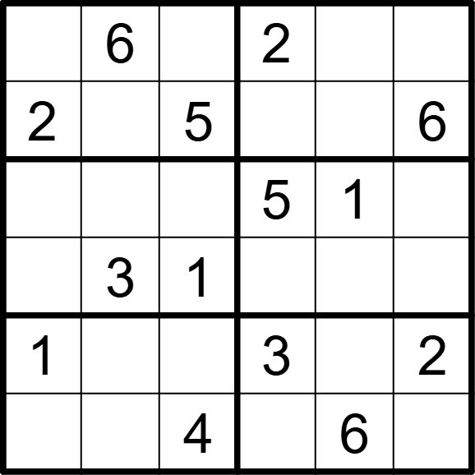 | 6 | 6 | [4,,3,,5,1], [,1,,4,3,], [6,4,2,,,3], [5,,,6,2,4], [,5,6,,4,], [3,2,,1,,5]
将数字 1-6 填入空格内，使每行、每列及每宫内数字均不重复。 |  |  | 六宫标准数独 | 5 | 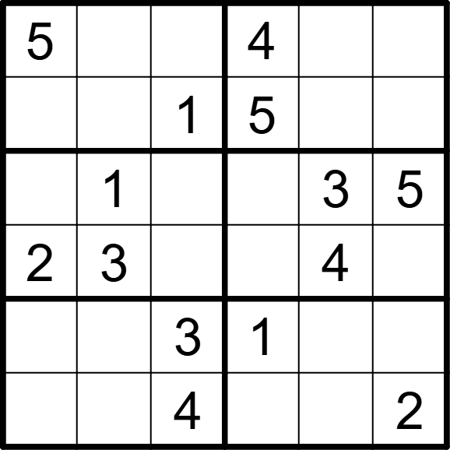 | 6 | 6 | [,6,2,,1,3], [3,4,,,2,6], [4,,6,2,,], [,,5,6,,1], [6,2,,,5,4], [1,5,,3,6,]
将数字 1-6 填入空格内，使每行、每列及每宫内数字均不重复。 |  |  | 六宫标准数独 | 5 | 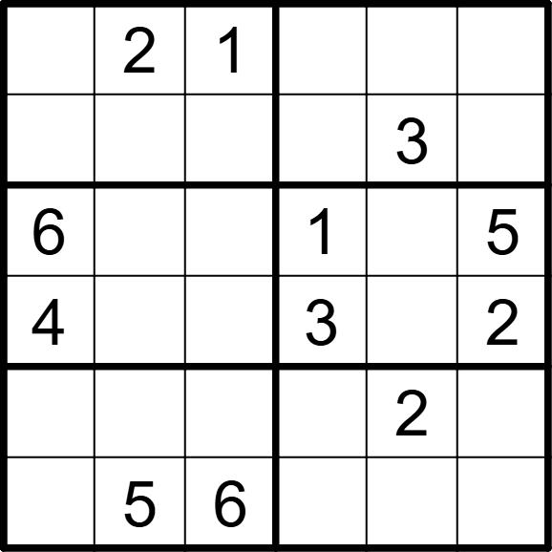 | 6 | 6 | [3,,,6,5,4], [5,6,4,2,,1], [,3,2,,4,], [,1,5,,6,], [1,4,3,5,,6], [2,,,4,1,3]
将数字 1-6 填入空格内，使每行、每列及每宫内数字均不重复。 |  |  | 六宫标准数独 | 5 | 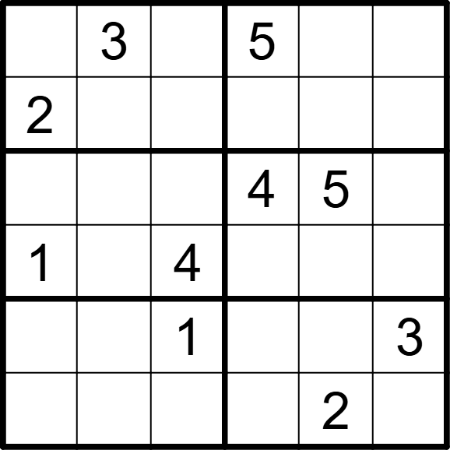 | 6 | 6 | [4,,6,,1,2], [,1,5,3,6,4], [3,6,2,,,1], [,5,,2,3,6], [5,2,,6,4,]， [6,4,3,1,,5]
将数字 1-6 填入空格内，使每行、每列及每宫内数字均不重复。 |  |  | 六宫标准数独 | 5 | 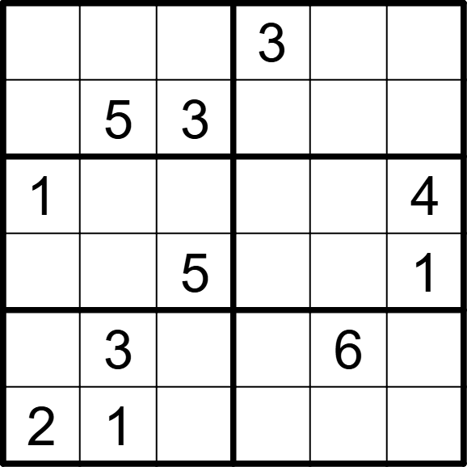 | 6 | 6 | [6,2,1,,4,5], [4,,,2,1,6], [,6,2,5,3,], [3,4,,6,2,], [5,,4,1,,2], [,,6,4,5,3]
将数字 1-6 填入空格内，使每行、每列及每宫内数字均不重复。 |  |  | 六宫标准数独 | 5 | 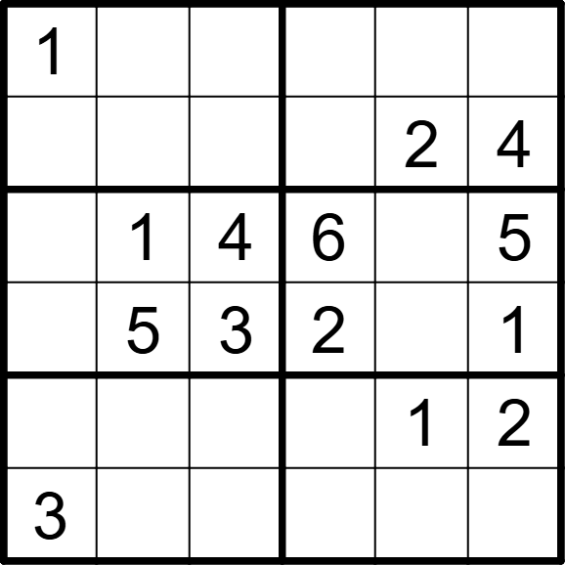 | 6 | 6 | [,4,2,5,6,3], [5,3,6,1,,], [2,,,,3,], [6,,,,4,], [4,6,5,3,,], [,2,1,4,5,6]
将数字 1-6 填入空格内，使每行、每列及每宫内数字均不重复。 |  |  | 六宫标准数独 | 5 | 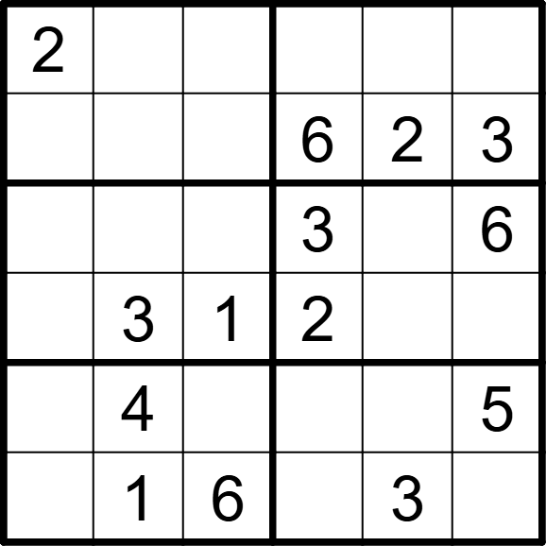 | 6 | 6 | [,6,3,5,4,1], [1,5,4,,,], [4,2,5,,1,], [6,,,,5,4], [3,,2,1,6,], [5,,,4,,2]
将数字 1-6 填入空格内，使每行、每列及每宫内数字均不重复。 |  |  | 六宫标准数独 | 5 | 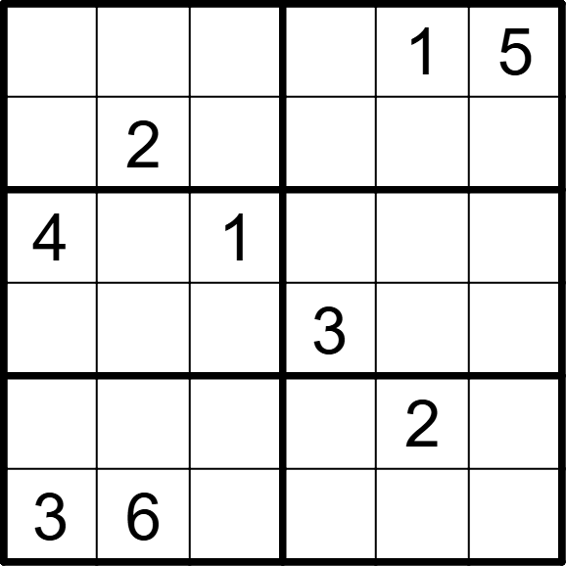 | 6 | 6 | [6,4,3,2,,], [1,,5,4,3,6], [,3,,5,6,2], [2,5,6,,4,1], [5,1,4,6,,3], [,,2,1,5,4]
将数字 1-6 填入空格内，使每行、每列及每宫内数字均不重复。 |  |  | 六宫标准数独 | 5 | 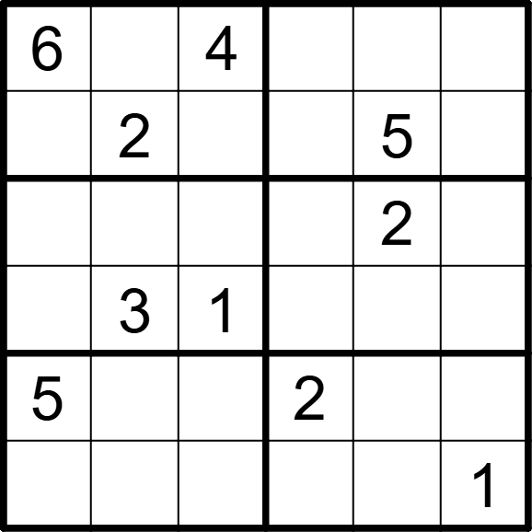 | 6 | 6 | [,5,,3,1,2]， [1,,3,4,,6], [4,6,5,1,,3], [2,,,6,4,5], [,1,6,,3,4], [3,4,2,5,6,]
将数字 1-6 填入空格内，使每行、每列及每宫内数字均不重复。 |  |  | 六宫标准数独 | 5 | 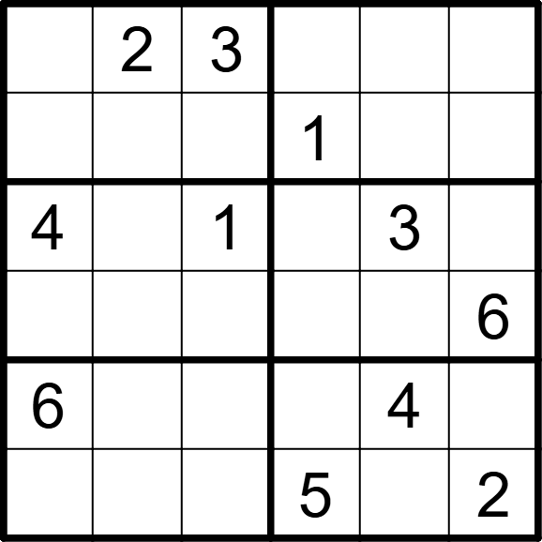 | 6 | 6 | [1,,,6,5,4], [5,4,6,,2,3], [,6,,2,,5], [2,3,5,4,1,], [,5,2,3,,1], [3,1,4,,6,]
将数字 1-6 填入空格内，使每行、每列及每宫内数字均不重复。 |  |  | 六宫标准数独 | 5 | 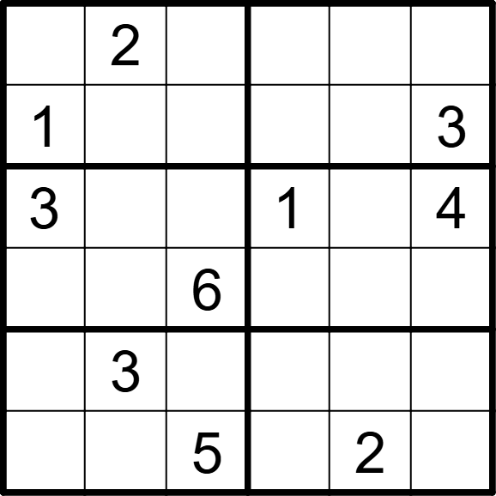 | 6 | 6 | [5,,3,4,1,6], [,6,4,2,5,], [,5,2,,6,], [4,1,,5,3,2], [2,,1,6,4,5], [6,4,,3,,1]
将数字 1-6 填入空格内，使每行、每列及每宫内数字均不重复。 |  |  | 六宫标准数独 | 5 | 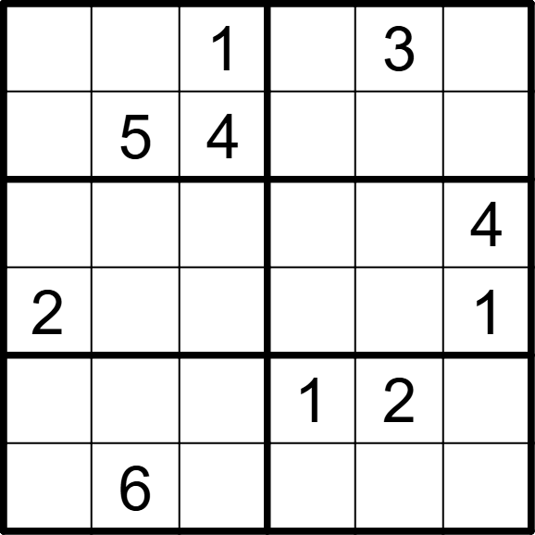 | 6 | 6 | [6,2,,4,,5], [3,,,6,1,2], [5,1,3,2,6,], [,4,6,3,5,], [4,3,5,,,6], [1,,2,5,4,3]
将数字 1-6 填入空格内，使每行、每列及每宫内数字均不重复。 |  |  | 六宫标准数独 | 5 | 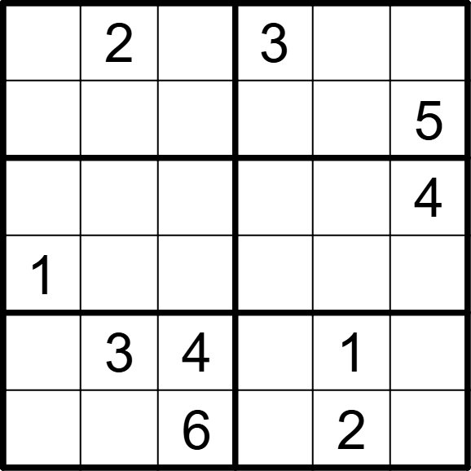 | 6 | 6 | [4,,5,,6,1]， [3,6,1,2,4,], [6,5,2,1,3,], [,4,3,6,5,2], [2,,,5,,6], [5,1,,4,,3]
将数字 1-6 填入空格内，使每行、每列及每宫内数字均不重复。 |  |  | 六宫标准数独 | 5 | 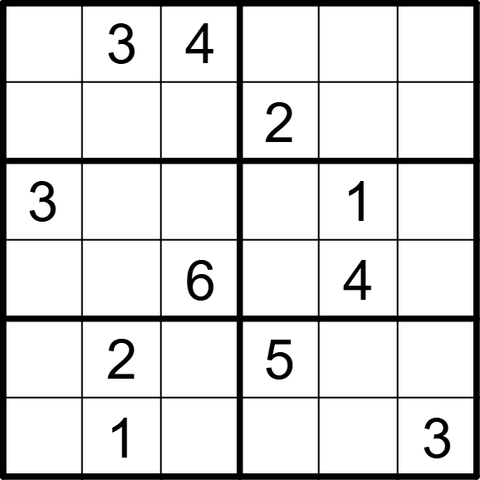 | 6 | 6 | [2,,,1,5,6], [5,6,1,,3,4], [,4,2,6,,5], [1,5,,3,,2], [4,,3,,6,1], [6,,5,4,2,]
将数字 1-6 填入空格内，使每行、每列及每宫内数字均不重复。 |  |  | 六宫标准数独 | 5 | 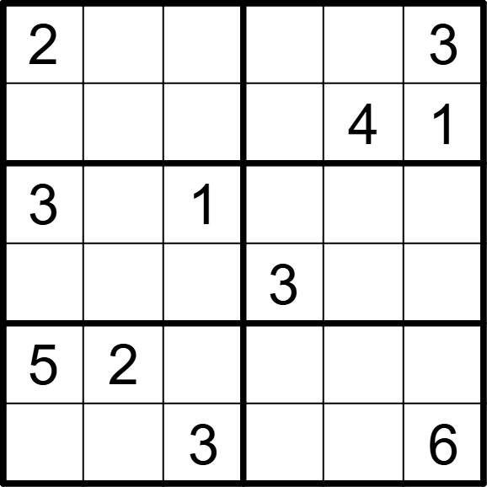 | 6 | 6 | [,1,4,6,5,], [6,3,5,2,,], [,5,,4,6,2], [4,6,2,,1,5], [,,6,1,3,4]， [1,4,,5,2,]
将数字 1-6 填入空格内，使每行、每列及每宫内数字均不重复。 |  |  | 六宫标准数独 | 5 | 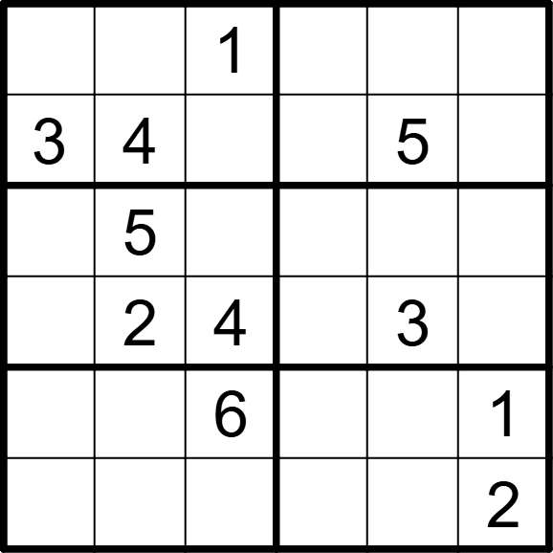 | 6 | 6 | [5,6,,4,2,3], [,,2,1,,6], [6,,3,2,1,4], [1,,,6,,5], [2,3,,5,4,], [4,1,5,3,6,]
将数字 1-6 填入空格内，使每行、每列及每宫内数字均不重复。 |  |  | 六宫标准数独 | 5 | 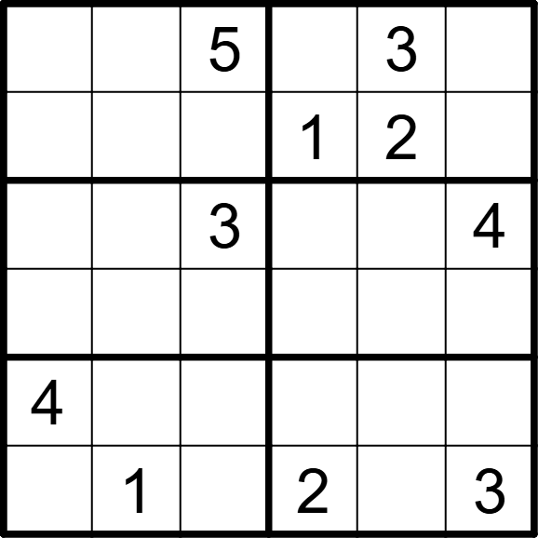 | 6 | 6 | [1,2,,4,,6], [3,6,4,,,5], [2,5,,6,1,], [6,4,1,3,5,2], [,3,2,5,6,1], [5,,6,,4,]
将数字 1-6 填入空格内，使每行、每列及每宫内数字均不重复。 |  |  | 六宫标准数独 | 5 | 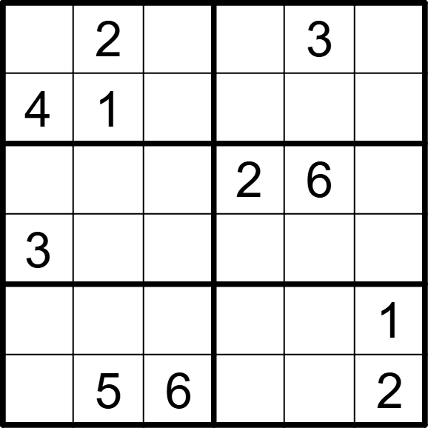 | 6 | 6 | [6,,5,1,,4], [,,3,5,2,6], [5,4,1,,,3], [,6,2,4,1,5], [2,3,4,6,5,], [1,,,3,4,]
将数字 1-6 填入空格内，使每行、每列及每宫内数字均不重复。 |  |  | 六宫标准数独 | 5 |  | 6 | 6 | [3,,1,2,4,6], [4,2,6,5,,], [5,,3,,1,2], [2,1,4,,,], [1,,,6,5,3], [6,3,5,,2,4]
将数字1-6填入空格内，使每行、每列及每宫内数字均不重复。 |  |  | 六宫标准数独 | 5 |  | 6 | 6 | [,6,,1,5,4], [4,,1,,2,], [,4,2,,6,3], [,3,5,2,,1], [5,,6,,3,2], [3,,4,6,,5]
将数字1-6填入空格内，使每行、每列及每宫内数字均不重复。 |  |  | 六宫标准数独 | 5 |  | 6 | 6 | [,5,1,2,,6], [,,6,5,,4], [1,4,,3,6,], [6,,2,,4,5], [5,1,4,6,2,3], [,6,3,,5,]
将数字1-6填入空格内，使每行、每列及每宫内数字均不重复。 |  |  | 六宫标准数独 | 5 |  | 6 | 6 | [1,,6,2,,5], [,3,,,6,], [,2,,,5,], [4,,3,6,,1], [3,6,,,1,2], [2,1,5,3,4,6]
将数字1-6填入空格内，使每行、每列及每宫内数字均不重复。 |  |  | 六宫标准数独 | 5 |  | 6 | 6 | [,5,,3,4,], [3,,4,5,,1], [6,,5,,2,4], [2,4,1,6,3,5], [,1,3,2,,6], [5,6,,4,1,]
将数字1-6填入空格内，使每行、每列及每宫内数字均不重复。 |  |  | 六宫标准数独 | 5 |  | 6 | 6 | [4,,3,,2,1], [,2,5,,4,6], [2,3,6,4,,], [,,1,2,6,3], [6,5,,1,3,], [3,1,,6,,4]
将数字1-6填入空格内，使每行、每列及每宫内数字均不重复。 |  |  | 六宫标准数独 | 5 |  | 6 | 6 | [1,,5,,3,6], [6,3,,5,1,], [,6,1,3,,2], [2,,3,4,6,], [,1,4,,2,5], [5,2,,1,,3]
将数字1-6填入空格内，使每行、每列及每宫内数字均不重复。 |  |  | 六宫标准数独 | 5 |  | 6 | 6 | [,,4,5,1,2], [5,1,2,,6,], [,,5,4,,6], [,,3,2,,1], [2,3,6,,4,], [,,1,6,2,3]
将数字1-6填入空格内，使每行、每列及每宫内数字均不重复。 |  |  | 六宫标准数独 | 5 |  | 6 | 6 | [3,1,6,,4,], [,,5,1,3,6], [4,5,1,6,2,], [,3,,4,5,1], [1,2,3,5,,4], [5,6,,3,,2]
将数字1-6填入空格内，使每行、每列及每宫内数字均不重复。 |  |  | 六宫标准数独 | 5 |  | 6 | 6 | [,6,,3,4,1], [4,3,1,,,2], [,4,6,2,,5], [2,,3,1,6,], [3,,,4,2,6], [6,2,4,,1,]
将数字1-6填入空格内，使每行、每列及每宫内数字均不重复。 |  |  | 六宫标准数独 | 5 |  | 6 | 6 | [4,1,,3,5,2], [5,2,3,,,6], [,5,4,6,,3], [3,,2,5,4,], [2,,,1,6,4], [6,4,1,,3,5]
将数字1-6填入空格内，使每行、每列及每宫内数字均不重复。 |  |  | 六宫标准数独 | 5 |  | 6 | 6 | [3,,6,,4,5], [2,4,5,,1,], [,,2,1,5,6], [6,5,1,4,,], [,2,,3,6,1], [1,6,,5,,4]
将数字1-6填入空格内，使每行、每列及每宫内数字均不重复。 |  |  | 六宫标准数独 | 5 |  | 6 | 6 | [3,,5,,4,], [,6,1,5,2,3], [1,4,6,,5,], [,5,,1,6,4], [5,3,2,4,1,], [,1,,2,,5]
将数字1-6填入空格内，使每行、每列及每宫内数字均不重复。 |  |  | 六宫标准数独 | 5 |  | 6 | 6 | [2,,5,6,,1], [6,1,3,,5,4], [,3,,4,2,], [,5,,1,6,], [3,2,1,,4,6], [5,,4,3,,2]
将数字1-6填入空格内，使每行、每列及每宫内数字均不重复。 |  |  | 六宫标准数独 | 5 |  | 6 | 6 | [4,6,2,,3,], [,,5,6,4,2], [5,2,1,,6,], [,3,,2,5,1], [2,4,3,5,,6], [1,5,,3,,4]
将数字1-6填入空格内，使每行、每列及每宫内数字均不重复。 |  |  | 六宫标准数独 | 5 |  | 6 | 6 | [5,4,6,,3,2], [,,3,4,5,6], [,2,,3,,], [,6,,5,,], [,,2,6,1,3], [6,3,1,,4,5]
将数字1-6填入空格内，使每行、每列及每宫内数字均不重复。 |  |  | 六宫标准数独 | 5 |  | 6 | 6 | [,4,5,6,,3], [3,1,,2,4,], [5,,2,,6,1], [1,6,4,5,,2], [,5,1,,2,4], [4,,3,1,5,]
将数字1-6填入空格内，使每行、每列及每宫内数字均不重复。 |  |  | 六宫标准数独 | 5 |  | 6 | 6 | [3,6,1,4,2,5], [,4,,,1,], [4,,2,6,,1], [1,,6,5,,2], [,1,,,5,], [5,2,4,1,6,3]
将数字1-6填入空格内，使每行、每列及每宫内数字均不重复。 |  |  | 六宫标准数独 | 5 |  | 6 | 6 | [5,6,3,,4,], [1,2,,6,5,3], [6,4,1,2,,], [,,5,4,1,6], [3,1,2,,6,4], [,5,,3,2,1]
将数字1-6填入空格内，使每行、每列及每宫内数字均不重复。 |  |  | 六宫标准数独 | 5 |  | 6 | 6 | [6,4,,2,1,5], [1,5,2,,,6], [4,,1,5,3,], [3,,5,,6,4], [5,3,6,4,2,], [,1,,6,5,3]
将数字1-6填入空格内，使每行、每列及每宫内数字均不重复。 |  |  | 六宫标准数独 | 5 |  | 6 | 6 | [5,4,2,,3,], [,3,,4,2,5], [3,,5,6,1,], [4,,1,2,,3], [2,5,,,6,1], [6,1,3,5,,2]
将数字1-6填入空格内，使每行、每列及每宫内数字均不重复。 |  |  | 六宫标准数独 | 5 |  | 6 | 6 | [6,4,,3,1,5], [1,3,5,,,6], [,1,6,2,4,], [,2,3,5,6,], [2,5,1,,,4], [3,6,,1,5,2]
将数字1-6填入空格内，使每行、每列及每宫内数字均不重复。 |  |  | 六宫标准数独 | 5 |  | 6 | 6 | [,1,2,5,6,], [5,,6,4,,2], [6,2,,,3,5], [,5,3,2,4,], [2,,1,3,,4], [3,,5,6,,1]
将数字1-6填入空格内，使每行、每列及每宫内数字均不重复。 |  |  | 六宫标准数独 | 5 |  | 6 | 6 | [,1,6,,5,3], [,3,4,6,1,2], [,6,,2,4,], [4,5,2,,6,1], [6,,5,1,3,4], [3,4,1,,,]
将数字1-6填入空格内，使每行、每列及每宫内数字均不重复。 |  |  | 六宫标准数独 | 5 |  | 6 | 6 | [3,,4,,6,5], [,5,6,,1,3], [1,3,2,6,,], [,,5,1,3,2], [5,2,,3,4,], [4,6,,5,,1]
六宫标准数独：将数字1-6填入空格内，使每行、每列及每宫内数字均不重复。 |  |  | 六宫标准数独 | 5 |  | 6 | 6 | [3,2,4,6,1,], [6,,,4,2,3], [,3,2,,5,6], [5,1,,2,3,], [1,6,3,,,2], [,4,5,3,6,1]
六宫标准数独：将数字1-6填入空格内，使每行、每列及每宫内数字均不重复。 |  |  | 六宫标准数独 | 5 |  | 6 | 6 | [5,2,,4,,6], [4,1,6,,3,], [,3,4,2,,1], [2,,1,6,4,], [,6,,3,2,4], [3,,2,,6,5]
六宫标准数独：将数字1-6填入空格内，使每行、每列及每宫内数字均不重复。 |  |  | 六宫标准数独 | 5 |  | 6 | 6 | [6,1,4,,2,5], [,,3,4,1,6], [5,,2,6,3,], [1,3,,5,4,2], [3,2,5,,,4], [,6,1,2,,3]
六宫标准数独：将数字1-6填入空格内，使每行、每列及每宫内数字均不重复。 |  |  | 六宫标准数独 | 5 |  | 6 | 6 | [5,6,1,,3,2], [,4,,5,,1], [4,3,5,2,1,6], [2,,6,3,4,], [,5,4,1,,], [1,2,3,6,5,4]
六宫标准数独：将数字1-6填入空格内，使每行、每列及每宫内数字均不重复。 |  |  | 六宫标准数独 | 5 |  | 6 | 6 | [,4,5,1,2,3], [3,2,,,6,4], [,3,2,6,,1], [5,,6,4,,2], [2,6,,3,1,5], [1,5,3,,4,]
六宫标准数独：将数字1-6填入空格内，使每行、每列及每宫内数字均不重复。 |  |  | 六宫标准数独 | 5 |  | 6 | 6 | [5,,3,,2,4], [2,6,,1,3,5], [6,5,1,2,,3], [4,,2,5,1,6], [1,4,5,,6,2], [3,2,,4,,1]
六宫标准数独：将数字1-6填入空格内，使每行、每列及每宫内数字均不重复。 |  |  | 六宫标准数独 | 5 |  | 6 | 6 | [4,,,5,3,2], [5,3,2,,1,6], [,6,4,2,5,1], [1,2,5,3,,4], [6,4,3,1,2,], [,5,1,6,4,]
六宫标准数独：将数字1-6填入空格内，使每行、每列及每宫内数字均不重复。 |  |  | 六宫标准数独 | 5 |  | 6 | 6 | [2,1,,5,,3], [,4,3,1,2,6], [6,2,1,4,3,], [4,3,5,,6,1], [,6,4,3,5,2], [3,5,2,,1,]
六宫标准数独：将数字1-6填入空格内，使每行、每列及每宫内数字均不重复。 |  |  | 六宫标准数独 | 5 |  | 6 | 6 | [2,,,1,4,5], [5,1,4,6,3,], [,6,1,2,5,3], [3,5,2,4,,1], [1,,5,3,2,6], [6,2,3,,,4]
六宫标准数独：将数字1-6填入空格内，使每行、每列及每宫内数字均不重复。 |  |  | 六宫标准数独 | 5 |  | 6 | 6 | [1,3,,2,5,4], [4,2,5,,1,6], [,,4,6,2,1], [6,1,2,5,,3], [2,,1,4,3,5], [5,4,3,,6,]
六宫标准数独：将数字1-6填入空格内，使每行、每列及每宫内数字均不重复。 |  |  | 六宫标准数独 | 5 |  | 6 | 6 | [2,,5,4,1,3], [1,3,4,6,,2], [6,2,1,3,4,], [5,,,2,6,1], [,1,6,5,2,4], [4,5,2,,3,]
六宫标准数独：将数字1-6填入空格内，使每行、每列及每宫内数字均不重复。 |  |  | 六宫标准数独 | 5 |  | 6 | 6 | [4,2,,6,1,3], [3,6,1,,4,5], [5,4,6,,3,], [2,1,,5,6,4], [,5,4,3,2,1], [1,3,2,4,,]
六宫标准数独：将数字1-6填入空格内，使每行、每列及每宫内数字均不重复。 |  |  | 六宫标准数独 | 5 |  | 6 | 6 | [,1,,4,6,3], [6,4,3,5,,2], [2,,1,3,4,5], [3,5,4,6,,1], [1,,6,2,5,], [4,2,5,1,3,]
六宫标准数独：将数字1-6填入空格内，使每行、每列及每宫内数字均不重复。 |  |  | 六宫标准数独 | 5 |  | 6 | 6 | [1,,6,4,5,2], [4,5,2,,3,], [3,2,,6,1,4], [6,1,4,5,,], [2,4,,3,6,5], [5,6,3,2,,1]
六宫标准数独：将数字1-6填入空格内，使每行、每列及每宫内数字均不重复。 |  |  | 六宫标准数独 | 5 |  | 6 | 6 | [5,,,1,6,3], [3,1,6,4,2,], [2,5,1,3,,6], [,4,3,5,1,2], [1,6,,2,3,4], [4,3,2,,5,]
六宫标准数独：将数字1-6填入空格内，使每行、每列及每宫内数字均不重复。 |  |  | 六宫标准数独 | 5 |  | 6 | 6 | [,5,,4,2,1], [4,1,2,3,,6], [1,2,5,,4,3], [3,6,,2,1,5], [2,3,,5,6,], [5,4,6,1,3,],
六宫标准数独：将数字1-6填入空格内，使每行、每列及每宫内数字均不重复。 |  |  | 六宫标准数独 | 5 |  | 6 | 6 | [4,2,3,5,6,1], [1,5,6,3,,], [5,4,1,,3,2], [6,3,,4,1,5], [3,1,,2,4,6], [2,,4,,5,],
六宫标准数独：将数字1-6填入空格内，使每行、每列及每宫内数字均不重复。 |  |  | 六宫标准数独 | 5 |  | 6 | 6 | [,6,,1,5,2], [5,1,2,4,,3], [1,,4,6,3,5], [6,3,5,2,1,], [2,,,3,4,6], [3,4,6,5,,1],
六宫标准数独：将数字1-6填入空格内，使每行、每列及每宫内数字均不重复。 |  |  | 六宫标准数独 | 5 |  | 6 | 6 | [5,6,,3,4,2], [4,3,2,1,,], [1,2,,6,3,4], [6,4,3,,1,5], [,1,4,5,6,3], [,5,6,,2,1],
六宫标准数独：将数字1-6填入空格内，使每行、每列及每宫内数字均不重复。 |  |  | 六宫标准数独 | 5 |  | 6 | 6 | [5,,3,6,4,1], [,,6,5,3,2], [3,6,2,,1,5], [1,4,,2,6,3], [2,3,4,1,,], [6,5,1,3,,4],
六宫标准数独：将数字1-6填入空格内，使每行、每列及每宫内数字均不重复。 |  |  | 六宫标准数独 | 5 |  | 6 | 6 | [5,6,,4,1,3], [1,4,3,5,,], [,3,1,6,2,5], [2,5,6,,4,], [,1,5,2,3,4], [3,2,4,,5,6]
六宫标准数独：将数字1-6填入空格内，使每行、每列及每宫内数字均不重复。 |  |  | 六宫标准数独 | 5 |  | 6 | 6 | [4,5,2,3,,6], [,1,6,4,2,5], [6,2,3,,4,], [5,,1,6,3,2], [,3,,1,6,4], [1,6,4,2,5,]
六宫标准数独：将数字1-6填入空格内，使每行、每列及每宫内数字均不重复。 |  |  | 六宫标准数独 | 5 |  | 6 | 6 | [4,1,2,,,6], [3,,5,4,2,1], [6,3,1,5,4,], [,2,4,1,6,3], [2,5,3,6,,4], [1,,,2,3,5]
六宫标准数独：将数字1-6填入空格内，使每行、每列及每宫内数字均不重复。 |  |  | 六宫标准数独 | 5 |  | 6 | 6 | [6,4,3,,,1], [2,,5,3,4,6], [,2,1,5,6,], [5,,4,1,2,3], [1,5,6,4,,2], [4,3,,6,1,5]
六宫标准数独：将数字1-6填入空格内，使每行、每列及每宫内数字均不重复。 |  |  | 六宫标准数独 | 5 |  | 6 | 6 | [6,,1,,4,], [2,4,3,6,5,1], [1,3,2,4,6,], [,6,5,1,2,3], [5,1,6,2,3,4], [,2,,5,,6]

