试题
题目 | 题目配图 | 题目音频 | *类目 | *分数 | *数独底图 | *水平长度 | *垂直长度 | *正确答案
将数字 1-9填入空格内，使每行、每列及每宫内数字均不重复。 |  |  | 九宫标准数独 | 5 | 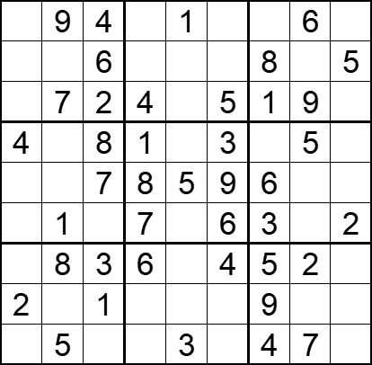 | 9 | 9 | [5,,,3,,8,2,,7], [1,3,,9,7,2,,4,], [8,,,,6,,,,3], [,6,,,2,,7,,9], [3,2,,,,,,1,4], [9,,5,,4,,,8,], [7,,,,9,,,,1], [,4,,5,8,7,,3,6], [6,,9,2,,1,,,8],
将数字 1-9填入空格内，使每行、每列及每宫内数字均不重复。 |  |  | 九宫标准数独 | 5 | 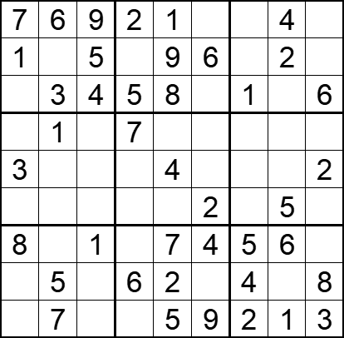 | 9 | 9 | [,,,,,3,8,,5], [,8,,4,,,3,,7], [2,,,,,7,,9,], [5,,2,,6,8,9,3,4], [,9,7,1,,5,6,8,], [6,4,8,9,3,,7,,1], [,2,,3,,,,,9], [9,,3,,,1,,7,], [4,,6,8,,,,,],
将数字 1-9填入空格内，使每行、每列及每宫内数字均不重复。 |  |  | 九宫标准数独 | 5 | 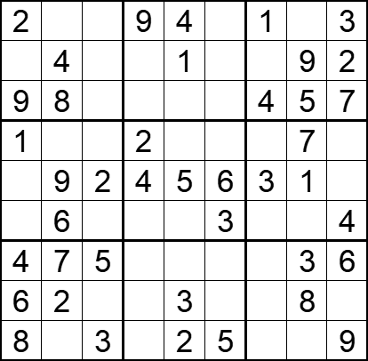 | 9 | 9 | [,5,7,,,8,,6,], [3,,6,5,,7,8,,], [,,1,3,6,2,,,], [,3,4,,8,9,6,,5], [7,,,,,,,,8], [5,,8,1,7,,9,2,], [,,,8,9,1,2,,], [,,9,7,,4,5,,1], [,1,,6,,,7,4,],
将数字 1-9填入空格内，使每行、每列及每宫内数字均不重复。 |  |  | 九宫标准数独 | 5 | 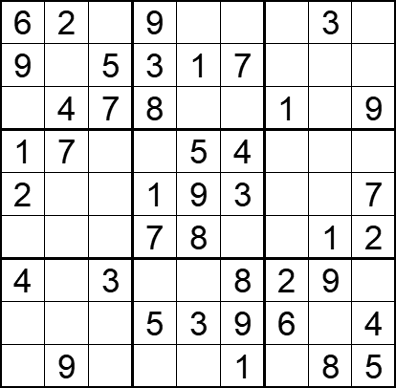 | 9 | 9 | [,,1,,4,5,7,,8], [,8,,,,,4,2,6], [3,,,,6,2,,5,], [,,9,2,,,8,6,3], [,6,8,,,,5,4,], [5,3,4,,,6,9,,], [,5,,6,7,,,,1], [8,1,2,,,,,7,], [7,,6,4,2,,3,,]
将数字 1-9填入空格内，使每行、每列及每宫内数字均不重复。 |  |  | 九宫标准数独 | 5 | 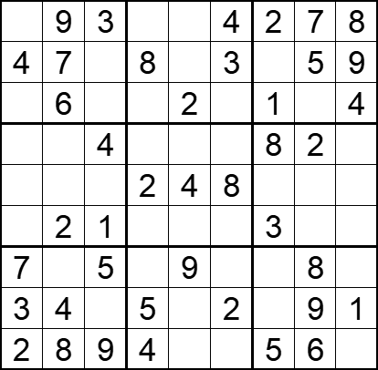 | 9 | 9 | [1,,,6,5,,,,], [,,2,,1,,6,,], [5,,8,7,,9,,3,], [9,5,,1,3,7,,,6], [6,3,7,,,,9,1,5], [8,,,9,6,5,,4,7], [,1,,3,,6,4,,2], [,,6,,8,,7,,], [,,,,7,1,,,3],
将数字 1-9填入空格内，使每行、每列及每宫内数字均不重复。 |  |  | 九宫标准数独 | 5 | 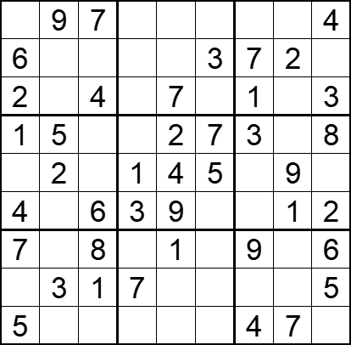 | 9 | 9 | [3,,,2,5,1,8,6,], [,1,5,4,8,,,,9], [,8,,9,,6,,5,], [,,9,6,,,,4,], [8,,3,,,,6,,7], [,7,,,,8,5,,], [,4,,5,,2,,3,], [9,,,,6,4,2,8,], [,6,2,8,3,9,,,1],
将数字 1-9填入空格内，使每行、每列及每宫内数字均不重复。 |  |  | 九宫标准数独 | 5 | 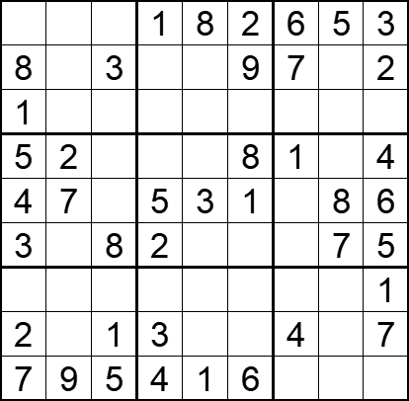 | 9 | 9 | [9,4,7,,,,,,], [,5,,6,4,,,1,], [,6,2,7,5,3,8,4,9], [,,6,9,7,,,3,], [,,9,,,,2,,], [,1,,,6,4,9,,], [6,3,4,8,2,7,5,9,], [,8,,,9,5,,6,], [,,,,,,3,2,8],
将数字 1-9填入空格内，使每行、每列及每宫内数字均不重复。 |  |  | 九宫标准数独 | 5 | 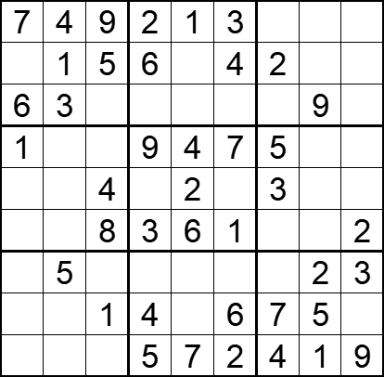 | 9 | 9 | [,,,,,,8,6,5], [8,,,,9,,,3,7], [,,2,7,5,8,1,,4], [,2,3,,,,,8,6], [9,6,,8,,5,,7,1], [5,7,,,,,9,4,], [4,,7,1,8,9,6,,], [2,9,,,3,,,,8], [3,8,6,,,,,,],
将数字 1-9填入空格内，使每行、每列及每宫内数字均不重复。 |  |  | 九宫标准数独 | 5 | 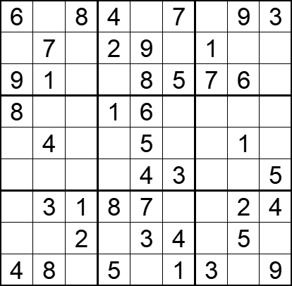 | 9 | 9 | [,2,,,1,,5,,], [3,,5,,,6,,4,8], [,,4,3,,,,,2], [,5,9,,,2,4,3,7], [2,,3,7,,8,9,,6], [1,6,7,9,,,2,8,], [5,,,,,9,6,,], [7,9,,6,,,8,,1], [,,6,,2,,,7,],
将数字 1-9填入空格内，使每行、每列及每宫内数字均不重复。 |  |  | 九宫标准数独 | 5 | 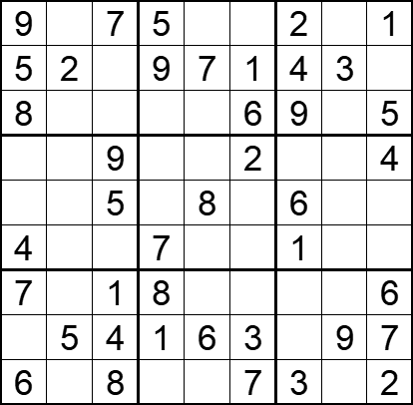 | 9 | 9 | [,4,,,3,8,,6,], [,,6,,,,,,8], [,1,3,2,4,,,7,], [3,8,,6,1,,7,5,], [1,7,,3,,4,,2,9], [,6,2,,9,5,,8,3], [,3,,,2,9,5,4,], [2,,,,,,8,,], [,9,,4,5,,,1,],
将数字 1-9填入空格内，使每行、每列及每宫内数字均不重复。 |  |  | 九宫标准数独 | 5 | 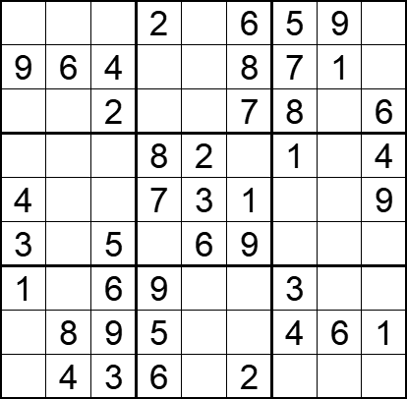 | 9 | 9 | [8,7,1,,4,,,,3], [,,,3,5,,,,2], [5,3,,1,9,,,4,], [6,9,7,,,5,,3,], [,2,8,,,,6,5,], [,1,,4,,,2,7,8], [,5,,,8,4,,2,7], [2,,,,7,3,,,], [7,,,,1,,9,8,5],
将数字 1-9填入空格内，使每行、每列及每宫内数字均不重复。 |  |  | 九宫标准数独 | 5 | 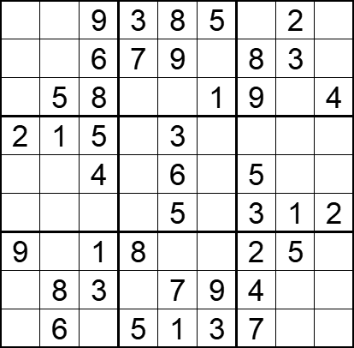 | 9 | 9 | [7,4,,,,,1,,6], [1,2,,,,4,,,5], [3,,,6,2,,,7,], [,,,9,,7,6,4,8], [8,3,,1,,2,,9,7], [6,9,7,4,,8,,,], [,7,,,4,6,,,3], [5,,,2,,,,6,1], [4,,2,,,,,8,9],
将数字 1-9填入空格内，使每行、每列及每宫内数字均不重复。 |  |  | 九宫标准数独 | 5 | 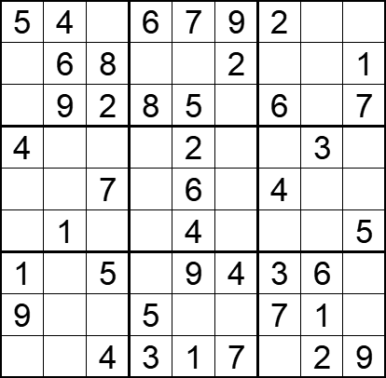 | 9 | 9 | [,,1,,,,,8,3], [7,,,4,3,,9,5,], [3，，，，，1，，4，]， [,5,9,7,,8,1,,6], [8,3,,1,,5,,9,2], [2,,6,9,,3,8,7,], [,7,,2,,,,,8], [,2,3,,8,6,,,4], [6,8,,,,,5,,],
将数字 1-9填入空格内，使每行、每列及每宫内数字均不重复。 |  |  | 九宫标准数独 | 5 | 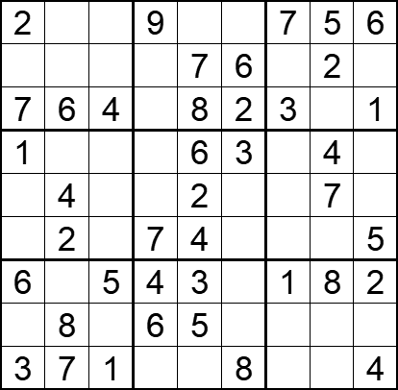 | 9 | 9 | [,3,8,,1,4,,,], [5,1,9,3,,,4,,8], [,,,5,,,,9,], [,5,7,8,,,2,,9], [9,,6,1,,5,8,,3], [8,,3,,,9,6,1,], [,9,,,,7,,,], [4,,2,,,1,9,3,7], [,,,2,9,,5,6,],
将数字 1-9填入空格内，使每行、每列及每宫内数字均不重复。 |  |  | 九宫标准数独 | 5 | 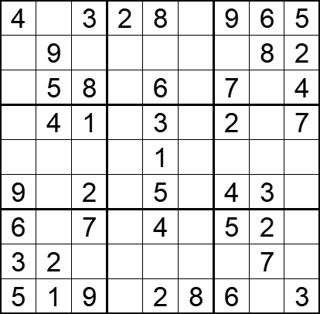 | 9 | 9 | [,7,,,,1,,,], [1,,6,5,7,4,3,,], [2,,,3,,9,,1,], [8,,,9,,6,,5,], [7,3,5,4,,2,8,9,6], [,6,,8,,7,,,1], [,8,,1,,3,,,9], [,,4,6,9,5,1,,8], [,,,7,,,,4,]
将数字 1-9填入空格内，使每行、每列及每宫内数字均不重复。 |  |  | 九宫标准数独 | 5 | 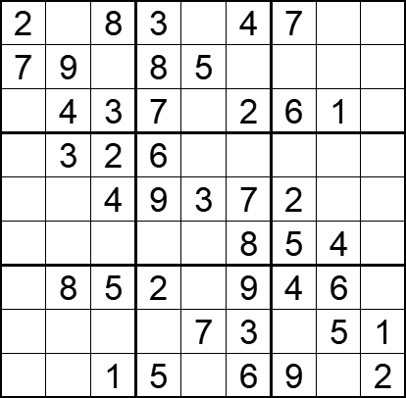 | 9 | 9 | [,1,,,6,,,9,5], [,,6,,,1,3,2,4], [5,,,,9,,,,8], [8,,,,4,5,1,7,9], [1,5,,,,,,8,6], [9,6,7,1,2,,,,3], [3,,,,1,,,,7], [6,2,9,4,,,8,,], [4,7,,,8,,,3,],
将数字 1-9填入空格内，使每行、每列及每宫内数字均不重复。 |  |  | 九宫标准数独 | 5 | 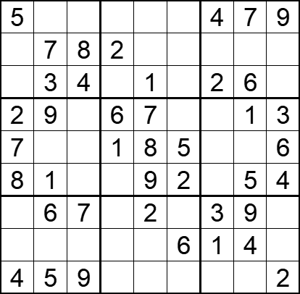 | 9 | 9 | [,2,1,8,6,3,,,], [6,,,,4,9,5,3,1], [9,,,5,,7,,,8], [,,5,,,4,8,,], [,4,3,,,,9,2,], [,,6,3,,,7,,], [1,,,4,,8,,,5], [3,8,2,9,5,,,,7], [,,,7,3,1,6,8,]
将数字 1-9填入空格内，使每行、每列及每宫内数字均不重复。 |  |  | 九宫标准数独 | 5 | 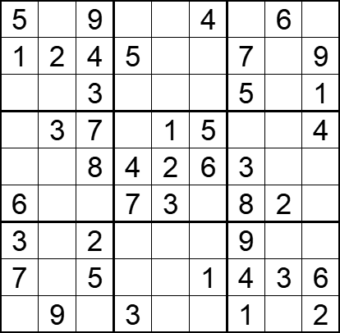 | 9 | 9 | [,7,,1,8,,2,,3], [,,,,6,3,,8,], [8,6,,9,7,2,,4,], [2,,,8,,,6,9,], [9,5,,,,,,1,7], [,4,1,,,9,,,5], [,1,,6,4,7,,5,8], [,8,,2,9,,,,], [4,,6,,5,8,,7,],
将数字 1-9填入空格内，使每行、每列及每宫内数字均不重复。 |  |  | 九宫标准数独 | 5 | 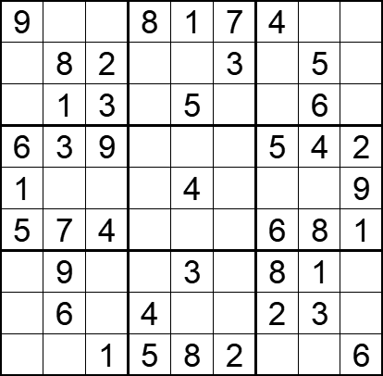 | 9 | 9 | [,5,6,,,,,2,3], [4,,,9,6,,1,,7], [7,,,2,,4,9,,8], [,,,1,7,8,,,], [,2,8,6,,5,3,7,], [,,,3,2,9,,,], [2,,5,7,,6,,,4], [8,,7,,9,1,,,5], [3,4,,,,,7,9,]
将数字 1-9填入空格内，使每行、每列及每宫内数字均不重复。 |  |  | 九宫标准数独 | 5 | 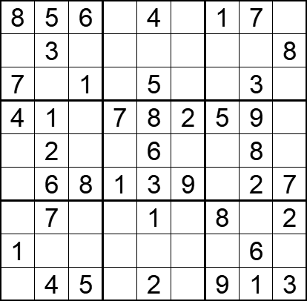 | 9 | 9 | [,,,2,,3,,,9], [2,,4,9,7,1,6,5,], [,9,,6,,8,2,,4], [,,3,,,,,,6], [9,,7,4,,5,3,,1], [5,,,,,,4,,], [3,,9,5,,6,,4,], [,8,2,3,9,4,7,,5], [6,,,8,,7,,,],
将数字 1-9填入空格内，使每行、每列及每宫内数字均不重复。 |  |  | 九宫标准数独 | 5 | 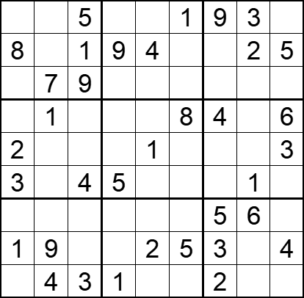 | 9 | 9 | [4,2,,8,6,,,,7], [,3,,,,7,6,,], [6,,,3,5,2,1,4,8], [9,,7,2,3,,,5,], [,5,8,6,,4,7,9,], [,6,,,7,9,8,,2], [7,8,2,4,9,3,,,1], [,,6,7,,,,8,], [5,,,,8,6,,7,9],
将数字 1-9填入空格内，使每行、每列及每宫内数字均不重复。 |  |  | 九宫标准数独 | 5 | 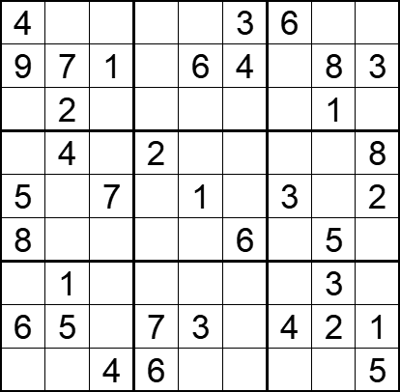 | 9 | 9 | [,8,5,1,2,,,7,9], [,,,5,,,2,,], [3,,6,8,9,7,5,,4], [1,,3,,7,5,9,6,], [,6,,9,,8,,4,], [,9,2,3,4,,1,,7], [7,,9,4,5,2,8,,6], [,,8,,,9,,,], [2,3,,,8,1,7,9,],
将数字 1-9填入空格内，使每行、每列及每宫内数字均不重复。 |  |  | 九宫标准数独 | 5 | 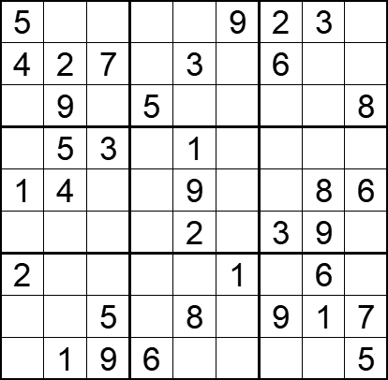 | 9 | 9 | [,8,1,7,6,,,,4], [,,,1,,8,,5,9], [3,,6,,4,2,1,7,], [9,,,8,,6,7,4,2], [,,2,3,,7,5,,], [7,6,8,4,,5,,,1], [,7,4,9,5,,8,,3], [6,3,,2,,4,,,], [8,,,,7,3,4,2,],
将数字 1-9填入空格内，使每行、每列及每宫内数字均不重复。 |  |  | 九宫标准数独 | 5 | 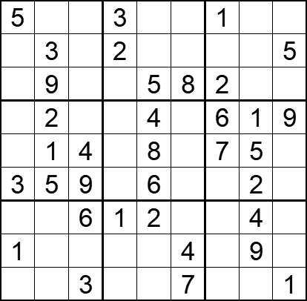 | 9 | 9 | [,6,2,,7,9,,8,4], [4,,8,,1,6,9,7,], [7,,1,4,,,,3,6], [8,,7,5,,3,,,], [6,,,9,,2,,,3], [,,,7,,1,4,,8], [9,8,,,,5,3,,7], [,7,5,6,3,,8,,2], [2,4,,8,9,,5,6,],
将数字 1-9填入空格内，使每行、每列及每宫内数字均不重复。 |  |  | 九宫标准数独 | 5 | 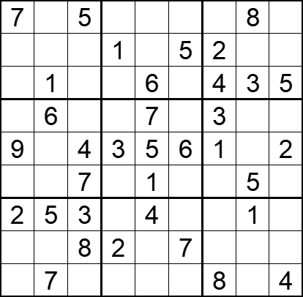 | 9 | 9 | [,9,,4,2,3,6,,1], [4,3,6,,8,,,9,7], [8,,2,7,,9,,,], [5,,1,9,,2,,4,8], [,8,,,,,,7,], [3,2,,8,,4,9,,6], [,,,6,,8,7,,9], [1,4,,,9,,5,6,3], [6,,9,5,3,1,,2,],
将数字 1-9填入空格内，使每行、每列及每宫内数字均不重复。 |  |  | 九宫标准数独 | 5 | 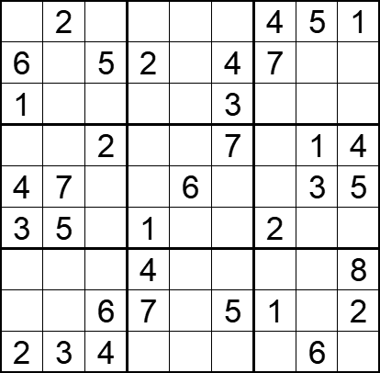 | 9 | 9 | [7,,3,6,8,9,,,], [,9,,,1,,,8,3]， [,4,8,5,7,,6,2,9], [8,6,,3,5,,9,,], [,,1,9,,2,8,,]， [,,9,,4,8,,7,6]， [5,1,7,,2,6,3,9,], [9，8，，，3，，，4，], [,,,8,9,1,5,,7]，
将数字 1-9填入空格内，使每行、每列及每宫内数字均不重复。 |  |  | 九宫标准数独 | 5 | 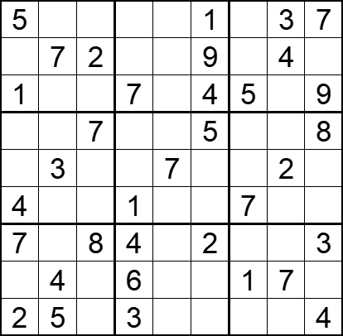 | 9 | 9 | [,9,4,8,6,,2,,], [6,,,5,3,,8,,1], [,8,3,,2,,,6,], [9,6,,2,4,,3,1,], [8,,1,9,,6,4,,5], [,2,5,,8,3,,9,6], [,1,,,9,,6,5,], [3,,9,,5,8,,,2], [,,6,,1,7,9,8,],
将数字 1-9填入空格内，使每行、每列及每宫内数字均不重复。 |  |  | 九宫标准数独 | 5 | 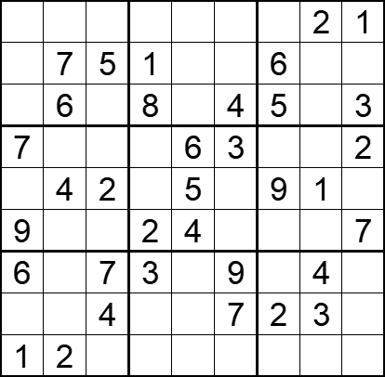 | 9 | 9 | [4,3,9,5,7,6,8,,], [8,,,,3,2,,9,4], [2，，1，，9，，，7，], [,1,8,9,,,4,5,], [3,,,7,,8,,,6], [,5,6,,,1,3,8,], [,8,,,2,,1,,5], [5,9,,6,1,,,,8], [,,3,4,8,5,7,6,9],
将数字 1-9填入空格内，使每行、每列及每宫内数字均不重复。 |  |  | 九宫标准数独 | 5 | 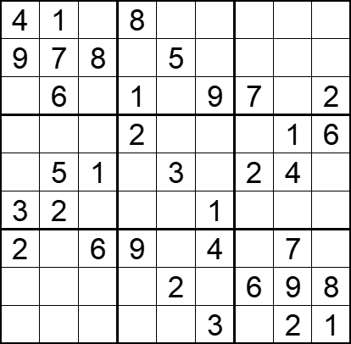 | 9 | 9 | [,,2,,7,6,9,3,5], [,,,3,,2,1,6,4], [5,,3,,4,,,8,], [8,4,7,,9,5,3,,], [6,,,7,,8,,,9], [,,9,4,6,,8,5,7], [,8,,,1,,5,,3], [1,3,4,5,,7,,,], [7,9,5,6,8,,4,,]
将数字 1-9填入空格内，使每行、每列及每宫内数字均不重复。 |  |  | 九宫标准数独 | 5 | 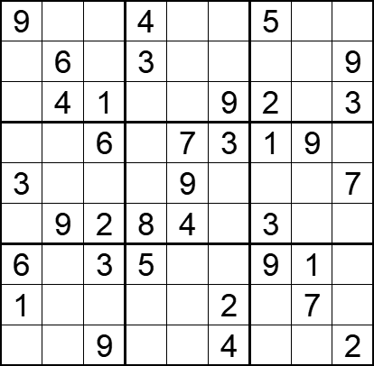 | 9 | 9 | [,3,7,,2,6,,8,1], [2,,5,,1,8,7,4,], [8,,,7,5,,,6,], [4,5,,2,,,,,8], [,1,8,6,,5,4,2,], [7,,,,,1,,5,6]， [,2,,,8,7,,,4], [,8,4,9,3,,6,,5]， [5,7,,1,6,,8,3,],
将数字 1-9填入空格内，使每行、每列及每宫内数字均不重复。 |  |  | 九宫标准数独 | 5 | 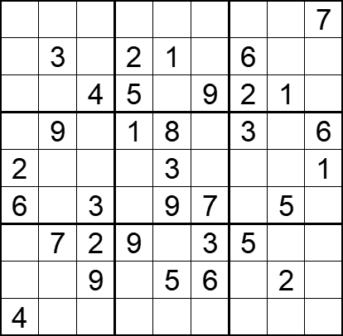 | 9 | 9 | [5,2,1,3,6,8,4,9,], [9,,7,,,4,,8,5], [8,6,,,7,,,,3], [7,,5,,,2,,4,]， [,4,8,6,,5,9,7,], [，1，，4，，，8，，2], [1，，，，4，，，6，8], [3，8，，7，，，1，，4], [,5,6,8,2,1,7,3,9],
将数字 1-9填入空格内，使每行、每列及每宫内数字均不重复。 |  |  | 九宫标准数独 | 5 | 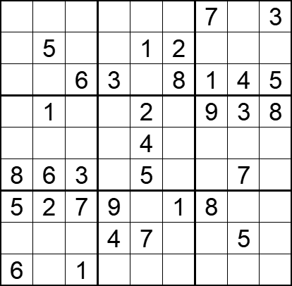 | 9 | 9 | [1，8，9，5，6，4，，2，], [3,,4,7,,,6,8,9], [2,7,,,9,,,,], [4，，5，6，，7，，，], [7,9,2,8,,3,5,1,6]， [,,,1,,9,4,,2], [,,,,3,,,6,4], [9，3，8，，，6，2，，1], [,4,,2,8,5,3,9,7],
将数字 1-9填入空格内，使每行、每列及每宫内数字均不重复。 |  |  | 九宫标准数独 | 5 | 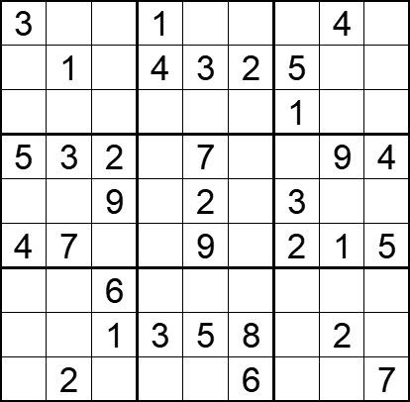 | 9 | 9 | [,8,5,,6,9,7,,2], [6,,7,,,,,8,9], [2,9,4,7,8,5,,6,3], [,,,8,,1,6,,], [1,6,,5,,4,,7,8], [,,8,6,,3,,,]， [9,5,,2,4,7,8,3,1], [7,4,,,,,9,,6], [8,,3,9,1,,4,5,],
将数字 1-9填入空格内，使每行、每列及每宫内数字均不重复。 |  |  | 九宫标准数独 | 5 | 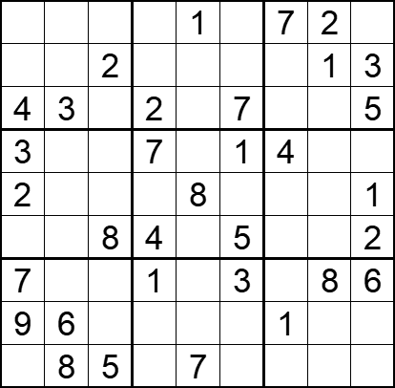 | 9 | 9 | [5,9,6,3,,8,,,4], [8,7,,5,4,9,6,,], [,,1,,6,,8,9,], [,5,9,,2,,,6,8], [,4,7,9,,6,3,5,], [6,1,,,3,,9,7,], [,2,4,,9,,5,,], [,,3,8,5,2,,4,7], [1,,,6,,4,2,3,9],
将数字 1-9填入空格内，使每行、每列及每宫内数字均不重复。 |  |  | 九宫标准数独 | 5 | 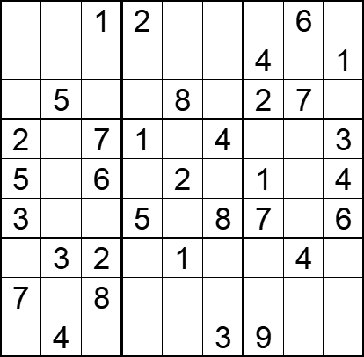 | 9 | 9 | [4,7,,,3,9,5,,8], [8,2,9,7,5,6,,3,], [6,,3,4,,1,,,9], [,9,,,6,,8,5,], [,8,,3,,7,,9,], [,1,4,,9,,,2,], [9,,,8,,5,6,,7], [,6,,9,4,2,3,1,5], [1,,5,6,7,,,8,2],
将数字 1-9填入空格内，使每行、每列及每宫内数字均不重复。 |  |  | 九宫标准数独 | 5 | 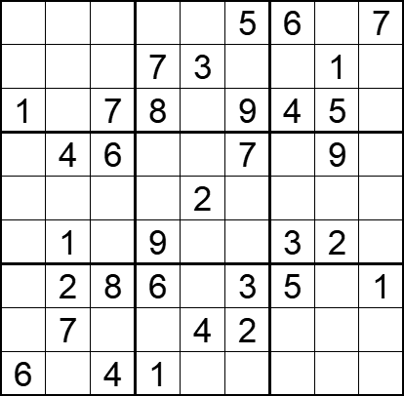 | 9 | 9 | [4,8,9,2,1,,,3,], [5,6,2,,,4,8,,9], [,3,,,6,,,,2], [2,,,3,5,,1,,8], [8,9,3,4,,1,7,6,5], [7,,5,,8,6,,,4], [9,,,,7,,,4,], [3,,1,5,,,9,8,6], [,5,,,9,8,2,7,3],
将数字 1-9填入空格内，使每行、每列及每宫内数字均不重复。 |  |  | 九宫标准数独 | 5 | 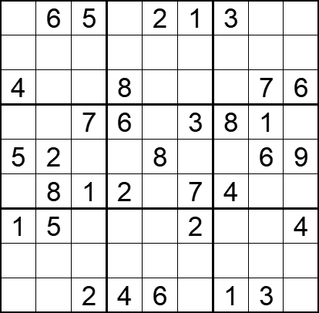 | 9 | 9 | [7,,,9,,,,4,8], [2,3,8,7,4,6,5,9,1], [,1,9,,3,5,2,,], [9,4,,,5,,,,2], [,,3,1,,4,7,,], [6,,,,9,,,5,3], [,,6,3,7,,9,8,], [3,9,4,5,1,8,6,2,7], [8,7,,,,9,,,5],
将数字 1-9填入空格内，使每行、每列及每宫内数字均不重复。 |  |  | 九宫标准数独 | 5 | 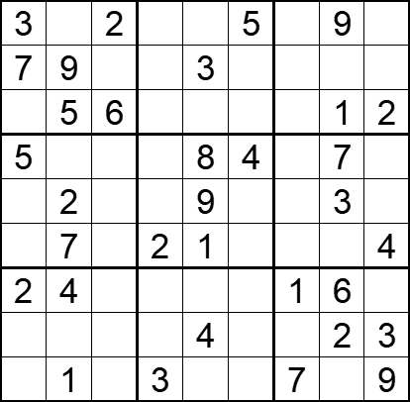 | 9 | 9 | [,8,,1,6,,4,,7], [,,1,4,,2,6,8,5], [4,,,9,7,8,3,,], [,3,9,6,,,2,,1], [1,,4,5,,7,8,,6], [6,,8,,,3,9,5,], [,,3,7,5,9,,,8], [9,6,7,8,,1,5,,], [8,,5,,2,6,,4,],
将数字 1-9填入空格内，使每行、每列及每宫内数字均不重复。 |  |  | 九宫标准数独 | 5 | 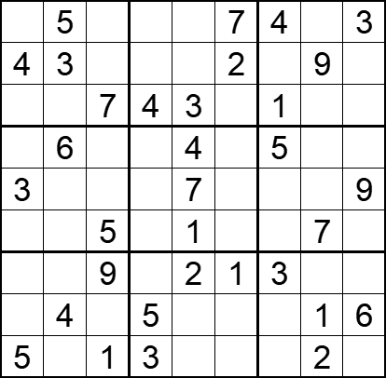 | 9 | 9 | [1,,2,9,8,,,6,], [,,6,1,5,,8,,7], [8,9,,,,6,,5,2], [7,,8,2,,9,,3,1], [,1,4,6,,5,2,8,], [9,2,,8,,3,6,,4], [6,8,,7,,,,4,5], [2,,3,,9,8,7,,], [,7,,,6,4,9,,8],
将数字 1-9填入空格内，使每行、每列及每宫内数字均不重复。 |  |  | 九宫标准数独 | 5 | 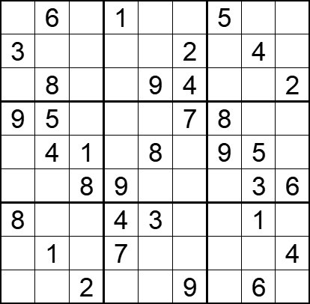 | 9 | 9 | [2,,4,,7,8,,9,3], [,9,7,5,6,,1,,8], [1,,5,3,,,6,7,], [,,3,6,4,,,2,1], [6,,,2,,3,,,7], [7,2,,,5,1,4,,], [,7,6,,,5,2,,9], [5,,9,,2,6,3,8,], [4,3,,8,1,,7,,5],
将数字 1-9填入空格内，使每行、每列及每宫内数字均不重复。 |  |  | 九宫标准数独 | 5 | 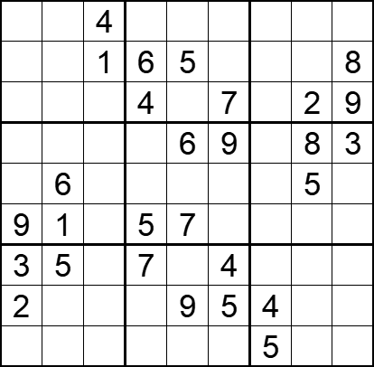 | 9 | 9 | [6,2,,9,8,3,7,1,5], [7,9,,,,2,3,4,], [5,3,8,,1,,6,,], [4,7,5,2,,,1,,], [8,,2,3,4,1,9,,7], [,,3,,,8,2,6,4], [,,6,,2,,8,9,1], [,8,7,1,,,,3,6], [1,4,9,8,3,6,,7,2],
将数字 1-9填入空格内，使每行、每列及每宫内数字均不重复。 |  |  | 九宫标准数独 | 5 | 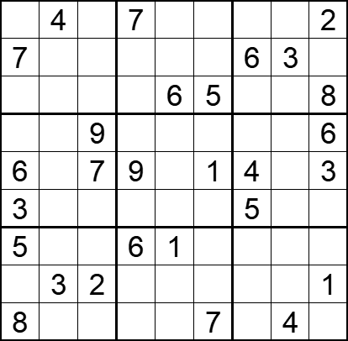 | 9 | 9 | [1,,6,,3,8,9,5,], [,8,5,1,2,9,,,4], [2,9,3,4,,,1,7,], [4,2,,5,7,3,8,1,], [,5,,,8,,,2,], [,1,8,2,4,6,,9,7], [,7,4,,,2,3,8,9], [9,,,8,5,4,7,6,], [,6,1,3,9,,2,,5],
将数字 1-9填入空格内，使每行、每列及每宫内数字均不重复。 |  |  | 九宫标准数独 | 5 | 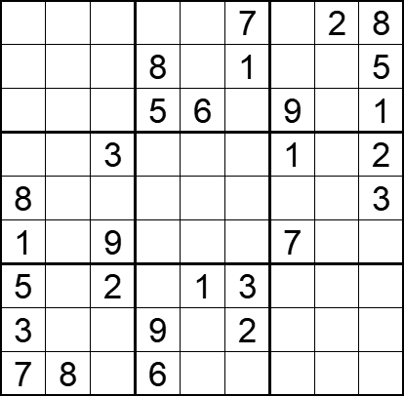 | 9 | 9 | [4,1,5,3,9,,6,,], [9,7,6,,2,,3,4,], [2,3,8,,,4,,7,], [6,5,,4,7,9,,8,], [,2,7,1,5,6,4,9,], [,4,,2,3,8,,5,6], [,9,,7,,,8,6,4], [,6,4,,8,,5,1,7], [,,1,,4,5,2,3,9]
将数字 1-9填入空格内，使每行、每列及每宫内数字均不重复。 |  |  | 九宫标准数独 | 5 | 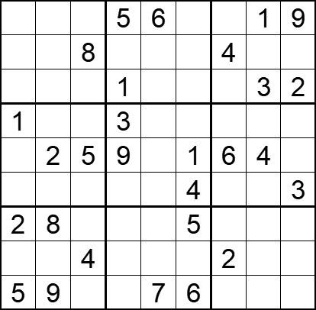 | 9 | 9 | [4,3,2,,,8,7,,], [9,1,,7,3,2,,6,5], [6,5,7,,4,9,8,,], [,4,6,,2,7,5,9,8], [3,,,,8,,,,7], [8,7,9,6,5,,1,2,], [,,3,4,1,,9,7,6], [7,6,,8,9,3,,5,1], [,,1,2,,,3,8,4],
将数字 1-9填入空格内，使每行、每列及每宫内数字均不重复。 |  |  | 九宫标准数独 | 5 | 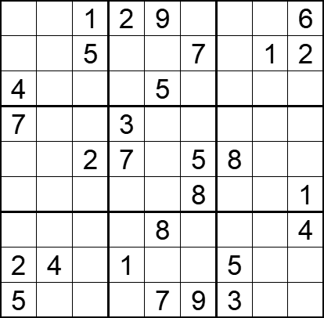 | 9 | 9 | [8,3,,,,4,7,5,], [6,9,,8,3,,4,,], [,2,7,6,,1,9,8,3], [,8,9,,1,6,2,4,5], [1,6,,,4,,,3,9], [3,5,4,9,2,,6,7,], [9,7,3,5,,2,1,6,], [,,8,,6,3,,9,7], [,1,6,4,,,,2,8],
将数字 1-9填入空格内，使每行、每列及每宫内数字均不重复。 |  |  | 九宫标准数独 | 5 | 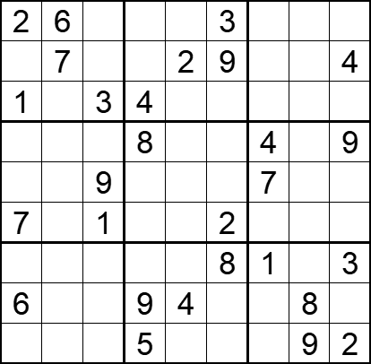 | 9 | 9 | [,,4,7,8,,9,5,1], [8,,5,1,,,3,6,], [,9,,,5,6,2,7,8], [3,2,6,,7,5,,1,], [5,8,,3,1,4,,2,6], [,4,,6,9,,8,3,5], [9,5,7,2,6,,,4,], [,3,2,,,1,5,,7], [4,1,8,,3,7,6,,],
将数字 1-9填入空格内，使每行、每列及每宫内数字均不重复。 |  |  | 九宫标准数独 | 5 | 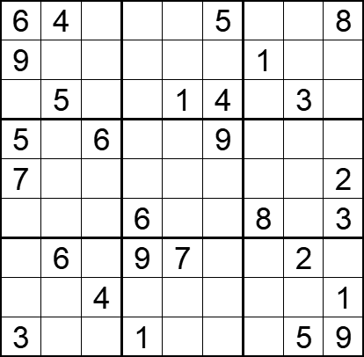 | 9 | 9 | [,,1,3,9,,2,7,], [,2,3,7,8,6,,4,5], [8,,7,2,,,9,,6], [,3,,8,2,,4,1,7], [,8,9,4,3,1,5,6,], [4,1,2,,5,7,,9,], [1,,5,,,8,3,,4], [2,9,,5,6,3,7,8,], [,7,8,,4,2,6,,],
将数字 1-9填入空格内，使每行、每列及每宫内数字均不重复。 |  |  | 九宫标准数独 | 5 | 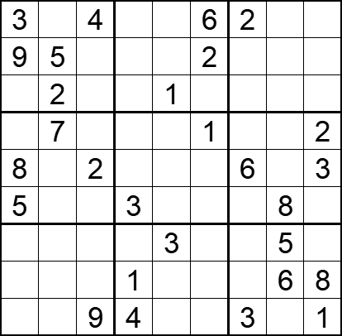 | 9 | 9 | [,1,,8,5,,,7,9], [,,8,7,4,,1,3,6], [6,,7,9,,3,8,4,5], [4,,3,6,8,,5,9,], [,9,,5,7,4,,1,], [,6,1,,2,9,7,,4], [1,4,6,2,,8,9,,7], [2,3,5,,9,7,4,,], [7,8,,,6,5,,2,],
将数字 1-9填入空格内，使每行、每列及每宫内数字均不重复。 |  |  | 九宫标准数独 | 5 | 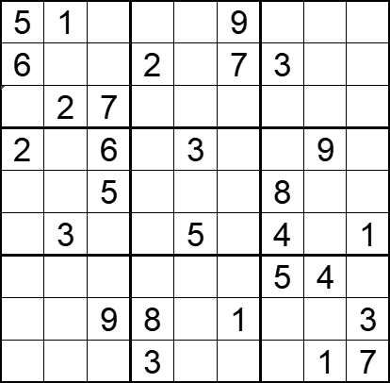 | 9 | 9 | [,,3,4,8,,6,7,2], [,8,4,,1,,,5,9], [9,,,5,6,3,1,8,4], [,4,,1,,8,7,,5], [1,9,,7,2,4,,3,6], [7,,8,9,,6,,2,], [3,7,1,6,9,2,,,8], [4,5,,,7,,2,6,], [8,6,2,,4,5,9,,],
将数字 1-9填入空格内，使每行、每列及每宫内数字均不重复。 |  |  | 九宫标准数独 | 5 | 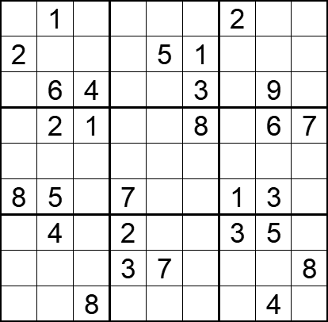 | 9 | 9 | [9,,5,6,4,7,,8,3], [,8,3,9,,,4,7,6], [7,,,8,2,,5,,1], [4,,,5,3,,9,,], [3,7,6,4,1,9,8,2,5], [,,9,,6,2,,,4], [1,,7,,8,6,,,9], [5,9,2,,,4,6,1,], [6,3,,1,9,5,7,,2],
将数字 1-9填入空格内，使每行、每列及每宫内数字均不重复。 |  |  | 九宫标准数独 | 5 |  | 9 | 9 | [5,,,9,1,3,8,,7], [,2,,,,5,4,9,1], [1,8,,4,,2,6,,3], [,1,,5,4,7,9,3,2], [4,9,,,3,,,8,5], [2,3,5,1,8,9,,6,], [9,,4,6,,1,,7,8], [8,7,2,3,,,,1,], [3,,1,7,5,8,,,9],
将数字 1-9填入空格内，使每行、每列及每宫内数字均不重复。 |  |  | 九宫标准数独 | 5 |  | 9 | 9 | [1,,,8,3,,,5,7], [,7,3,6,,5,2,1,8], [8,,6,,,2,4,3,9], [,6,8,5,2,1,7,,], [,4,,9,8,3,,2,], [,,9,7,4,6,3,8,], [6,3,5,4,,,9,,2], [9,1,4,2,,7,8,6,], [2,8,,,6,9,,,5],
将数字 1-9填入空格内，使每行、每列及每宫内数字均不重复。 |  |  | 九宫标准数独 | 5 |  | 9 | 9 | [,8,,1,,,,3,4], [9,7,1,,3,4,8,2,5], [2,,,8,,9,7,,6], [,9,,2,,6,3,8,], [8,6,2,3,7,1,4,5,9], [,4,3,5,,8,,7,], [6,,8,9,,3,,,7], [4,2,9,7,8,,1,6,3], [3,1,,,,2,,9,],
将数字 1-9填入空格内，使每行、每列及每宫内数字均不重复。 |  |  | 九宫标准数独 | 5 |  | 9 | 9 | [3,2,9,,1,6,7,,], [,4,,,8,2,,,6], [,7,8,3,5,9,1,2,4], [7,,6,,3,,,1,2], [9,5,,8,2,1,,4,7], [4,1,,,7,,8,,9], [1,6,5,2,9,7,4,8,], [8,,,5,4,,,6,], [,,4,1,6,,9,7,5],
将数字 1-9填入空格内，使每行、每列及每宫内数字均不重复。 |  |  | 九宫标准数独 | 5 |  | 9 | 9 | [,4,,,,7,,8,2], [2,,,4,8,9,1,6,7], [8,7,,2,5,,9,,3], [,9,7,,1,2,,3,6], [1,8,4,,3,,7,2,9], [3,6,,9,7,,8,5,], [4,,9,,2,6,,7,8], [7,2,8,1,4,3,,,5], [6,5,,7,,,,1,],
将数字 1-9填入空格内，使每行、每列及每宫内数字均不重复。 |  |  | 九宫标准数独 | 5 |  | 9 | 9 | [7,,4,3,,,,6,5], [9,,1,,6,2,4,,3], [8,6,3,1,5,4,9,,], [,8,,6,,3,7,9,4], [3,,,9,4,1,,,8], [4,9,2,8,,5,,1,], [,,9,4,3,8,5,2,7], [5,,8,2,9,,6,,1], [2,4,,,,6,8,,9]
将数字 1-9填入空格内，使每行、每列及每宫内数字均不重复。 |  |  | 九宫标准数独 | 5 |  | 9 | 9 | [9,8,3,,,2,4,,1], [7,,,9,1,6,3,,], [,6,,4,8,3,9,7,], [,9,8,,7,5,2,4,6], [5,,6,,3,,8,,7], [4,7,2,8,6,,1,5,], [,3,4,5,9,7,,2,], [,,9,3,2,8,,,4], [8,,7,6,,,5,3,9]
将数字 1-9填入空格内，使每行、每列及每宫内数字均不重复。 |  |  | 九宫标准数独 | 5 |  | 9 | 9 | [,1,7,6,2,,,4,3], [3,,2,,5,9,6,,], [8,,6,3,,1,,7,9], [,7,,4,,6,3,8,5], [,6,3,5,8,2,1,9,], [1,8,5,9,,7,,2,], [6,9,,2,,3,8,,4], [,,8,1,9,,7,,2], [7,2,,,6,5,9,3,]
将数字 1-9填入空格内，使每行、每列及每宫内数字均不重复。 |  |  | 九宫标准数独 | 5 |  | 9 | 9 | [4,7,9,2,,,8,3,5], [8,6,,5,,4,,,7], [,1,,8,7,9,6,2,4], [,2,8,7,,6,5,,], [5,3,,,1,,,7,8], [,,7,3,,5,2,1,], [2,8,4,9,5,7,,6,], [6,,,1,,8,,5,2], [7,5,1,,,3,4,8,9],
将数字 1-9填入空格内，使每行、每列及每宫内数字均不重复。 |  |  | 九宫标准数独 | 5 |  | 9 | 9 | [6,5,,1,,9,7,,], [1,9,7,,,8,,3,6], [4,,2,7,3,6,5,,], [3,6,,4,7,,8,9,5], [8,,9,,6,,1,,4], [7,4,5,,8,1,,6,2], [,,6,8,9,7,4,,3], [9,3,,2,,,6,5,7], [,,4,6,,3,,8,1],
将数字 1-9填入空格内，使每行、每列及每宫内数字均不重复。 |  |  | 九宫标准数独 | 5 |  | 9 | 9 | [6,7,3,,,8,5,9,2], [,5,8,,2,,4,,6], [,4,1,6,9,5,,3,8], [,,5,9,4,6,,8,], [4,,7,,8,,6,,9], [,9,,2,7,1,3,,], [1,8,,7,3,9,2,6,], [7,,9,,5,,8,4,], [5,3,2,8,,,9,7,1],
将数字 1-9填入空格内，使每行、每列及每宫内数字均不重复。 |  |  | 九宫标准数独 | 5 |  | 9 | 9 | [2,,,8,,,,9,4], [3,1,7,,6,,2,8,5], [8,4,,3,5,2,,6,], [5,6,2,1,,,9,,7], [,9,3,6,4,7,8,5,], [4,,8,,,9,6,1,3], [,3,,7,9,5,,2,8], [9,8,5,,1,,4,7,6], [7,2,,,,6,,,9],
将数字 1-9填入空格内，使每行、每列及每宫内数字均不重复。 |  |  | 九宫标准数独 | 5 |  | 9 | 9 | [,5,7,,4,9,,2,8], [8,3,2,,6,5,,1,], [,9,1,,,8,,,7], [7,,9,,8,3,1,4,6], [3,,6,4,9,2,7,,5], [5,4,8,6,7,,2,,9], [1,,,9,,,8,7,], [,7,,8,1,,4,9,3], [9,8,,3,2,,6,5,],
将数字 1-9填入空格内，使每行、每列及每宫内数字均不重复。 |  |  | 九宫标准数独 | 5 |  | 9 | 9 | [7,5,,,8,4,6,,9], [1,,,,2,6,3,8,5], [2,6,8,9,,,4,7,], [3,,6,,5,9,7,1,], [,,9,3,7,1,8,,], [,1,7,2,6,,9,,4], [,4,2,,,3,5,9,7], [6,7,5,8,9,,,,3], [9,,1,5,4,,,6,8],
将数字 1-9填入空格内，使每行、每列及每宫内数字均不重复。 |  |  | 九宫标准数独 | 5 |  | 9 | 9 | [5,1,,4,,9,6,,7], [,3,2,,7,,5,9,], [7,4,9,,6,3,8,,], [9,7,,6,3,,2,5,], [,8,5,1,9,2,4,7,], [,6,1,,4,5,,8,3], [,,7,2,8,,3,6,9], [,9,6,,5,,1,2,], [8,,3,9,,6,,4,5],
将数字 1-9填入空格内，使每行、每列及每宫内数字均不重复。 |  |  | 九宫标准数独 | 5 |  | 9 | 9 | [,,,,7,9,1,5,2], [,,2,4,6,,9,8,], [5,9,8,1,,3,6,,7], [2,8,,3,4,,7,,9], [9,6,,7,8,2,,3,5], [7,,4,,9,6,,1,8], [3,,9,6,,8,5,7,4], [,5,6,,3,7,8,,], [8,1,7,2,5,,,,],
将数字 1-9填入空格内，使每行、每列及每宫内数字均不重复。 |  |  | 九宫标准数独 | 5 |  | 9 | 9 | [9,8,4,,7,3,5,,2], [3,1,,,,,9,7,8], [2,,,9,5,8,4,,], [5,3,8,7,2,1,,,9], [,9,,8,4,5,,2,], [4,,,3,9,6,8,5,7], [,,3,6,8,7,,,5], [8,6,2,,,,,1,4], [7,,9,2,1,,3,8,6],
将数字 1-9填入空格内，使每行、每列及每宫内数字均不重复。 |  |  | 九宫标准数独 | 5 |  | 9 | 9 | [9,,4,,,7,,1,3], [5,7,,9,4,3,,8,2], [2,,6,1,,5,7,4,], [6,4,,,7,8,9,,1], [,5,9,,3,,2,6,], [3,,8,2,9,,,5,7], [,6,7,8,,9,3,,5], [8,9,,3,6,2,,7,4], [1,2,,7,,,8,,6],
将数字 1-9填入空格内，使每行、每列及每宫内数字均不重复。 |  |  | 九宫标准数独 | 5 |  | 9 | 9 | [1,4,,8,,5,9,7,], [6,5,9,,3,7,8,,], [7,,2,9,4,,5,3,], [,,5,6,9,1,2,,7], [9,2,,,5,,,6,8], [4,,6,7,8,2,3,,], [,7,1,,6,8,4,,9], [,,8,5,7,,6,1,3], [,6,4,3,,9,,8,2],
将数字 1-9填入空格内，使每行、每列及每宫内数字均不重复。 |  |  | 九宫标准数独 | 5 |  | 9 | 9 | [8,4,6,,3,9,7,1,5], [,2,7,5,8,,,,9], [,,9,7,6,,2,8,], [6,3,4,9,,8,,2,], [9,8,,,7,,,5,4], [,7,,1,,6,3,9,8], [,6,5,,2,7,9,,], [7,,,,1,3,5,4,], [2,1,3,4,9,,8,7,6],
将数字 1-9填入空格内，使每行、每列及每宫内数字均不重复。 |  |  | 九宫标准数独 | 5 |  | 9 | 9 | [9,,,5,6,4,3,7,8], [6,3,4,7,2,,,,9], [5,7,8,,1,,6,,], [3,,9,1,,5,7,,6], [,5,2,,7,,9,8,], [8,,7,9,,2,4,,5], [,,3,,5,,8,6,7], [7,,,,4,3,2,9,1], [2,1,6,8,9,7,,,4],
将数字 1-9填入空格内，使每行、每列及每宫内数字均不重复。 |  |  | 九宫标准数独 | 5 |  | 9 | 9 | [6,2,3,4,,,,5,], [1,8,,9,6,3,4,7,], [9,7,4,,5,8,6,,], [,,9,7,,2,5,8,6], [8,,2,,9,,3,,7], [7,5,6,8,,4,9,,], [,,7,5,2,,1,9,8], [,6,8,1,4,9,,3,5], [,9,,,,7,2,6,4],
将数字 1-9填入空格内，使每行、每列及每宫内数字均不重复。 |  |  | 九宫标准数独 | 5 |  | 9 | 9 | [7,,,1,4,3,,,9], [4,1,8,,,5,2,7,], [9,,6,8,2,7,4,1,5], [3,6,9,,7,,5,8,], [,,,9,6,8,,,], [,2,4,,3,,6,9,7], [2,4,7,3,8,9,1,,6], [,9,5,4,,,7,3,8], [1,,,7,5,6,,,2],
将数字 1-9填入空格内，使每行、每列及每宫内数字均不重复。 |  |  | 九宫标准数独 | 5 |  | 9 | 9 | [2,1,,,9,6,,3,], [9,3,8,4,,5,1,,6], [5,,7,,1,3,,,4], [7,,6,3,,2,8,9,], [,2,5,9,4,8,6,7,], [,8,9,1,,7,4,,2], [8,,,6,3,,5,,9], [4,,1,7,,9,3,6,8], [,9,,5,8,,,4,7],
将数字 1-9填入空格内，使每行、每列及每宫内数字均不重复。 |  |  | 九宫标准数独 | 5 |  | 9 | 9 | [8,7,1,2,9,6,4,,], [2,,,,5,3,,9,], [5,3,9,,4,7,,8,6], [3,,8,7,,4,9,,2], [9,5,,,1,,,6,4], [7,,6,5,,9,8,,3], [4,2,,9,8,,6,7,1], [,9,,6,7,,,,8], [,,7,4,3,1,5,2,9],
将数字 1-9填入空格内，使每行、每列及每宫内数字均不重复。 |  |  | 九宫标准数独 | 5 |  | 9 | 9 | [5,3,4,,2,,1,8,9], [,,8,3,4,9,6,7,], [9,7,,,8,1,2,,], [,6,,8,,5,7,9,4], [7,,1,,3,,5,,8], [8,4,5,9,,6,,2,], [,,9,2,6,,,1,7], [,1,3,7,9,8,4,,], [2,8,7,,5,,9,3,6],
将数字 1-9填入空格内，使每行、每列及每宫内数字均不重复。 |  |  | 九宫标准数独 | 5 |  | 9 | 9 | [9,6,4,7,8,2,5,,], [8,1,,3,,,9,7,], [7,2,3,,1,,4,6,8], [4,,,,9,8,3,,], [,8,6,4,7,5,2,1,], [,,9,6,2,,,,4], [5,3,1,,4,,8,2,7], [,9,8,,,7,,4,5], [,,7,8,5,1,6,9,3],
将数字 1-9填入空格内，使每行、每列及每宫内数字均不重复。 |  |  | 九宫标准数独 | 5 |  | 9 | 9 | [5,8,2,3,4,9,,6,], [3,1,6,,7,8,,9,2], [4,,,1,,,3,5,8], [2,,1,9,,,,7,6], [9,,,8,1,6,,,3], [8,6,,,,7,9,,4], [7,3,9,,,1,,,5], [6,2,,7,8,,1,4,9], [,4,,6,9,5,2,3,7],
将数字 1-9填入空格内，使每行、每列及每宫内数字均不重复。 |  |  | 九宫标准数独 | 5 |  | 9 | 9 | [9,,7,,2,8,3,4,], [,2,3,,5,6,,9,7], [6,1,,,,9,2,,5], [3,,,7,6,1,8,5,], [5,7,,2,9,3,,6,1], [,6,1,5,8,4,,,9], [4,,5,9,,,,2,8], [7,8,,6,4,,9,1,], [,9,6,8,3,,5,,4],
将数字 1-9填入空格内，使每行、每列及每宫内数字均不重复。 |  |  | 九宫标准数独 | 5 |  | 9 | 9 | [3,7,1,,9,,,,8], [,6,8,,5,1,3,,9], [9,4,5,8,,3,6,1,2], [5,8,,1,,,4,9,], [,,6,9,4,8,2,,], [,2,9,,,5,,8,7], [6,9,7,5,,2,8,3,4], [8,,4,6,3,,7,2,], [1,,,,8,,9,6,5],

