Sheet1
FTP-SERVICE
 |  |  |  |  |  |  |  | Response format
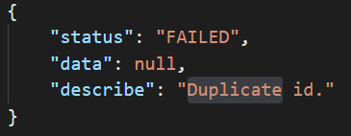

APIs List (restful api)

no | methods | paths | request_headers | request_form_params | response_bodies |  | describes | URL
1 | GET | /accounts/avatar/download/{account id here} |  |  | your file |  | get account avatar by account id | https://most-toothpick.000webhostapp.com/api

2 | POST | /accounts/avatar/upload | token: String | file: File | status | SUCCESSFUL |  | Response statuses list
 |  |  |  |  |  | FAILED
 |  |  |  |  |  | FILE_NOT_RECEIVED |  | values | types
 |  |  |  |  |  | FILE_TYPE_NOT_SUPPORTED |  | SUCCESSFUL | String
 |  |  |  |  |  |  |  | FAILED | String
 |  |  |  |  |  |  |  | FILE_TYPE_NOT_SUPPORTED | String
 |  |  |  |  |  |  |  | FILE_NOT_RECEIVED | String
 |  |  |  |  |  |  |  | FILE_NOT_EXIST | String
 |  |  |  |  |  |  |  | STORAGE_FAILED | String
 |  |  |  |  |  |  |  | NOT_SAME_FILE_EXTENSION | String
 |  |  |  |  |  |  |  | PERMISSION_DENIED | String

