ANC.DT.27–30 Risk counselling
Note: This tab has 4 decision support tables: 1) ANC.DT.27 Pre-eclampsia risk counselling 2) ANC.DT.28 Gestational diabetes mellitus (GDM) risk counselling 3)ANC.DT.29 HIV risk counselling 4) ANC.DT.30 General risk reduction counselling

Decision ID | ANC.DT.27 Pre-eclampsia risk counselling
Business Rule | If the woman has risk factors for developing pre-eclampsia, provide counselling to reduce risk of developing pre-eclampsia
Trigger | ANC.B6. Collect woman's profile & history
Input(s) |  |  | Output | Action |  |  | Annotations | Reference(s)
"Number of fetuses" ≥ 2 |  |  | "Risk of pre-eclampsia" = TRUE | Provide counselling on pre-eclampsia risk |  |  | The woman is at risk of developing pre-eclampsia – provide counselling | Pregnancy, childbirth, postpartum and newborn care guide (2015): C3 (1) WHO pre-eclampsia and eclampsia recommendations (2011): 1, 2 (5)
"Past pregnancy complications" = "Pre-eclampsia" |  |  | "Risk of pre-eclampsia" = TRUE | Provide counselling on pre-eclampsia risk |  |  |  | Pregnancy, childbirth, postpartum and newborn care guide (2015): C3 (1) WHO pre-eclampsia and eclampsia recommendations (2011): 1, 3 (5)
"Past pregnancy complications" = "Eclampsia" |  |  | "Risk of pre-eclampsia" = TRUE | Provide counselling on pre-eclampsia risk |  |  |  | Pregnancy, childbirth, postpartum and newborn care guide (2015): C3 (1) WHO pre-eclampsia and eclampsia recommendations (2011): 1, 4 (5)
"Past pregnancy complications" = "Convulsions" |  |  | "Risk of pre-eclampsia" = TRUE | Provide counselling on pre-eclampsia risk |  |  |  | Pregnancy, childbirth, postpartum and newborn care guide (2015): C3 (1) WHO pre-eclampsia and eclampsia recommendations (2011): 1, 5 (5)
"Existing chronic health conditions" = "Autoimmune disease" |  |  | "Risk of pre-eclampsia" = TRUE | Provide counselling on pre-eclampsia risk |  |  |  | Pregnancy, childbirth, postpartum and newborn care guide (2015): C3 (1) WHO pre-eclampsia and eclampsia recommendations (2011): 1, 6 (5)
"Existing chronic health conditions" = "Diabetes" |  |  | "Risk of pre-eclampsia" = TRUE | Provide counselling on pre-eclampsia risk |  |  |  | Pregnancy, childbirth, postpartum and newborn care guide (2015): C3 (1) WHO pre-eclampsia and eclampsia recommendations (2011): 1, 7 (5)
"Existing chronic health conditions" = "Hypertension" |  |  | "Risk of pre-eclampsia" = TRUE | Provide counselling on pre-eclampsia risk |  |  |  | Pregnancy, childbirth, postpartum and newborn care guide (2015): C3 (1) WHO pre-eclampsia and eclampsia recommendations (2011): 1, 8 (5)
"Existing chronic health conditions" = "Kidney disease" |  |  | "Risk of pre-eclampsia" = TRUE | Provide counselling on pre-eclampsia risk |  |  |  | Pregnancy, childbirth, postpartum and newborn care guide (2015): C3 (1) WHO pre-eclampsia and eclampsia recommendations (2011): 1, 9 (5)
"Number of fetuses" ≥ 2 | "Gestational age" ≥ 12 weeks |  | "Risk of pre-eclampsia" = TRUE Gestational age >= 12 weeks | Provide counselling on pre-eclampsia risk | "Amount of daily aspirin prescribed until delivery" = 75 mg |  | The woman is at risk of developing pre-eclampsia: provide counselling; prescribe aspirin 75 mg daily until delivery (starting at 12 weeks gestation) for pre-eclampsia risk | Pregnancy, childbirth, postpartum and newborn care guide (2015): C3 (1) WHO pre-eclampsia and eclampsia recommendations (2011): 1, 10 (5)
"Past pregnancy complications" = "Pre-eclampsia" | "Gestational age" ≥ 12 weeks |  | "Risk of pre-eclampsia" = TRUE Gestational age >= 12 weeks | Provide counselling on pre-eclampsia risk | "Amount of daily aspirin prescribed until delivery" = 75 mg |  |  | Pregnancy, childbirth, postpartum and newborn care guide (2015): C3 (1) WHO pre-eclampsia and eclampsia recommendations (2011): 1, 11 (5)
"Past pregnancy complications" = "Eclampsia" | "Gestational age" ≥ 12 weeks |  | "Risk of pre-eclampsia" = TRUE Gestational age >= 12 weeks | Provide counselling on pre-eclampsia risk | "Amount of daily aspirin prescribed until delivery" = 75 mg |  |  | Pregnancy, childbirth, postpartum and newborn care guide (2015): C3 (1) WHO pre-eclampsia and eclampsia recommendations (2011): 1, 12 (5)
"Past pregnancy complications" = "Convulsions" | "Gestational age" ≥ 12 weeks |  | "Risk of pre-eclampsia" = TRUE Gestational age >= 12 weeks | Provide counselling on pre-eclampsia risk | "Amount of daily aspirin prescribed until delivery" = 75 mg |  |  | Pregnancy, childbirth, postpartum and newborn care guide (2015): C3 (1) WHO pre-eclampsia and eclampsia recommendations (2011): 1, 13 (5)
"Existing chronic health conditions" = "Autoimmune disease" | "Gestational age" ≥ 12 weeks |  | "Risk of pre-eclampsia" = TRUE Gestational age >= 12 weeks | Provide counselling on pre-eclampsia risk | "Amount of daily aspirin prescribed until delivery" = 75 mg |  |  | Pregnancy, childbirth, postpartum and newborn care guide (2015): C3 (1) WHO pre-eclampsia and eclampsia recommendations (2011): 1, 14 (5)
"Existing chronic health conditions" = "Diabetes" | "Gestational age" ≥ 12 weeks |  | "Risk of pre-eclampsia" = TRUE Gestational age >= 12 weeks | Provide counselling on pre-eclampsia risk | "Amount of daily aspirin prescribed until delivery" = 75 mg |  |  | Pregnancy, childbirth, postpartum and newborn care guide (2015): C3 (1) WHO pre-eclampsia and eclampsia recommendations (2011): 1, 15 (5)
"Existing chronic health conditions" = "Hypertension" | "Gestational age" ≥ 12 weeks |  | "Risk of pre-eclampsia" = TRUE Gestational age >= 12 weeks | Provide counselling on pre-eclampsia risk | "Amount of daily aspirin prescribed until delivery" = 75 mg |  |  | Pregnancy, childbirth, postpartum and newborn care guide (2015): C3 (1) WHO pre-eclampsia and eclampsia recommendations (2011): 1, 16 (5)
"Existing chronic health conditions" = "Kidney disease" | "Gestational age" ≥ 12 weeks |  | "Risk of pre-eclampsia" = TRUE Gestational age >= 12 weeks | Provide counselling on pre-eclampsia risk | "Amount of daily aspirin prescribed until delivery" = 75 mg |  |  | Pregnancy, childbirth, postpartum and newborn care guide (2015): C3 (1) WHO pre-eclampsia and eclampsia recommendations (2011): 1, 17 (5)
"Number of fetuses" ≥ 2 | "Gestational age" ≥ 12 weeks | "Population with low dietary calcium intake" = TRUE | "Risk of pre-eclampsia" = TRUE Gestational age >= 12 weeks Population with low calcium intake | Provide counselling on pre-eclampsia risk | "Amount of daily aspirin prescribed until delivery" = 75 mg | 1.5 g ≤ "Amount of calcium supplements provided" ≤ 2 g | The woman is at risk of developing pre-eclampsia: provide counselling; prescribe aspirin 75 mg daily until delivery (starting at 12 weeks gestation) and ensure that she continues to take her daily calcium supplement of 1.5–2 g until delivery for pre-eclampsia risk | Pregnancy, childbirth, postpartum and newborn care guide (2015): C3 (1) WHO pre-eclampsia and eclampsia recommendations (2011): 1, 18 (5)
"Past pregnancy complications" = "Pre-eclampsia" | "Gestational age" ≥ 12 weeks | "Population with low dietary calcium intake" = TRUE | "Risk of pre-eclampsia" = TRUE Gestational age >= 12 weeks Population with low calcium intake | Provide counselling on pre-eclampsia risk | "Amount of daily aspirin prescribed until delivery" = 75 mg | 1.5 g ≤ "Amount of calcium supplements provided" ≤ 2 g |  | Pregnancy, childbirth, postpartum and newborn care guide (2015): C3 (1) WHO pre-eclampsia and eclampsia recommendations (2011): 1, 19 (5)
"Past pregnancy complications" = "Eclampsia" | "Gestational age" ≥ 12 weeks | "Population with low dietary calcium intake" = TRUE | "Risk of pre-eclampsia" = TRUE Gestational age >= 12 weeks Population with low calcium intake | Provide counselling on pre-eclampsia risk | "Amount of daily aspirin prescribed until delivery" = 75 mg | 1.5 g ≤ "Amount of calcium supplements provided" ≤ 2 g |  | Pregnancy, childbirth, postpartum and newborn care guide (2015): C3 (1) WHO pre-eclampsia and eclampsia recommendations (2011): 1, 20 (5)
"Past pregnancy complications" = "Convulsions" | "Gestational age" ≥ 12 weeks | "Population with low dietary calcium intake" = TRUE | "Risk of pre-eclampsia" = TRUE Gestational age >= 12 weeks Population with low calcium intake | Provide counselling on pre-eclampsia risk | "Amount of daily aspirin prescribed until delivery" = 75 mg | 1.5 g ≤ "Amount of calcium supplements provided" ≤ 2 g |  | Pregnancy, childbirth, postpartum and newborn care guide (2015): C3 (1) WHO pre-eclampsia and eclampsia recommendations (2011): 1, 21 (5)
"Existing chronic health conditions" = "Autoimmune disease" | "Gestational age" ≥ 12 weeks | "Population with low dietary calcium intake" = TRUE | "Risk of pre-eclampsia" = TRUE Gestational age >= 12 weeks Population with low calcium intake | Provide counselling on pre-eclampsia risk | "Amount of daily aspirin prescribed until delivery" = 75 mg | 1.5 g ≤ "Amount of calcium supplements provided" ≤ 2 g |  | Pregnancy, childbirth, postpartum and newborn care guide (2015): C3 (1) WHO pre-eclampsia and eclampsia recommendations (2011): 1, 22 (5)
"Existing chronic health conditions" = "Diabetes" | "Gestational age" ≥ 12 weeks | "Population with low dietary calcium intake" = TRUE | "Risk of pre-eclampsia" = TRUE Gestational age >= 12 weeks Population with low calcium intake | Provide counselling on pre-eclampsia risk | "Amount of daily aspirin prescribed until delivery" = 75 mg | 1.5 g ≤ "Amount of calcium supplements provided" ≤ 2 g |  | Pregnancy, childbirth, postpartum and newborn care guide (2015): C3 (1) WHO pre-eclampsia and eclampsia recommendations (2011): 1, 23 (5)
"Existing chronic health conditions" = "Hypertension" | "Gestational age" ≥ 12 weeks | "Population with low dietary calcium intake" = TRUE | "Risk of pre-eclampsia" = TRUE Gestational age >= 12 weeks Population with low calcium intake | Provide counselling on pre-eclampsia risk | "Amount of daily aspirin prescribed until delivery" = 75 mg | 1.5 g ≤ "Amount of calcium supplements provided" ≤ 2 g |  | Pregnancy, childbirth, postpartum and newborn care guide (2015): C3 (1) WHO pre-eclampsia and eclampsia recommendations (2011): 1, 24 (5)
"Existing chronic health conditions" = "Kidney disease" | "Gestational age" ≥ 12 weeks | "Population with low dietary calcium intake" = TRUE | "Risk of pre-eclampsia" = TRUE Gestational age >= 12 weeks Population with low calcium intake | Provide counselling on pre-eclampsia risk | "Amount of daily aspirin prescribed until delivery" = 75 mg | 1.5 g ≤ "Amount of calcium supplements provided" ≤ 2 g |  | Pregnancy, childbirth, postpartum and newborn care guide (2015): C3 (1) WHO pre-eclampsia and eclampsia recommendations (2011): 1, 25 (5)

Decision ID | ANC.DT.28 Gestational diabetes mellitus (GDM) risk counselling
Business Rule | If the woman has risk factors for developing gestational diabetes mellitus (GDM), provide counselling to reduce risk of developing GDM
Trigger | ANC.B9. Conduct laboratory tests and imaging
Inputs |  |  | Output | Action |  | Annotations |  | Reference(s)
"BMI" ≥ 30 | "Gestational diabetes mellitus (GDM) diagnosis" = "GDM negative" | "Diabetes mellitus (DM) during pregnancy diagnosis" = "DM negative" | "Risk of gestational diabetes mellitus" = TRUE | Provide counselling on gestational diabetes mellitus (GDM) risk |  | The woman is considered at risk for GDM if she has any of the following risk factors: – BMI of 30 kg/m2 or more – Previous GDM – Previous macrosomia – Glycosuria on dipstick testing is ++ or above on one occasion OR + on two or more occasions Please provide appropriate counseling for GDM risk mitigation, including: – Reasserting dietary interventions – Reasserting physical activity during pregnancy |  | WHO ANC recommendations (2016): B.1.4 (2)
"Past pregnancy complications" = "Gestational diabetes mellitus" | "Gestational diabetes mellitus (GDM) diagnosis" = "GDM negative" | "Diabetes mellitus (DM) during pregnancy diagnosis" = "DM negative" | "Risk of gestational diabetes mellitus" = TRUE | Provide counselling on gestational diabetes mellitus (GDM) risk |  |  |  | WHO ANC recommendations (2016): B.1.5 (2)
"Past pregnancy complications" = "Macrosomia" | "Gestational diabetes mellitus (GDM) diagnosis" = "GDM negative" | "Diabetes mellitus (DM) during pregnancy diagnosis" = "DM negative" | "Risk of gestational diabetes mellitus" = TRUE | Provide counselling on gestational diabetes mellitus (GDM) risk |  |  |  | WHO ANC recommendations (2016): B.1.6 (2)
"Urine dipstick result – glucose" = "++" | "Gestational diabetes mellitus (GDM) diagnosis" = "GDM negative" | "Diabetes mellitus (DM) during pregnancy diagnosis" = "DM negative" | "Risk of gestational diabetes mellitus" = TRUE | Provide counselling on gestational diabetes mellitus (GDM) risk |  |  |  | WHO ANC recommendations (2016): B.1.7 (2)
"Urine dipstick result – glucose" = "+++" | "Gestational diabetes mellitus (GDM) diagnosis" = "GDM negative" | "Diabetes mellitus (DM) during pregnancy diagnosis" = "DM negative" | "Risk of gestational diabetes mellitus" = TRUE | Provide counselling on gestational diabetes mellitus (GDM) risk |  |  |  | WHO ANC recommendations (2016): B.1.8 (2)
"Urine dipstick result – glucose" = "++++" | "Gestational diabetes mellitus (GDM) diagnosis" = "GDM negative" | "Diabetes mellitus (DM) during pregnancy diagnosis" = "DM negative" | "Risk of gestational diabetes mellitus" = TRUE | Provide counselling on gestational diabetes mellitus (GDM) risk |  |  |  | WHO ANC recommendations (2016): B.1.9 (2)
"Urine dipstick result – glucose" = "+" ON MORE THAN ONE TEST ACROSS PREGNANCY | "Gestational diabetes mellitus (GDM) diagnosis" = "GDM negative" | "Diabetes mellitus (DM) during pregnancy diagnosis" = "DM negative" | "Risk of gestational diabetes mellitus" = TRUE | Provide counselling on gestational diabetes mellitus (GDM) risk |  |  |  | WHO ANC recommendations (2016): B.1.10 (2)

Decision ID | ANC.DT.29 HIV risk counselling
Business Rule | If the woman has risk factors for contracting HIV, provide counselling to reduce risk of contracting HIV
Trigger | ANC.B9. Conduct laboratory tests and imaging
Inputs |  | Output | Action |  |  | Annotations |  | Reference(s)
"HIV status" = "HIV negative" | "Prevalence of HIV in pregnant women in the catchment area" > 1% | "High risk for HIV" = TRUE | Conduct counselling on HIV risk |  |  | If the woman lives in a setting with a generalized HIV epidemic, or her partner is HIV positive, or she injects drugs, or she is a sex worker, then she is at high risk for HIV – counselling should be given to provide prevention options Provide comprehensive HIV prevention options: – STI screening and treatment (syndromic and syphilis) – Condom promotion – Risk reduction counselling – Pre-exposure prophylaxis (PrEP) with emphasis on adherence – Emphasize importance of follow-up ANC contact visits |  | WHO ANC recommendations (2016): B.1.7, C.7 (2) Pregnancy, childbirth, postpartum and newborn care guide (IMPAC) (2015): C6 (1)
"HIV status" = "HIV negative" | "Partner HIV status (reported)" = "HIV positive" | "High risk for HIV" = TRUE | Conduct counselling on HIV risk |  |  |  |  | WHO ANC recommendations (2016): B.1.7, C.7 (2) Pregnancy, childbirth, postpartum and newborn care guide (IMPAC) (2015): C7 (1)
"HIV status" = "HIV negative" | "Partner HIV test result" = HIV positive" | "High risk for HIV" = TRUE | Conduct counselling on HIV risk |  |  |  |  | WHO ANC recommendations (2016): B.1.7, C.7 (2) Pregnancy, childbirth, postpartum and newborn care guide (IMPAC) (2015): C8 (1)
"HIV status" = "HIV negative" | Partner HIV status (confirmed)" = "HIV positive" | "High risk for HIV" = TRUE | Conduct counselling on HIV risk |  |  |  |  | WHO ANC recommendations (2016): B.1.7, C.7 (2) Pregnancy, childbirth, postpartum and newborn care guide (IMPAC) (2015): C9 (1)
"HIV status" = "HIV negative" | Current alcohol and/or other substance use" = "Injectable drugs" | "High risk for HIV" = TRUE | Conduct counselling on HIV risk |  |  |  |  | WHO ANC recommendations (2016): B.1.7, C.7 (2) Pregnancy, childbirth, postpartum and newborn care guide (IMPAC) (2015): C10 (1)
"HIV status" = "HIV negative" | "Occupation" = "Employment that puts woman at increased risk for HIV (e.g. sex worker)" | "High risk for HIV" = TRUE | Conduct counselling on HIV risk |  |  |  |  | WHO ANC recommendations (2016): B.1.7, C.7 (2) Pregnancy, childbirth, postpartum and newborn care guide (IMPAC) (2015): C11 (1)
"Population incidence of HIV in the absence of PrEP" > 3 per 100 person-years |  | "High risk for HIV" = TRUE Population incidence of HIV 3 per 100 | Conduct counselling on pre-exposure prophylaxis (PrEP) for HIV prevention |  |  | Oral pre-exposure prophylaxis (PrEP) containing tenofovir disoproxil fumarate (TDF) should be offered as an additional prevention choice for pregnant women at substantial risk of HIV infection as part of combination prevention approaches. See "PrEP offering framework" – a suggested prioritization framework for offering PrEP to pregnant and breastfeeding women (below). |  | WHO ANC recommendations (2016): C.7 (2) Pre-exposure prophylaxis (PrEP) for HIV prevention (2017) (20)
"Partner HIV status (reported)" = "Inconclusive" |  | "Partner HIV status (reported)" = "Inconclusive" | Conduct counselling on HIV risk | Recommended partner HIV test |  | Encourage woman to find out the status of her partner(s) or to bring them during the next contact visit to get tested |  | WHO ANC recommendations (2016): B.1.7 (2) Consolidated guidelines on HIV testing services (2015) (6)
"Partner HIV test conducted" = FALSE |  | "Partner HIV status (reported)" = "Inconclusive" | Conduct counselling on HIV risk | Recommended partner HIV test |  |  |  | WHO ANC recommendations (2016): B.1.7 (2) Consolidated guidelines on HIV testing services (2015) (6)

PrEP offering framework – a suggested prioritization framework for offering PrEP to pregnant and breastfeeding women
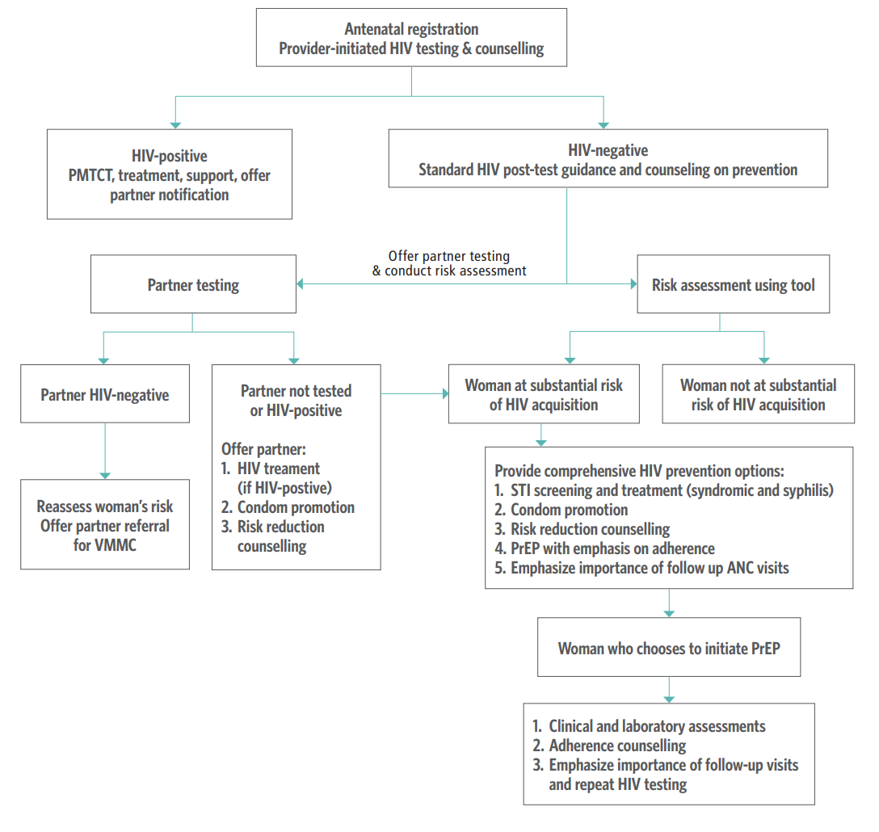

Source: PrEP technical brief (2017) (18).

Decision ID | ANC.DT.30 General risk reduction counselling
Business Rule | Depending on a variety of risk factors and/or gestational age, provide additional counselling accordingly
Trigger | ANC.B9. Conduct laboratory tests and imaging
Input | Output | Action |  |  | Annotations |  | Reference(s)
Rh factor" = "Rh negative" | Rh factor" = "Rh negative" | Provide counselling on Rh factor negative |  |  | – Woman is at risk of alloimmunization if the baby's father is Rh positive or unknown – Proceed with local protocol to investigate sensitization and the need for referral – If non-sensitized, woman should receive anti-D prophylaxis postnatally if the baby is Rh positive |  | WHO ANC recommendations (2016): C.3. Antenatal anti-D immunoglobulin administration (2)
Midstream urine culture (recommended)" = "Positive – Group B Streptococcus (GBS)" | Midstream urine culture (recommended)" = "Positive – Group B Streptococcus (GBS)" | Provide counselling on intrapartum antibiotic to prevent early neonatal Group B Streptococcus (GBS) infection |  |  | Pregnant women with GBS colonization should receive intrapartum antibiotic administration to prevent early neonatal GBS infection |  | WHO ANC recommendations (2016): C.1: Antibiotics for asymptomatic bacteriuria (ASB) (2)

ANC.DT.38 Deworming & malaria
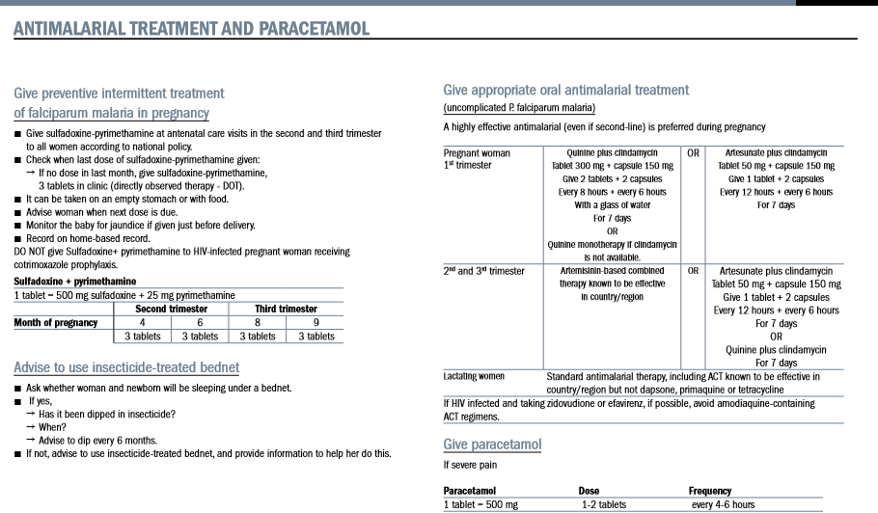
Decision ID | ANC.DT.38 Deworming and malaria prophylaxis
Business Rule | IF the woman is currently in a malaria-endemic setting, or in an area where there is greater than 20% prevalence of infection with any soil-transmitted helminths, THEN she should receive preventative treatment accordingly
Trigger | ANC.B10. Counselling, in-facility management and treatment
Input(s) |  | Output | Action | Annotations | Reference(s)
Malaria-endemic setting = TRUE |  | "Conduct counselling on malaria prevention" | Provide malaria prophylaxis | Sleeping under an insecticide-treated bednet and the importance of seeking care and getting treatment as soon as she has any symptoms | WHO ANC recommendations (2016): C.6. Malaria prevention: intermittent preventive treatment in pregnancy (IPTp) (3)
Malaria-endemic setting = TRUE | Current medications" = "Co-trimoxazole" | "IPTp-SP dose 1 provided" = FALSE "IPTp-SP dose 2 provided" = FALSE "IPTp-SP dose 3 provided" = FALSE | Do not give IPTp-SP, because woman is taking co-trimoxazole | IF the woman is currently taking co-trimoxazole, even in a malaria-endemic setting, she should not receive any dose of IPTp-SP. Women who are taking co-trimoxazole SHOULD NOT receive IPTp-SP. Taking both co-trimoxazole and IPTp-SP together can enhance side-effects, especially haematological side-effects such as anaemia. | WHO ANC recommendations (2016): C.6. Malaria prevention: intermittent preventive treatment in pregnancy (IPTp) (3)
"Population prevalence of soil-transmitted helminth infection" ≥ 20% |  | "Preventive antihelminthic treatment provided" | Conduct deworming | In areas with a population prevalence of infection with any soil-transmitted helminths of 20% or higher OR a population anaemia prevalence 40% or higher, preventive anthelminthic treatment is recommended for pregnant women after the first trimester as part of worm infection reduction programmes | WHO ANC recommendations (2016): C.4. Preventive anthelminthic treatment (3)
"Population prevalence of anaemia" ≥ 40% |  | "Preventive antihelminthic treatment provided" | Conduct deworming |  | WHO ANC recommendations (2016): C.4. Preventive anthelminthic treatment (3)

Malaria prevention counselling

ANC.S.01 ANC contact schedule
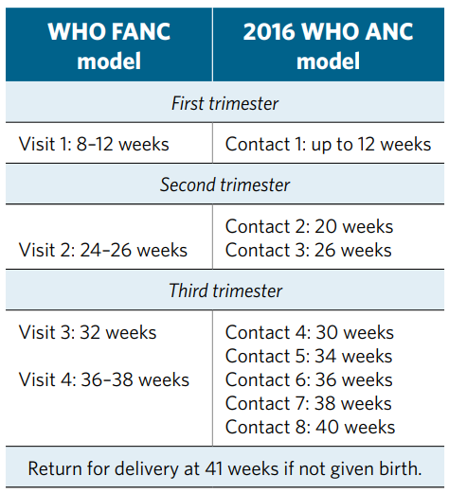
Schedule ID | ANC.S.01: Contact schedule
Service Name | Service Description | Trigger Event | Trigger Date | Create Condition | Service Due Date | Service Overdue | Expiration | Completion | Comments | References
ANC Contact 1 | The first time a woman visits a health-care provider for ANC | None | None | The first ANC contact is recommended when the woman is less than 20 weeks pregnant | GA = 12 weeks | Due date + 7 days | GA = 41 weeks | Contact completed | Recommended services to be provided to the woman varies according to the ANC contact number | WHO ANC recommendations (2016) (3)
ANC Contact 2 | The second time a woman visits a health-care provider for ANC | ANC Contact 1 | Date of ANC Contact 1 | If GA < 20 weeks, contacts should be scheduled approximately every 8 weeks | GA = 20 weeks | Due date + 7 days | GA = 41 weeks | Contact completed
ANC Contact 3 | The third time a woman visits a health-care provider for ANC | ANC Contact 1 | Date of ANC Contact 2 |  | GA = 26 weeks | Due date + 7 days | GA = 41 weeks | Contact completed
ANC Contact 4 | The fourth time a woman visits a health-care provider for ANC | ANC Contact 1 | Date of ANC Contact 3 | If GA ≥ 20 weeks, contacts should be scheduled every 6 weeks | GA = 30 weeks | Due date + 7 days | GA = 41 weeks | Contact completed
ANC Contact 5 | The fifth time a woman visits a health care provider for ANC | ANC Contact 1 | Date of ANC Contact 4 |  | GA = 34 weeks | Due date + 7 Days | GA = 41 weeks | Contact completed
ANC Contact 6 | The sixth time a woman visits a health-care provider for ANC | ANC Contact 1 | Date of ANC Contact 5 | If GA ≥ 26 weeks, contacts should be scheduled every 4 weeks | GA = 36 weeks | Due date + 7 days | GA = 41 weeks | Contact completed
ANC Contact 7 | The seventh time a woman visits a health-care provider for ANC | ANC Contact 1 | Date of ANC Contact 6 |  | GA = 38 weeks | Due date + 7 days | GA = 41 weeks | Contact completed
ANC Contact 8 | The eighth time a woman visits a health-care provider for ANC | ANC Contact 1 | Date of ANC Contact 7 | If GA ≥ 34 weeks, contacts should be scheduled every 2 weeks | GA = 40 weeks | Due date + 7 days | GA = 41 weeks | Contact completed
Refer for delivery | The date on which a pregnant woman gives birth | N/A | GA = 41 weeks | Does not count as a contact | GA = 41 weeks | Due date + 7 days | GA > 41 weeks | Given birth | Delivery times may arrive before some recommended contact dates.

Example ANC schedule

 | Interval rules and deviations
 | Rule 1 | < 20 weeks, contacts should be scheduled every 8 weeks
 | Rule 2 | ≥ 20 weeks, contacts should be scheduled every 6 weeks
 | Rule 3 | ≥ 26 weeks, contacts should be scheduled every 4 weeks
 | Rule 4 | ≥ 34 weeks, contacts should be scheduled every 2 weeks
 | Rule 5 | If the logic skips the 40 weeks contact, she must come in anyway, so add
 | Rule 6 | The woman must come in at 41 weeks if she has not given birth already (however, this does not count as an official contact)
 | Rule 7 | If the woman comes in for the first time at 22 weeks or later, we have changed the logic to increase the number of visits, especially those in the 3rd trimester, as follows: – women who come in at 22 to 23 weeks have one visit added by increasing visits to every 2 weeks after 30 weeks (rather than after 34 weeks) – women who come in at 28 to 29 weeks have one visit added by increasing visits to every 2 weeks after 32 weeks (rather than after 34 weeks) – women who come in after 30 weeks will have all their visits are every 2 weeks
 | Key
 |  | Cells that deviate from the norm because of Rule 7
 |  | Does not count as a contact, delivery only

 |  | Contact 1 | Contact 2 | Contact 3 | Contact 4 | Contact 5 | Contact 6 | Contact 7 | Contact 8 | Contact 9 | Refer for delivery
 | Number of weeks pregnant | 4 | 12 | 20 | 26 | 30 | 34 | 36 | 38 | 40 | 41
 |  | 5 | 13 | 21 | 27 | 31 | 35 | 37 | 39 | 40 | 41
 |  | 6 | 14 | 22 | 28 | 32 | 36 | 38 | 40 | 41
 |  | 7 | 15 | 23 | 29 | 33 | 37 | 39 | 40 | 41
 |  | 8 | 16 | 24 | 30 | 34 | 36 | 38 | 40 | 41
 |  | 9 | 17 | 25 | 31 | 35 | 37 | 39 | 40 | 41
 |  | 10 | 18 | 26 | 30 | 34 | 36 | 38 | 40 | 41
 |  | 11 | 19 | 27 | 31 | 35 | 37 | 39 | 40 | 41
End of 1st trimester |  | 12 | 20 | 26 | 30 | 34 | 36 | 38 | 40 | 41
 |  | 13 | 21 | 27 | 31 | 35 | 37 | 39 | 40 | 41
 |  | 14 | 22 | 28 | 32 | 36 | 38 | 40 | 41
 |  | 15 | 23 | 29 | 33 | 37 | 39 | 40 | 41
 |  | 16 | 24 | 30 | 34 | 36 | 38 | 40 | 41
 |  | 17 | 25 | 31 | 35 | 37 | 39 | 40 | 41
 |  | 18 | 26 | 30 | 34 | 36 | 38 | 40 | 41
 |  | 19 | 27 | 31 | 35 | 37 | 39 | 40 | 41
Middle of pregnancy |  | 20 | 26 | 30 | 34 | 36 | 38 | 40 | 41
 |  | 21 | 27 | 31 | 35 | 37 | 39 | 40 | 41
 |  | 22 | 28 | 32 | 34 | 36 | 38 | 40 | 41
 |  | 23 | 29 | 33 | 35 | 37 | 39 | 40 | 41
 |  | 24 | 30 | 34 | 36 | 38 | 40 | 41
 |  | 25 | 31 | 35 | 37 | 39 | 40 | 41
 |  | 26 | 30 | 34 | 36 | 38 | 40 | 41
 |  | 27 | 31 | 35 | 37 | 39 | 40 | 41
End of 2nd trimester |  | 28 | 32 | 34 | 36 | 38 | 40 | 41
 |  | 29 | 33 | 35 | 37 | 39 | 40 | 41
 |  | 30 | 32 | 34 | 36 | 38 | 40 | 41
 |  | 31 | 33 | 35 | 37 | 39 | 40 | 41
 |  | 32 | 34 | 36 | 38 | 40 | 41
 |  | 33 | 35 | 37 | 39 | 40 | 41
 |  | 34 | 36 | 38 | 40 | 41
 |  | 35 | 37 | 39 | 40 | 41
 |  | 36 | 38 | 40 | 41
 |  | 37 | 39 | 40 | 41
 |  | 38 | 40 | 41
 |  | 39 | 40 | 41
 |  | 40 | 41
 |  | 41

 | Example woman "Lucy"
 | Contact 1: at 10 weeks | Expected: | Actual /observed scenario (1) | Actual /observed scenario (2) | Actual /observed scenario (3) | Actual /observed scenario (1) | Actual /observed scenario (1) | Actual /observed scenario (1) | Actual /observed scenario (1) | Actual (8):
 | Contact 2: | 18 weeks | 19 weeks | 20 weeks | 22 weeks | 25 weeks | 16 weeks | 30 weeks | 30 weeks | 37 weeks
 | Contact 3: | 26 weeks | 27 weeks | 26 weeks | 28 weeks | 31 weeks | 24 weeks | 34 weeks | 37 weeks | 39 weeks
 | Contact 4: | 30 weeks | 31 weeks | 30 weeks | 32 weeks | 35 weeks | 30 weeks | 36 weeks | 39 weeks | 40 weeks
 | Contact 5: | 34 weeks | 35 weeks | 34 weeks | 36 weeks | 37 weeks | 34 weeks | 38 weeks | 40 weeks | N/A
 | Contact 6: | 36 weeks | 37 weeks | 36 weeks | 38 weeks | 39 weeks | 36 weeks | 40 weeks | N/A | N/A
 | Contact 7: | 38 weeks | 39 weeks | 38 weeks | 40 weeks | 40 weeks | 38 weeks | N/A | N/A | N/A
 | Contact 8: | 40 weeks | 40 weeks | 40 weeks | N/A | N/A | 40 weeks | N/A | N/A | N/A

