Analyze
Analysis GUIDE

 | KPI
 | 1. Total sales
 | 2. Display Average Operating Profit
 | 3. Average Operating Profit

 | Display the ff:
 | 1. Sales per Retailer
 | 2. Compare Sales from present year to current year
 | 3. Create a Chart Visuals for the Sales (retailer and Beverages)

 | Sum of Total Sales
 | $9,592,932.50

 | Average of Operating Profit
 | ₱457.82

 | Average of Operating Margin
 | ₱0.43

 | Count of Total Sales
 | ₱8,346.00

 | SALES PER RETAILER
 | Row Labels | Count of Units Sold | Sum of Total Sales
 | BevCo | 2,300.00 | $2,327,606.50
 | FizzyCo | 1,926.00 | $2,262,827.10
 | West Soda | 1,739.00 | $2,070,594.20
 | Target | 1,022.00 | $1,341,995.00
 | Amazon | 949.00 | $1,009,698.70
 | Walmart | 410.00 | $580,211.00
 | Grand Total | 8,346.00 | $9,592,932.50

Sales and Profit Margin Comparison per year/quarter
Qtr1 | 1877584.3 | 0.4165704501
Qtr2 | 2379424.8 | 0.42755819477
Qtr3 | 2805752.5 | 0.43470170455
Qtr4 | 2530170.9 | 0.42483932854
0 | 0 | 0
0 | 0 | 0
0 | 0 | 0
0 | 0 | 0
 | Sum of Total Sales | Column Labels
 | Row Labels | 2023
 | Coca-Cola | $2,268,974.90
 | Dasani Water | $1,917,827.80
 | Diet Coke | $1,633,959.30
 | Fanta | $1,116,062.90
 | Powerade | $1,302,529.30
 | Sprite | $1,353,578.30

 | Sales Comparison Per Retailer (2022-2023)
 | Sum of Total Sales | Column Labels
 | Row Labels | 2023
 | West Soda | $1,612,900.40
 | Walmart | $281,007.10
 | Target | $1,169,673.20
 | FizzyCo | $1,348,532.80
 | BevCo | $1,127,472.00
 | Amazon | $376,613.90

 | Quarterly Sales and Average Operating Margin per Year
 | Row Labels | Sum of Total Sales | Average of Operating Margin
 | 2023
 | Qtr1 | $1,877,584.30 | $0.42 | 2023 | Qtr1 | 1877584.3 | 0.4165704501
 | Qtr2 | $2,379,424.80 | $0.43 |  | Qtr2 | 2379424.8 | 0.42755819477
 | Qtr3 | $2,805,752.50 | $0.43 |  | Qtr3 | 2805752.5 | 0.43470170455
 | Qtr4 | $2,530,170.90 | $0.42 |  | Qtr4 | 2530170.9 | 0.42483932854
 |  |  |  | 0 | 0 | 0 | 0
 |  |  |  |  | 0 | 0 | 0
 |  |  |  |  | 0 | 0 | 0
 |  |  |  |  | 0 | 0 | 0

Dashboard
COCA-COLA USA RETAILER SALES DASHBOARD
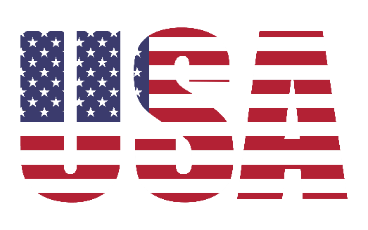

FIGURE IN USD

AVERAGE OPERATING MARGIN
TOTAL UNIT SOLD
AVERAGE OPERATING PROFIT
TOTAL SALES
$9,648.00
$12,016,665.00
$489.48
$0.42

 | SALES BY BEVERAGE BRAND |  |  |  | SALES BY RETAILER
BRAND | Sales 2022 | Sales 2023 | Variance | BRAND | SALES 2022 | SALES 2023 | VARIANCE
Coca-Cola | 2268974.9 | 0 | -2268974.9 | West Soda | $1,612,900.40 | $- | $-1,612,900.40
Dasani Water | 1917827.8 | 0 | -1917827.8 | Walmart | $281,007.10 | $- | $-281,007.10
Diet Coke | 1633959.3 | 0 | -1633959.3 | Target | $1,169,673.20 | $- | $-1,169,673.20
Fanta | 1116062.9 | 0 | -1116062.9 | FizzyCo | $1,348,532.80 | $- | $-1,348,532.80
Powerade | 1302529.3 | 0 | -1302529.3 | BevCo | $1,127,472.00 | $- | $-1,127,472.00
Sprite | 1353578.3 | 0 | -1353578.3 | Amazon | $376,613.90 | $- | $-376,613.90
Total | 9592932.5 | 0 | -9592932.5 | Total | $5,916,199.40 | $- | $-5,916,199.40

Sales and Profit Margin Comparison per year/quarter
Qtr1 | 1877584.3 | 0.4165704501
Qtr2 | 2379424.8 | 0.42755819477
Qtr3 | 2805752.5 | 0.43470170455
Qtr4 | 2530170.9 | 0.42483932854
0 | 0 | 0
0 | 0 | 0
0 | 0 | 0
0 | 0 | 0

